Screenshots
Feedback ID | Submitted At (East Africa Time) | Screen | Screenshot
FBK0000007 | 27/09/2026 | Projects › Error | 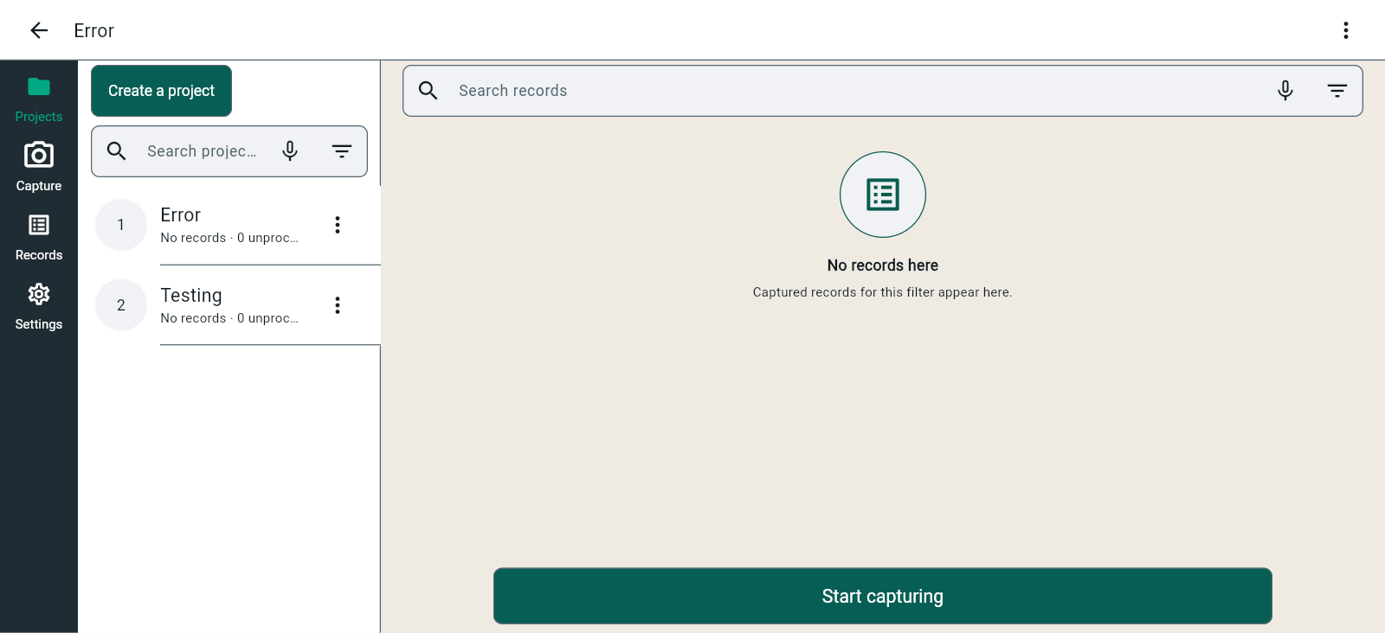
FBK0000006 | 27/09/2026 | Projects › Error › Project contexts | 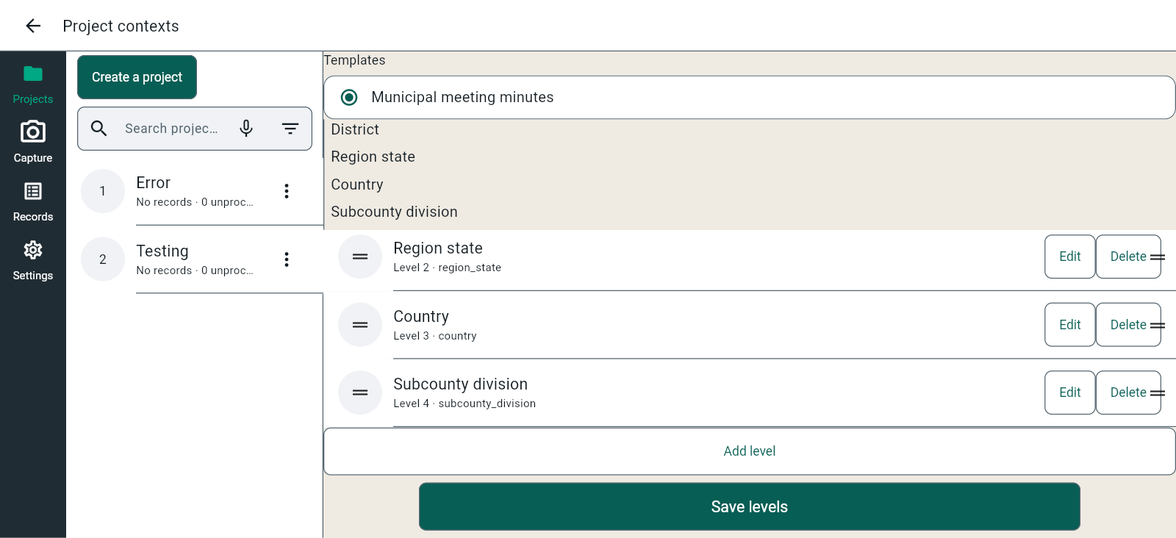
FBK0000005 | 26/09/2026 | Projects › Testing › Capture | 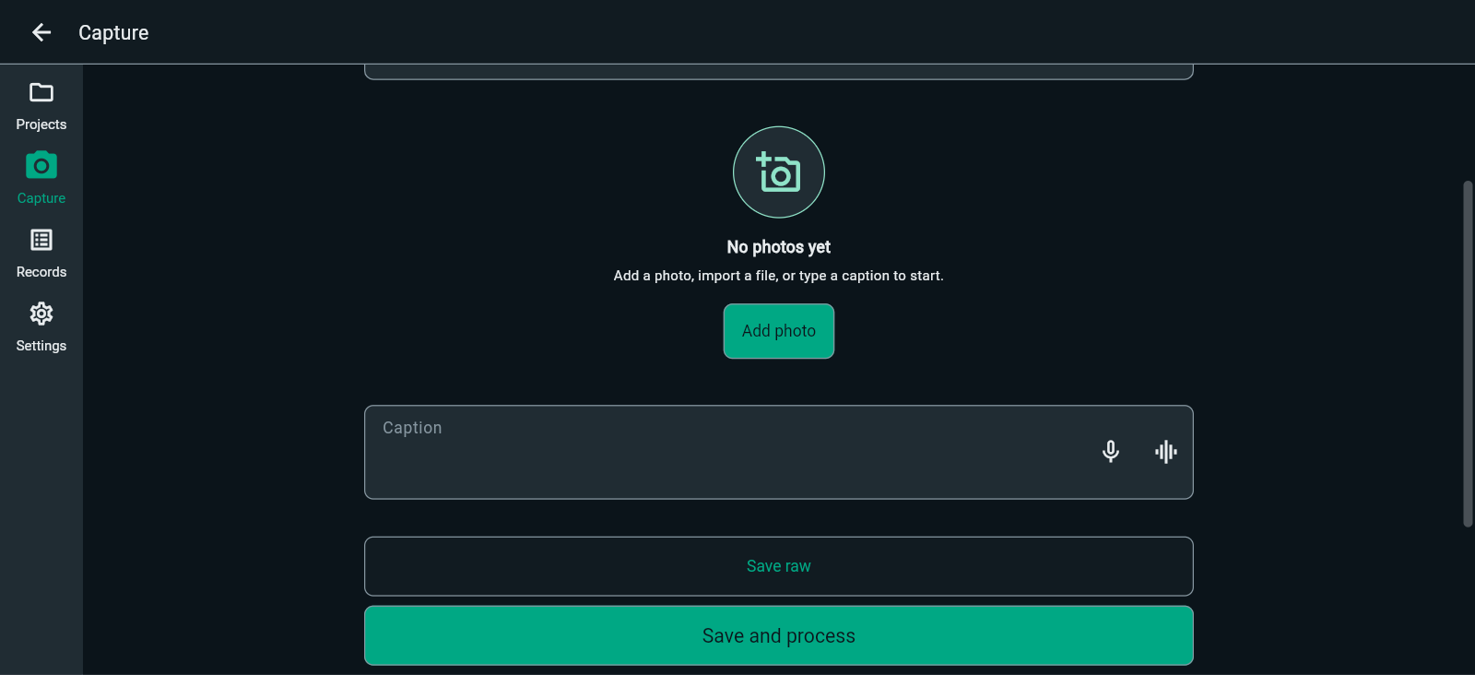
FBK0000005-2 | 26/09/2026 | Projects › Testing › Capture | 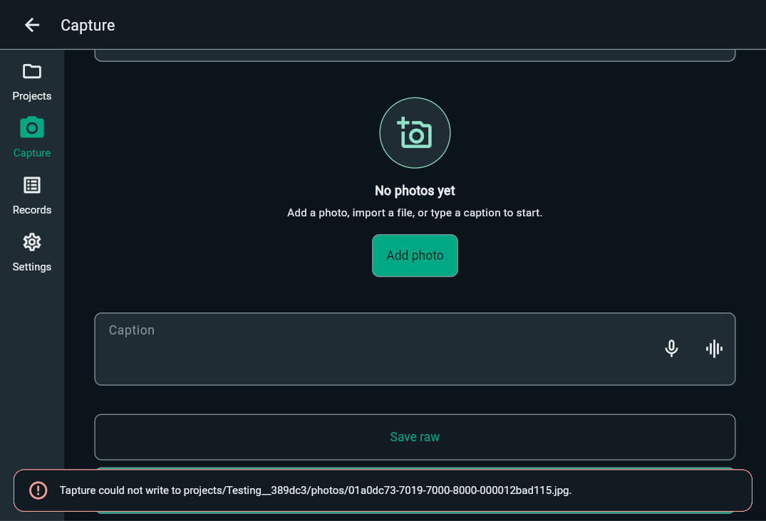
FBK0000005-3 | 26/09/2026 | Projects › Testing › Capture | 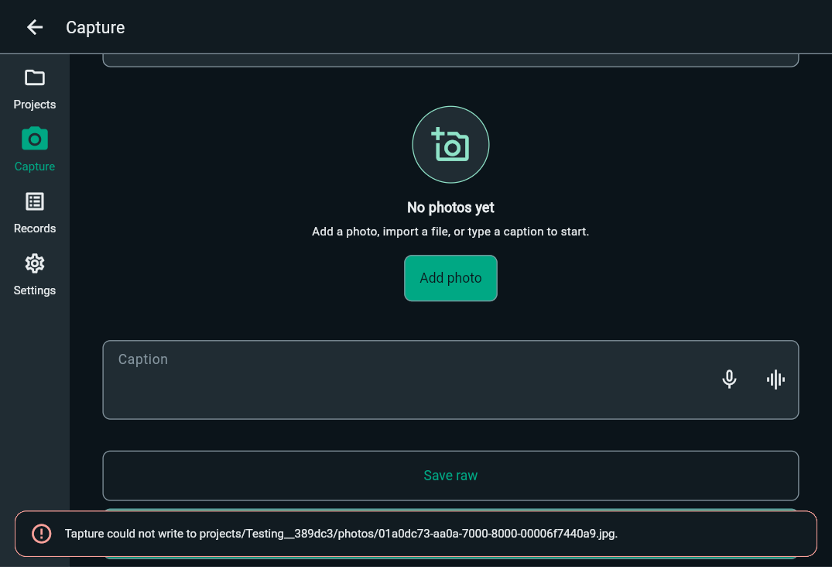
FBK0000005-4 | 26/09/2026 | Projects › Testing › Capture | 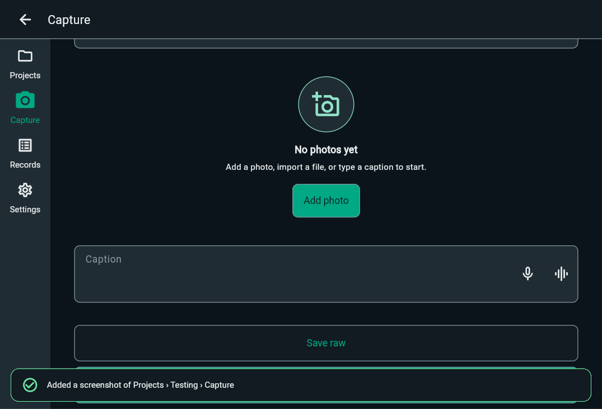
FBK0000004 | 26/09/2026 | Projects › Testing › Capture | 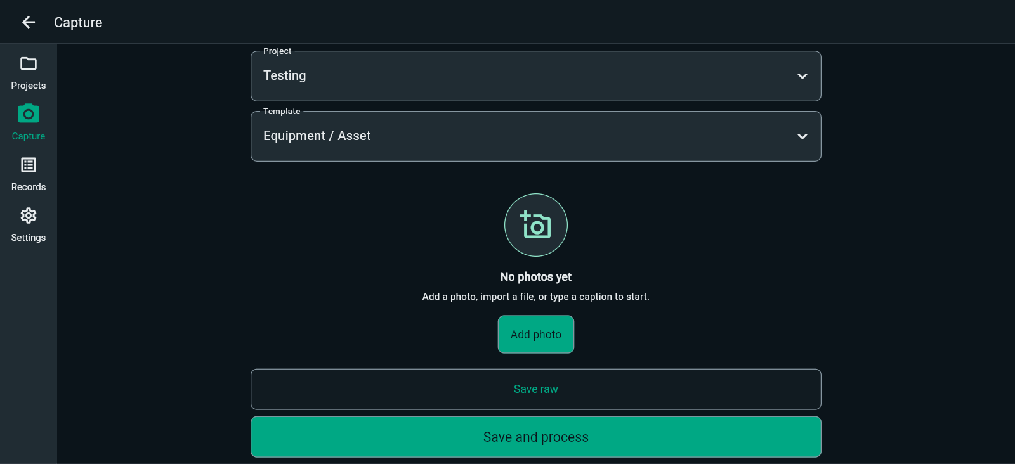
FBK0000003 | 26/09/2026 | Projects › Testing › Templates | 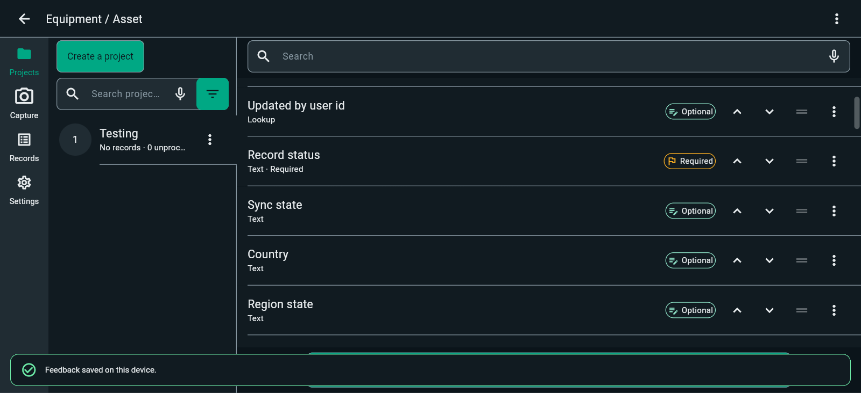
FBK0000002 | 26/09/2026 | Projects › Testing › Templates | 