Screenshots
Feedback ID | Submitted At (EAT) | Screen | Screenshot
FBK0000162 | 27/09/2026 | Projects › UgIFT Asset Verification › Records | 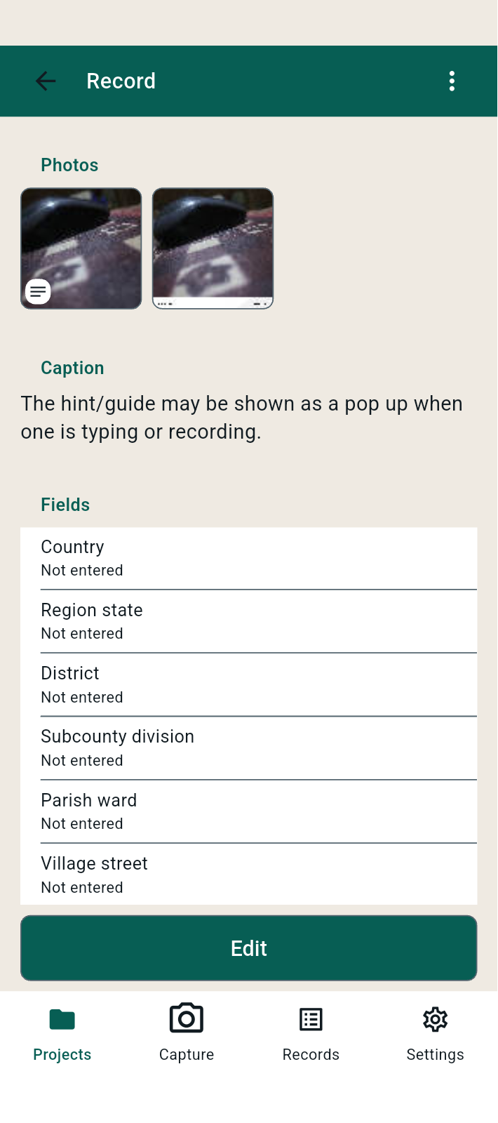
FBK0000161 | 27/09/2026 | Projects › UgIFT Asset Verification › Templates | 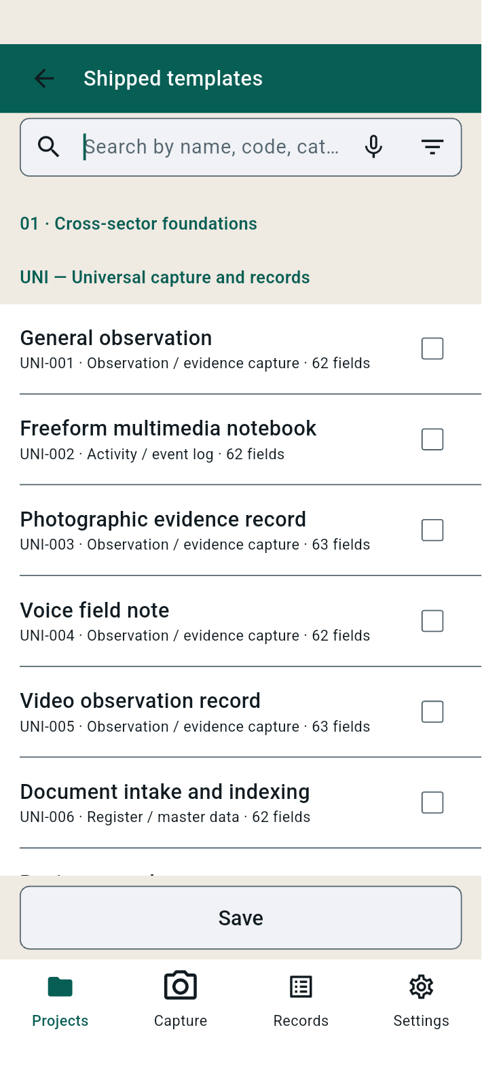
FBK0000160 | 27/09/2026 | Projects › UgIFT Asset Verification › Capture | 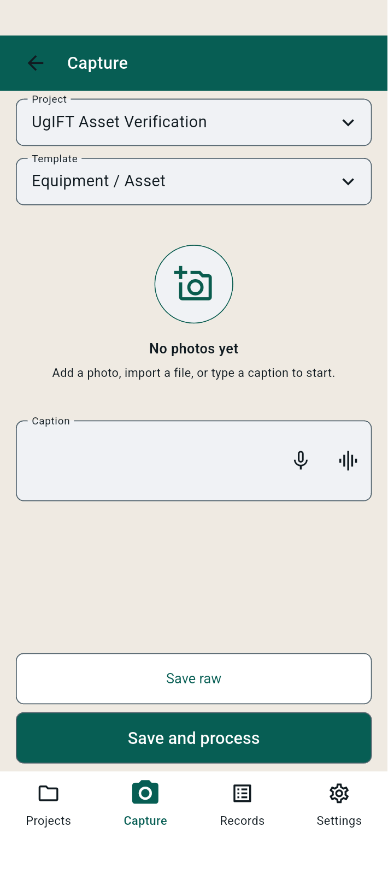
FBK0000159 | 27/09/2026 | Projects › UgIFT Asset Verification › Capture
FBK0000158 | 27/09/2026 | Projects › UgIFT Asset Verification › Capture | 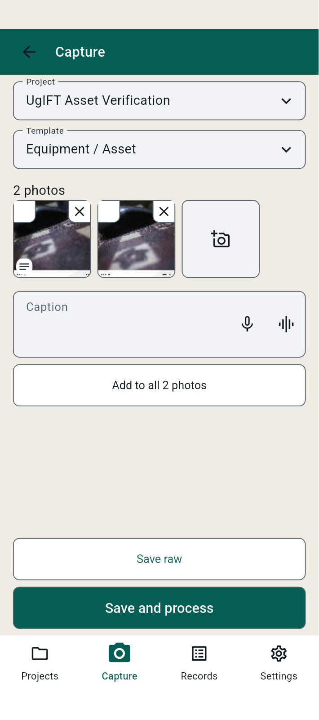
FBK0000157 | 27/09/2026 | Projects › UgIFT Asset Verification › Capture | 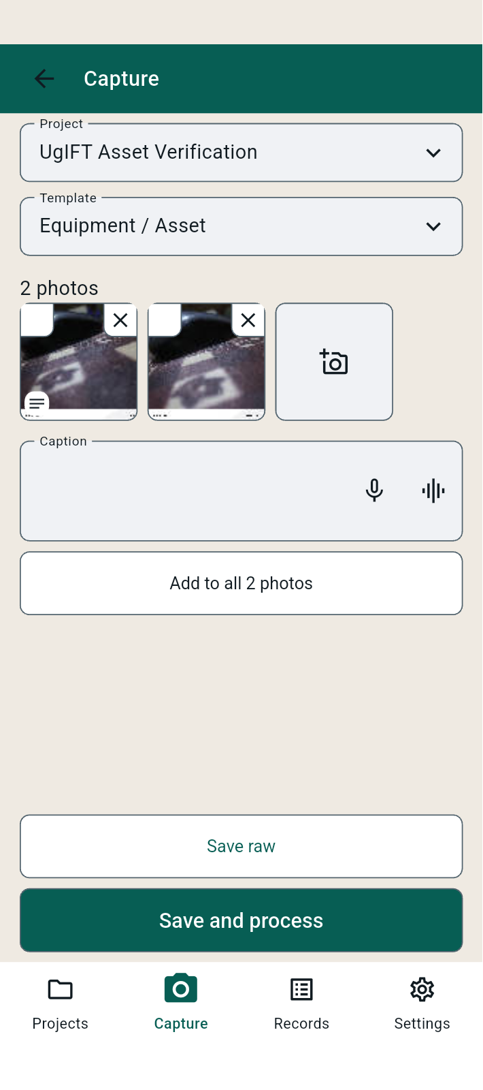
FBK0000156 | 26/09/2026 | Projects › UgIFT Asset Verification › Project details | 