Screenshots
Feedback ID | Submitted At (EAT) | Screen | Screenshot
FBK0000074 | 23/09/2026 | Projects › Nothing | 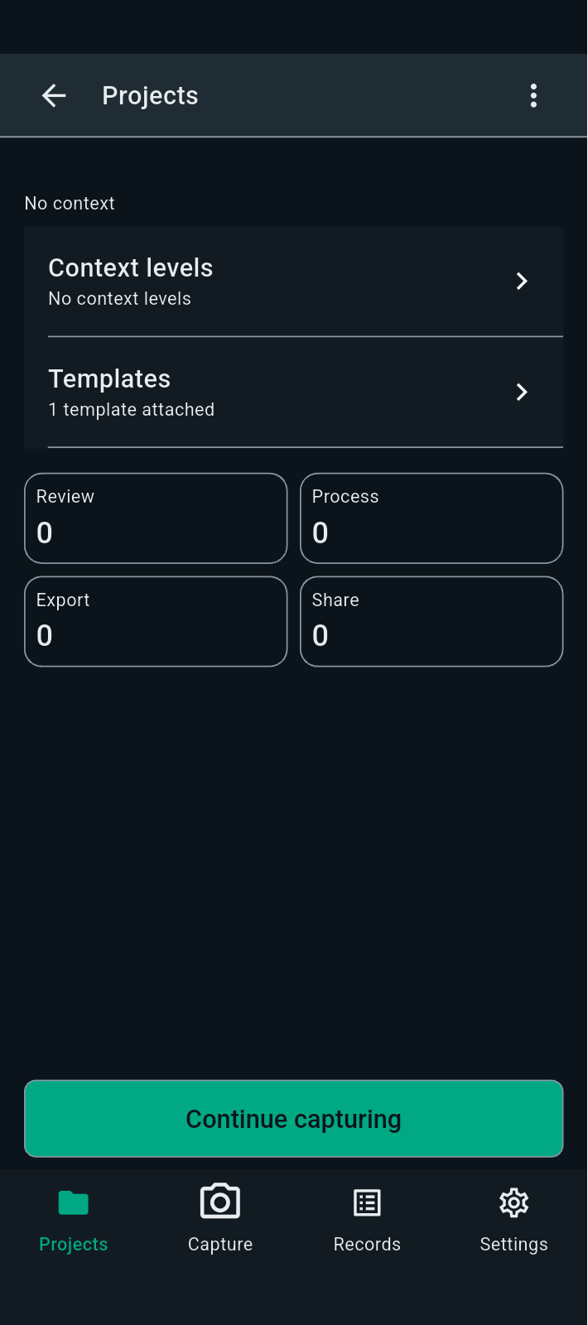
FBK0000073 | 23/09/2026 | Projects › Nothing › Unprocessed | 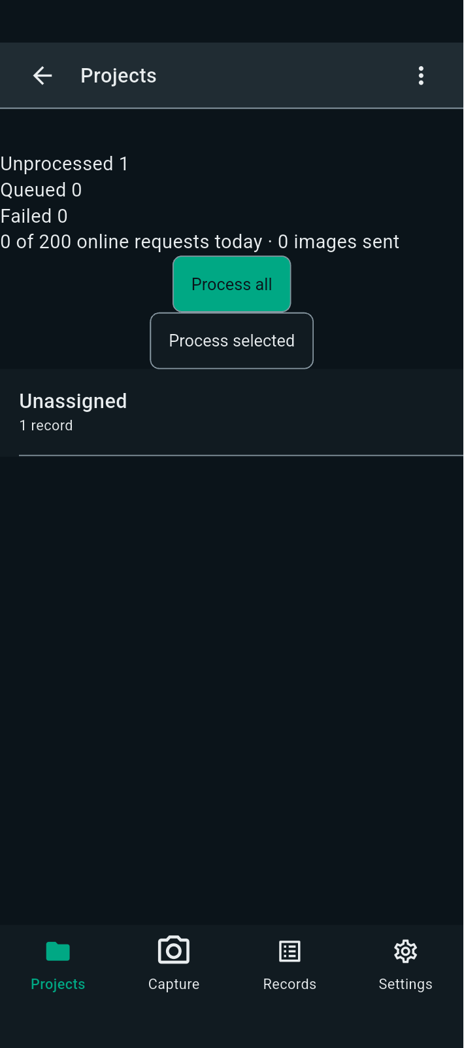
FBK0000072 | 23/09/2026 | Projects | 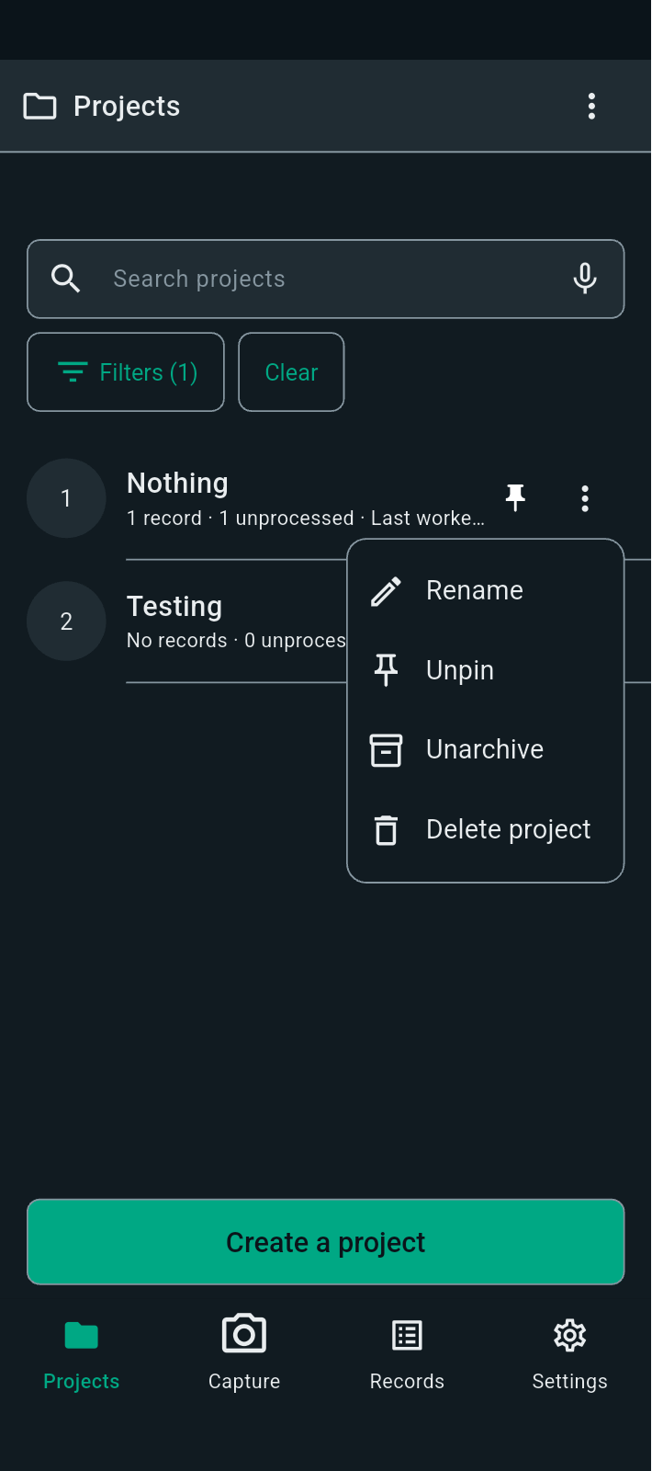
FBK0000071 | 23/09/2026 | Projects › Nothing › Capture | 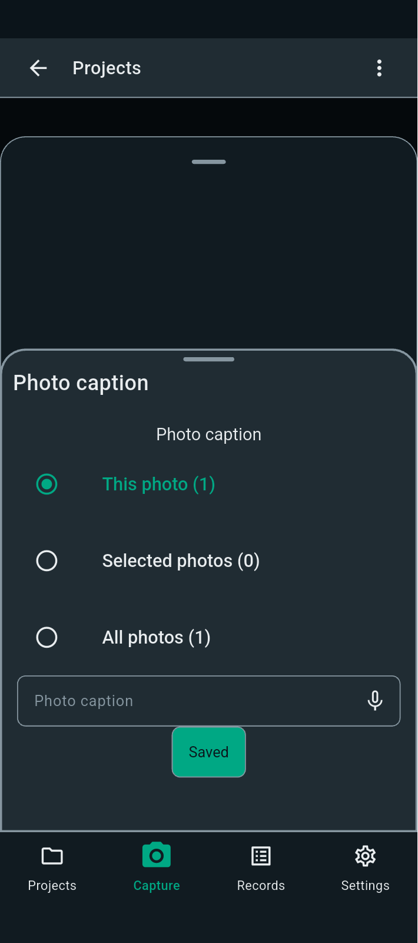
FBK0000070 | 23/09/2026 | Projects › Nothing › Capture | 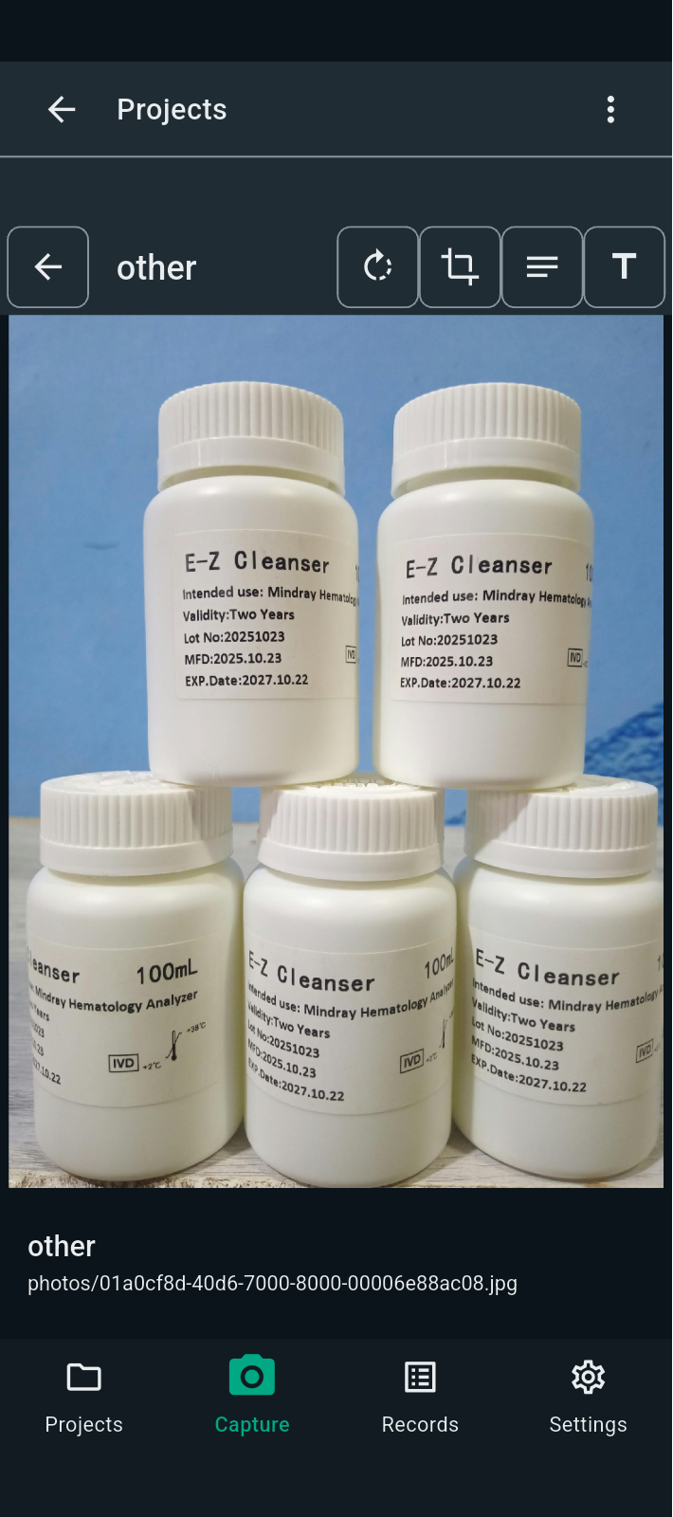
FBK0000069 | 23/09/2026 | Projects › Nothing › Capture | 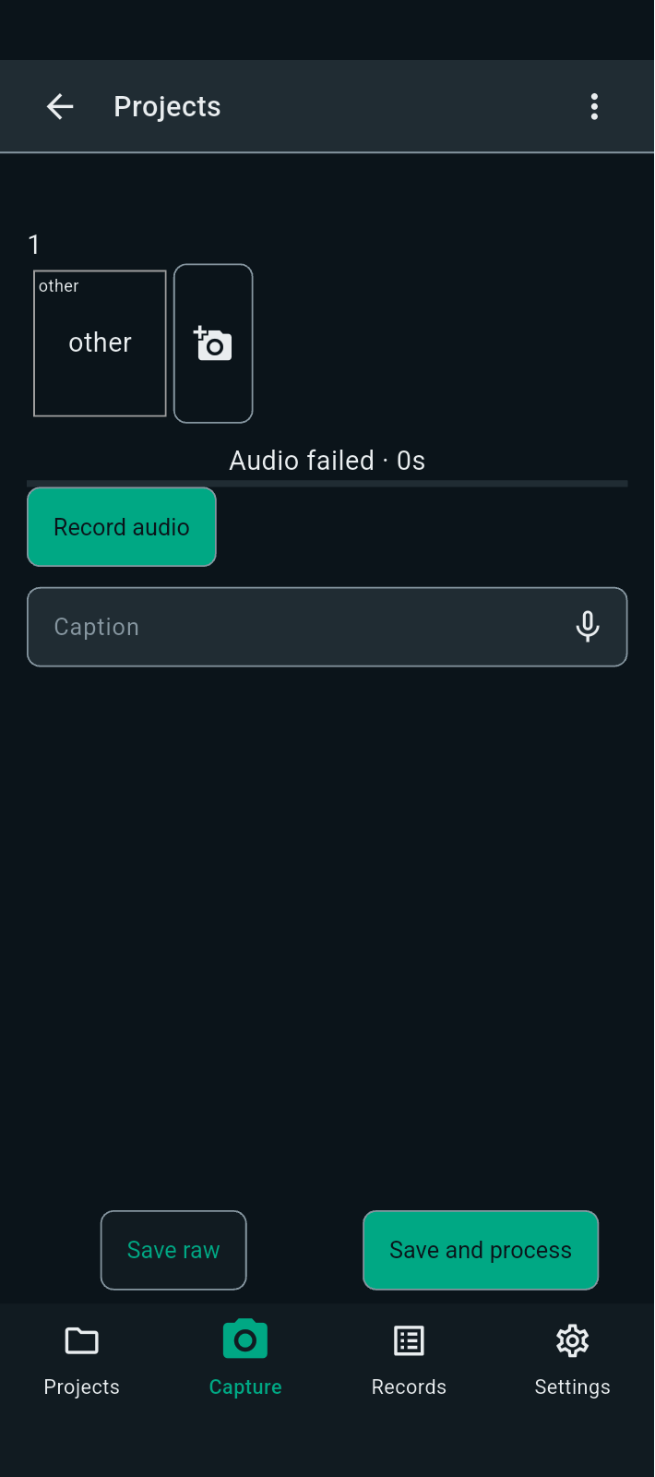
FBK0000068 | 23/09/2026 | Capture | 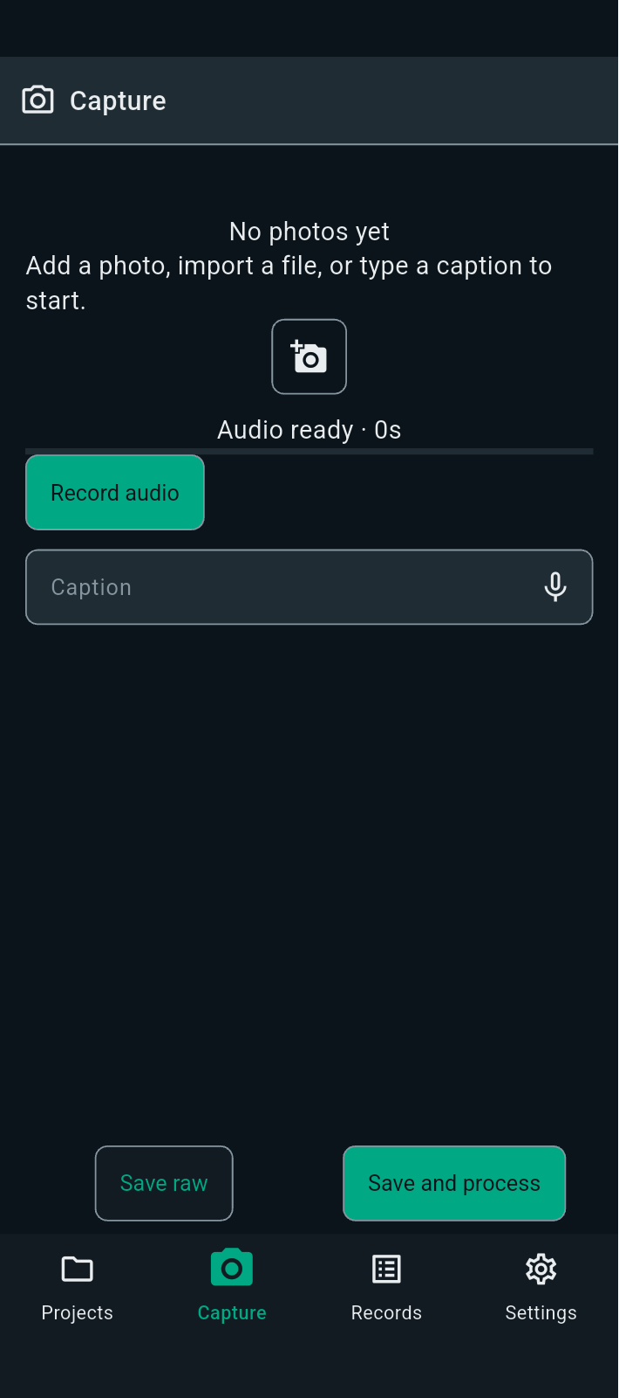
FBK0000067 | 23/09/2026 | Capture
FBK0000066 | 23/09/2026 | Capture | 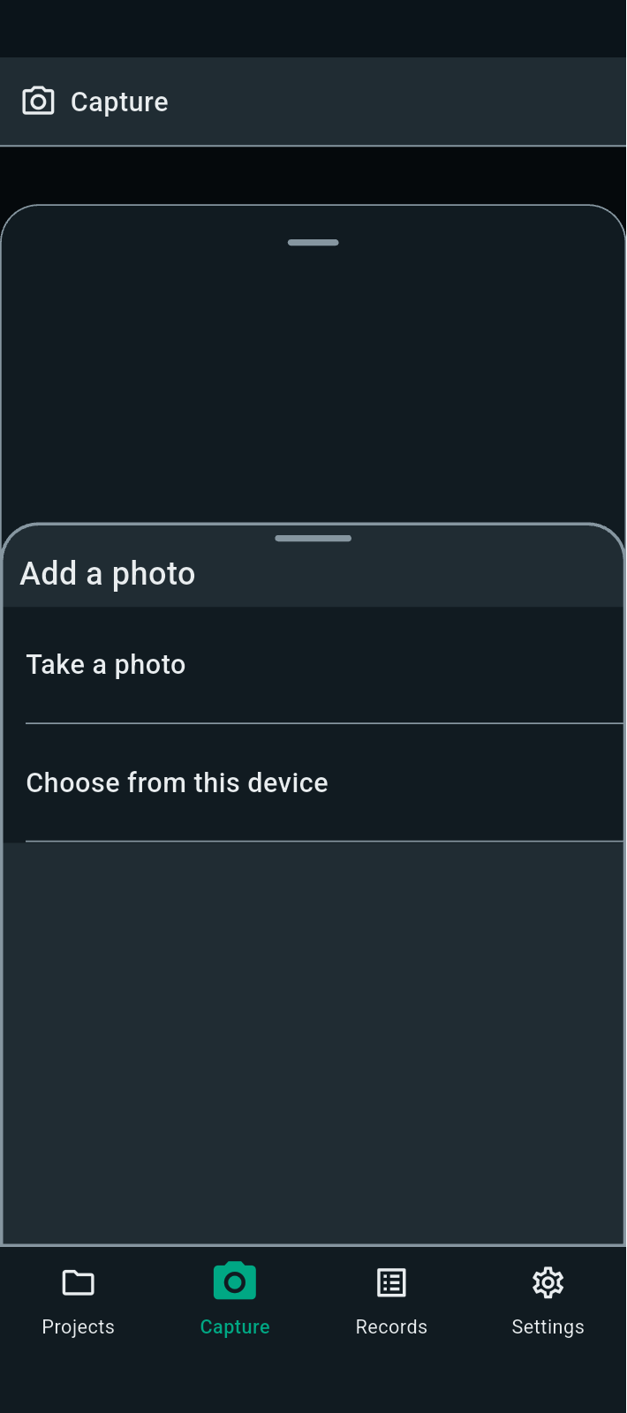
FBK0000065 | 23/09/2026 | Projects › Nothing
FBK0000065-2 | 23/09/2026 | Projects › Nothing | 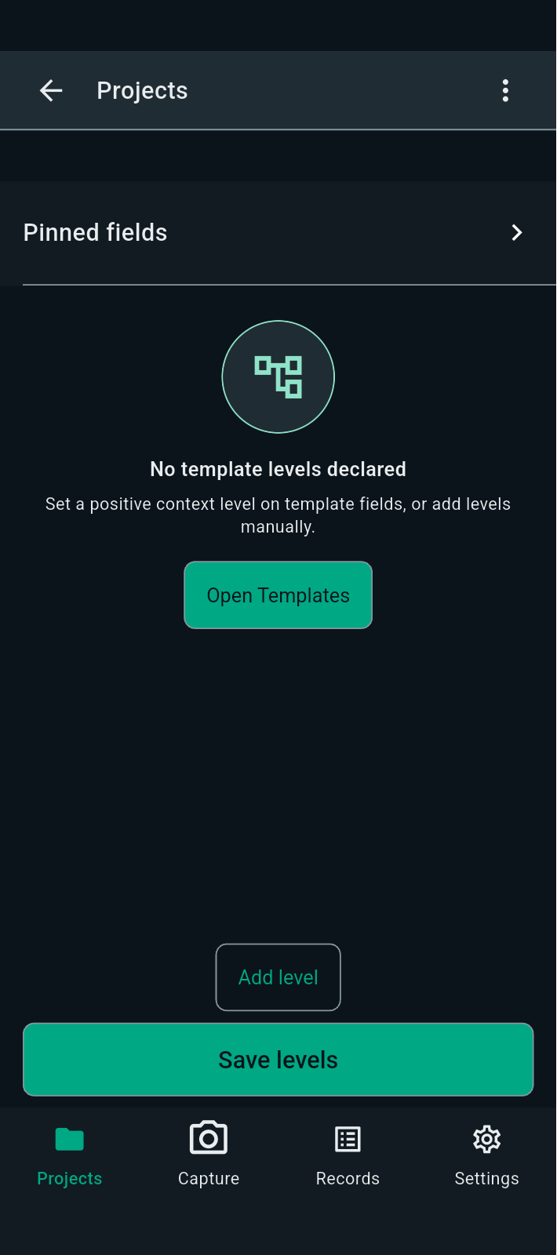
FBK0000065-3 | 23/09/2026 | Projects › Nothing | 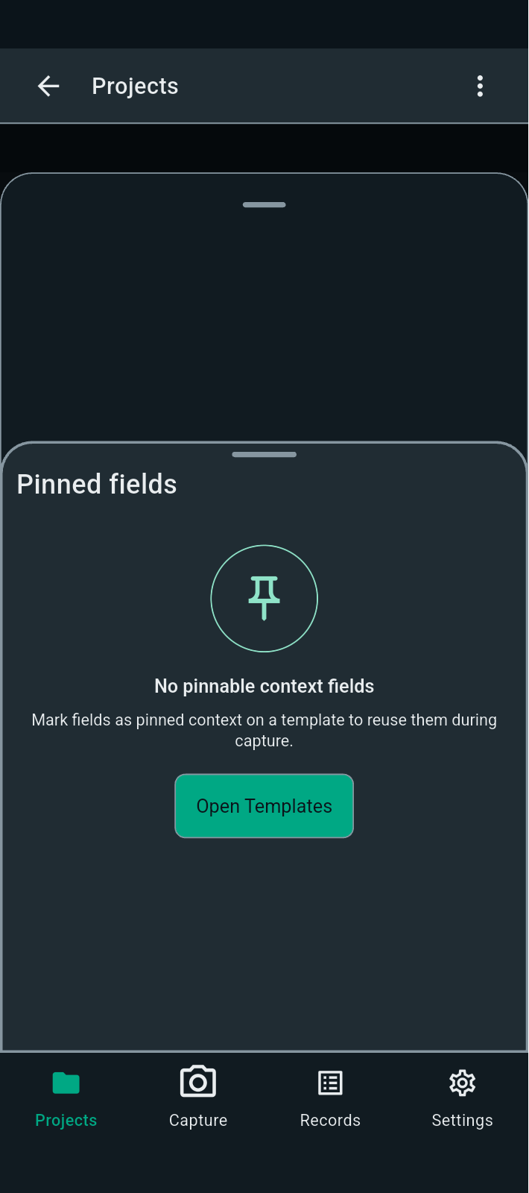
FBK0000064 | 23/09/2026 | unknown | 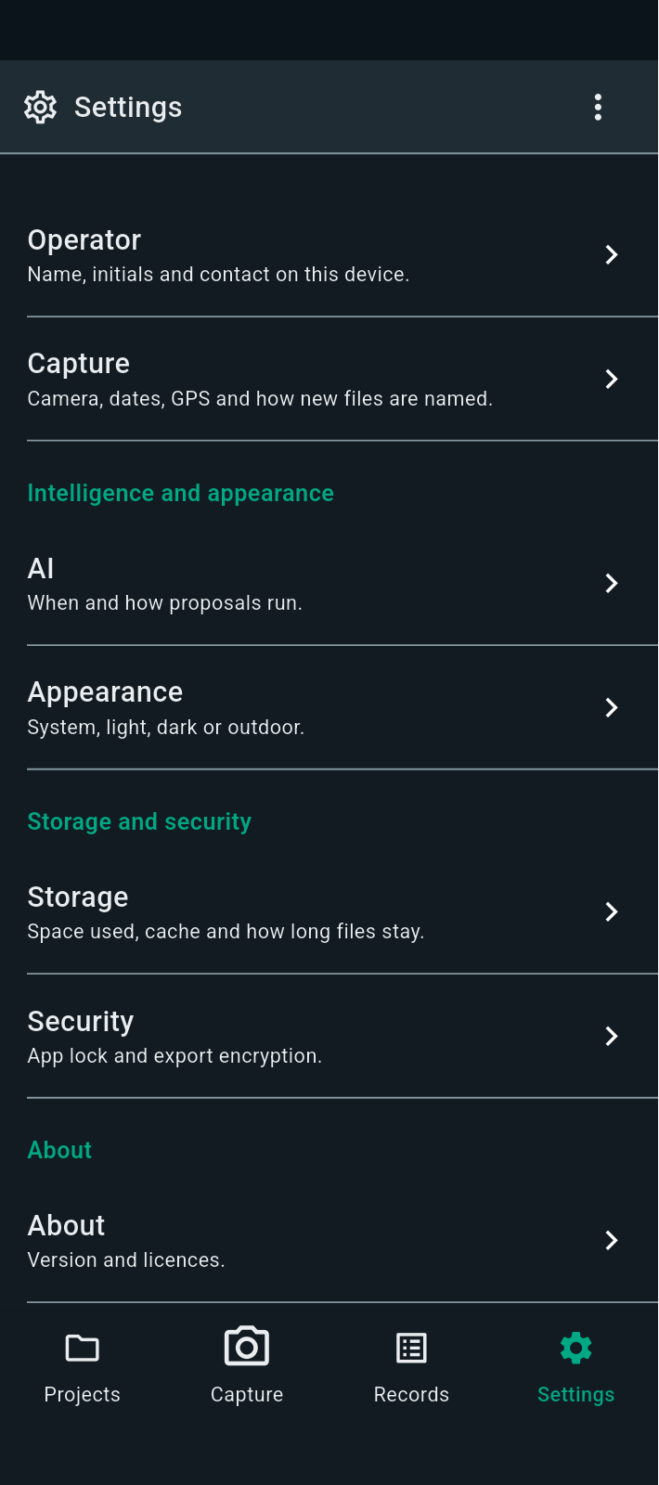
FBK0000063 | 23/09/2026 | unknown | 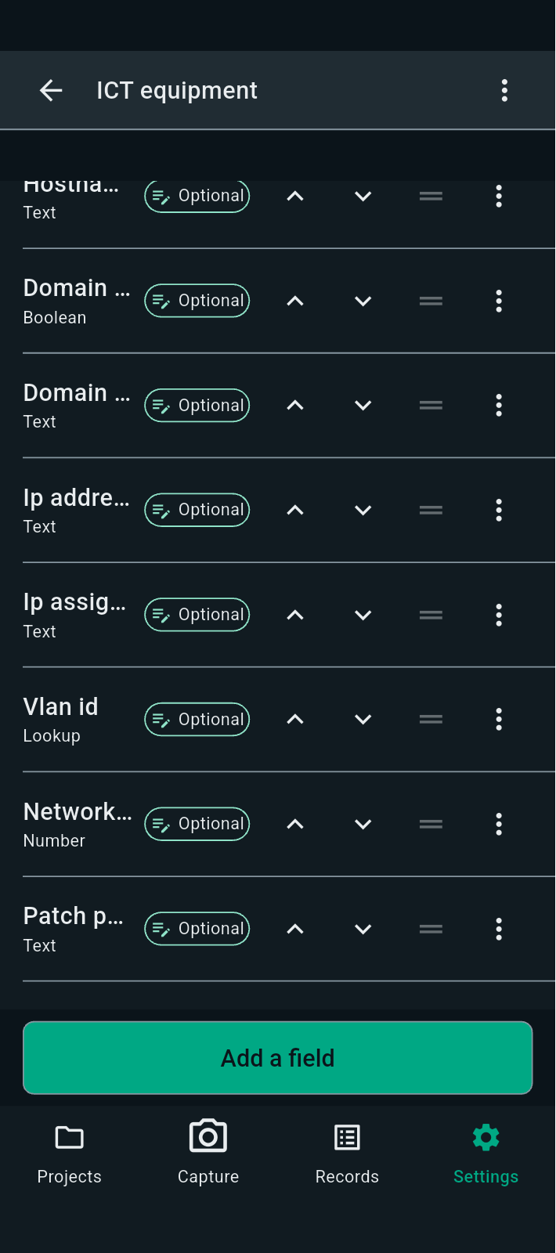
FBK0000062 | 23/09/2026 | unknown | 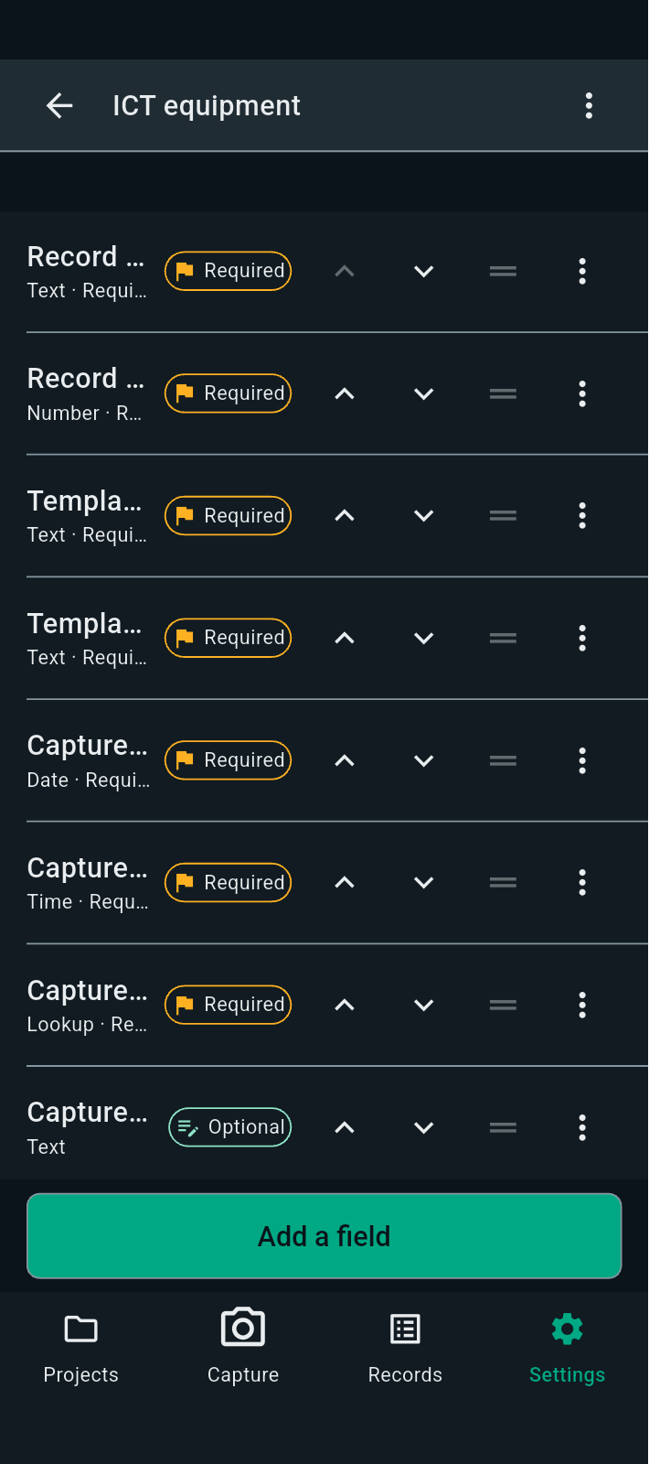
FBK0000061 | 23/09/2026 | unknown
FBK0000060 | 23/09/2026 | unknown | 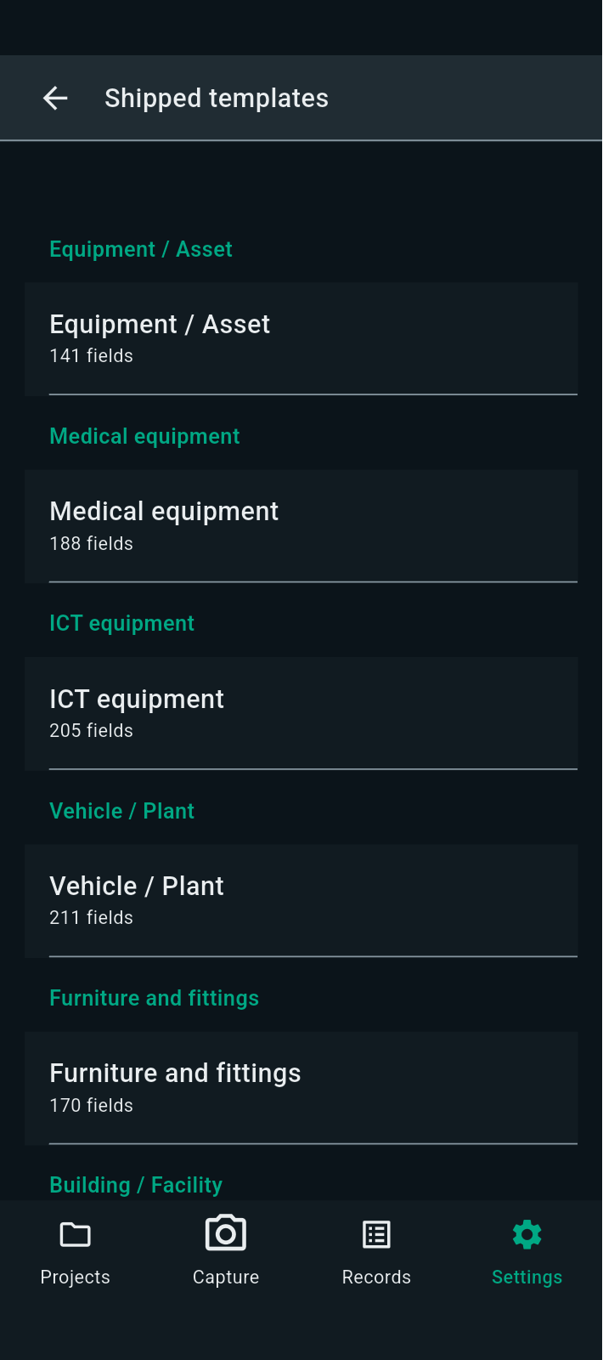
FBK0000059 | 23/09/2026 | Projects › Testing | 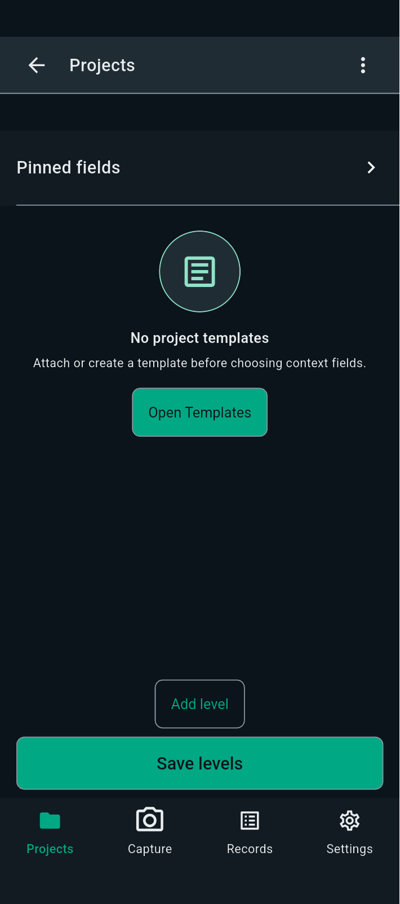
FBK0000058 | 23/09/2026 | Projects › Nothing | 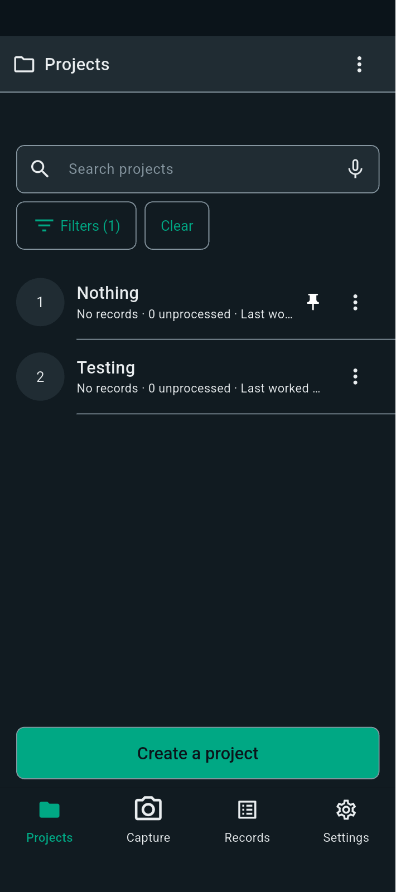
FBK0000057 | 23/09/2026 | Projects | 