Box Elder County
Box Elder County — OZ 2.0 Candidate Tracts — Detail
WFRC & MAG Region | Generated June 01, 2026

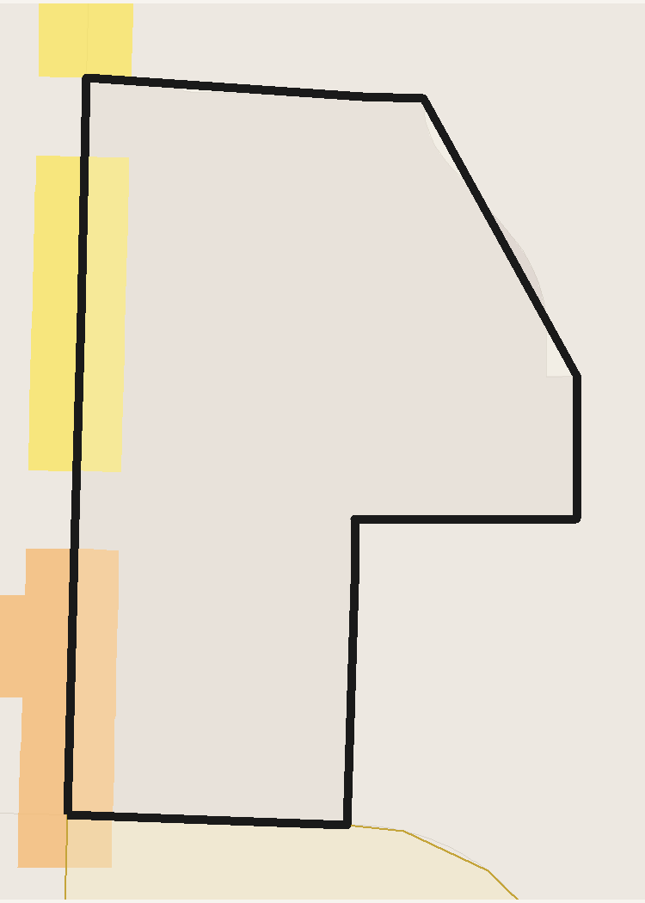
 | TRACT PROFILE | CENTERS & DISTRICTS | HOUSING & DEMOGRAPHICS
 | Population | WC MUorC % Total | Total Units
 | Households | Metropolitan Center | Residential Acres
 | Total Acres | Urban Center | SFD Acres
 | Developable Acres | City Center | MF / SFA Acres
 | OZ 1.0 Acres | Neighborhood Center | Poverty Rate
 | OZ 1.0 % of Tract | Employment District | Unemployment Rate
 |  | Industrial District | Median Family Income
 |  | Retail District
 | TRANSIT ACCESS | AUTO ACCESS | PROJECTED GROWTH 2027-37
 | Rail / BRT Stops | Freeway Exits | Households Added
 | SAP Acres | Exit Distance (mi) | Population Added
 | SAP % of Tract | ATO Jobs (Auto) | Jobs Added
 | ATO Jobs (Transit) | ATO Households (Auto) | ERU Added
 | ATO Households (Transit) |  | ERU per Acre
 | SAP Planned HH/ac

 | INCOME | POVERTY RATE | UNEMPLOYMENT

 | Access to Opportunities (ATO) Composite Score /100

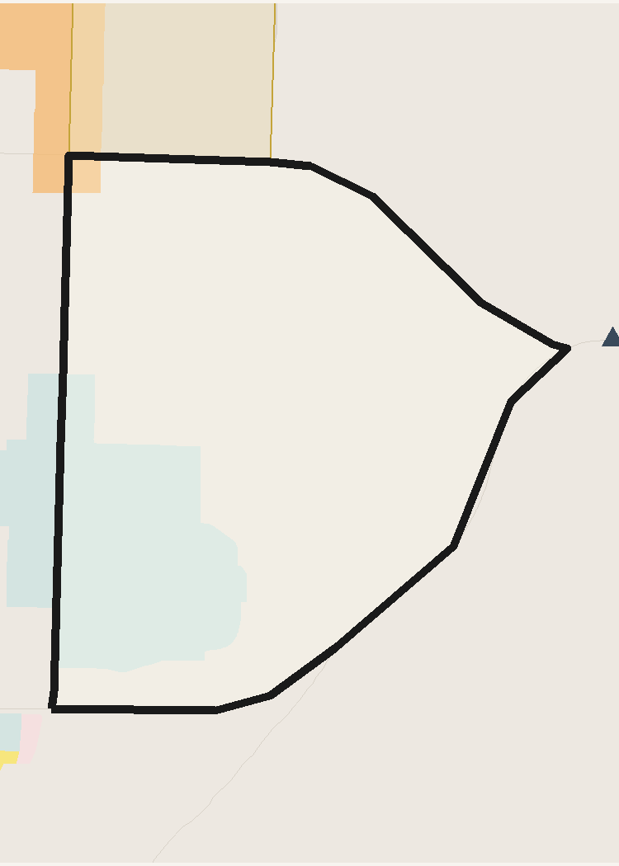
 | TRACT PROFILE | CENTERS & DISTRICTS | HOUSING & DEMOGRAPHICS
 | Population | WC MUorC % Total | Total Units
 | Households | Metropolitan Center | Residential Acres
 | Total Acres | Urban Center | SFD Acres
 | Developable Acres | City Center | MF / SFA Acres
 | OZ 1.0 Acres | Neighborhood Center | Poverty Rate
 | OZ 1.0 % of Tract | Employment District | Unemployment Rate
 |  | Industrial District | Median Family Income
 |  | Retail District
 | TRANSIT ACCESS | AUTO ACCESS | PROJECTED GROWTH 2027-37
 | Rail / BRT Stops | Freeway Exits | Households Added
 | SAP Acres | Exit Distance (mi) | Population Added
 | SAP % of Tract | ATO Jobs (Auto) | Jobs Added
 | ATO Jobs (Transit) | ATO Households (Auto) | ERU Added
 | ATO Households (Transit) |  | ERU per Acre
 | SAP Planned HH/ac

 | INCOME | POVERTY RATE | UNEMPLOYMENT

 | Access to Opportunities (ATO) Composite Score /100

Weber County
Weber County — OZ 2.0 Candidate Tracts — Detail
WFRC & MAG Region | Generated June 01, 2026

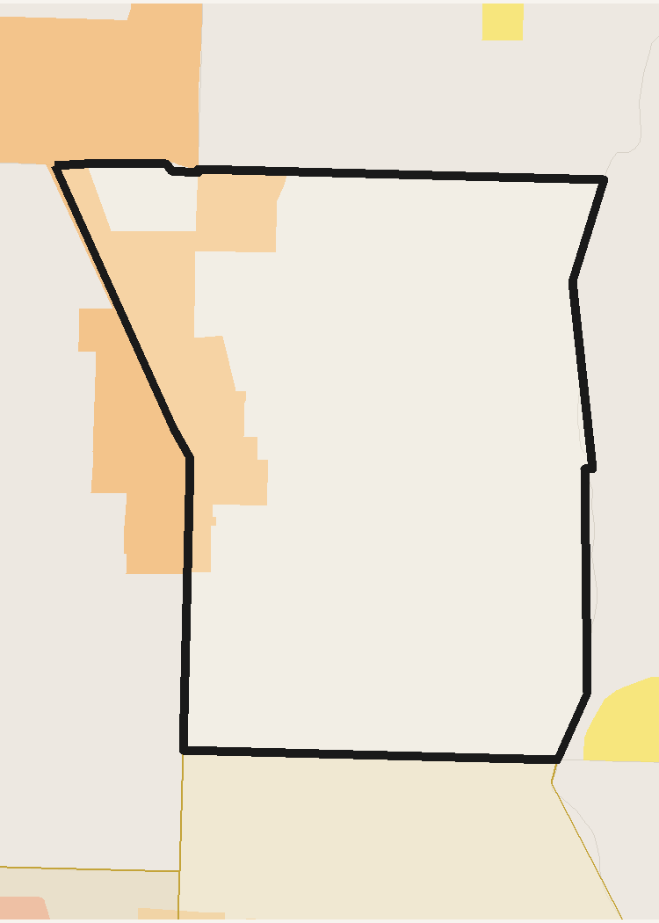
 | TRACT PROFILE | CENTERS & DISTRICTS | HOUSING & DEMOGRAPHICS
 | Population | WC MUorC % Total | Total Units
 | Households | Metropolitan Center | Residential Acres
 | Total Acres | Urban Center | SFD Acres
 | Developable Acres | City Center | MF / SFA Acres
 | OZ 1.0 Acres | Neighborhood Center | Poverty Rate
 | OZ 1.0 % of Tract | Employment District | Unemployment Rate
 |  | Industrial District | Median Family Income
 |  | Retail District
 | TRANSIT ACCESS | AUTO ACCESS | PROJECTED GROWTH 2027-37
 | Rail / BRT Stops | Freeway Exits | Households Added
 | SAP Acres | Exit Distance (mi) | Population Added
 | SAP % of Tract | ATO Jobs (Auto) | Jobs Added
 | ATO Jobs (Transit) | ATO Households (Auto) | ERU Added
 | ATO Households (Transit) |  | ERU per Acre
 | SAP Planned HH/ac

 | INCOME | POVERTY RATE | UNEMPLOYMENT

 | Access to Opportunities (ATO) Composite Score /100

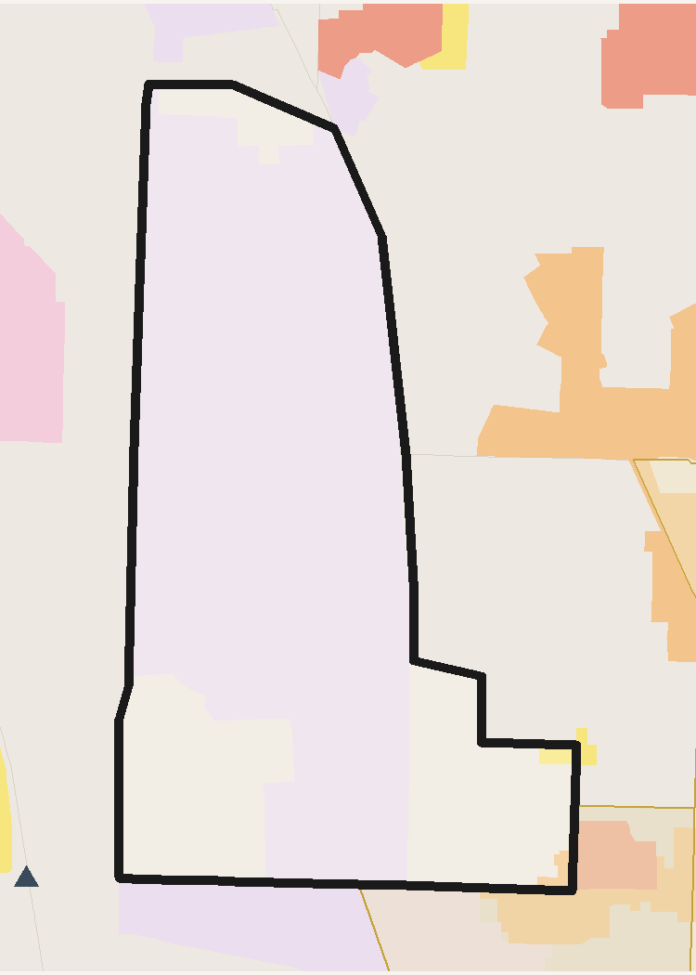
 | TRACT PROFILE | CENTERS & DISTRICTS | HOUSING & DEMOGRAPHICS
 | Population | WC MUorC % Total | Total Units
 | Households | Metropolitan Center | Residential Acres
 | Total Acres | Urban Center | SFD Acres
 | Developable Acres | City Center | MF / SFA Acres
 | OZ 1.0 Acres | Neighborhood Center | Poverty Rate
 | OZ 1.0 % of Tract | Employment District | Unemployment Rate
 |  | Industrial District | Median Family Income
 |  | Retail District
 | TRANSIT ACCESS | AUTO ACCESS | PROJECTED GROWTH 2027-37
 | Rail / BRT Stops | Freeway Exits | Households Added
 | SAP Acres | Exit Distance (mi) | Population Added
 | SAP % of Tract | ATO Jobs (Auto) | Jobs Added
 | ATO Jobs (Transit) | ATO Households (Auto) | ERU Added
 | ATO Households (Transit) |  | ERU per Acre
 | SAP Planned HH/ac

 | INCOME | POVERTY RATE | UNEMPLOYMENT

 | Access to Opportunities (ATO) Composite Score /100

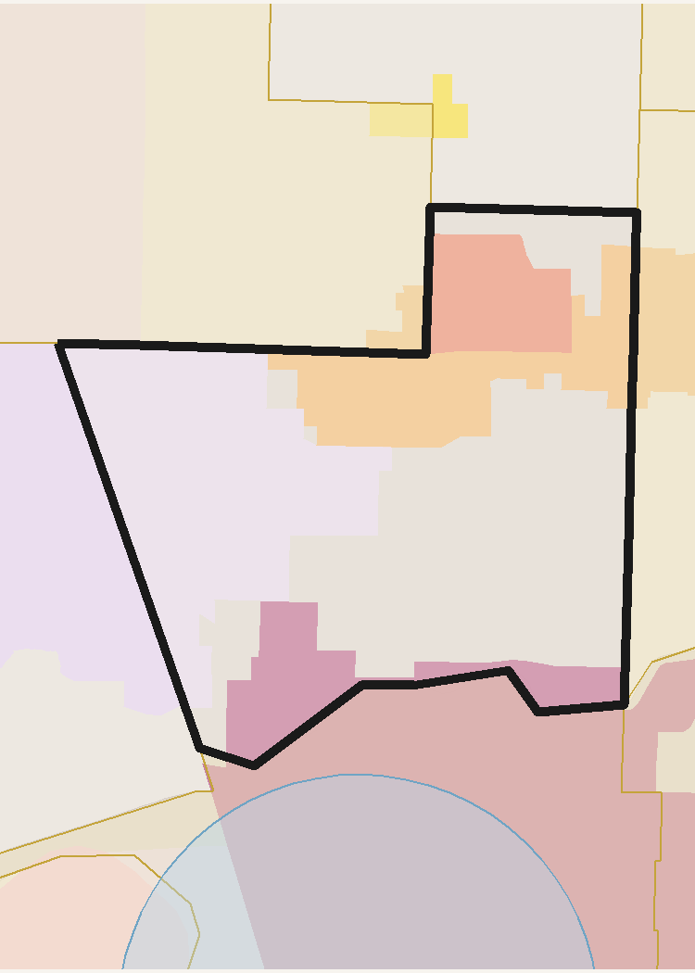
 | TRACT PROFILE | CENTERS & DISTRICTS | HOUSING & DEMOGRAPHICS
 | Population | WC MUorC % Total | Total Units
 | Households | Metropolitan Center | Residential Acres
 | Total Acres | Urban Center | SFD Acres
 | Developable Acres | City Center | MF / SFA Acres
 | OZ 1.0 Acres | Neighborhood Center | Poverty Rate
 | OZ 1.0 % of Tract | Employment District | Unemployment Rate
 |  | Industrial District | Median Family Income
 |  | Retail District
 | TRANSIT ACCESS | AUTO ACCESS | PROJECTED GROWTH 2027-37
 | Rail / BRT Stops | Freeway Exits | Households Added
 | SAP Acres | Exit Distance (mi) | Population Added
 | SAP % of Tract | ATO Jobs (Auto) | Jobs Added
 | ATO Jobs (Transit) | ATO Households (Auto) | ERU Added
 | ATO Households (Transit) |  | ERU per Acre
 | SAP Planned HH/ac

 | INCOME | POVERTY RATE | UNEMPLOYMENT

 | Access to Opportunities (ATO) Composite Score /100

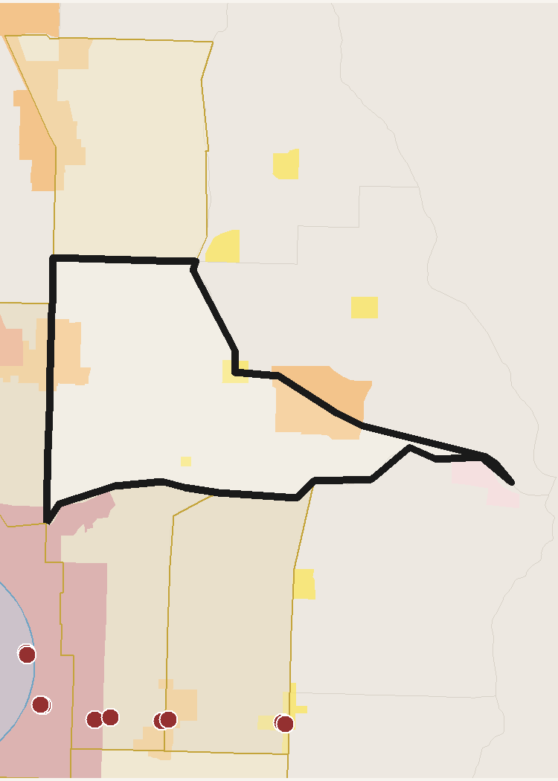
 | TRACT PROFILE | CENTERS & DISTRICTS | HOUSING & DEMOGRAPHICS
 | Population | WC MUorC % Total | Total Units
 | Households | Metropolitan Center | Residential Acres
 | Total Acres | Urban Center | SFD Acres
 | Developable Acres | City Center | MF / SFA Acres
 | OZ 1.0 Acres | Neighborhood Center | Poverty Rate
 | OZ 1.0 % of Tract | Employment District | Unemployment Rate
 |  | Industrial District | Median Family Income
 |  | Retail District
 | TRANSIT ACCESS | AUTO ACCESS | PROJECTED GROWTH 2027-37
 | Rail / BRT Stops | Freeway Exits | Households Added
 | SAP Acres | Exit Distance (mi) | Population Added
 | SAP % of Tract | ATO Jobs (Auto) | Jobs Added
 | ATO Jobs (Transit) | ATO Households (Auto) | ERU Added
 | ATO Households (Transit) |  | ERU per Acre
 | SAP Planned HH/ac

 | INCOME | POVERTY RATE | UNEMPLOYMENT

 | Access to Opportunities (ATO) Composite Score /100

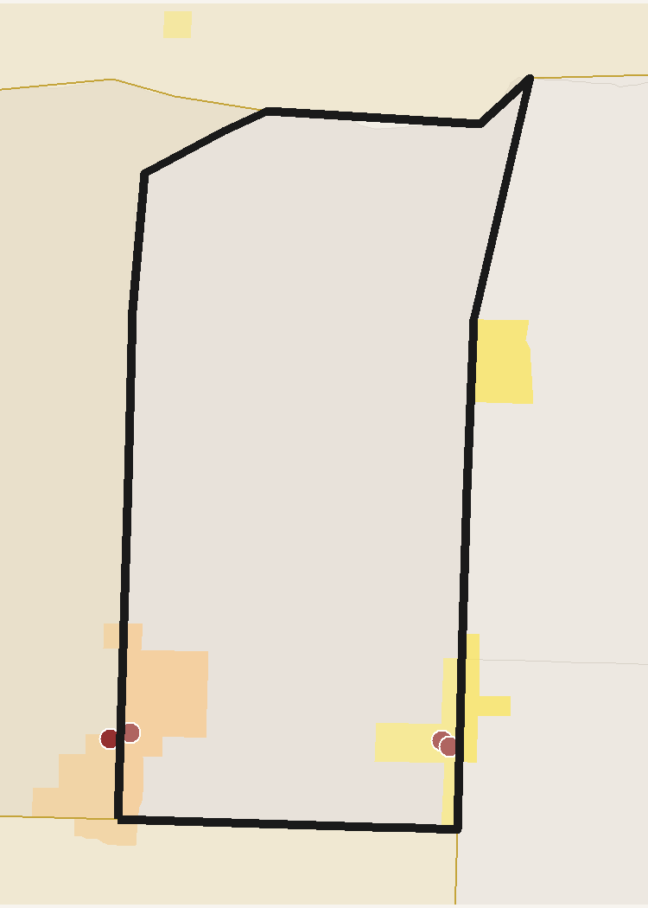
 | TRACT PROFILE | CENTERS & DISTRICTS | HOUSING & DEMOGRAPHICS
 | Population | WC MUorC % Total | Total Units
 | Households | Metropolitan Center | Residential Acres
 | Total Acres | Urban Center | SFD Acres
 | Developable Acres | City Center | MF / SFA Acres
 | OZ 1.0 Acres | Neighborhood Center | Poverty Rate
 | OZ 1.0 % of Tract | Employment District | Unemployment Rate
 |  | Industrial District | Median Family Income
 |  | Retail District
 | TRANSIT ACCESS | AUTO ACCESS | PROJECTED GROWTH 2027-37
 | Rail / BRT Stops | Freeway Exits | Households Added
 | SAP Acres | Exit Distance (mi) | Population Added
 | SAP % of Tract | ATO Jobs (Auto) | Jobs Added
 | ATO Jobs (Transit) | ATO Households (Auto) | ERU Added
 | ATO Households (Transit) |  | ERU per Acre
 | SAP Planned HH/ac

 | INCOME | POVERTY RATE | UNEMPLOYMENT

 | Access to Opportunities (ATO) Composite Score /100

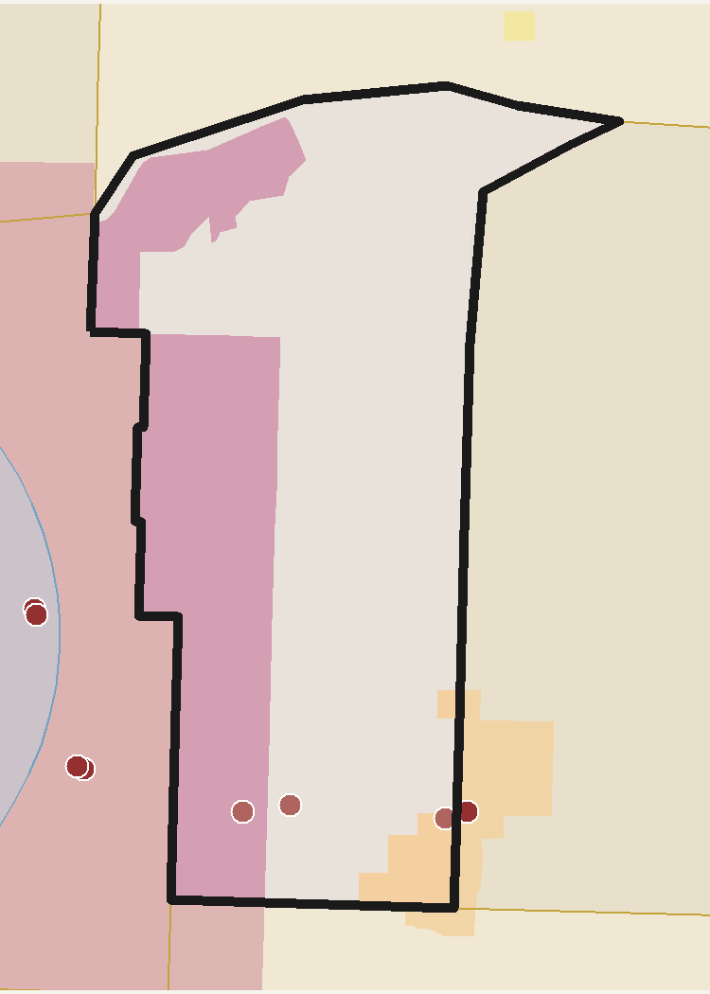
 | TRACT PROFILE | CENTERS & DISTRICTS | HOUSING & DEMOGRAPHICS
 | Population | WC MUorC % Total | Total Units
 | Households | Metropolitan Center | Residential Acres
 | Total Acres | Urban Center | SFD Acres
 | Developable Acres | City Center | MF / SFA Acres
 | OZ 1.0 Acres | Neighborhood Center | Poverty Rate
 | OZ 1.0 % of Tract | Employment District | Unemployment Rate
 |  | Industrial District | Median Family Income
 |  | Retail District
 | TRANSIT ACCESS | AUTO ACCESS | PROJECTED GROWTH 2027-37
 | Rail / BRT Stops | Freeway Exits | Households Added
 | SAP Acres | Exit Distance (mi) | Population Added
 | SAP % of Tract | ATO Jobs (Auto) | Jobs Added
 | ATO Jobs (Transit) | ATO Households (Auto) | ERU Added
 | ATO Households (Transit) |  | ERU per Acre
 | SAP Planned HH/ac

 | INCOME | POVERTY RATE | UNEMPLOYMENT

 | Access to Opportunities (ATO) Composite Score /100

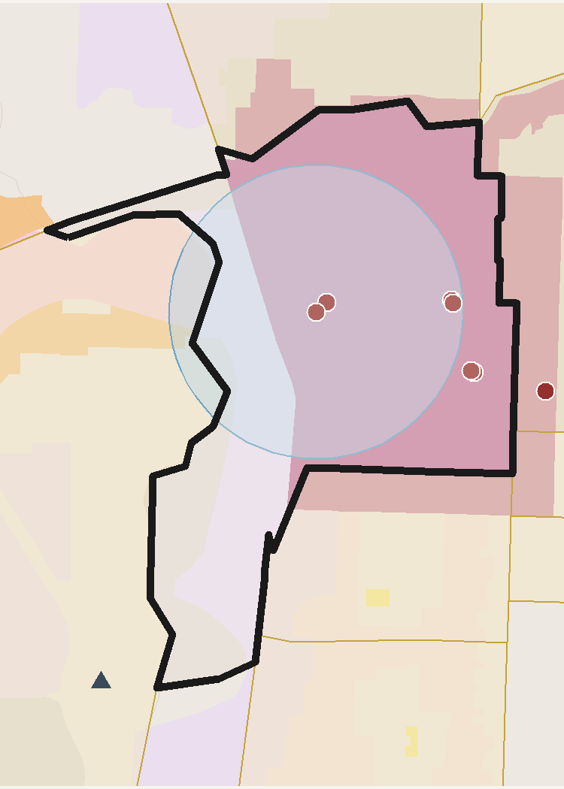
 | TRACT PROFILE | CENTERS & DISTRICTS | HOUSING & DEMOGRAPHICS
 | Population | WC MUorC % Total | Total Units
 | Households | Metropolitan Center | Residential Acres
 | Total Acres | Urban Center | SFD Acres
 | Developable Acres | City Center | MF / SFA Acres
 | OZ 1.0 Acres | Neighborhood Center | Poverty Rate
 | OZ 1.0 % of Tract | Employment District | Unemployment Rate
 |  | Industrial District | Median Family Income
 |  | Retail District
 | TRANSIT ACCESS | AUTO ACCESS | PROJECTED GROWTH 2027-37
 | Rail / BRT Stops | Freeway Exits | Households Added
 | SAP Acres | Exit Distance (mi) | Population Added
 | SAP % of Tract | ATO Jobs (Auto) | Jobs Added
 | ATO Jobs (Transit) | ATO Households (Auto) | ERU Added
 | ATO Households (Transit) |  | ERU per Acre
 | SAP Planned HH/ac

 | INCOME | POVERTY RATE | UNEMPLOYMENT

 | Access to Opportunities (ATO) Composite Score /100

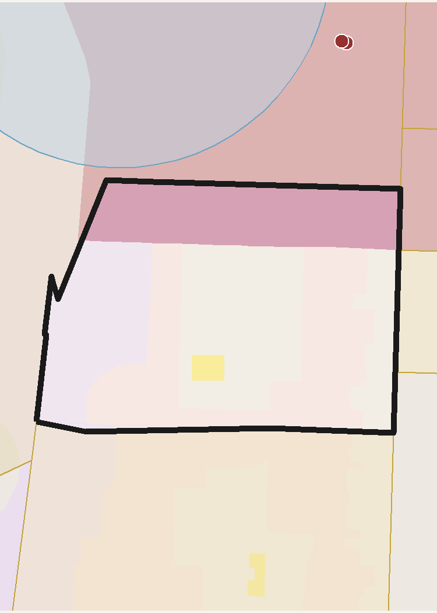
 | TRACT PROFILE | CENTERS & DISTRICTS | HOUSING & DEMOGRAPHICS
 | Population | WC MUorC % Total | Total Units
 | Households | Metropolitan Center | Residential Acres
 | Total Acres | Urban Center | SFD Acres
 | Developable Acres | City Center | MF / SFA Acres
 | OZ 1.0 Acres | Neighborhood Center | Poverty Rate
 | OZ 1.0 % of Tract | Employment District | Unemployment Rate
 |  | Industrial District | Median Family Income
 |  | Retail District
 | TRANSIT ACCESS | AUTO ACCESS | PROJECTED GROWTH 2027-37
 | Rail / BRT Stops | Freeway Exits | Households Added
 | SAP Acres | Exit Distance (mi) | Population Added
 | SAP % of Tract | ATO Jobs (Auto) | Jobs Added
 | ATO Jobs (Transit) | ATO Households (Auto) | ERU Added
 | ATO Households (Transit) |  | ERU per Acre
 | SAP Planned HH/ac

 | INCOME | POVERTY RATE | UNEMPLOYMENT

 | Access to Opportunities (ATO) Composite Score /100

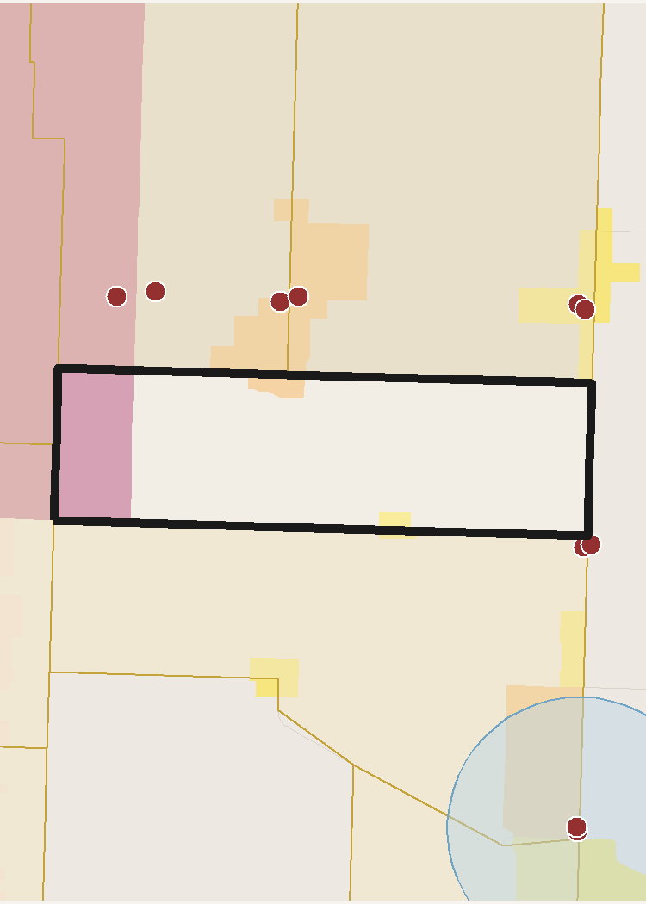
 | TRACT PROFILE | CENTERS & DISTRICTS | HOUSING & DEMOGRAPHICS
 | Population | WC MUorC % Total | Total Units
 | Households | Metropolitan Center | Residential Acres
 | Total Acres | Urban Center | SFD Acres
 | Developable Acres | City Center | MF / SFA Acres
 | OZ 1.0 Acres | Neighborhood Center | Poverty Rate
 | OZ 1.0 % of Tract | Employment District | Unemployment Rate
 |  | Industrial District | Median Family Income
 |  | Retail District
 | TRANSIT ACCESS | AUTO ACCESS | PROJECTED GROWTH 2027-37
 | Rail / BRT Stops | Freeway Exits | Households Added
 | SAP Acres | Exit Distance (mi) | Population Added
 | SAP % of Tract | ATO Jobs (Auto) | Jobs Added
 | ATO Jobs (Transit) | ATO Households (Auto) | ERU Added
 | ATO Households (Transit) |  | ERU per Acre
 | SAP Planned HH/ac

 | INCOME | POVERTY RATE | UNEMPLOYMENT

 | Access to Opportunities (ATO) Composite Score /100

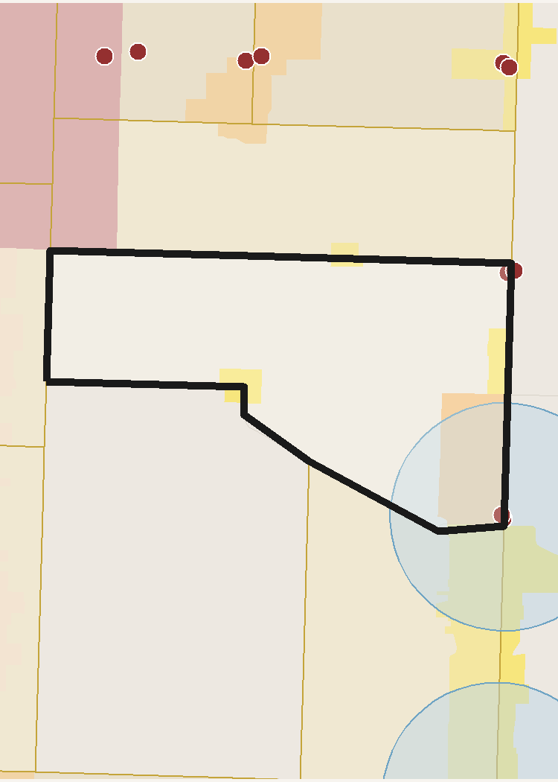
 | TRACT PROFILE | CENTERS & DISTRICTS | HOUSING & DEMOGRAPHICS
 | Population | WC MUorC % Total | Total Units
 | Households | Metropolitan Center | Residential Acres
 | Total Acres | Urban Center | SFD Acres
 | Developable Acres | City Center | MF / SFA Acres
 | OZ 1.0 Acres | Neighborhood Center | Poverty Rate
 | OZ 1.0 % of Tract | Employment District | Unemployment Rate
 |  | Industrial District | Median Family Income
 |  | Retail District
 | TRANSIT ACCESS | AUTO ACCESS | PROJECTED GROWTH 2027-37
 | Rail / BRT Stops | Freeway Exits | Households Added
 | SAP Acres | Exit Distance (mi) | Population Added
 | SAP % of Tract | ATO Jobs (Auto) | Jobs Added
 | ATO Jobs (Transit) | ATO Households (Auto) | ERU Added
 | ATO Households (Transit) |  | ERU per Acre
 | SAP Planned HH/ac

 | INCOME | POVERTY RATE | UNEMPLOYMENT

 | Access to Opportunities (ATO) Composite Score /100

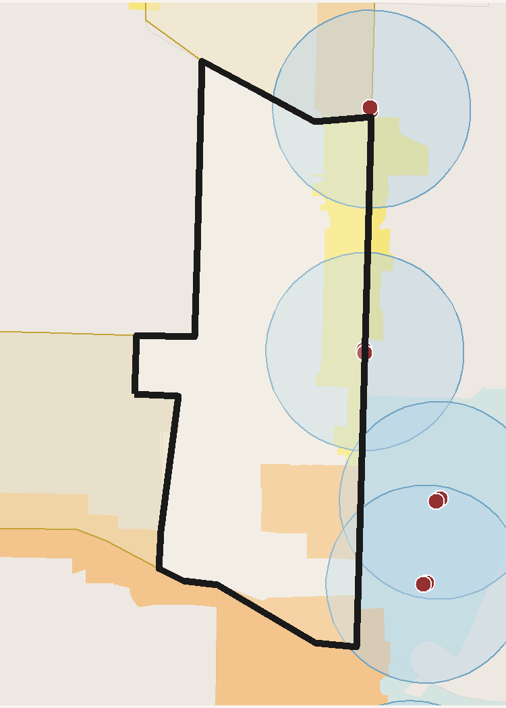
 | TRACT PROFILE | CENTERS & DISTRICTS | HOUSING & DEMOGRAPHICS
 | Population | WC MUorC % Total | Total Units
 | Households | Metropolitan Center | Residential Acres
 | Total Acres | Urban Center | SFD Acres
 | Developable Acres | City Center | MF / SFA Acres
 | OZ 1.0 Acres | Neighborhood Center | Poverty Rate
 | OZ 1.0 % of Tract | Employment District | Unemployment Rate
 |  | Industrial District | Median Family Income
 |  | Retail District
 | TRANSIT ACCESS | AUTO ACCESS | PROJECTED GROWTH 2027-37
 | Rail / BRT Stops | Freeway Exits | Households Added
 | SAP Acres | Exit Distance (mi) | Population Added
 | SAP % of Tract | ATO Jobs (Auto) | Jobs Added
 | ATO Jobs (Transit) | ATO Households (Auto) | ERU Added
 | ATO Households (Transit) |  | ERU per Acre
 | SAP Planned HH/ac

 | INCOME | POVERTY RATE | UNEMPLOYMENT

 | Access to Opportunities (ATO) Composite Score /100

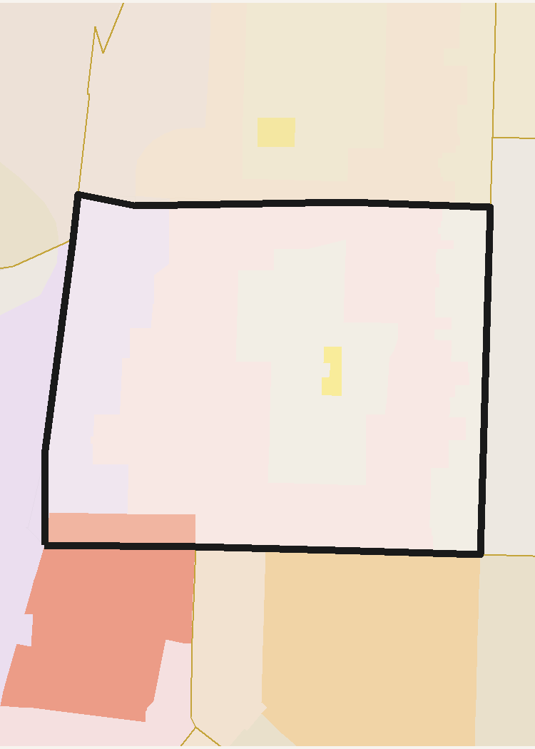
 | TRACT PROFILE | CENTERS & DISTRICTS | HOUSING & DEMOGRAPHICS
 | Population | WC MUorC % Total | Total Units
 | Households | Metropolitan Center | Residential Acres
 | Total Acres | Urban Center | SFD Acres
 | Developable Acres | City Center | MF / SFA Acres
 | OZ 1.0 Acres | Neighborhood Center | Poverty Rate
 | OZ 1.0 % of Tract | Employment District | Unemployment Rate
 |  | Industrial District | Median Family Income
 |  | Retail District
 | TRANSIT ACCESS | AUTO ACCESS | PROJECTED GROWTH 2027-37
 | Rail / BRT Stops | Freeway Exits | Households Added
 | SAP Acres | Exit Distance (mi) | Population Added
 | SAP % of Tract | ATO Jobs (Auto) | Jobs Added
 | ATO Jobs (Transit) | ATO Households (Auto) | ERU Added
 | ATO Households (Transit) |  | ERU per Acre
 | SAP Planned HH/ac

 | INCOME | POVERTY RATE | UNEMPLOYMENT

 | Access to Opportunities (ATO) Composite Score /100

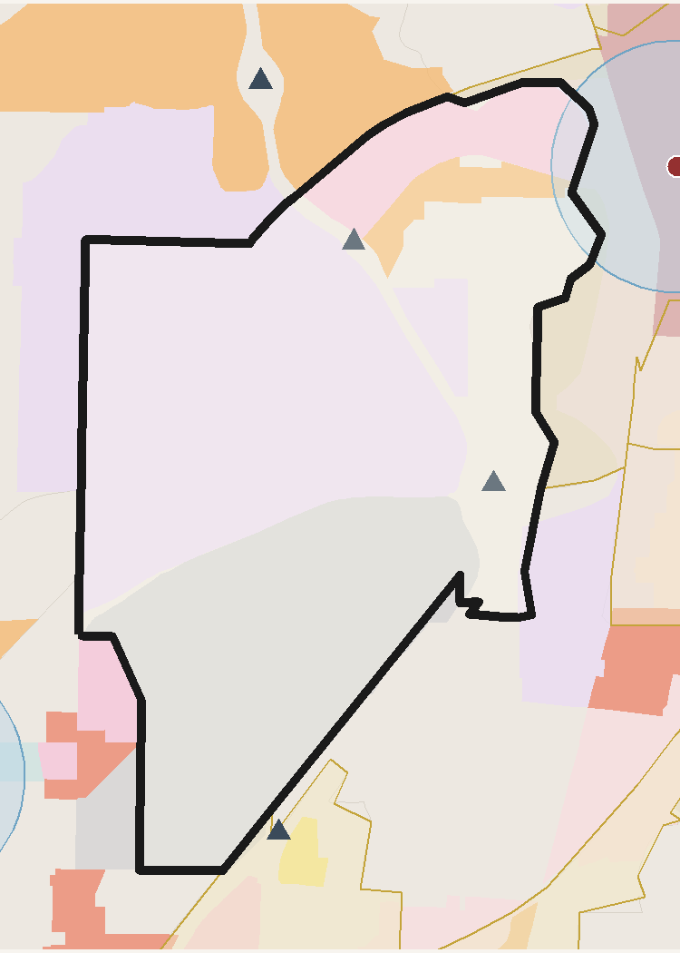
 | TRACT PROFILE | CENTERS & DISTRICTS | HOUSING & DEMOGRAPHICS
 | Population | WC MUorC % Total | Total Units
 | Households | Metropolitan Center | Residential Acres
 | Total Acres | Urban Center | SFD Acres
 | Developable Acres | City Center | MF / SFA Acres
 | OZ 1.0 Acres | Neighborhood Center | Poverty Rate
 | OZ 1.0 % of Tract | Employment District | Unemployment Rate
 |  | Industrial District | Median Family Income
 |  | Retail District
 | TRANSIT ACCESS | AUTO ACCESS | PROJECTED GROWTH 2027-37
 | Rail / BRT Stops | Freeway Exits | Households Added
 | SAP Acres | Exit Distance (mi) | Population Added
 | SAP % of Tract | ATO Jobs (Auto) | Jobs Added
 | ATO Jobs (Transit) | ATO Households (Auto) | ERU Added
 | ATO Households (Transit) |  | ERU per Acre
 | SAP Planned HH/ac

 | INCOME | POVERTY RATE | UNEMPLOYMENT

 | Access to Opportunities (ATO) Composite Score /100

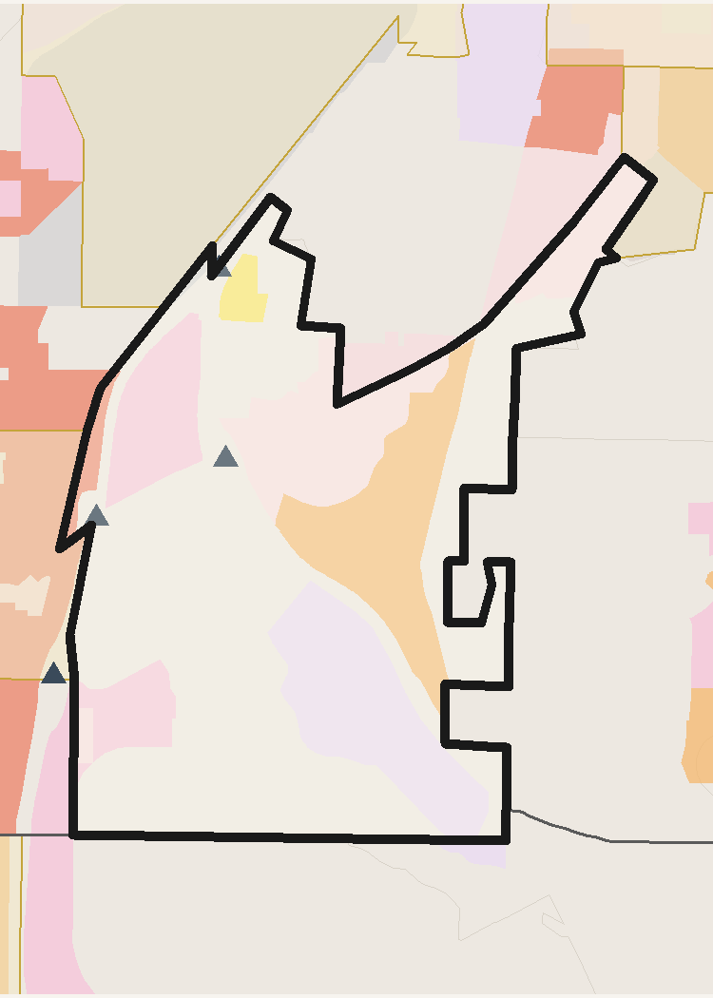
 | TRACT PROFILE | CENTERS & DISTRICTS | HOUSING & DEMOGRAPHICS
 | Population | WC MUorC % Total | Total Units
 | Households | Metropolitan Center | Residential Acres
 | Total Acres | Urban Center | SFD Acres
 | Developable Acres | City Center | MF / SFA Acres
 | OZ 1.0 Acres | Neighborhood Center | Poverty Rate
 | OZ 1.0 % of Tract | Employment District | Unemployment Rate
 |  | Industrial District | Median Family Income
 |  | Retail District
 | TRANSIT ACCESS | AUTO ACCESS | PROJECTED GROWTH 2027-37
 | Rail / BRT Stops | Freeway Exits | Households Added
 | SAP Acres | Exit Distance (mi) | Population Added
 | SAP % of Tract | ATO Jobs (Auto) | Jobs Added
 | ATO Jobs (Transit) | ATO Households (Auto) | ERU Added
 | ATO Households (Transit) |  | ERU per Acre
 | SAP Planned HH/ac

 | INCOME | POVERTY RATE | UNEMPLOYMENT

 | Access to Opportunities (ATO) Composite Score /100

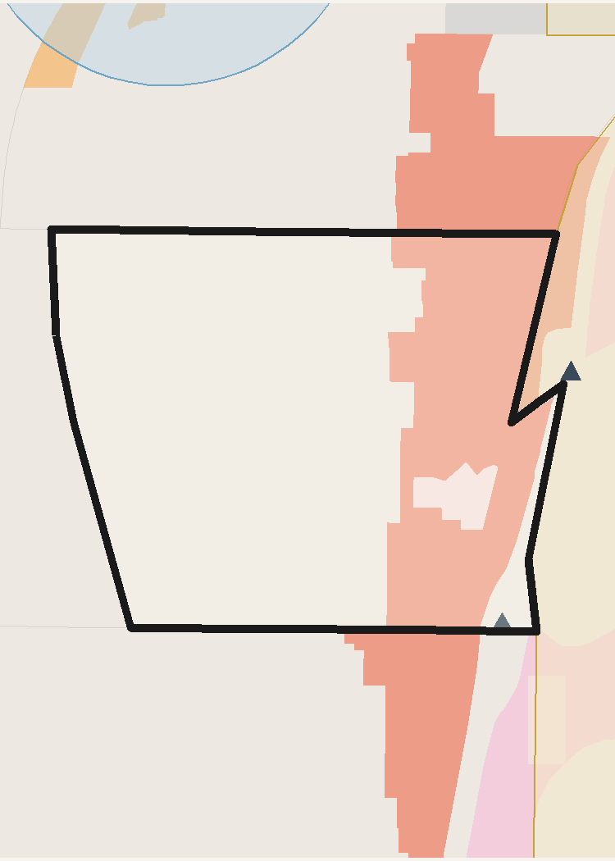
 | TRACT PROFILE | CENTERS & DISTRICTS | HOUSING & DEMOGRAPHICS
 | Population | WC MUorC % Total | Total Units
 | Households | Metropolitan Center | Residential Acres
 | Total Acres | Urban Center | SFD Acres
 | Developable Acres | City Center | MF / SFA Acres
 | OZ 1.0 Acres | Neighborhood Center | Poverty Rate
 | OZ 1.0 % of Tract | Employment District | Unemployment Rate
 |  | Industrial District | Median Family Income
 |  | Retail District
 | TRANSIT ACCESS | AUTO ACCESS | PROJECTED GROWTH 2027-37
 | Rail / BRT Stops | Freeway Exits | Households Added
 | SAP Acres | Exit Distance (mi) | Population Added
 | SAP % of Tract | ATO Jobs (Auto) | Jobs Added
 | ATO Jobs (Transit) | ATO Households (Auto) | ERU Added
 | ATO Households (Transit) |  | ERU per Acre
 | SAP Planned HH/ac

 | INCOME | POVERTY RATE | UNEMPLOYMENT

 | Access to Opportunities (ATO) Composite Score /100

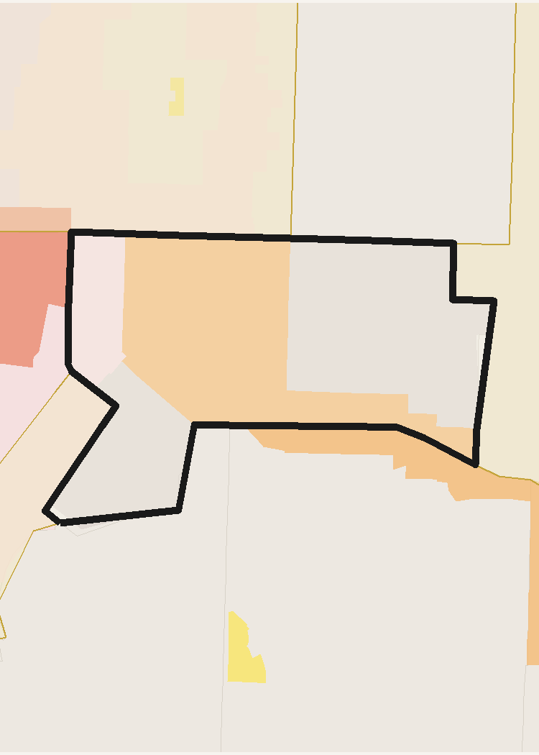
 | TRACT PROFILE | CENTERS & DISTRICTS | HOUSING & DEMOGRAPHICS
 | Population | WC MUorC % Total | Total Units
 | Households | Metropolitan Center | Residential Acres
 | Total Acres | Urban Center | SFD Acres
 | Developable Acres | City Center | MF / SFA Acres
 | OZ 1.0 Acres | Neighborhood Center | Poverty Rate
 | OZ 1.0 % of Tract | Employment District | Unemployment Rate
 |  | Industrial District | Median Family Income
 |  | Retail District
 | TRANSIT ACCESS | AUTO ACCESS | PROJECTED GROWTH 2027-37
 | Rail / BRT Stops | Freeway Exits | Households Added
 | SAP Acres | Exit Distance (mi) | Population Added
 | SAP % of Tract | ATO Jobs (Auto) | Jobs Added
 | ATO Jobs (Transit) | ATO Households (Auto) | ERU Added
 | ATO Households (Transit) |  | ERU per Acre
 | SAP Planned HH/ac

 | INCOME | POVERTY RATE | UNEMPLOYMENT

 | Access to Opportunities (ATO) Composite Score /100

Davis County
Davis County — OZ 2.0 Candidate Tracts — Detail
WFRC & MAG Region | Generated June 01, 2026

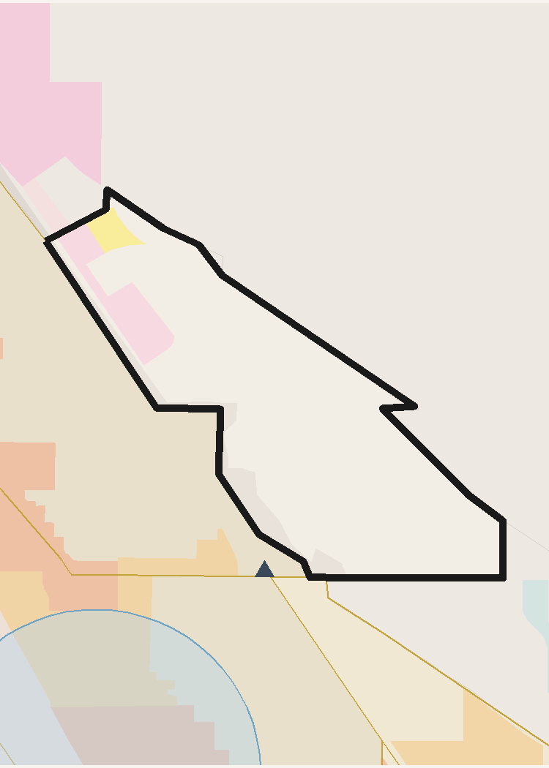
 | TRACT PROFILE | CENTERS & DISTRICTS | HOUSING & DEMOGRAPHICS
 | Population | WC MUorC % Total | Total Units
 | Households | Metropolitan Center | Residential Acres
 | Total Acres | Urban Center | SFD Acres
 | Developable Acres | City Center | MF / SFA Acres
 | OZ 1.0 Acres | Neighborhood Center | Poverty Rate
 | OZ 1.0 % of Tract | Employment District | Unemployment Rate
 |  | Industrial District | Median Family Income
 |  | Retail District
 | TRANSIT ACCESS | AUTO ACCESS | PROJECTED GROWTH 2027-37
 | Rail / BRT Stops | Freeway Exits | Households Added
 | SAP Acres | Exit Distance (mi) | Population Added
 | SAP % of Tract | ATO Jobs (Auto) | Jobs Added
 | ATO Jobs (Transit) | ATO Households (Auto) | ERU Added
 | ATO Households (Transit) |  | ERU per Acre
 | SAP Planned HH/ac

 | INCOME | POVERTY RATE | UNEMPLOYMENT

 | Access to Opportunities (ATO) Composite Score /100

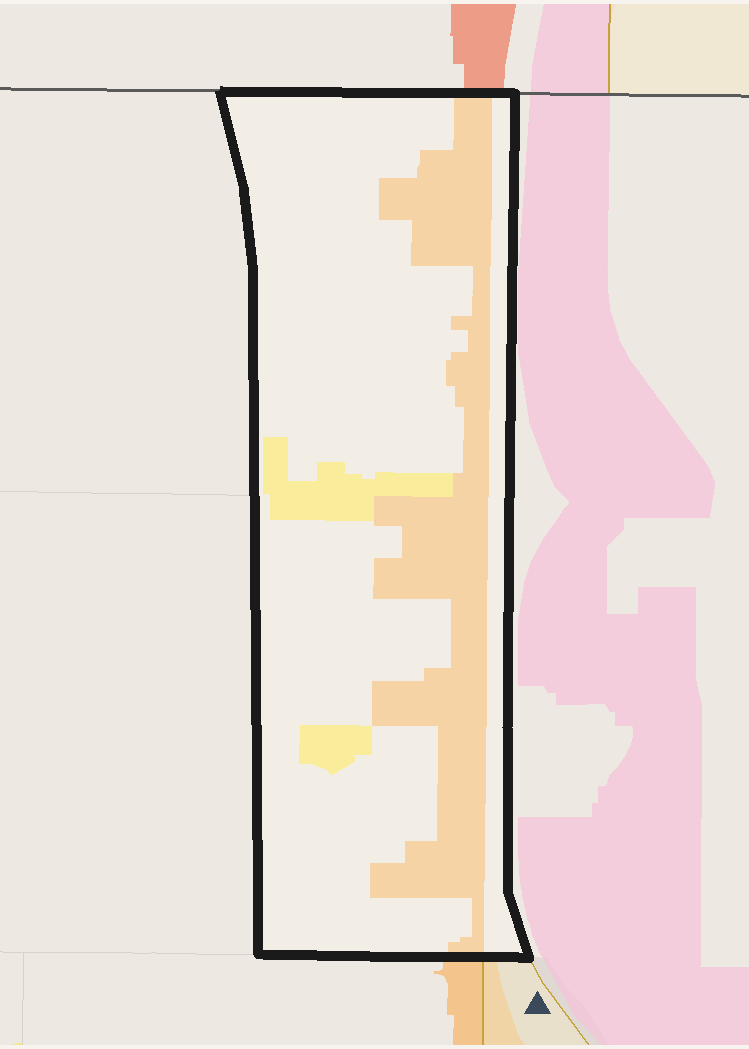
 | TRACT PROFILE | CENTERS & DISTRICTS | HOUSING & DEMOGRAPHICS
 | Population | WC MUorC % Total | Total Units
 | Households | Metropolitan Center | Residential Acres
 | Total Acres | Urban Center | SFD Acres
 | Developable Acres | City Center | MF / SFA Acres
 | OZ 1.0 Acres | Neighborhood Center | Poverty Rate
 | OZ 1.0 % of Tract | Employment District | Unemployment Rate
 |  | Industrial District | Median Family Income
 |  | Retail District
 | TRANSIT ACCESS | AUTO ACCESS | PROJECTED GROWTH 2027-37
 | Rail / BRT Stops | Freeway Exits | Households Added
 | SAP Acres | Exit Distance (mi) | Population Added
 | SAP % of Tract | ATO Jobs (Auto) | Jobs Added
 | ATO Jobs (Transit) | ATO Households (Auto) | ERU Added
 | ATO Households (Transit) |  | ERU per Acre
 | SAP Planned HH/ac

 | INCOME | POVERTY RATE | UNEMPLOYMENT

 | Access to Opportunities (ATO) Composite Score /100

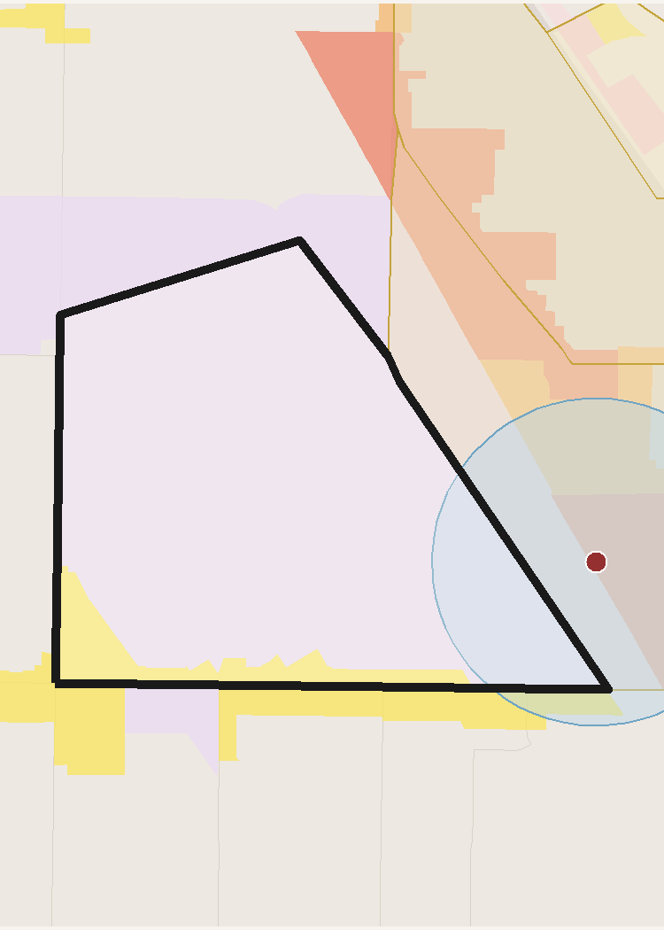
 | TRACT PROFILE | CENTERS & DISTRICTS | HOUSING & DEMOGRAPHICS
 | Population | WC MUorC % Total | Total Units
 | Households | Metropolitan Center | Residential Acres
 | Total Acres | Urban Center | SFD Acres
 | Developable Acres | City Center | MF / SFA Acres
 | OZ 1.0 Acres | Neighborhood Center | Poverty Rate
 | OZ 1.0 % of Tract | Employment District | Unemployment Rate
 |  | Industrial District | Median Family Income
 |  | Retail District
 | TRANSIT ACCESS | AUTO ACCESS | PROJECTED GROWTH 2027-37
 | Rail / BRT Stops | Freeway Exits | Households Added
 | SAP Acres | Exit Distance (mi) | Population Added
 | SAP % of Tract | ATO Jobs (Auto) | Jobs Added
 | ATO Jobs (Transit) | ATO Households (Auto) | ERU Added
 | ATO Households (Transit) |  | ERU per Acre
 | SAP Planned HH/ac

 | INCOME | POVERTY RATE | UNEMPLOYMENT

 | Access to Opportunities (ATO) Composite Score /100

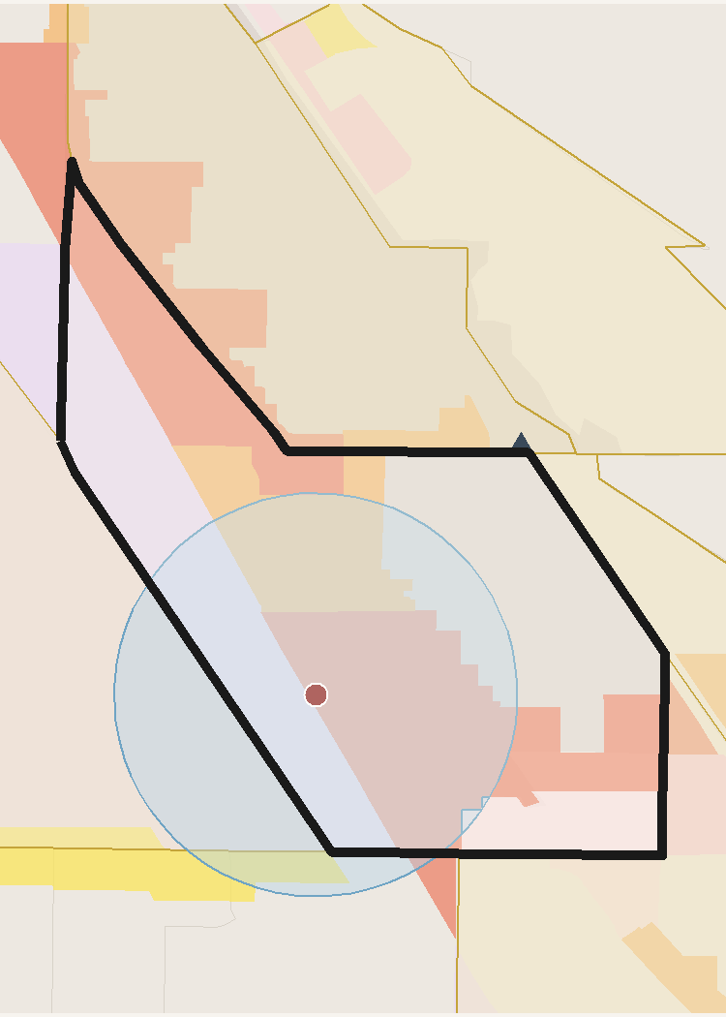
 | TRACT PROFILE | CENTERS & DISTRICTS | HOUSING & DEMOGRAPHICS
 | Population | WC MUorC % Total | Total Units
 | Households | Metropolitan Center | Residential Acres
 | Total Acres | Urban Center | SFD Acres
 | Developable Acres | City Center | MF / SFA Acres
 | OZ 1.0 Acres | Neighborhood Center | Poverty Rate
 | OZ 1.0 % of Tract | Employment District | Unemployment Rate
 |  | Industrial District | Median Family Income
 |  | Retail District
 | TRANSIT ACCESS | AUTO ACCESS | PROJECTED GROWTH 2027-37
 | Rail / BRT Stops | Freeway Exits | Households Added
 | SAP Acres | Exit Distance (mi) | Population Added
 | SAP % of Tract | ATO Jobs (Auto) | Jobs Added
 | ATO Jobs (Transit) | ATO Households (Auto) | ERU Added
 | ATO Households (Transit) |  | ERU per Acre
 | SAP Planned HH/ac

 | INCOME | POVERTY RATE | UNEMPLOYMENT

 | Access to Opportunities (ATO) Composite Score /100

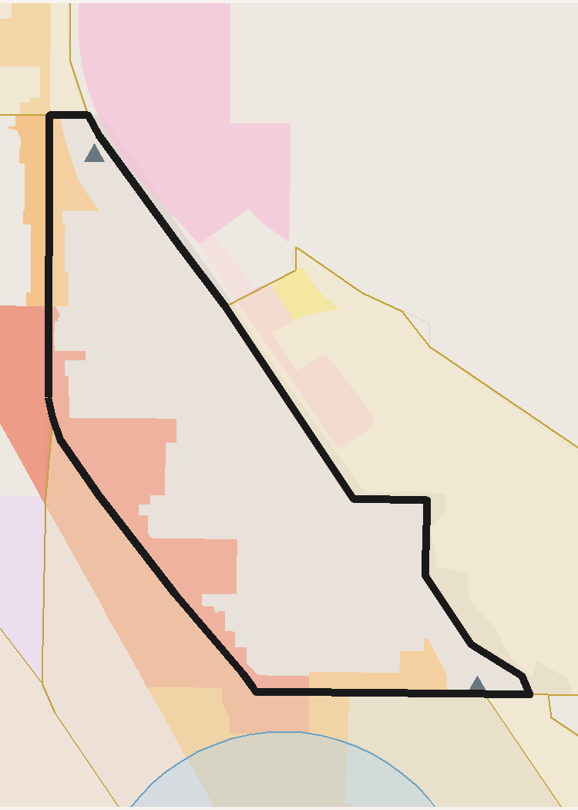
 | TRACT PROFILE | CENTERS & DISTRICTS | HOUSING & DEMOGRAPHICS
 | Population | WC MUorC % Total | Total Units
 | Households | Metropolitan Center | Residential Acres
 | Total Acres | Urban Center | SFD Acres
 | Developable Acres | City Center | MF / SFA Acres
 | OZ 1.0 Acres | Neighborhood Center | Poverty Rate
 | OZ 1.0 % of Tract | Employment District | Unemployment Rate
 |  | Industrial District | Median Family Income
 |  | Retail District
 | TRANSIT ACCESS | AUTO ACCESS | PROJECTED GROWTH 2027-37
 | Rail / BRT Stops | Freeway Exits | Households Added
 | SAP Acres | Exit Distance (mi) | Population Added
 | SAP % of Tract | ATO Jobs (Auto) | Jobs Added
 | ATO Jobs (Transit) | ATO Households (Auto) | ERU Added
 | ATO Households (Transit) |  | ERU per Acre
 | SAP Planned HH/ac

 | INCOME | POVERTY RATE | UNEMPLOYMENT

 | Access to Opportunities (ATO) Composite Score /100

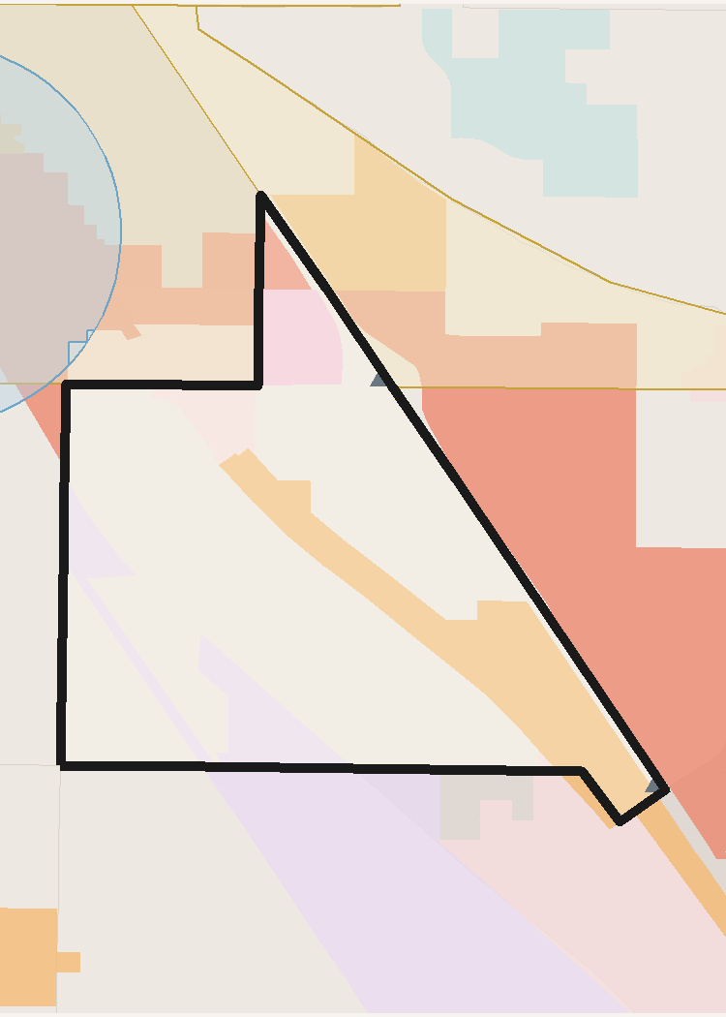
 | TRACT PROFILE | CENTERS & DISTRICTS | HOUSING & DEMOGRAPHICS
 | Population | WC MUorC % Total | Total Units
 | Households | Metropolitan Center | Residential Acres
 | Total Acres | Urban Center | SFD Acres
 | Developable Acres | City Center | MF / SFA Acres
 | OZ 1.0 Acres | Neighborhood Center | Poverty Rate
 | OZ 1.0 % of Tract | Employment District | Unemployment Rate
 |  | Industrial District | Median Family Income
 |  | Retail District
 | TRANSIT ACCESS | AUTO ACCESS | PROJECTED GROWTH 2027-37
 | Rail / BRT Stops | Freeway Exits | Households Added
 | SAP Acres | Exit Distance (mi) | Population Added
 | SAP % of Tract | ATO Jobs (Auto) | Jobs Added
 | ATO Jobs (Transit) | ATO Households (Auto) | ERU Added
 | ATO Households (Transit) |  | ERU per Acre
 | SAP Planned HH/ac

 | INCOME | POVERTY RATE | UNEMPLOYMENT

 | Access to Opportunities (ATO) Composite Score /100

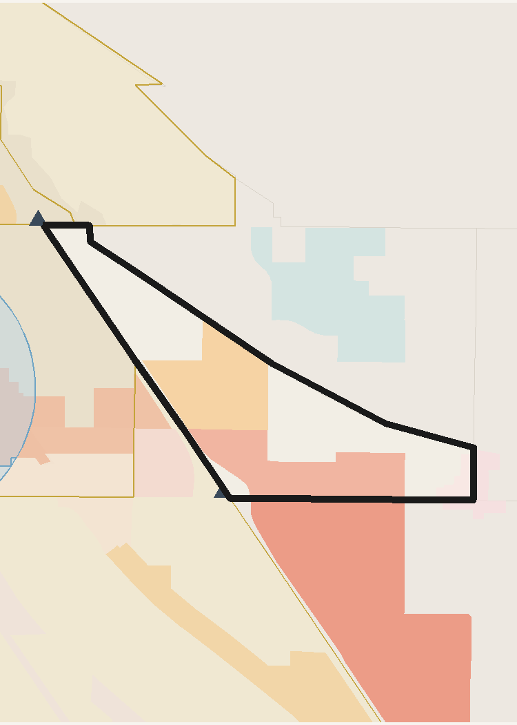
 | TRACT PROFILE | CENTERS & DISTRICTS | HOUSING & DEMOGRAPHICS
 | Population | WC MUorC % Total | Total Units
 | Households | Metropolitan Center | Residential Acres
 | Total Acres | Urban Center | SFD Acres
 | Developable Acres | City Center | MF / SFA Acres
 | OZ 1.0 Acres | Neighborhood Center | Poverty Rate
 | OZ 1.0 % of Tract | Employment District | Unemployment Rate
 |  | Industrial District | Median Family Income
 |  | Retail District
 | TRANSIT ACCESS | AUTO ACCESS | PROJECTED GROWTH 2027-37
 | Rail / BRT Stops | Freeway Exits | Households Added
 | SAP Acres | Exit Distance (mi) | Population Added
 | SAP % of Tract | ATO Jobs (Auto) | Jobs Added
 | ATO Jobs (Transit) | ATO Households (Auto) | ERU Added
 | ATO Households (Transit) |  | ERU per Acre
 | SAP Planned HH/ac

 | INCOME | POVERTY RATE | UNEMPLOYMENT

 | Access to Opportunities (ATO) Composite Score /100

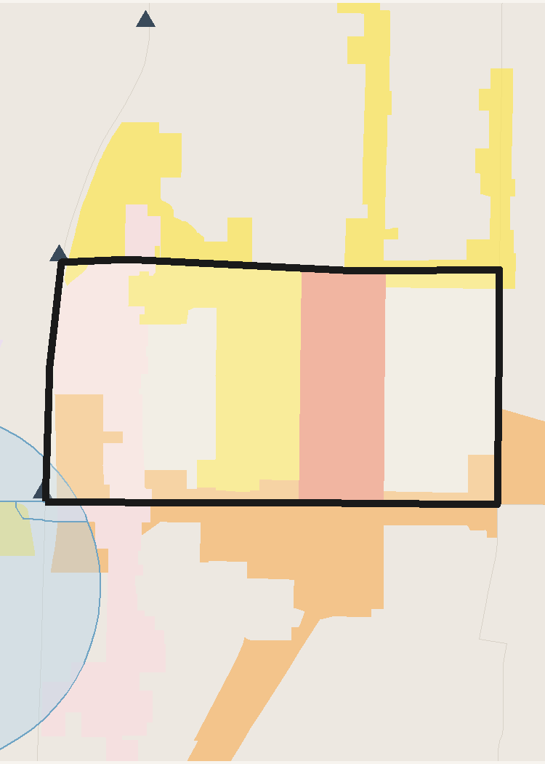
 | TRACT PROFILE | CENTERS & DISTRICTS | HOUSING & DEMOGRAPHICS
 | Population | WC MUorC % Total | Total Units
 | Households | Metropolitan Center | Residential Acres
 | Total Acres | Urban Center | SFD Acres
 | Developable Acres | City Center | MF / SFA Acres
 | OZ 1.0 Acres | Neighborhood Center | Poverty Rate
 | OZ 1.0 % of Tract | Employment District | Unemployment Rate
 |  | Industrial District | Median Family Income
 |  | Retail District
 | TRANSIT ACCESS | AUTO ACCESS | PROJECTED GROWTH 2027-37
 | Rail / BRT Stops | Freeway Exits | Households Added
 | SAP Acres | Exit Distance (mi) | Population Added
 | SAP % of Tract | ATO Jobs (Auto) | Jobs Added
 | ATO Jobs (Transit) | ATO Households (Auto) | ERU Added
 | ATO Households (Transit) |  | ERU per Acre
 | SAP Planned HH/ac

 | INCOME | POVERTY RATE | UNEMPLOYMENT

 | Access to Opportunities (ATO) Composite Score /100

Salt Lake County
Salt Lake County — OZ 2.0 Candidate Tracts — Detail
WFRC & MAG Region | Generated June 01, 2026

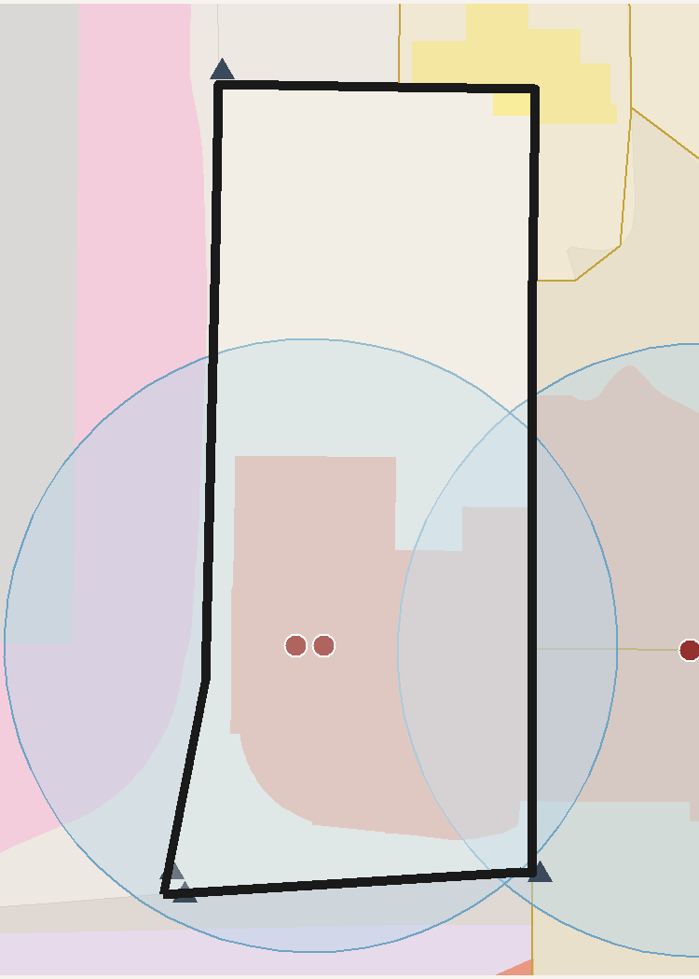
 | TRACT PROFILE | CENTERS & DISTRICTS | HOUSING & DEMOGRAPHICS
 | Population | WC MUorC % Total | Total Units
 | Households | Metropolitan Center | Residential Acres
 | Total Acres | Urban Center | SFD Acres
 | Developable Acres | City Center | MF / SFA Acres
 | OZ 1.0 Acres | Neighborhood Center | Poverty Rate
 | OZ 1.0 % of Tract | Employment District | Unemployment Rate
 |  | Industrial District | Median Family Income
 |  | Retail District
 | TRANSIT ACCESS | AUTO ACCESS | PROJECTED GROWTH 2027-37
 | Rail / BRT Stops | Freeway Exits | Households Added
 | SAP Acres | Exit Distance (mi) | Population Added
 | SAP % of Tract | ATO Jobs (Auto) | Jobs Added
 | ATO Jobs (Transit) | ATO Households (Auto) | ERU Added
 | ATO Households (Transit) |  | ERU per Acre
 | SAP Planned HH/ac

 | INCOME | POVERTY RATE | UNEMPLOYMENT

 | Access to Opportunities (ATO) Composite Score /100

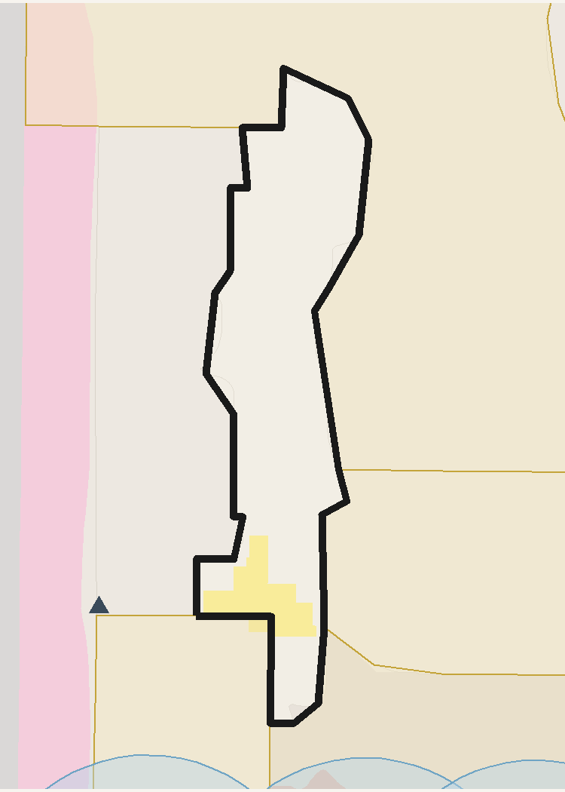
 | TRACT PROFILE | CENTERS & DISTRICTS | HOUSING & DEMOGRAPHICS
 | Population | WC MUorC % Total | Total Units
 | Households | Metropolitan Center | Residential Acres
 | Total Acres | Urban Center | SFD Acres
 | Developable Acres | City Center | MF / SFA Acres
 | OZ 1.0 Acres | Neighborhood Center | Poverty Rate
 | OZ 1.0 % of Tract | Employment District | Unemployment Rate
 |  | Industrial District | Median Family Income
 |  | Retail District
 | TRANSIT ACCESS | AUTO ACCESS | PROJECTED GROWTH 2027-37
 | Rail / BRT Stops | Freeway Exits | Households Added
 | SAP Acres | Exit Distance (mi) | Population Added
 | SAP % of Tract | ATO Jobs (Auto) | Jobs Added
 | ATO Jobs (Transit) | ATO Households (Auto) | ERU Added
 | ATO Households (Transit) |  | ERU per Acre
 | SAP Planned HH/ac

 | INCOME | POVERTY RATE | UNEMPLOYMENT

 | Access to Opportunities (ATO) Composite Score /100

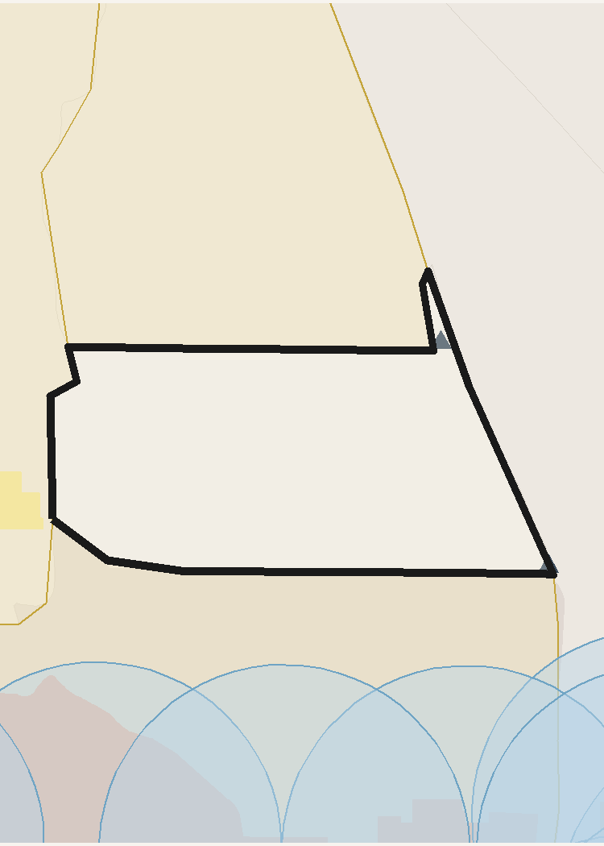
 | TRACT PROFILE | CENTERS & DISTRICTS | HOUSING & DEMOGRAPHICS
 | Population | WC MUorC % Total | Total Units
 | Households | Metropolitan Center | Residential Acres
 | Total Acres | Urban Center | SFD Acres
 | Developable Acres | City Center | MF / SFA Acres
 | OZ 1.0 Acres | Neighborhood Center | Poverty Rate
 | OZ 1.0 % of Tract | Employment District | Unemployment Rate
 |  | Industrial District | Median Family Income
 |  | Retail District
 | TRANSIT ACCESS | AUTO ACCESS | PROJECTED GROWTH 2027-37
 | Rail / BRT Stops | Freeway Exits | Households Added
 | SAP Acres | Exit Distance (mi) | Population Added
 | SAP % of Tract | ATO Jobs (Auto) | Jobs Added
 | ATO Jobs (Transit) | ATO Households (Auto) | ERU Added
 | ATO Households (Transit) |  | ERU per Acre
 | SAP Planned HH/ac

 | INCOME | POVERTY RATE | UNEMPLOYMENT

 | Access to Opportunities (ATO) Composite Score /100

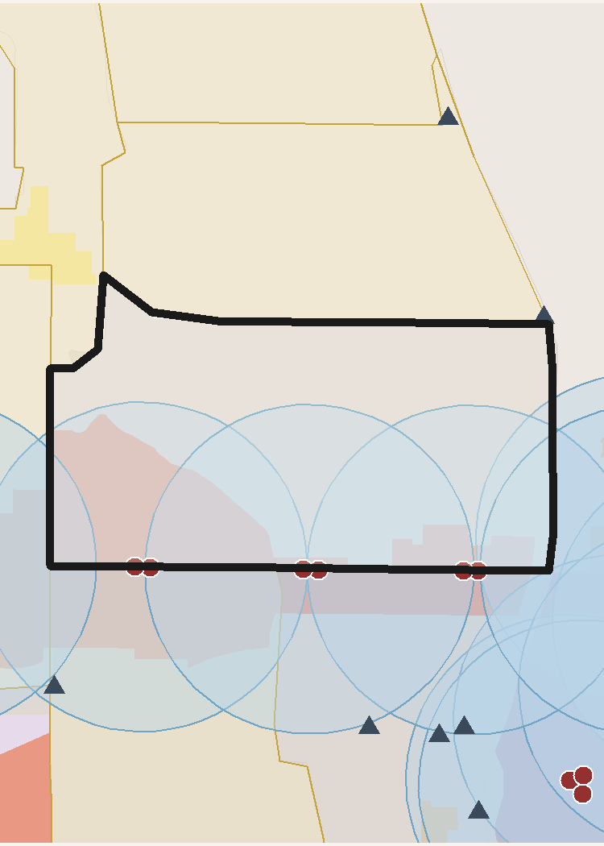
 | TRACT PROFILE | CENTERS & DISTRICTS | HOUSING & DEMOGRAPHICS
 | Population | WC MUorC % Total | Total Units
 | Households | Metropolitan Center | Residential Acres
 | Total Acres | Urban Center | SFD Acres
 | Developable Acres | City Center | MF / SFA Acres
 | OZ 1.0 Acres | Neighborhood Center | Poverty Rate
 | OZ 1.0 % of Tract | Employment District | Unemployment Rate
 |  | Industrial District | Median Family Income
 |  | Retail District
 | TRANSIT ACCESS | AUTO ACCESS | PROJECTED GROWTH 2027-37
 | Rail / BRT Stops | Freeway Exits | Households Added
 | SAP Acres | Exit Distance (mi) | Population Added
 | SAP % of Tract | ATO Jobs (Auto) | Jobs Added
 | ATO Jobs (Transit) | ATO Households (Auto) | ERU Added
 | ATO Households (Transit) |  | ERU per Acre
 | SAP Planned HH/ac

 | INCOME | POVERTY RATE | UNEMPLOYMENT

 | Access to Opportunities (ATO) Composite Score /100

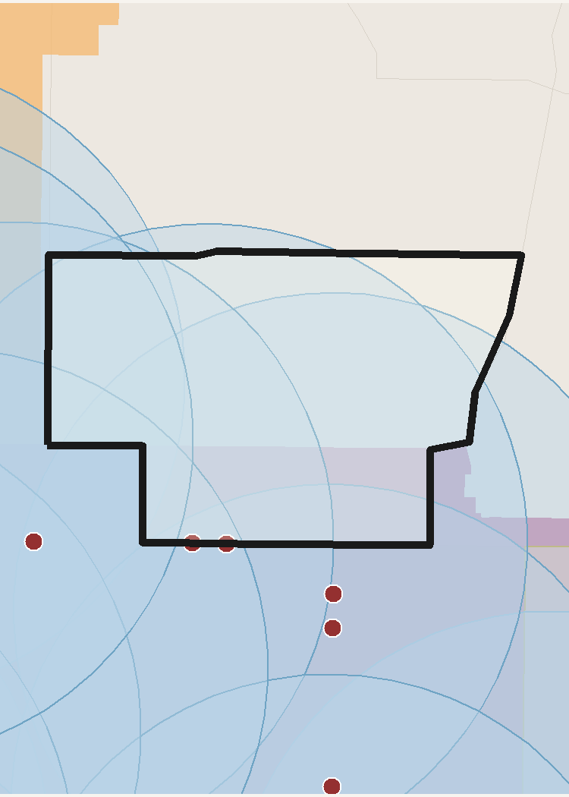
 | TRACT PROFILE | CENTERS & DISTRICTS | HOUSING & DEMOGRAPHICS
 | Population | WC MUorC % Total | Total Units
 | Households | Metropolitan Center | Residential Acres
 | Total Acres | Urban Center | SFD Acres
 | Developable Acres | City Center | MF / SFA Acres
 | OZ 1.0 Acres | Neighborhood Center | Poverty Rate
 | OZ 1.0 % of Tract | Employment District | Unemployment Rate
 |  | Industrial District | Median Family Income
 |  | Retail District
 | TRANSIT ACCESS | AUTO ACCESS | PROJECTED GROWTH 2027-37
 | Rail / BRT Stops | Freeway Exits | Households Added
 | SAP Acres | Exit Distance (mi) | Population Added
 | SAP % of Tract | ATO Jobs (Auto) | Jobs Added
 | ATO Jobs (Transit) | ATO Households (Auto) | ERU Added
 | ATO Households (Transit) |  | ERU per Acre
 | SAP Planned HH/ac

 | INCOME | POVERTY RATE | UNEMPLOYMENT

 | Access to Opportunities (ATO) Composite Score /100

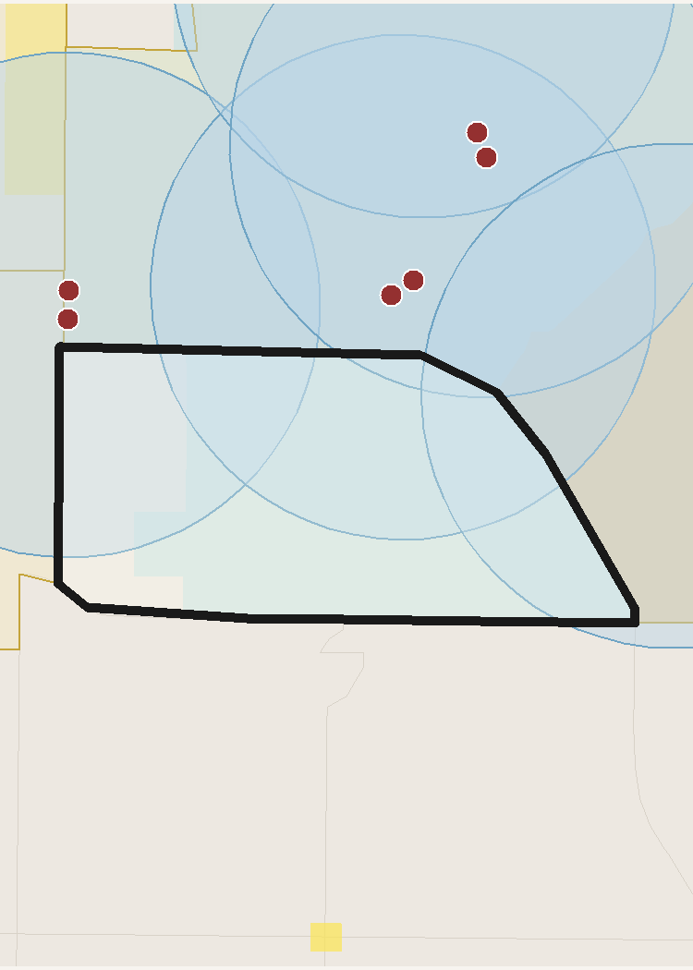
 | TRACT PROFILE | CENTERS & DISTRICTS | HOUSING & DEMOGRAPHICS
 | Population | WC MUorC % Total | Total Units
 | Households | Metropolitan Center | Residential Acres
 | Total Acres | Urban Center | SFD Acres
 | Developable Acres | City Center | MF / SFA Acres
 | OZ 1.0 Acres | Neighborhood Center | Poverty Rate
 | OZ 1.0 % of Tract | Employment District | Unemployment Rate
 |  | Industrial District | Median Family Income
 |  | Retail District
 | TRANSIT ACCESS | AUTO ACCESS | PROJECTED GROWTH 2027-37
 | Rail / BRT Stops | Freeway Exits | Households Added
 | SAP Acres | Exit Distance (mi) | Population Added
 | SAP % of Tract | ATO Jobs (Auto) | Jobs Added
 | ATO Jobs (Transit) | ATO Households (Auto) | ERU Added
 | ATO Households (Transit) |  | ERU per Acre
 | SAP Planned HH/ac

 | INCOME | POVERTY RATE | UNEMPLOYMENT

 | Access to Opportunities (ATO) Composite Score /100

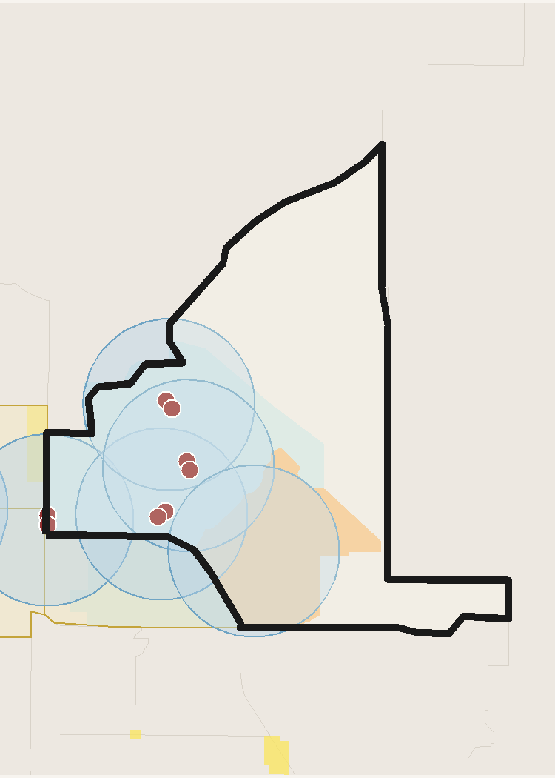
 | TRACT PROFILE | CENTERS & DISTRICTS | HOUSING & DEMOGRAPHICS
 | Population | WC MUorC % Total | Total Units
 | Households | Metropolitan Center | Residential Acres
 | Total Acres | Urban Center | SFD Acres
 | Developable Acres | City Center | MF / SFA Acres
 | OZ 1.0 Acres | Neighborhood Center | Poverty Rate
 | OZ 1.0 % of Tract | Employment District | Unemployment Rate
 |  | Industrial District | Median Family Income
 |  | Retail District
 | TRANSIT ACCESS | AUTO ACCESS | PROJECTED GROWTH 2027-37
 | Rail / BRT Stops | Freeway Exits | Households Added
 | SAP Acres | Exit Distance (mi) | Population Added
 | SAP % of Tract | ATO Jobs (Auto) | Jobs Added
 | ATO Jobs (Transit) | ATO Households (Auto) | ERU Added
 | ATO Households (Transit) |  | ERU per Acre
 | SAP Planned HH/ac

 | INCOME | POVERTY RATE | UNEMPLOYMENT

 | Access to Opportunities (ATO) Composite Score /100

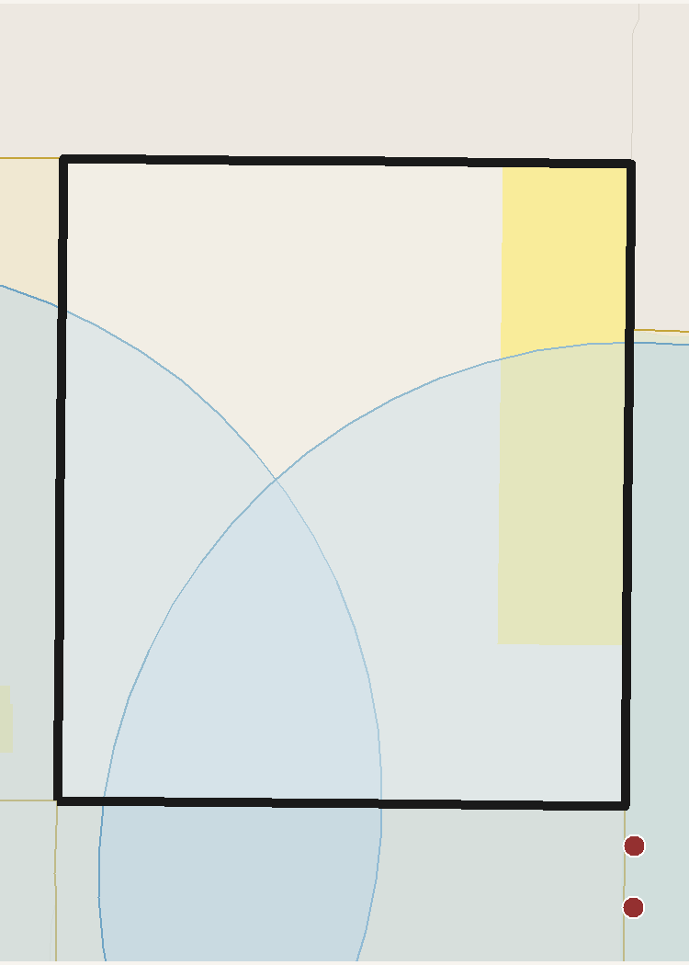
 | TRACT PROFILE | CENTERS & DISTRICTS | HOUSING & DEMOGRAPHICS
 | Population | WC MUorC % Total | Total Units
 | Households | Metropolitan Center | Residential Acres
 | Total Acres | Urban Center | SFD Acres
 | Developable Acres | City Center | MF / SFA Acres
 | OZ 1.0 Acres | Neighborhood Center | Poverty Rate
 | OZ 1.0 % of Tract | Employment District | Unemployment Rate
 |  | Industrial District | Median Family Income
 |  | Retail District
 | TRANSIT ACCESS | AUTO ACCESS | PROJECTED GROWTH 2027-37
 | Rail / BRT Stops | Freeway Exits | Households Added
 | SAP Acres | Exit Distance (mi) | Population Added
 | SAP % of Tract | ATO Jobs (Auto) | Jobs Added
 | ATO Jobs (Transit) | ATO Households (Auto) | ERU Added
 | ATO Households (Transit) |  | ERU per Acre
 | SAP Planned HH/ac

 | INCOME | POVERTY RATE | UNEMPLOYMENT

 | Access to Opportunities (ATO) Composite Score /100

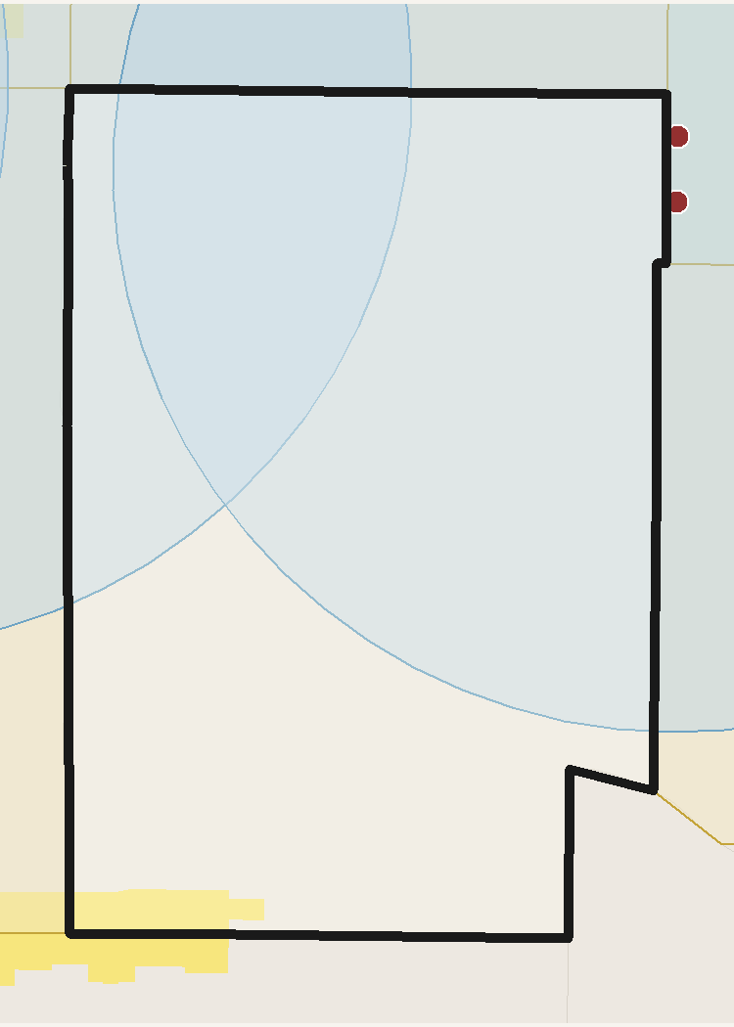
 | TRACT PROFILE | CENTERS & DISTRICTS | HOUSING & DEMOGRAPHICS
 | Population | WC MUorC % Total | Total Units
 | Households | Metropolitan Center | Residential Acres
 | Total Acres | Urban Center | SFD Acres
 | Developable Acres | City Center | MF / SFA Acres
 | OZ 1.0 Acres | Neighborhood Center | Poverty Rate
 | OZ 1.0 % of Tract | Employment District | Unemployment Rate
 |  | Industrial District | Median Family Income
 |  | Retail District
 | TRANSIT ACCESS | AUTO ACCESS | PROJECTED GROWTH 2027-37
 | Rail / BRT Stops | Freeway Exits | Households Added
 | SAP Acres | Exit Distance (mi) | Population Added
 | SAP % of Tract | ATO Jobs (Auto) | Jobs Added
 | ATO Jobs (Transit) | ATO Households (Auto) | ERU Added
 | ATO Households (Transit) |  | ERU per Acre
 | SAP Planned HH/ac

 | INCOME | POVERTY RATE | UNEMPLOYMENT

 | Access to Opportunities (ATO) Composite Score /100

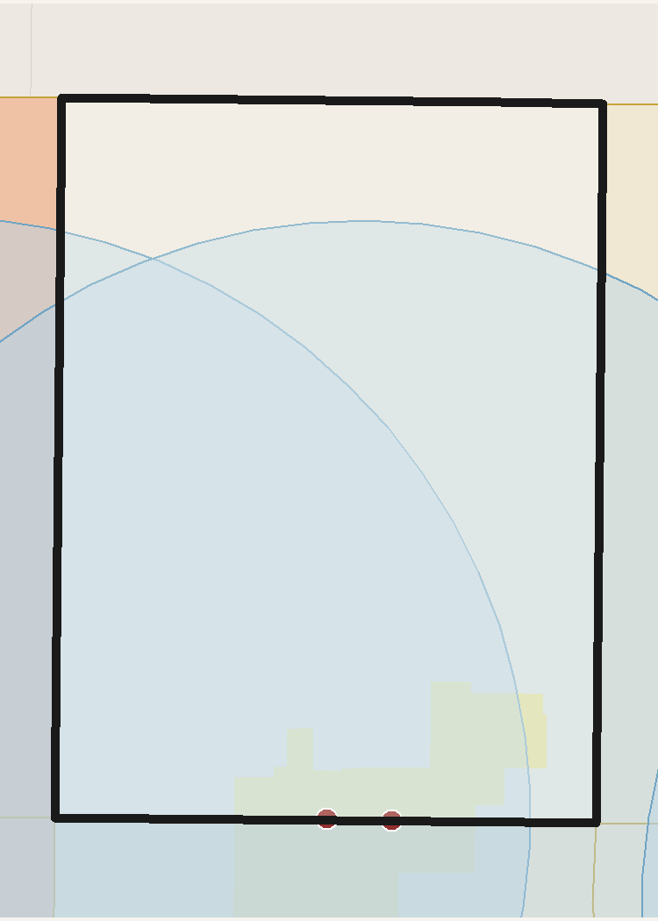
 | TRACT PROFILE | CENTERS & DISTRICTS | HOUSING & DEMOGRAPHICS
 | Population | WC MUorC % Total | Total Units
 | Households | Metropolitan Center | Residential Acres
 | Total Acres | Urban Center | SFD Acres
 | Developable Acres | City Center | MF / SFA Acres
 | OZ 1.0 Acres | Neighborhood Center | Poverty Rate
 | OZ 1.0 % of Tract | Employment District | Unemployment Rate
 |  | Industrial District | Median Family Income
 |  | Retail District
 | TRANSIT ACCESS | AUTO ACCESS | PROJECTED GROWTH 2027-37
 | Rail / BRT Stops | Freeway Exits | Households Added
 | SAP Acres | Exit Distance (mi) | Population Added
 | SAP % of Tract | ATO Jobs (Auto) | Jobs Added
 | ATO Jobs (Transit) | ATO Households (Auto) | ERU Added
 | ATO Households (Transit) |  | ERU per Acre
 | SAP Planned HH/ac

 | INCOME | POVERTY RATE | UNEMPLOYMENT

 | Access to Opportunities (ATO) Composite Score /100

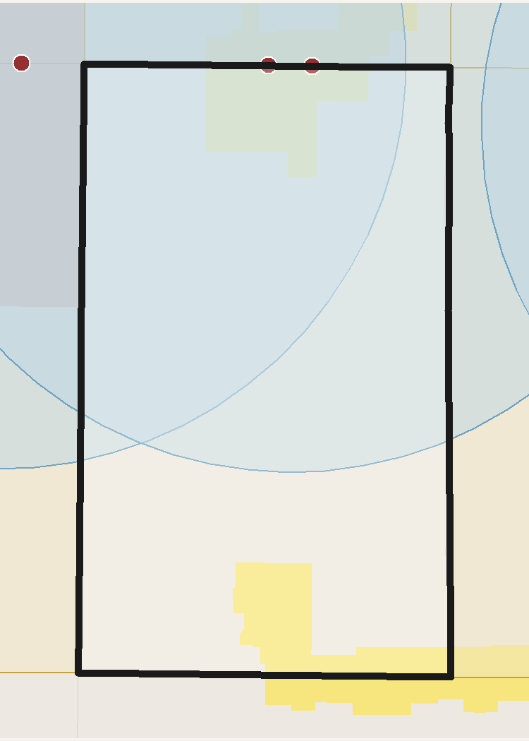
 | TRACT PROFILE | CENTERS & DISTRICTS | HOUSING & DEMOGRAPHICS
 | Population | WC MUorC % Total | Total Units
 | Households | Metropolitan Center | Residential Acres
 | Total Acres | Urban Center | SFD Acres
 | Developable Acres | City Center | MF / SFA Acres
 | OZ 1.0 Acres | Neighborhood Center | Poverty Rate
 | OZ 1.0 % of Tract | Employment District | Unemployment Rate
 |  | Industrial District | Median Family Income
 |  | Retail District
 | TRANSIT ACCESS | AUTO ACCESS | PROJECTED GROWTH 2027-37
 | Rail / BRT Stops | Freeway Exits | Households Added
 | SAP Acres | Exit Distance (mi) | Population Added
 | SAP % of Tract | ATO Jobs (Auto) | Jobs Added
 | ATO Jobs (Transit) | ATO Households (Auto) | ERU Added
 | ATO Households (Transit) |  | ERU per Acre
 | SAP Planned HH/ac

 | INCOME | POVERTY RATE | UNEMPLOYMENT

 | Access to Opportunities (ATO) Composite Score /100

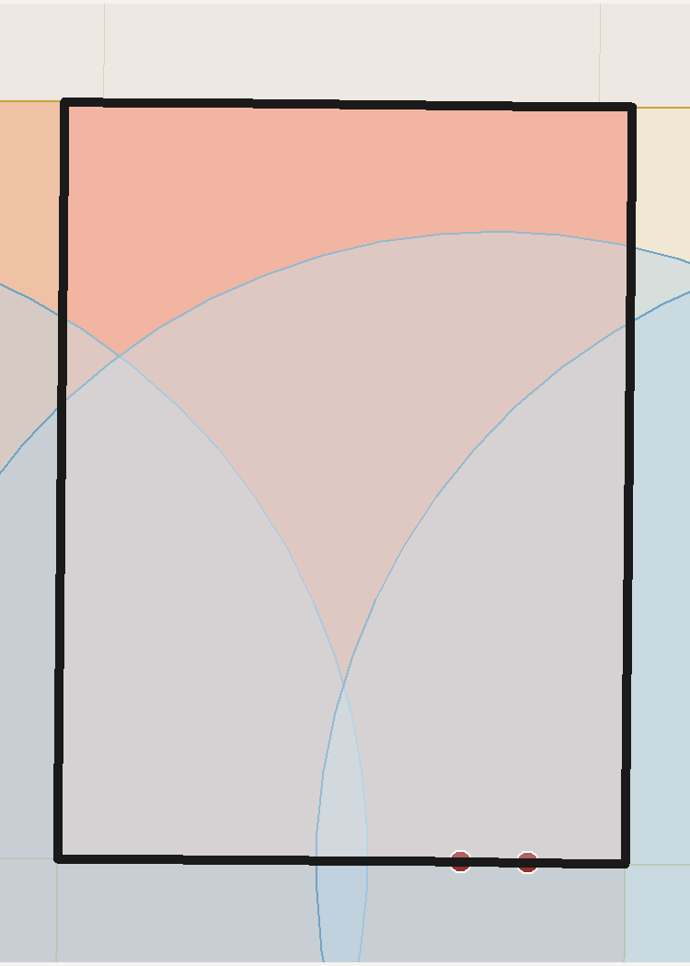
 | TRACT PROFILE | CENTERS & DISTRICTS | HOUSING & DEMOGRAPHICS
 | Population | WC MUorC % Total | Total Units
 | Households | Metropolitan Center | Residential Acres
 | Total Acres | Urban Center | SFD Acres
 | Developable Acres | City Center | MF / SFA Acres
 | OZ 1.0 Acres | Neighborhood Center | Poverty Rate
 | OZ 1.0 % of Tract | Employment District | Unemployment Rate
 |  | Industrial District | Median Family Income
 |  | Retail District
 | TRANSIT ACCESS | AUTO ACCESS | PROJECTED GROWTH 2027-37
 | Rail / BRT Stops | Freeway Exits | Households Added
 | SAP Acres | Exit Distance (mi) | Population Added
 | SAP % of Tract | ATO Jobs (Auto) | Jobs Added
 | ATO Jobs (Transit) | ATO Households (Auto) | ERU Added
 | ATO Households (Transit) |  | ERU per Acre
 | SAP Planned HH/ac

 | INCOME | POVERTY RATE | UNEMPLOYMENT

 | Access to Opportunities (ATO) Composite Score /100

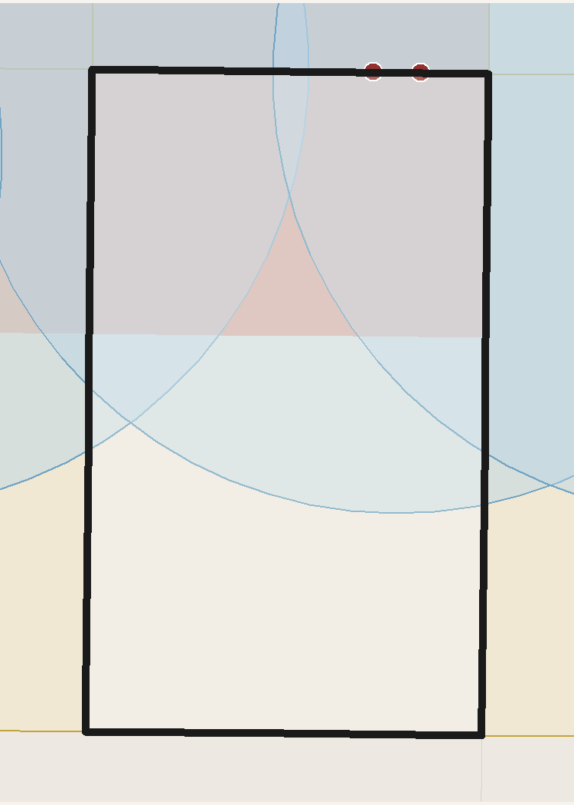
 | TRACT PROFILE | CENTERS & DISTRICTS | HOUSING & DEMOGRAPHICS
 | Population | WC MUorC % Total | Total Units
 | Households | Metropolitan Center | Residential Acres
 | Total Acres | Urban Center | SFD Acres
 | Developable Acres | City Center | MF / SFA Acres
 | OZ 1.0 Acres | Neighborhood Center | Poverty Rate
 | OZ 1.0 % of Tract | Employment District | Unemployment Rate
 |  | Industrial District | Median Family Income
 |  | Retail District
 | TRANSIT ACCESS | AUTO ACCESS | PROJECTED GROWTH 2027-37
 | Rail / BRT Stops | Freeway Exits | Households Added
 | SAP Acres | Exit Distance (mi) | Population Added
 | SAP % of Tract | ATO Jobs (Auto) | Jobs Added
 | ATO Jobs (Transit) | ATO Households (Auto) | ERU Added
 | ATO Households (Transit) |  | ERU per Acre
 | SAP Planned HH/ac

 | INCOME | POVERTY RATE | UNEMPLOYMENT

 | Access to Opportunities (ATO) Composite Score /100

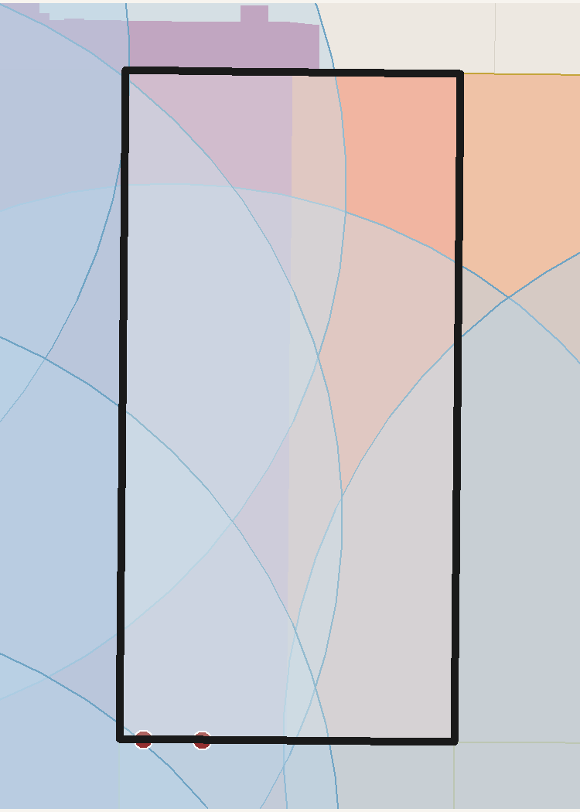
 | TRACT PROFILE | CENTERS & DISTRICTS | HOUSING & DEMOGRAPHICS
 | Population | WC MUorC % Total | Total Units
 | Households | Metropolitan Center | Residential Acres
 | Total Acres | Urban Center | SFD Acres
 | Developable Acres | City Center | MF / SFA Acres
 | OZ 1.0 Acres | Neighborhood Center | Poverty Rate
 | OZ 1.0 % of Tract | Employment District | Unemployment Rate
 |  | Industrial District | Median Family Income
 |  | Retail District
 | TRANSIT ACCESS | AUTO ACCESS | PROJECTED GROWTH 2027-37
 | Rail / BRT Stops | Freeway Exits | Households Added
 | SAP Acres | Exit Distance (mi) | Population Added
 | SAP % of Tract | ATO Jobs (Auto) | Jobs Added
 | ATO Jobs (Transit) | ATO Households (Auto) | ERU Added
 | ATO Households (Transit) |  | ERU per Acre
 | SAP Planned HH/ac

 | INCOME | POVERTY RATE | UNEMPLOYMENT

 | Access to Opportunities (ATO) Composite Score /100

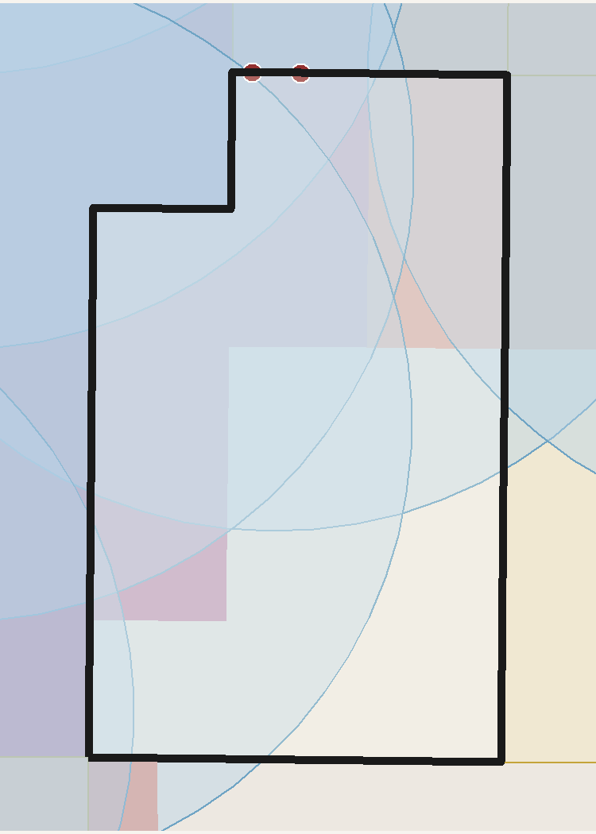
 | TRACT PROFILE | CENTERS & DISTRICTS | HOUSING & DEMOGRAPHICS
 | Population | WC MUorC % Total | Total Units
 | Households | Metropolitan Center | Residential Acres
 | Total Acres | Urban Center | SFD Acres
 | Developable Acres | City Center | MF / SFA Acres
 | OZ 1.0 Acres | Neighborhood Center | Poverty Rate
 | OZ 1.0 % of Tract | Employment District | Unemployment Rate
 |  | Industrial District | Median Family Income
 |  | Retail District
 | TRANSIT ACCESS | AUTO ACCESS | PROJECTED GROWTH 2027-37
 | Rail / BRT Stops | Freeway Exits | Households Added
 | SAP Acres | Exit Distance (mi) | Population Added
 | SAP % of Tract | ATO Jobs (Auto) | Jobs Added
 | ATO Jobs (Transit) | ATO Households (Auto) | ERU Added
 | ATO Households (Transit) |  | ERU per Acre
 | SAP Planned HH/ac

 | INCOME | POVERTY RATE | UNEMPLOYMENT

 | Access to Opportunities (ATO) Composite Score /100

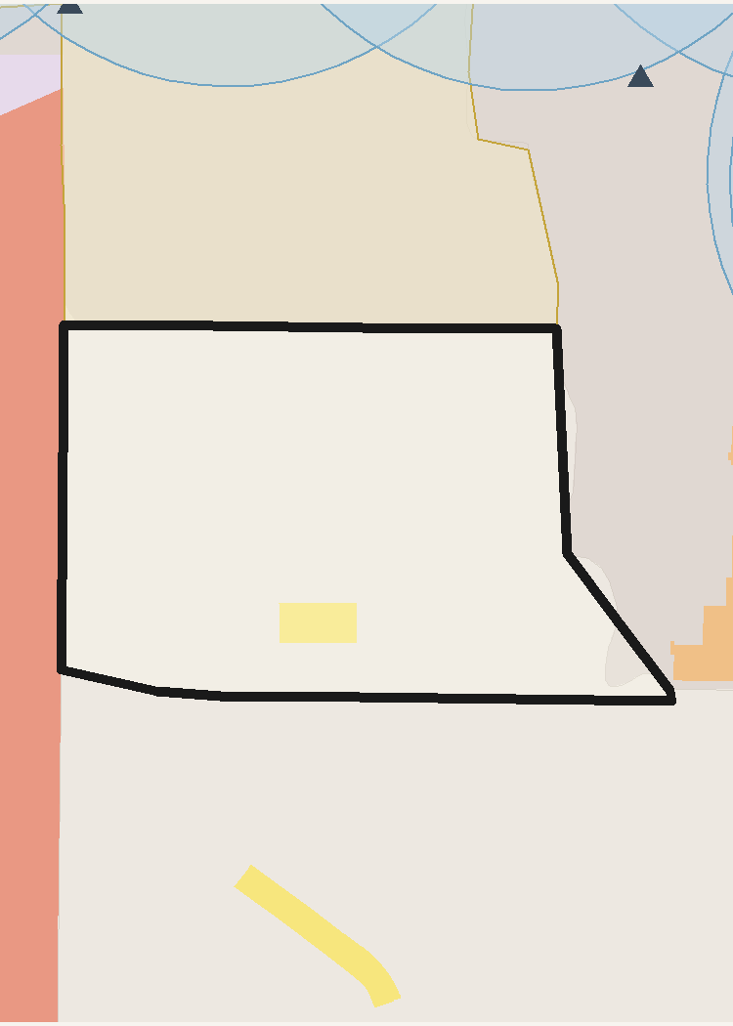
 | TRACT PROFILE | CENTERS & DISTRICTS | HOUSING & DEMOGRAPHICS
 | Population | WC MUorC % Total | Total Units
 | Households | Metropolitan Center | Residential Acres
 | Total Acres | Urban Center | SFD Acres
 | Developable Acres | City Center | MF / SFA Acres
 | OZ 1.0 Acres | Neighborhood Center | Poverty Rate
 | OZ 1.0 % of Tract | Employment District | Unemployment Rate
 |  | Industrial District | Median Family Income
 |  | Retail District
 | TRANSIT ACCESS | AUTO ACCESS | PROJECTED GROWTH 2027-37
 | Rail / BRT Stops | Freeway Exits | Households Added
 | SAP Acres | Exit Distance (mi) | Population Added
 | SAP % of Tract | ATO Jobs (Auto) | Jobs Added
 | ATO Jobs (Transit) | ATO Households (Auto) | ERU Added
 | ATO Households (Transit) |  | ERU per Acre
 | SAP Planned HH/ac

 | INCOME | POVERTY RATE | UNEMPLOYMENT

 | Access to Opportunities (ATO) Composite Score /100

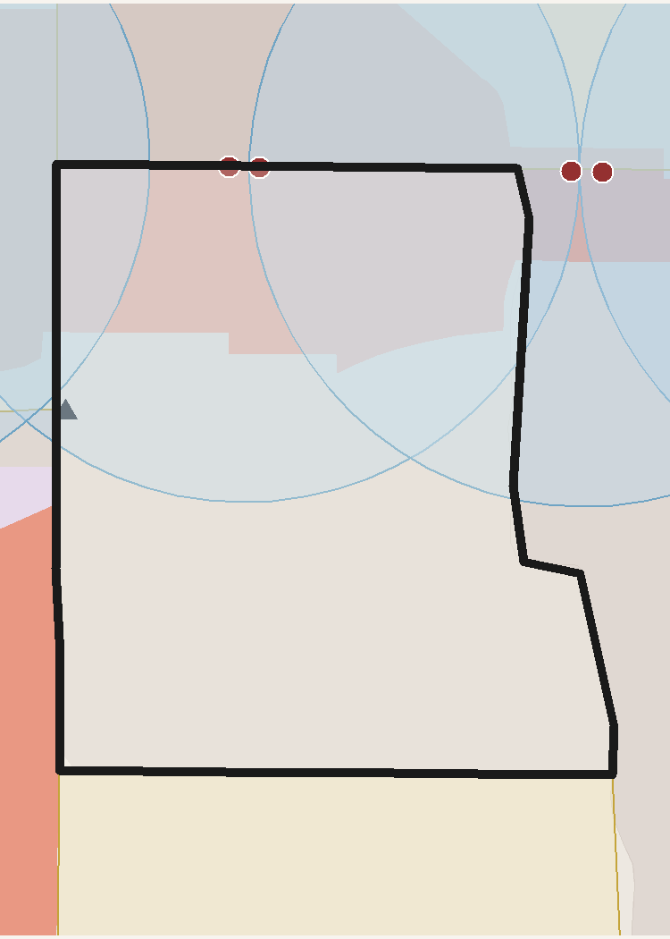
 | TRACT PROFILE | CENTERS & DISTRICTS | HOUSING & DEMOGRAPHICS
 | Population | WC MUorC % Total | Total Units
 | Households | Metropolitan Center | Residential Acres
 | Total Acres | Urban Center | SFD Acres
 | Developable Acres | City Center | MF / SFA Acres
 | OZ 1.0 Acres | Neighborhood Center | Poverty Rate
 | OZ 1.0 % of Tract | Employment District | Unemployment Rate
 |  | Industrial District | Median Family Income
 |  | Retail District
 | TRANSIT ACCESS | AUTO ACCESS | PROJECTED GROWTH 2027-37
 | Rail / BRT Stops | Freeway Exits | Households Added
 | SAP Acres | Exit Distance (mi) | Population Added
 | SAP % of Tract | ATO Jobs (Auto) | Jobs Added
 | ATO Jobs (Transit) | ATO Households (Auto) | ERU Added
 | ATO Households (Transit) |  | ERU per Acre
 | SAP Planned HH/ac

 | INCOME | POVERTY RATE | UNEMPLOYMENT

 | Access to Opportunities (ATO) Composite Score /100

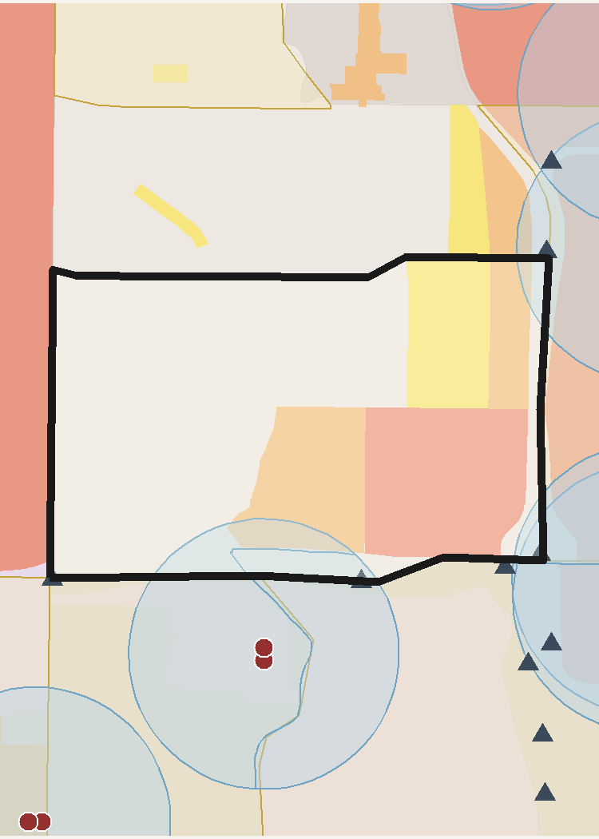
 | TRACT PROFILE | CENTERS & DISTRICTS | HOUSING & DEMOGRAPHICS
 | Population | WC MUorC % Total | Total Units
 | Households | Metropolitan Center | Residential Acres
 | Total Acres | Urban Center | SFD Acres
 | Developable Acres | City Center | MF / SFA Acres
 | OZ 1.0 Acres | Neighborhood Center | Poverty Rate
 | OZ 1.0 % of Tract | Employment District | Unemployment Rate
 |  | Industrial District | Median Family Income
 |  | Retail District
 | TRANSIT ACCESS | AUTO ACCESS | PROJECTED GROWTH 2027-37
 | Rail / BRT Stops | Freeway Exits | Households Added
 | SAP Acres | Exit Distance (mi) | Population Added
 | SAP % of Tract | ATO Jobs (Auto) | Jobs Added
 | ATO Jobs (Transit) | ATO Households (Auto) | ERU Added
 | ATO Households (Transit) |  | ERU per Acre
 | SAP Planned HH/ac

 | INCOME | POVERTY RATE | UNEMPLOYMENT

 | Access to Opportunities (ATO) Composite Score /100

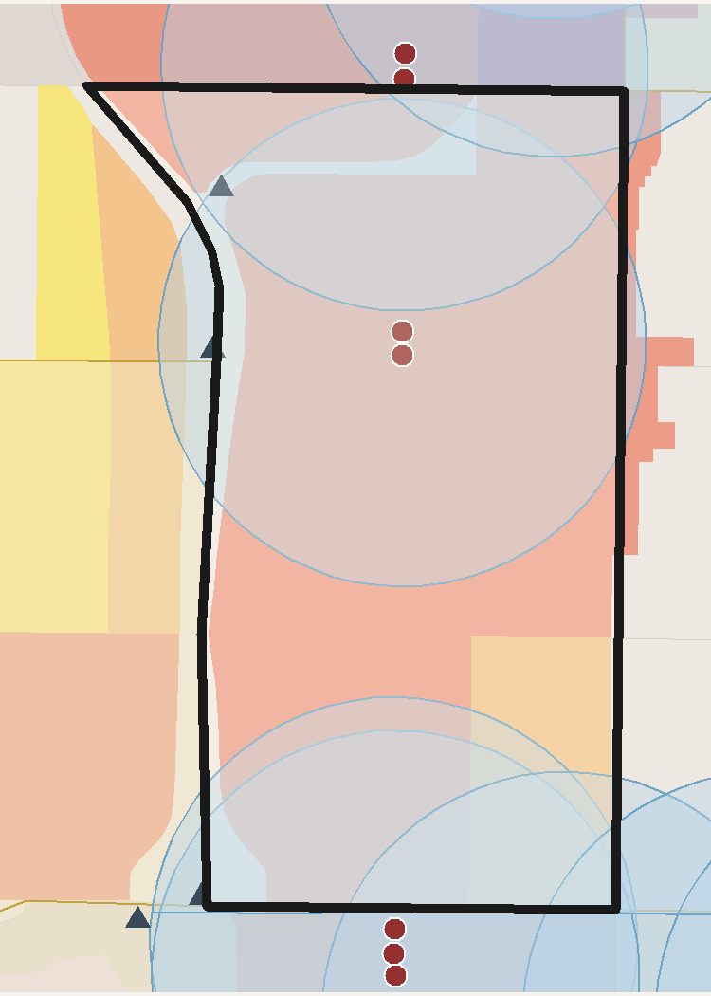
 | TRACT PROFILE | CENTERS & DISTRICTS | HOUSING & DEMOGRAPHICS
 | Population | WC MUorC % Total | Total Units
 | Households | Metropolitan Center | Residential Acres
 | Total Acres | Urban Center | SFD Acres
 | Developable Acres | City Center | MF / SFA Acres
 | OZ 1.0 Acres | Neighborhood Center | Poverty Rate
 | OZ 1.0 % of Tract | Employment District | Unemployment Rate
 |  | Industrial District | Median Family Income
 |  | Retail District
 | TRANSIT ACCESS | AUTO ACCESS | PROJECTED GROWTH 2027-37
 | Rail / BRT Stops | Freeway Exits | Households Added
 | SAP Acres | Exit Distance (mi) | Population Added
 | SAP % of Tract | ATO Jobs (Auto) | Jobs Added
 | ATO Jobs (Transit) | ATO Households (Auto) | ERU Added
 | ATO Households (Transit) |  | ERU per Acre
 | SAP Planned HH/ac

 | INCOME | POVERTY RATE | UNEMPLOYMENT

 | Access to Opportunities (ATO) Composite Score /100

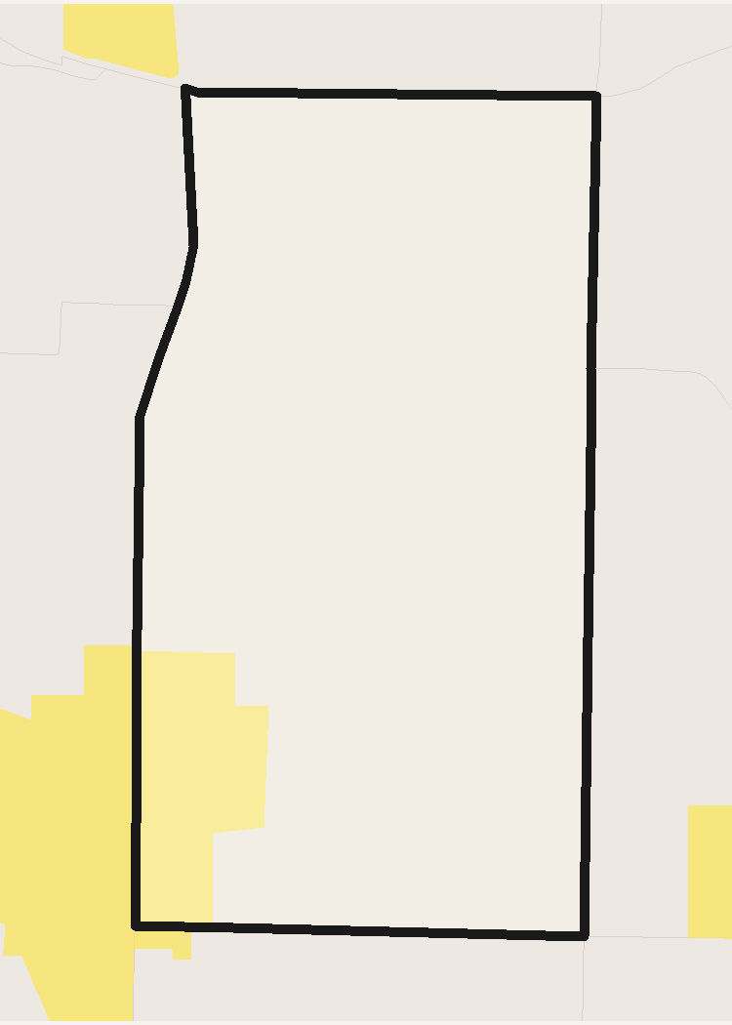
 | TRACT PROFILE | CENTERS & DISTRICTS | HOUSING & DEMOGRAPHICS
 | Population | WC MUorC % Total | Total Units
 | Households | Metropolitan Center | Residential Acres
 | Total Acres | Urban Center | SFD Acres
 | Developable Acres | City Center | MF / SFA Acres
 | OZ 1.0 Acres | Neighborhood Center | Poverty Rate
 | OZ 1.0 % of Tract | Employment District | Unemployment Rate
 |  | Industrial District | Median Family Income
 |  | Retail District
 | TRANSIT ACCESS | AUTO ACCESS | PROJECTED GROWTH 2027-37
 | Rail / BRT Stops | Freeway Exits | Households Added
 | SAP Acres | Exit Distance (mi) | Population Added
 | SAP % of Tract | ATO Jobs (Auto) | Jobs Added
 | ATO Jobs (Transit) | ATO Households (Auto) | ERU Added
 | ATO Households (Transit) |  | ERU per Acre
 | SAP Planned HH/ac

 | INCOME | POVERTY RATE | UNEMPLOYMENT

 | Access to Opportunities (ATO) Composite Score /100

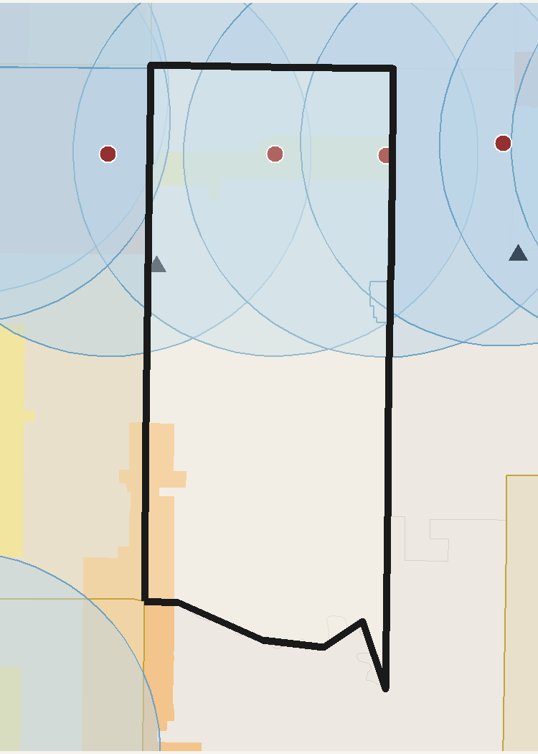
 | TRACT PROFILE | CENTERS & DISTRICTS | HOUSING & DEMOGRAPHICS
 | Population | WC MUorC % Total | Total Units
 | Households | Metropolitan Center | Residential Acres
 | Total Acres | Urban Center | SFD Acres
 | Developable Acres | City Center | MF / SFA Acres
 | OZ 1.0 Acres | Neighborhood Center | Poverty Rate
 | OZ 1.0 % of Tract | Employment District | Unemployment Rate
 |  | Industrial District | Median Family Income
 |  | Retail District
 | TRANSIT ACCESS | AUTO ACCESS | PROJECTED GROWTH 2027-37
 | Rail / BRT Stops | Freeway Exits | Households Added
 | SAP Acres | Exit Distance (mi) | Population Added
 | SAP % of Tract | ATO Jobs (Auto) | Jobs Added
 | ATO Jobs (Transit) | ATO Households (Auto) | ERU Added
 | ATO Households (Transit) |  | ERU per Acre
 | SAP Planned HH/ac

 | INCOME | POVERTY RATE | UNEMPLOYMENT

 | Access to Opportunities (ATO) Composite Score /100

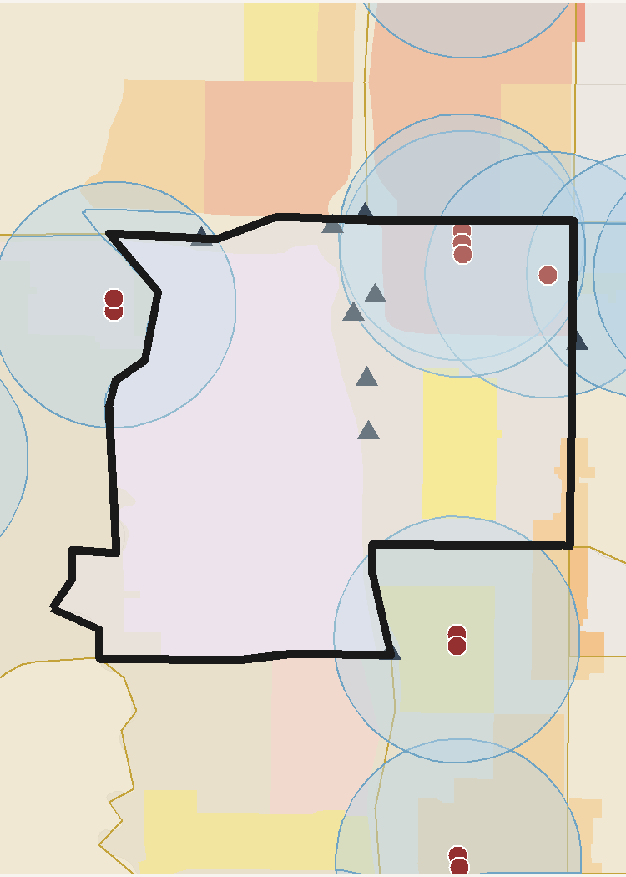
 | TRACT PROFILE | CENTERS & DISTRICTS | HOUSING & DEMOGRAPHICS
 | Population | WC MUorC % Total | Total Units
 | Households | Metropolitan Center | Residential Acres
 | Total Acres | Urban Center | SFD Acres
 | Developable Acres | City Center | MF / SFA Acres
 | OZ 1.0 Acres | Neighborhood Center | Poverty Rate
 | OZ 1.0 % of Tract | Employment District | Unemployment Rate
 |  | Industrial District | Median Family Income
 |  | Retail District
 | TRANSIT ACCESS | AUTO ACCESS | PROJECTED GROWTH 2027-37
 | Rail / BRT Stops | Freeway Exits | Households Added
 | SAP Acres | Exit Distance (mi) | Population Added
 | SAP % of Tract | ATO Jobs (Auto) | Jobs Added
 | ATO Jobs (Transit) | ATO Households (Auto) | ERU Added
 | ATO Households (Transit) |  | ERU per Acre
 | SAP Planned HH/ac

 | INCOME | POVERTY RATE | UNEMPLOYMENT

 | Access to Opportunities (ATO) Composite Score /100

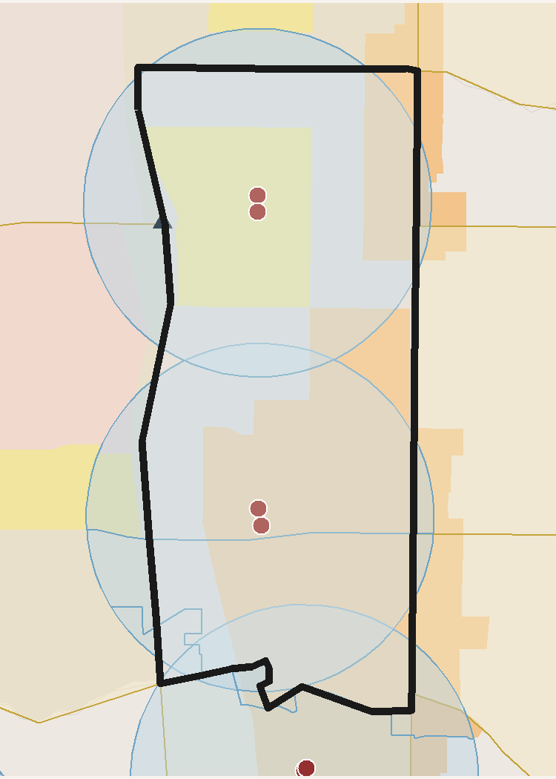
 | TRACT PROFILE | CENTERS & DISTRICTS | HOUSING & DEMOGRAPHICS
 | Population | WC MUorC % Total | Total Units
 | Households | Metropolitan Center | Residential Acres
 | Total Acres | Urban Center | SFD Acres
 | Developable Acres | City Center | MF / SFA Acres
 | OZ 1.0 Acres | Neighborhood Center | Poverty Rate
 | OZ 1.0 % of Tract | Employment District | Unemployment Rate
 |  | Industrial District | Median Family Income
 |  | Retail District
 | TRANSIT ACCESS | AUTO ACCESS | PROJECTED GROWTH 2027-37
 | Rail / BRT Stops | Freeway Exits | Households Added
 | SAP Acres | Exit Distance (mi) | Population Added
 | SAP % of Tract | ATO Jobs (Auto) | Jobs Added
 | ATO Jobs (Transit) | ATO Households (Auto) | ERU Added
 | ATO Households (Transit) |  | ERU per Acre
 | SAP Planned HH/ac

 | INCOME | POVERTY RATE | UNEMPLOYMENT

 | Access to Opportunities (ATO) Composite Score /100

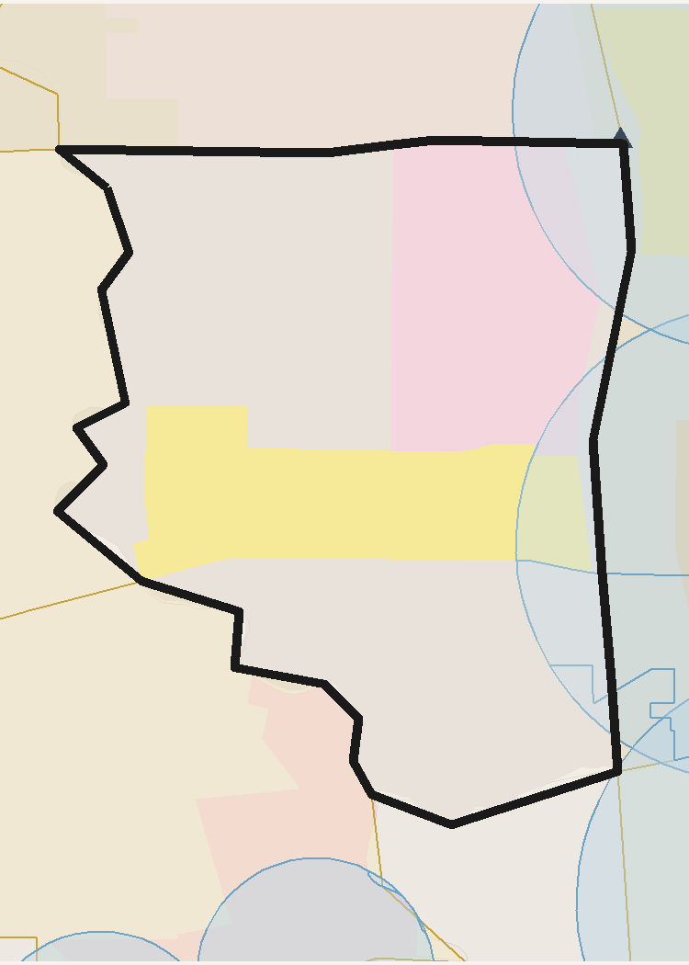
 | TRACT PROFILE | CENTERS & DISTRICTS | HOUSING & DEMOGRAPHICS
 | Population | WC MUorC % Total | Total Units
 | Households | Metropolitan Center | Residential Acres
 | Total Acres | Urban Center | SFD Acres
 | Developable Acres | City Center | MF / SFA Acres
 | OZ 1.0 Acres | Neighborhood Center | Poverty Rate
 | OZ 1.0 % of Tract | Employment District | Unemployment Rate
 |  | Industrial District | Median Family Income
 |  | Retail District
 | TRANSIT ACCESS | AUTO ACCESS | PROJECTED GROWTH 2027-37
 | Rail / BRT Stops | Freeway Exits | Households Added
 | SAP Acres | Exit Distance (mi) | Population Added
 | SAP % of Tract | ATO Jobs (Auto) | Jobs Added
 | ATO Jobs (Transit) | ATO Households (Auto) | ERU Added
 | ATO Households (Transit) |  | ERU per Acre
 | SAP Planned HH/ac

 | INCOME | POVERTY RATE | UNEMPLOYMENT

 | Access to Opportunities (ATO) Composite Score /100


 | TRACT PROFILE | CENTERS & DISTRICTS | HOUSING & DEMOGRAPHICS
 | Population | WC MUorC % Total | Total Units
 | Households | Metropolitan Center | Residential Acres
 | Total Acres | Urban Center | SFD Acres
 | Developable Acres | City Center | MF / SFA Acres
 | OZ 1.0 Acres | Neighborhood Center | Poverty Rate
 | OZ 1.0 % of Tract | Employment District | Unemployment Rate
 |  | Industrial District | Median Family Income
 |  | Retail District
 | TRANSIT ACCESS | AUTO ACCESS | PROJECTED GROWTH 2027-37
 | Rail / BRT Stops | Freeway Exits | Households Added
 | SAP Acres | Exit Distance (mi) | Population Added
 | SAP % of Tract | ATO Jobs (Auto) | Jobs Added
 | ATO Jobs (Transit) | ATO Households (Auto) | ERU Added
 | ATO Households (Transit) |  | ERU per Acre
 | SAP Planned HH/ac

 | INCOME | POVERTY RATE | UNEMPLOYMENT

 | Access to Opportunities (ATO) Composite Score /100


 | TRACT PROFILE | CENTERS & DISTRICTS | HOUSING & DEMOGRAPHICS
 | Population | WC MUorC % Total | Total Units
 | Households | Metropolitan Center | Residential Acres
 | Total Acres | Urban Center | SFD Acres
 | Developable Acres | City Center | MF / SFA Acres
 | OZ 1.0 Acres | Neighborhood Center | Poverty Rate
 | OZ 1.0 % of Tract | Employment District | Unemployment Rate
 |  | Industrial District | Median Family Income
 |  | Retail District
 | TRANSIT ACCESS | AUTO ACCESS | PROJECTED GROWTH 2027-37
 | Rail / BRT Stops | Freeway Exits | Households Added
 | SAP Acres | Exit Distance (mi) | Population Added
 | SAP % of Tract | ATO Jobs (Auto) | Jobs Added
 | ATO Jobs (Transit) | ATO Households (Auto) | ERU Added
 | ATO Households (Transit) |  | ERU per Acre
 | SAP Planned HH/ac

 | INCOME | POVERTY RATE | UNEMPLOYMENT

 | Access to Opportunities (ATO) Composite Score /100


 | TRACT PROFILE | CENTERS & DISTRICTS | HOUSING & DEMOGRAPHICS
 | Population | WC MUorC % Total | Total Units
 | Households | Metropolitan Center | Residential Acres
 | Total Acres | Urban Center | SFD Acres
 | Developable Acres | City Center | MF / SFA Acres
 | OZ 1.0 Acres | Neighborhood Center | Poverty Rate
 | OZ 1.0 % of Tract | Employment District | Unemployment Rate
 |  | Industrial District | Median Family Income
 |  | Retail District
 | TRANSIT ACCESS | AUTO ACCESS | PROJECTED GROWTH 2027-37
 | Rail / BRT Stops | Freeway Exits | Households Added
 | SAP Acres | Exit Distance (mi) | Population Added
 | SAP % of Tract | ATO Jobs (Auto) | Jobs Added
 | ATO Jobs (Transit) | ATO Households (Auto) | ERU Added
 | ATO Households (Transit) |  | ERU per Acre
 | SAP Planned HH/ac

 | INCOME | POVERTY RATE | UNEMPLOYMENT

 | Access to Opportunities (ATO) Composite Score /100


 | TRACT PROFILE | CENTERS & DISTRICTS | HOUSING & DEMOGRAPHICS
 | Population | WC MUorC % Total | Total Units
 | Households | Metropolitan Center | Residential Acres
 | Total Acres | Urban Center | SFD Acres
 | Developable Acres | City Center | MF / SFA Acres
 | OZ 1.0 Acres | Neighborhood Center | Poverty Rate
 | OZ 1.0 % of Tract | Employment District | Unemployment Rate
 |  | Industrial District | Median Family Income
 |  | Retail District
 | TRANSIT ACCESS | AUTO ACCESS | PROJECTED GROWTH 2027-37
 | Rail / BRT Stops | Freeway Exits | Households Added
 | SAP Acres | Exit Distance (mi) | Population Added
 | SAP % of Tract | ATO Jobs (Auto) | Jobs Added
 | ATO Jobs (Transit) | ATO Households (Auto) | ERU Added
 | ATO Households (Transit) |  | ERU per Acre
 | SAP Planned HH/ac

 | INCOME | POVERTY RATE | UNEMPLOYMENT

 | Access to Opportunities (ATO) Composite Score /100


 | TRACT PROFILE | CENTERS & DISTRICTS | HOUSING & DEMOGRAPHICS
 | Population | WC MUorC % Total | Total Units
 | Households | Metropolitan Center | Residential Acres
 | Total Acres | Urban Center | SFD Acres
 | Developable Acres | City Center | MF / SFA Acres
 | OZ 1.0 Acres | Neighborhood Center | Poverty Rate
 | OZ 1.0 % of Tract | Employment District | Unemployment Rate
 |  | Industrial District | Median Family Income
 |  | Retail District
 | TRANSIT ACCESS | AUTO ACCESS | PROJECTED GROWTH 2027-37
 | Rail / BRT Stops | Freeway Exits | Households Added
 | SAP Acres | Exit Distance (mi) | Population Added
 | SAP % of Tract | ATO Jobs (Auto) | Jobs Added
 | ATO Jobs (Transit) | ATO Households (Auto) | ERU Added
 | ATO Households (Transit) |  | ERU per Acre
 | SAP Planned HH/ac

 | INCOME | POVERTY RATE | UNEMPLOYMENT

 | Access to Opportunities (ATO) Composite Score /100


 | TRACT PROFILE | CENTERS & DISTRICTS | HOUSING & DEMOGRAPHICS
 | Population | WC MUorC % Total | Total Units
 | Households | Metropolitan Center | Residential Acres
 | Total Acres | Urban Center | SFD Acres
 | Developable Acres | City Center | MF / SFA Acres
 | OZ 1.0 Acres | Neighborhood Center | Poverty Rate
 | OZ 1.0 % of Tract | Employment District | Unemployment Rate
 |  | Industrial District | Median Family Income
 |  | Retail District
 | TRANSIT ACCESS | AUTO ACCESS | PROJECTED GROWTH 2027-37
 | Rail / BRT Stops | Freeway Exits | Households Added
 | SAP Acres | Exit Distance (mi) | Population Added
 | SAP % of Tract | ATO Jobs (Auto) | Jobs Added
 | ATO Jobs (Transit) | ATO Households (Auto) | ERU Added
 | ATO Households (Transit) |  | ERU per Acre
 | SAP Planned HH/ac

 | INCOME | POVERTY RATE | UNEMPLOYMENT

 | Access to Opportunities (ATO) Composite Score /100


 | TRACT PROFILE | CENTERS & DISTRICTS | HOUSING & DEMOGRAPHICS
 | Population | WC MUorC % Total | Total Units
 | Households | Metropolitan Center | Residential Acres
 | Total Acres | Urban Center | SFD Acres
 | Developable Acres | City Center | MF / SFA Acres
 | OZ 1.0 Acres | Neighborhood Center | Poverty Rate
 | OZ 1.0 % of Tract | Employment District | Unemployment Rate
 |  | Industrial District | Median Family Income
 |  | Retail District
 | TRANSIT ACCESS | AUTO ACCESS | PROJECTED GROWTH 2027-37
 | Rail / BRT Stops | Freeway Exits | Households Added
 | SAP Acres | Exit Distance (mi) | Population Added
 | SAP % of Tract | ATO Jobs (Auto) | Jobs Added
 | ATO Jobs (Transit) | ATO Households (Auto) | ERU Added
 | ATO Households (Transit) |  | ERU per Acre
 | SAP Planned HH/ac

 | INCOME | POVERTY RATE | UNEMPLOYMENT

 | Access to Opportunities (ATO) Composite Score /100


 | TRACT PROFILE | CENTERS & DISTRICTS | HOUSING & DEMOGRAPHICS
 | Population | WC MUorC % Total | Total Units
 | Households | Metropolitan Center | Residential Acres
 | Total Acres | Urban Center | SFD Acres
 | Developable Acres | City Center | MF / SFA Acres
 | OZ 1.0 Acres | Neighborhood Center | Poverty Rate
 | OZ 1.0 % of Tract | Employment District | Unemployment Rate
 |  | Industrial District | Median Family Income
 |  | Retail District
 | TRANSIT ACCESS | AUTO ACCESS | PROJECTED GROWTH 2027-37
 | Rail / BRT Stops | Freeway Exits | Households Added
 | SAP Acres | Exit Distance (mi) | Population Added
 | SAP % of Tract | ATO Jobs (Auto) | Jobs Added
 | ATO Jobs (Transit) | ATO Households (Auto) | ERU Added
 | ATO Households (Transit) |  | ERU per Acre
 | SAP Planned HH/ac

 | INCOME | POVERTY RATE | UNEMPLOYMENT

 | Access to Opportunities (ATO) Composite Score /100


 | TRACT PROFILE | CENTERS & DISTRICTS | HOUSING & DEMOGRAPHICS
 | Population | WC MUorC % Total | Total Units
 | Households | Metropolitan Center | Residential Acres
 | Total Acres | Urban Center | SFD Acres
 | Developable Acres | City Center | MF / SFA Acres
 | OZ 1.0 Acres | Neighborhood Center | Poverty Rate
 | OZ 1.0 % of Tract | Employment District | Unemployment Rate
 |  | Industrial District | Median Family Income
 |  | Retail District
 | TRANSIT ACCESS | AUTO ACCESS | PROJECTED GROWTH 2027-37
 | Rail / BRT Stops | Freeway Exits | Households Added
 | SAP Acres | Exit Distance (mi) | Population Added
 | SAP % of Tract | ATO Jobs (Auto) | Jobs Added
 | ATO Jobs (Transit) | ATO Households (Auto) | ERU Added
 | ATO Households (Transit) |  | ERU per Acre
 | SAP Planned HH/ac

 | INCOME | POVERTY RATE | UNEMPLOYMENT

 | Access to Opportunities (ATO) Composite Score /100


 | TRACT PROFILE | CENTERS & DISTRICTS | HOUSING & DEMOGRAPHICS
 | Population | WC MUorC % Total | Total Units
 | Households | Metropolitan Center | Residential Acres
 | Total Acres | Urban Center | SFD Acres
 | Developable Acres | City Center | MF / SFA Acres
 | OZ 1.0 Acres | Neighborhood Center | Poverty Rate
 | OZ 1.0 % of Tract | Employment District | Unemployment Rate
 |  | Industrial District | Median Family Income
 |  | Retail District
 | TRANSIT ACCESS | AUTO ACCESS | PROJECTED GROWTH 2027-37
 | Rail / BRT Stops | Freeway Exits | Households Added
 | SAP Acres | Exit Distance (mi) | Population Added
 | SAP % of Tract | ATO Jobs (Auto) | Jobs Added
 | ATO Jobs (Transit) | ATO Households (Auto) | ERU Added
 | ATO Households (Transit) |  | ERU per Acre
 | SAP Planned HH/ac

 | INCOME | POVERTY RATE | UNEMPLOYMENT

 | Access to Opportunities (ATO) Composite Score /100


 | TRACT PROFILE | CENTERS & DISTRICTS | HOUSING & DEMOGRAPHICS
 | Population | WC MUorC % Total | Total Units
 | Households | Metropolitan Center | Residential Acres
 | Total Acres | Urban Center | SFD Acres
 | Developable Acres | City Center | MF / SFA Acres
 | OZ 1.0 Acres | Neighborhood Center | Poverty Rate
 | OZ 1.0 % of Tract | Employment District | Unemployment Rate
 |  | Industrial District | Median Family Income
 |  | Retail District
 | TRANSIT ACCESS | AUTO ACCESS | PROJECTED GROWTH 2027-37
 | Rail / BRT Stops | Freeway Exits | Households Added
 | SAP Acres | Exit Distance (mi) | Population Added
 | SAP % of Tract | ATO Jobs (Auto) | Jobs Added
 | ATO Jobs (Transit) | ATO Households (Auto) | ERU Added
 | ATO Households (Transit) |  | ERU per Acre
 | SAP Planned HH/ac

 | INCOME | POVERTY RATE | UNEMPLOYMENT

 | Access to Opportunities (ATO) Composite Score /100


 | TRACT PROFILE | CENTERS & DISTRICTS | HOUSING & DEMOGRAPHICS
 | Population | WC MUorC % Total | Total Units
 | Households | Metropolitan Center | Residential Acres
 | Total Acres | Urban Center | SFD Acres
 | Developable Acres | City Center | MF / SFA Acres
 | OZ 1.0 Acres | Neighborhood Center | Poverty Rate
 | OZ 1.0 % of Tract | Employment District | Unemployment Rate
 |  | Industrial District | Median Family Income
 |  | Retail District
 | TRANSIT ACCESS | AUTO ACCESS | PROJECTED GROWTH 2027-37
 | Rail / BRT Stops | Freeway Exits | Households Added
 | SAP Acres | Exit Distance (mi) | Population Added
 | SAP % of Tract | ATO Jobs (Auto) | Jobs Added
 | ATO Jobs (Transit) | ATO Households (Auto) | ERU Added
 | ATO Households (Transit) |  | ERU per Acre
 | SAP Planned HH/ac

 | INCOME | POVERTY RATE | UNEMPLOYMENT

 | Access to Opportunities (ATO) Composite Score /100


 | TRACT PROFILE | CENTERS & DISTRICTS | HOUSING & DEMOGRAPHICS
 | Population | WC MUorC % Total | Total Units
 | Households | Metropolitan Center | Residential Acres
 | Total Acres | Urban Center | SFD Acres
 | Developable Acres | City Center | MF / SFA Acres
 | OZ 1.0 Acres | Neighborhood Center | Poverty Rate
 | OZ 1.0 % of Tract | Employment District | Unemployment Rate
 |  | Industrial District | Median Family Income
 |  | Retail District
 | TRANSIT ACCESS | AUTO ACCESS | PROJECTED GROWTH 2027-37
 | Rail / BRT Stops | Freeway Exits | Households Added
 | SAP Acres | Exit Distance (mi) | Population Added
 | SAP % of Tract | ATO Jobs (Auto) | Jobs Added
 | ATO Jobs (Transit) | ATO Households (Auto) | ERU Added
 | ATO Households (Transit) |  | ERU per Acre
 | SAP Planned HH/ac

 | INCOME | POVERTY RATE | UNEMPLOYMENT

 | Access to Opportunities (ATO) Composite Score /100


 | TRACT PROFILE | CENTERS & DISTRICTS | HOUSING & DEMOGRAPHICS
 | Population | WC MUorC % Total | Total Units
 | Households | Metropolitan Center | Residential Acres
 | Total Acres | Urban Center | SFD Acres
 | Developable Acres | City Center | MF / SFA Acres
 | OZ 1.0 Acres | Neighborhood Center | Poverty Rate
 | OZ 1.0 % of Tract | Employment District | Unemployment Rate
 |  | Industrial District | Median Family Income
 |  | Retail District
 | TRANSIT ACCESS | AUTO ACCESS | PROJECTED GROWTH 2027-37
 | Rail / BRT Stops | Freeway Exits | Households Added
 | SAP Acres | Exit Distance (mi) | Population Added
 | SAP % of Tract | ATO Jobs (Auto) | Jobs Added
 | ATO Jobs (Transit) | ATO Households (Auto) | ERU Added
 | ATO Households (Transit) |  | ERU per Acre
 | SAP Planned HH/ac

 | INCOME | POVERTY RATE | UNEMPLOYMENT

 | Access to Opportunities (ATO) Composite Score /100


 | TRACT PROFILE | CENTERS & DISTRICTS | HOUSING & DEMOGRAPHICS
 | Population | WC MUorC % Total | Total Units
 | Households | Metropolitan Center | Residential Acres
 | Total Acres | Urban Center | SFD Acres
 | Developable Acres | City Center | MF / SFA Acres
 | OZ 1.0 Acres | Neighborhood Center | Poverty Rate
 | OZ 1.0 % of Tract | Employment District | Unemployment Rate
 |  | Industrial District | Median Family Income
 |  | Retail District
 | TRANSIT ACCESS | AUTO ACCESS | PROJECTED GROWTH 2027-37
 | Rail / BRT Stops | Freeway Exits | Households Added
 | SAP Acres | Exit Distance (mi) | Population Added
 | SAP % of Tract | ATO Jobs (Auto) | Jobs Added
 | ATO Jobs (Transit) | ATO Households (Auto) | ERU Added
 | ATO Households (Transit) |  | ERU per Acre
 | SAP Planned HH/ac

 | INCOME | POVERTY RATE | UNEMPLOYMENT

 | Access to Opportunities (ATO) Composite Score /100


 | TRACT PROFILE | CENTERS & DISTRICTS | HOUSING & DEMOGRAPHICS
 | Population | WC MUorC % Total | Total Units
 | Households | Metropolitan Center | Residential Acres
 | Total Acres | Urban Center | SFD Acres
 | Developable Acres | City Center | MF / SFA Acres
 | OZ 1.0 Acres | Neighborhood Center | Poverty Rate
 | OZ 1.0 % of Tract | Employment District | Unemployment Rate
 |  | Industrial District | Median Family Income
 |  | Retail District
 | TRANSIT ACCESS | AUTO ACCESS | PROJECTED GROWTH 2027-37
 | Rail / BRT Stops | Freeway Exits | Households Added
 | SAP Acres | Exit Distance (mi) | Population Added
 | SAP % of Tract | ATO Jobs (Auto) | Jobs Added
 | ATO Jobs (Transit) | ATO Households (Auto) | ERU Added
 | ATO Households (Transit) |  | ERU per Acre
 | SAP Planned HH/ac

 | INCOME | POVERTY RATE | UNEMPLOYMENT

 | Access to Opportunities (ATO) Composite Score /100


 | TRACT PROFILE | CENTERS & DISTRICTS | HOUSING & DEMOGRAPHICS
 | Population | WC MUorC % Total | Total Units
 | Households | Metropolitan Center | Residential Acres
 | Total Acres | Urban Center | SFD Acres
 | Developable Acres | City Center | MF / SFA Acres
 | OZ 1.0 Acres | Neighborhood Center | Poverty Rate
 | OZ 1.0 % of Tract | Employment District | Unemployment Rate
 |  | Industrial District | Median Family Income
 |  | Retail District
 | TRANSIT ACCESS | AUTO ACCESS | PROJECTED GROWTH 2027-37
 | Rail / BRT Stops | Freeway Exits | Households Added
 | SAP Acres | Exit Distance (mi) | Population Added
 | SAP % of Tract | ATO Jobs (Auto) | Jobs Added
 | ATO Jobs (Transit) | ATO Households (Auto) | ERU Added
 | ATO Households (Transit) |  | ERU per Acre
 | SAP Planned HH/ac

 | INCOME | POVERTY RATE | UNEMPLOYMENT

 | Access to Opportunities (ATO) Composite Score /100


 | TRACT PROFILE | CENTERS & DISTRICTS | HOUSING & DEMOGRAPHICS
 | Population | WC MUorC % Total | Total Units
 | Households | Metropolitan Center | Residential Acres
 | Total Acres | Urban Center | SFD Acres
 | Developable Acres | City Center | MF / SFA Acres
 | OZ 1.0 Acres | Neighborhood Center | Poverty Rate
 | OZ 1.0 % of Tract | Employment District | Unemployment Rate
 |  | Industrial District | Median Family Income
 |  | Retail District
 | TRANSIT ACCESS | AUTO ACCESS | PROJECTED GROWTH 2027-37
 | Rail / BRT Stops | Freeway Exits | Households Added
 | SAP Acres | Exit Distance (mi) | Population Added
 | SAP % of Tract | ATO Jobs (Auto) | Jobs Added
 | ATO Jobs (Transit) | ATO Households (Auto) | ERU Added
 | ATO Households (Transit) |  | ERU per Acre
 | SAP Planned HH/ac

 | INCOME | POVERTY RATE | UNEMPLOYMENT

 | Access to Opportunities (ATO) Composite Score /100


 | TRACT PROFILE | CENTERS & DISTRICTS | HOUSING & DEMOGRAPHICS
 | Population | WC MUorC % Total | Total Units
 | Households | Metropolitan Center | Residential Acres
 | Total Acres | Urban Center | SFD Acres
 | Developable Acres | City Center | MF / SFA Acres
 | OZ 1.0 Acres | Neighborhood Center | Poverty Rate
 | OZ 1.0 % of Tract | Employment District | Unemployment Rate
 |  | Industrial District | Median Family Income
 |  | Retail District
 | TRANSIT ACCESS | AUTO ACCESS | PROJECTED GROWTH 2027-37
 | Rail / BRT Stops | Freeway Exits | Households Added
 | SAP Acres | Exit Distance (mi) | Population Added
 | SAP % of Tract | ATO Jobs (Auto) | Jobs Added
 | ATO Jobs (Transit) | ATO Households (Auto) | ERU Added
 | ATO Households (Transit) |  | ERU per Acre
 | SAP Planned HH/ac

 | INCOME | POVERTY RATE | UNEMPLOYMENT

 | Access to Opportunities (ATO) Composite Score /100


 | TRACT PROFILE | CENTERS & DISTRICTS | HOUSING & DEMOGRAPHICS
 | Population | WC MUorC % Total | Total Units
 | Households | Metropolitan Center | Residential Acres
 | Total Acres | Urban Center | SFD Acres
 | Developable Acres | City Center | MF / SFA Acres
 | OZ 1.0 Acres | Neighborhood Center | Poverty Rate
 | OZ 1.0 % of Tract | Employment District | Unemployment Rate
 |  | Industrial District | Median Family Income
 |  | Retail District
 | TRANSIT ACCESS | AUTO ACCESS | PROJECTED GROWTH 2027-37
 | Rail / BRT Stops | Freeway Exits | Households Added
 | SAP Acres | Exit Distance (mi) | Population Added
 | SAP % of Tract | ATO Jobs (Auto) | Jobs Added
 | ATO Jobs (Transit) | ATO Households (Auto) | ERU Added
 | ATO Households (Transit) |  | ERU per Acre
 | SAP Planned HH/ac

 | INCOME | POVERTY RATE | UNEMPLOYMENT

 | Access to Opportunities (ATO) Composite Score /100


 | TRACT PROFILE | CENTERS & DISTRICTS | HOUSING & DEMOGRAPHICS
 | Population | WC MUorC % Total | Total Units
 | Households | Metropolitan Center | Residential Acres
 | Total Acres | Urban Center | SFD Acres
 | Developable Acres | City Center | MF / SFA Acres
 | OZ 1.0 Acres | Neighborhood Center | Poverty Rate
 | OZ 1.0 % of Tract | Employment District | Unemployment Rate
 |  | Industrial District | Median Family Income
 |  | Retail District
 | TRANSIT ACCESS | AUTO ACCESS | PROJECTED GROWTH 2027-37
 | Rail / BRT Stops | Freeway Exits | Households Added
 | SAP Acres | Exit Distance (mi) | Population Added
 | SAP % of Tract | ATO Jobs (Auto) | Jobs Added
 | ATO Jobs (Transit) | ATO Households (Auto) | ERU Added
 | ATO Households (Transit) |  | ERU per Acre
 | SAP Planned HH/ac

 | INCOME | POVERTY RATE | UNEMPLOYMENT

 | Access to Opportunities (ATO) Composite Score /100


 | TRACT PROFILE | CENTERS & DISTRICTS | HOUSING & DEMOGRAPHICS
 | Population | WC MUorC % Total | Total Units
 | Households | Metropolitan Center | Residential Acres
 | Total Acres | Urban Center | SFD Acres
 | Developable Acres | City Center | MF / SFA Acres
 | OZ 1.0 Acres | Neighborhood Center | Poverty Rate
 | OZ 1.0 % of Tract | Employment District | Unemployment Rate
 |  | Industrial District | Median Family Income
 |  | Retail District
 | TRANSIT ACCESS | AUTO ACCESS | PROJECTED GROWTH 2027-37
 | Rail / BRT Stops | Freeway Exits | Households Added
 | SAP Acres | Exit Distance (mi) | Population Added
 | SAP % of Tract | ATO Jobs (Auto) | Jobs Added
 | ATO Jobs (Transit) | ATO Households (Auto) | ERU Added
 | ATO Households (Transit) |  | ERU per Acre
 | SAP Planned HH/ac

 | INCOME | POVERTY RATE | UNEMPLOYMENT

 | Access to Opportunities (ATO) Composite Score /100


 | TRACT PROFILE | CENTERS & DISTRICTS | HOUSING & DEMOGRAPHICS
 | Population | WC MUorC % Total | Total Units
 | Households | Metropolitan Center | Residential Acres
 | Total Acres | Urban Center | SFD Acres
 | Developable Acres | City Center | MF / SFA Acres
 | OZ 1.0 Acres | Neighborhood Center | Poverty Rate
 | OZ 1.0 % of Tract | Employment District | Unemployment Rate
 |  | Industrial District | Median Family Income
 |  | Retail District
 | TRANSIT ACCESS | AUTO ACCESS | PROJECTED GROWTH 2027-37
 | Rail / BRT Stops | Freeway Exits | Households Added
 | SAP Acres | Exit Distance (mi) | Population Added
 | SAP % of Tract | ATO Jobs (Auto) | Jobs Added
 | ATO Jobs (Transit) | ATO Households (Auto) | ERU Added
 | ATO Households (Transit) |  | ERU per Acre
 | SAP Planned HH/ac

 | INCOME | POVERTY RATE | UNEMPLOYMENT

 | Access to Opportunities (ATO) Composite Score /100


 | TRACT PROFILE | CENTERS & DISTRICTS | HOUSING & DEMOGRAPHICS
 | Population | WC MUorC % Total | Total Units
 | Households | Metropolitan Center | Residential Acres
 | Total Acres | Urban Center | SFD Acres
 | Developable Acres | City Center | MF / SFA Acres
 | OZ 1.0 Acres | Neighborhood Center | Poverty Rate
 | OZ 1.0 % of Tract | Employment District | Unemployment Rate
 |  | Industrial District | Median Family Income
 |  | Retail District
 | TRANSIT ACCESS | AUTO ACCESS | PROJECTED GROWTH 2027-37
 | Rail / BRT Stops | Freeway Exits | Households Added
 | SAP Acres | Exit Distance (mi) | Population Added
 | SAP % of Tract | ATO Jobs (Auto) | Jobs Added
 | ATO Jobs (Transit) | ATO Households (Auto) | ERU Added
 | ATO Households (Transit) |  | ERU per Acre
 | SAP Planned HH/ac

 | INCOME | POVERTY RATE | UNEMPLOYMENT

 | Access to Opportunities (ATO) Composite Score /100


 | TRACT PROFILE | CENTERS & DISTRICTS | HOUSING & DEMOGRAPHICS
 | Population | WC MUorC % Total | Total Units
 | Households | Metropolitan Center | Residential Acres
 | Total Acres | Urban Center | SFD Acres
 | Developable Acres | City Center | MF / SFA Acres
 | OZ 1.0 Acres | Neighborhood Center | Poverty Rate
 | OZ 1.0 % of Tract | Employment District | Unemployment Rate
 |  | Industrial District | Median Family Income
 |  | Retail District
 | TRANSIT ACCESS | AUTO ACCESS | PROJECTED GROWTH 2027-37
 | Rail / BRT Stops | Freeway Exits | Households Added
 | SAP Acres | Exit Distance (mi) | Population Added
 | SAP % of Tract | ATO Jobs (Auto) | Jobs Added
 | ATO Jobs (Transit) | ATO Households (Auto) | ERU Added
 | ATO Households (Transit) |  | ERU per Acre
 | SAP Planned HH/ac

 | INCOME | POVERTY RATE | UNEMPLOYMENT

 | Access to Opportunities (ATO) Composite Score /100

Tooele County
Tooele County — OZ 2.0 Candidate Tracts — Detail
WFRC & MAG Region | Generated June 01, 2026


 | TRACT PROFILE | CENTERS & DISTRICTS | HOUSING & DEMOGRAPHICS
 | Population | WC MUorC % Total | Total Units
 | Households | Metropolitan Center | Residential Acres
 | Total Acres | Urban Center | SFD Acres
 | Developable Acres | City Center | MF / SFA Acres
 | OZ 1.0 Acres | Neighborhood Center | Poverty Rate
 | OZ 1.0 % of Tract | Employment District | Unemployment Rate
 |  | Industrial District | Median Family Income
 |  | Retail District
 | TRANSIT ACCESS | AUTO ACCESS | PROJECTED GROWTH 2027-37
 | Rail / BRT Stops | Freeway Exits | Households Added
 | SAP Acres | Exit Distance (mi) | Population Added
 | SAP % of Tract | ATO Jobs (Auto) | Jobs Added
 | ATO Jobs (Transit) | ATO Households (Auto) | ERU Added
 | ATO Households (Transit) |  | ERU per Acre
 | SAP Planned HH/ac

 | INCOME | POVERTY RATE | UNEMPLOYMENT

 | Access to Opportunities (ATO) Composite Score /100


 | TRACT PROFILE | CENTERS & DISTRICTS | HOUSING & DEMOGRAPHICS
 | Population | WC MUorC % Total | Total Units
 | Households | Metropolitan Center | Residential Acres
 | Total Acres | Urban Center | SFD Acres
 | Developable Acres | City Center | MF / SFA Acres
 | OZ 1.0 Acres | Neighborhood Center | Poverty Rate
 | OZ 1.0 % of Tract | Employment District | Unemployment Rate
 |  | Industrial District | Median Family Income
 |  | Retail District
 | TRANSIT ACCESS | AUTO ACCESS | PROJECTED GROWTH 2027-37
 | Rail / BRT Stops | Freeway Exits | Households Added
 | SAP Acres | Exit Distance (mi) | Population Added
 | SAP % of Tract | ATO Jobs (Auto) | Jobs Added
 | ATO Jobs (Transit) | ATO Households (Auto) | ERU Added
 | ATO Households (Transit) |  | ERU per Acre
 | SAP Planned HH/ac

 | INCOME | POVERTY RATE | UNEMPLOYMENT

 | Access to Opportunities (ATO) Composite Score /100


 | TRACT PROFILE | CENTERS & DISTRICTS | HOUSING & DEMOGRAPHICS
 | Population | WC MUorC % Total | Total Units
 | Households | Metropolitan Center | Residential Acres
 | Total Acres | Urban Center | SFD Acres
 | Developable Acres | City Center | MF / SFA Acres
 | OZ 1.0 Acres | Neighborhood Center | Poverty Rate
 | OZ 1.0 % of Tract | Employment District | Unemployment Rate
 |  | Industrial District | Median Family Income
 |  | Retail District
 | TRANSIT ACCESS | AUTO ACCESS | PROJECTED GROWTH 2027-37
 | Rail / BRT Stops | Freeway Exits | Households Added
 | SAP Acres | Exit Distance (mi) | Population Added
 | SAP % of Tract | ATO Jobs (Auto) | Jobs Added
 | ATO Jobs (Transit) | ATO Households (Auto) | ERU Added
 | ATO Households (Transit) |  | ERU per Acre
 | SAP Planned HH/ac

 | INCOME | POVERTY RATE | UNEMPLOYMENT

 | Access to Opportunities (ATO) Composite Score /100

Utah County
Utah County — OZ 2.0 Candidate Tracts — Detail
WFRC & MAG Region | Generated June 01, 2026


 | TRACT PROFILE | CENTERS & DISTRICTS | HOUSING & DEMOGRAPHICS
 | Population | WC MUorC % Total | Total Units
 | Households | Metropolitan Center | Residential Acres
 | Total Acres | Urban Center | SFD Acres
 | Developable Acres | City Center | MF / SFA Acres
 | OZ 1.0 Acres | Neighborhood Center | Poverty Rate
 | OZ 1.0 % of Tract | Employment District | Unemployment Rate
 |  | Industrial District | Median Family Income
 |  | Retail District
 | TRANSIT ACCESS | AUTO ACCESS | PROJECTED GROWTH 2027-37
 | Rail / BRT Stops | Freeway Exits | Households Added
 | SAP Acres | Exit Distance (mi) | Population Added
 | SAP % of Tract | ATO Jobs (Auto) | Jobs Added
 | ATO Jobs (Transit) | ATO Households (Auto) | ERU Added
 | ATO Households (Transit) |  | ERU per Acre
 | SAP Planned HH/ac

 | INCOME | POVERTY RATE | UNEMPLOYMENT

 | Access to Opportunities (ATO) Composite Score /100


 | TRACT PROFILE | CENTERS & DISTRICTS | HOUSING & DEMOGRAPHICS
 | Population | WC MUorC % Total | Total Units
 | Households | Metropolitan Center | Residential Acres
 | Total Acres | Urban Center | SFD Acres
 | Developable Acres | City Center | MF / SFA Acres
 | OZ 1.0 Acres | Neighborhood Center | Poverty Rate
 | OZ 1.0 % of Tract | Employment District | Unemployment Rate
 |  | Industrial District | Median Family Income
 |  | Retail District
 | TRANSIT ACCESS | AUTO ACCESS | PROJECTED GROWTH 2027-37
 | Rail / BRT Stops | Freeway Exits | Households Added
 | SAP Acres | Exit Distance (mi) | Population Added
 | SAP % of Tract | ATO Jobs (Auto) | Jobs Added
 | ATO Jobs (Transit) | ATO Households (Auto) | ERU Added
 | ATO Households (Transit) |  | ERU per Acre
 | SAP Planned HH/ac

 | INCOME | POVERTY RATE | UNEMPLOYMENT

 | Access to Opportunities (ATO) Composite Score /100


 | TRACT PROFILE | CENTERS & DISTRICTS | HOUSING & DEMOGRAPHICS
 | Population | WC MUorC % Total | Total Units
 | Households | Metropolitan Center | Residential Acres
 | Total Acres | Urban Center | SFD Acres
 | Developable Acres | City Center | MF / SFA Acres
 | OZ 1.0 Acres | Neighborhood Center | Poverty Rate
 | OZ 1.0 % of Tract | Employment District | Unemployment Rate
 |  | Industrial District | Median Family Income
 |  | Retail District
 | TRANSIT ACCESS | AUTO ACCESS | PROJECTED GROWTH 2027-37
 | Rail / BRT Stops | Freeway Exits | Households Added
 | SAP Acres | Exit Distance (mi) | Population Added
 | SAP % of Tract | ATO Jobs (Auto) | Jobs Added
 | ATO Jobs (Transit) | ATO Households (Auto) | ERU Added
 | ATO Households (Transit) |  | ERU per Acre
 | SAP Planned HH/ac

 | INCOME | POVERTY RATE | UNEMPLOYMENT

 | Access to Opportunities (ATO) Composite Score /100


 | TRACT PROFILE | CENTERS & DISTRICTS | HOUSING & DEMOGRAPHICS
 | Population | WC MUorC % Total | Total Units
 | Households | Metropolitan Center | Residential Acres
 | Total Acres | Urban Center | SFD Acres
 | Developable Acres | City Center | MF / SFA Acres
 | OZ 1.0 Acres | Neighborhood Center | Poverty Rate
 | OZ 1.0 % of Tract | Employment District | Unemployment Rate
 |  | Industrial District | Median Family Income
 |  | Retail District
 | TRANSIT ACCESS | AUTO ACCESS | PROJECTED GROWTH 2027-37
 | Rail / BRT Stops | Freeway Exits | Households Added
 | SAP Acres | Exit Distance (mi) | Population Added
 | SAP % of Tract | ATO Jobs (Auto) | Jobs Added
 | ATO Jobs (Transit) | ATO Households (Auto) | ERU Added
 | ATO Households (Transit) |  | ERU per Acre
 | SAP Planned HH/ac

 | INCOME | POVERTY RATE | UNEMPLOYMENT

 | Access to Opportunities (ATO) Composite Score /100


 | TRACT PROFILE | CENTERS & DISTRICTS | HOUSING & DEMOGRAPHICS
 | Population | WC MUorC % Total | Total Units
 | Households | Metropolitan Center | Residential Acres
 | Total Acres | Urban Center | SFD Acres
 | Developable Acres | City Center | MF / SFA Acres
 | OZ 1.0 Acres | Neighborhood Center | Poverty Rate
 | OZ 1.0 % of Tract | Employment District | Unemployment Rate
 |  | Industrial District | Median Family Income
 |  | Retail District
 | TRANSIT ACCESS | AUTO ACCESS | PROJECTED GROWTH 2027-37
 | Rail / BRT Stops | Freeway Exits | Households Added
 | SAP Acres | Exit Distance (mi) | Population Added
 | SAP % of Tract | ATO Jobs (Auto) | Jobs Added
 | ATO Jobs (Transit) | ATO Households (Auto) | ERU Added
 | ATO Households (Transit) |  | ERU per Acre
 | SAP Planned HH/ac

 | INCOME | POVERTY RATE | UNEMPLOYMENT

 | Access to Opportunities (ATO) Composite Score /100


 | TRACT PROFILE | CENTERS & DISTRICTS | HOUSING & DEMOGRAPHICS
 | Population | WC MUorC % Total | Total Units
 | Households | Metropolitan Center | Residential Acres
 | Total Acres | Urban Center | SFD Acres
 | Developable Acres | City Center | MF / SFA Acres
 | OZ 1.0 Acres | Neighborhood Center | Poverty Rate
 | OZ 1.0 % of Tract | Employment District | Unemployment Rate
 |  | Industrial District | Median Family Income
 |  | Retail District
 | TRANSIT ACCESS | AUTO ACCESS | PROJECTED GROWTH 2027-37
 | Rail / BRT Stops | Freeway Exits | Households Added
 | SAP Acres | Exit Distance (mi) | Population Added
 | SAP % of Tract | ATO Jobs (Auto) | Jobs Added
 | ATO Jobs (Transit) | ATO Households (Auto) | ERU Added
 | ATO Households (Transit) |  | ERU per Acre
 | SAP Planned HH/ac

 | INCOME | POVERTY RATE | UNEMPLOYMENT

 | Access to Opportunities (ATO) Composite Score /100


 | TRACT PROFILE | CENTERS & DISTRICTS | HOUSING & DEMOGRAPHICS
 | Population | WC MUorC % Total | Total Units
 | Households | Metropolitan Center | Residential Acres
 | Total Acres | Urban Center | SFD Acres
 | Developable Acres | City Center | MF / SFA Acres
 | OZ 1.0 Acres | Neighborhood Center | Poverty Rate
 | OZ 1.0 % of Tract | Employment District | Unemployment Rate
 |  | Industrial District | Median Family Income
 |  | Retail District
 | TRANSIT ACCESS | AUTO ACCESS | PROJECTED GROWTH 2027-37
 | Rail / BRT Stops | Freeway Exits | Households Added
 | SAP Acres | Exit Distance (mi) | Population Added
 | SAP % of Tract | ATO Jobs (Auto) | Jobs Added
 | ATO Jobs (Transit) | ATO Households (Auto) | ERU Added
 | ATO Households (Transit) |  | ERU per Acre
 | SAP Planned HH/ac

 | INCOME | POVERTY RATE | UNEMPLOYMENT

 | Access to Opportunities (ATO) Composite Score /100


 | TRACT PROFILE | CENTERS & DISTRICTS | HOUSING & DEMOGRAPHICS
 | Population | WC MUorC % Total | Total Units
 | Households | Metropolitan Center | Residential Acres
 | Total Acres | Urban Center | SFD Acres
 | Developable Acres | City Center | MF / SFA Acres
 | OZ 1.0 Acres | Neighborhood Center | Poverty Rate
 | OZ 1.0 % of Tract | Employment District | Unemployment Rate
 |  | Industrial District | Median Family Income
 |  | Retail District
 | TRANSIT ACCESS | AUTO ACCESS | PROJECTED GROWTH 2027-37
 | Rail / BRT Stops | Freeway Exits | Households Added
 | SAP Acres | Exit Distance (mi) | Population Added
 | SAP % of Tract | ATO Jobs (Auto) | Jobs Added
 | ATO Jobs (Transit) | ATO Households (Auto) | ERU Added
 | ATO Households (Transit) |  | ERU per Acre
 | SAP Planned HH/ac

 | INCOME | POVERTY RATE | UNEMPLOYMENT

 | Access to Opportunities (ATO) Composite Score /100


 | TRACT PROFILE | CENTERS & DISTRICTS | HOUSING & DEMOGRAPHICS
 | Population | WC MUorC % Total | Total Units
 | Households | Metropolitan Center | Residential Acres
 | Total Acres | Urban Center | SFD Acres
 | Developable Acres | City Center | MF / SFA Acres
 | OZ 1.0 Acres | Neighborhood Center | Poverty Rate
 | OZ 1.0 % of Tract | Employment District | Unemployment Rate
 |  | Industrial District | Median Family Income
 |  | Retail District
 | TRANSIT ACCESS | AUTO ACCESS | PROJECTED GROWTH 2027-37
 | Rail / BRT Stops | Freeway Exits | Households Added
 | SAP Acres | Exit Distance (mi) | Population Added
 | SAP % of Tract | ATO Jobs (Auto) | Jobs Added
 | ATO Jobs (Transit) | ATO Households (Auto) | ERU Added
 | ATO Households (Transit) |  | ERU per Acre
 | SAP Planned HH/ac

 | INCOME | POVERTY RATE | UNEMPLOYMENT

 | Access to Opportunities (ATO) Composite Score /100


 | TRACT PROFILE | CENTERS & DISTRICTS | HOUSING & DEMOGRAPHICS
 | Population | WC MUorC % Total | Total Units
 | Households | Metropolitan Center | Residential Acres
 | Total Acres | Urban Center | SFD Acres
 | Developable Acres | City Center | MF / SFA Acres
 | OZ 1.0 Acres | Neighborhood Center | Poverty Rate
 | OZ 1.0 % of Tract | Employment District | Unemployment Rate
 |  | Industrial District | Median Family Income
 |  | Retail District
 | TRANSIT ACCESS | AUTO ACCESS | PROJECTED GROWTH 2027-37
 | Rail / BRT Stops | Freeway Exits | Households Added
 | SAP Acres | Exit Distance (mi) | Population Added
 | SAP % of Tract | ATO Jobs (Auto) | Jobs Added
 | ATO Jobs (Transit) | ATO Households (Auto) | ERU Added
 | ATO Households (Transit) |  | ERU per Acre
 | SAP Planned HH/ac

 | INCOME | POVERTY RATE | UNEMPLOYMENT

 | Access to Opportunities (ATO) Composite Score /100


 | TRACT PROFILE | CENTERS & DISTRICTS | HOUSING & DEMOGRAPHICS
 | Population | WC MUorC % Total | Total Units
 | Households | Metropolitan Center | Residential Acres
 | Total Acres | Urban Center | SFD Acres
 | Developable Acres | City Center | MF / SFA Acres
 | OZ 1.0 Acres | Neighborhood Center | Poverty Rate
 | OZ 1.0 % of Tract | Employment District | Unemployment Rate
 |  | Industrial District | Median Family Income
 |  | Retail District
 | TRANSIT ACCESS | AUTO ACCESS | PROJECTED GROWTH 2027-37
 | Rail / BRT Stops | Freeway Exits | Households Added
 | SAP Acres | Exit Distance (mi) | Population Added
 | SAP % of Tract | ATO Jobs (Auto) | Jobs Added
 | ATO Jobs (Transit) | ATO Households (Auto) | ERU Added
 | ATO Households (Transit) |  | ERU per Acre
 | SAP Planned HH/ac

 | INCOME | POVERTY RATE | UNEMPLOYMENT

 | Access to Opportunities (ATO) Composite Score /100


 | TRACT PROFILE | CENTERS & DISTRICTS | HOUSING & DEMOGRAPHICS
 | Population | WC MUorC % Total | Total Units
 | Households | Metropolitan Center | Residential Acres
 | Total Acres | Urban Center | SFD Acres
 | Developable Acres | City Center | MF / SFA Acres
 | OZ 1.0 Acres | Neighborhood Center | Poverty Rate
 | OZ 1.0 % of Tract | Employment District | Unemployment Rate
 |  | Industrial District | Median Family Income
 |  | Retail District
 | TRANSIT ACCESS | AUTO ACCESS | PROJECTED GROWTH 2027-37
 | Rail / BRT Stops | Freeway Exits | Households Added
 | SAP Acres | Exit Distance (mi) | Population Added
 | SAP % of Tract | ATO Jobs (Auto) | Jobs Added
 | ATO Jobs (Transit) | ATO Households (Auto) | ERU Added
 | ATO Households (Transit) |  | ERU per Acre
 | SAP Planned HH/ac

 | INCOME | POVERTY RATE | UNEMPLOYMENT

 | Access to Opportunities (ATO) Composite Score /100


 | TRACT PROFILE | CENTERS & DISTRICTS | HOUSING & DEMOGRAPHICS
 | Population | WC MUorC % Total | Total Units
 | Households | Metropolitan Center | Residential Acres
 | Total Acres | Urban Center | SFD Acres
 | Developable Acres | City Center | MF / SFA Acres
 | OZ 1.0 Acres | Neighborhood Center | Poverty Rate
 | OZ 1.0 % of Tract | Employment District | Unemployment Rate
 |  | Industrial District | Median Family Income
 |  | Retail District
 | TRANSIT ACCESS | AUTO ACCESS | PROJECTED GROWTH 2027-37
 | Rail / BRT Stops | Freeway Exits | Households Added
 | SAP Acres | Exit Distance (mi) | Population Added
 | SAP % of Tract | ATO Jobs (Auto) | Jobs Added
 | ATO Jobs (Transit) | ATO Households (Auto) | ERU Added
 | ATO Households (Transit) |  | ERU per Acre
 | SAP Planned HH/ac

 | INCOME | POVERTY RATE | UNEMPLOYMENT

 | Access to Opportunities (ATO) Composite Score /100


 | TRACT PROFILE | CENTERS & DISTRICTS | HOUSING & DEMOGRAPHICS
 | Population | WC MUorC % Total | Total Units
 | Households | Metropolitan Center | Residential Acres
 | Total Acres | Urban Center | SFD Acres
 | Developable Acres | City Center | MF / SFA Acres
 | OZ 1.0 Acres | Neighborhood Center | Poverty Rate
 | OZ 1.0 % of Tract | Employment District | Unemployment Rate
 |  | Industrial District | Median Family Income
 |  | Retail District
 | TRANSIT ACCESS | AUTO ACCESS | PROJECTED GROWTH 2027-37
 | Rail / BRT Stops | Freeway Exits | Households Added
 | SAP Acres | Exit Distance (mi) | Population Added
 | SAP % of Tract | ATO Jobs (Auto) | Jobs Added
 | ATO Jobs (Transit) | ATO Households (Auto) | ERU Added
 | ATO Households (Transit) |  | ERU per Acre
 | SAP Planned HH/ac

 | INCOME | POVERTY RATE | UNEMPLOYMENT

 | Access to Opportunities (ATO) Composite Score /100


 | TRACT PROFILE | CENTERS & DISTRICTS | HOUSING & DEMOGRAPHICS
 | Population | WC MUorC % Total | Total Units
 | Households | Metropolitan Center | Residential Acres
 | Total Acres | Urban Center | SFD Acres
 | Developable Acres | City Center | MF / SFA Acres
 | OZ 1.0 Acres | Neighborhood Center | Poverty Rate
 | OZ 1.0 % of Tract | Employment District | Unemployment Rate
 |  | Industrial District | Median Family Income
 |  | Retail District
 | TRANSIT ACCESS | AUTO ACCESS | PROJECTED GROWTH 2027-37
 | Rail / BRT Stops | Freeway Exits | Households Added
 | SAP Acres | Exit Distance (mi) | Population Added
 | SAP % of Tract | ATO Jobs (Auto) | Jobs Added
 | ATO Jobs (Transit) | ATO Households (Auto) | ERU Added
 | ATO Households (Transit) |  | ERU per Acre
 | SAP Planned HH/ac

 | INCOME | POVERTY RATE | UNEMPLOYMENT

 | Access to Opportunities (ATO) Composite Score /100


 | TRACT PROFILE | CENTERS & DISTRICTS | HOUSING & DEMOGRAPHICS
 | Population | WC MUorC % Total | Total Units
 | Households | Metropolitan Center | Residential Acres
 | Total Acres | Urban Center | SFD Acres
 | Developable Acres | City Center | MF / SFA Acres
 | OZ 1.0 Acres | Neighborhood Center | Poverty Rate
 | OZ 1.0 % of Tract | Employment District | Unemployment Rate
 |  | Industrial District | Median Family Income
 |  | Retail District
 | TRANSIT ACCESS | AUTO ACCESS | PROJECTED GROWTH 2027-37
 | Rail / BRT Stops | Freeway Exits | Households Added
 | SAP Acres | Exit Distance (mi) | Population Added
 | SAP % of Tract | ATO Jobs (Auto) | Jobs Added
 | ATO Jobs (Transit) | ATO Households (Auto) | ERU Added
 | ATO Households (Transit) |  | ERU per Acre
 | SAP Planned HH/ac

 | INCOME | POVERTY RATE | UNEMPLOYMENT

 | Access to Opportunities (ATO) Composite Score /100


 | TRACT PROFILE | CENTERS & DISTRICTS | HOUSING & DEMOGRAPHICS
 | Population | WC MUorC % Total | Total Units
 | Households | Metropolitan Center | Residential Acres
 | Total Acres | Urban Center | SFD Acres
 | Developable Acres | City Center | MF / SFA Acres
 | OZ 1.0 Acres | Neighborhood Center | Poverty Rate
 | OZ 1.0 % of Tract | Employment District | Unemployment Rate
 |  | Industrial District | Median Family Income
 |  | Retail District
 | TRANSIT ACCESS | AUTO ACCESS | PROJECTED GROWTH 2027-37
 | Rail / BRT Stops | Freeway Exits | Households Added
 | SAP Acres | Exit Distance (mi) | Population Added
 | SAP % of Tract | ATO Jobs (Auto) | Jobs Added
 | ATO Jobs (Transit) | ATO Households (Auto) | ERU Added
 | ATO Households (Transit) |  | ERU per Acre
 | SAP Planned HH/ac

 | INCOME | POVERTY RATE | UNEMPLOYMENT

 | Access to Opportunities (ATO) Composite Score /100


 | TRACT PROFILE | CENTERS & DISTRICTS | HOUSING & DEMOGRAPHICS
 | Population | WC MUorC % Total | Total Units
 | Households | Metropolitan Center | Residential Acres
 | Total Acres | Urban Center | SFD Acres
 | Developable Acres | City Center | MF / SFA Acres
 | OZ 1.0 Acres | Neighborhood Center | Poverty Rate
 | OZ 1.0 % of Tract | Employment District | Unemployment Rate
 |  | Industrial District | Median Family Income
 |  | Retail District
 | TRANSIT ACCESS | AUTO ACCESS | PROJECTED GROWTH 2027-37
 | Rail / BRT Stops | Freeway Exits | Households Added
 | SAP Acres | Exit Distance (mi) | Population Added
 | SAP % of Tract | ATO Jobs (Auto) | Jobs Added
 | ATO Jobs (Transit) | ATO Households (Auto) | ERU Added
 | ATO Households (Transit) |  | ERU per Acre
 | SAP Planned HH/ac

 | INCOME | POVERTY RATE | UNEMPLOYMENT

 | Access to Opportunities (ATO) Composite Score /100


 | TRACT PROFILE | CENTERS & DISTRICTS | HOUSING & DEMOGRAPHICS
 | Population | WC MUorC % Total | Total Units
 | Households | Metropolitan Center | Residential Acres
 | Total Acres | Urban Center | SFD Acres
 | Developable Acres | City Center | MF / SFA Acres
 | OZ 1.0 Acres | Neighborhood Center | Poverty Rate
 | OZ 1.0 % of Tract | Employment District | Unemployment Rate
 |  | Industrial District | Median Family Income
 |  | Retail District
 | TRANSIT ACCESS | AUTO ACCESS | PROJECTED GROWTH 2027-37
 | Rail / BRT Stops | Freeway Exits | Households Added
 | SAP Acres | Exit Distance (mi) | Population Added
 | SAP % of Tract | ATO Jobs (Auto) | Jobs Added
 | ATO Jobs (Transit) | ATO Households (Auto) | ERU Added
 | ATO Households (Transit) |  | ERU per Acre
 | SAP Planned HH/ac

 | INCOME | POVERTY RATE | UNEMPLOYMENT

 | Access to Opportunities (ATO) Composite Score /100


 | TRACT PROFILE | CENTERS & DISTRICTS | HOUSING & DEMOGRAPHICS
 | Population | WC MUorC % Total | Total Units
 | Households | Metropolitan Center | Residential Acres
 | Total Acres | Urban Center | SFD Acres
 | Developable Acres | City Center | MF / SFA Acres
 | OZ 1.0 Acres | Neighborhood Center | Poverty Rate
 | OZ 1.0 % of Tract | Employment District | Unemployment Rate
 |  | Industrial District | Median Family Income
 |  | Retail District
 | TRANSIT ACCESS | AUTO ACCESS | PROJECTED GROWTH 2027-37
 | Rail / BRT Stops | Freeway Exits | Households Added
 | SAP Acres | Exit Distance (mi) | Population Added
 | SAP % of Tract | ATO Jobs (Auto) | Jobs Added
 | ATO Jobs (Transit) | ATO Households (Auto) | ERU Added
 | ATO Households (Transit) |  | ERU per Acre
 | SAP Planned HH/ac

 | INCOME | POVERTY RATE | UNEMPLOYMENT

 | Access to Opportunities (ATO) Composite Score /100


 | TRACT PROFILE | CENTERS & DISTRICTS | HOUSING & DEMOGRAPHICS
 | Population | WC MUorC % Total | Total Units
 | Households | Metropolitan Center | Residential Acres
 | Total Acres | Urban Center | SFD Acres
 | Developable Acres | City Center | MF / SFA Acres
 | OZ 1.0 Acres | Neighborhood Center | Poverty Rate
 | OZ 1.0 % of Tract | Employment District | Unemployment Rate
 |  | Industrial District | Median Family Income
 |  | Retail District
 | TRANSIT ACCESS | AUTO ACCESS | PROJECTED GROWTH 2027-37
 | Rail / BRT Stops | Freeway Exits | Households Added
 | SAP Acres | Exit Distance (mi) | Population Added
 | SAP % of Tract | ATO Jobs (Auto) | Jobs Added
 | ATO Jobs (Transit) | ATO Households (Auto) | ERU Added
 | ATO Households (Transit) |  | ERU per Acre
 | SAP Planned HH/ac

 | INCOME | POVERTY RATE | UNEMPLOYMENT

 | Access to Opportunities (ATO) Composite Score /100


 | TRACT PROFILE | CENTERS & DISTRICTS | HOUSING & DEMOGRAPHICS
 | Population | WC MUorC % Total | Total Units
 | Households | Metropolitan Center | Residential Acres
 | Total Acres | Urban Center | SFD Acres
 | Developable Acres | City Center | MF / SFA Acres
 | OZ 1.0 Acres | Neighborhood Center | Poverty Rate
 | OZ 1.0 % of Tract | Employment District | Unemployment Rate
 |  | Industrial District | Median Family Income
 |  | Retail District
 | TRANSIT ACCESS | AUTO ACCESS | PROJECTED GROWTH 2027-37
 | Rail / BRT Stops | Freeway Exits | Households Added
 | SAP Acres | Exit Distance (mi) | Population Added
 | SAP % of Tract | ATO Jobs (Auto) | Jobs Added
 | ATO Jobs (Transit) | ATO Households (Auto) | ERU Added
 | ATO Households (Transit) |  | ERU per Acre
 | SAP Planned HH/ac

 | INCOME | POVERTY RATE | UNEMPLOYMENT

 | Access to Opportunities (ATO) Composite Score /100


 | TRACT PROFILE | CENTERS & DISTRICTS | HOUSING & DEMOGRAPHICS
 | Population | WC MUorC % Total | Total Units
 | Households | Metropolitan Center | Residential Acres
 | Total Acres | Urban Center | SFD Acres
 | Developable Acres | City Center | MF / SFA Acres
 | OZ 1.0 Acres | Neighborhood Center | Poverty Rate
 | OZ 1.0 % of Tract | Employment District | Unemployment Rate
 |  | Industrial District | Median Family Income
 |  | Retail District
 | TRANSIT ACCESS | AUTO ACCESS | PROJECTED GROWTH 2027-37
 | Rail / BRT Stops | Freeway Exits | Households Added
 | SAP Acres | Exit Distance (mi) | Population Added
 | SAP % of Tract | ATO Jobs (Auto) | Jobs Added
 | ATO Jobs (Transit) | ATO Households (Auto) | ERU Added
 | ATO Households (Transit) |  | ERU per Acre
 | SAP Planned HH/ac

 | INCOME | POVERTY RATE | UNEMPLOYMENT

 | Access to Opportunities (ATO) Composite Score /100


 | TRACT PROFILE | CENTERS & DISTRICTS | HOUSING & DEMOGRAPHICS
 | Population | WC MUorC % Total | Total Units
 | Households | Metropolitan Center | Residential Acres
 | Total Acres | Urban Center | SFD Acres
 | Developable Acres | City Center | MF / SFA Acres
 | OZ 1.0 Acres | Neighborhood Center | Poverty Rate
 | OZ 1.0 % of Tract | Employment District | Unemployment Rate
 |  | Industrial District | Median Family Income
 |  | Retail District
 | TRANSIT ACCESS | AUTO ACCESS | PROJECTED GROWTH 2027-37
 | Rail / BRT Stops | Freeway Exits | Households Added
 | SAP Acres | Exit Distance (mi) | Population Added
 | SAP % of Tract | ATO Jobs (Auto) | Jobs Added
 | ATO Jobs (Transit) | ATO Households (Auto) | ERU Added
 | ATO Households (Transit) |  | ERU per Acre
 | SAP Planned HH/ac

 | INCOME | POVERTY RATE | UNEMPLOYMENT

 | Access to Opportunities (ATO) Composite Score /100


 | TRACT PROFILE | CENTERS & DISTRICTS | HOUSING & DEMOGRAPHICS
 | Population | WC MUorC % Total | Total Units
 | Households | Metropolitan Center | Residential Acres
 | Total Acres | Urban Center | SFD Acres
 | Developable Acres | City Center | MF / SFA Acres
 | OZ 1.0 Acres | Neighborhood Center | Poverty Rate
 | OZ 1.0 % of Tract | Employment District | Unemployment Rate
 |  | Industrial District | Median Family Income
 |  | Retail District
 | TRANSIT ACCESS | AUTO ACCESS | PROJECTED GROWTH 2027-37
 | Rail / BRT Stops | Freeway Exits | Households Added
 | SAP Acres | Exit Distance (mi) | Population Added
 | SAP % of Tract | ATO Jobs (Auto) | Jobs Added
 | ATO Jobs (Transit) | ATO Households (Auto) | ERU Added
 | ATO Households (Transit) |  | ERU per Acre
 | SAP Planned HH/ac

 | INCOME | POVERTY RATE | UNEMPLOYMENT

 | Access to Opportunities (ATO) Composite Score /100


 | TRACT PROFILE | CENTERS & DISTRICTS | HOUSING & DEMOGRAPHICS
 | Population | WC MUorC % Total | Total Units
 | Households | Metropolitan Center | Residential Acres
 | Total Acres | Urban Center | SFD Acres
 | Developable Acres | City Center | MF / SFA Acres
 | OZ 1.0 Acres | Neighborhood Center | Poverty Rate
 | OZ 1.0 % of Tract | Employment District | Unemployment Rate
 |  | Industrial District | Median Family Income
 |  | Retail District
 | TRANSIT ACCESS | AUTO ACCESS | PROJECTED GROWTH 2027-37
 | Rail / BRT Stops | Freeway Exits | Households Added
 | SAP Acres | Exit Distance (mi) | Population Added
 | SAP % of Tract | ATO Jobs (Auto) | Jobs Added
 | ATO Jobs (Transit) | ATO Households (Auto) | ERU Added
 | ATO Households (Transit) |  | ERU per Acre
 | SAP Planned HH/ac

 | INCOME | POVERTY RATE | UNEMPLOYMENT

 | Access to Opportunities (ATO) Composite Score /100


 | TRACT PROFILE | CENTERS & DISTRICTS | HOUSING & DEMOGRAPHICS
 | Population | WC MUorC % Total | Total Units
 | Households | Metropolitan Center | Residential Acres
 | Total Acres | Urban Center | SFD Acres
 | Developable Acres | City Center | MF / SFA Acres
 | OZ 1.0 Acres | Neighborhood Center | Poverty Rate
 | OZ 1.0 % of Tract | Employment District | Unemployment Rate
 |  | Industrial District | Median Family Income
 |  | Retail District
 | TRANSIT ACCESS | AUTO ACCESS | PROJECTED GROWTH 2027-37
 | Rail / BRT Stops | Freeway Exits | Households Added
 | SAP Acres | Exit Distance (mi) | Population Added
 | SAP % of Tract | ATO Jobs (Auto) | Jobs Added
 | ATO Jobs (Transit) | ATO Households (Auto) | ERU Added
 | ATO Households (Transit) |  | ERU per Acre
 | SAP Planned HH/ac

 | INCOME | POVERTY RATE | UNEMPLOYMENT

 | Access to Opportunities (ATO) Composite Score /100


 | TRACT PROFILE | CENTERS & DISTRICTS | HOUSING & DEMOGRAPHICS
 | Population | WC MUorC % Total | Total Units
 | Households | Metropolitan Center | Residential Acres
 | Total Acres | Urban Center | SFD Acres
 | Developable Acres | City Center | MF / SFA Acres
 | OZ 1.0 Acres | Neighborhood Center | Poverty Rate
 | OZ 1.0 % of Tract | Employment District | Unemployment Rate
 |  | Industrial District | Median Family Income
 |  | Retail District
 | TRANSIT ACCESS | AUTO ACCESS | PROJECTED GROWTH 2027-37
 | Rail / BRT Stops | Freeway Exits | Households Added
 | SAP Acres | Exit Distance (mi) | Population Added
 | SAP % of Tract | ATO Jobs (Auto) | Jobs Added
 | ATO Jobs (Transit) | ATO Households (Auto) | ERU Added
 | ATO Households (Transit) |  | ERU per Acre
 | SAP Planned HH/ac

 | INCOME | POVERTY RATE | UNEMPLOYMENT

 | Access to Opportunities (ATO) Composite Score /100


 | TRACT PROFILE | CENTERS & DISTRICTS | HOUSING & DEMOGRAPHICS
 | Population | WC MUorC % Total | Total Units
 | Households | Metropolitan Center | Residential Acres
 | Total Acres | Urban Center | SFD Acres
 | Developable Acres | City Center | MF / SFA Acres
 | OZ 1.0 Acres | Neighborhood Center | Poverty Rate
 | OZ 1.0 % of Tract | Employment District | Unemployment Rate
 |  | Industrial District | Median Family Income
 |  | Retail District
 | TRANSIT ACCESS | AUTO ACCESS | PROJECTED GROWTH 2027-37
 | Rail / BRT Stops | Freeway Exits | Households Added
 | SAP Acres | Exit Distance (mi) | Population Added
 | SAP % of Tract | ATO Jobs (Auto) | Jobs Added
 | ATO Jobs (Transit) | ATO Households (Auto) | ERU Added
 | ATO Households (Transit) |  | ERU per Acre
 | SAP Planned HH/ac

 | INCOME | POVERTY RATE | UNEMPLOYMENT

 | Access to Opportunities (ATO) Composite Score /100


 | TRACT PROFILE | CENTERS & DISTRICTS | HOUSING & DEMOGRAPHICS
 | Population | WC MUorC % Total | Total Units
 | Households | Metropolitan Center | Residential Acres
 | Total Acres | Urban Center | SFD Acres
 | Developable Acres | City Center | MF / SFA Acres
 | OZ 1.0 Acres | Neighborhood Center | Poverty Rate
 | OZ 1.0 % of Tract | Employment District | Unemployment Rate
 |  | Industrial District | Median Family Income
 |  | Retail District
 | TRANSIT ACCESS | AUTO ACCESS | PROJECTED GROWTH 2027-37
 | Rail / BRT Stops | Freeway Exits | Households Added
 | SAP Acres | Exit Distance (mi) | Population Added
 | SAP % of Tract | ATO Jobs (Auto) | Jobs Added
 | ATO Jobs (Transit) | ATO Households (Auto) | ERU Added
 | ATO Households (Transit) |  | ERU per Acre
 | SAP Planned HH/ac

 | INCOME | POVERTY RATE | UNEMPLOYMENT

 | Access to Opportunities (ATO) Composite Score /100

