Table 1
Research Brief December 2022
Utah’s School- and College-Age Populations 2021 Long-Term Planning Projection Update By: Mallory Bateman, Director of Demographic Research; Heidi Prior, Research Associate; Andrea Brandley, Senior Education Analyst; Assistance provided by Charley Hart, Graduate Assistant.
 |  |  |  |  |  |  |  |  |  |  |  |  |  |  |  |  |  |  |  |  |  |  |  | School-Age State Level Projections Projections indicate an increase to Utah’s school-age, or 5-to-17-year-old, population of nearly 106,000 between 2020 and 2060, with a 0.3% average annual rate of change. This growth will not occur uniformly over the projection period. The school-age population is projected to decrease throughout the 2020s and 2030s before recovering and resuming growth in the 2040s. However, declines are projected to begin again in the 2050s. Projections show Utah’s school-age population will grow slower than any other age group in the state. Utah’s total population is expected to increase by 66% from 2020 to 2060, with the 65 and over population quadrupling. Meanwhile, the
Projections indicate an increase of over 284,000 residents in the school- and college-age groups in Utah between 2020 and 2060. However, this growth is slower than other age groups, and both age groups decrease as shares of the total population. As the state population reaches 5.5 million in 2060, school- and college-age populations are projected to represent 15% and 10% of all Utahns, respectively, compared with 21% and 11% in 2021. While trends vary by county, Utah County drives a significant portion of the absolute growth of both these populations, being home to two-thirds of school-age and one-third of college-age population growth.
The age detail provided in the long-term planning projections published by the Kem C. Gardner Policy Institute illustrates how changes in age structure and declines in births impact the school (5-to-17-year-old) and college (18-to-24-year-old) age populations throughout the state over the next four decades. |  |  |  |  |  |  |  |  |  |  |  |  |  |  |  |  |  |  |  |  |  | school-age population is projected to grow by 15%. As shown in Figure 3, while the absolute school-age population increases, it also declines as a share of the state’s population.
Figure 1: Utah School-Age and College-Age Estimates and Projections, 1980-2060 |  |  |  |  |  |  |  |  |  |  |  |  |  |  |  |  |  |  |  |  | Figure 2: Annual Absolute and Percent Change of Utah School-Age Population, 2010-2060
1,000,000 800,000 600,000 400,000 200,000 0 |  |  | School-Age Estimate |  |  |  |  |  |  |  |  | College-Age Estimate |  |  |  |  |  | 16,000 12,000 8,000 4,000 0 -4,000 -8,000 2010 2020 2030 2040 |  |  |  |  |  |  |  |  |  |  |  |  |  | 2050 | 4% 3% 2% 1% 0% -1% -2% 2060
 |  |  |  |  |  |  | School-Age Projection |  |  |  |  |  | College-Age Projection |  |  |  |  |  | Annual Change Annual Projected Absolute Change
Note: School-age reflects population ages 5 to 17. College-age reflects population ages 18 to 24. Sources: Governor’s Office of Planning and Budget, Population estimates by sex and single year of age: 1980-1989; Governor’s Office of Management and Budget (1990 to 2009), Kem C. Gardner Policy Institute Utah State and County Annual Population Estimates by Single Year of Age and Sex: 2010-2019, Kem C. Gardner Policy Institute State and County Projections 2020-2060 |  |  |  |  |  |  |  |  |  |  |  |  |  |  |  |  |  |  | Annual Percent Change Annual Projected Percent Change Note: School-age reflects population ages 5 to 17. Source: Kem C. Gardner Policy Institute State and County Projections 2020-2060
Kem C. Gardner Policy Institute I 411 East South Temple Street, Salt Lake City, Utah 84111 I 801-585-5618 I gardner.utah.edu
Figure 3: Utah School-Age Population and Share of Overall Population, 2010-2060 |  |  |  |  |  |  |  |  |  |  |  |  |  |  |  |  |  |  |  |  |  | Utah County, expected to double in total population by 2060, is projected to drive two-thirds of the growth in Utah’s school-age
22.0%
21.5%
17.6%
16.4%
15.8%
14.9%
 | 900,000 800,000 700,000 600,000 500,000 400,000 300,000 200,000 100,000 0 |  |  | 2010 2020 2030 2040 2050 2060 |  |  |  |  |  |  |  |  |  |  |  |  | 25% 20% 15% 10% 5% 0% |  |  | population in the same period. Over the next 40 years, this fast-growing county is expected to gain more than 73,000 school-age children, increasing by 46%. Washington County is projected to gain the second largest number of school-age residents, adding nearly 16,000 school-age children. Cache County ranks third for absolute growth in school-age population, adding more than 9,000 school-age residents. Though smaller in total numbers, the school-age population in Wasatch County is projected to increase by 50%, more than any other county in Utah.
School-Age Total Population School-Age Share of Total Population Note: School-age reflects population ages 5 to 17. Source: Kem C. Gardner Policy Institute State and County Projections 2020-2060 School-Age County Level Projections Although 16 counties in Utah are projected to add school-age residents, the share these young residents represent in the total population is projected to decrease. Nearly 93% of the statewide change is driven by three counties – Utah, Washington, and Cache. |  |  |  |  |  |  |  |  |  |  |  |  |  |  |  |  |  |  |  |  |  | Thirteen counties are projected to experience declines in their school-age population between 2020 and 2060. The school-age populations in Carbon, Millard, Salt Lake, Summit, and Sevier counties are projected to decline by more than 1,000 residents. Utah’s smaller counties experience the most significant declines, with decreases of 48% and 39% in Millard County and Emery County, respectively.
32%
-1%
-5%
-48%
50%
5%
8%
5%
-15%
-25%
-1%
8%
50%
-7%
46%
-10%
29%
-26%
17%
-48%
-39%
15%
-32%
0%
-4%
21%
20%
5%
-16%
43%
5%
73,089
-1,874
9,058
-188
-30
2,716
4,179 ²⁷⁸
-1,199
-47
-1,874
1,569
4,050
-342
73,089
-868
899
-1,050
990
-1,470
-891
245
-1,598
2
-11
85
2,401
48
-520
15,798
74
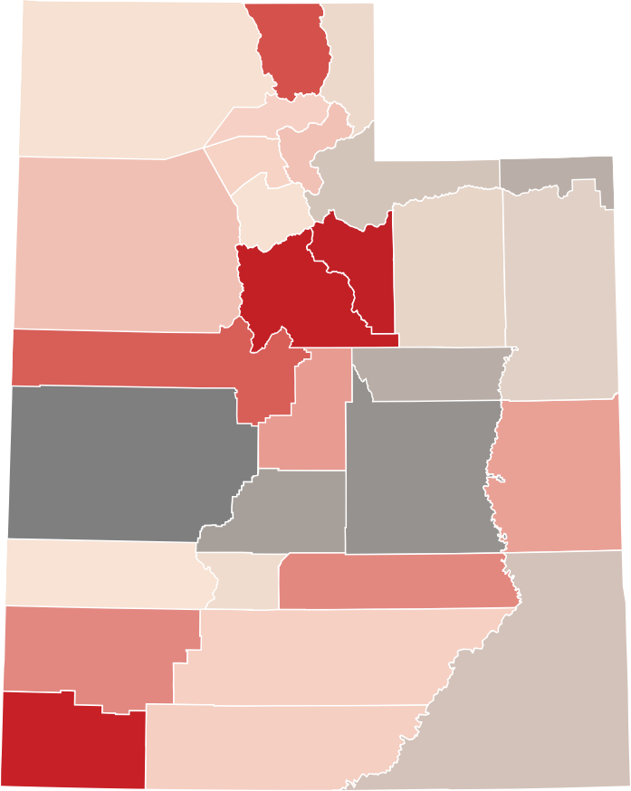 Figure 4: Percent Change in School-Age Population by County, 2020 to 2060 Note: School-age reflects population ages 5 to 17. Source: Kem C. Gardner Policy Institute State and County Projections 2020-2060 |  |  |  |  |  |  |  |  |  |  |  |  |  |  |  |  |  |  |  | 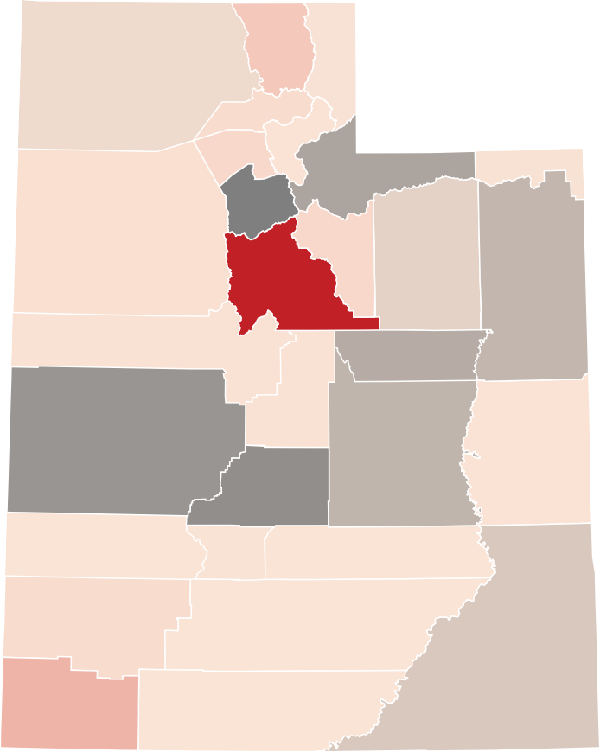 Figure 5: Absolute Change in School-Age Population by County, 2020 to 2060 Note: School-age reflects population ages 5 to 17. Source: Kem C. Gardner Policy Institute State and County Projections 2020-2060
College-Age State Level Projections Between 2020 and 2060, Utah’s college-age, or 18-to-24-year-old, population is projected to increase by almost 178,000 residents with an average annual rate of change of 0.9%. This population is projected to increase signficiantly during the 2020s. Projections indicate that the college-age population will |  |  |  |  |  |  |  |  |  |  |  |  |  |  |  |  |  |  |  |  |  | age residents. Millard County is the only county projected to lose college-age residents. Projections show Wasatch, Washington, and Morgan counties doubling their college-age populations between 2020 and 2060. The college-age population in Wasatch County is projected to grow 131%, more than any other county.
decline during the 2030s and early 2040s before transitioning
back to a more moderated growth pattern. Despite periods of growth in Utah’s college-age population, this age group is anticipated to grow at a slower pace than |  |  |  |  |  |  |  |  |  |  |  |  |  |  |  |  |  |  |  |  |  | Figure 7: Utah College-Age Population and Share of Overall Population, 2010-2060 600,000 |  |  |  |  |  |  |  |  |  |  |  | 14.0%
11.5%
10.4%
9.5%
9.9%
9.0%
other adult age groups in Utah. While the state’s population is expected to grow by 66% from 2020 to 2060, the college-age population is projected to increase by 52%. In contrast, the population of adults 65 and older is expected to grow more than 200%. As shown in Figure 7, while the absolute college-age population grows between 2020 and 2060, the group’s share of the population drops from 11.5% to 9.5%. |  |  |  |  |  |  |  |  |  |  |  |  |  |  |  |  |  |  |  |  |  | 500,000 400,000 300,000 200,000 100,000 0 |  |  | 12.2% 2010 2020 2030 2040 2050 2060 |  |  |  |  |  |  |  |  | 12.0% 10.0% 8.0% 6.0% 4.0% 2.0%
College-Age County Level Projections Five of the six counties projected to experience the most significant increases to their college-age populations are home |  |  |  |  |  |  |  |  |  |  |  |  |  |  |  |  |  |  |  |  |  | College-Age Population College-Age Share of Total Population Note: College-age reflects population ages 18 to 24. Source: Kem C. Gardner Policy Institute State and County Projections 2020-2060
to higher education institutions. Between 2020 and 2060, Utah
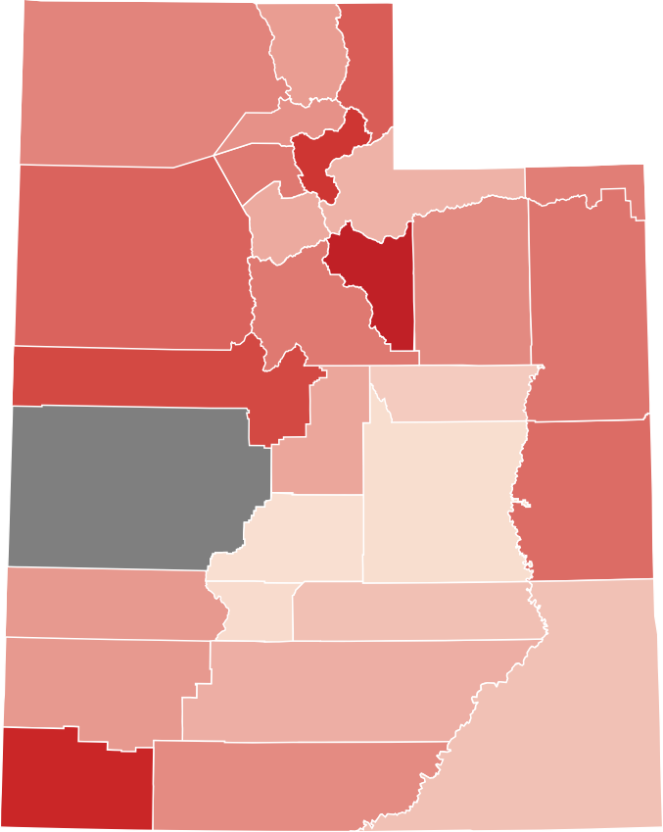
42%
56%
78%
-16%
131%
48%
_{62%} 100%
34%
29%
58%
74%
131%
52%
62%
64%
90%
15%
36%
-16%
4%
69%
3%
44%
6%
21%
44%
31%
20%
110%
52%
County will see the greatest gains in college-age population of any county, with nearly 63,000 new college-age residents accounting for more than 35% of statewide college-age growth. More than 34,000 new college-age residents in Salt Lake County account for almost one-fifth of Utah's college-age growth. Davis County ranks third, adding almost 20,000 to its college-age population, while Cache, Weber, and Washington counties are each expected to add more than 10,000 college- Figure 6: Annual Absolute and Percent Change in Utah College-Age Population, 2010-2060 |  |  |  |  |  |  |  |  |  |  |  |  |  |  |  |  |  |  |  |  |  | Figure 8: Percent Change in College-Age Population by County, 2020 to 2060
20,000 6% 15,000
10,000 3%
5,000
 |  | 0 0%
-5,000 -10,000 |  |  | -3%
 |  | 2010 2020 2030 2040 2050 2060 Annual Change Annual Projected Absolute Change Annual Percent Change Annual Projected Percent Change
Note: College-age reflects population ages 18 to 24. Source: Kem C. Gardner Policy Institute State and County Projections 2020-2060 |  |  |  |  |  |  |  |  |  |  |  |  |  |  |  |  |  | Note: College-age reflects population ages 18 to 24. Source: Kem C. Gardner Policy Institute State and County Projections 2020-2060

Figure 9: Absolute Change in College-Age Population by County, 2020 to 2060 Note: College-age reflects population ages 18 to 24. Source: Kem C. Gardner Policy Institute State and County Projections 2020-2060
 |  |  |  |  |  |  |  |  |  |  |  |  |  |  |  |  |  |  |  |  |  |  |  | A comparison with the last version of this report Kem C. Gardner Policy Institute last released a report on School- and College-Age Populations in 2017, based on the 2017 Long-Term Demographic and Economic projections. The new Long-Term Planning Projections, released in 2022, included revised inputs and produced different results. INPUTS: - Updated Population Estimates – The 2021 vintage included total population data from the decennial census and intercensal estimates. - Different Fertility Assumptions – Updated fertility rates indicate a continued decline since the 2017 projection series. As a result, the 2021 vintage projects lower fertility rates and lower births. RESULTS: - Projected School-Age Growth Cut in Half- The 2017 vintage predicted an increase of over 290,000 school-age children between 2015 and 2060, or a 44% increase. Current projections indicate an increase of nearly 159,000 school-age children during the same period, resulting in a much lower 24% increase. - Larger College-Age Population- Current projections indicate nearly 520,000 college-age adults will reside in Utah in 2060. The 2017 vintage projected a 2060 population of over 490,000 college-age residents.
How do Utah’s past birth patterns impact future populations? Looking back at birth patterns can provide insights into the fluctuations in the younger population, by linking the number of annual births in past years to the current age structure. To analyze the 5-to-17-year-old population in 2030, sum all the births between 2013 and 2025 and compare with the projected results. Figure 10 provides the starting point of births over time in the U.S. and Utah. In the 2021 long-term planning projections, the decrease in the school-age population between 2025 and 2035 corresponds to fewer cumulative births 5-17 years prior. A projected decrease in the college-age population beginning in the 2030s corresponds to fewer births in the 2010s, followed by a projected decrease in births until the mid-2020s. This exercise is helpful for understanding birth patterns and their effects on the current population in addition to inferring how many children in Utah are migrants or how many born here moved away. The differences between the cumulative births

 |  |  |  |  |  |  |  |  |  |  |  |  |  |  |  |  |  |  |  |  |  |  |  | and the projected population, seen in Figure 11, highlight the impact of migration to these age groups. The analysis of these patterns serves as a reminder that it takes time to see the effect of demographic forces.

U.S. Peak, 1957
4.31 million
Utah Peak,1980–82
Over 41,000
U.S. Peak, 2007
4.32 million
Utah Peak, 2008
55,357
Figure 10: Historical Birth Series in Utah and the United States, 1940-2020
5,000,000 4,500,000 4,000,000 3,500,000 3,000,000 2,500,000 2,000,000 1,500,000 1,000,000 500,000 - |  |  |  |  | 60,000 50,000 40,000 30,000 20,000 10,000 -
U.S. Utah Sources: National Center for Health Statistics; Utah Department of Health
Figure 11: Utah Cumulative Births, Population Estimates, and Population Projections, 1980-2060 900,000
800,000
700,000
600,000
500,000
400,000
300,000
200,000
100,000
0 1980 1985 1990 1995 2000 2005 2010 2015 2020 2025 2030 2035 2040 2045 2050 2055 2060
 |  |  |  |  |  |  |  | Births 5-17 years ago |  | School-Age Estimate |  |  |  |  | School-Age Projection |  |  |  |  |  |  | Births 18-24 years ago |  |  |  |  | College-Age Estimate |  | College-Age Projection
Note: School-age reflects population ages 5 to 17. College-age reflects population ages 18 to 24. Sources: National Center for Health Statistics; Utah Department of Health, Governor’s Office of Planning and Budget, Population estimates by sex and single year of age: 1980-1989; Governor’s Office of Management and Budget (1990 to 2009), Kem C. Gardner Policy Institute Utah State and County Annual Population Estimates by Single Year of Age and Sex: 2010-2019, Kem C. Gardner Policy Institute State and County Projections 2020-2060
Table 1: Utah School-Age and College-Age Population, 2020-2060
Year |  |  |  |  |  | Total Population |  |  |  |  | School-Age Population (5-17) |  |  |  |  |  |  |  |  |  |  |  |  |  |  | College-Age Population (18-24)
 |  |  |  |  |  |  |  |  |  |  | Total |  |  | Absolute Growth |  |  |  | Growth Rate |  |  |  |  | Share of Total Pop. |  |  | Total |  | Absolute Growth |  | Growth Rate |  |  | Share of Total Pop.
2020 |  |  |  |  |  | 3,284,823 |  |  |  |  | 706,174 |  |  | 10,097 |  |  |  | 1.5% |  |  |  |  | 21.5% |  |  | 341,924 |  | 2,479 |  | 0.7% |  |  | 10.4%
2021 |  |  |  |  |  | 3,343,552 |  |  |  |  | 712,289 |  |  | 6,115 |  |  |  | 0.9% |  |  |  |  | 21.3% |  |  | 356,612 |  | 14,688 |  | 4.3% |  |  | 10.7%
2022 |  |  |  |  |  | 3,403,190 |  |  |  |  | 716,069 |  |  | 3,780 |  |  |  | 0.5% |  |  |  |  | 21.0% |  |  | 369,573 |  | 12,961 |  | 3.6% |  |  | 10.9%
2023 |  |  |  |  |  | 3,464,887 |  |  |  |  | 716,832 |  |  | 763 |  |  |  | 0.1% |  |  |  |  | 20.7% |  |  | 386,153 |  | 16,580 |  | 4.5% |  |  | 11.1%
2024 |  |  |  |  |  | 3,526,992 |  |  |  |  | 715,188 |  |  | -1,644 |  |  |  | -0.2% |  |  |  |  | 20.3% |  |  | 405,171 |  | 19,018 |  | 4.9% |  |  | 11.5%
2025 |  |  |  |  |  | 3,588,325 |  |  |  |  | 711,428 |  |  | -3,760 |  |  |  | -0.5% |  |  |  |  | 19.8% |  |  | 423,181 |  | 18,010 |  | 4.4% |  |  | 11.8%
2026 |  |  |  |  |  | 3,647,847 |  |  |  |  | 706,181 |  |  | -5,247 |  |  |  | -0.7% |  |  |  |  | 19.4% |  |  | 444,492 |  | 21,311 |  | 5.0% |  |  | 12.2%
2027 |  |  |  |  |  | 3,707,365 |  |  |  |  | 699,955 |  |  | -6,226 |  |  |  | -0.9% |  |  |  |  | 18.9% |  |  | 461,304 |  | 16,812 |  | 3.8% |  |  | 12.4%
2028 |  |  |  |  |  | 3,765,808 |  |  |  |  | 692,969 |  |  | -6,986 |  |  |  | -1.0% |  |  |  |  | 18.4% |  |  | 468,652 |  | 7,348 |  | 1.6% |  |  | 12.4%
2029 |  |  |  |  |  | 3,823,047 |  |  |  |  | 686,577 |  |  | -6,392 |  |  |  | -0.9% |  |  |  |  | 18.0% |  |  | 472,857 |  | 4,205 |  | 0.9% |  |  | 12.4%
2030 |  |  |  |  |  | 3,879,161 |  |  |  |  | 681,572 |  |  | -5,005 |  |  |  | -0.7% |  |  |  |  | 17.6% |  |  | 474,362 |  | 1,505 |  | 0.3% |  |  | 12.2%
2031 |  |  |  |  |  | 3,934,602 |  |  |  |  | 676,240 |  |  | -5,332 |  |  |  | -0.8% |  |  |  |  | 17.2% |  |  | 474,798 |  | 436 |  | 0.1% |  |  | 12.1%
2032 |  |  |  |  |  | 3,989,928 |  |  |  |  | 671,647 |  |  | -4,593 |  |  |  | -0.7% |  |  |  |  | 16.8% |  |  | 473,538 |  | -1,260 |  | -0.3% |  |  | 11.9%
2033 |  |  |  |  |  | 4,045,806 |  |  |  |  | 667,883 |  |  | -3,764 |  |  |  | -0.6% |  |  |  |  | 16.5% |  |  | 471,616 |  | -1,922 |  | -0.4% |  |  | 11.7%
2034 |  |  |  |  |  | 4,101,768 |  |  |  |  | 665,561 |  |  | -2,322 |  |  |  | -0.3% |  |  |  |  | 16.2% |  |  | 469,143 |  | -2,473 |  | -0.5% |  |  | 11.4%
2035 |  |  |  |  |  | 4,158,181 |  |  |  |  | 665,512 |  |  | -49 |  |  |  | 0.0% |  |  |  |  | 16.0% |  |  | 465,753 |  | -3,390 |  | -0.7% |  |  | 11.2%
2036 |  |  |  |  |  | 4,214,821 |  |  |  |  | 668,850 |  |  | 3,338 |  |  |  | 0.5% |  |  |  |  | 15.9% |  |  | 461,245 |  | -4,508 |  | -1.0% |  |  | 10.9%
2037 |  |  |  |  |  | 4,271,482 |  |  |  |  | 674,546 |  |  | 5,696 |  |  |  | 0.9% |  |  |  |  | 15.8% |  |  | 457,161 |  | -4,084 |  | -0.9% |  |  | 10.7%
2038 |  |  |  |  |  | 4,327,969 |  |  |  |  | 682,242 |  |  | 7,696 |  |  |  | 1.1% |  |  |  |  | 15.8% |  |  | 451,693 |  | -5,468 |  | -1.2% |  |  | 10.4%
2039 |  |  |  |  |  | 4,384,194 |  |  |  |  | 691,631 |  |  | 9,389 |  |  |  | 1.4% |  |  |  |  | 15.8% |  |  | 445,548 |  | -6,145 |  | -1.4% |  |  | 10.2%
2040 |  |  |  |  |  | 4,440,560 |  |  |  |  | 702,706 |  |  | 11,075 |  |  |  | 1.6% |  |  |  |  | 15.8% |  |  | 438,677 |  | -6,871 |  | -1.5% |  |  | 9.9%
2041 |  |  |  |  |  | 4,496,514 |  |  |  |  | 715,056 |  |  | 12,350 |  |  |  | 1.8% |  |  |  |  | 15.9% |  |  | 431,836 |  | -6,841 |  | -1.6% |  |  | 9.6%
2042 |  |  |  |  |  | 4,551,744 |  |  |  |  | 728,040 |  |  | 12,984 |  |  |  | 1.8% |  |  |  |  | 16.0% |  |  | 426,178 |  | -5,658 |  | -1.3% |  |  | 9.4%
2043 |  |  |  |  |  | 4,606,307 |  |  |  |  | 741,271 |  |  | 13,231 |  |  |  | 1.8% |  |  |  |  | 16.1% |  |  | 423,040 |  | -3,138 |  | -0.7% |  |  | 9.2%
2044 |  |  |  |  |  | 4,659,824 |  |  |  |  | 754,297 |  |  | 13,026 |  |  |  | 1.8% |  |  |  |  | 16.2% |  |  | 421,771 |  | -1,269 |  | -0.3% |  |  | 9.1%
2045 |  |  |  |  |  | 4,712,762 |  |  |  |  | 766,978 |  |  | 12,681 |  |  |  | 1.7% |  |  |  |  | 16.3% |  |  | 422,193 |  | 422 |  | 0.1% |  |  | 9.0%
2046 |  |  |  |  |  | 4,765,572 |  |  |  |  | 778,942 |  |  | 11,964 |  |  |  | 1.6% |  |  |  |  | 16.3% |  |  | 424,270 |  | 2,077 |  | 0.5% |  |  | 8.9%
2047 |  |  |  |  |  | 4,817,728 |  |  |  |  | 789,884 |  |  | 10,942 |  |  |  | 1.4% |  |  |  |  | 16.4% |  |  | 428,103 |  | 3,833 |  | 0.9% |  |  | 8.9%
2048 |  |  |  |  |  | 4,869,323 |  |  |  |  | 799,488 |  |  | 9,604 |  |  |  | 1.2% |  |  |  |  | 16.4% |  |  | 433,670 |  | 5,567 |  | 1.3% |  |  | 8.9%
2049 |  |  |  |  |  | 4,920,070 |  |  |  |  | 807,575 |  |  | 8,087 |  |  |  | 1.0% |  |  |  |  | 16.4% |  |  | 440,464 |  | 6,794 |  | 1.6% |  |  | 9.0%
2050 |  |  |  |  |  | 4,969,929 |  |  |  |  | 814,074 |  |  | 6,499 |  |  |  | 0.8% |  |  |  |  | 16.4% |  |  | 448,177 |  | 7,713 |  | 1.8% |  |  | 9.0%
2051 |  |  |  |  |  | 5,019,857 |  |  |  |  | 819,056 |  |  | 4,982 |  |  |  | 0.6% |  |  |  |  | 16.3% |  |  | 456,612 |  | 8,435 |  | 1.9% |  |  | 9.1%
2052 |  |  |  |  |  | 5,069,569 |  |  |  |  | 822,540 |  |  | 3,484 |  |  |  | 0.4% |  |  |  |  | 16.2% |  |  | 465,441 |  | 8,829 |  | 1.9% |  |  | 9.2%
2053 |  |  |  |  |  | 5,119,019 |  |  |  |  | 824,546 |  |  | 2,006 |  |  |  | 0.2% |  |  |  |  | 16.1% |  |  | 474,359 |  | 8,918 |  | 1.9% |  |  | 9.3%
2054 |  |  |  |  |  | 5,167,718 |  |  |  |  | 825,157 |  |  | 611 |  |  |  | 0.1% |  |  |  |  | 16.0% |  |  | 483,045 |  | 8,686 |  | 1.8% |  |  | 9.3%
2055 |  |  |  |  |  | 5,215,630 |  |  |  |  | 824,578 |  |  | -579 |  |  |  | -0.1% |  |  |  |  | 15.8% |  |  | 491,238 |  | 8,193 |  | 1.7% |  |  | 9.4%
2056 |  |  |  |  |  | 5,263,304 |  |  |  |  | 823,082 |  |  | -1,496 |  |  |  | -0.2% |  |  |  |  | 15.6% |  |  | 498,774 |  | 7,536 |  | 1.5% |  |  | 9.5%
2057 |  |  |  |  |  | 5,310,621 |  |  |  |  | 820,890 |  |  | -2,192 |  |  |  | -0.3% |  |  |  |  | 15.5% |  |  | 505,447 |  | 6,673 |  | 1.3% |  |  | 9.5%
2058 |  |  |  |  |  | 5,357,795 |  |  |  |  | 818,072 |  |  | -2,818 |  |  |  | -0.3% |  |  |  |  | 15.3% |  |  | 511,250 |  | 5,803 |  | 1.1% |  |  | 9.5%
2059 |  |  |  |  |  | 5,404,637 |  |  |  |  | 814,909 |  |  | -3,163 |  |  |  | -0.4% |  |  |  |  | 15.1% |  |  | 516,051 |  | 4,801 |  | 0.9% |  |  | 9.5%
2060 |  |  |  |  |  | 5,450,598 |  |  |  |  | 811,572 |  |  | -3,337 |  |  |  | -0.4% |  |  |  |  | 14.9% |  |  | 519,710 |  | 3,659 |  | 0.7% |  |  | 9.5%
Note: School-age reflects population ages 5 to 17. College-age reflects population ages 18 to 24. Source: Kem C. Gardner Policy Institute, 2020–2060 Projections
Table 2: School-Age Population with Change by County, 2020 and 2060
County |  |  |  |  |  |  |  |  | 2020 |  |  |  |  |  |  | 2060 |  |  |  |  |  |  |  |  |  | Absolute Change 2020-2060 |  |  |  |  | Percent Change 2020-2060
State of Utah |  |  |  |  |  |  |  |  | 706,174 |  |  |  |  |  |  | 811,572 |  |  |  |  |  |  |  |  |  | 105,398 |  |  |  |  | 14.9%
Beaver County |  |  |  |  |  |  |  |  | 1,645 |  |  |  |  |  |  | 1,647 |  |  |  |  |  |  |  |  |  | 2 |  |  |  |  | 0.1%
Box Elder County |  |  |  |  |  |  |  |  | 13,910 |  |  |  |  |  |  | 13,722 |  |  |  |  |  |  |  |  |  | -188 |  |  |  |  | -1.4%
Cache County |  |  |  |  |  |  |  |  | 28,257 |  |  |  |  |  |  | 37,315 |  |  |  |  |  |  |  |  |  | 9,058 |  |  |  |  | 32.1%
Carbon County |  |  |  |  |  |  |  |  | 4,090 |  |  |  |  |  |  | 3,040 |  |  |  |  |  |  |  |  |  | -1,050 |  |  |  |  | -25.7%
Daggett County |  |  |  |  |  |  |  |  | 189 |  |  |  |  |  |  | 142 |  |  |  |  |  |  |  |  |  | -47 |  |  |  |  | -24.9%
Davis County |  |  |  |  |  |  |  |  | 88,822 |  |  |  |  |  |  | 93,001 |  |  |  |  |  |  |  |  |  | 4,179 |  |  |  |  | 4.7%
Duchesne County |  |  |  |  |  |  |  |  | 4,800 |  |  |  |  |  |  | 4,458 |  |  |  |  |  |  |  |  |  | -342 |  |  |  |  | -7.1%
Emery County |  |  |  |  |  |  |  |  | 2,302 |  |  |  |  |  |  | 1,411 |  |  |  |  |  |  |  |  |  | -891 |  |  |  |  | -38.7%
Garfield County |  |  |  |  |  |  |  |  | 932 |  |  |  |  |  |  | 980 |  |  |  |  |  |  |  |  |  | 48 |  |  |  |  | 5.2%
Grand County |  |  |  |  |  |  |  |  | 1,610 |  |  |  |  |  |  | 1,855 |  |  |  |  |  |  |  |  |  | 245 |  |  |  |  | 15.2%
Iron County |  |  |  |  |  |  |  |  | 11,860 |  |  |  |  |  |  | 14,261 |  |  |  |  |  |  |  |  |  | 2,401 |  |  |  |  | 20.2%
Juab County |  |  |  |  |  |  |  |  | 3,055 |  |  |  |  |  |  | 3,954 |  |  |  |  |  |  |  |  |  | 899 |  |  |  |  | 29.4%
Kane County |  |  |  |  |  |  |  |  | 1,359 |  |  |  |  |  |  | 1,433 |  |  |  |  |  |  |  |  |  | 74 |  |  |  |  | 5.4%
Millard County |  |  |  |  |  |  |  |  | 3,054 |  |  |  |  |  |  | 1,584 |  |  |  |  |  |  |  |  |  | -1,470 |  |  |  |  | -48.1%
Morgan County |  |  |  |  |  |  |  |  | 3,402 |  |  |  |  |  |  | 3,680 |  |  |  |  |  |  |  |  |  | 278 |  |  |  |  | 8.2%
Piute County |  |  |  |  |  |  |  |  | 286 |  |  |  |  |  |  | 275 |  |  |  |  |  |  |  |  |  | -11 |  |  |  |  | -3.8%
Rich County |  |  |  |  |  |  |  |  | 602 |  |  |  |  |  |  | 572 |  |  |  |  |  |  |  |  |  | -30 |  |  |  |  | -5.0%
Salt Lake County |  |  |  |  |  |  |  |  | 229,284 |  |  |  |  |  |  | 227,410 |  |  |  |  |  |  |  |  |  | -1,874 |  |  |  |  | -0.8%
San Juan County |  |  |  |  |  |  |  |  | 3,352 |  |  |  |  |  |  | 2,832 |  |  |  |  |  |  |  |  |  | -520 |  |  |  |  | -15.5%
Sanpete County |  |  |  |  |  |  |  |  | 6,011 |  |  |  |  |  |  | 7,001 |  |  |  |  |  |  |  |  |  | 990 |  |  |  |  | 16.5%
Sevier County |  |  |  |  |  |  |  |  | 4,928 |  |  |  |  |  |  | 3,330 |  |  |  |  |  |  |  |  |  | -1,598 |  |  |  |  | -32.4%
Summit County |  |  |  |  |  |  |  |  | 8,006 |  |  |  |  |  |  | 6,807 |  |  |  |  |  |  |  |  |  | -1,199 |  |  |  |  | -15.0%
Tooele County |  |  |  |  |  |  |  |  | 18,613 |  |  |  |  |  |  | 20,182 |  |  |  |  |  |  |  |  |  | 1,569 |  |  |  |  | 8.4%
Uintah County |  |  |  |  |  |  |  |  | 9,102 |  |  |  |  |  |  | 8,234 |  |  |  |  |  |  |  |  |  | -868 |  |  |  |  | -9.5%
Utah County |  |  |  |  |  |  |  |  | 158,059 |  |  |  |  |  |  | 231,148 |  |  |  |  |  |  |  |  |  | 73,089 |  |  |  |  | 46.2%
Wasatch County |  |  |  |  |  |  |  |  | 8,174 |  |  |  |  |  |  | 12,224 |  |  |  |  |  |  |  |  |  | 4,050 |  |  |  |  | 49.5%
Washington County |  |  |  |  |  |  |  |  | 36,404 |  |  |  |  |  |  | 52,202 |  |  |  |  |  |  |  |  |  | 15,798 |  |  |  |  | 43.4%
Wayne County |  |  |  |  |  |  |  |  | 415 |  |  |  |  |  |  | 500 |  |  |  |  |  |  |  |  |  | 85 |  |  |  |  | 20.5%
Weber County |  |  |  |  |  |  |  |  | 53,652 |  |  |  |  |  |  | 56,368 |  |  |  |  |  |  |  |  |  | 2,716 |  |  |  |  | 5.1%
Note: School-age reflects population ages 5 to 17. Source: Kem C. Gardner Policy Institute, 2020–2060 Projections
Table 3: College-Age Population with Change by County, 2020 and 2060
County |  |  |  |  |  |  |  |  | 2020 |  |  |  |  |  |  | 2060 |  |  |  |  |  |  |  |  |  | Absolute Change 2020-2060 |  |  |  |  | Percent Change 2020-2060
State of Utah |  |  |  |  |  |  |  |  | 341,924 |  |  |  |  |  |  | 519,710 |  |  |  |  |  |  |  |  |  | 177,786 |  |  |  |  | 52%
Beaver County |  |  |  |  |  |  |  |  | 556 |  |  |  |  |  |  | 798 |  |  |  |  |  |  |  |  |  | 242 |  |  |  |  | 44%
Box Elder County |  |  |  |  |  |  |  |  | 4,310 |  |  |  |  |  |  | 6,705 |  |  |  |  |  |  |  |  |  | 2,395 |  |  |  |  | 56%
Cache County |  |  |  |  |  |  |  |  | 24,710 |  |  |  |  |  |  | 34,978 |  |  |  |  |  |  |  |  |  | 10,268 |  |  |  |  | 42%
Carbon County |  |  |  |  |  |  |  |  | 1,751 |  |  |  |  |  |  | 2,008 |  |  |  |  |  |  |  |  |  | 257 |  |  |  |  | 15%
Daggett County |  |  |  |  |  |  |  |  | 53 |  |  |  |  |  |  | 84 |  |  |  |  |  |  |  |  |  | 31 |  |  |  |  | 58%
Davis County |  |  |  |  |  |  |  |  | 31,540 |  |  |  |  |  |  | 51,005 |  |  |  |  |  |  |  |  |  | 19,465 |  |  |  |  | 62%
Duchesne County |  |  |  |  |  |  |  |  | 1,392 |  |  |  |  |  |  | 2,121 |  |  |  |  |  |  |  |  |  | 729 |  |  |  |  | 52%
Emery County |  |  |  |  |  |  |  |  | 709 |  |  |  |  |  |  | 739 |  |  |  |  |  |  |  |  |  | 30 |  |  |  |  | 4%
Garfield County |  |  |  |  |  |  |  |  | 361 |  |  |  |  |  |  | 472 |  |  |  |  |  |  |  |  |  | 111 |  |  |  |  | 31%
Grand County |  |  |  |  |  |  |  |  | 576 |  |  |  |  |  |  | 974 |  |  |  |  |  |  |  |  |  | 398 |  |  |  |  | 69%
Iron County |  |  |  |  |  |  |  |  | 8,486 |  |  |  |  |  |  | 12,204 |  |  |  |  |  |  |  |  |  | 3,718 |  |  |  |  | 44%
Juab County |  |  |  |  |  |  |  |  | 1,007 |  |  |  |  |  |  | 1,909 |  |  |  |  |  |  |  |  |  | 902 |  |  |  |  | 90%
Kane County |  |  |  |  |  |  |  |  | 513 |  |  |  |  |  |  | 778 |  |  |  |  |  |  |  |  |  | 265 |  |  |  |  | 52%
Millard County |  |  |  |  |  |  |  |  | 953 |  |  |  |  |  |  | 799 |  |  |  |  |  |  |  |  |  | -154 |  |  |  |  | -16%
Morgan County |  |  |  |  |  |  |  |  | 1,002 |  |  |  |  |  |  | 2,007 |  |  |  |  |  |  |  |  |  | 1,005 |  |  |  |  | 100%
Piute County |  |  |  |  |  |  |  |  | 121 |  |  |  |  |  |  | 128 |  |  |  |  |  |  |  |  |  | 7 |  |  |  |  | 6%
Rich County |  |  |  |  |  |  |  |  | 162 |  |  |  |  |  |  | 288 |  |  |  |  |  |  |  |  |  | 126 |  |  |  |  | 78%
Salt Lake County |  |  |  |  |  |  |  |  | 101,186 |  |  |  |  |  |  | 135,354 |  |  |  |  |  |  |  |  |  | 34,168 |  |  |  |  | 34%
San Juan County |  |  |  |  |  |  |  |  | 1,163 |  |  |  |  |  |  | 1,399 |  |  |  |  |  |  |  |  |  | 236 |  |  |  |  | 20%
Sanpete County |  |  |  |  |  |  |  |  | 5,072 |  |  |  |  |  |  | 6,915 |  |  |  |  |  |  |  |  |  | 1,843 |  |  |  |  | 36%
Sevier County |  |  |  |  |  |  |  |  | 1,562 |  |  |  |  |  |  | 1,612 |  |  |  |  |  |  |  |  |  | 50 |  |  |  |  | 3%
Summit County |  |  |  |  |  |  |  |  | 2,988 |  |  |  |  |  |  | 3,850 |  |  |  |  |  |  |  |  |  | 862 |  |  |  |  | 29%
Tooele County |  |  |  |  |  |  |  |  | 6,124 |  |  |  |  |  |  | 10,685 |  |  |  |  |  |  |  |  |  | 4,561 |  |  |  |  | 74%
Uintah County |  |  |  |  |  |  |  |  | 2,390 |  |  |  |  |  |  | 3,921 |  |  |  |  |  |  |  |  |  | 1,531 |  |  |  |  | 64%
Utah County |  |  |  |  |  |  |  |  | 101,654 |  |  |  |  |  |  | 164,648 |  |  |  |  |  |  |  |  |  | 62,994 |  |  |  |  | 62%
Wasatch County |  |  |  |  |  |  |  |  | 2,719 |  |  |  |  |  |  | 6,292 |  |  |  |  |  |  |  |  |  | 3,573 |  |  |  |  | 131%
Washington County |  |  |  |  |  |  |  |  | 15,549 |  |  |  |  |  |  | 32,579 |  |  |  |  |  |  |  |  |  | 17,030 |  |  |  |  | 110%
Wayne County |  |  |  |  |  |  |  |  | 199 |  |  |  |  |  |  | 240 |  |  |  |  |  |  |  |  |  | 41 |  |  |  |  | 21%
Weber County |  |  |  |  |  |  |  |  | 23,114 |  |  |  |  |  |  | 34,220 |  |  |  |  |  |  |  |  |  | 11,106 |  |  |  |  | 48%
Note: College-age reflects population ages 18 to 24. Source: Kem C. Gardner Policy Institute, 2020–2060 Projections
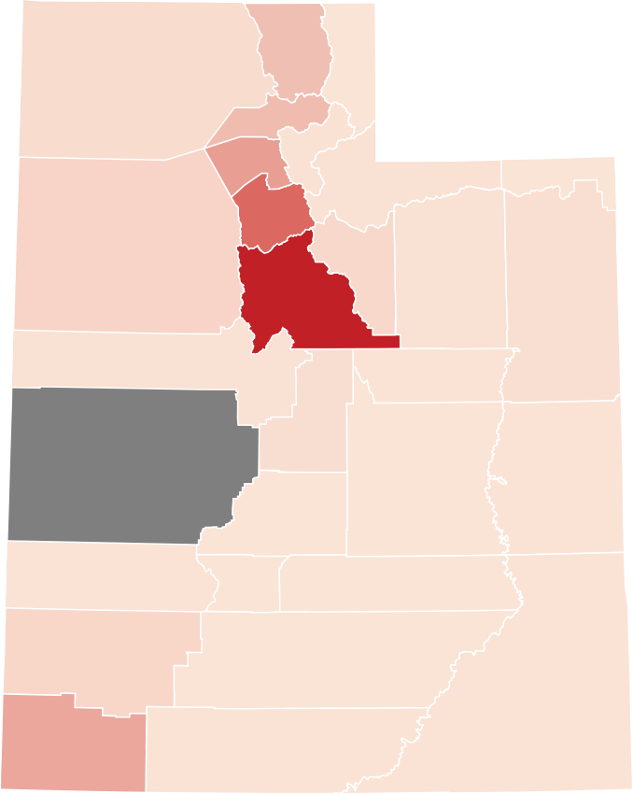
2,395
10,268 ₁₂₆
11,106
1,005
19,465
-154
62,994
862
31
34,168
4,561
3,573
729
62,994
1,531
902
257
1,843
-154
30
398
50
242
7
41
3,718
111
236
17,030
265
(DE) Sch&Col Age FS Dec2022

