Tobacco
 | 16.4
 | 83.6
 | 0.4
 | 99.6
Tobacco Use
 | 11 | 89
16%
0%
of men
of women

of the population are current smokers
11%

Among current smokers ...
 | 77.4
 | 22.6
smoke daily
77%

 | 82.5
 | 17.5
 | 9.5
 | 90.5
83%
smoke manufactured cigarettes
10%
smoke cigars, cheroots or cigarillos
 | 15.2
 | 84.8
15%
smoke shisha
 | 15.4
 | 84.6
smoke hand-rolled cigarettes
 | 15.8
 | 84.2
15%
16%
smoke pipes

36% have been advised by a health care professional to stop smoking
42% have tried to stop smoking during the past 12 months

 | 1.2 | 98.8

of the population are current smokeless users
 | 1%

11%
of the population currently use any tobacco products

Alcohol Use
Alcohol Use
 | 1 | 99

 | 2.1
 | 97.9
 | 0.3
 | 99.7
2% of men
0% of women
1%
of the population are current drinkers
 | 1.5
 | 98.5
 | 1.6
 | 98.4
 | 96 | 4
2% of 18-44 years
2% of 45-69 years

are current drinkers

96%
of the population are lifetime abstainers

Heavy episodic drinking
0%

0%
of men consumed 6 or more drinks on one occasion
of the population consumed 6 or more drinks on one occasion in the past 30 days
0%

of women consumed 6 or more drinks on one occasion

Diet
 | 66
 | 65
 | 35
Diet

65%
mean number of days fruits are consumed in a typical week
4.6 days
of the population eat less than 5 servings of fruit and/or vegetables per day

 | 80
 | 8
 | 92
8%

mean number of days vegetables consumed in a typical week
of the population do not eat any fruit or vegetables
5.6 days

 | 15.5 | 84.5
8.6

15%
of the population always or often eat processed foods high in salt
mean number of grams of salt consumed per day

Physical Activity
Physical Activity
of the population are not meeting WHO's recommendation for physical activity
 | 28.2 | 71.8
28%

Among men …
Among women …

 | 23.8
 | 76.2
 | 36.4
 | 63.6
are not meeting WHO's recommendation for physical activity
are not meeting WHO's recommendation for physical activity
24%
36%

 | 64.9
 | 35.1
 | 92.0
 | 8.0

65%
are not engaging in any vigorous physical activity
92%
are not engaging in any vigorous physical activity

 | 52.7
 | 47.3
 | 32.5
 | 67.5
 | 55.8
 | 44.2
53%
33%
56%

of the population do not do any work-related activity
of the population do not do any transport-related activity e.g. walking or cycling
of the population do not do any activity in their leisure time

Average time spent in sedentary activity per day

3.2 hours

BMI
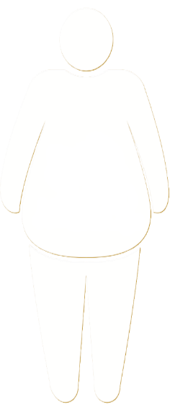
Body Mass Index
 | 62.9 | 37.1

of the population are overweight*
63%

 | 61.6
 | 38.4
 | 65.4
 | 34.6

62%
65%

of men are overweight
of women are overweight

 | 27.2 | 72.8

of the population are obese**
27%

 | 36.0
 | 64.0
 | 22.5
 | 77.5
23%
36%

of women are obese
of men are obese

* BMI ≥ 25
** BMI ≥ 30

Raised blood pressure
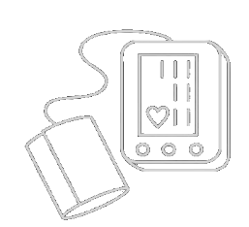
Raised Blood Pressure
 | 27.7 | 72.3

28%
of the population have raised blood pressure* or are currently on medication for raised blood pressure

Of those …
 | 32.3
 | 67.7
have been previously diagnosed with raised blood pressure (aware)

32%

 | 26.4
 | 73.6
are taking medication for their raised blood pressure (treated)

 | 10.6
 | 89.4
have their blood pressure under control (controlled)
11%

* SBP ≥ 140 and/or DBP ≥ 90 mmHg

Diabetes
Raised Blood Sugar
 | 12.8 | 87.2

13%
of the population have raised blood sugar* or are currently on medication for diabetes

 | 52.9
 | 47.1
Of those …
are currently receiving treatment
53%

of the population have never had their blood sugar measured

30%

* ≥ 126 mg/dl

Raised cholesterol
Raised Total Cholesterol
 | 29.1 | 70.9

of the population have raised total cholesterol* or currently on medication for raised cholesterol
29%

 | 68.4
 | 31.6
 | 68.1
 | 31.9
of men have low HDL** (good cholesterol)
of women have low HDL*** (good cholesterol)
68%
68%

* ≥ 190 mg/dl
** < 40 mg/d
*** < 50 mg/d

Cardiovascular disease
Cardiovascular Disease
7%
of the population aged 40-69 years have a 10-year CVD risk ≥20% or have existing CVD
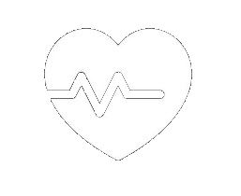

of which
63%
are receiving drug therapy and counselling to prevent heart attacks and strokes

Lifestyle advice
Lifestyle Advice*

10%
22%
were advised to quit smoking or not start
were advised to lower the salt content in their food

26%
27%

were advised to eat at least five portions of fruit and vegetables a day
were advised to reduce fat in their diet

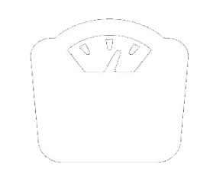

30%
28%

were advised to do more physical activity
were advised to maintain healthy weight/lose weight

28%
were advised to reduce sugary beverages in their diet

* advice received in the past 12 months from a health worker, among the total population

Multiple risk factors
Multiple Risk Factors

 | 28.7 | 71.3

29%
of the population aged 18-69 years have 3 to 5 risk factors

25%
42%
of 18-44 year olds have 3 to 5 risk factors
of 45-69 year olds have 3 to 5 risk factors

 | 64.3
 | 35.7
 | 6.9
 | 93.1

64%
7%

of the population aged 18-69 years have 1 to 2 risk factors
of the population aged 18-69 years have 0 risk factors

