steps
ID |  | 251016121 | Welcome to Assignment 2 Shenghua! | 100

Task 1 |  | Initial view of the data With Excel formulas
Marks |  | A large number of tweets related to Bitcoin were dumped into a table and this assignment we will try to make some sense out of them.

6 | 1 | How many tweets? | 2843
 |  | What's the time frame? | 2018 Feb 03, 11:00 to 22:00
 |  | Where are the from? | worldwide

6 | 2 | Since "where" is tricky to get a for, copy the entire column from tweets!D:D into scratch!A:A and sort, remove duplicates, and that find how many of each case with countif() and then sort again on the count from largest to smallest.

 |  | What can you conclude about the location field?

 |  | Tweets that from US and null takes one third of total. There are 940 tweets from undefined location

7 | 3 | Do the same for screen_name as you did for location. This time put it in scratch!D:D

 |  | How many users have 5 or less tweets and how many have more than 5 tweets?

 |  | 2063 | 5 or less
 |  | 48 | more than 5

6 | 4 | Do the same for screen_name as you did for lang. This time put it in scratch!J:J

 |  | How would describe the language breakdown?

 |  | English takes the majority

Task 2 |  | Secondary Text cleaning using VBA
 |  | The tweets have gone through an intial level of cleaning. This next level will attempt to remove "essentially" duplicates rather than exact duplicates.

3 | 1 | The intial Text cleaning transformed the raw text from column B into the "cleaner text" in column K
 |  | Describe the differences between tweets!B:B and tweets!K:K

 |  | Cleaner tax got rid of puctuations (excluding pricing and decimal symbols) and tags like #bitcoin

3 | 2 | What tool could have done this tool? How? Give some details.

 |  | Trim(str) to eliminate spaces leading and trailing LCase(str) to lower case the whole sentence Split(str, delim) to separate sentences into word list, and determine tag location by seting # as delim Replace(str, find, with) to replace tag content newSentence = newSentence & word(i)

4 | 3 | Write a VBA Function to count the words in a String.
 |  | (Hint: use Split)
 |  | Test this Function (should return 6)
 |  | 6

2 | 4 | Label tweets!L:L as "text word count" and fill the column with the word counts of tweets!K:K
 |  | Label tweets!M:M as "length of text" and fill the column with the Len() of tweets!K:K
 |  | Sort the tweets table using first column L, then column M, and then column K

8 | 5 | Write a VBA function that counts the unique words in a string

 |  | Also use the VBA function, LCASE(), to remove the case distinction (it behaves like Excel's LOWER())
 |  | Test this Function (should return 4)
 |  | 4

5 | 6 | In tweets!N3 put the following formula =UniqueWordCount(K2)/UniqueWordCount(K2&" "&K3)
 |  | Copy this down the whole table
 |  | We can say that if any number >0.8 will be essentially duplicate text
 |  | For later sorting, we need to fix the values in tweets!N:N so copy Column and "paste values" overtop of column N

Task 3 |  | Textual Sentiment Analysis using VBA
 |  | Our final step will be be assess the text of tweet and rate it in terms of the its sentiment. We do this by counting up the “positive” or “negative” keywords and simply summing up a score based on the number of each.

12 | 1 | Write a VBA function, WordListCount, that counts words in a string that are also in the range
 |  | This will be similar to UniqueWordCount.

 |  | 3 |  | Yay
 |  | should return 3 |  | happy
 |  |  |  | good

8 | 2 | Use the WordListCount function (twice) in calculate a rating for each cleaner Text in tweets!K:K using your unique keywords found in the tab "keywords"
 |  | Put your formula in tweets!O:O. Before copying this down the whole column make sure that it is correct (will be time consuming calculation)
 |  | Save a copy of your formula in steps!c81 with a ' in front so that you have a copy
 |  | =WordListCount(K2,keywords!$A$2:$A$31)-WordListCount(K2,keywords!$B$2:$B$31)

5 | 3 | Find an example where this assessment isn't perfect because of a misspelling or a place where a term negative or positive word should be added to keywords.

 |  | in tweets!K139 (under sorted by Column K) says "A nice green morning", where the word "nice" is not in keyword sheet. On the other hand, the word "nice" could sometimes be negative when expressing irony.

Task 4 |  | Summarize with Excel
10 | 1 | Using countifs, and averageifs create the following tables (your data will be a bit different since the keywords are different for everyone)
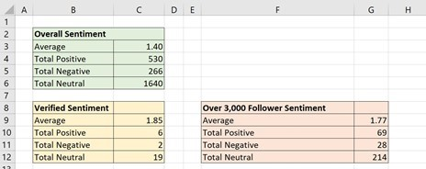
 |  | Use the not "essentially duplcated" criteria
 |  | ">0" for positive sentiment
 |  | "<0" for positive sentiment
 |  | "0" for neutral sentiment
 |  | true for verified sentiment (column E)
 |  | ">3000" for Follower sentiment (Column F)

10 | 2 | Make a scatterplot of time vs cummulative sentiment.
 |  | First sort the tweets table using posted (tweets!A:A)
 |  | In column tweets!Q:Q, make a cummulative column. Set tweets!Q2 = O2, then tweets!Q3 = Q2+O3, then copy it down the column
 |  | In column tweets!P:P, make a time column. Set tweets!P2 = TIMEVALUE(RIGHT(A2,8)), then copy it down the column
 |  | "Insert" a scatterplot (with a connecting line) using tweets!P:Q

5 | 3 | How does this scatterplot compare with the bitcoin values (both BTC and BCH) referred to in the Tweets of aWebAnalysis?
 |  | (hint: use a filter on the table to see these tweets) Suggest why this might be the case?

Bitcoin Sentiment on Feb 3 2018
11:03:09 | 1
11:03:14 | 1
11:03:16 | 1
11:03:25 | 1
11:03:28 | 1
11:03:37 | -1
11:03:50 | 0
11:04:07 | 0
11:04:14 | 0
11:04:22 | 0
11:04:51 | 0
11:05:09 | 0
11:05:14 | 0
11:05:14 | -1
11:05:27 | -1
11:05:35 | -1
11:05:52 | -1
11:05:56 | -1
11:06:07 | -1
11:06:32 | -1
11:06:44 | -1
11:08:41 | -1
11:09:09 | -1
11:09:10 | -1
11:09:15 | -1
11:09:37 | -1
11:09:52 | -1
11:10:02 | -1
11:10:04 | -1
11:10:07 | -1
11:10:16 | -1
11:10:20 | -2
11:10:25 | -2
11:10:35 | -3
11:11:33 | -3
11:11:46 | -3
11:12:04 | -3
11:12:25 | -2
11:12:45 | -2
11:13:25 | 0
11:13:30 | -1
11:13:48 | -1
11:14:47 | -1
11:15:01 | -1
11:15:28 | -1
11:15:36 | -2
11:15:40 | -2
11:16:07 | -2
11:16:49 | -2
11:16:57 | -1
...
 |  | Overall, the scatterplot trend matches the botcoin value trend, including a delayed reaction on falling in price. At the end of the day, the sentiment is still at a high level of increasing, compared with the falling in price. This suggests that most people are satisfied about the trend that day. |  | 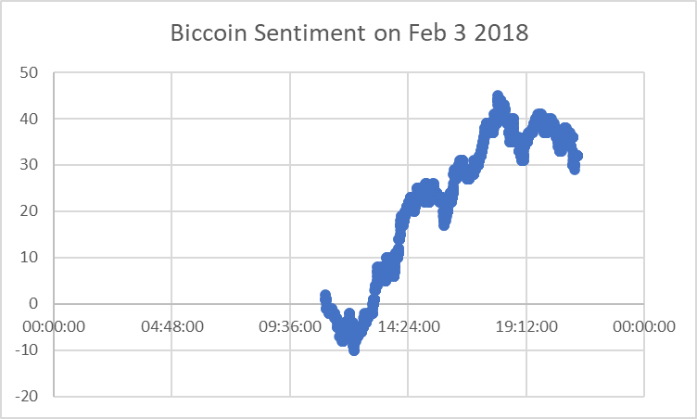

 |  | Overall Sentiment
 |  | Average | 0.026028842772
 |  | Total Positive | 234
 |  | Total Negative | 174 |  | `
 |  | Total Neutral | 2435

 |  | Verified Sentiment | 28
 |  | Average | 0.071428571429
 |  | Total Positive | 3
 |  | Total Negative | 1
 |  | Total Neutral | 24

 |  | Over 3,000 Follower Sentiment
 |  | Average | 0.027100271003
 |  | Total Positive | 28
 |  | Total Negative | 20
 |  | Total Neutral | 321

