steps
ID |  | 251016121 | Welcome to Assignment 3 Shenghua! | 100

Task 1 |  | computing and comparing heat maps of two letter combinations
Marks |  | The map will be a table with row headings as the first letter of the two letter combination and column headings as the second letter of the two letter combination. So this table will fit on the screen, grab the columns heatmap!A:AA and shrink the column width (of the 27 columns) to 30-35pixels.

 |  | The rows and columns should be the same (like the times table). All letters of the alphabet should be present.

3 | 1 | To create the list of letters is to go to scratch!a1 and type in the formula =CHAR(ROW()+96) somewhere in the first row and drag down 26 rows. Copy and paste this to a neighboring column with paste values (just so that formula doesn’t get copied later). Paste the letters a-z to heatmap!a2. Also paste these values to heatmap!b1 using “paste transpose”—this will fill heatmap!b1:aa1.

 |  | What does row() do in the formula?

 |  | row() outputs the row index as a integer into function char()

4 | 2 | Fill heatmap!b2:aa27 with the formula =countifs(words!$a:$a,"*"&$a2&b$1&"*"). So that all the numbers are visible change the font size of heatmap!b2:aa27 to 6-8.

 |  | Describe what that formula means and how it works (as if to someone not in the class).

 |  | It counts how many times that a letter pair appears in word list in worksheet words. For example, the first letter "aback" would be counted for "ab" "ba" "ac" "ck"

4 | 3 | Use Conditional Formatting on heatmap!b2:aa27. Using color scale going from green to red. Later edit the colors using Conditional Formatting -> Manage Rules -> Edit Rule… -> replace the red color to white. This should change all the zeros background to white.

 |  | Which letters seem to produce a band of color?

 |  | Letters are "a" "e" "i" "l" "o" "r" "s" "u". Most of them are vowels

5 | 4 | Although this is a useful heat map, a reordering the of the letters can reveal more patterns. Copy heatmap!b2:aa27 and paste-as-a-picture to the right of the chart (to save a copy of the original). Reduce the size if you want. Try putting all the vowels first, then the consonants. (a e i o u y b c d f... ) For this task, consider a y a vowel.

 |  | What happened to the bands of color?

 |  | Pairs that follow by a vowels are more shaded

7 | 5 | Keep the vowels first but try to come up with a different ordering of the vowels as well as the consonants to further reduce the banding…. Before you do, make an image copy of this heatmap like you did with the a-z version.

 |  | Describe how you chose the ordering letters. How sucessful do you think your choice is?

 |  | I chose to rank the letters shaded left first and shaded right next, in order to make the map more concentrated, like how it looks like now. The center of map is most shaded

5 | 6 | Use thick borders to highlight the upper square of the table which corresponds to Vowels followed by Vowels (VV). Similarly do a thick border corresponding to Consonants followed Consonants (CC), (VC) and (CV). List the top three Consonant-Consonant (CC), Consonant-Vowel (CV), Vowel-Consonant (VC), and Vowel-Vowel (VV) combinations. (no need for formulas, you can just type them in)

 |  | Were there any surprises in these lists? If longer words were used, what change might you see? |  |  | VV | CC | VC | CV
 |  |  |  |  | ea | st | er | ra
 |  |  |  |  | ou | vh | al | re
 |  | There is no surprises in lists. If longer words used, cc list might have a "sm" since lots definitions are worded with "ism" ending. |  |  | oo | sh | in | ro

Task 2 |  | filtering out cases
 |  | In Wordle, the options are often greatly reduced after the first word has been selected. In this task, we will filter out an unfortunate first guess.

 |  | Imagine that your first guess is "zippy" and it shows that none of these letters are in the mystery word.
 |  | We are going to create a VBA function that will return whether the word could be the mystery word given "zippy" had nothing in common with the mystery word.

6 | 1 | Create a VBA Function called wordPass that takes two strings as parameters and returns a boolean. Such that it behaves in the following way wordPass("teach","zippy") would return TRUE and wordPass("drive","zippy") would return FALSE

 |  | Verify that your function works for these two cases.

 |  | TRUE | wordPass("teach","zippy")
 |  | FALSE | wordPass("drive","zippy")

2 | 2 | In words!B:B, use your function on the words in words!A:A and "zippy".

7 | 3 | Transfer all of the words that return TRUE into the mywords!A:A

 |  | Describe how you transferred the words over.

 |  | I copy all values in words! To mywords!. Then sort them by column B from Largest to Smallest. Delete all values with "FALSE" in column B

2 | 4 | How many word did you transfer?

 |  | 1174

Task 3 |  | Analysis of Vowels and Consonants
 |  | We would like to classify the structure of words in terms of their vowels and consonants. For each word, we are going to create a string following this pattern [cv]{5} or ccccc,ccccv,cccvc,cccvv,ccvcc, …. To help we are going to construct a VBA function called wordClass that takes a word and returns a corresponding string of cs and vs wordClass("teach") would return "cvvcc" and wordClass("graph") would return "ccvcc"

 |  | To better handle the y cases, consider a y to be a vowel only if it is not the first letter of the word.

12 | 1 | After you create wordClass, verify that it returns the expected values.

 |  | cvvcc | wordClass("teach") should return "ccvcc"
 |  | ccvcc | wordClass("graph") should return "ccvcc"
 |  | cvccv | wordClass("yummy") should return "cvccv"

2 | 2 | Find the wordClass of each of the words in mywords!A:A

4 | 3 | In the scratch sheet, find all the unique wordClasses of mywords and use countif to see how many of each class there are.

2 | 4 | Find two classes that are not present in your list.

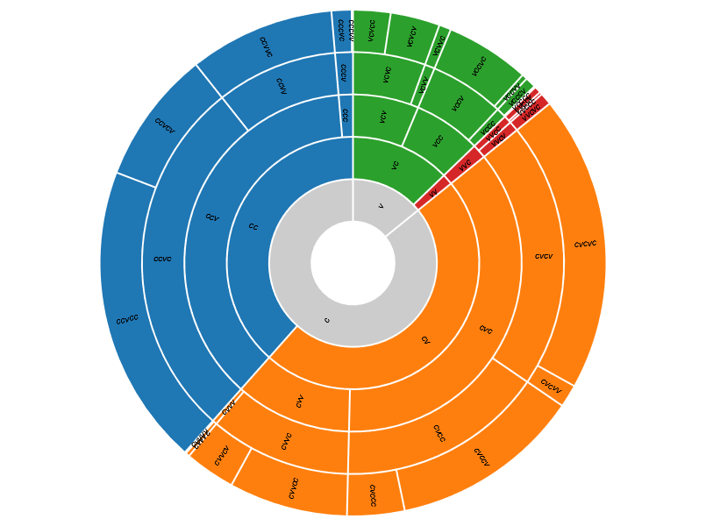
 |  | ccccv
 |  | ccccc

Task 4 |  | Create visualizations about the words in mywords.
 |  | We are going to create a Sunburst and Linear Dendrogram of the data from task 3. Each of these are related to hierarchies. The word classes implicitly define a hierarchy that we must make explicit.

4 | 1 | To ease the transfer of the data into RawGraphs, insert a row above the words of mywords.
 |  | Label column A-F, word, class, prefix1, prefix1, prefix2, prefix3, and prefix4

3 | 2 | In mywords!c2, type =left(B2,1)
 |  | In mywords!d2, type =left(B2,2)
 |  | In mywords!e2, type =left(B2,3)
 |  | In mywords!f2, type =left(B2,4)

 |  | Copy all these formulas to all the rows.

6 | 3 | Copy all the data (including the new titles) from the sheet into https://app.rawgraphs.io/
 |  | Select a Sunburst with Hierarchy (prefix1, prefix2, prefix3, prefix4, and class) with the Color (prefix2).
 |  | Save the Sunburst diagram as a png and include it to the right of Task 4.

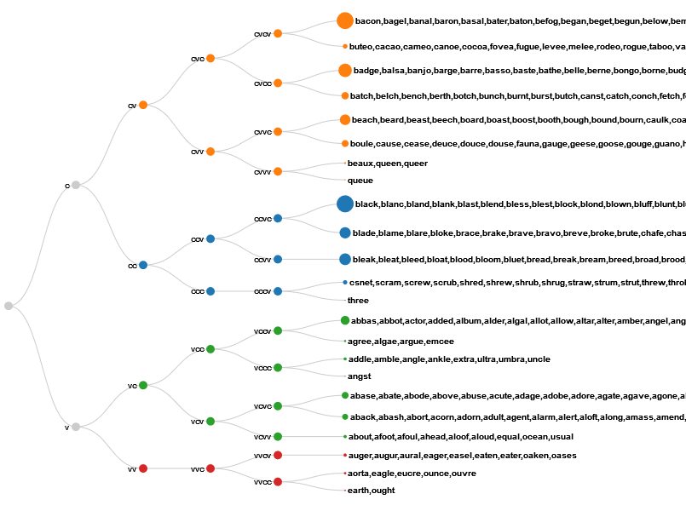
2 | 4 | From this diagram, what is the largest class of words? Does this agree with your table from Task 3?

 |  | CCVCC is the larget type, which matches table from Task 3 (scratch!C:D)

8 | 5 | Now, select a Linear Dendrogram with Hierarchy (prefix1, prefix2, prefix3, prefix4, and class) with the Color (prefix2) and label (word). Change the ARTBOARD (may need to click +) Margin (right) to 400

 |  | Save the Linear Dendrogram diagram as a png and include it to the right of Task 4.

4 | 6 | What information do you get out of this Linear Dendrogram that you can't out of the Sunburst?

 |  | The look of class, like "bacon" as cvcv

Task 5 |  | What is your next guess?
4 | 1 | Come up with a next guess after "zippy" and discuss your guess in terms of two letter combinations and "class"

 |  | "graph" is my next guess, since the largest specific class is "ccvcc" at 226 words. When the word database is available to analyze, it would be easier to eliminate or locate the large combination bundles.

4 | 2 | After looking at these vowel/consonant "classes" and the two letter combinations, does this help us much with deciding our guesses or is more about gaining information about how difficult the problem is?

 |  | It is helpful, like I represent in previous question. Since database is available to analyze, classes are helping. Many words that duplicated in term of classes would not be considered as our next guess. If database is not available, we might use neural system (functions like sigmoid) to have a closer approach.

