Vanilla Pick Logic
Pool Melee = Pool Melee 2 | Pick 1 | Pick 2 | Pick 3 | Pick 4 | Pick 5 | Pick 6 | Pick 7 | Pick 8 | Pick 9
Pool Tool = Pool Tool 2 = Pool Tool 3 | Mandatory | Mandatory | Mandatory | Mandatory | Mandatory | Mandatory | Optional | Optional | Optional
Pool Consumable = Pool Consumable 2 | Pool Sniper | Pool Tool | Pool AR | Pool Consumable | Pool SMG | Pool Shotgun | Pool Melee | Pool Pistol | Pool Tool 3
 |  |  |  |  |  |  | Pool Tool 2 | Pool Melee 2 | Pool Consumable 2

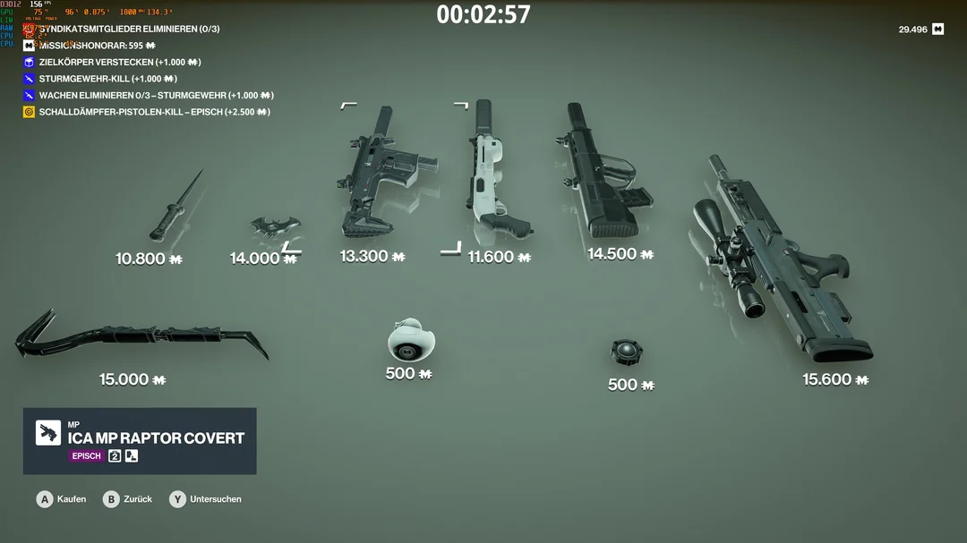

Pick 7
Pick 8
Pick 5
Pick 3
Pick 6

Pick 1
Pick 2
Pick 9
Pick 4

