Estimated
image id | Upper Limb Posture (0-9) use right arm | Lower Back Posture (1,4,7,9) | Lower Back Posture (0,8) use left leg | Neck Posture (0-2)
 |  |  |  |  | Upper Limb Posture (0-9) | upper limb posture | shoulder (right) | <15 |  | [15,45) |  | [45,75) |  | [75,100) |  | [100,140) | [140,180]
0 | 0 | 1 | 0 | 1 |  |  | elbow (right) | <45 | >=45 | <45 | >=45 | <45 | >=45 | <45 | >=45
6 | 0 | 1 | 0 | 1 |  |  | posture code | 0 | 1 | 3 | 2 | 5 | 4 | 7 | 6 | 8 | 9
12 | 0 | 1 | 0 | 1
18 | 0 | 1 | 8 | 1 |  | Lower limb posture (bend) | back | <10 | [10,30) | [30,65) | [65,180)
24 | 0 | 1 | 8 | 1 |  |  | posture code | 1 | 4 | 7 | 9
30 | 0 | 1 | 0 | 1
36 | 0 | 4 | 0 | 1 |  | Lower limb posture (squat) | knee (left) | <45 | >=45
42 | 0 | 4 | 0 | 1 |  |  | posture code | 0 | 8
48 | 0 | 1 | 0 | 1 | Lower Back Posture (1,4,7,9)
54 | 0 | 1 | 0 | 1 |  | Neck posture | neck | <20 | >=20 (forward) | >=20 (backward)
60 | 0 | 1 | 0 | 1 |  |  | posture code | 0 | 1 | 2
66 | 0 | 1 | 0 | 1
72 | 0 | 1 | 0 | 1
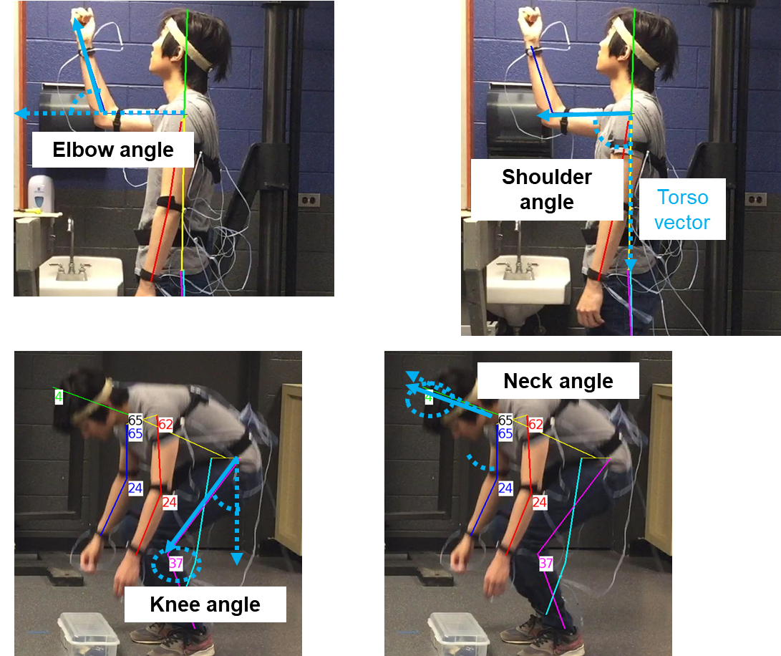
78 | 1 | 1 | 0 | 1
84 | 2 | 1 | 0 | 1
90 | 2 | 1 | 0 | 1
96 | 2 | 1 | 0 | 1
102 | 2 | 1 | 0 | 1
108 | 2 | 1 | 0 | 1 | Lower Back Posture (0,8)
114 | 2 | 1 | 0 | 1
120 | 2 | 1 | 0 | 1
126 | 2 | 1 | 0 | 1
132 | 2 | 1 | 0 | 1
138 | 2 | 1 | 0 | 1
144 | 2 | 1 | 0 | 0
150 | 1 | 1 | 0 | 0
156 | 1 | 1 | 0 | 0
162 | 1 | 1 | 0 | 2 | Neck Posture (0-2)
168 | 1 | 1 | 0 | 2
174 | 1 | 1 | 0 | 2
180 | 1 | 1 | 0 | 2
186 | 1 | 1 | 0 | 2
192 | 1 | 1 | 0 | 2
198 | 1 | 1 | 0 | 2
204 | 1 | 1 | 0 | 2
210 | 1 | 1 | 0 | 2
216 | 1 | 1 | 0 | 2
222 | 1 | 1 | 0 | 2
228 | 1 | 1 | 0 | 2
234 | 1 | 1 | 0 | 2
240 | 1 | 1 | 0 | 2
246 | 1 | 1 | 0 | 2
252 | 1 | 1 | 0 | 2
258 | 1 | 1 | 0 | 2
264 | 1 | 1 | 0 | 2
270 | 1 | 1 | 0 | 2
276 | 1 | 1 | 0 | 2
282 | 1 | 1 | 0 | 2
288 | 1 | 1 | 0 | 2
294 | 1 | 1 | 0 | 2
300 | 1 | 1 | 0 | 0
306 | 1 | 1 | 0 | 0
312 | 1 | 1 | 0 | 0
318 | 2 | 1 | 0 | 0
324 | 2 | 1 | 0 | 0
330 | 2 | 1 | 0 | 1
336 | 2 | 1 | 0 | 1
342 | 2 | 1 | 0 | 1
348 | 2 | 1 | 0 | 1
354 | 2 | 1 | 0 | 1
360 | 2 | 1 | 0 | 1
366 | 2 | 1 | 0 | 1
372 | 2 | 1 | 0 | 1
378 | 2 | 1 | 0 | 1
384 | 2 | 1 | 0 | 0
390 | 1 | 1 | 0 | 0
396 | 1 | 1 | 0 | 0
402 | 0 | 1 | 0 | 0
408 | 0 | 1 | 0 | 0
414 | 0 | 1 | 0 | 0
420 | 0 | 1 | 0 | 0
426 | 0 | 1 | 0 | 1
432 | 0 | 1 | 0 | 1
438 | 0 | 1 | 0 | 1
444 | 0 | 1 | 0 | 1
450 | 0 | 1 | 0 | 0
456 | 0 | 1 | 0 | 0
462 | 0 | 1 | 0 | 0
468 | 0 | 1 | 0 | 0
474 | 0 | 1 | 0 | 1
480 | 0 | 1 | 0 | 1
486 | 0 | 1 | 0 | 1
492 | 0 | 1 | 0 | 1
498 | 0 | 1 | 0 | 1
504 | 0 | 4 | 0 | 1
510 | 0 | 4 | 0 | 1
516 | 0 | 4 | 0 | 1
522 | 0 | 4 | 0 | 1
528 | 3 | 7 | 0 | 0
534 | 5 | 9 | 8 | 0
540 | 5 | 9 | 8 | 0
546 | 5 | 9 | 8 | 0
552 | 5 | 9 | 8 | 0
558 | 5 | 7 | 8 | 1
564 | 5 | 7 | 8 | 1
570 | 5 | 9 | 8 | 1
576 | 5 | 9 | 8 | 0
582 | 5 | 9 | 8 | 0
588 | 3 | 7 | 0 | 0
594 | 3 | 7 | 0 | 0
600 | 1 | 4 | 0 | 0
606 | 1 | 1 | 0 | 0
612 | 1 | 1 | 0 | 0
618 | 1 | 1 | 0 | 0
624 | 1 | 1 | 0 | 0
630 | 1 | 1 | 0 | 0
636 | 1 | 1 | 0 | 0
642 | 1 | 1 | 0 | 0
648 | 1 | 1 | 0 | 0
654 | 1 | 1 | 0 | 0
660 | 1 | 1 | 0 | 1
666 | 1 | 4 | 0 | 1
672 | 1 | 7 | 0 | 1
678 | 1 | 7 | 0 | 1
684 | 2 | 7 | 0 | 0
690 | 4 | 9 | 0 | 0
696 | 5 | 9 | 8 | 0
702 | 5 | 9 | 8 | 0
708 | 5 | 9 | 8 | 0
714 | 5 | 9 | 8 | 0
720 | 5 | 4 | 8 | 1
726 | 5 | 4 | 8 | 1
732 | 5 | 9 | 8 | 0
738 | 5 | 9 | 8 | 0
744 | 3 | 7 | 8 | 0
750 | 3 | 7 | 0 | 0
756 | 0 | 4 | 0 | 0
762 | 0 | 4 | 0 | 0
768 | 0 | 1 | 0 | 0
774 | 0 | 1 | 0 | 0
780 | 0 | 1 | 0 | 1
786 | 0 | 1 | 0 | 1
792 | 0 | 1 | 0 | 1
798 | 0 | 1 | 0 | 1
804 | 0 | 1 | 0 | 1
810 | 0 | 1 | 0 | 1
816 | 0 | 1 | 0 | 1
822 | 0 | 1 | 8 | 1
828 | 0 | 1 | 0 | 1
834 | 0 | 1 | 0 | 1
840 | 0 | 1 | 0 | 1
846 | 0 | 1 | 0 | 1
852 | 0 | 1 | 0 | 1
858 | 0 | 1 | 0 | 1
864 | 0 | 1 | 0 | 1
870 | 0 | 1 | 0 | 1
876 | 0 | 1 | 0 | 1
882 | 1 | 1 | 0 | 1
888 | 1 | 1 | 0 | 0
894 | 1 | 1 | 0 | 0
900 | 2 | 1 | 0 | 0
906 | 2 | 1 | 0 | 1
912 | 2 | 1 | 0 | 1
918 | 2 | 1 | 0 | 1
924 | 2 | 1 | 0 | 1
930 | 1 | 1 | 0 | 1
936 | 1 | 1 | 0 | 1
942 | 1 | 1 | 0 | 1
948 | 2 | 1 | 0 | 1
954 | 1 | 1 | 0 | 1
960 | 1 | 1 | 0 | 1
966 | 1 | 1 | 0 | 0
972 | 1 | 1 | 0 | 0
978 | 1 | 1 | 0 | 0
984 | 1 | 1 | 0 | 2
990 | 1 | 1 | 0 | 2
996 | 1 | 1 | 0 | 2
1002 | 1 | 1 | 0 | 2
1008 | 1 | 1 | 0 | 2
1014 | 1 | 1 | 0 | 2
1020 | 1 | 1 | 0 | 2
1026 | 1 | 1 | 0 | 2
1032 | 1 | 1 | 0 | 2
1038 | 1 | 1 | 0 | 2
1044 | 1 | 1 | 0 | 2
1050 | 1 | 1 | 0 | 2
1056 | 1 | 1 | 0 | 2
1062 | 1 | 1 | 0 | 2
1068 | 1 | 1 | 0 | 2
1074 | 1 | 1 | 0 | 2
1080 | 1 | 1 | 0 | 2
1086 | 1 | 1 | 0 | 2
1092 | 1 | 1 | 0 | 2
1098 | 1 | 1 | 0 | 2
1104 | 1 | 1 | 0 | 2
1110 | 1 | 1 | 0 | 2
1116 | 1 | 1 | 0 | 2
1122 | 1 | 1 | 0 | 2
1128 | 1 | 1 | 0 | 2
1134 | 1 | 1 | 0 | 2
1140 | 1 | 1 | 0 | 2
1146 | 1 | 1 | 0 | 2
1152 | 1 | 1 | 0 | 0
1158 | 1 | 1 | 0 | 0
1164 | 1 | 1 | 0 | 1
1170 | 1 | 1 | 0 | 1
1176 | 1 | 1 | 0 | 1
1182 | 1 | 1 | 0 | 1
1188 | 1 | 1 | 0 | 1
1194 | 2 | 1 | 0 | 1
1200 | 2 | 1 | 0 | 1
1206 | 2 | 1 | 0 | 0
1212 | 2 | 1 | 0 | 1
1218 | 2 | 1 | 0 | 1
1224 | 2 | 1 | 0 | 1
1230 | 2 | 1 | 0 | 1
1236 | 1 | 1 | 0 | 1
1242 | 2 | 1 | 0 | 1
1248 | 1 | 1 | 0 | 0
1254 | 1 | 1 | 0 | 0
1260 | 0 | 1 | 0 | 0
1266 | 0 | 1 | 0 | 0
1272 | 0 | 1 | 0 | 0
1278 | 0 | 1 | 0 | 1
1284 | 0 | 1 | 0 | 1
1290 | 0 | 1 | 0 | 1
1296 | 0 | 1 | 0 | 1
1302 | 0 | 1 | 0 | 0
1308 | 0 | 1 | 0 | 0
1314 | 0 | 1 | 0 | 0
1320 | 0 | 1 | 0 | 0
1326 | 0 | 1 | 0 | 0
1332 | 0 | 1 | 0 | 1
1338 | 0 | 1 | 0 | 1
1344 | 0 | 1 | 0 | 1
1350 | 0 | 1 | 0 | 1
1356 | 0 | 1 | 0 | 1
1362 | 0 | 1 | 0 | 1
1368 | 0 | 1 | 0 | 1
1374 | 0 | 4 | 0 | 1
1380 | 3 | 7 | 0 | 1
1386 | 2 | 7 | 0 | 0
1392 | 4 | 9 | 0 | 0
1398 | 5 | 9 | 8 | 0
1404 | 5 | 9 | 8 | 0
1410 | 5 | 7 | 8 | 1
1416 | 5 | 7 | 8 | 1
1422 | 5 | 7 | 8 | 1
1428 | 5 | 4 | 8 | 1
1434 | 5 | 7 | 8 | 1
1440 | 2 | 7 | 0 | 1
1446 | 1 | 4 | 0 | 1
1452 | 1 | 1 | 0 | 0
1458 | 1 | 1 | 0 | 0
1464 | 1 | 1 | 0 | 0
1470 | 1 | 1 | 0 | 0
1476 | 1 | 1 | 0 | 0
1482 | 1 | 1 | 0 | 1
1488 | 1 | 1 | 0 | 1
1494 | 1 | 4 | 0 | 1
1500 | 1 | 7 | 0 | 1
1506 | 2 | 7 | 0 | 0
1512 | 2 | 7 | 0 | 0
1518 | 4 | 7 | 8 | 0
1524 | 5 | 7 | 8 | 1
1530 | 5 | 7 | 8 | 1
1536 | 5 | 4 | 8 | 1
1542 | 5 | 4 | 8 | 1
1548 | 5 | 7 | 8 | 1
1554 | 5 | 7 | 8 | 0
1560 | 3 | 7 | 8 | 0
1566 | 3 | 7 | 0 | 1
1572 | 0 | 4 | 0 | 0
1578 | 0 | 1 | 0 | 0
1584 | 0 | 1 | 0 | 0
1590 | 0 | 1 | 0 | 1
1596 | 0 | 1 | 0 | 1
1602 | 0 | 1 | 0 | 1
1608 | 0 | 1 | 0 | 1
1614 | 0 | 1 | 0 | 1
1620 | 0 | 1 | 0 | 1
1626 | 0 | 1 | 0 | 1
1632 | 0 | 1 | 0 | 1
1638 | 0 | 1 | 0 | 1
1644 | 0 | 1 | 0 | 1
1650 | 0 | 1 | 0 | 1
1656 | 0 | 1 | 0 | 1
1662 | 0 | 1 | 0 | 1
1668 | 0 | 1 | 0 | 1
1674 | 0 | 1 | 0 | 1
1680 | 0 | 1 | 0 | 1
1686 | 0 | 1 | 0 | 1
1692 | 0 | 1 | 0 | 1
1698 | 1 | 1 | 0 | 1
1704 | 1 | 1 | 0 | 1
1710 | 2 | 1 | 0 | 0
1716 | 3 | 1 | 0 | 0
1722 | 3 | 1 | 0 | 0
1728 | 3 | 1 | 0 | 0
1734 | 2 | 1 | 0 | 0
1740 | 2 | 1 | 0 | 0
1746 | 2 | 1 | 0 | 0
1752 | 2 | 1 | 0 | 0
1758 | 2 | 1 | 0 | 0
1764 | 2 | 1 | 0 | 0
1770 | 2 | 1 | 0 | 0
1776 | 1 | 1 | 0 | 0
1782 | 1 | 1 | 0 | 0
1788 | 1 | 1 | 0 | 0
1794 | 1 | 1 | 0 | 2
1800 | 0 | 1 | 0 | 2
1806 | 0 | 1 | 0 | 2
1812 | 0 | 1 | 0 | 2
1818 | 0 | 1 | 0 | 2
1824 | 0 | 1 | 0 | 2
1830 | 0 | 1 | 0 | 2
1836 | 0 | 1 | 0 | 2
1842 | 0 | 1 | 0 | 2
1848 | 0 | 1 | 0 | 2
1854 | 0 | 1 | 0 | 2
1860 | 0 | 1 | 0 | 2
1866 | 0 | 1 | 0 | 2
1872 | 0 | 1 | 0 | 2
1878 | 0 | 1 | 0 | 2
1884 | 0 | 1 | 0 | 2
1890 | 0 | 1 | 0 | 2
1896 | 0 | 1 | 0 | 2
1902 | 0 | 1 | 0 | 2
1908 | 0 | 1 | 0 | 2
1914 | 0 | 1 | 0 | 2
1920 | 0 | 1 | 0 | 2
1926 | 0 | 1 | 0 | 2
1932 | 0 | 1 | 0 | 2
1938 | 0 | 1 | 0 | 2
1944 | 0 | 1 | 0 | 2
1950 | 0 | 1 | 0 | 2
1956 | 0 | 1 | 0 | 2
1962 | 1 | 1 | 0 | 1
1968 | 1 | 1 | 0 | 1
1974 | 1 | 1 | 0 | 1
1980 | 1 | 1 | 0 | 1
1986 | 1 | 1 | 0 | 1
1992 | 1 | 1 | 0 | 1
1998 | 1 | 1 | 0 | 1
2004 | 1 | 1 | 0 | 1
2010 | 1 | 1 | 0 | 1
2016 | 1 | 1 | 0 | 1
2022 | 2 | 1 | 0 | 1
2028 | 2 | 1 | 0 | 1
2034 | 2 | 1 | 0 | 1
2040 | 2 | 1 | 0 | 1
2046 | 2 | 1 | 0 | 1
2052 | 2 | 1 | 0 | 1
2058 | 1 | 1 | 0 | 1
2064 | 0 | 1 | 0 | 0
2070 | 0 | 1 | 0 | 0
2076 | 0 | 1 | 0 | 0
2082 | 0 | 1 | 0 | 0
2088 | 0 | 1 | 0 | 0
2094 | 0 | 1 | 0 | 0
2100 | 0 | 1 | 0 | 1
2106 | 0 | 1 | 0 | 0
2112 | 0 | 1 | 0 | 0
2118 | 0 | 1 | 0 | 0
2124 | 0 | 1 | 0 | 0
2130 | 0 | 1 | 0 | 0
2136 | 0 | 1 | 0 | 1
2142 | 0 | 1 | 0 | 1
2148 | 0 | 1 | 0 | 1
2154 | 0 | 1 | 0 | 1
2160 | 0 | 1 | 0 | 1
2166 | 0 | 4 | 0 | 1
2172 | 0 | 4 | 0 | 1
2178 | 0 | 4 | 0 | 1
2184 | 3 | 7 | 0 | 0
2190 | 3 | 9 | 0 | 0
2196 | 3 | 9 | 0 | 1
2202 | 5 | 9 | 8 | 0
2208 | 5 | 7 | 8 | 0
2214 | 5 | 7 | 8 | 0
2220 | 5 | 7 | 8 | 0
2226 | 5 | 4 | 8 | 1
2232 | 5 | 7 | 8 | 0
2238 | 3 | 7 | 8 | 0
2244 | 1 | 7 | 0 | 1
2250 | 1 | 4 | 0 | 1
2256 | 1 | 1 | 0 | 0
2262 | 1 | 1 | 0 | 0
2268 | 1 | 1 | 0 | 1
2274 | 1 | 1 | 0 | 1
2280 | 1 | 1 | 0 | 1
2286 | 1 | 1 | 0 | 1
2292 | 1 | 1 | 0 | 1
2298 | 1 | 1 | 0 | 1
2304 | 1 | 4 | 0 | 1
2310 | 1 | 7 | 0 | 1
2316 | 2 | 7 | 0 | 1
2322 | 2 | 7 | 8 | 0
2328 | 2 | 7 | 8 | 1
2334 | 5 | 4 | 8 | 1
2340 | 3 | 4 | 8 | 1
2346 | 3 | 4 | 8 | 1
2352 | 3 | 4 | 8 | 1
2358 | 0 | 4 | 8 | 1
2364 | 0 | 7 | 8 | 1
2370 | 0 | 7 | 8 | 0
2376 | 0 | 4 | 0 | 0
2382 | 0 | 1 | 0 | 0
2388 | 0 | 1 | 0 | 0
2394 | 0 | 1 | 0 | 0
2400 | 0 | 1 | 0 | 0
2406 | 0 | 1 | 0 | 0
2412 | 0 | 1 | 0 | 1
2418 | 0 | 1 | 0 | 1
2424 | 0 | 1 | 0 | 1
2430 | 0 | 1 | 0 | 1
2436 | 0 | 1 | 0 | 1
2442 | 0 | 1 | 8 | 1
2448 | 0 | 1 | 8 | 1
2454 | 0 | 1 | 8 | 1
2460 | 0 | 1 | 0 | 1
2466 | 0 | 1 | 0 | 1
2472 | 0 | 1 | 0 | 1
2478 | 0 | 1 | 0 | 1
2484 | 0 | 1 | 0 | 1
2490 | 0 | 1 | 0 | 1
2496 | 0 | 1 | 0 | 1
2502 | 1 | 1 | 0 | 1
2508 | 2 | 1 | 0 | 0
2514 | 2 | 1 | 0 | 1
2520 | 2 | 1 | 0 | 1
2526 | 2 | 1 | 0 | 1
2532 | 2 | 1 | 0 | 1
2538 | 2 | 1 | 0 | 1
2544 | 2 | 1 | 0 | 1
2550 | 1 | 1 | 0 | 1
2556 | 1 | 1 | 0 | 1
2562 | 2 | 1 | 0 | 1
2568 | 2 | 1 | 0 | 1
...

