Estimated
image id | Upper Limb Posture (0-9) use left arm | Lower Back Posture (1,4,7,9) | Lower Back Posture (0,8) use left leg | Neck Posture (0-2)
 |  |  |  |  |  | Upper Limb Posture (0-9) | upper limb posture | shoulder (right) | <15 |  | [15,45) |  | [45,75) |  | [75,100) |  | [100,140) | [140,180]
0 | 0 | 1 | 0 | 0 |  |  |  | elbow (right) | <45 | >=45 | <45 | >=45 | <45 | >=45 | <45 | >=45
6 | 0 | 1 | 0 | 0 |  |  |  | posture code | 0 | 1 | 3 | 2 | 5 | 4 | 7 | 6 | 8 | 9
12 | 0 | 1 | 0 | 0
18 | 0 | 7 | 0 | 0 |  |  | Lower limb posture (bend) | back | <10 | [10,30) | [30,65) | [65,180)
24 | 0 | 7 | 0 | 0 |  |  |  | posture code | 1 | 4 | 7 | 9
30 | 0 | 7 | 0 | 0
36 | 0 | 7 | 0 | 0 |  |  | Lower limb posture (squat) | knee (left) | <45 | >=45
42 | 0 | 7 | 8 | 0 |  |  |  | posture code | 0 | 8
48 | 0 | 7 | 8 | 0 |  | Lower Back Posture (1,4,7,9)
54 | 0 | 7 | 0 | 0 |  |  | Neck posture | neck | <20 | >=20 (forward) | >=20 (backward)
60 | 0 | 4 | 0 | 0 |  |  |  | posture code | 0 | 1 | 2
66 | 0 | 4 | 0 | 0
72 | 0 | 4 | 0 | 0
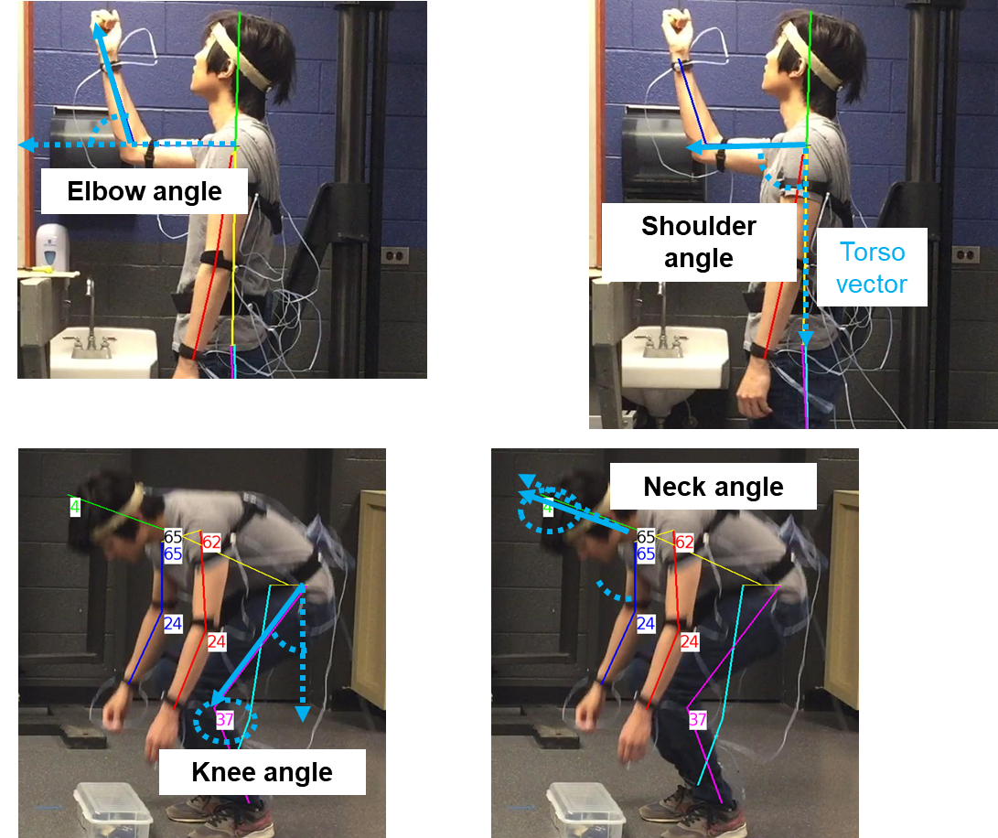
78 | 0 | 4 | 0 | 0
84 | 0 | 4 | 0 | 0
90 | 0 | 4 | 0 | 0
96 | 0 | 4 | 0 | 0
102 | 0 | 4 | 0 | 0
108 | 1 | 4 | 0 | 0 |  | Lower Back Posture (0,8)
114 | 1 | 4 | 0 | 0
120 | 1 | 4 | 0 | 0
126 | 1 | 4 | 0 | 0
132 | 2 | 4 | 0 | 0
138 | 2 | 4 | 0 | 0
144 | 2 | 4 | 0 | 0
150 | 2 | 4 | 0 | 0
156 | 2 | 4 | 0 | 0
162 | 5 | 4 | 0 | 0 |  | Neck Posture (0-2)
168 | 5 | 4 | 0 | 0
174 | 5 | 4 | 0 | 0
180 | 5 | 4 | 0 | 0
186 | 2 | 4 | 0 | 0
192 | 2 | 4 | 0 | 0
198 | 2 | 4 | 0 | 0
204 | 2 | 4 | 0 | 0
210 | 2 | 4 | 0 | 0
216 | 2 | 1 | 0 | 0
222 | 1 | 1 | 0 | 0
228 | 1 | 1 | 0 | 0
234 | 1 | 1 | 0 | 0
240 | 3 | 1 | 0 | 0
246 | 1 | 1 | 0 | 0
252 | 0 | 1 | 0 | 0
258 | 0 | 1 | 0 | 0
264 | 1 | 1 | 0 | 0
270 | 1 | 1 | 0 | 0
276 | 1 | 1 | 0 | 0
282 | 0 | 1 | 0 | 0
288 | 1 | 1 | 0 | 0
294 | 1 | 1 | 0 | 0
300 | 1 | 1 | 0 | 0
306 | 1 | 1 | 0 | 0
312 | 1 | 1 | 0 | 0
318 | 1 | 1 | 0 | 0
324 | 1 | 1 | 0 | 0
330 | 1 | 1 | 0 | 0
336 | 1 | 1 | 0 | 0
342 | 1 | 1 | 0 | 0
348 | 1 | 1 | 0 | 0
354 | 1 | 1 | 0 | 0
360 | 1 | 1 | 0 | 0
366 | 1 | 1 | 0 | 0
372 | 1 | 1 | 0 | 0
378 | 1 | 1 | 0 | 0
384 | 1 | 1 | 0 | 0
390 | 1 | 1 | 0 | 0
396 | 1 | 1 | 0 | 0
402 | 1 | 1 | 0 | 0
408 | 1 | 1 | 0 | 0
414 | 2 | 1 | 0 | 0
420 | 2 | 1 | 0 | 0
426 | 2 | 4 | 0 | 0
432 | 2 | 4 | 0 | 0
438 | 2 | 4 | 0 | 0
444 | 2 | 4 | 0 | 0
450 | 2 | 4 | 0 | 0
456 | 2 | 4 | 0 | 0
462 | 2 | 4 | 0 | 0
468 | 2 | 4 | 0 | 0
474 | 2 | 4 | 0 | 0
480 | 2 | 4 | 0 | 0
486 | 2 | 4 | 0 | 0
492 | 2 | 4 | 0 | 0
498 | 2 | 4 | 0 | 0
504 | 2 | 4 | 0 | 0
510 | 2 | 4 | 0 | 0
516 | 2 | 4 | 0 | 0
522 | 2 | 4 | 0 | 0
528 | 2 | 4 | 0 | 0
534 | 2 | 4 | 0 | 0
540 | 0 | 1 | 0 | 0
546 | 0 | 1 | 0 | 0
552 | 0 | 1 | 0 | 0
558 | 0 | 7 | 0 | 0
564 | 0 | 7 | 0 | 0
570 | 0 | 7 | 0 | 0
576 | 0 | 7 | 0 | 0
582 | 0 | 7 | 0 | 0
588 | 0 | 7 | 0 | 0
594 | 0 | 7 | 0 | 0
600 | 0 | 7 | 0 | 0
606 | 0 | 7 | 0 | 0
612 | 0 | 1 | 0 | 0
618 | 3 | 4 | 0 | 0
624 | 3 | 7 | 0 | 0
630 | 3 | 7 | 0 | 0
636 | 3 | 7 | 0 | 0
642 | 0 | 7 | 0 | 0
648 | 0 | 7 | 0 | 0
654 | 0 | 7 | 0 | 0
660 | 0 | 7 | 0 | 0
666 | 0 | 7 | 0 | 1
672 | 0 | 7 | 0 | 1
678 | 1 | 4 | 0 | 1
684 | 2 | 1 | 0 | 1
690 | 5 | 1 | 0 | 1
696 | 5 | 1 | 8 | 1
702 | 5 | 7 | 8 | 1
708 | 5 | 7 | 8 | 1
714 | 3 | 7 | 8 | 1
720 | 3 | 4 | 8 | 1
726 | 3 | 4 | 8 | 1
732 | 3 | 4 | 0 | 1
738 | 1 | 4 | 0 | 1
744 | 1 | 1 | 0 | 0
750 | 1 | 4 | 0 | 0
756 | 1 | 4 | 0 | 0
762 | 1 | 4 | 0 | 0
768 | 1 | 4 | 0 | 0
774 | 1 | 4 | 0 | 0
780 | 1 | 4 | 0 | 0
786 | 1 | 4 | 0 | 0
792 | 1 | 4 | 0 | 0
798 | 1 | 4 | 0 | 0
804 | 1 | 4 | 0 | 0
810 | 1 | 4 | 0 | 0
816 | 1 | 4 | 0 | 0
822 | 1 | 4 | 0 | 0
828 | 1 | 4 | 0 | 0
834 | 1 | 4 | 0 | 1
840 | 1 | 4 | 0 | 1
846 | 1 | 4 | 0 | 1
852 | 2 | 4 | 0 | 1
858 | 2 | 4 | 8 | 1
864 | 4 | 1 | 8 | 1
870 | 4 | 4 | 8 | 1
876 | 2 | 7 | 8 | 1
882 | 2 | 7 | 8 | 1
888 | 2 | 7 | 8 | 1
894 | 2 | 4 | 8 | 1
900 | 2 | 4 | 8 | 1
906 | 3 | 4 | 8 | 1
912 | 3 | 7 | 0 | 1
918 | 3 | 7 | 0 | 1
924 | 0 | 7 | 0 | 1
930 | 0 | 7 | 0 | 0
936 | 0 | 4 | 0 | 0
942 | 0 | 4 | 0 | 0
948 | 0 | 4 | 0 | 0
954 | 0 | 7 | 0 | 0
960 | 0 | 7 | 0 | 0
966 | 0 | 7 | 0 | 0
972 | 0 | 7 | 0 | 0
978 | 0 | 7 | 0 | 0
984 | 0 | 7 | 0 | 0
990 | 0 | 4 | 0 | 0
996 | 0 | 4 | 0 | 0
1002 | 0 | 7 | 0 | 0
1008 | 0 | 7 | 8 | 0
1014 | 0 | 4 | 0 | 0
1020 | 0 | 4 | 0 | 0
1026 | 0 | 4 | 0 | 0
1032 | 0 | 4 | 0 | 0
1038 | 0 | 4 | 0 | 0
1044 | 0 | 4 | 0 | 0
1050 | 0 | 4 | 0 | 0
1056 | 0 | 4 | 0 | 0
1062 | 1 | 4 | 0 | 0
1068 | 1 | 4 | 0 | 0
1074 | 1 | 4 | 0 | 0
1080 | 1 | 4 | 0 | 0
1086 | 2 | 4 | 0 | 0
1092 | 3 | 4 | 0 | 0
1098 | 3 | 4 | 0 | 0
1104 | 3 | 4 | 0 | 0
1110 | 5 | 4 | 0 | 0
1116 | 5 | 4 | 0 | 0
1122 | 5 | 4 | 0 | 0
1128 | 5 | 4 | 0 | 0
1134 | 5 | 4 | 0 | 0
1140 | 5 | 4 | 0 | 0
1146 | 2 | 4 | 0 | 0
1152 | 3 | 4 | 0 | 0
1158 | 3 | 4 | 0 | 0
1164 | 3 | 4 | 0 | 0
1170 | 3 | 4 | 0 | 0
1176 | 3 | 4 | 0 | 0
1182 | 3 | 4 | 0 | 0
1188 | 2 | 4 | 0 | 0
1194 | 2 | 4 | 0 | 0
1200 | 2 | 4 | 0 | 0
1206 | 2 | 4 | 0 | 0
1212 | 2 | 4 | 0 | 0
1218 | 2 | 4 | 0 | 0
1224 | 2 | 1 | 0 | 0
1230 | 1 | 1 | 0 | 0
1236 | 1 | 1 | 0 | 0
1242 | 1 | 1 | 0 | 0
1248 | 1 | 1 | 0 | 0
1254 | 1 | 1 | 0 | 0
1260 | 0 | 1 | 0 | 0
1266 | 0 | 1 | 0 | 0
1272 | 0 | 1 | 0 | 0
1278 | 0 | 1 | 0 | 0
1284 | 0 | 1 | 0 | 0
1290 | 0 | 1 | 0 | 0
1296 | 0 | 1 | 0 | 0
1302 | 0 | 1 | 0 | 0
1308 | 0 | 1 | 0 | 0
1314 | 0 | 1 | 0 | 0
1320 | 0 | 1 | 0 | 0
1326 | 0 | 1 | 0 | 0
1332 | 0 | 1 | 0 | 0
1338 | 0 | 1 | 0 | 0
1344 | 0 | 1 | 0 | 0
1350 | 0 | 1 | 0 | 0
1356 | 0 | 1 | 0 | 0
1362 | 0 | 1 | 0 | 0
1368 | 0 | 1 | 0 | 0
1374 | 0 | 1 | 0 | 0
1380 | 0 | 1 | 0 | 0
1386 | 0 | 1 | 0 | 0
1392 | 0 | 1 | 0 | 0
1398 | 0 | 1 | 0 | 0
1404 | 0 | 1 | 0 | 0
1410 | 0 | 1 | 0 | 0
1416 | 0 | 1 | 0 | 0
1422 | 1 | 1 | 0 | 0
1428 | 1 | 1 | 0 | 0
1434 | 2 | 1 | 0 | 0
1440 | 2 | 1 | 0 | 0
1446 | 1 | 4 | 0 | 0
1452 | 2 | 4 | 0 | 0
1458 | 2 | 4 | 0 | 0
1464 | 1 | 4 | 0 | 0
1470 | 5 | 4 | 0 | 0
1476 | 5 | 4 | 0 | 0
1482 | 5 | 4 | 0 | 0
1488 | 5 | 4 | 0 | 0
1494 | 5 | 4 | 0 | 0
1500 | 5 | 4 | 0 | 0
1506 | 5 | 4 | 0 | 0
1512 | 5 | 4 | 0 | 0
1518 | 1 | 7 | 0 | 0
1524 | 1 | 7 | 0 | 0
1530 | 0 | 4 | 0 | 0
1536 | 0 | 1 | 0 | 0
1542 | 0 | 1 | 0 | 0
1548 | 0 | 4 | 0 | 0
1554 | 0 | 4 | 0 | 0
1560 | 0 | 4 | 0 | 0
1566 | 0 | 7 | 0 | 0
1572 | 0 | 7 | 0 | 0
1578 | 0 | 7 | 0 | 0
1584 | 0 | 4 | 0 | 0
1590 | 0 | 4 | 0 | 0
1596 | 0 | 4 | 0 | 0
1602 | 0 | 4 | 0 | 0
1608 | 0 | 4 | 0 | 0
1614 | 0 | 7 | 0 | 0
1620 | 0 | 7 | 0 | 0
1626 | 0 | 7 | 0 | 0
1632 | 0 | 7 | 0 | 0
1638 | 0 | 7 | 0 | 1
1644 | 0 | 7 | 0 | 1
1650 | 0 | 7 | 0 | 1
1656 | 0 | 7 | 0 | 1
1662 | 0 | 7 | 0 | 0
1668 | 0 | 7 | 0 | 0
1674 | 0 | 4 | 0 | 0
1680 | 0 | 4 | 0 | 0
1686 | 0 | 4 | 0 | 1
1692 | 0 | 4 | 0 | 1
1698 | 0 | 4 | 0 | 1
1704 | 3 | 4 | 0 | 1
1710 | 5 | 1 | 8 | 1
1716 | 5 | 7 | 8 | 1
1722 | 5 | 7 | 8 | 1
1728 | 3 | 7 | 8 | 1
1734 | 3 | 7 | 8 | 1
1740 | 1 | 7 | 8 | 1
1746 | 0 | 7 | 8 | 1
1752 | 2 | 4 | 8 | 1
1758 | 2 | 4 | 0 | 1
1764 | 0 | 4 | 0 | 1
1770 | 1 | 7 | 0 | 0
1776 | 2 | 4 | 0 | 0
1782 | 1 | 1 | 0 | 0
1788 | 1 | 1 | 0 | 0
1794 | 1 | 1 | 0 | 0
1800 | 1 | 1 | 0 | 0
1806 | 1 | 7 | 0 | 0
1812 | 1 | 7 | 0 | 1
1818 | 1 | 7 | 0 | 1
1824 | 2 | 7 | 0 | 1
1830 | 4 | 4 | 0 | 1
1836 | 5 | 7 | 8 | 1
1842 | 0 | 7 | 8 | 1
1848 | 3 | 9 | 8 | 1
1854 | 3 | 9 | 8 | 1
1860 | 3 | 7 | 8 | 1
1866 | 3 | 7 | 8 | 1
1872 | 3 | 7 | 8 | 1
1878 | 3 | 4 | 8 | 1
1884 | 3 | 7 | 0 | 1 | 完成

