Estimated
image id | Upper Limb Posture (0-9) use left arm | Lower Back Posture (1,4,7,9) | Lower Back Posture (0,8) use left leg | Neck Posture (0-2)
 |  |  |  |  |  | Upper Limb Posture (0-9) | upper limb posture | shoulder (right) | <15 |  | [15,45) |  | [45,75) |  | [75,100) |  | [100,140) | [140,180]
0 | 0 | 1 | 0 | 0 |  |  |  | elbow (right) | <45 | >=45 | <45 | >=45 | <45 | >=45 | <45 | >=45
6 | 0 | 1 | 0 | 0 |  |  |  | posture code | 0 | 1 | 3 | 2 | 5 | 4 | 7 | 6 | 8 | 9
12 | 0 | 1 | 0 | 0
18 | 0 | 1 | 8 | 0 |  |  | Lower limb posture (bend) | back | <10 | [10,30) | [30,65) | [65,180)
24 | 0 | 1 | 8 | 0 |  |  |  | posture code | 1 | 4 | 7 | 9
30 | 0 | 4 | 0 | 0
36 | 0 | 4 | 0 | 0 |  |  | Lower limb posture (squat) | knee (left) | <45 | >=45
42 | 0 | 4 | 0 | 1 |  |  |  | posture code | 0 | 8
48 | 0 | 7 | 0 | 1 |  | Lower Back Posture (1,4,7,9)
54 | 0 | 7 | 0 | 0 |  |  | Neck posture | neck | <20 | >=20 (forward) | >=20 (backward)
60 | 0 | 7 | 0 | 0 |  |  |  | posture code | 0 | 1 | 2
66 | 0 | 7 | 0 | 0
72 | 0 | 4 | 0 | 0
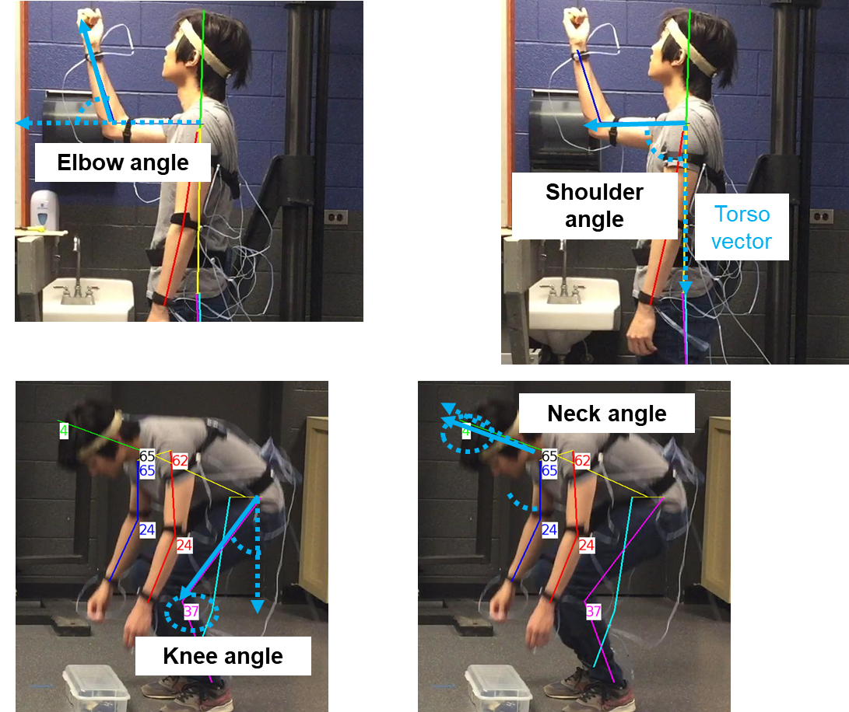
78 | 0 | 4 | 0 | 0
84 | 0 | 4 | 0 | 0
90 | 0 | 4 | 0 | 0
96 | 1 | 4 | 0 | 0
102 | 1 | 4 | 0 | 0
108 | 2 | 4 | 0 | 0 |  | Lower Back Posture (0,8)
114 | 5 | 4 | 0 | 0
120 | 5 | 4 | 0 | 0
126 | 5 | 4 | 0 | 0
132 | 5 | 4 | 0 | 0
138 | 5 | 4 | 0 | 0
144 | 2 | 4 | 0 | 0
150 | 2 | 4 | 0 | 0
156 | 2 | 4 | 0 | 0
162 | 1 | 4 | 0 | 0 |  | Neck Posture (0-2)
168 | 1 | 4 | 0 | 0
174 | 2 | 4 | 0 | 0
180 | 2 | 4 | 0 | 0
186 | 1 | 1 | 0 | 0
192 | 1 | 1 | 0 | 0
198 | 1 | 1 | 0 | 0
204 | 1 | 1 | 0 | 0
210 | 1 | 1 | 0 | 0
216 | 0 | 1 | 0 | 0
222 | 0 | 1 | 0 | 0
228 | 0 | 1 | 0 | 0
234 | 0 | 1 | 0 | 0
240 | 0 | 1 | 0 | 0
246 | 0 | 1 | 0 | 0
252 | 0 | 1 | 0 | 0
258 | 0 | 1 | 0 | 0
264 | 0 | 1 | 0 | 0
270 | 0 | 1 | 0 | 0
276 | 0 | 1 | 0 | 0
282 | 0 | 1 | 0 | 0
288 | 0 | 1 | 0 | 0
294 | 0 | 1 | 0 | 0
300 | 0 | 1 | 0 | 0
306 | 0 | 1 | 0 | 0
312 | 0 | 1 | 0 | 0
318 | 0 | 1 | 0 | 0
324 | 0 | 1 | 0 | 0
330 | 0 | 1 | 0 | 0
336 | 0 | 1 | 0 | 0
342 | 0 | 1 | 0 | 0
348 | 0 | 1 | 0 | 0
354 | 0 | 1 | 0 | 0
360 | 1 | 1 | 0 | 0
366 | 1 | 1 | 0 | 0
372 | 2 | 4 | 0 | 0
378 | 2 | 4 | 0 | 0
384 | 2 | 4 | 0 | 0
390 | 2 | 4 | 0 | 0
396 | 5 | 4 | 0 | 0
402 | 5 | 4 | 0 | 0
408 | 5 | 4 | 0 | 0
414 | 5 | 4 | 0 | 0
420 | 5 | 4 | 0 | 0
426 | 5 | 4 | 0 | 0
432 | 5 | 4 | 0 | 0
438 | 5 | 4 | 0 | 0
444 | 5 | 4 | 0 | 0
450 | 5 | 4 | 0 | 0
456 | 5 | 4 | 0 | 0
462 | 2 | 7 | 0 | 0
468 | 1 | 7 | 0 | 0
474 | 3 | 7 | 0 | 0
480 | 0 | 4 | 0 | 0
486 | 0 | 1 | 0 | 0
492 | 0 | 1 | 0 | 0
498 | 0 | 4 | 0 | 0
504 | 0 | 4 | 0 | 0
510 | 0 | 4 | 0 | 0
516 | 0 | 4 | 0 | 0
522 | 0 | 7 | 0 | 0
528 | 0 | 4 | 0 | 0
534 | 0 | 4 | 0 | 0
540 | 0 | 4 | 0 | 0
546 | 0 | 4 | 0 | 0
552 | 0 | 4 | 0 | 0
558 | 0 | 4 | 0 | 0
564 | 0 | 4 | 0 | 0
570 | 0 | 7 | 0 | 0
576 | 0 | 7 | 0 | 0
582 | 0 | 7 | 0 | 0
588 | 0 | 7 | 0 | 0
594 | 0 | 7 | 0 | 0
600 | 0 | 4 | 0 | 0
606 | 0 | 4 | 0 | 0
612 | 0 | 7 | 0 | 0
618 | 0 | 7 | 0 | 0
624 | 0 | 7 | 0 | 0
630 | 0 | 7 | 0 | 1
636 | 5 | 1 | 8 | 1
642 | 5 | 1 | 8 | 1
648 | 5 | 1 | 8 | 1
654 | 3 | 7 | 8 | 1
660 | 3 | 7 | 8 | 1
666 | 3 | 7 | 8 | 1
672 | 3 | 4 | 8 | 1
678 | 3 | 4 | 8 | 1
684 | 2 | 4 | 8 | 1
690 | 2 | 4 | 0 | 1
696 | 1 | 7 | 0 | 1
702 | 1 | 7 | 0 | 0
708 | 1 | 4 | 0 | 0
714 | 1 | 4 | 0 | 0
720 | 1 | 4 | 0 | 0
726 | 1 | 4 | 0 | 0
732 | 1 | 4 | 0 | 0
738 | 1 | 4 | 0 | 0
744 | 1 | 4 | 0 | 0
750 | 2 | 7 | 0 | 0
756 | 1 | 7 | 0 | 0
762 | 2 | 7 | 0 | 0
768 | 1 | 7 | 0 | 1
774 | 1 | 4 | 0 | 1
780 | 2 | 4 | 0 | 1
786 | 2 | 4 | 0 | 1
792 | 2 | 4 | 8 | 1
798 | 2 | 4 | 8 | 1
804 | 2 | 4 | 8 | 1
810 | 3 | 7 | 8 | 1
816 | 3 | 7 | 8 | 1
822 | 3 | 4 | 8 | 1
828 | 3 | 4 | 8 | 1
834 | 3 | 4 | 8 | 1
840 | 3 | 4 | 8 | 1
846 | 0 | 7 | 8 | 1
852 | 0 | 7 | 0 | 1
858 | 0 | 7 | 0 | 1
864 | 0 | 7 | 0 | 0
870 | 0 | 4 | 0 | 0
876 | 0 | 4 | 0 | 0
882 | 0 | 4 | 0 | 0
888 | 0 | 4 | 0 | 0
894 | 0 | 4 | 0 | 0
900 | 0 | 4 | 0 | 0
906 | 0 | 7 | 0 | 0
912 | 0 | 7 | 0 | 0
918 | 0 | 7 | 0 | 0
924 | 0 | 7 | 8 | 0
930 | 0 | 7 | 8 | 0
936 | 0 | 7 | 8 | 0
942 | 0 | 7 | 0 | 0
948 | 0 | 4 | 0 | 0
954 | 0 | 4 | 0 | 0
960 | 0 | 4 | 0 | 0
966 | 0 | 4 | 0 | 0
972 | 0 | 4 | 0 | 0
978 | 0 | 4 | 0 | 0
984 | 0 | 4 | 0 | 0
990 | 0 | 4 | 0 | 0
996 | 0 | 4 | 0 | 0
1002 | 0 | 4 | 0 | 0
1008 | 1 | 1 | 0 | 0
1014 | 2 | 4 | 0 | 0
1020 | 2 | 4 | 0 | 0
1026 | 2 | 4 | 0 | 0
1032 | 3 | 4 | 0 | 0
1038 | 3 | 4 | 0 | 0
1044 | 5 | 4 | 0 | 0
1050 | 5 | 4 | 0 | 0
1056 | 5 | 4 | 0 | 0
1062 | 5 | 4 | 0 | 0
1068 | 3 | 4 | 0 | 0
1074 | 2 | 4 | 0 | 0
1080 | 2 | 4 | 0 | 0
1086 | 2 | 4 | 0 | 0
1092 | 2 | 1 | 0 | 0
1098 | 1 | 1 | 0 | 0
1104 | 1 | 1 | 0 | 0
1110 | 1 | 1 | 0 | 0
1116 | 1 | 1 | 0 | 0
1122 | 1 | 1 | 0 | 0
1128 | 0 | 1 | 0 | 0
1134 | 0 | 1 | 0 | 0
1140 | 0 | 1 | 0 | 0
1146 | 0 | 1 | 0 | 0
1152 | 0 | 1 | 0 | 0
1158 | 0 | 1 | 0 | 0
1164 | 0 | 1 | 0 | 0
1170 | 0 | 1 | 0 | 0
1176 | 0 | 4 | 0 | 0
1182 | 0 | 4 | 0 | 0
1188 | 0 | 4 | 0 | 0
1194 | 0 | 4 | 0 | 0
1200 | 0 | 4 | 0 | 0
1206 | 0 | 4 | 0 | 0
1212 | 0 | 4 | 0 | 0
1218 | 0 | 4 | 0 | 0
1224 | 0 | 1 | 0 | 0
1230 | 0 | 1 | 0 | 0
1236 | 0 | 4 | 0 | 0
1242 | 0 | 4 | 0 | 0
1248 | 0 | 4 | 0 | 0
1254 | 0 | 1 | 0 | 0
1260 | 0 | 4 | 0 | 0
1266 | 0 | 4 | 0 | 0
1272 | 0 | 4 | 0 | 0
1278 | 0 | 4 | 0 | 0
1284 | 0 | 4 | 0 | 0
1290 | 0 | 4 | 0 | 0
1296 | 0 | 4 | 0 | 0
1302 | 0 | 4 | 0 | 0
1308 | 0 | 4 | 0 | 0
1314 | 0 | 4 | 0 | 0
1320 | 0 | 4 | 0 | 0
1326 | 0 | 4 | 0 | 0
1332 | 0 | 1 | 0 | 0
1338 | 1 | 1 | 0 | 0
1344 | 1 | 1 | 0 | 0
1350 | 1 | 4 | 0 | 0
1356 | 2 | 4 | 0 | 0
1362 | 2 | 4 | 0 | 0
1368 | 2 | 4 | 0 | 0
1374 | 2 | 4 | 0 | 0
1380 | 3 | 4 | 0 | 0
1386 | 3 | 4 | 0 | 0
1392 | 5 | 4 | 0 | 0
1398 | 5 | 4 | 0 | 0
1404 | 5 | 4 | 0 | 0
1410 | 5 | 4 | 0 | 0
1416 | 2 | 4 | 0 | 0
1422 | 1 | 4 | 0 | 0
1428 | 2 | 7 | 0 | 0
1434 | 3 | 4 | 0 | 0
1440 | 0 | 4 | 0 | 0
1446 | 0 | 1 | 0 | 0
1452 | 0 | 1 | 0 | 0
1458 | 0 | 4 | 0 | 0
1464 | 0 | 4 | 0 | 0
1470 | 0 | 4 | 0 | 0
1476 | 0 | 7 | 0 | 0
1482 | 0 | 7 | 0 | 0
1488 | 0 | 7 | 0 | 0
1494 | 0 | 4 | 0 | 0
1500 | 0 | 4 | 0 | 0
1506 | 0 | 4 | 0 | 0
1512 | 0 | 4 | 0 | 0
1518 | 0 | 1 | 0 | 0
1524 | 0 | 4 | 0 | 0
1530 | 0 | 7 | 0 | 0
1536 | 0 | 7 | 0 | 0
1542 | 0 | 7 | 0 | 0
1548 | 0 | 7 | 0 | 0
1554 | 0 | 7 | 0 | 0
1560 | 0 | 4 | 0 | 0
1566 | 0 | 4 | 0 | 0
1572 | 0 | 7 | 0 | 0
1578 | 0 | 7 | 0 | 0
1584 | 0 | 7 | 0 | 0
1590 | 0 | 4 | 0 | 1
1596 | 3 | 1 | 0 | 1
1602 | 3 | 1 | 0 | 1
1608 | 5 | 1 | 8 | 1
1614 | 5 | 1 | 8 | 1
1620 | 5 | 7 | 8 | 1
1626 | 5 | 7 | 8 | 1
1632 | 5 | 7 | 8 | 1
1638 | 5 | 7 | 8 | 1
1644 | 5 | 7 | 8 | 1
1650 | 3 | 7 | 8 | 1
1656 | 5 | 4 | 8 | 1
1662 | 3 | 4 | 8 | 1
1668 | 3 | 4 | 8 | 1
1674 | 2 | 7 | 0 | 1
1680 | 2 | 7 | 0 | 1
1686 | 1 | 7 | 0 | 1
1692 | 1 | 7 | 0 | 1
1698 | 1 | 7 | 0 | 0
1704 | 2 | 4 | 0 | 0
1710 | 2 | 4 | 0 | 0
1716 | 2 | 4 | 0 | 0
1722 | 2 | 4 | 0 | 0
1728 | 2 | 4 | 0 | 0
1734 | 2 | 4 | 0 | 0
1740 | 2 | 7 | 0 | 0
1746 | 1 | 7 | 0 | 0
1752 | 1 | 7 | 0 | 1
1758 | 1 | 7 | 0 | 1
1764 | 2 | 7 | 0 | 1
1770 | 2 | 7 | 8 | 1
1776 | 2 | 4 | 8 | 1
1782 | 5 | 4 | 8 | 1
1788 | 5 | 4 | 8 | 1
1794 | 5 | 7 | 8 | 1
1800 | 5 | 7 | 8 | 1
1806 | 5 | 7 | 8 | 1
1812 | 5 | 7 | 8 | 1
1818 | 5 | 4 | 8 | 1
1824 | 3 | 7 | 8 | 1
1830 | 3 | 4 | 0 | 1
1836 | 0 | 7 | 0 | 1
1842 | 0 | 7 | 0 | 0
1848 | 0 | 7 | 0 | 0 | 完成

