Estimated
image id | Upper Limb Posture (0-9) use left arm | Lower Back Posture (1,4,7,9) | Lower Back Posture (0,8) use left leg | Neck Posture (0-2)
 |  |  |  |  | Upper Limb Posture (0-9) | upper limb posture | shoulder (right) | <15 |  | [15,45) |  | [45,75) |  | [75,100) |  | [100,140) | [140,180]
0 | 0 | 1 | 0 | 1 |  |  | elbow (right) | <45 | >=45 | <45 | >=45 | <45 | >=45 | <45 | >=45
6 | 0 | 1 | 0 | 1 |  |  | posture code | 0 | 1 | 3 | 2 | 5 | 4 | 7 | 6 | 8 | 9
12 | 0 | 1 | 8 | 1
18 | 0 | 1 | 8 | 0 |  | Lower limb posture (bend) | back | <10 | [10,30) | [30,65) | [65,180)
24 | 0 | 1 | 0 | 0 |  |  | posture code | 1 | 4 | 7 | 9
30 | 0 | 1 | 0 | 0
36 | 0 | 1 | 0 | 0 |  | Lower limb posture (squat) | knee (left) | <45 | >=45
42 | 3 | 1 | 0 | 0 |  |  | posture code | 0 | 8
48 | 3 | 1 | 0 | 0 | Lower Back Posture (1,4,7,9)
54 | 2 | 1 | 0 | 0 |  | Neck posture | neck | <20 | >=20 (forward) | >=20 (backward)
60 | 2 | 1 | 0 | 0 |  |  | posture code | 0 | 1 | 2
66 | 2 | 1 | 0 | 0
72 | 2 | 1 | 0 | 0
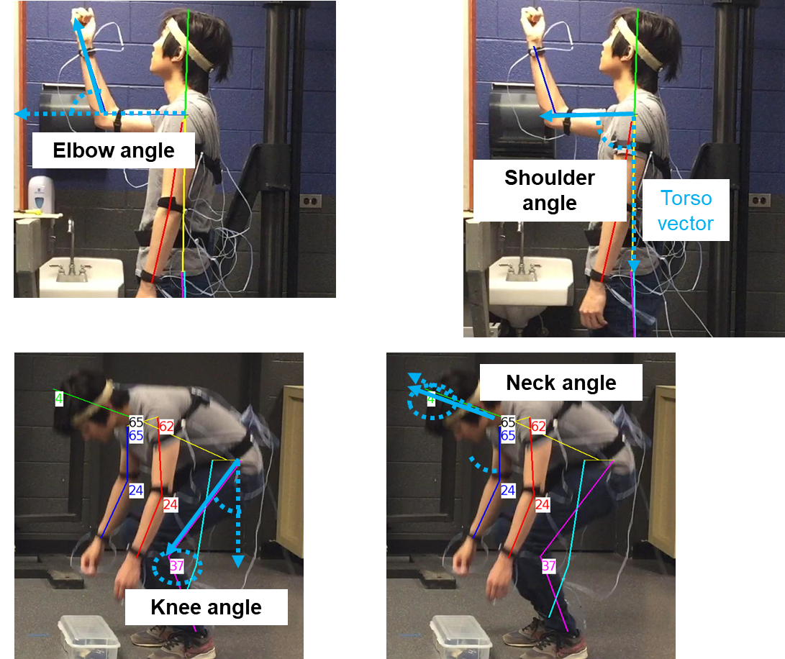
78 | 2 | 1 | 0 | 0
84 | 2 | 4 | 0 | 0
90 | 2 | 4 | 0 | 1
96 | 2 | 1 | 0 | 1
102 | 2 | 1 | 0 | 0
108 | 2 | 1 | 0 | 0 | Lower Back Posture (0,8)
114 | 2 | 1 | 0 | 0
120 | 2 | 1 | 0 | 0
126 | 2 | 1 | 0 | 0
132 | 2 | 1 | 0 | 1
138 | 2 | 1 | 0 | 1
144 | 2 | 1 | 0 | 1
150 | 2 | 1 | 0 | 1
156 | 2 | 1 | 0 | 0
162 | 3 | 4 | 0 | 0 | Neck Posture (0-2)
168 | 3 | 4 | 0 | 0
174 | 3 | 4 | 0 | 0
180 | 0 | 4 | 0 | 0
186 | 0 | 4 | 0 | 0
192 | 0 | 4 | 0 | 0
198 | 3 | 4 | 0 | 0
204 | 0 | 4 | 0 | 0
210 | 0 | 4 | 0 | 0
216 | 3 | 4 | 0 | 0
222 | 3 | 4 | 0 | 0
228 | 2 | 1 | 0 | 0
234 | 2 | 1 | 0 | 0
240 | 2 | 1 | 0 | 1
246 | 2 | 1 | 0 | 0
252 | 2 | 1 | 0 | 0
258 | 2 | 1 | 0 | 0
264 | 2 | 1 | 0 | 1
270 | 2 | 1 | 0 | 1
276 | 2 | 1 | 0 | 1
282 | 1 | 1 | 0 | 1
288 | 1 | 1 | 0 | 1
294 | 1 | 1 | 0 | 1
300 | 2 | 1 | 0 | 1
306 | 2 | 1 | 0 | 1
312 | 2 | 1 | 0 | 1
318 | 2 | 1 | 0 | 1
324 | 2 | 1 | 0 | 1
330 | 3 | 1 | 0 | 1
336 | 3 | 1 | 0 | 1
342 | 0 | 1 | 0 | 1
348 | 0 | 1 | 0 | 1
354 | 3 | 1 | 0 | 0
360 | 3 | 4 | 0 | 0
366 | 0 | 1 | 0 | 0
372 | 0 | 1 | 0 | 1
378 | 0 | 1 | 0 | 1
384 | 0 | 1 | 0 | 1
390 | 0 | 1 | 0 | 1
396 | 0 | 1 | 0 | 1
402 | 0 | 1 | 0 | 1
408 | 0 | 1 | 0 | 1
414 | 0 | 1 | 0 | 1
420 | 0 | 1 | 0 | 1
426 | 0 | 1 | 0 | 1
432 | 0 | 1 | 0 | 0
438 | 0 | 1 | 0 | 0
444 | 3 | 1 | 0 | 0
450 | 3 | 1 | 0 | 1
456 | 3 | 4 | 0 | 1
462 | 0 | 4 | 0 | 1
468 | 0 | 4 | 0 | 1
474 | 3 | 4 | 0 | 1
480 | 3 | 7 | 0 | 1
486 | 5 | 7 | 0 | 0
492 | 5 | 9 | 8 | 0
498 | 5 | 7 | 8 | 0
504 | 5 | 7 | 8 | 0
510 | 5 | 7 | 8 | 0
516 | 5 | 7 | 0 | 0
522 | 5 | 7 | 0 | 0
528 | 3 | 4 | 0 | 0
534 | 3 | 1 | 0 | 0
540 | 3 | 1 | 0 | 0
546 | 3 | 1 | 0 | 0
552 | 3 | 4 | 0 | 0
558 | 3 | 4 | 0 | 1
564 | 5 | 7 | 0 | 1
570 | 5 | 7 | 8 | 0
576 | 5 | 7 | 8 | 0
582 | 5 | 7 | 8 | 0
588 | 5 | 7 | 8 | 0
594 | 5 | 7 | 8 | 0
600 | 5 | 7 | 0 | 0
606 | 3 | 7 | 0 | 1
612 | 3 | 4 | 0 | 1
618 | 0 | 1 | 0 | 1
624 | 0 | 1 | 0 | 1
630 | 0 | 1 | 0 | 1
636 | 0 | 1 | 0 | 1
642 | 3 | 1 | 0 | 1
648 | 3 | 1 | 8 | 1
654 | 3 | 1 | 8 | 0
660 | 0 | 1 | 0 | 1
666 | 0 | 1 | 0 | 1
672 | 0 | 1 | 0 | 0
678 | 0 | 1 | 0 | 1
684 | 0 | 1 | 0 | 0
690 | 0 | 1 | 0 | 0
696 | 0 | 1 | 0 | 1
702 | 0 | 1 | 0 | 0
708 | 1 | 1 | 0 | 1
714 | 2 | 1 | 0 | 0
720 | 2 | 4 | 0 | 1
726 | 2 | 4 | 0 | 1
732 | 2 | 4 | 0 | 1
738 | 2 | 4 | 0 | 1
744 | 2 | 4 | 0 | 1
750 | 2 | 4 | 0 | 0
756 | 2 | 4 | 0 | 0
762 | 1 | 1 | 0 | 0
768 | 3 | 1 | 0 | 0
774 | 3 | 1 | 0 | 0
780 | 3 | 1 | 0 | 0
786 | 3 | 1 | 0 | 0
792 | 3 | 1 | 0 | 0
798 | 3 | 1 | 0 | 0
804 | 3 | 1 | 0 | 0
810 | 3 | 1 | 0 | 0
816 | 3 | 1 | 0 | 0
822 | 1 | 1 | 0 | 0
828 | 1 | 1 | 0 | 0
834 | 0 | 1 | 0 | 1
840 | 0 | 1 | 0 | 0
846 | 0 | 1 | 0 | 1
852 | 0 | 1 | 0 | 1
858 | 0 | 1 | 0 | 1
864 | 0 | 1 | 0 | 1
870 | 0 | 1 | 0 | 1
876 | 0 | 1 | 0 | 1
882 | 0 | 1 | 0 | 0
888 | 3 | 1 | 0 | 0
894 | 3 | 1 | 0 | 0
900 | 0 | 1 | 0 | 0
906 | 0 | 1 | 0 | 0
912 | 0 | 1 | 0 | 1
918 | 0 | 1 | 0 | 1
924 | 0 | 1 | 0 | 1
930 | 0 | 1 | 0 | 1
936 | 0 | 1 | 0 | 1
942 | 0 | 1 | 0 | 1
948 | 3 | 1 | 0 | 1
954 | 3 | 1 | 0 | 1
960 | 0 | 1 | 0 | 0
966 | 0 | 1 | 0 | 0
972 | 0 | 1 | 0 | 0
978 | 3 | 1 | 0 | 0
984 | 3 | 1 | 0 | 1
990 | 0 | 1 | 0 | 1
996 | 0 | 1 | 0 | 1
1002 | 0 | 4 | 0 | 1
1008 | 0 | 4 | 0 | 1
1014 | 3 | 7 | 0 | 1
1020 | 5 | 7 | 0 | 0
1026 | 5 | 7 | 8 | 0
1032 | 5 | 7 | 8 | 0
1038 | 5 | 7 | 8 | 0
1044 | 5 | 7 | 8 | 0
1050 | 5 | 7 | 8 | 0
1056 | 5 | 7 | 0 | 0
1062 | 3 | 4 | 0 | 0
1068 | 3 | 1 | 0 | 0
1074 | 3 | 1 | 0 | 0
1080 | 3 | 1 | 0 | 0
1086 | 3 | 1 | 0 | 0
1092 | 3 | 4 | 0 | 1
1098 | 3 | 4 | 0 | 1
1104 | 5 | 7 | 0 | 1
1110 | 5 | 7 | 8 | 0
1116 | 5 | 7 | 8 | 0
1122 | 5 | 7 | 8 | 0
1128 | 5 | 7 | 8 | 0
1134 | 5 | 7 | 8 | 0
1140 | 5 | 7 | 8 | 0
1146 | 3 | 7 | 0 | 1
1152 | 3 | 7 | 0 | 1
1158 | 3 | 4 | 0 | 1
1164 | 0 | 1 | 0 | 1
1170 | 0 | 1 | 0 | 1
1176 | 3 | 1 | 0 | 1
1182 | 0 | 1 | 0 | 1
1188 | 0 | 1 | 8 | 1
1194 | 0 | 1 | 8 | 1
1200 | 0 | 1 | 0 | 0
1206 | 0 | 1 | 0 | 1
1212 | 3 | 1 | 0 | 1
1218 | 3 | 1 | 0 | 1
1224 | 3 | 1 | 0 | 1
1230 | 0 | 1 | 0 | 1
1236 | 0 | 1 | 0 | 1
1242 | 0 | 1 | 0 | 1
1248 | 1 | 1 | 0 | 0
1254 | 1 | 1 | 0 | 0
1260 | 2 | 4 | 0 | 0
1266 | 2 | 4 | 0 | 0
1272 | 2 | 4 | 0 | 0
1278 | 2 | 4 | 0 | 0
1284 | 2 | 4 | 0 | 0
1290 | 2 | 1 | 0 | 0
1296 | 2 | 1 | 0 | 0
1302 | 3 | 1 | 0 | 0
1308 | 3 | 1 | 0 | 0
1314 | 3 | 4 | 0 | 0
1320 | 3 | 4 | 0 | 0
1326 | 3 | 4 | 0 | 0
1332 | 3 | 4 | 0 | 0
1338 | 3 | 1 | 0 | 0
1344 | 3 | 1 | 0 | 0
1350 | 3 | 1 | 0 | 0
1356 | 3 | 1 | 0 | 0
1362 | 0 | 1 | 0 | 1
1368 | 0 | 1 | 0 | 1
1374 | 0 | 1 | 0 | 0
1380 | 0 | 1 | 0 | 0
1386 | 0 | 1 | 0 | 1
1392 | 0 | 1 | 0 | 0
1398 | 0 | 4 | 0 | 0
1404 | 0 | 4 | 0 | 0
1410 | 0 | 4 | 0 | 0
1416 | 3 | 4 | 0 | 0
1422 | 3 | 4 | 0 | 0
1428 | 0 | 1 | 0 | 0
1434 | 0 | 1 | 0 | 0
1440 | 0 | 1 | 0 | 0
1446 | 0 | 1 | 0 | 1
1452 | 0 | 1 | 0 | 1
1458 | 0 | 1 | 0 | 1
1464 | 3 | 1 | 0 | 1
1470 | 3 | 1 | 0 | 1
1476 | 3 | 1 | 0 | 1
1482 | 3 | 1 | 0 | 1
1488 | 3 | 1 | 0 | 1
1494 | 0 | 1 | 0 | 1
1500 | 0 | 1 | 0 | 0
1506 | 0 | 1 | 0 | 0
1512 | 0 | 1 | 0 | 0
1518 | 3 | 1 | 0 | 0
1524 | 3 | 1 | 0 | 1
1530 | 0 | 1 | 0 | 1
1536 | 0 | 1 | 0 | 1
1542 | 0 | 1 | 0 | 1
1548 | 3 | 4 | 0 | 1
1554 | 3 | 7 | 0 | 0
1560 | 5 | 7 | 0 | 0
1566 | 5 | 7 | 8 | 0
1572 | 5 | 7 | 8 | 0
1578 | 5 | 7 | 8 | 0
1584 | 5 | 7 | 8 | 0
1590 | 5 | 7 | 8 | 0
1596 | 5 | 4 | 0 | 0
1602 | 5 | 1 | 0 | 1
1608 | 5 | 1 | 0 | 1
1614 | 5 | 1 | 0 | 1
1620 | 5 | 1 | 0 | 1
1626 | 5 | 4 | 0 | 1
1632 | 5 | 7 | 0 | 1
1638 | 5 | 7 | 8 | 0
1644 | 5 | 7 | 8 | 0
1650 | 5 | 7 | 8 | 0
1656 | 5 | 7 | 8 | 0
1662 | 5 | 7 | 8 | 0
1668 | 5 | 7 | 8 | 0
1674 | 3 | 7 | 0 | 0
1680 | 3 | 7 | 0 | 1
1686 | 0 | 4 | 0 | 1
1692 | 1 | 1 | 0 | 1
1698 | 0 | 1 | 0 | 1
1704 | 3 | 1 | 0 | 1
1710 | 0 | 1 | 0 | 1
1716 | 3 | 1 | 0 | 1
1722 | 3 | 1 | 8 | 1
1728 | 3 | 1 | 8 | 1
1734 | 0 | 1 | 0 | 0
1740 | 0 | 1 | 0 | 0
1746 | 3 | 1 | 0 | 0
1752 | 3 | 1 | 0 | 0
1758 | 0 | 1 | 0 | 0
1764 | 0 | 1 | 0 | 1
1770 | 0 | 1 | 0 | 0
1776 | 1 | 1 | 0 | 1
1782 | 1 | 1 | 0 | 1
1788 | 2 | 1 | 0 | 0
1794 | 2 | 4 | 0 | 0
1800 | 2 | 1 | 0 | 0
1806 | 2 | 1 | 0 | 0
1812 | 2 | 1 | 0 | 0
1818 | 2 | 1 | 0 | 1
1824 | 2 | 1 | 0 | 1
1830 | 2 | 1 | 0 | 0
1836 | 2 | 1 | 0 | 0
1842 | 2 | 1 | 0 | 0
1848 | 3 | 4 | 0 | 0
1854 | 3 | 1 | 0 | 0
1860 | 3 | 1 | 0 | 0
1866 | 3 | 1 | 0 | 0
1872 | 3 | 1 | 0 | 0
1878 | 3 | 1 | 0 | 0
1884 | 3 | 1 | 0 | 0
1890 | 3 | 1 | 0 | 0
1896 | 3 | 1 | 0 | 0
1902 | 3 | 1 | 0 | 0
1908 | 3 | 1 | 0 | 0
1914 | 3 | 1 | 0 | 0
1920 | 3 | 1 | 0 | 0
1926 | 0 | 1 | 0 | 1
1932 | 0 | 1 | 0 | 1
1938 | 0 | 1 | 0 | 1
1944 | 0 | 1 | 0 | 0
1950 | 0 | 4 | 0 | 1
1956 | 0 | 4 | 0 | 1
1962 | 0 | 4 | 0 | 1
1968 | 0 | 1 | 0 | 1
1974 | 0 | 1 | 0 | 1
1980 | 0 | 1 | 0 | 1
1986 | 0 | 1 | 0 | 1
1992 | 0 | 1 | 0 | 1
1998 | 3 | 4 | 0 | 0
2004 | 3 | 4 | 0 | 0
2010 | 0 | 1 | 0 | 0
2016 | 0 | 1 | 0 | 0
2022 | 3 | 1 | 0 | 1
2028 | 3 | 1 | 0 | 1
2034 | 0 | 1 | 0 | 1
2040 | 0 | 1 | 0 | 1
2046 | 0 | 1 | 0 | 1
2052 | 0 | 1 | 0 | 1
2058 | 0 | 1 | 0 | 1
2064 | 0 | 1 | 0 | 0
2070 | 0 | 1 | 0 | 0
2076 | 0 | 1 | 0 | 0
2082 | 3 | 1 | 0 | 1
2088 | 3 | 1 | 0 | 1
2094 | 0 | 1 | 0 | 1
2100 | 0 | 4 | 0 | 1
2106 | 3 | 4 | 0 | 1
2112 | 3 | 7 | 0 | 1
2118 | 3 | 7 | 0 | 0
2124 | 5 | 7 | 8 | 0
2130 | 5 | 7 | 8 | 0
2136 | 5 | 7 | 8 | 0
2142 | 5 | 7 | 8 | 0
2148 | 5 | 7 | 8 | 0
2154 | 5 | 7 | 8 | 0
2160 | 3 | 4 | 0 | 0
2166 | 3 | 1 | 0 | 0
2172 | 3 | 1 | 0 | 1
2178 | 3 | 1 | 0 | 1
2184 | 3 | 1 | 0 | 0
2190 | 5 | 4 | 0 | 0
2196 | 5 | 4 | 0 | 0
2202 | 5 | 7 | 8 | 0
2208 | 5 | 7 | 8 | 0
2214 | 5 | 7 | 8 | 0
2220 | 5 | 7 | 8 | 0
2226 | 5 | 7 | 0 | 0
2232 | 5 | 7 | 0 | 0
2238 | 3 | 4 | 0 | 0
2244 | 0 | 4 | 0 | 1
2250 | 0 | 1 | 0 | 1
2256 | 3 | 1 | 0 | 1
2262 | 3 | 1 | 0 | 1
2268 | 3 | 1 | 0 | 1
2274 | 3 | 1 | 0 | 1
2280 | 0 | 1 | 8 | 1
2286 | 0 | 1 | 8 | 1
2292 | 0 | 1 | 0 | 0
2298 | 0 | 1 | 0 | 0
2304 | 0 | 1 | 0 | 1
2310 | 1 | 1 | 0 | 1
2316 | 0 | 1 | 0 | 0
2322 | 0 | 1 | 0 | 1
2328 | 0 | 1 | 0 | 1
2334 | 3 | 1 | 0 | 1
2340 | 2 | 1 | 0 | 1
2346 | 2 | 1 | 0 | 1
2352 | 2 | 1 | 0 | 1
2358 | 2 | 1 | 0 | 1
2364 | 2 | 1 | 0 | 1
2370 | 2 | 1 | 0 | 1
2376 | 2 | 1 | 0 | 0
2382 | 2 | 4 | 0 | 0
2388 | 2 | 4 | 0 | 0
2394 | 2 | 4 | 0 | 0
2400 | 2 | 1 | 0 | 0
2406 | 3 | 1 | 0 | 0
2412 | 4 | 1 | 0 | 0
2418 | 3 | 1 | 0 | 0
2424 | 3 | 1 | 0 | 0
2430 | 3 | 4 | 0 | 0
2436 | 3 | 4 | 0 | 0
2442 | 3 | 4 | 0 | 0
2448 | 3 | 1 | 0 | 0
2454 | 3 | 1 | 0 | 0
2460 | 3 | 1 | 0 | 0
2466 | 3 | 1 | 0 | 0
2472 | 3 | 1 | 0 | 0
2478 | 3 | 1 | 0 | 0
2484 | 3 | 1 | 0 | 0
2490 | 3 | 1 | 0 | 0
2496 | 3 | 4 | 0 | 1
2502 | 0 | 4 | 0 | 1
2508 | 0 | 4 | 0 | 1
2514 | 0 | 4 | 0 | 1
2520 | 0 | 4 | 0 | 1
2526 | 0 | 4 | 0 | 1
2532 | 0 | 4 | 0 | 1
2538 | 3 | 4 | 0 | 1
2544 | 3 | 4 | 0 | 0
2550 | 3 | 4 | 0 | 0
2556 | 0 | 1 | 0 | 0
2562 | 0 | 1 | 0 | 0
2568 | 0 | 1 | 0 | 1
...

