Estimated
image id | Upper Limb Posture (0-9) use left arm | Lower Back Posture (1,4,7,9) | Lower Back Posture (0,8) use left leg | Neck Posture (0-2)
 |  |  |  |  | Upper Limb Posture (0-9) | upper limb posture | shoulder (right) | <15 |  | [15,45) |  | [45,75) |  | [75,100) |  | [100,140) | [140,180]
0 | 0 | 1 | 0 | 1 |  |  | elbow (right) | <45 | >=45 | <45 | >=45 | <45 | >=45 | <45 | >=45
6 | 0 | 1 | 0 | 1 |  |  | posture code | 0 | 1 | 3 | 2 | 5 | 4 | 7 | 6 | 8 | 9
12 | 0 | 1 | 0 | 1
18 | 0 | 1 | 0 | 1 |  | Lower limb posture (bend) | back | <10 | [10,30) | [30,65) | [65,180)
24 | 0 | 1 | 0 | 1 |  |  | posture code | 1 | 4 | 7 | 9
30 | 0 | 1 | 0 | 1
36 | 3 | 1 | 0 | 1 |  | Lower limb posture (squat) | knee (left) | <45 | >=45
42 | 0 | 1 | 0 | 1 |  |  | posture code | 0 | 8
48 | 0 | 1 | 0 | 1 | Lower Back Posture (1,4,7,9)
54 | 0 | 1 | 0 | 1 |  | Neck posture | neck | <20 | >=20 (forward) | >=20 (backward)
60 | 0 | 1 | 0 | 1 |  |  | posture code | 0 | 1 | 2
66 | 0 | 1 | 0 | 1
72 | 0 | 1 | 0 | 1
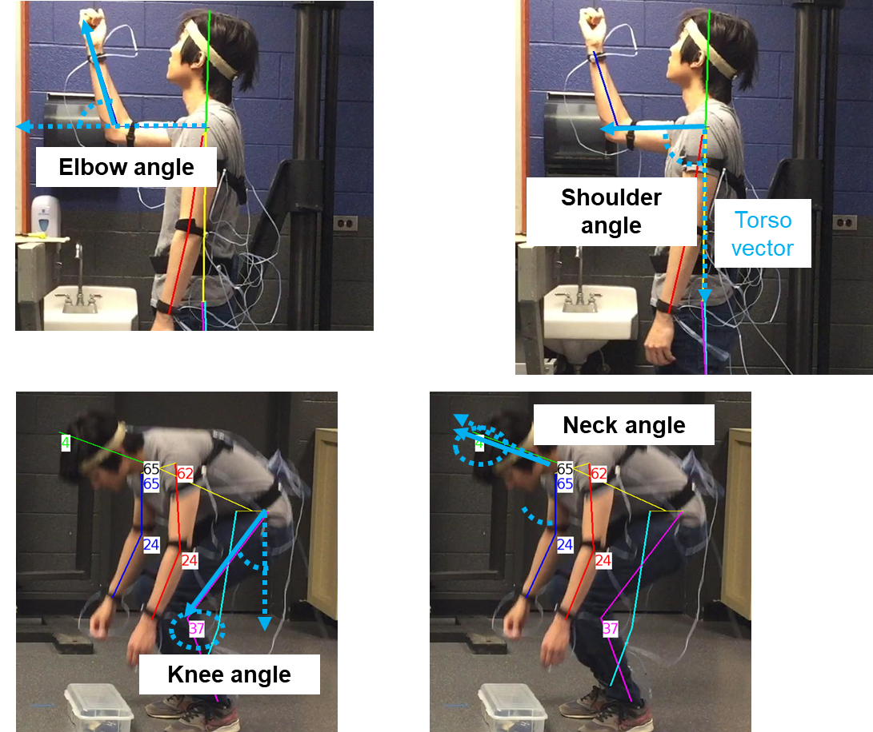
78 | 0 | 1 | 0 | 1
84 | 0 | 1 | 0 | 1
90 | 1 | 1 | 0 | 1
96 | 1 | 1 | 0 | 1
102 | 2 | 1 | 0 | 1
108 | 2 | 1 | 0 | 1 | Lower Back Posture (0,8)
114 | 2 | 1 | 0 | 1
120 | 2 | 1 | 0 | 1
126 | 2 | 1 | 0 | 1
132 | 2 | 1 | 0 | 1
138 | 2 | 1 | 0 | 1
144 | 2 | 1 | 0 | 1
150 | 2 | 1 | 0 | 1
156 | 2 | 1 | 0 | 1
162 | 2 | 1 | 0 | 1 | Neck Posture (0-2)
168 | 2 | 1 | 0 | 1
174 | 2 | 1 | 0 | 1
180 | 2 | 1 | 0 | 1
186 | 1 | 1 | 0 | 1
192 | 1 | 1 | 0 | 0
198 | 0 | 1 | 0 | 0
204 | 0 | 1 | 0 | 0
210 | 0 | 1 | 0 | 0
216 | 0 | 1 | 0 | 0
222 | 0 | 1 | 0 | 0
228 | 0 | 1 | 0 | 0
234 | 0 | 1 | 0 | 0
240 | 0 | 1 | 0 | 0
246 | 0 | 1 | 0 | 0
252 | 0 | 1 | 0 | 0
258 | 0 | 1 | 0 | 0
264 | 0 | 1 | 0 | 0
270 | 0 | 1 | 0 | 0
276 | 0 | 4 | 0 | 0
282 | 0 | 1 | 0 | 0
288 | 0 | 1 | 0 | 0
294 | 0 | 1 | 0 | 0
300 | 0 | 1 | 0 | 0
306 | 0 | 1 | 0 | 2
312 | 0 | 1 | 0 | 0
318 | 0 | 1 | 0 | 0
324 | 0 | 1 | 0 | 1
330 | 0 | 1 | 0 | 1
336 | 0 | 1 | 0 | 1
342 | 0 | 4 | 0 | 0
348 | 0 | 1 | 0 | 0
354 | 0 | 1 | 0 | 0
360 | 0 | 1 | 0 | 0
366 | 0 | 1 | 0 | 1
372 | 0 | 1 | 0 | 1
378 | 0 | 1 | 0 | 1
384 | 0 | 1 | 0 | 1
390 | 0 | 1 | 0 | 1
396 | 0 | 1 | 0 | 1
402 | 0 | 1 | 0 | 1
408 | 0 | 1 | 0 | 1
414 | 0 | 1 | 0 | 1
420 | 0 | 1 | 0 | 1
426 | 0 | 1 | 0 | 1
432 | 0 | 1 | 8 | 1
438 | 0 | 1 | 0 | 1
444 | 0 | 1 | 0 | 1
450 | 0 | 1 | 0 | 1
456 | 3 | 1 | 0 | 1
462 | 0 | 1 | 0 | 1
468 | 0 | 1 | 0 | 1
474 | 0 | 1 | 0 | 1
480 | 0 | 1 | 0 | 1
486 | 0 | 1 | 0 | 1
492 | 0 | 1 | 0 | 1
498 | 0 | 1 | 0 | 0
504 | 0 | 1 | 0 | 0
510 | 0 | 1 | 0 | 0
516 | 0 | 1 | 0 | 1
522 | 0 | 1 | 0 | 1
528 | 0 | 1 | 0 | 1
534 | 0 | 1 | 0 | 1
540 | 0 | 1 | 0 | 1
546 | 0 | 1 | 0 | 1
552 | 0 | 1 | 0 | 1
558 | 0 | 1 | 0 | 1
564 | 0 | 4 | 0 | 1
570 | 0 | 4 | 0 | 1
576 | 3 | 7 | 0 | 0
582 | 3 | 7 | 0 | 0
588 | 2 | 7 | 8 | 0
594 | 2 | 7 | 8 | 1
600 | 3 | 7 | 8 | 1
606 | 5 | 7 | 8 | 1
612 | 5 | 7 | 8 | 1
618 | 4 | 7 | 8 | 1
624 | 4 | 7 | 8 | 0
630 | 2 | 7 | 8 | 1
636 | 2 | 4 | 0 | 1
642 | 3 | 4 | 0 | 1
648 | 3 | 4 | 0 | 1
654 | 0 | 1 | 0 | 1
660 | 1 | 1 | 0 | 1
666 | 1 | 1 | 0 | 1
672 | 1 | 1 | 0 | 1
678 | 2 | 4 | 0 | 1
684 | 2 | 4 | 0 | 1
690 | 2 | 7 | 0 | 1
696 | 2 | 7 | 0 | 0
702 | 4 | 7 | 8 | 0
708 | 4 | 7 | 8 | 0
714 | 5 | 7 | 8 | 1
720 | 5 | 7 | 8 | 1
726 | 5 | 7 | 8 | 1
732 | 5 | 7 | 8 | 1
738 | 3 | 7 | 8 | 0
744 | 3 | 7 | 8 | 1
750 | 0 | 4 | 0 | 1
756 | 3 | 4 | 0 | 1
762 | 3 | 1 | 0 | 1
768 | 0 | 1 | 0 | 1
774 | 0 | 1 | 0 | 0
780 | 0 | 1 | 0 | 1
786 | 0 | 1 | 0 | 1
792 | 3 | 1 | 0 | 1
798 | 3 | 1 | 0 | 1
804 | 0 | 1 | 0 | 1
810 | 0 | 1 | 0 | 1
816 | 3 | 1 | 0 | 1
822 | 3 | 1 | 0 | 1
828 | 0 | 1 | 0 | 1
834 | 0 | 1 | 0 | 1
840 | 0 | 1 | 0 | 1
846 | 0 | 1 | 0 | 1
852 | 3 | 1 | 0 | 1
858 | 3 | 1 | 0 | 1
864 | 0 | 1 | 0 | 1
870 | 0 | 1 | 0 | 1
876 | 0 | 1 | 0 | 1
882 | 0 | 1 | 0 | 1
888 | 0 | 1 | 0 | 1
894 | 0 | 1 | 0 | 1
900 | 0 | 1 | 0 | 1
906 | 0 | 1 | 0 | 1
912 | 0 | 1 | 0 | 1
918 | 0 | 1 | 0 | 0
924 | 0 | 1 | 0 | 0
930 | 0 | 1 | 0 | 0
936 | 0 | 1 | 0 | 0
942 | 0 | 1 | 0 | 0
948 | 0 | 1 | 0 | 0
954 | 0 | 1 | 0 | 0
960 | 0 | 1 | 0 | 0
966 | 0 | 1 | 0 | 0
972 | 0 | 1 | 0 | 0
978 | 0 | 1 | 0 | 0
984 | 0 | 1 | 0 | 0
990 | 0 | 1 | 0 | 0
996 | 0 | 1 | 0 | 0
1002 | 0 | 1 | 0 | 0
1008 | 0 | 1 | 0 | 0
1014 | 0 | 1 | 0 | 0
1020 | 0 | 1 | 0 | 0
1026 | 0 | 1 | 0 | 0
1032 | 0 | 1 | 0 | 0
1038 | 0 | 1 | 0 | 0
1044 | 0 | 1 | 0 | 0
1050 | 0 | 1 | 0 | 0
1056 | 0 | 1 | 0 | 0
1062 | 0 | 1 | 0 | 0
1068 | 0 | 1 | 0 | 0
1074 | 0 | 1 | 0 | 0
1080 | 0 | 1 | 0 | 0
1086 | 0 | 1 | 0 | 0
1092 | 0 | 1 | 0 | 0
1098 | 0 | 1 | 0 | 1
1104 | 0 | 1 | 0 | 1
1110 | 0 | 1 | 0 | 1
1116 | 0 | 1 | 0 | 0
1122 | 0 | 1 | 0 | 0
1128 | 0 | 1 | 0 | 0
1134 | 0 | 1 | 0 | 0
1140 | 0 | 1 | 0 | 1
1146 | 0 | 1 | 0 | 1
1152 | 0 | 1 | 0 | 1
1158 | 0 | 1 | 0 | 1
1164 | 0 | 1 | 0 | 1
1170 | 0 | 1 | 0 | 1
1176 | 0 | 1 | 0 | 1
1182 | 0 | 1 | 0 | 1
1188 | 0 | 1 | 0 | 1
1194 | 0 | 1 | 0 | 1
1200 | 0 | 1 | 0 | 1
1206 | 0 | 1 | 8 | 1
1212 | 0 | 1 | 0 | 1
1218 | 0 | 1 | 0 | 1
1224 | 0 | 1 | 0 | 1
1230 | 0 | 1 | 0 | 1
1236 | 0 | 1 | 0 | 1
1242 | 3 | 1 | 0 | 1
1248 | 0 | 1 | 0 | 1
1254 | 0 | 1 | 0 | 1
1260 | 0 | 1 | 0 | 1
1266 | 1 | 1 | 0 | 1
1272 | 0 | 1 | 0 | 0
1278 | 0 | 1 | 0 | 0
1284 | 0 | 1 | 0 | 1
1290 | 0 | 1 | 0 | 1
1296 | 0 | 1 | 0 | 1
1302 | 0 | 1 | 0 | 1
1308 | 0 | 1 | 0 | 1
1314 | 0 | 1 | 0 | 1
1320 | 0 | 1 | 0 | 1
1326 | 0 | 1 | 0 | 1
1332 | 0 | 1 | 0 | 1
1338 | 0 | 1 | 0 | 1
1344 | 0 | 1 | 0 | 1
1350 | 0 | 4 | 0 | 1
1356 | 0 | 4 | 0 | 1
1362 | 3 | 7 | 0 | 0
1368 | 3 | 7 | 0 | 0
1374 | 2 | 7 | 8 | 1
1380 | 2 | 7 | 8 | 0
1386 | 2 | 7 | 8 | 1
1392 | 2 | 7 | 8 | 1
1398 | 2 | 7 | 8 | 1
1404 | 2 | 7 | 8 | 1
1410 | 2 | 7 | 8 | 1
1416 | 2 | 7 | 8 | 1
1422 | 2 | 4 | 0 | 1
1428 | 1 | 4 | 0 | 1
1434 | 1 | 1 | 0 | 1
1440 | 1 | 1 | 0 | 1
1446 | 1 | 1 | 0 | 1
1452 | 1 | 1 | 0 | 1
1458 | 1 | 1 | 0 | 1
1464 | 1 | 4 | 0 | 1
1470 | 2 | 4 | 0 | 1
1476 | 2 | 4 | 0 | 1
1482 | 2 | 4 | 0 | 1
1488 | 2 | 7 | 0 | 0
1494 | 4 | 7 | 8 | 0
1500 | 5 | 7 | 8 | 1
1506 | 3 | 7 | 8 | 1
1512 | 3 | 7 | 8 | 1
1518 | 3 | 7 | 8 | 1
1524 | 3 | 7 | 8 | 0
1530 | 3 | 7 | 8 | 0
1536 | 3 | 7 | 0 | 0
1542 | 0 | 4 | 0 | 1
1548 | 0 | 1 | 0 | 1
1554 | 0 | 1 | 0 | 1
1560 | 0 | 1 | 0 | 1
1566 | 0 | 1 | 0 | 1
1572 | 0 | 1 | 0 | 1
1578 | 3 | 1 | 0 | 1
1584 | 0 | 1 | 0 | 1
1590 | 3 | 1 | 0 | 1
1596 | 3 | 1 | 0 | 1
1602 | 0 | 1 | 0 | 1
1608 | 0 | 1 | 0 | 1
1614 | 0 | 1 | 0 | 1
1620 | 0 | 1 | 0 | 1
1626 | 0 | 1 | 0 | 1
1632 | 0 | 1 | 0 | 1
1638 | 0 | 1 | 0 | 1
1644 | 0 | 1 | 0 | 1
1650 | 0 | 1 | 0 | 1
1656 | 0 | 1 | 0 | 1
1662 | 0 | 1 | 0 | 1
1668 | 0 | 1 | 0 | 1
1674 | 0 | 1 | 0 | 1
1680 | 0 | 1 | 0 | 1
1686 | 0 | 1 | 0 | 1
1692 | 0 | 1 | 0 | 1
1698 | 0 | 1 | 0 | 1
1704 | 0 | 1 | 0 | 1
1710 | 0 | 1 | 0 | 1
1716 | 0 | 1 | 0 | 0
1722 | 0 | 1 | 0 | 0
1728 | 0 | 1 | 0 | 0
1734 | 0 | 1 | 0 | 0
1740 | 0 | 1 | 0 | 0
1746 | 0 | 1 | 0 | 0
1752 | 0 | 1 | 0 | 0
1758 | 0 | 1 | 0 | 0
1764 | 0 | 1 | 0 | 0
1770 | 0 | 1 | 0 | 0
1776 | 0 | 1 | 0 | 0
1782 | 0 | 1 | 0 | 0
1788 | 0 | 1 | 0 | 0
1794 | 0 | 1 | 0 | 0
1800 | 0 | 1 | 0 | 0
1806 | 0 | 1 | 0 | 0
1812 | 0 | 1 | 0 | 0
1818 | 0 | 1 | 0 | 0
1824 | 0 | 1 | 0 | 0
1830 | 0 | 1 | 0 | 0
1836 | 0 | 1 | 0 | 0
1842 | 0 | 1 | 0 | 0
1848 | 0 | 1 | 0 | 0
1854 | 0 | 1 | 0 | 0
1860 | 0 | 1 | 0 | 1
1866 | 0 | 1 | 0 | 1
1872 | 0 | 1 | 0 | 1
1878 | 0 | 1 | 0 | 0
1884 | 0 | 1 | 0 | 0
1890 | 0 | 1 | 0 | 0
1896 | 0 | 1 | 0 | 0
1902 | 0 | 1 | 0 | 0
1908 | 0 | 1 | 0 | 1
1914 | 0 | 1 | 0 | 1
1920 | 0 | 1 | 0 | 1
1926 | 0 | 1 | 0 | 1
1932 | 0 | 1 | 0 | 1
1938 | 0 | 1 | 0 | 1
1944 | 0 | 1 | 0 | 1
1950 | 0 | 1 | 0 | 1
1956 | 0 | 1 | 0 | 1
1962 | 0 | 1 | 0 | 1
1968 | 0 | 1 | 0 | 1
1974 | 0 | 1 | 0 | 1
1980 | 0 | 1 | 0 | 1
1986 | 0 | 1 | 0 | 1
1992 | 0 | 1 | 0 | 1
1998 | 0 | 1 | 0 | 1
2004 | 0 | 1 | 0 | 1
2010 | 0 | 1 | 0 | 1
2016 | 0 | 1 | 0 | 1
2022 | 0 | 1 | 0 | 1
2028 | 0 | 1 | 0 | 1
2034 | 0 | 1 | 0 | 0
2040 | 0 | 1 | 0 | 0
2046 | 0 | 1 | 0 | 0
2052 | 0 | 1 | 0 | 1
2058 | 0 | 1 | 0 | 1
2064 | 0 | 1 | 0 | 1
2070 | 0 | 1 | 0 | 1
2076 | 0 | 1 | 0 | 1
2082 | 0 | 1 | 0 | 1
2088 | 0 | 1 | 0 | 1
2094 | 0 | 1 | 0 | 1
2100 | 0 | 1 | 0 | 1
2106 | 1 | 4 | 0 | 1
2112 | 1 | 4 | 0 | 1
2118 | 2 | 7 | 8 | 1
2124 | 2 | 7 | 8 | 0
2130 | 2 | 7 | 8 | 0
2136 | 3 | 7 | 8 | 1
2142 | 3 | 7 | 8 | 0
2148 | 2 | 7 | 8 | 0
2154 | 2 | 7 | 8 | 0
2160 | 2 | 7 | 0 | 0
2166 | 1 | 4 | 0 | 0
2172 | 1 | 1 | 0 | 1
2178 | 1 | 1 | 0 | 1
2184 | 1 | 1 | 0 | 1
2190 | 1 | 1 | 0 | 1
2196 | 2 | 4 | 0 | 1
2202 | 2 | 4 | 0 | 1
2208 | 2 | 7 | 8 | 0
2214 | 2 | 7 | 8 | 0
2220 | 2 | 7 | 8 | 0
2226 | 3 | 7 | 8 | 0
2232 | 3 | 7 | 8 | 1
2238 | 3 | 7 | 8 | 1
2244 | 3 | 7 | 8 | 0
2250 | 3 | 7 | 8 | 0
2256 | 3 | 7 | 0 | 0
2262 | 0 | 4 | 0 | 1
2268 | 0 | 4 | 0 | 1
2274 | 3 | 1 | 0 | 1
2280 | 0 | 1 | 0 | 1
2286 | 0 | 1 | 0 | 1
2292 | 0 | 1 | 0 | 1
2298 | 0 | 1 | 0 | 1
2304 | 3 | 1 | 0 | 1
2310 | 3 | 1 | 0 | 1
2316 | 0 | 1 | 0 | 1
2322 | 0 | 1 | 0 | 1
2328 | 0 | 1 | 0 | 1
2334 | 3 | 1 | 0 | 1
2340 | 3 | 1 | 0 | 1
2346 | 0 | 1 | 0 | 1
2352 | 0 | 1 | 0 | 1
2358 | 0 | 1 | 0 | 1
2364 | 0 | 1 | 0 | 1
2370 | 0 | 1 | 0 | 1
2376 | 3 | 1 | 0 | 1
2382 | 0 | 1 | 0 | 1
2388 | 0 | 1 | 0 | 0
2394 | 0 | 1 | 0 | 0
2400 | 0 | 1 | 0 | 0
2406 | 0 | 1 | 0 | 0
2412 | 0 | 1 | 0 | 0
2418 | 0 | 1 | 0 | 0
2424 | 0 | 1 | 0 | 0
2430 | 0 | 1 | 0 | 0
2436 | 0 | 1 | 0 | 0
2442 | 0 | 1 | 0 | 0
2448 | 0 | 1 | 0 | 0
2454 | 0 | 1 | 0 | 0
2460 | 0 | 1 | 0 | 0
2466 | 0 | 1 | 0 | 0
2472 | 0 | 1 | 0 | 0
2478 | 0 | 1 | 0 | 0
2484 | 0 | 1 | 0 | 0
2490 | 0 | 1 | 0 | 0
2496 | 0 | 1 | 0 | 0
2502 | 0 | 1 | 0 | 0
2508 | 0 | 1 | 0 | 0
2514 | 0 | 1 | 0 | 0
2520 | 0 | 1 | 0 | 0
2526 | 0 | 1 | 0 | 0
2532 | 0 | 1 | 0 | 0
2538 | 0 | 1 | 0 | 0
2544 | 0 | 1 | 0 | 0
2550 | 0 | 1 | 0 | 0
2556 | 0 | 1 | 0 | 0
2562 | 0 | 1 | 0 | 0
2568 | 0 | 1 | 0 | 0
...

