Estimated
image id | Upper Limb Posture (0-9) use right arm | Lower Back Posture (1,4,7,9) | Lower Back Posture (0,8) use left leg | Neck Posture (0-2)
 |  |  |  |  | Upper Limb Posture (0-9) | 上肢 | 右肩膀 | <15 |  | [15,45) |  | [45,75) |  | [75,100) |  | [100,140) | [140,180]
0 | 0 | 1 | 0 | 1 |  |  | 右手肘 | <45 | >=45 | <45 | >=45 | <45 | >=45 | <45 | >=45
6 | 0 | 1 | 0 | 1 |  |  | 代码 | 0 | 1 | 3 | 2 | 5 | 4 | 7 | 6 | 8 | 9
12 | 0 | 1 | 0 | 1
18 | 0 | 1 | 8 | 1 |  | 下背 | 背 | <10 | [10,30) | [30,65) | [65,180)
24 | 0 | 1 | 8 | 1 |  |  | 代码 | 1 | 4 | 7 | 9
30 | 0 | 1 | 0 | 0
36 | 0 | 1 | 0 | 0 |  | 膝盖 | 左膝盖 | <45 | >=45
42 | 0 | 1 | 0 | 0 |  |  | 代码 | 0 | 8
48 | 0 | 1 | 0 | 0 | Lower Back Posture (1,4,7,9)
54 | 0 | 1 | 0 | 0 |  | 脖子 | 脖子 | <20 | >=20 (forward) | >=20 (backward)
60 | 0 | 1 | 0 | 1 |  |  | 代码 | 0 | 1 | 2
66 | 0 | 1 | 0 | 0
72 | 1 | 1 | 0 | 0
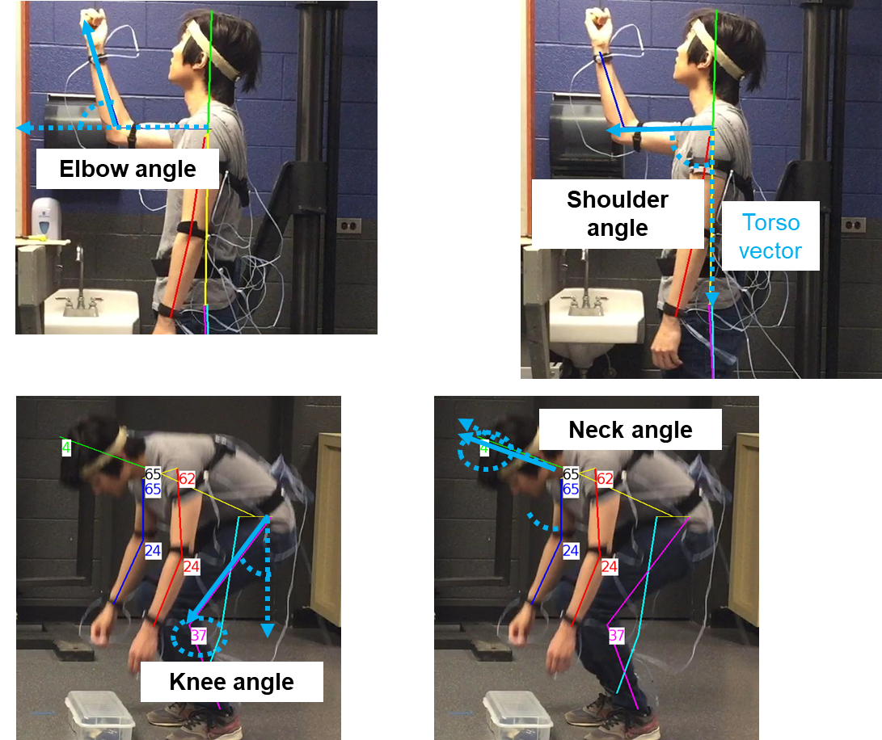
78 | 1 | 1 | 0 | 0
84 | 1 | 1 | 0 | 0
90 | 2 | 1 | 0 | 1
96 | 2 | 1 | 0 | 0
102 | 2 | 1 | 0 | 0
108 | 2 | 1 | 0 | 0 | Lower Back Posture (0,8)
114 | 2 | 1 | 0 | 0
120 | 2 | 1 | 0 | 0
126 | 2 | 1 | 0 | 0
132 | 2 | 1 | 0 | 0
138 | 2 | 1 | 0 | 1
144 | 2 | 1 | 0 | 0
150 | 2 | 1 | 0 | 0
156 | 2 | 1 | 0 | 0
162 | 2 | 1 | 0 | 0 | Neck Posture (0-2)
168 | 2 | 1 | 0 | 0
174 | 2 | 1 | 0 | 0
180 | 1 | 1 | 0 | 0
186 | 0 | 1 | 0 | 0
192 | 0 | 1 | 0 | 0
198 | 0 | 1 | 0 | 0
204 | 0 | 1 | 0 | 0
210 | 0 | 1 | 0 | 0
216 | 0 | 1 | 0 | 0
222 | 0 | 1 | 0 | 0
228 | 0 | 1 | 0 | 0
234 | 0 | 1 | 0 | 0
240 | 0 | 1 | 0 | 0
246 | 0 | 1 | 0 | 0
252 | 0 | 1 | 0 | 0
258 | 0 | 1 | 0 | 0
264 | 0 | 1 | 0 | 2
270 | 0 | 1 | 0 | 2
276 | 0 | 1 | 0 | 2
282 | 0 | 1 | 0 | 2
288 | 0 | 1 | 0 | 2
294 | 0 | 1 | 0 | 2
300 | 0 | 1 | 0 | 2
306 | 0 | 1 | 0 | 2
312 | 0 | 1 | 0 | 2
318 | 0 | 1 | 0 | 2
324 | 0 | 1 | 0 | 2
330 | 1 | 1 | 0 | 0
336 | 1 | 1 | 0 | 0
342 | 1 | 1 | 0 | 0
348 | 1 | 1 | 0 | 0
354 | 1 | 1 | 0 | 1
360 | 1 | 1 | 0 | 0
366 | 1 | 1 | 0 | 0
372 | 1 | 1 | 0 | 0
378 | 1 | 1 | 0 | 0
384 | 1 | 1 | 0 | 0
390 | 1 | 1 | 0 | 0
396 | 2 | 1 | 0 | 0
402 | 2 | 1 | 0 | 0
408 | 2 | 1 | 0 | 0
414 | 2 | 1 | 0 | 0
420 | 2 | 1 | 0 | 0
426 | 2 | 1 | 0 | 0
432 | 2 | 1 | 0 | 0
438 | 1 | 1 | 0 | 0
444 | 1 | 1 | 0 | 0
450 | 1 | 1 | 0 | 0
456 | 1 | 1 | 0 | 0
462 | 0 | 1 | 0 | 0
468 | 0 | 1 | 0 | 0
474 | 0 | 1 | 0 | 1
480 | 0 | 1 | 0 | 1
486 | 0 | 1 | 0 | 1
492 | 0 | 1 | 0 | 1
498 | 0 | 1 | 0 | 1
504 | 0 | 1 | 0 | 1
510 | 0 | 1 | 0 | 1
516 | 0 | 1 | 0 | 1
522 | 0 | 1 | 0 | 1
528 | 0 | 1 | 0 | 1
534 | 0 | 1 | 0 | 1
540 | 0 | 1 | 0 | 1
546 | 3 | 4 | 0 | 0
552 | 3 | 7 | 0 | 0
558 | 3 | 7 | 8 | 0
564 | 3 | 7 | 8 | 0
570 | 3 | 7 | 8 | 0
576 | 3 | 7 | 8 | 0
582 | 3 | 7 | 8 | 0
588 | 5 | 7 | 8 | 0
594 | 5 | 7 | 8 | 0
600 | 3 | 7 | 8 | 0
606 | 5 | 7 | 8 | 0
612 | 2 | 7 | 8 | 0
618 | 2 | 4 | 0 | 0
624 | 2 | 1 | 0 | 1
630 | 2 | 1 | 0 | 1
636 | 2 | 1 | 0 | 1
642 | 2 | 1 | 0 | 1
648 | 2 | 1 | 0 | 1
654 | 2 | 1 | 0 | 1
660 | 1 | 4 | 0 | 0
666 | 2 | 4 | 0 | 1
672 | 2 | 7 | 0 | 0
678 | 2 | 7 | 8 | 0
684 | 2 | 7 | 8 | 0
690 | 2 | 7 | 8 | 0
696 | 2 | 7 | 8 | 0
702 | 2 | 7 | 8 | 0
708 | 3 | 7 | 8 | 0
714 | 3 | 7 | 8 | 0
720 | 3 | 7 | 8 | 0
726 | 3 | 7 | 8 | 0
732 | 3 | 7 | 8 | 0
738 | 3 | 7 | 8 | 0
744 | 0 | 4 | 0 | 0
750 | 0 | 1 | 0 | 1
756 | 0 | 1 | 0 | 1
762 | 0 | 1 | 0 | 1
768 | 0 | 1 | 0 | 1
774 | 0 | 1 | 0 | 1
780 | 0 | 1 | 0 | 1
786 | 0 | 1 | 8 | 1
792 | 0 | 1 | 0 | 1
798 | 0 | 1 | 0 | 0
804 | 0 | 1 | 0 | 0
810 | 0 | 1 | 0 | 0
816 | 0 | 1 | 0 | 0
822 | 0 | 1 | 0 | 0
828 | 1 | 1 | 0 | 0
834 | 1 | 1 | 0 | 0
840 | 2 | 1 | 0 | 0
846 | 2 | 1 | 0 | 0
852 | 2 | 1 | 0 | 0
858 | 2 | 1 | 0 | 0
864 | 2 | 1 | 0 | 0
870 | 2 | 1 | 0 | 0
876 | 2 | 1 | 0 | 0
882 | 2 | 1 | 0 | 0
888 | 2 | 1 | 0 | 0
894 | 2 | 1 | 0 | 0
900 | 2 | 1 | 0 | 0
906 | 2 | 1 | 0 | 1
912 | 2 | 1 | 0 | 0
918 | 2 | 1 | 0 | 1
924 | 2 | 1 | 0 | 1
930 | 2 | 1 | 0 | 1
936 | 2 | 1 | 0 | 0
942 | 2 | 1 | 0 | 0
948 | 1 | 1 | 0 | 0
954 | 0 | 1 | 0 | 0
960 | 0 | 1 | 0 | 2
966 | 0 | 1 | 0 | 2
972 | 0 | 1 | 0 | 2
978 | 0 | 1 | 0 | 2
984 | 0 | 1 | 0 | 2
990 | 0 | 1 | 0 | 2
996 | 0 | 1 | 0 | 2
1002 | 0 | 1 | 0 | 2
1008 | 0 | 1 | 0 | 2
1014 | 0 | 1 | 0 | 2
1020 | 0 | 1 | 0 | 2
1026 | 0 | 1 | 0 | 2
1032 | 0 | 1 | 0 | 2
1038 | 0 | 1 | 0 | 2
1044 | 0 | 1 | 0 | 0
1050 | 0 | 1 | 0 | 0
1056 | 0 | 1 | 0 | 0
1062 | 0 | 1 | 0 | 0
1068 | 0 | 1 | 0 | 0
1074 | 1 | 1 | 0 | 0
1080 | 2 | 1 | 0 | 0
1086 | 2 | 1 | 0 | 0
1092 | 2 | 1 | 0 | 1
1098 | 2 | 1 | 0 | 1
1104 | 2 | 1 | 0 | 1
1110 | 2 | 1 | 0 | 1
1116 | 1 | 1 | 0 | 1
1122 | 1 | 1 | 0 | 0
1128 | 1 | 1 | 0 | 0
1134 | 1 | 1 | 0 | 0
1140 | 1 | 1 | 0 | 0
1146 | 1 | 1 | 0 | 0
1152 | 1 | 1 | 0 | 0
1158 | 1 | 1 | 0 | 0
1164 | 1 | 1 | 0 | 0
1170 | 0 | 1 | 0 | 0
1176 | 0 | 1 | 0 | 0
1182 | 0 | 1 | 0 | 0
1188 | 0 | 1 | 0 | 0
1194 | 0 | 1 | 0 | 0
1200 | 0 | 1 | 0 | 1
1206 | 0 | 1 | 0 | 1
1212 | 0 | 1 | 8 | 1
1218 | 0 | 1 | 0 | 1
1224 | 0 | 1 | 0 | 1
1230 | 0 | 1 | 0 | 0
1236 | 0 | 1 | 0 | 0
1242 | 0 | 1 | 0 | 1
1248 | 0 | 1 | 0 | 1
1254 | 0 | 1 | 0 | 1
1260 | 0 | 1 | 0 | 1
1266 | 0 | 1 | 0 | 1
1272 | 0 | 1 | 0 | 1
1278 | 3 | 4 | 0 | 1
1284 | 3 | 7 | 0 | 0
1290 | 3 | 7 | 8 | 0
1296 | 3 | 7 | 8 | 0
1302 | 3 | 7 | 8 | 0
1308 | 5 | 7 | 8 | 0
1314 | 5 | 7 | 8 | 0
1320 | 5 | 7 | 8 | 0
1326 | 5 | 7 | 8 | 0
1332 | 5 | 7 | 8 | 0
1338 | 3 | 7 | 8 | 0
1344 | 1 | 4 | 0 | 1
1350 | 2 | 1 | 0 | 1
1356 | 2 | 1 | 0 | 1
1362 | 2 | 1 | 0 | 1
1368 | 2 | 1 | 0 | 1
1374 | 2 | 1 | 0 | 1
1380 | 2 | 1 | 0 | 1
1386 | 1 | 1 | 0 | 1
1392 | 1 | 4 | 0 | 1
1398 | 2 | 7 | 0 | 0
1404 | 5 | 7 | 8 | 0
1410 | 5 | 7 | 0 | 0
1416 | 5 | 7 | 0 | 0
1422 | 5 | 7 | 0 | 0
1428 | 5 | 7 | 0 | 0
1434 | 5 | 7 | 8 | 0
1440 | 5 | 7 | 8 | 0
1446 | 5 | 7 | 8 | 0
1452 | 3 | 7 | 8 | 0
1458 | 0 | 4 | 0 | 0
1464 | 0 | 1 | 0 | 1
1470 | 0 | 1 | 0 | 1
1476 | 0 | 1 | 0 | 1
1482 | 0 | 1 | 0 | 1
1488 | 0 | 1 | 0 | 1
1494 | 0 | 1 | 0 | 1
1500 | 0 | 1 | 0 | 1
1506 | 0 | 1 | 0 | 1
1512 | 0 | 1 | 0 | 1
1518 | 0 | 1 | 0 | 0
1524 | 0 | 1 | 0 | 0
1530 | 0 | 1 | 0 | 0
1536 | 0 | 1 | 0 | 0
1542 | 0 | 1 | 0 | 1
1548 | 0 | 1 | 0 | 1
1554 | 0 | 1 | 0 | 0
1560 | 1 | 1 | 0 | 0
1566 | 1 | 1 | 0 | 1
1572 | 1 | 1 | 0 | 1
1578 | 1 | 1 | 0 | 0
1584 | 1 | 1 | 0 | 0
1590 | 1 | 1 | 0 | 0
1596 | 1 | 1 | 0 | 0
1602 | 1 | 1 | 0 | 0
1608 | 1 | 1 | 0 | 0
1614 | 1 | 1 | 0 | 0
1620 | 1 | 1 | 0 | 0
1626 | 1 | 1 | 0 | 0
1632 | 1 | 1 | 0 | 0
1638 | 1 | 1 | 0 | 0
1644 | 1 | 1 | 0 | 0
1650 | 2 | 1 | 0 | 0
1656 | 2 | 1 | 0 | 0
1662 | 1 | 1 | 0 | 0
1668 | 1 | 1 | 0 | 0
1674 | 0 | 1 | 0 | 0
1680 | 0 | 1 | 0 | 0
1686 | 0 | 1 | 0 | 0
1692 | 0 | 1 | 0 | 0
1698 | 0 | 1 | 0 | 0
1704 | 0 | 1 | 0 | 0
1710 | 0 | 1 | 0 | 0
1716 | 0 | 1 | 0 | 0
1722 | 0 | 1 | 0 | 0
1728 | 0 | 1 | 0 | 0
1734 | 0 | 1 | 0 | 0
1740 | 0 | 1 | 0 | 0
1746 | 0 | 1 | 0 | 0
1752 | 0 | 1 | 0 | 0
1758 | 1 | 1 | 0 | 0
1764 | 1 | 1 | 0 | 0
1770 | 2 | 1 | 0 | 0
1776 | 2 | 1 | 0 | 0
1782 | 2 | 1 | 0 | 0
1788 | 1 | 1 | 0 | 1
1794 | 1 | 1 | 0 | 1
1800 | 1 | 1 | 0 | 1
1806 | 1 | 1 | 0 | 1
1812 | 1 | 1 | 0 | 1
1818 | 2 | 1 | 0 | 1
1824 | 2 | 1 | 0 | 1
1830 | 2 | 1 | 0 | 1
1836 | 2 | 1 | 0 | 1
1842 | 1 | 1 | 0 | 0
1848 | 1 | 1 | 0 | 0
1854 | 1 | 1 | 0 | 0
1860 | 0 | 1 | 0 | 0
1866 | 0 | 1 | 0 | 0
1872 | 0 | 1 | 0 | 0
1878 | 0 | 1 | 0 | 1
1884 | 0 | 1 | 0 | 1
1890 | 0 | 1 | 0 | 1
1896 | 0 | 1 | 0 | 1
1902 | 0 | 1 | 0 | 1
1908 | 0 | 1 | 0 | 0
1914 | 0 | 1 | 0 | 0
1920 | 0 | 1 | 0 | 0
1926 | 0 | 1 | 0 | 0
1932 | 0 | 1 | 0 | 0
1938 | 0 | 1 | 0 | 1
1944 | 0 | 1 | 0 | 1
1950 | 0 | 1 | 0 | 1
1956 | 0 | 4 | 0 | 1
1962 | 3 | 7 | 0 | 0
1968 | 3 | 7 | 8 | 0
1974 | 3 | 7 | 8 | 0
1980 | 5 | 7 | 8 | 0
1986 | 5 | 7 | 8 | 0
1992 | 5 | 7 | 8 | 0
1998 | 5 | 7 | 8 | 0
2004 | 5 | 7 | 8 | 0
2010 | 5 | 7 | 8 | 0
2016 | 2 | 7 | 8 | 0
2022 | 2 | 7 | 0 | 1
2028 | 2 | 4 | 0 | 1
2034 | 2 | 1 | 0 | 1
2040 | 2 | 1 | 0 | 1
2046 | 2 | 1 | 0 | 1
2052 | 2 | 1 | 0 | 1
2058 | 2 | 1 | 0 | 1
2064 | 1 | 4 | 0 | 1
2070 | 2 | 4 | 0 | 0
2076 | 3 | 7 | 0 | 0
2082 | 3 | 7 | 8 | 0
2088 | 3 | 7 | 8 | 0
2094 | 3 | 7 | 8 | 0
2100 | 3 | 7 | 8 | 0
2106 | 3 | 7 | 8 | 0
2112 | 3 | 7 | 8 | 0
2118 | 3 | 7 | 8 | 0
2124 | 3 | 7 | 8 | 0
2130 | 0 | 4 | 0 | 0
2136 | 0 | 1 | 0 | 1
2142 | 0 | 1 | 0 | 1
2148 | 0 | 1 | 0 | 1
2154 | 0 | 1 | 0 | 1
2160 | 0 | 1 | 8 | 1
2166 | 0 | 1 | 8 | 1
2172 | 3 | 1 | 0 | 1
2178 | 0 | 1 | 0 | 0
2184 | 0 | 1 | 0 | 0
2190 | 0 | 1 | 0 | 0
2196 | 0 | 1 | 0 | 0
2202 | 0 | 1 | 0 | 0
2208 | 2 | 1 | 0 | 1
2214 | 2 | 1 | 0 | 1
2220 | 2 | 1 | 0 | 1
2226 | 2 | 1 | 0 | 0
2232 | 1 | 1 | 0 | 0
2238 | 1 | 1 | 0 | 0
2244 | 1 | 1 | 0 | 0
2250 | 1 | 1 | 0 | 0
2256 | 1 | 1 | 0 | 0
2262 | 1 | 1 | 0 | 0
2268 | 1 | 1 | 0 | 0
2274 | 1 | 1 | 0 | 0
2280 | 1 | 1 | 0 | 0
2286 | 2 | 1 | 0 | 0
2292 | 2 | 1 | 0 | 0
2298 | 1 | 1 | 0 | 0
2304 | 1 | 1 | 0 | 0
2310 | 0 | 1 | 0 | 2
2316 | 0 | 1 | 0 | 2
2322 | 0 | 1 | 0 | 2
2328 | 0 | 1 | 0 | 2
2334 | 0 | 1 | 0 | 2
2340 | 0 | 1 | 0 | 2
2346 | 0 | 1 | 0 | 2
2352 | 0 | 1 | 0 | 2
2358 | 0 | 1 | 0 | 2
2364 | 0 | 1 | 0 | 2
2370 | 0 | 1 | 0 | 2
2376 | 0 | 1 | 0 | 2
2382 | 0 | 1 | 0 | 2
2388 | 0 | 1 | 0 | 0
2394 | 1 | 1 | 0 | 0
2400 | 1 | 1 | 0 | 0
2406 | 1 | 1 | 0 | 0
2412 | 1 | 1 | 0 | 0
2418 | 1 | 1 | 0 | 1
2424 | 1 | 1 | 0 | 1
2430 | 1 | 1 | 0 | 1
2436 | 1 | 1 | 0 | 1
2442 | 1 | 1 | 0 | 1
2448 | 1 | 1 | 0 | 1
2454 | 2 | 1 | 0 | 0
2460 | 2 | 1 | 0 | 0
2466 | 2 | 1 | 0 | 1
2472 | 2 | 1 | 0 | 1
2478 | 1 | 1 | 0 | 1
2484 | 1 | 1 | 0 | 1
2490 | 1 | 1 | 0 | 0
2496 | 0 | 4 | 0 | 0
2502 | 0 | 1 | 0 | 0
2508 | 0 | 1 | 0 | 0
2514 | 0 | 1 | 0 | 0
2520 | 0 | 1 | 0 | 1
2526 | 0 | 1 | 0 | 1
2532 | 0 | 1 | 0 | 1
2538 | 0 | 1 | 0 | 1
2544 | 0 | 1 | 0 | 1
2550 | 0 | 1 | 0 | 0
2556 | 0 | 1 | 0 | 0
2562 | 0 | 1 | 0 | 1
2568 | 0 | 4 | 0 | 1
2574 | 0 | 1 | 0 | 1
2580 | 0 | 1 | 0 | 1
...

