Estimated
image id | Upper Limb Posture (0-9) use right arm | Lower Back Posture (1,4,7,9) | Lower Back Posture (0,8) use left leg | Neck Posture (0-2)
0 | 0 | 1 | 0 | 0 | Upper Limb Posture (0-9) | upper limb posture | shoulder (right) | <15 |  | [15,45) |  | [45,75) |  | [75,100) |  | [100,140) | [140,180]
1 | 0 | 1 | 0 | 0 |  |  | elbow (right) | <45 | >=45 | <45 | >=45 | <45 | >=45 | <45 | >=45
2 | 0 | 1 | 0 | 0 |  |  | posture code | 0 | 1 | 3 | 2 | 5 | 4 | 7 | 6 | 8 | 9
3 | 0 | 1 | 0 | 1
4 | 0 | 1 | 0 | 1 |  | Lower limb posture (bend) | back | <10 | [10,30) | [30,65) | [65,180)
5 | 0 | 1 | 0 | 1 |  |  | posture code | 1 | 4 | 7 | 9
6 | 0 | 1 | 0 | 1
7 | 0 | 1 | 0 | 1 |  | Lower limb posture (squat) | knee (left) | <45 | >=45
8 | 0 | 1 | 0 | 1 |  |  | posture code | 0 | 8
9 | 0 | 1 | 0 | 1 | Lower Back Posture (1,4,7,9)
10 | 0 | 1 | 0 | 0 |  | Neck posture | neck | <20 | >=20 (forward) | >=20 (backward)
11 | 0 | 1 | 0 | 0 |  |  | posture code | 0 | 1 | 2
12 | 1 | 1 | 0 | 0
13 | 1 | 1 | 0 | 0
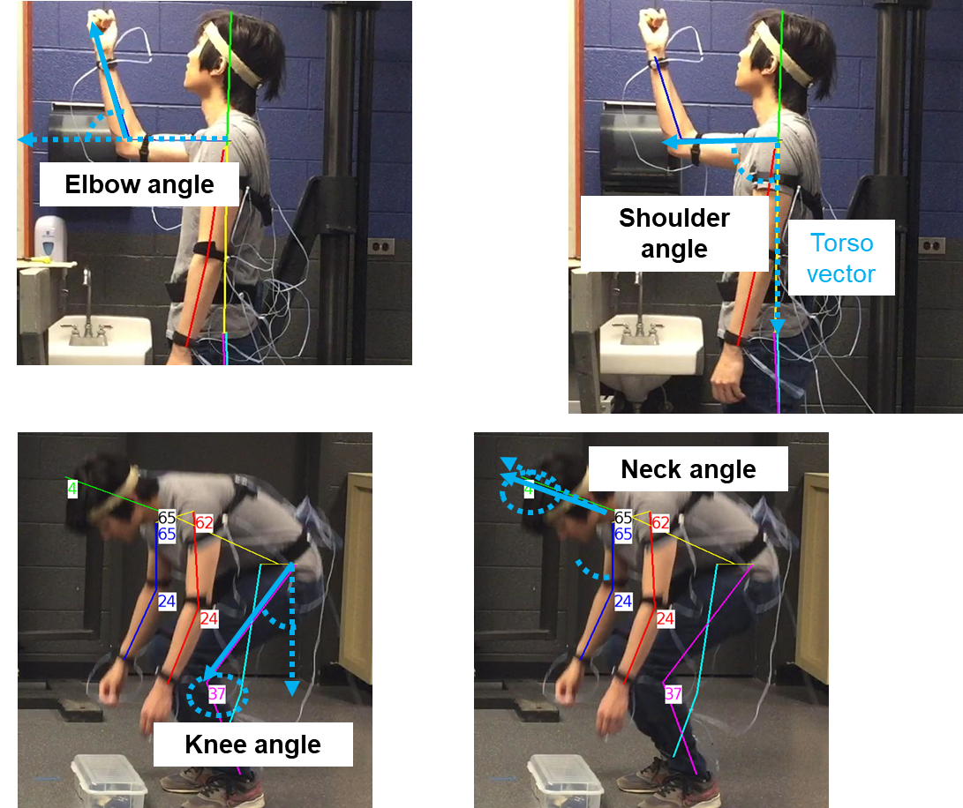
14 | 1 | 1 | 0 | 0
15 | 1 | 1 | 0 | 0
16 | 1 | 1 | 0 | 0
17 | 1 | 1 | 0 | 0
18 | 1 | 1 | 0 | 0
19 | 1 | 1 | 0 | 0 | Lower Back Posture (0,8)
20 | 1 | 1 | 0 | 0
21 | 1 | 1 | 0 | 0
22 | 1 | 1 | 0 | 0
23 | 1 | 1 | 0 | 0
24 | 1 | 1 | 0 | 0
25 | 1 | 1 | 0 | 0
26 | 1 | 1 | 0 | 0
27 | 1 | 1 | 0 | 0
28 | 1 | 1 | 0 | 0 | Neck Posture (0-2)
29 | 1 | 1 | 0 | 0
30 | 1 | 1 | 0 | 0
31 | 1 | 1 | 0 | 0
32 | 1 | 1 | 0 | 0
33 | 1 | 1 | 0 | 0
34 | 1 | 1 | 0 | 0
35 | 1 | 1 | 0 | 0
36 | 1 | 1 | 0 | 0
37 | 1 | 1 | 0 | 0
38 | 1 | 1 | 0 | 0
39 | 1 | 1 | 0 | 0
40 | 1 | 1 | 0 | 0
41 | 1 | 1 | 0 | 0
42 | 1 | 1 | 0 | 0
43 | 1 | 1 | 0 | 0
44 | 1 | 1 | 0 | 0
45 | 1 | 1 | 0 | 0
46 | 1 | 1 | 0 | 0
47 | 1 | 1 | 0 | 0
48 | 1 | 1 | 0 | 0
49 | 1 | 1 | 0 | 0
50 | 1 | 1 | 0 | 0
51 | 1 | 1 | 0 | 0
52 | 1 | 1 | 0 | 0
53 | 1 | 1 | 0 | 0
54 | 1 | 1 | 0 | 0
55 | 1 | 1 | 0 | 0
56 | 1 | 1 | 0 | 0
57 | 1 | 1 | 0 | 0
58 | 1 | 1 | 0 | 0
59 | 1 | 1 | 0 | 0
60 | 2 | 1 | 0 | 0
61 | 2 | 1 | 0 | 0
62 | 2 | 1 | 0 | 0
63 | 2 | 1 | 0 | 0
64 | 2 | 1 | 0 | 0
65 | 2 | 1 | 0 | 0
66 | 2 | 1 | 0 | 0
67 | 2 | 1 | 0 | 0
68 | 2 | 1 | 0 | 0
69 | 2 | 1 | 0 | 0
70 | 2 | 1 | 0 | 0
71 | 2 | 1 | 0 | 0
72 | 2 | 1 | 0 | 0
73 | 2 | 1 | 0 | 0
74 | 2 | 1 | 0 | 0
75 | 2 | 1 | 0 | 0
76 | 2 | 1 | 0 | 0
77 | 2 | 1 | 0 | 0
78 | 2 | 1 | 0 | 0
79 | 2 | 1 | 0 | 0
80 | 2 | 1 | 0 | 0
81 | 2 | 1 | 0 | 0
82 | 2 | 1 | 0 | 0
83 | 2 | 1 | 0 | 0
84 | 2 | 1 | 0 | 0
85 | 2 | 1 | 0 | 0
86 | 2 | 1 | 0 | 0
87 | 2 | 1 | 0 | 0
88 | 2 | 1 | 0 | 0
89 | 2 | 1 | 0 | 0
90 | 2 | 1 | 0 | 0
91 | 2 | 1 | 0 | 0
92 | 2 | 1 | 0 | 0
93 | 2 | 1 | 0 | 0
94 | 2 | 1 | 0 | 0
95 | 2 | 1 | 0 | 0
96 | 2 | 1 | 0 | 0
97 | 2 | 1 | 0 | 0
98 | 2 | 1 | 0 | 0
99 | 2 | 1 | 0 | 0
100 | 2 | 1 | 0 | 0
101 | 2 | 1 | 0 | 0
102 | 2 | 1 | 0 | 0
103 | 2 | 1 | 0 | 0
104 | 2 | 1 | 0 | 0
105 | 2 | 1 | 0 | 0
106 | 2 | 1 | 0 | 0
107 | 2 | 1 | 0 | 0
108 | 4 | 1 | 0 | 0
109 | 4 | 1 | 0 | 0
110 | 2 | 1 | 0 | 0
111 | 2 | 1 | 0 | 0
112 | 4 | 1 | 0 | 0
113 | 5 | 1 | 0 | 0
114 | 5 | 1 | 0 | 0
115 | 5 | 1 | 0 | 0
116 | 6 | 1 | 0 | 0
117 | 6 | 1 | 0 | 0
118 | 6 | 1 | 0 | 0
119 | 6 | 1 | 0 | 0
120 | 6 | 1 | 0 | 0
121 | 6 | 1 | 0 | 0
122 | 6 | 1 | 0 | 0
123 | 6 | 1 | 0 | 0
124 | 6 | 1 | 0 | 0
125 | 6 | 1 | 0 | 0
126 | 6 | 1 | 0 | 0
127 | 6 | 1 | 0 | 0
128 | 6 | 1 | 0 | 0
129 | 7 | 1 | 0 | 0
130 | 7 | 1 | 0 | 0
131 | 7 | 1 | 0 | 0
132 | 5 | 1 | 0 | 0
133 | 5 | 1 | 0 | 0
134 | 5 | 1 | 0 | 0
135 | 5 | 1 | 0 | 0
136 | 5 | 1 | 0 | 0
137 | 5 | 1 | 0 | 0
138 | 5 | 1 | 0 | 0
139 | 5 | 1 | 0 | 0
140 | 5 | 1 | 0 | 0
141 | 5 | 1 | 0 | 0
142 | 5 | 1 | 0 | 0
143 | 5 | 1 | 0 | 0
144 | 5 | 1 | 0 | 0
145 | 5 | 1 | 0 | 0
146 | 5 | 1 | 0 | 0
147 | 5 | 1 | 0 | 0
148 | 5 | 1 | 0 | 0
149 | 5 | 1 | 0 | 0
150 | 5 | 1 | 0 | 0
151 | 5 | 1 | 0 | 0
152 | 5 | 1 | 0 | 0
153 | 4 | 1 | 0 | 0
154 | 4 | 1 | 0 | 0
155 | 4 | 1 | 0 | 0
156 | 4 | 1 | 0 | 0
157 | 4 | 1 | 0 | 0
158 | 4 | 1 | 0 | 0
159 | 4 | 1 | 0 | 0
160 | 4 | 1 | 0 | 0
161 | 4 | 1 | 0 | 0
162 | 4 | 1 | 0 | 0
163 | 4 | 1 | 0 | 0
164 | 4 | 1 | 0 | 0
165 | 4 | 1 | 0 | 0
166 | 4 | 1 | 0 | 0
167 | 4 | 1 | 0 | 0
168 | 4 | 1 | 0 | 0
169 | 4 | 1 | 0 | 0
170 | 4 | 1 | 0 | 0
171 | 4 | 1 | 0 | 0
172 | 4 | 1 | 0 | 0
173 | 2 | 1 | 0 | 0
174 | 2 | 1 | 0 | 0
175 | 2 | 1 | 0 | 0
176 | 2 | 1 | 0 | 0
177 | 2 | 1 | 0 | 0
178 | 2 | 1 | 0 | 0
179 | 2 | 1 | 0 | 0
180 | 2 | 1 | 0 | 0
181 | 2 | 1 | 0 | 0
182 | 2 | 1 | 0 | 0
183 | 2 | 1 | 0 | 0
184 | 2 | 1 | 0 | 0
185 | 2 | 1 | 0 | 0
186 | 2 | 1 | 0 | 0
187 | 4 | 1 | 0 | 0
188 | 4 | 1 | 0 | 0
189 | 4 | 1 | 0 | 0
190 | 4 | 1 | 0 | 0
191 | 4 | 1 | 0 | 0
192 | 4 | 1 | 0 | 0
193 | 5 | 1 | 0 | 0
194 | 5 | 1 | 0 | 0
195 | 5 | 1 | 0 | 0
196 | 5 | 1 | 0 | 0
197 | 5 | 1 | 0 | 0
198 | 5 | 1 | 0 | 0
199 | 5 | 1 | 0 | 0
200 | 5 | 1 | 0 | 0
201 | 5 | 1 | 0 | 0
202 | 5 | 1 | 0 | 0
203 | 5 | 1 | 0 | 0
204 | 5 | 1 | 0 | 0
205 | 5 | 1 | 0 | 0
206 | 4 | 1 | 0 | 0
207 | 4 | 1 | 0 | 0
208 | 4 | 1 | 0 | 0
209 | 4 | 1 | 0 | 0
210 | 4 | 1 | 0 | 0
211 | 4 | 1 | 0 | 0
212 | 4 | 1 | 0 | 0
213 | 4 | 1 | 0 | 0
214 | 4 | 1 | 0 | 0
215 | 4 | 1 | 0 | 0
216 | 6 | 1 | 0 | 0
217 | 6 | 1 | 0 | 0
218 | 6 | 1 | 0 | 0
219 | 6 | 1 | 0 | 0
220 | 6 | 1 | 0 | 0
221 | 6 | 1 | 0 | 0
222 | 6 | 1 | 0 | 0
223 | 6 | 1 | 0 | 0
224 | 6 | 1 | 0 | 0
225 | 6 | 1 | 0 | 0
226 | 6 | 1 | 0 | 0
227 | 6 | 1 | 0 | 0
228 | 6 | 1 | 0 | 0
229 | 6 | 1 | 0 | 0
230 | 6 | 1 | 0 | 0
231 | 6 | 1 | 0 | 0
232 | 6 | 1 | 0 | 0
233 | 6 | 1 | 0 | 0
234 | 6 | 1 | 0 | 0
235 | 6 | 1 | 0 | 0
236 | 6 | 1 | 0 | 0
237 | 6 | 1 | 0 | 0
238 | 6 | 1 | 0 | 0
239 | 6 | 1 | 0 | 0
240 | 6 | 1 | 0 | 0
241 | 6 | 1 | 0 | 0
242 | 6 | 1 | 0 | 0
243 | 6 | 1 | 0 | 0
244 | 6 | 1 | 0 | 0
245 | 6 | 1 | 0 | 0
246 | 6 | 1 | 0 | 0
247 | 6 | 1 | 0 | 0
248 | 6 | 1 | 0 | 0
249 | 6 | 1 | 0 | 0
250 | 6 | 1 | 0 | 0
251 | 6 | 1 | 0 | 0
252 | 6 | 1 | 0 | 0
253 | 6 | 1 | 0 | 0
254 | 8 | 1 | 0 | 0
255 | 8 | 1 | 0 | 0
256 | 8 | 1 | 0 | 0
257 | 8 | 1 | 0 | 0
258 | 8 | 1 | 0 | 0
259 | 8 | 1 | 0 | 0
260 | 8 | 1 | 0 | 0
261 | 8 | 1 | 0 | 0
262 | 8 | 1 | 0 | 0
263 | 8 | 1 | 0 | 0
264 | 8 | 1 | 0 | 0
265 | 8 | 1 | 0 | 0
266 | 8 | 1 | 0 | 0
267 | 8 | 1 | 0 | 0
268 | 8 | 1 | 0 | 0
269 | 8 | 1 | 0 | 0
270 | 8 | 1 | 0 | 0
271 | 8 | 1 | 0 | 0
272 | 8 | 1 | 0 | 0
273 | 8 | 1 | 0 | 0
274 | 8 | 1 | 0 | 0
275 | 8 | 1 | 0 | 0
276 | 8 | 1 | 0 | 0
277 | 8 | 1 | 0 | 0
278 | 8 | 1 | 0 | 0
279 | 8 | 1 | 0 | 0
280 | 8 | 1 | 0 | 0
281 | 8 | 1 | 0 | 0
282 | 6 | 1 | 0 | 0
283 | 6 | 1 | 0 | 0
284 | 6 | 1 | 0 | 0
285 | 6 | 1 | 0 | 0
286 | 6 | 1 | 0 | 0
287 | 8 | 1 | 0 | 0
288 | 8 | 1 | 0 | 0
289 | 8 | 1 | 0 | 0
290 | 8 | 1 | 0 | 0
291 | 8 | 1 | 0 | 0
292 | 8 | 1 | 0 | 0
293 | 8 | 1 | 0 | 0
294 | 8 | 1 | 0 | 0
295 | 8 | 1 | 0 | 0
296 | 8 | 1 | 0 | 0
297 | 8 | 1 | 0 | 0
298 | 8 | 1 | 0 | 0
299 | 8 | 1 | 0 | 0
300 | 8 | 1 | 0 | 0
301 | 8 | 1 | 0 | 0
302 | 8 | 1 | 0 | 0
303 | 8 | 1 | 0 | 0
304 | 8 | 1 | 0 | 0
305 | 8 | 1 | 0 | 0
306 | 8 | 1 | 0 | 0
307 | 8 | 1 | 0 | 0
308 | 8 | 1 | 0 | 0
309 | 8 | 1 | 0 | 0
310 | 8 | 1 | 0 | 0
311 | 6 | 1 | 0 | 0
312 | 6 | 1 | 0 | 0
313 | 6 | 1 | 0 | 0
314 | 6 | 1 | 0 | 0
315 | 6 | 1 | 0 | 0
316 | 6 | 1 | 0 | 0
317 | 6 | 1 | 0 | 0
318 | 6 | 1 | 0 | 0
319 | 6 | 1 | 0 | 0
320 | 6 | 1 | 0 | 0
321 | 6 | 1 | 0 | 0
322 | 6 | 1 | 0 | 0
323 | 6 | 1 | 0 | 0
324 | 6 | 1 | 0 | 0
325 | 6 | 1 | 0 | 0
326 | 6 | 1 | 0 | 0
327 | 6 | 1 | 0 | 0
328 | 6 | 1 | 0 | 0
329 | 6 | 1 | 0 | 0
330 | 6 | 1 | 0 | 0
331 | 6 | 1 | 0 | 0
332 | 6 | 1 | 0 | 0
333 | 6 | 1 | 0 | 0
334 | 6 | 1 | 0 | 0
335 | 6 | 1 | 0 | 0
336 | 6 | 1 | 0 | 0
337 | 6 | 1 | 0 | 0
338 | 6 | 1 | 0 | 0
339 | 6 | 1 | 0 | 0
340 | 6 | 1 | 0 | 0
341 | 6 | 1 | 0 | 0
342 | 6 | 1 | 0 | 0
343 | 6 | 1 | 0 | 0
344 | 6 | 1 | 0 | 0
345 | 6 | 1 | 0 | 0
346 | 6 | 1 | 0 | 0
347 | 6 | 1 | 0 | 0
348 | 6 | 1 | 0 | 0
349 | 6 | 1 | 0 | 0
350 | 6 | 1 | 0 | 0
351 | 6 | 1 | 0 | 0
352 | 6 | 1 | 0 | 0
353 | 6 | 1 | 0 | 0
354 | 6 | 1 | 0 | 0
355 | 6 | 1 | 0 | 0
356 | 6 | 1 | 0 | 0
357 | 6 | 1 | 0 | 0
358 | 6 | 1 | 0 | 0
359 | 6 | 1 | 0 | 0
360 | 6 | 1 | 0 | 0
361 | 6 | 1 | 0 | 0
362 | 6 | 1 | 0 | 0
363 | 6 | 1 | 0 | 0
364 | 6 | 1 | 0 | 0
365 | 6 | 1 | 0 | 0
366 | 6 | 1 | 0 | 0
367 | 6 | 1 | 0 | 0
368 | 6 | 1 | 0 | 0
369 | 6 | 1 | 0 | 0
370 | 6 | 1 | 0 | 0
371 | 6 | 1 | 0 | 0
372 | 6 | 1 | 0 | 0
373 | 6 | 1 | 0 | 0
374 | 6 | 1 | 0 | 0
375 | 6 | 1 | 0 | 0
376 | 6 | 1 | 0 | 0
377 | 6 | 1 | 0 | 0
378 | 6 | 1 | 0 | 0
379 | 6 | 1 | 0 | 0
380 | 4 | 1 | 0 | 0
381 | 4 | 1 | 0 | 0
382 | 4 | 1 | 0 | 0
383 | 4 | 1 | 0 | 0
384 | 4 | 1 | 0 | 0
385 | 4 | 1 | 0 | 0
386 | 4 | 1 | 0 | 0
387 | 4 | 1 | 0 | 0
388 | 4 | 1 | 0 | 0
389 | 4 | 1 | 0 | 0
390 | 4 | 1 | 0 | 0
391 | 4 | 1 | 0 | 0
392 | 4 | 1 | 0 | 0
393 | 4 | 1 | 0 | 0
394 | 5 | 1 | 0 | 0
395 | 4 | 1 | 0 | 0
396 | 5 | 1 | 0 | 0
397 | 5 | 1 | 0 | 0
398 | 5 | 1 | 0 | 0
399 | 5 | 1 | 0 | 0
400 | 5 | 1 | 0 | 0
401 | 5 | 1 | 0 | 0
402 | 5 | 1 | 0 | 0
403 | 5 | 1 | 0 | 0
404 | 5 | 1 | 0 | 0
405 | 5 | 1 | 0 | 0
406 | 5 | 1 | 0 | 0
407 | 5 | 1 | 0 | 0
408 | 5 | 1 | 0 | 0
409 | 5 | 1 | 0 | 0
410 | 5 | 1 | 0 | 0
411 | 5 | 1 | 0 | 0
412 | 5 | 1 | 0 | 0
413 | 5 | 1 | 0 | 0
414 | 5 | 1 | 0 | 0
415 | 5 | 1 | 0 | 0
416 | 5 | 1 | 0 | 0
417 | 5 | 1 | 0 | 0
418 | 5 | 1 | 0 | 0
419 | 5 | 1 | 0 | 0
420 | 3 | 1 | 0 | 0
421 | 3 | 1 | 0 | 0
422 | 0 | 1 | 0 | 0
423 | 0 | 1 | 0 | 0
424 | 0 | 1 | 0 | 0
425 | 0 | 1 | 0 | 0
426 | 0 | 1 | 0 | 0
427 | 0 | 1 | 0 | 0
428 | 0 | 1 | 0 | 0
429 | 0 | 1 | 0 | 0
430 | 0 | 1 | 0 | 0
431 | 0 | 1 | 0 | 0
432 | 0 | 1 | 0 | 0
433 | 0 | 1 | 0 | 0
434 | 0 | 1 | 0 | 0
435 | 0 | 1 | 0 | 0
436 | 0 | 1 | 0 | 0
437 | 0 | 1 | 0 | 0
438 | 0 | 1 | 0 | 0
439 | 0 | 1 | 0 | 0
440 | 0 | 1 | 0 | 0
441 | 3 | 1 | 0 | 0
442 | 3 | 1 | 0 | 0
...
image id | Upper Limb Posture (0-9) use right arm | Lower Back Posture (1,4,7,9) | Lower Back Posture (0,8) use left leg | Neck Posture (0-2)
4151 | 5 | 7 | 0 | 0
4152 | 5 | 7 | 0 | 0
4153 | 5 | 7 | 0 | 0
4154 | 5 | 7 | 0 | 0
4155 | 5 | 7 | 0 | 0
4156 | 5 | 7 | 0 | 0
4157 | 5 | 7 | 0 | 0
4158 | 3 | 7 | 0 | 0
4159 | 3 | 7 | 0 | 0
4160 | 3 | 7 | 0 | 0
 | 0
 | 0
 | 0
 | 0
 | 0
 | 0
 | 0
 | 0
 | 0
 | 0
 | 0
 | 0
 | 1
 | 1
 | 1
 | 1
 | 1
 | 1
 | 1
 | 1
 | 1
 | 1
 | 1
 | 1
 | 1
 | 1
 | 1
 | 1
 | 1
 | 1
 | 1
 | 1
 | 1
 | 1
 | 1
 | 1
 | 1
 | 1
 | 1
 | 1
 | 1
 | 1
 | 1
 | 1
 | 1
 | 1
 | 1
 | 1
 | 1
 | 1
...
4161 | 3 | 7 | 0 | 0
4162 | 3 | 7 | 0 | 0
4163 | 3 | 7 | 0 | 0
4164 | 3 | 7 | 0 | 0
4165 | 3 | 7 | 0 | 0
4166 | 3 | 7 | 0 | 0
4167 | 3 | 4 | 0 | 0
4168 | 0 | 4 | 0 | 0
4169 | 0 | 4 | 0 | 0
4170 | 0 | 4 | 0 | 1
4171 | 0 | 4 | 0 | 1
4172 | 0 | 4 | 0 | 1
4173 | 0 | 4 | 0 | 1
4174 | 0 | 1 | 0 | 1
4175 | 0 | 1 | 0 | 1
4176 | 0 | 1 | 0 | 1
4177 | 3 | 1 | 0 | 1
4178 | 2 | 1 | 0 | 1
4179 | 9 | 1 | 0 | 1
4180 | 9 | 1 | 0 | 1

