Estimated
image id | Upper Limb Posture (0-9) use right arm | Lower Back Posture (1,4,7,9) | Lower Back Posture (0,8) use left leg | Neck Posture (0-2)
 |  |  |  |  | Upper Limb Posture (0-9) | upper limb posture | shoulder (right) | <15 |  | [15,45) |  | [45,75) |  | [75,100) |  | [100,140) | [140,180]
0 | 0 | 1 | 0 | 0 |  |  | elbow (right) | <45 | >=45 | <45 | >=45 | <45 | >=45 | <45 | >=45
6 | 0 | 1 | 0 | 0 |  |  | posture code | 0 | 1 | 3 | 2 | 5 | 4 | 7 | 6 | 8 | 9
12 | 0 | 1 | 0 | 0
18 | 0 | 1 | 0 | 0 |  | Lower limb posture (bend) | back | <10 | [10,30) | [30,65) | [65,180)
24 | 0 | 1 | 0 | 0 |  |  | posture code | 1 | 4 | 7 | 9
30 | 0 | 1 | 0 | 0
36 | 0 | 1 | 0 | 0 |  | Lower limb posture (squat) | knee (left) | <45 | >=45
42 | 0 | 1 | 0 | 0 |  |  | posture code | 0 | 8
48 | 0 | 1 | 0 | 0 | Lower Back Posture (1,4,7,9)
54 | 0 | 1 | 0 | 0 |  | Neck posture | neck | <20 | >=20 (forward) | >=20 (backward)
60 | 0 | 1 | 0 | 1 |  |  | posture code | 0 | 1 | 2
66 | 0 | 1 | 0 | 1
72 | 0 | 1 | 0 | 1
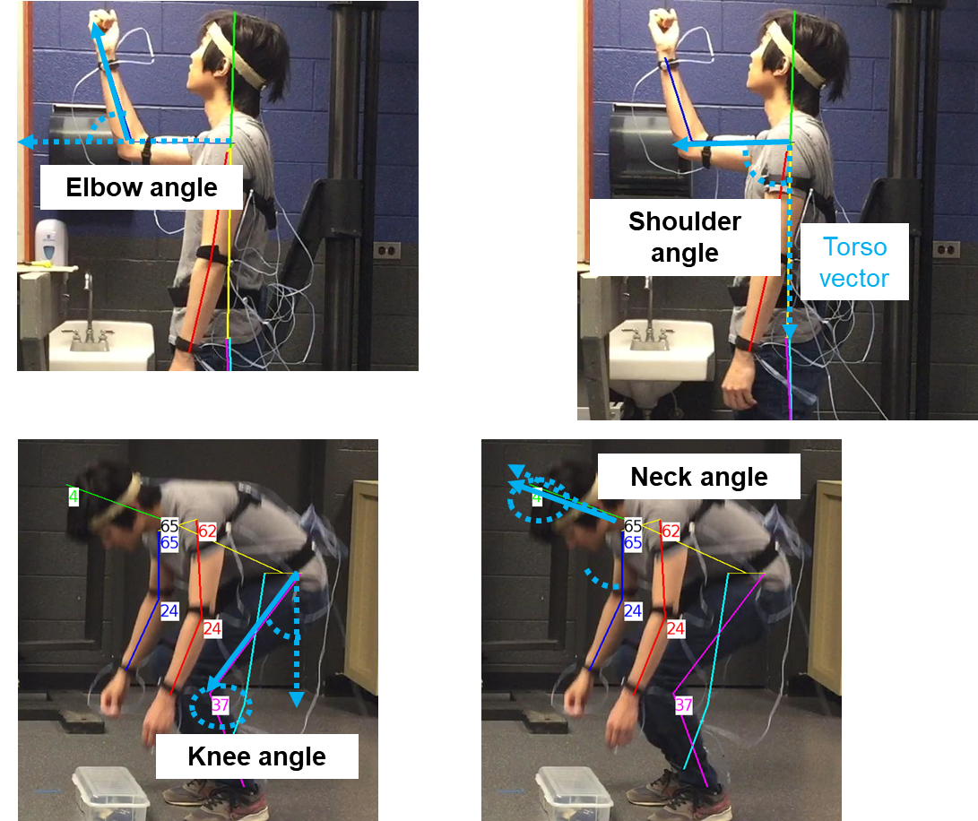
78 | 1 | 1 | 0 | 1
84 | 2 | 1 | 0 | 1
90 | 2 | 1 | 0 | 0
96 | 1 | 1 | 0 | 0
102 | 1 | 1 | 0 | 0
108 | 1 | 1 | 0 | 0 | Lower Back Posture (0,8)
114 | 1 | 1 | 0 | 0
120 | 2 | 1 | 0 | 0
126 | 2 | 1 | 0 | 0
132 | 2 | 1 | 0 | 0
138 | 2 | 1 | 0 | 0
144 | 2 | 1 | 0 | 0
150 | 2 | 1 | 0 | 0
156 | 2 | 1 | 0 | 0
162 | 2 | 1 | 0 | 0 | Neck Posture (0-2)
168 | 2 | 1 | 0 | 0
174 | 2 | 1 | 0 | 0
180 | 2 | 1 | 0 | 0
186 | 2 | 1 | 0 | 0
192 | 2 | 1 | 0 | 0
198 | 2 | 1 | 0 | 0
204 | 1 | 1 | 0 | 2
210 | 1 | 1 | 0 | 2
216 | 1 | 1 | 0 | 2
222 | 1 | 1 | 0 | 2
228 | 1 | 1 | 0 | 2
234 | 1 | 1 | 0 | 2
240 | 1 | 1 | 0 | 2
246 | 1 | 1 | 0 | 2
252 | 1 | 1 | 0 | 2
258 | 1 | 1 | 0 | 2
264 | 1 | 1 | 0 | 2
270 | 1 | 1 | 0 | 2
276 | 1 | 1 | 0 | 2
282 | 1 | 1 | 0 | 2
288 | 1 | 1 | 0 | 2
294 | 2 | 1 | 0 | 0
300 | 2 | 1 | 0 | 0
306 | 2 | 1 | 0 | 0
312 | 2 | 1 | 0 | 0
318 | 2 | 1 | 0 | 0
324 | 2 | 1 | 0 | 0
330 | 2 | 1 | 0 | 0
336 | 2 | 1 | 0 | 0
342 | 2 | 1 | 0 | 0
348 | 2 | 1 | 0 | 0
354 | 2 | 1 | 0 | 0
360 | 2 | 1 | 0 | 0
366 | 2 | 1 | 0 | 0
372 | 2 | 1 | 0 | 0
378 | 2 | 1 | 0 | 0
384 | 2 | 1 | 0 | 0
390 | 2 | 1 | 0 | 0
396 | 2 | 1 | 0 | 0
402 | 1 | 1 | 0 | 0
408 | 1 | 1 | 0 | 0
414 | 1 | 1 | 0 | 0
420 | 1 | 1 | 0 | 0
426 | 1 | 1 | 0 | 0
432 | 1 | 1 | 0 | 0
438 | 1 | 1 | 0 | 0
444 | 1 | 1 | 0 | 0
450 | 1 | 1 | 0 | 0
456 | 1 | 1 | 0 | 0
462 | 1 | 1 | 0 | 1
468 | 1 | 1 | 0 | 1
474 | 1 | 1 | 0 | 0
480 | 0 | 1 | 0 | 0
486 | 0 | 1 | 0 | 0
492 | 0 | 1 | 0 | 0
498 | 0 | 1 | 0 | 0
504 | 0 | 1 | 0 | 0
510 | 0 | 1 | 0 | 0
516 | 0 | 1 | 0 | 1
522 | 3 | 1 | 0 | 1
528 | 3 | 1 | 0 | 1
534 | 3 | 1 | 0 | 1
540 | 3 | 1 | 0 | 1
546 | 3 | 1 | 0 | 1
552 | 3 | 1 | 0 | 1
558 | 0 | 1 | 0 | 0
564 | 0 | 1 | 0 | 0
570 | 0 | 1 | 0 | 0
576 | 0 | 1 | 0 | 0
582 | 0 | 1 | 0 | 1
588 | 0 | 1 | 0 | 1
594 | 0 | 1 | 0 | 1
600 | 0 | 1 | 0 | 1
606 | 0 | 4 | 0 | 1
612 | 0 | 4 | 0 | 0
618 | 3 | 7 | 0 | 0
624 | 3 | 7 | 0 | 0
630 | 5 | 7 | 0 | 0
636 | 5 | 7 | 0 | 0
642 | 5 | 7 | 8 | 0
648 | 5 | 9 | 8 | 0
654 | 5 | 9 | 8 | 0
660 | 5 | 9 | 8 | 0
666 | 5 | 9 | 8 | 0
672 | 5 | 9 | 8 | 0
678 | 5 | 9 | 8 | 0
684 | 5 | 9 | 8 | 0
690 | 5 | 9 | 8 | 0
696 | 5 | 9 | 0 | 0
702 | 5 | 9 | 0 | 0
708 | 5 | 9 | 0 | 0
714 | 5 | 9 | 0 | 0
720 | 5 | 9 | 0 | 0
726 | 5 | 9 | 0 | 0
732 | 5 | 9 | 8 | 0
738 | 5 | 9 | 8 | 0
744 | 7 | 9 | 8 | 0
750 | 7 | 9 | 8 | 0
756 | 7 | 9 | 8 | 0
762 | 7 | 9 | 8 | 0
768 | 7 | 9 | 0 | 0
774 | 7 | 9 | 0 | 0
780 | 7 | 9 | 0 | 0
786 | 7 | 9 | 0 | 0
792 | 7 | 9 | 0 | 0
798 | 7 | 9 | 0 | 0
804 | 7 | 9 | 0 | 0
810 | 5 | 9 | 0 | 0
816 | 5 | 9 | 0 | 0
822 | 5 | 9 | 0 | 0
828 | 5 | 9 | 0 | 0
834 | 5 | 7 | 0 | 0
840 | 5 | 7 | 0 | 0
846 | 5 | 7 | 0 | 0
852 | 2 | 7 | 0 | 0
858 | 2 | 7 | 0 | 0
864 | 1 | 4 | 0 | 0
870 | 1 | 1 | 0 | 0
876 | 1 | 1 | 0 | 0
882 | 1 | 1 | 0 | 0
888 | 3 | 4 | 0 | 0
894 | 3 | 7 | 0 | 0
900 | 5 | 7 | 0 | 0
906 | 5 | 9 | 8 | 0
912 | 5 | 9 | 8 | 0
918 | 5 | 9 | 8 | 0
924 | 5 | 9 | 8 | 0
930 | 5 | 9 | 8 | 0
936 | 5 | 9 | 8 | 0
942 | 5 | 9 | 8 | 0
948 | 3 | 7 | 0 | 0
954 | 3 | 7 | 0 | 0
960 | 3 | 7 | 0 | 0
966 | 0 | 4 | 0 | 0
972 | 完

