Estimated
image id | Upper Limb Posture (0-9) use right arm | Lower Back Posture (1,4,7,9) | Lower Back Posture (0,8) use left leg | Neck Posture (0-2)
 |  |  |  |  | Upper Limb Posture (0-9) | upper limb posture | shoulder (right) | <15 |  | [15,45) |  | [45,75) |  | [75,100) |  | [100,140) | [140,180]
0 | 0 | 1 | 0 | 1 |  |  | elbow (right) | <45 | >=45 | <45 | >=45 | <45 | >=45 | <45 | >=45
6 | 0 | 1 | 0 | 1 |  |  | posture code | 0 | 1 | 3 | 2 | 5 | 4 | 7 | 6 | 8 | 9
12 | 0 | 1 | 0 | 1
18 | 0 | 1 | 0 | 1 |  | Lower limb posture (bend) | back | <10 | [10,30) | [30,65) | [65,180)
24 | 0 | 1 | 0 | 0 |  |  | posture code | 1 | 4 | 7 | 9
30 | 0 | 1 | 0 | 0
36 | 0 | 1 | 0 | 0 |  | Lower limb posture (squat) | knee (left) | <45 | >=45
42 | 0 | 1 | 0 | 0 |  |  | posture code | 0 | 8
48 | 0 | 1 | 0 | 1 | Lower Back Posture (1,4,7,9)
54 | 0 | 1 | 0 | 1 |  | Neck posture | neck | <20 | >=20 (forward) | >=20 (backward)
60 | 0 | 1 | 0 | 0 |  |  | posture code | 0 | 1 | 2
66 | 1 | 1 | 0 | 0
72 | 1 | 1 | 0 | 0
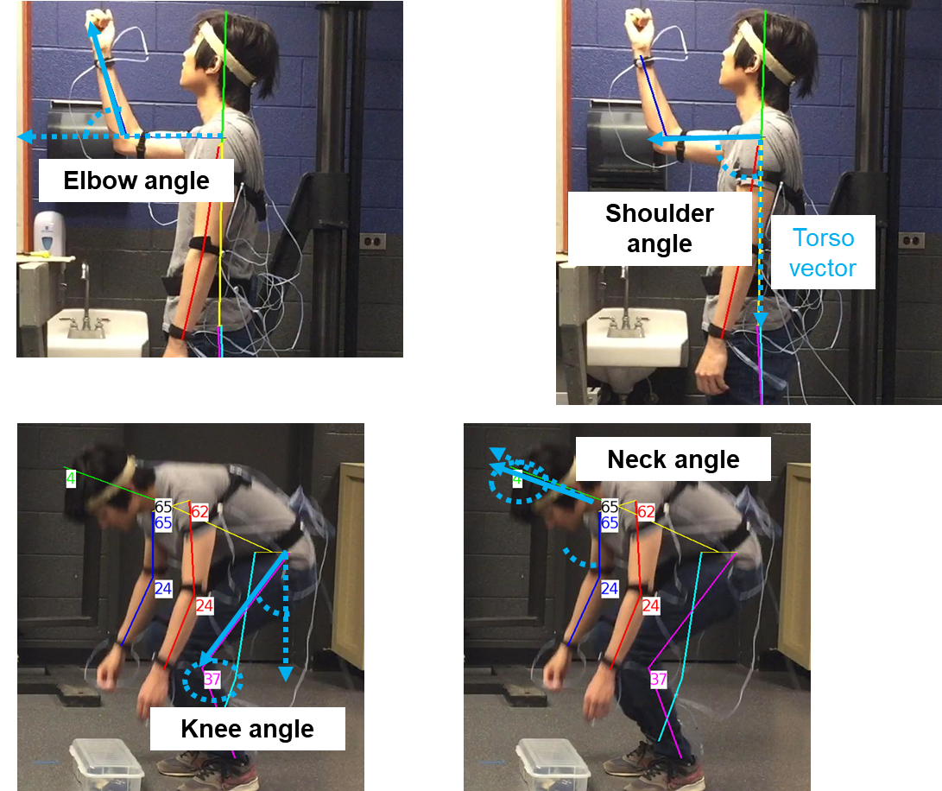
78 | 1 | 1 | 0 | 0
84 | 2 | 1 | 0 | 0
90 | 2 | 1 | 0 | 0
96 | 2 | 1 | 0 | 0
102 | 2 | 1 | 0 | 0
108 | 2 | 1 | 0 | 0 | Lower Back Posture (0,8)
114 | 2 | 1 | 0 | 0
120 | 2 | 1 | 0 | 0
126 | 2 | 1 | 0 | 0
132 | 2 | 1 | 0 | 0
138 | 2 | 1 | 0 | 0
144 | 2 | 1 | 0 | 0
150 | 2 | 1 | 0 | 0
156 | 2 | 1 | 0 | 0
162 | 2 | 1 | 0 | 0 | Neck Posture (0-2)
168 | 2 | 1 | 0 | 0
174 | 2 | 1 | 0 | 0
180 | 2 | 1 | 0 | 0
186 | 2 | 1 | 0 | 0
192 | 2 | 1 | 0 | 0
198 | 2 | 1 | 0 | 0
204 | 2 | 1 | 0 | 0
210 | 2 | 1 | 0 | 0
216 | 2 | 1 | 0 | 0
222 | 2 | 1 | 0 | 0
228 | 2 | 1 | 0 | 0
234 | 2 | 1 | 0 | 0
240 | 2 | 1 | 0 | 0
246 | 1 | 1 | 0 | 0
252 | 1 | 1 | 0 | 0
258 | 1 | 1 | 0 | 0
264 | 1 | 1 | 0 | 0
270 | 1 | 1 | 0 | 0
276 | 1 | 1 | 0 | 0
282 | 1 | 1 | 0 | 0
288 | 1 | 1 | 0 | 0
294 | 1 | 1 | 0 | 0
300 | 1 | 1 | 0 | 0
306 | 1 | 1 | 0 | 0
312 | 1 | 1 | 0 | 0
318 | 1 | 1 | 0 | 0
324 | 1 | 1 | 0 | 0
330 | 1 | 1 | 0 | 0
336 | 1 | 1 | 0 | 0
342 | 1 | 1 | 0 | 0
348 | 1 | 1 | 0 | 0
354 | 1 | 1 | 0 | 0
360 | 1 | 1 | 0 | 0
366 | 1 | 1 | 0 | 2
372 | 1 | 1 | 0 | 2
378 | 2 | 1 | 0 | 2
384 | 1 | 1 | 0 | 2
390 | 1 | 1 | 0 | 2
396 | 1 | 1 | 0 | 2
402 | 1 | 1 | 0 | 2
408 | 1 | 1 | 0 | 2
414 | 1 | 1 | 0 | 2
420 | 1 | 1 | 0 | 2
426 | 1 | 1 | 0 | 2
432 | 1 | 1 | 0 | 2
438 | 1 | 1 | 0 | 2
444 | 1 | 1 | 0 | 2
450 | 1 | 1 | 0 | 2
456 | 1 | 1 | 0 | 2
462 | 1 | 1 | 0 | 2
468 | 1 | 1 | 0 | 2
474 | 1 | 1 | 0 | 2
480 | 1 | 1 | 0 | 2
486 | 1 | 1 | 0 | 2
492 | 1 | 1 | 0 | 0
498 | 2 | 1 | 0 | 0
504 | 1 | 1 | 0 | 0
510 | 1 | 1 | 0 | 0
516 | 2 | 1 | 0 | 0
522 | 1 | 1 | 0 | 0
528 | 1 | 1 | 0 | 0
534 | 1 | 1 | 0 | 0
540 | 1 | 1 | 0 | 0
546 | 1 | 1 | 0 | 0
552 | 1 | 1 | 0 | 0
558 | 1 | 1 | 0 | 0
564 | 1 | 1 | 0 | 0
570 | 1 | 1 | 0 | 0
576 | 1 | 1 | 0 | 0
582 | 1 | 1 | 0 | 0
588 | 1 | 1 | 0 | 0
594 | 1 | 1 | 0 | 0
600 | 1 | 1 | 0 | 0
606 | 1 | 1 | 0 | 0
612 | 1 | 1 | 0 | 0
618 | 1 | 1 | 0 | 0
624 | 1 | 1 | 0 | 0
630 | 1 | 1 | 0 | 0
636 | 1 | 1 | 0 | 0
642 | 1 | 1 | 0 | 0
648 | 1 | 1 | 0 | 1
654 | 0 | 1 | 0 | 1
660 | 0 | 1 | 0 | 0
666 | 0 | 1 | 0 | 0
672 | 0 | 1 | 0 | 0
678 | 0 | 1 | 0 | 0
684 | 0 | 1 | 0 | 0
690 | 0 | 1 | 0 | 0
696 | 0 | 1 | 0 | 0
702 | 0 | 1 | 0 | 0
708 | 0 | 1 | 0 | 0
714 | 0 | 1 | 0 | 0
720 | 0 | 1 | 0 | 0
726 | 0 | 1 | 0 | 0
732 | 0 | 1 | 8 | 0
738 | 0 | 1 | 0 | 0
744 | 0 | 1 | 0 | 0
750 | 0 | 1 | 0 | 0
756 | 0 | 1 | 0 | 1
762 | 0 | 1 | 0 | 1
768 | 0 | 1 | 0 | 1
774 | 0 | 1 | 0 | 1
780 | 0 | 1 | 0 | 1
786 | 0 | 1 | 0 | 1
792 | 0 | 1 | 0 | 1
798 | 0 | 1 | 0 | 1
804 | 0 | 1 | 0 | 0
810 | 0 | 1 | 0 | 0
816 | 0 | 1 | 0 | 0
822 | 0 | 1 | 0 | 1
828 | 0 | 1 | 0 | 1
834 | 0 | 1 | 0 | 1
840 | 0 | 1 | 0 | 1
846 | 0 | 1 | 0 | 1
852 | 0 | 1 | 0 | 1
858 | 0 | 4 | 0 | 0
864 | 3 | 7 | 0 | 0
870 | 3 | 7 | 0 | 0
876 | 5 | 9 | 0 | 0
882 | 5 | 9 | 8 | 0
888 | 5 | 9 | 8 | 0
894 | 5 | 9 | 8 | 0
900 | 5 | 9 | 8 | 0
906 | 5 | 9 | 8 | 0
912 | 5 | 9 | 8 | 0
918 | 5 | 9 | 8 | 0
924 | 5 | 9 | 0 | 0
930 | 5 | 9 | 0 | 0
936 | 3 | 7 | 0 | 0
942 | 3 | 7 | 0 | 0
948 | 3 | 7 | 0 | 0
954 | 5 | 9 | 0 | 0
960 | 5 | 9 | 0 | 0
966 | 5 | 9 | 0 | 0
972 | 5 | 9 | 8 | 0
978 | 5 | 9 | 8 | 0
984 | 5 | 7 | 8 | 0
990 | 5 | 7 | 8 | 0
996 | 5 | 7 | 8 | 0
1002 | 5 | 9 | 8 | 0
1008 | 5 | 9 | 0 | 0
1014 | 5 | 9 | 0 | 0
1020 | 3 | 9 | 0 | 0
1026 | 3 | 7 | 0 | 1
1032 | 0 | 4 | 0 | 0
1038 | 0 | 1 | 0 | 0
1044 | 0 | 1 | 0 | 0
1050 | 0 | 1 | 0 | 1
1056 | 0 | 1 | 0 | 1
1062 | 0 | 1 | 0 | 1
1068 | 0 | 1 | 0 | 1
1074 | 0 | 1 | 0 | 0
1080 | 0 | 1 | 0 | 1
1086 | 0 | 1 | 0 | 1
1092 | 0 | 1 | 0 | 1
1098 | 0 | 1 | 0 | 0
1104 | 0 | 1 | 0 | 0
1110 | 0 | 1 | 0 | 0
1116 | 0 | 1 | 0 | 0
1122 | 0 | 1 | 0 | 0
1128 | 1 | 1 | 0 | 0
1134 | 1 | 1 | 0 | 0
1140 | 2 | 1 | 0 | 0
1146 | 2 | 1 | 0 | 0
1152 | 2 | 1 | 0 | 0
1158 | 2 | 1 | 0 | 0
1164 | 2 | 1 | 0 | 0
1170 | 2 | 1 | 0 | 0
1176 | 2 | 1 | 0 | 0
1182 | 2 | 1 | 0 | 0
1188 | 2 | 1 | 0 | 0
1194 | 2 | 1 | 0 | 0
1200 | 2 | 1 | 0 | 0
1206 | 2 | 1 | 0 | 0
1212 | 2 | 1 | 0 | 0
1218 | 0 | 1 | 0 | 0
1224 | 1 | 1 | 0 | 2
1230 | 2 | 1 | 0 | 2
1236 | 2 | 1 | 0 | 2
1242 | 2 | 1 | 0 | 2
1248 | 1 | 1 | 0 | 2
1254 | 1 | 1 | 0 | 2
1260 | 1 | 1 | 0 | 2
1266 | 1 | 1 | 0 | 2
1272 | 2 | 1 | 0 | 2
1278 | 1 | 1 | 0 | 2
1284 | 1 | 1 | 0 | 2
1290 | 1 | 1 | 0 | 0
1296 | 1 | 1 | 0 | 0
1302 | 1 | 1 | 0 | 0
1308 | 1 | 1 | 0 | 0
1314 | 1 | 1 | 0 | 0
1320 | 1 | 1 | 0 | 0
1326 | 1 | 1 | 0 | 0
1332 | 1 | 1 | 0 | 0
1338 | 2 | 1 | 0 | 0
1344 | 2 | 1 | 0 | 0
1350 | 2 | 1 | 0 | 0
1356 | 2 | 1 | 0 | 0
1362 | 2 | 1 | 0 | 0
1368 | 2 | 1 | 0 | 0
1374 | 2 | 1 | 0 | 0
1380 | 2 | 1 | 0 | 0
1386 | 2 | 1 | 0 | 0
1392 | 0 | 1 | 0 | 0
1398 | 0 | 1 | 0 | 0
1404 | 0 | 1 | 0 | 0
1410 | 0 | 1 | 0 | 0
1416 | 0 | 1 | 0 | 0
1422 | 0 | 1 | 0 | 0
1428 | 0 | 1 | 0 | 0
1434 | 0 | 1 | 0 | 0
1440 | 0 | 1 | 0 | 0
1446 | 0 | 1 | 0 | 0
1452 | 0 | 1 | 0 | 0
1458 | 0 | 1 | 0 | 1
1464 | 0 | 1 | 0 | 1
1470 | 0 | 1 | 0 | 1
1476 | 0 | 1 | 0 | 1
1482 | 0 | 1 | 0 | 0
1488 | 0 | 1 | 0 | 0
1494 | 0 | 1 | 0 | 0
1500 | 0 | 1 | 0 | 0
1506 | 0 | 1 | 0 | 0
1512 | 0 | 1 | 0 | 0
1518 | 0 | 1 | 0 | 1
1524 | 0 | 1 | 0 | 1
1530 | 0 | 1 | 0 | 1
1536 | 0 | 1 | 0 | 1
1542 | 0 | 1 | 0 | 1
1548 | 0 | 1 | 0 | 1
1554 | 0 | 4 | 0 | 1
1560 | 3 | 4 | 0 | 0
1566 | 3 | 7 | 0 | 0
1572 | 5 | 7 | 0 | 0
1578 | 5 | 9 | 0 | 0
1584 | 5 | 9 | 8 | 0
1590 | 5 | 7 | 8 | 0
1596 | 5 | 7 | 8 | 0
1602 | 5 | 7 | 8 | 0
1608 | 5 | 7 | 8 | 0
1614 | 5 | 7 | 8 | 0
1620 | 5 | 7 | 8 | 0
1626 | 5 | 7 | 8 | 0
1632 | 5 | 9 | 8 | 0
1638 | 5 | 9 | 0 | 0
1644 | 5 | 9 | 0 | 0
1650 | 5 | 7 | 0 | 0
1656 | 3 | 9 | 0 | 0
1662 | 3 | 9 | 0 | 0
1668 | 3 | 7 | 0 | 0
1674 | 5 | 7 | 0 | 0
1680 | 5 | 9 | 0 | 0
1686 | 5 | 9 | 0 | 0
1692 | 5 | 9 | 8 | 0
1698 | 5 | 9 | 8 | 0
1704 | 5 | 7 | 8 | 0
1710 | 3 | 7 | 8 | 1
1716 | 3 | 7 | 8 | 1
1722 | 3 | 7 | 8 | 0
1728 | 3 | 7 | 0 | 0
1734 | 3 | 7 | 0 | 0
1740 | 3 | 7 | 0 | 0
1746 | 0 | 4 | 0 | 0
1752 | 0 | 1 | 0 | 0
1758 | 0 | 1 | 0 | 1
1764 | 0 | 1 | 0 | 1
1770 | 0 | 1 | 0 | 1
1776 | 0 | 1 | 0 | 1
1782 | 0 | 1 | 0 | 0
1788 | 0 | 1 | 0 | 0
1794 | 0 | 1 | 0 | 0
1800 | 0 | 1 | 0 | 1
1806 | 0 | 1 | 0 | 1
1812 | 0 | 1 | 0 | 0
1818 | 0 | 1 | 0 | 0
1824 | 0 | 1 | 0 | 0
1830 | 1 | 1 | 0 | 0
1836 | 1 | 1 | 0 | 0
1842 | 1 | 1 | 0 | 0
1848 | 1 | 1 | 0 | 0
1854 | 1 | 1 | 0 | 0
1860 | 1 | 1 | 0 | 0
1866 | 1 | 1 | 0 | 0
1872 | 1 | 1 | 0 | 0
1878 | 1 | 1 | 0 | 0
1884 | 1 | 1 | 0 | 0
1890 | 1 | 1 | 0 | 0
1896 | 1 | 1 | 0 | 0
1902 | 1 | 1 | 0 | 0
1908 | 1 | 1 | 0 | 0
1914 | 1 | 1 | 0 | 0
1920 | 1 | 1 | 0 | 0
1926 | 1 | 1 | 0 | 0
1932 | 1 | 1 | 0 | 0
1938 | 1 | 1 | 0 | 0
1944 | 1 | 1 | 0 | 0
1950 | 1 | 1 | 0 | 0
1956 | 1 | 1 | 0 | 2
1962 | 1 | 1 | 0 | 2
1968 | 1 | 1 | 0 | 2
1974 | 1 | 1 | 0 | 2
1980 | 1 | 1 | 0 | 2
1986 | 1 | 1 | 0 | 2
1992 | 1 | 1 | 0 | 2
1998 | 1 | 1 | 0 | 2
2004 | 1 | 1 | 0 | 2
2010 | 1 | 1 | 0 | 2
2016 | 1 | 1 | 0 | 2
2022 | 1 | 1 | 0 | 2
2028 | 1 | 1 | 0 | 2
2034 | 1 | 1 | 0 | 0
2040 | 1 | 1 | 0 | 0
2046 | 1 | 1 | 0 | 0
2052 | 1 | 1 | 0 | 0
2058 | 1 | 1 | 0 | 0
2064 | 1 | 1 | 0 | 0
2070 | 1 | 1 | 0 | 0
2076 | 1 | 1 | 0 | 0
2082 | 1 | 1 | 0 | 0
2088 | 1 | 1 | 0 | 0
2094 | 1 | 1 | 0 | 0
2100 | 1 | 1 | 0 | 0
2106 | 1 | 1 | 0 | 0
2112 | 0 | 1 | 0 | 0
2118 | 0 | 1 | 0 | 0
2124 | 0 | 1 | 0 | 0
2130 | 0 | 1 | 0 | 0
2136 | 0 | 1 | 0 | 0
2142 | 0 | 1 | 0 | 0
2148 | 0 | 1 | 0 | 0
2154 | 0 | 1 | 0 | 0
2160 | 0 | 1 | 0 | 0
2166 | 0 | 1 | 0 | 1
2172 | 0 | 1 | 0 | 1
2178 | 0 | 1 | 0 | 1
2184 | 0 | 1 | 0 | 1
2190 | 0 | 1 | 0 | 1
2196 | 0 | 1 | 0 | 0
2202 | 0 | 1 | 0 | 0
2208 | 0 | 1 | 0 | 0
2214 | 0 | 1 | 0 | 0
2220 | 0 | 1 | 0 | 0
2226 | 0 | 1 | 0 | 0
2232 | 0 | 1 | 0 | 1
2238 | 0 | 1 | 0 | 1
2244 | 0 | 1 | 0 | 1
2250 | 0 | 1 | 0 | 1
2256 | 0 | 1 | 0 | 1
2262 | 0 | 4 | 0 | 0
2268 | 3 | 7 | 0 | 0
2274 | 3 | 7 | 0 | 0
2280 | 3 | 9 | 0 | 0
2286 | 5 | 9 | 8 | 0
2292 | 3 | 9 | 8 | 0
2298 | 3 | 9 | 8 | 0
2304 | 5 | 9 | 8 | 0
2310 | 5 | 9 | 8 | 0
2316 | 2 | 9 | 8 | 0
2322 | 2 | 9 | 0 | 0
2328 | 2 | 9 | 0 | 0
2334 | 2 | 9 | 0 | 0
2340 | 0 | 7 | 0 | 0
2346 | 0 | 4 | 0 | 0
2352 | 0 | 4 | 0 | 0
2358 | 3 | 4 | 0 | 0
2364 | 3 | 7 | 0 | 0
2370 | 3 | 7 | 0 | 0
2376 | 5 | 9 | 0 | 0
2382 | 5 | 9 | 0 | 0
2388 | 5 | 9 | 8 | 0
2394 | 5 | 9 | 8 | 0
2400 | 5 | 9 | 8 | 0
2406 | 5 | 9 | 8 | 0
2412 | 5 | 9 | 8 | 0
2418 | 5 | 9 | 0 | 0
2424 | 3 | 9 | 0 | 0
2430 | 3 | 9 | 0 | 0
2436 | 3 | 9 | 0 | 0
2442 | 0 | 7 | 0 | 0
2448 | 0 | 4 | 0 | 0
2454 | 0 | 1 | 0 | 1
2460 | 0 | 1 | 0 | 1
2466 | 0 | 1 | 0 | 1
2472 | 0 | 1 | 0 | 0
2478 | 0 | 1 | 0 | 0
2484 | 0 | 1 | 0 | 0
2490 | 0 | 1 | 0 | 0
2496 | 0 | 1 | 0 | 0
2502 | 0 | 1 | 0 | 0
2508 | 0 | 1 | 0 | 0
2514 | 0 | 1 | 0 | 0
2520 | 0 | 1 | 0 | 0
2526 | 0 | 1 | 0 | 0
2532 | 0 | 1 | 0 | 0
2538 | 0 | 1 | 0 | 0
2544 | 0 | 1 | 0 | 0
2550 | 0 | 1 | 0 | 0
2556 | 0 | 1 | 0 | 2
2562 | 0 | 1 | 0 | 2
2568 | 0 | 1 | 0 | 2
...

