Estimated
image id | Upper Limb Posture (0-9) use right arm | Lower Back Posture (1,4,7,9) | Lower Back Posture (0,8) use left leg | Neck Posture (0-2)
 |  |  |  |  | Upper Limb Posture (0-9) | upper limb posture | shoulder (right) | <15 |  | [15,45) |  | [45,75) |  | [75,100) |  | [100,140) | [140,180]
0 | 0 | 1 | 0 | 1 |  |  | elbow (right) | <45 | >=45 | <45 | >=45 | <45 | >=45 | <45 | >=45
6 | 0 | 1 | 0 | 1 |  |  | posture code | 0 | 1 | 3 | 2 | 5 | 4 | 7 | 6 | 8 | 9
12 | 0 | 1 | 0 | 1
18 | 0 | 1 | 0 | 1 |  | Lower limb posture (bend) | back | <10 | [10,30) | [30,65) | [65,180)
24 | 0 | 1 | 0 | 1 |  |  | posture code | 1 | 4 | 7 | 9
30 | 0 | 1 | 0 | 1
36 | 0 | 1 | 0 | 0 |  | Lower limb posture (squat) | knee (left) | <45 | >=45
42 | 0 | 1 | 0 | 0 |  |  | posture code | 0 | 8
48 | 0 | 1 | 0 | 1 | Lower Back Posture (1,4,7,9)
54 | 0 | 1 | 0 | 1 |  | Neck posture | neck | <20 | >=20 (forward) | >=20 (backward)
60 | 0 | 1 | 0 | 1 |  |  | posture code | 0 | 1 | 2
66 | 0 | 1 | 0 | 1
72 | 0 | 1 | 0 | 1
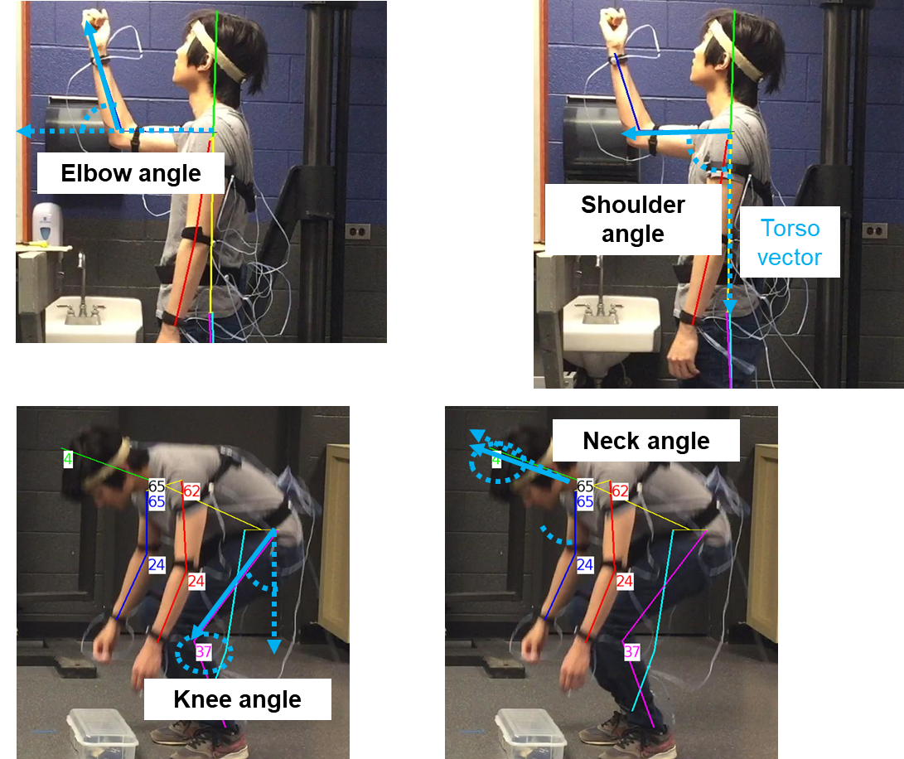
78 | 0 | 1 | 0 | 1
84 | 0 | 1 | 0 | 1
90 | 0 | 1 | 0 | 1
96 | 0 | 1 | 0 | 1
102 | 0 | 1 | 0 | 0
108 | 0 | 1 | 0 | 0 | Lower Back Posture (0,8)
114 | 0 | 1 | 0 | 0
120 | 0 | 1 | 0 | 0
126 | 0 | 1 | 0 | 0
132 | 0 | 1 | 0 | 0
138 | 0 | 1 | 0 | 0
144 | 0 | 1 | 0 | 0
150 | 0 | 1 | 0 | 0
156 | 0 | 1 | 0 | 2
162 | 0 | 1 | 0 | 2 | Neck Posture (0-2)
168 | 0 | 1 | 0 | 2
174 | 0 | 1 | 0 | 2
180 | 0 | 1 | 0 | 2
186 | 0 | 1 | 0 | 2
192 | 0 | 1 | 0 | 2
198 | 0 | 1 | 0 | 2
204 | 0 | 1 | 0 | 2
210 | 0 | 1 | 0 | 0
216 | 0 | 1 | 0 | 0
222 | 0 | 1 | 0 | 0
228 | 0 | 1 | 0 | 0
234 | 0 | 1 | 0 | 1
240 | 0 | 1 | 0 | 0
246 | 0 | 1 | 0 | 0
252 | 0 | 1 | 0 | 0
258 | 0 | 1 | 0 | 0
264 | 0 | 1 | 0 | 1
270 | 0 | 1 | 0 | 1
276 | 0 | 4 | 0 | 0
282 | 0 | 4 | 0 | 0
288 | 0 | 1 | 0 | 0
294 | 0 | 1 | 0 | 0
300 | 0 | 1 | 0 | 0
306 | 0 | 1 | 0 | 0
312 | 0 | 1 | 0 | 0
318 | 0 | 1 | 0 | 0
324 | 0 | 1 | 0 | 0
330 | 0 | 1 | 0 | 1
336 | 0 | 1 | 0 | 1
342 | 0 | 1 | 0 | 1
348 | 0 | 1 | 0 | 1
354 | 0 | 1 | 0 | 1
360 | 0 | 1 | 0 | 1
366 | 0 | 1 | 0 | 1
372 | 0 | 1 | 0 | 0
378 | 0 | 1 | 0 | 0
384 | 0 | 1 | 0 | 0
390 | 0 | 1 | 0 | 0
396 | 0 | 1 | 0 | 0
402 | 0 | 1 | 0 | 1
408 | 0 | 1 | 0 | 1
414 | 0 | 1 | 0 | 1
420 | 3 | 4 | 0 | 0
426 | 3 | 4 | 0 | 0
432 | 3 | 7 | 0 | 0
438 | 5 | 7 | 0 | 0
444 | 5 | 9 | 8 | 0
450 | 5 | 9 | 8 | 0
456 | 5 | 9 | 8 | 0
462 | 5 | 9 | 8 | 0
468 | 5 | 9 | 8 | 0
474 | 5 | 9 | 0 | 0
480 | 3 | 7 | 0 | 0
486 | 3 | 7 | 0 | 0
492 | 0 | 4 | 0 | 0
498 | 0 | 4 | 0 | 0
504 | 3 | 4 | 0 | 0
510 | 3 | 4 | 0 | 0
516 | 3 | 7 | 0 | 0
522 | 4 | 9 | 0 | 0
528 | 4 | 9 | 8 | 0
534 | 4 | 9 | 8 | 0
540 | 4 | 9 | 8 | 0
546 | 3 | 9 | 8 | 0
552 | 3 | 9 | 0 | 0
558 | 0 | 7 | 0 | 0
564 | 0 | 7 | 0 | 0
570 | 0 | 4 | 0 | 0
576 | 0 | 1 | 0 | 0
582 | 0 | 1 | 0 | 0
588 | 0 | 1 | 0 | 0
594 | 0 | 1 | 0 | 1
600 | 0 | 1 | 0 | 1
606 | 0 | 1 | 0 | 1
612 | 0 | 1 | 0 | 0
618 | 0 | 1 | 0 | 0
624 | 0 | 1 | 0 | 1
630 | 0 | 1 | 0 | 1
636 | 0 | 1 | 0 | 0
642 | 0 | 1 | 0 | 0
648 | 0 | 1 | 0 | 0
654 | 0 | 1 | 0 | 0
660 | 0 | 1 | 0 | 0
666 | 0 | 1 | 0 | 0
672 | 0 | 1 | 0 | 0
678 | 0 | 1 | 0 | 0
684 | 0 | 1 | 0 | 0
690 | 0 | 1 | 0 | 0
696 | 0 | 1 | 0 | 0
702 | 0 | 1 | 0 | 0
708 | 0 | 1 | 0 | 0
714 | 0 | 1 | 0 | 0
720 | 0 | 1 | 0 | 2
726 | 0 | 1 | 0 | 2
732 | 0 | 1 | 0 | 2
738 | 0 | 1 | 0 | 2
744 | 0 | 1 | 0 | 2
750 | 0 | 1 | 0 | 2
756 | 0 | 1 | 0 | 2
762 | 0 | 1 | 0 | 2
768 | 0 | 1 | 0 | 2
774 | 0 | 1 | 0 | 0
780 | 0 | 1 | 0 | 0
786 | 0 | 1 | 0 | 0
792 | 0 | 1 | 0 | 0
798 | 0 | 1 | 0 | 0
804 | 0 | 1 | 0 | 0
810 | 0 | 1 | 0 | 0
816 | 0 | 1 | 0 | 0
822 | 0 | 1 | 0 | 0
828 | 0 | 1 | 0 | 0
834 | 0 | 1 | 0 | 0
840 | 0 | 1 | 0 | 0
846 | 0 | 1 | 0 | 0
852 | 0 | 1 | 0 | 0
858 | 0 | 1 | 0 | 0
864 | 0 | 1 | 0 | 0
870 | 0 | 1 | 0 | 0
876 | 0 | 1 | 0 | 0
882 | 0 | 1 | 0 | 0
888 | 0 | 1 | 0 | 0
894 | 0 | 1 | 0 | 0
900 | 0 | 1 | 0 | 0
906 | 3 | 1 | 0 | 0
912 | 3 | 1 | 0 | 0
918 | 3 | 1 | 0 | 0
924 | 3 | 1 | 0 | 0
930 | 3 | 1 | 0 | 0
936 | 0 | 1 | 0 | 0
942 | 0 | 1 | 0 | 0
948 | 0 | 1 | 0 | 0
954 | 0 | 1 | 0 | 0
960 | 0 | 1 | 0 | 1
966 | 0 | 1 | 0 | 1
972 | 0 | 1 | 0 | 1
978 | 0 | 4 | 0 | 1
984 | 0 | 4 | 0 | 1
990 | 3 | 7 | 0 | 1
996 | 3 | 7 | 0 | 1
1002 | 3 | 7 | 0 | 0
1008 | 3 | 7 | 8 | 0
1014 | 3 | 7 | 8 | 0
1020 | 3 | 9 | 8 | 0
1026 | 3 | 7 | 8 | 0
1032 | 3 | 7 | 8 | 0
1038 | 5 | 9 | 8 | 0
1044 | 5 | 9 | 0 | 0
1050 | 3 | 7 | 0 | 0
1056 | 3 | 4 | 0 | 0
1062 | 0 | 4 | 0 | 0
1068 | 0 | 1 | 0 | 0
1074 |  | 完

