Estimated
image id | Upper Limb Posture (0-9) use right arm | Lower Back Posture (1,4,7,9) | Lower Back Posture (0,8) use left leg | Neck Posture (0-2)
 |  |  |  |  | Upper Limb Posture (0-9) | upper limb posture | shoulder (right) | <15 |  | [15,45) |  | [45,75) |  | [75,100) |  | [100,140) | [140,180]
0 | 0 | 1 | 0 | 1 |  |  | elbow (right) | <45 | >=45 | <45 | >=45 | <45 | >=45 | <45 | >=45
6 | 0 | 1 | 0 | 1 |  |  | posture code | 0 | 1 | 3 | 2 | 5 | 4 | 7 | 6 | 8 | 9
12 | 0 | 1 | 0 | 1
18 | 0 | 1 | 0 | 1 |  | Lower limb posture (bend) | back | <10 | [10,30) | [30,65) | [65,180)
24 | 0 | 1 | 0 | 1 |  |  | posture code | 1 | 4 | 7 | 9
30 | 0 | 1 | 0 | 1
36 | 0 | 1 | 0 | 1 |  | Lower limb posture (squat) | knee (left) | <45 | >=45
42 | 0 | 1 | 0 | 1 |  |  | posture code | 0 | 8
48 | 0 | 1 | 0 | 0 | Lower Back Posture (1,4,7,9)
54 | 0 | 1 | 0 | 1 |  | Neck posture | neck | <20 | >=20 (forward) | >=20 (backward)
60 | 0 | 1 | 0 | 1 |  |  | posture code | 0 | 1 | 2
66 | 0 | 1 | 0 | 1
72 | 0 | 1 | 0 | 0
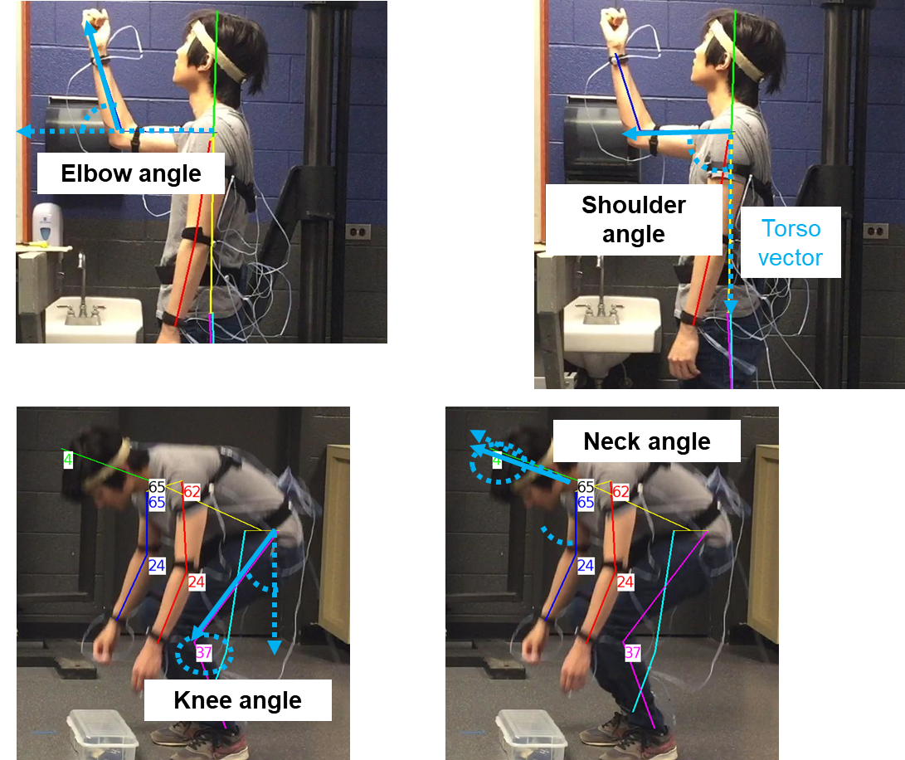
78 | 0 | 1 | 0 | 0
84 | 0 | 1 | 0 | 1
90 | 0 | 1 | 0 | 1
96 | 0 | 1 | 0 | 0
102 | 0 | 1 | 0 | 0
108 | 0 | 1 | 0 | 2 | Lower Back Posture (0,8)
114 | 0 | 1 | 0 | 2
120 | 0 | 1 | 0 | 2
126 | 0 | 1 | 0 | 2
132 | 0 | 1 | 0 | 2
138 | 0 | 1 | 0 | 2
144 | 0 | 1 | 0 | 2
150 | 0 | 1 | 0 | 2
156 | 0 | 1 | 0 | 2
162 | 0 | 1 | 0 | 2 | Neck Posture (0-2)
168 | 0 | 1 | 0 | 2
174 | 0 | 1 | 0 | 2
180 | 0 | 1 | 0 | 2
186 | 0 | 1 | 0 | 2
192 | 0 | 1 | 0 | 2
198 | 0 | 1 | 0 | 2
204 | 0 | 1 | 0 | 0
210 | 0 | 4 | 0 | 1
216 | 0 | 4 | 0 | 1
222 | 0 | 4 | 0 | 1
228 | 0 | 4 | 0 | 1
234 | 0 | 4 | 0 | 1
240 | 0 | 4 | 0 | 1
246 | 0 | 4 | 0 | 1
252 | 0 | 4 | 0 | 1
258 | 0 | 4 | 0 | 1
264 | 0 | 4 | 0 | 1
270 | 0 | 4 | 0 | 1
276 | 0 | 4 | 0 | 1
282 | 0 | 1 | 0 | 1
288 | 0 | 1 | 0 | 0
294 | 0 | 4 | 0 | 0
300 | 0 | 4 | 0 | 0
306 | 0 | 1 | 0 | 0
312 | 0 | 1 | 0 | 0
318 | 0 | 1 | 0 | 0
324 | 0 | 1 | 0 | 0
330 | 0 | 1 | 0 | 1
336 | 3 | 1 | 0 | 1
342 | 3 | 1 | 0 | 1
348 | 3 | 1 | 0 | 1
354 | 0 | 1 | 0 | 0
360 | 3 | 1 | 0 | 0
366 | 3 | 1 | 0 | 0
372 | 3 | 1 | 0 | 0
378 | 3 | 1 | 0 | 0
384 | 0 | 1 | 0 | 1
390 | 0 | 1 | 0 | 1
396 | 0 | 4 | 0 | 1
402 | 3 | 4 | 0 | 0
408 | 3 | 7 | 0 | 0
414 | 5 | 7 | 0 | 0
420 | 5 | 7 | 8 | 0
426 | 5 | 7 | 8 | 2
432 | 5 | 7 | 8 | 2
438 | 5 | 7 | 8 | 0
444 | 5 | 7 | 8 | 0
450 | 3 | 4 | 0 | 0
456 | 3 | 4 | 0 | 0
462 | 3 | 1 | 0 | 0
468 | 0 | 1 | 0 | 0
474 | 3 | 1 | 0 | 0
480 | 0 | 1 | 0 | 0
486 | 0 | 1 | 0 | 0
492 | 3 | 1 | 0 | 0
498 | 3 | 4 | 0 | 0
504 | 3 | 7 | 0 | 0
510 | 5 | 7 | 0 | 0
516 | 5 | 7 | 8 | 0
522 | 5 | 7 | 8 | 0
528 | 5 | 7 | 8 | 0
534 | 5 | 7 | 8 | 0
540 | 3 | 7 | 0 | 0
546 | 3 | 4 | 0 | 0
552 | 0 | 1 | 0 | 0
558 | 0 | 1 | 0 | 0
564 | 0 | 1 | 0 | 0
570 | 0 | 1 | 0 | 1
576 | 0 | 1 | 0 | 1
582 | 0 | 1 | 0 | 1
588 | 0 | 1 | 0 | 0
594 | 0 | 1 | 0 | 1
600 | 0 | 1 | 0 | 0
606 | 0 | 1 | 0 | 0
612 | 0 | 1 | 0 | 0
618 | 0 | 1 | 0 | 0
624 | 0 | 1 | 0 | 0
630 | 0 | 1 | 0 | 0
636 | 0 | 1 | 0 | 0
642 | 0 | 1 | 0 | 0
648 | 0 | 1 | 0 | 0
654 | 0 | 1 | 0 | 0
660 | 0 | 1 | 0 | 0
666 | 0 | 1 | 0 | 0
672 | 0 | 1 | 0 | 0
678 | 0 | 1 | 0 | 0
684 | 0 | 1 | 0 | 0
690 | 0 | 1 | 0 | 0
696 | 0 | 1 | 0 | 0
702 | 0 | 1 | 0 | 0
708 | 0 | 1 | 0 | 0
714 | 0 | 1 | 0 | 0
720 | 0 | 1 | 0 | 0
726 | 0 | 1 | 0 | 0
732 | 0 | 1 | 0 | 0
738 | 0 | 1 | 0 | 0
744 | 0 | 1 | 0 | 0
750 | 5 | 1 | 0 | 0
756 | 0 | 1 | 0 | 0
762 | 0 | 1 | 0 | 0
768 | 0 | 1 | 0 | 0
774 | 0 | 1 | 0 | 0
780 | 0 | 1 | 0 | 0
786 | 0 | 1 | 0 | 0
792 | 0 | 1 | 0 | 0
798 | 0 | 1 | 0 | 1
804 | 0 | 1 | 0 | 0
810 | 0 | 1 | 0 | 1
816 | 0 | 1 | 0 | 1
822 | 0 | 1 | 0 | 0
828 | 0 | 1 | 0 | 0
834 | 0 | 1 | 0 | 0
840 | 0 | 1 | 0 | 0
846 | 0 | 1 | 0 | 0
852 | 0 | 1 | 0 | 0
858 | 0 | 1 | 0 | 0
864 | 0 | 1 | 0 | 0
870 | 0 | 1 | 0 | 0
876 | 0 | 1 | 0 | 0
882 | 0 | 1 | 0 | 0
888 | 0 | 1 | 0 | 0
894 | 0 | 1 | 0 | 0
900 | 0 | 1 | 0 | 0
906 | 0 | 1 | 0 | 0
912 | 3 | 1 | 0 | 0
918 | 3 | 1 | 0 | 0
924 | 3 | 1 | 0 | 0
930 | 3 | 1 | 0 | 0
936 | 3 | 1 | 0 | 1
942 | 0 | 1 | 0 | 1
948 | 0 | 1 | 0 | 1
954 | 0 | 1 | 0 | 1
960 | 0 | 4 | 0 | 1
966 | 3 | 4 | 0 | 0
972 | 3 | 7 | 0 | 0
978 | 5 | 7 | 0 | 0
984 | 5 | 7 | 8 | 0
990 | 5 | 7 | 8 | 0
996 | 5 | 7 | 8 | 2
1002 | 5 | 7 | 8 | 0
1008 | 5 | 7 | 0 | 0
1014 | 3 | 7 | 0 | 0
1020 | 3 | 4 | 0 | 1
1026 | 3 | 1 | 0 | 1
1032 | 0 | 1 | 0 | 1
1038 | 3 | 1 | 0 | 1
1044 | 3 | 4 | 0 | 1
1050 | 3 | 7 | 0 | 1
1056 | 5 | 7 | 0 | 0
1062 | 5 | 7 | 0 | 0
1068 | 5 | 9 | 8 | 0
1074 | 5 | 7 | 8 | 0
1080 | 5 | 7 | 8 | 0
1086 | 5 | 7 | 0 | 0
1092 | 3 | 7 | 0 | 0
1098 | 3 | 4 | 0 | 0
1104 | 0 | 1 | 0 | 1
1110 | 0 | 1 | 0 | 0
1116 | 0 | 1 | 0 | 0
1122 | 0 | 1 | 0 | 1
1128 | 0 | 1 | 0 | 1
1134 | 0 | 1 | 0 | 1
1140 | 0 | 1 | 0 | 1
1146 | 0 | 1 | 0 | 0
1152 | 0 | 1 | 0 | 0
1158 | 0 | 1 | 0 | 0
1164 | 0 | 1 | 0 | 0
1170 | 0 | 1 | 0 | 1
1176 | 0 | 1 | 0 | 1
1182 | 0 | 1 | 0 | 0
1188 | 0 | 1 | 0 | 0
1194 | 0 | 1 | 0 | 0
1200 | 0 | 1 | 0 | 0
1206 | 0 | 1 | 0 | 0
1212 | 0 | 1 | 8 | 2
1218 | 0 | 1 | 0 | 2
1224 | 0 | 1 | 0 | 2
1230 | 0 | 1 | 0 | 2
1236 | 0 | 1 | 0 | 2
1242 | 0 | 1 | 0 | 2
1248 | 0 | 1 | 0 | 2
1254 | 0 | 1 | 0 | 2
1260 | 0 | 1 | 0 | 2
1266 | 0 | 1 | 0 | 2
1272 | 0 | 1 | 0 | 2
1278 | 0 | 1 | 0 | 2
1284 | 0 | 1 | 0 | 2
1290 | 0 | 1 | 0 | 0
1296 | 0 | 1 | 0 | 0
1302 | 0 | 1 | 0 | 0
1308 | 0 | 1 | 0 | 0
1314 | 0 | 1 | 0 | 0
1320 | 0 | 1 | 0 | 0
1326 | 0 | 1 | 0 | 0
1332 | 0 | 1 | 0 | 1
1338 | 0 | 1 | 0 | 0
1344 | 3 | 1 | 0 | 0
1350 | 3 | 1 | 0 | 0
1356 | 3 | 1 | 0 | 0
1362 | 0 | 1 | 0 | 0
1368 | 0 | 1 | 0 | 0
1374 | 0 | 1 | 0 | 0
1380 | 0 | 1 | 0 | 0
1386 | 0 | 1 | 0 | 1
1392 | 0 | 1 | 0 | 0
1398 | 3 | 1 | 0 | 0
1404 | 3 | 1 | 0 | 0
1410 | 3 | 1 | 0 | 0
1416 | 3 | 1 | 0 | 0
1422 | 0 | 1 | 0 | 0
1428 | 0 | 1 | 0 | 1
1434 | 0 | 1 | 0 | 1
1440 | 0 | 1 | 0 | 1
1446 | 0 | 4 | 0 | 1
1452 | 3 | 4 | 0 | 0
1458 | 3 | 7 | 0 | 0
1464 | 5 | 7 | 0 | 0
1470 | 5 | 7 | 8 | 2
1476 | 5 | 7 | 8 | 2
1482 | 5 | 7 | 8 | 2
1488 | 5 | 7 | 8 | 2
1494 | 5 | 7 | 8 | 2
1500 | 3 | 7 | 0 | 0
1506 | 3 | 4 | 0 | 0
1512 | 3 | 1 | 0 | 0
1518 | 3 | 1 | 0 | 0
1524 | 3 | 1 | 0 | 0
1530 | 3 | 4 | 0 | 0
1536 | 3 | 4 | 0 | 0
1542 | 3 | 7 | 0 | 0
1548 | 5 | 7 | 0 | 0
1554 | 5 | 7 | 8 | 0
1560 | 5 | 7 | 8 | 0
1566 | 5 | 7 | 8 | 0
1572 | 5 | 7 | 8 | 0
1578 | 5 | 7 | 0 | 0
1584 | 3 | 4 | 0 | 0
1590 | 3 | 4 | 0 | 0
1596 | 0 | 1 | 0 | 0
1602 | 0 | 1 | 0 | 0
1608 | 0 | 1 | 0 | 1
1614 | 0 | 1 | 0 | 1
1620 | 0 | 1 | 0 | 1
1626 | 0 | 1 | 0 | 1
1632 | 0 | 1 | 0 | 1
1638 | 0 | 1 | 0 | 0
1644 | 0 | 1 | 0 | 0
1650 | 0 | 1 | 0 | 1
1656 | 0 | 1 | 0 | 0
1662 | 0 | 1 | 0 | 0
1668 | 0 | 1 | 0 | 0
1674 | 0 | 1 | 0 | 0
1680 | 0 | 4 | 0 | 0
1686 | 0 | 4 | 0 | 0
1692 | 0 | 1 | 0 | 0
1698 | 0 | 1 | 0 | 0
1704 | 0 | 1 | 0 | 0
1710 | 0 | 1 | 0 | 0
1716 | 0 | 1 | 0 | 0
1722 | 0 | 1 | 0 | 0
1728 | 0 | 1 | 0 | 0
1734 | 0 | 1 | 0 | 0
1740 | 0 | 4 | 0 | 0
1746 | 0 | 4 | 0 | 0
1752 | 0 | 1 | 0 | 0
1758 | 0 | 1 | 0 | 0
1764 | 0 | 1 | 0 | 0
1770 | 0 | 1 | 0 | 0
1776 | 0 | 4 | 0 | 0
1782 | 0 | 4 | 0 | 0
1788 | 0 | 4 | 0 | 0
1794 | 0 | 4 | 0 | 1
1800 | 0 | 4 | 0 | 0
1806 | 0 | 1 | 0 | 0
1812 | 0 | 1 | 0 | 0
1818 | 0 | 1 | 0 | 0
1824 | 0 | 1 | 0 | 0
1830 | 0 | 1 | 0 | 0
1836 | 3 | 1 | 0 | 0
1842 | 3 | 1 | 0 | 0
1848 | 3 | 1 | 0 | 0
1854 | 0 | 1 | 0 | 0
1860 | 0 | 1 | 0 | 0
1866 | 0 | 1 | 0 | 0
1872 | 0 | 1 | 0 | 0
1878 | 0 | 1 | 0 | 0
1884 | 0 | 1 | 0 | 0
1890 | 0 | 4 | 0 | 0
1896 | 3 | 4 | 0 | 0
1902 | 3 | 1 | 0 | 0
1908 | 3 | 1 | 0 | 0
1914 | 3 | 1 | 0 | 0
1920 | 0 | 1 | 0 | 1
1926 | 0 | 1 | 0 | 1
1932 | 0 | 4 | 0 | 0
1938 | 3 | 4 | 0 | 0
1944 | 3 | 7 | 0 | 0
1950 | 5 | 7 | 0 | 0
1956 | 5 | 7 | 8 | 0
1962 | 5 | 7 | 8 | 0
1968 | 5 | 7 | 8 | 0
1974 | 5 | 7 | 8 | 0
1980 | 5 | 7 | 0 | 0
1986 | 3 | 4 | 0 | 0
1992 | 3 | 4 | 0 | 0
1998 | 3 | 1 | 0 | 0
2004 | 3 | 1 | 0 | 0
2010 | 3 | 1 | 0 | 0
2016 | 3 | 1 | 0 | 0
2022 | 3 | 1 | 0 | 0
2028 | 3 | 1 | 0 | 0
2034 | 3 | 1 | 0 | 0
2040 | 3 | 1 | 0 | 0
2046 | 3 | 4 | 0 | 0
2052 | 3 | 4 | 0 | 0
2058 | 3 | 7 | 0 | 0
2064 | 5 | 7 | 8 | 0
2070 | 5 | 7 | 8 | 0
2076 | 5 | 7 | 8 | 0
2082 | 5 | 7 | 8 | 0
2088 | 5 | 7 | 8 | 0
2094 | 3 | 7 | 0 | 0
2100 | 3 | 4 | 0 | 0
2106 | 3 | 4 | 0 | 0
2112 | 0 | 1 | 0 | 0
2118 | 0 | 1 | 0 | 0
 |  |  |  | 完

