Sheet1
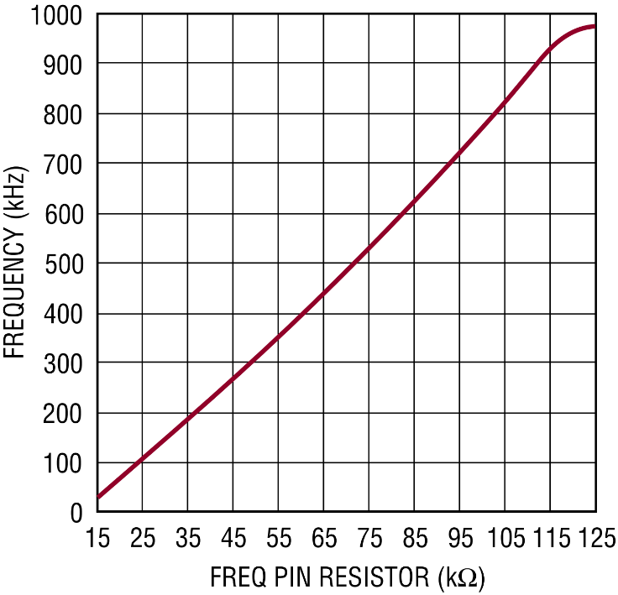
Max Input Voltage | 50.4 | V
Min Input Voltage | 38.4 | V
Max Output Voltage | 50.4 | V
Min Output Voltage | 38.4 | V
Max Output Current | 5 | A
Switching Frequency | 750000 | Hz
Allowable Ripple Current | 10 | %

Expected
Inductor Inductance | 2.4380952381E-05 | H
R_FB1 | 620 | kΩ
R_FB2 | 10 | kΩ
R_Sense | 0.019 | Ω
R_Freq | 98 | kΩ

Actual
Inductor Inductance | 2.20E-05 | H
R_FB1 | 680 | kΩ
R_FB2 | 10 | kΩ
R_Sense | 0.018 | Ω
R_Freq | 98 | kΩ

SS/FB Max Voltage | 0.78823529412 | V
Ripple Current | 0.55411255411 | A
Current Limit | 5.0277777778 | A

