OVERVIEW
SMART HOME PROJECT

TESTING ZIGBEE TUYA DEVICE

TESTING DAY: FROM 12/20/2021 TO 12/21/2021

PURPOSE:
1. TESTING OPERATING OF DEVICE BY APPS AND SWITCH
2. MESURING MAXIMUM CONTROL RANGE
3. CHECKING TUYA APPS HAVE CONSUMED POWER MESUREMENT OR NOT

DEVICES USING:

Zigbee
Zigbee

1CH Zigbee Switch Module
Zigbee Gateway Module
2CH Zigbee Switch Module

TESTING REQUIREMENTS:
1. Using supply voltage 220 VAC - 50 Hz for all device
2. There are no interfering sources around testing place
3. Only care about DOR (Duration Of Response) of devices (or loads)
4. DOR of devices (loads) must less than 0.5s

TESTING
TESTING ZIGBEE TUYA DEVICE

1. Testing on room/office/buiding environment by apps Tuya
a. Testing rules:
- Turn On/Off devices slowly 10 times
- Turn On/Off devices quickly (1 time per second) 10 times

b. Testing diagram position
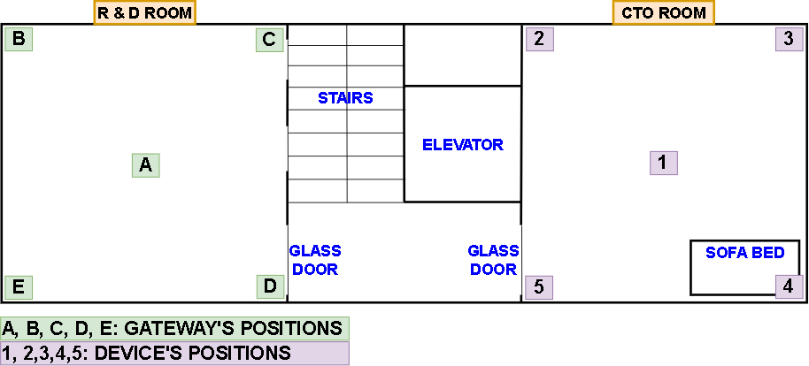

c. Testing result

POSITION |  | GATEWAY
 |  | A | B | C | D | E
DEVICE | 1 | OK | OK | OK | OK | OK
 | 2 | OK | - Connect and reconnect time is too long (> 1 minute) - Communication is not stable | OK | OK | OK
 | 3 | OK | - Connect and reconnect time is too long (> 1 minute) - Communication is not stable | - Connect and reconnect time is too long (> 1 minute) - Communication is not stable | OK | - Connect and reconnect time is too long (> 1 minute) - Communication is not stable
 | 4 | Delay 5s (1 time) | - Connect and reconnect time is too long (> 1 minute) - Communication is not stable - Delay 5s (1 time) - Delay 3s (1 time) | - Connect and reconnect time is too long (> 1 minute) - Communication is not stable | OK | - Connect and reconnect time is too long (> 1 minute) - Communication is not stable
 | 5 | Delay 2s (1 time) | OK | OK | OK | OK

2. Testing by switch
a. Testing rules:
- Turn On/Off devices slowly 10 times
- Turn On/Off devices quickly (2 times per second) 10 times
c. Testing result
OK

3. Testing maximum range between gateway and device
a. Testing rules:
- Turn On/Off devices slowly 10 times
- Turn On/Off devices quickly (1 time per second) 10 times
b. Testing environment
- Spacious environment
c. Testing result
- Maximum distance: 70m

4. Is there Consumed Power Task on Tuya apps?
No

