Summary
ETC Lighting Controls Survey
Levels B2-06
Surveyed 2026-10-07 to 2026-10-09
THIS SHEET IS NOT A SUBSTITUTE FOR THE SUBMITTAL DRAWINGS! PLEASE REFER TO SUBMITTALS BEFORE ACTING ON ANY NOTES IN THIS SHEET!

 | Installed, untested | Issue | Not installed | No access | Complete
B2 | 1 | 3 | 1 | 0 | 0
B1 | 6 | 9 | 12 | 12 | 0
01 | 6 | 7 | 22 | 1 | 0
02 | 26 | 4 | 15 | 0 | 0
03 | 16 | 9 | 11 | 0 | 0
04 | 2 | 15 | 14 | 0 | 0
06 | 12 | 0 | 2 | 0 | 0
06M | 1 | 3 | 0 | 0 | 0
Device status by floor
Floor | Surveyed | Updated | Installed, untested | Issue | Not installed | No access | Complete | Total
B2 | 2026-10-09 |  | 1 | 3 | 1 |  |  | 5
B1 | 2026-10-08 |  | 6 | 9 | 12 | 12 |  | 39
01 | 2026-10-07 | 2026-10-08 | 6 | 7 | 22 | 1 |  | 36
02 | 2026-10-07 | 2026-10-08 | 26 | 4 | 15 |  |  | 45
03 | 2026-10-07 | 2026-10-08 | 16 | 9 | 11 |  |  | 36
04 | 2026-10-07 | 2026-10-08 | 2 | 15 | 14 |  |  | 31
06 | 2026-10-07 |  | 12 |  | 2 |  |  | 14
06M | 2026-10-07 |  | 1 | 3 |  |  |  | 4
Total |  |  | 70 | 50 | 77 | 13 |  | 210

 | Open | In progress | Closed
B2 | 9 | 0 | 0
B1 | 28 | 0 | 0
01 | 46 | 1 | 6
02 | 27 | 0 | 5
03 | 29 | 0 | 2
04 | 41 | 0 | 3
06 | 3 | 0 | 0
06M | 14 | 0 | 0
Outstanding items by floor
Floor | Open | In progress | Closed | Total
B2 | 9 |  |  | 9
B1 | 28 |  |  | 28
01 | 46 | 1 | 6 | 53
02 | 27 |  | 5 | 32
03 | 29 |  | 2 | 31
04 | 41 |  | 3 | 44
06 | 3 |  |  | 3
06M | 15 |  |  | 15
Total | 198 | 1 | 16 | 215

 | Open | In progress | Closed
EC | 167 | 0 | 1
ETC | 9 | 0 | 15
EC/ETC | 21 | 1 | 0
Outstanding items by owner
Owner | Open | In progress | Closed | Total
EC | 168 |  | 1 | 169
ETC | 9 |  | 15 | 24
EC/ETC | 21 | 1 |  | 22
Total | 198 | 1 | 16 | 215

 | Needed | Ordered | On site | Installed
B2 | 3 | 0 | 0 | 0
B1 | 8 | 0 | 0 | 0
01 | 17 | 0 | 1 | 2
02 | 10 | 0 | 0 | 0
03 | 16 | 0 | 0 | 0
04 | 12 | 0 | 1 | 0
06 | 2 | 0 | 0 | 0
06M | 13 | 0 | 0 | 0
Missing parts by floor
Floor | Needed | Ordered | On site | Installed | Total
B2 | 3 |  |  |  | 3
B1 | 8 |  |  |  | 8
01 | 17 |  | 1 | 2 | 20
02 | 10 |  |  |  | 10
03 | 16 |  |  |  | 16
04 | 12 |  | 1 |  | 13
06 | 2 |  |  |  | 2
06M | 13 |  |  |  | 13
Total | 81 |  | 2 | 2 | 85

Photo Log
Photo Log
Levels B2-06
Level | Photo | Location | Subject | What it shows | Device ID | Floor Order | Image
B2 | 1 | Elec XXB2-2E02 | CTB2LCPB - wires in ERP | Relay panel open; network and Unison wires land in ERP. | B2-01 | 1 | 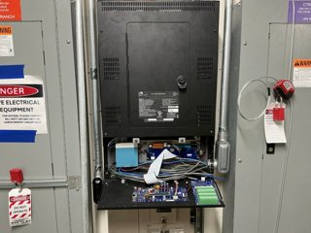
B2 | 2 | Elec XXB2-2E02 | P-NSPS-D - 48V jumper | NSPS in enclosure; 48V jumper from power supply not landed. | B2-03 | 1 | 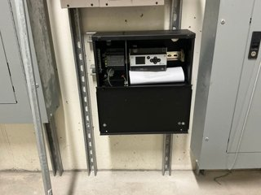
B2 | 3 | Elevator Lobby B XXB2-C003 | PI1002 S1 - missing cover | Station on conduit box; no cover. | B2-S1 | 1 | 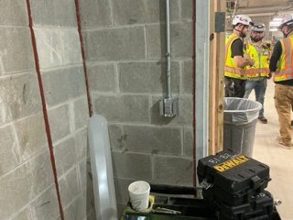
B2 | 4 | Elevator Lobby B XXB2-C003 | P-DOC-C-LR D1 - NI | Conduit box open at ceiling; no device. | B2-D1 | 1 | 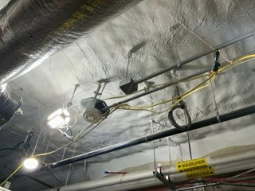
B1 | 1 | Elec WTB1-1E01 | CTB1LCPB / EBDK - moved | Relay panel and EBDK in new location. | B1-01, B1-02 | 2 | 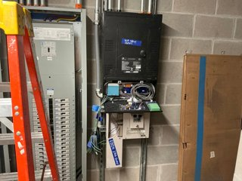
B1 | 2 | Corridor XXB1-C009 | P-DOC-W D1 - NI | Box on conduit; no sensor. | B1-D1 | 2 | 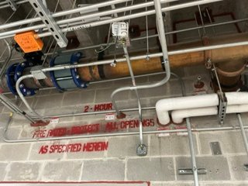
B1 | 3 | Corridor XXB1-C009 at Fan Room XXB1-2F01 | P-DOC-W D2 - NI | Box on conduit; no sensor. | B1-D2 | 2 | 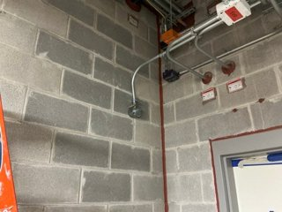
B1 | 4 | Corridor XXB1-C007 at Stair F XXB1-3S02 | PI1002 S2 - NI | Box present with wire; no station. | B1-S2 | 2 | 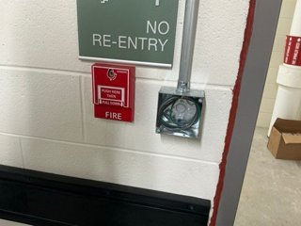
B1 | 5 | Corridor XXB1-C007 | P-DOC-W D5 - NI | Empty box on wall. | B1-D5 | 2 | 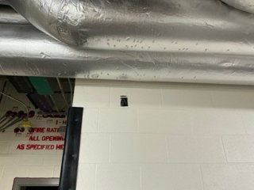
B1 | 6 | Corridor XXB1-C007 at Confident Waste XXB1-3017 | P-DOC-W D6 - NI | Empty box on wall. | B1-D6 | 2 | 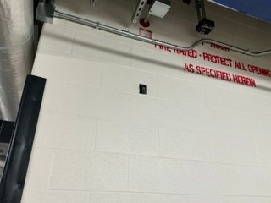
B1 | 7 | Corridor XXB1-C006 at Cart Wash XXB1-3007 | P-DOC-W D7 - NI | Empty box on wall. | B1-D7 | 2 | 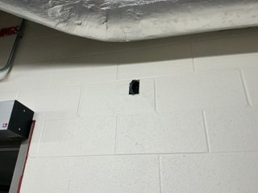
B1 | 8 | Corridor XXB1-C006 at Trash Compactor XXB1-2TC01 | P-DOC-W D8 - NI | Empty box on wall. | B1-D8 | 2 | 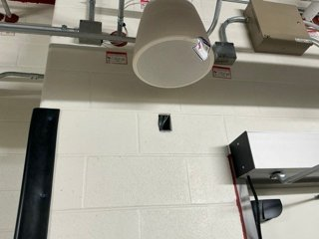
B1 | 9 | Corridor XXB1-C005 | PI1002 S3 - spot check | Spot check: box opened, Wire good, Wago terminations. Reinstalled. | B1-S3 | 2 | 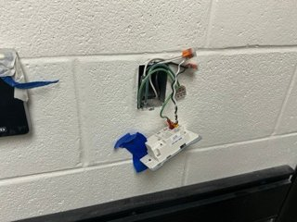
B1 | 10 | Corridor XXB1-C005 | PI1002 S3 - missing cover | Station reinstalled; no cover. | B1-S3 | 2 | 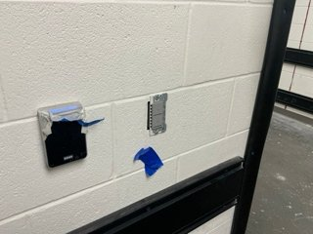
B1 | 11 | Corridor XXB1-C005 | PI1002 S4 - missing cover | Station installed; no cover. | B1-S4 | 2 | 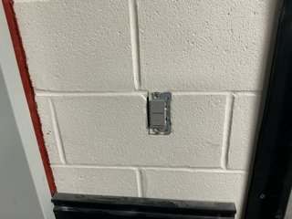
B1 | 12 | Corridor XXB1-C008 | P-DOC-C-LR D13 - NI | Open ceiling at sensor location. Looks like unison wire. | B1-D13 | 2 | 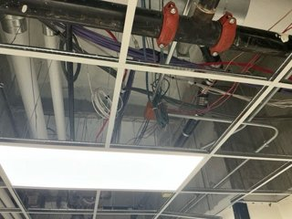
01 | 1 | Hydra XX01-3137 | PI1104 S15 - wire nuts | Station hanging below red button; wire nuts. | 01-S15 | 3 | 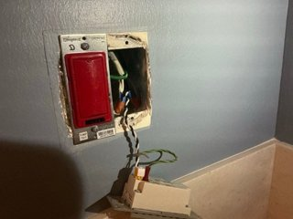
01 | 2 | Corridor XX01-C004 | PI1002 S19 - wire nuts | Station hanging from box; wire nuts. | 01-S19 | 3 | 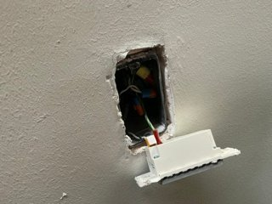
01 | 3 | Corridor XX01-C015 | PI1004 S16 - NI | Blank plate on box beside card reader. | 01-S16 | 3 | 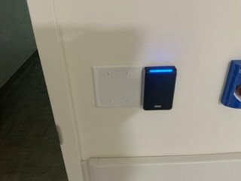
01 | 4 | ALC. HW WT01-C024A | PI1104 S13 - NI | Box present with wire. | 01-S13 | 3 | 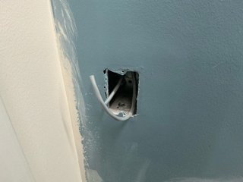
01 | 5 | BH OBS RM 49 WT01-2008 | UFMP4 - NI | UFMP4 unit sitting above ceiling. | 01-10 | 3 | 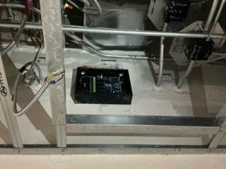
01 | 6 | Passageway WT01-C022 (BH OBS) | PI1104 S8-S12 - 3-gang box | 3-gang box installed for 1-gang switch. | 01-S8 to 01-S12 | 3 | 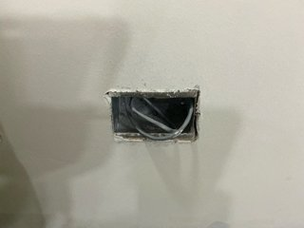
01 | 7 | Passageway WT01-C023 | PI1104 S14 - NI | Box present with wire. | 01-S14 | 3 | 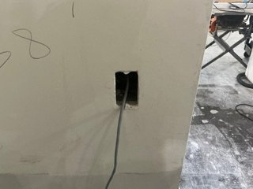
01 | 8 | Tlt. Pat Stf WT01-2161 | PI1104 S22 - NI | Empty box with wire beside red button. | 01-S22 | 3 | 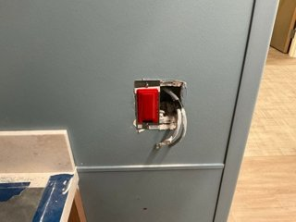
01 | 9 | Info Desk WT01-1046 | PI1104 S5 - NI, no box | Box present with wire. | 01-S5 | 3 | 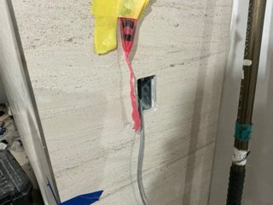
01 | 10 | NS WT01-2101 | PI1104 S20 - NI | Box installed with wire; no ground; no station. | 01-S20 | 3 | 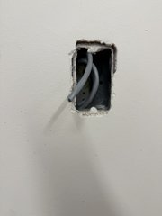
01 | 11 | SLD HLD WT01-2001 | PI1004 S18 - NI | Box installed with wire; no ground; no station. | 01-S18 | 3 | 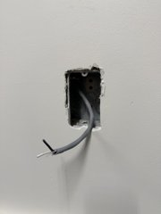
01 | 12 | Elec WT01-1E02 | Equipment rack - wall section | Wall section open; incoming runs coiled; 120V box not secured. | 01-05 | 3 | 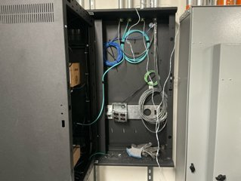
01 | 13 | Elec WT01-1E02 | Equipment rack - front | Rack front with control processors, switch and UPS. | 01-05 | 3 | 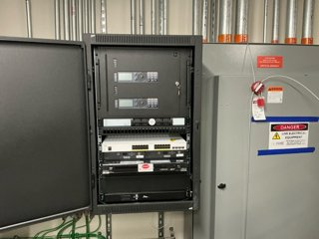
01 | 14 | Elec XX01-1E02 | CT01LCPB open | Panel open; 0-10V wiring run, not landed. | 01-01 | 3 | 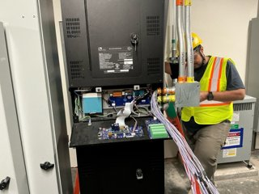
01 | 15 | Elec XX01-1E01 | CT01LCPA and EBDK | Panel open; 0-10V wiring run, not terminated; EBDK beside panel. | 01-03, 01-04 | 3 | 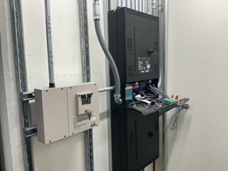
02 | 1 | Elec XX02-1E02 | CT02LCPB circuit list | Handwritten circuit list on panel door. | 02-04 | 4 | 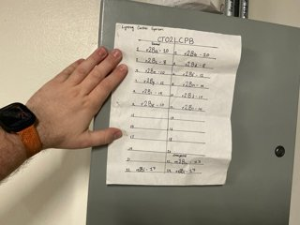
02 | 2 | Corridor at Tlt. Stf XX02-1020 | PI1002 S9 - spot check | Wagos used like wire nuts, wire stripped too long; re-terminated on site, device good. | 02-S9 | 4 | 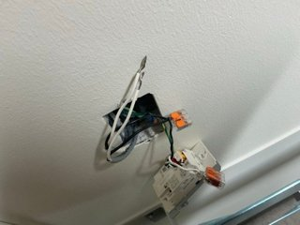
02 | 3 | Corridor XX02-C010 | P-DOC-C-LR D4 - NI | Ceiling at drawn location; installed sensor appears to be a Wattstopper, confirm. | 02-D4 | 4 | 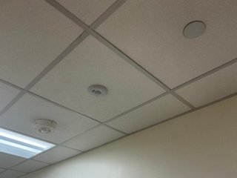
02 | 4 | Elevator Lobby A XX02-C001 | PI1002 S11 - NI, no box | Elevator lobby wall at drawn location; no box. | 02-S11 | 4 | 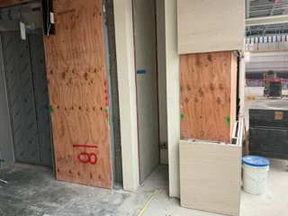
02 | 5 | Elec XX02-1E02 | CT02LCPB and EBDK | Panel open; EBDK below. | 02-04, 02-05 | 4 | 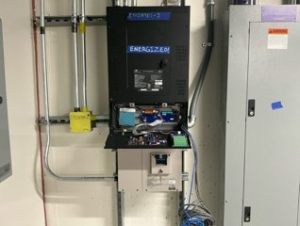
02 | 6 | Elec XX02-1E01 | CT02LCPA and EBDK | Panel open; 0-10V wiring run, not terminated; EBDK below. | 02-01, 02-02 | 4 | 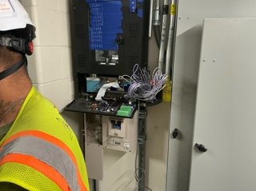
03 | 1 | Elec XX03-1E01 | CT03LCPA open | Panel open; control board, 0-10V and network wiring exposed. | 03-01 | 5 | 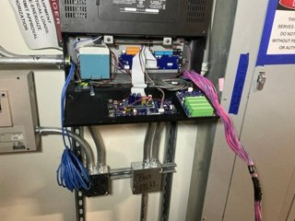
03 | 2 | Elec XX03-1E01 | EBDK (CT03LCPA) | EBDK keyed, closed. | 03-02 | 5 | 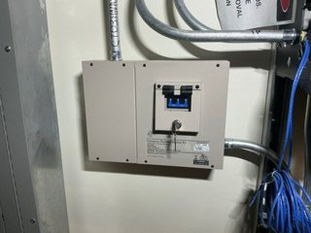
03 | 3 | Elec XX03-1E04 | CT03LCPB open | Panel open; 120v wire run, not landed. Net run not term. | 03-03 | 5 | 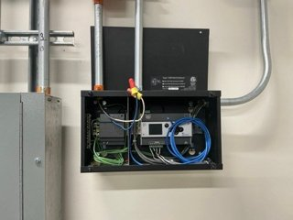
03 | 4 | Elec XX03-1E04 | CT03LCPB wall | Panel between electrical cabinets | 03-03 | 5 | 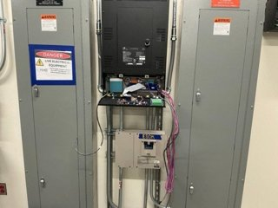
03 | 5 | Semi-Restr Corridor XX03-C028 | PI1104 S4 - missing cover | Station installed, cover missing. | 03-S4 | 5 | 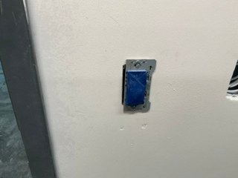
03 | 6 | Frozen Section XX03-1106 door | PI1104 S5 - spot check | Box opened to inspect wiring; device reinstalled afterward. | 03-S5 | 5 | 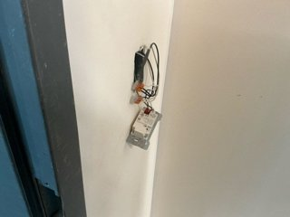
03 | 7 | ALC. Stretcher XX03-2094 | PI1104 S6 - trim cut | Station left trim cut. Borken top trim; Station broken; needs replacement. | 03-S6 | 5 | 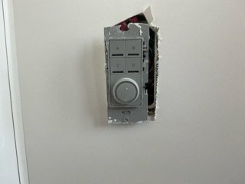
03 | 8 | ALC. Stretcher XX03-2094 | PI1104 S6 - broken | Broken station opened to inspect wiring; Wireing is good. device NOT reinstalled afterward to be replaced. | 03-S6 | 5 | 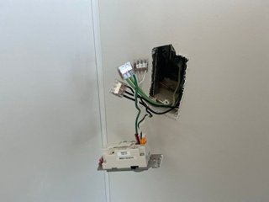
03 | 9 | Corridor XX03-C014A | PI1104 S8 - NI | Boxes present, no station. | 03-S8 | 5 | 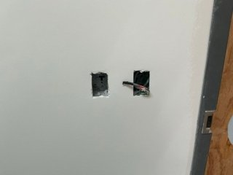
03 | 10 | Reception / Info Desk XX03-2102 | PI1104 S9 - missing cover | Station installed, cover missing. | 03-S9 | 5 | 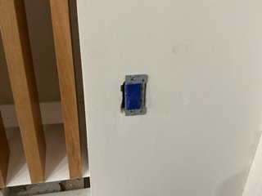
03 | 11 | ALC. HW XX03-3109 | PI1104 S10 | Box open beside red button; installed, untested. | 03-S10 | 5 | 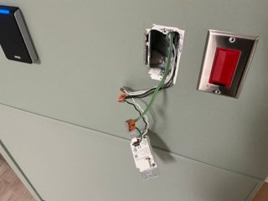
03 | 12 | Elevator Lobby B XX03-C003 | PI1002 S13 - NI | Box present, no station. | 03-S13 | 5 | 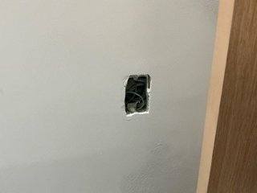
03 | 13 | OR (Stat) Lab XX03-1108 | P-DOC-C-LR D2 - missing cover | Sensor in ceiling, cover missing. | 03-D2 | 5 | 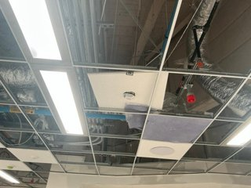
03 | 14 | Corridor XX03-C014A | P-DOC-C-LR D8 - NI | Wire hanging at ceiling; no sensor. | 03-D8 | 5 | 
03 | 15 | Semi-Restr Corridor XX03-C028 | UFMP4 #1, #2 | Both UFMP4s on wall at ceiling; one DMX run to each. | 03-06, 03-07 | 5 | 
03 | 16 | Corridor XX03-C014 | PI1002 S15 - NI | Box present, no station. | 03-S15 | 5 | 
03 | 17 | Corridor XX03-C014 | PI1002 S16 - NI | Box present beside elevator, no station. | 03-S16 | 5 | 
04 | 1 | Elec XX04-1E04 | CT04LCPA and EBDK | Panel open, control board and 0-10V wiring exposed; EBDK below. | 04-01, 04-02 | 6 | 
04 | 2 | Corridor at Stair A XX04-2S01 | PI1104 S1 - wire nuts | Station hanging from box; wire nuts on wrong wire type. | 04-S1 | 6 | 
04 | 3 | Corridor near Stair D XX04-3S03 | PI1104 S2 - wire nuts | Station installed; wrong wire type visible at box edge. | 04-S2 | 6 | 
04 | 4 | Consult XX04-1104 wall | PI1104 S4 - NI, no box | Column at drawn location; no box. | 04-S4 | 6 | 
04 | 5 | Corridor at Pharm XX04-1106 | PI1002 S6 - NI, location | Nothing at drawn location; empty boxes on opposite wall. | 04-S6 | 6 | 
04 | 6 | Corridor XX04-C014 | PI1002 S11 - NI | Box present, no station. | 04-S11 | 6 | 
04 | 7 | Corridor near Elevator Lobby A | PI1002 S12 - NI, no box | Wall under construction behind scaffold. | 04-S12 | 6 | 
04 | 8 | Corridor XX04-C004A | PI1002 S13 - wire nuts, no ground | Wire nuts, wrong wire type; DMX conductor used as ground. | 04-S13 | 6 | 
04 | 9 | Elevator Lobby C XX04-C002 | PI1002 S14 - NI | Box present, no station. | 04-S14 | 6 | 
04 | 10 | Elevator Lobby C XX04-C002 | P-DOC-C-LR D4 - NI | Ceiling grid open; no sensor. | 04-D4 | 6 | 
04 | 11 | Passage XX04-C021 | P-DOC-SM2 D5 - wire nuts | Wire nuts on wrong wire type. | 04-D5 | 6 | 
04 | 12 | Corridor XX04-C026 | PI1104 S3 - NI, no box | Wall at drawn location; no box. | 04-S3 | 6 | 
04 | 13 | Corridor XX04-C023 at Stair D XX04-3S03 | P-DOC-SM2 D6 - wire nuts | Sensor hanging from box; wire nuts on wrong wire type. | 04-D6 | 6 | 
04 | 14 | Elec XX04-1E01 | CT04LCPB, EBDK and P-NSPS-D location | Panel open; EBDK beside panel; runs hanging outside conduit. | 04-03, 04-04, 04-05 | 6 | 
04 | 15 | Conf XX04-3108A/B | P-DOC-C-LR D2, D3 - NI | Conference room ceiling; no P-DOC-C-LR installed. | 04-D2, 04-D3 | 6 | 
04 | 16 | Conf XX04-3108A/B | UFMP8 - no DMX | UFMP8 installed above ceiling; loads landed, no DMX. | 04-06 | 6 | 
06 | 4 | Corridor XX06-C007 at Shaft 1 door | PI1002 #1 spot check | Box opened to inspect splices; device reinstalled afterward. | 06-S1 | 7 | 
06 | 5 | Corridor XX06-C006 (r6f) | PI1002 #2 — NI, no wire | Backbox present with stainless blank plate; no wire. | 06-S2 | 7 | 
06 | 6 | Corridor XX06-C006 (6g) | PI1002 #3 — NI, no box | Bare wall at the drawn location; no box. | 06-S3 | 7 | 
06M | 1 | Stair A Vestibule area | Equipment rack open + CT06LCPB open | Swing rack front section open, wall section with coiled cable and quad receptacle; CT06LCPB door open with board exposed; EBDK below. | 06M-01, 06M-02 | 8 | 
06M | 2 | Stair A Vestibule area | Equipment rack front | P-SPM-E, 2x P-ACP, 24-port patch panel, Cisco PoE switch, Response Mk2 gateway, blank, UPS. Brush panel and ERn blank not present. | 06M-01 | 8 | 
06M | 3 | Below CT06LCPB | EBDK | Emergency Bypass Detection Kit, keyed, complete. | 06M-03 | 8 | 

