工作表3
 | Vin | 0.900 | Cunitinv | 2.066 | punitinv | 1.936 | Cin
 | CL | 0.000 | ginv | 0.968 | Wnnand8 | 4.000 | inv | 2.000 | 0.000 | Cpath1in | 0.000
 | Cin | 0.000 | gnand2 | 1.210 | Wpnand8 | 1.500 | nand2 | 2.500 |  | Cpath2in | 0.000
 | H | 396.783 | gnand4 | 1.694 | Wnnand4 | 2.000 | nand4 | 3.500 |  | Cpath3in(CT7in) | 0.000
 | f1+p1 | 2.001 | gnand8 | 2.662 | Wpnand4 | 1.500 | nand8 | 5.500
 | Cinv7 | 0.000 | pinv | 1.033 | Wnnand2 | 1.000
 | Ct7 | 0.000 | pnand2 | 2.066 | Wpnand2 | 1.500 |  | 0.000
 | Cinv0 | 0.000 | pnand4 | 4.132 | Wninv | 0.500
 | Cinv1 | 0.000 | pnand8 | 8.264 | Wpinv | 1.500
 | Cinv1 | 0.000 | 95.381 | 95.381 | 95.381
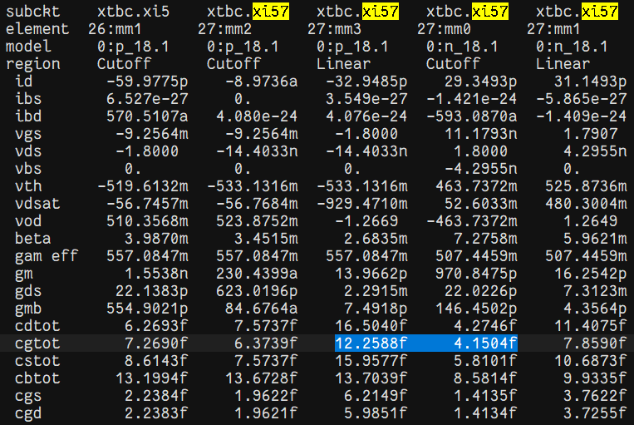
 | Cinv1gtot | 0.000 | 91.412 | 91.412 | 127.552
 | 7.000 | path0 | path1-1 | path2-1 | path3-1
 | B | 4.000 | 1.000 | 1.000 | 1.000 |  | 4.000 | 4.750 |  | NAND2 | 1.000 | 1.500 | 2.500 | 1.210
 | G | 2.828 | 1.921 | 1.372 | 0.907 |  |  |  |  | NAND4 | 2.000 | 1.500 | 3.500 | 1.694
 | F | 4488.574 | 183.193 | 130.852 | 86.514 |  |  |  |  | NAND8 | 4.000 | 1.500 | 5.500 | 2.662
 | N | 6.000 | 4.000 | 4.000 | 3.000
 | fi | 4.027 | 3.679 | 3.382 | 4.423
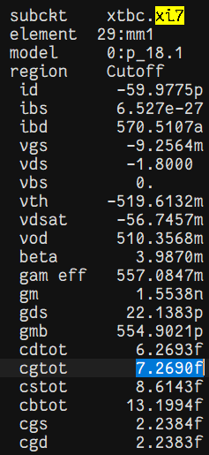
 | P | 14.462 | 9.297 | 7.231 | 3.099 |  |  | f | g | h | C
 | g1 | 0.968 | 1.210 | 1.210 | 0.968 |  | 第一級
 | h1 | 4.160 | 3.040 | 2.795 | 4.569
 | g2 | 0.968 | 1.694 | 1.210 | 0.968
 | h2 | 4.160 | 2.172 | 2.795 | 4.569
 | g3 | 1.210 | 0.968 | 0.968 | 0.968
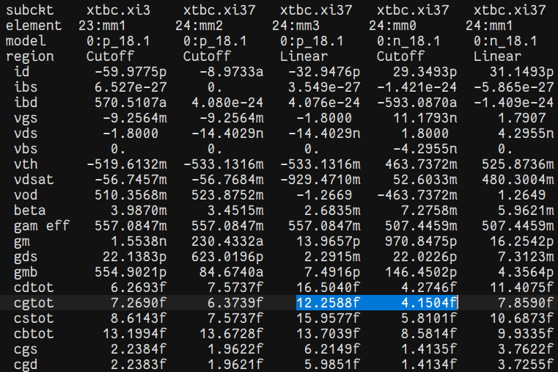
 | h3 | 3.328 | 3.801 | 3.494 | 4.569
 | g4 | 2.662 | 0.968 | 0.968 | 0.968
 | h4 | 1.513 | 3.801 | 3.494 | 4.569
 | g5 | 0.968 |  |  | 0.968
 | h5 | 4.160 |  |  | 4.569
 | g6 | 0.968
 | h6 | 4.160

 | D | 41.657 | 36.134 | 22.761 | 18.368
Cin | inv70 | 2.000
 | inv71 | 2.000 | 2.000 | 2.000 | 2.000
 | inv72 | 8.320 | 8.320 | 8.320 | 8.320 | inv72
 | nand2 | 8.320 | 8.320 | 8.320 | 8.320 | inv73 |  |  |  | 8.320 |  | 8.653 |  | 8.653 | 8.653 | 8.003
 | nand22 |  |  | 27.090 | 38.014 | inv74
 | nand4 |  | 27.090 |  | 173.685 | inv75
 | nand8 | 27.090
 | invB01 | 40.980 | 58.833 | 75.721 |  |  |  |  |  | 0.283
 | invB02 | 170.476 | 223.602 | 264.569

 | Size(inv71) | 1.000 |  |  |  |  |  | Size(inv71) | 1.000
 | Size(inv72) | 4.160 |  |  | 4.160 | inv72 |  | Size(inv72) | 4.160 | 8.320 |  |  | 4.160 | inv72
 | Size(nand2) | 3.328 | 3.328 | 3.328 | 4.160 | inv73 |  | Size(nand2) | 3.330 | 3.328 | 3.330 | 3.330 | 4.000 | inv73
 | Size(nand22) |  |  | 10.836 | 19.007 | inv74 |  | Size(nand22) |  | 10.835 |  | 11.000 | 18.641 | inv74
 | Size(nand4) |  | 7.740 |  | 86.843 | inv75 |  | Size(nand4) |  | 7.739 | 8.000 |  | 86.003 | inv75
 | Size(nand8) | 4.925 |  |  |  |  |  | Size(nand8) | 4.925
 | Size(invB01) | 20.490 | 29.417 | 37.861 |  |  |  | Size(invB01) | 21.000 |  | 26.000 | 31.000
 | Size(invB02) | 85.238 | 111.801 | 132.285 |  |  |  | Size(invB02) | 84.000 |  | 97.000 | 106.000

 | Wninv71 | 0.500 |  |  |  |  |  | Wninv71 | 0.500
 | Wpinv71 | 1.500 |  |  |  |  |  | Wpinv71 | 1.500
 | Wninv72 | 2.080 |  |  | 2.080 |  |  | Wninv72 | 2.080 |  |  |  | 2.080
 | Wpinv72 | 6.240 |  |  | 6.240 |  |  | Wpinv72 | 6.240 |  |  |  | 6.240
 | Wnnand2 | 3.328 | 3.328 | 3.328 | 2.080 |  |  | Wnnand2 | 3.330 | 3.320 | 3.330 | 3.330 | 2.000
 | Wpnand2 | 4.992 | 4.992 | 4.992 | 6.240 |  |  | Wpnand2 | 4.995 |  | 4.995 | 4.995 | 6.000
 | Wnnand22 | 9.302 |  | 9.302 | 9.503 |  | 27.500 | Wnnand22 | 11.00 | 10.84 |  | 11.000 | 9.321
 | Wpnand22 | 16.254 |  | 16.254 | 28.510 |  |  | Wpnand22 | 16.50 | 16.25 |  | 16.500 | 27.962
 | Wnnand4 | 15.480 | 15.480 |  | 43.421 |  | 28.000 | Wnnand4 | 16.00 | 15.48 | 16.000 |  | 43.002
 | Wpnand4 | 11.610 | 11.610 |  | 130.264 |  |  | Wpnand4 | 12.00 | 11.61 | 12.000 |  | 129.005
 | Wnnand8 | 19.702 |  |  |  |  | 27.088 | Wnnand8 | 19.70
 | Wpnand8 | 7.388 |  |  |  |  |  | Wpnand8 | 7.39
 | Wninv75 | 10.245 | 14.708 | 18.930 |  |  |  | Wninv75 | 10.500 | 1.500 | 13.000 | 15.500
 | Wpinv75 | 30.735 | 44.125 | 56.791 |  |  | 7.000 | Wpinv75 | 31.500 | 4.500 | 39.000 | 46.500
 | Wninv76 | 42.619 | 55.900 | 66.142 |  |  | 35.000 | Wninv76 | 42.000 | 1.500 | 48.500 | 53.000
 | Wpinv76 | 127.857 | 167.701 | 198.427 |  |  |  | Wpinv76 | 126.000 | 4.500 | 145.500 | 159.000

