NGINX Comparison
NGINX Vanilla |  |  |  |  |  | NGINX OQS
Threads -t = 1 |  |  |  |  |  | Threads -t = 1
Docker --cpu = 8.0 |  |  |  |  |  | Docker --cpu = 8.0
Req/s |  |  | Worker Processes |  |  | Req/s |  |  | Worker Processes
RSA vs. Dillithum 3: 1 Client Thread
 | NGINX Vanilla | NGINX OQS
 | 9923.80 | 8715.20
 | 4019.60 | 3668.00
 | 1769.10 | 1565.40
 | 610.80 | 592.80
 | 283.30 | 269.20
Worker Connections | Client Connections | 1 | 2 | 4 | 8 | Worker Connections | Client Connections | 1 | 2 | 4 | 8
512 | 1 | 9925.00 | 9902.60 | 9937.50 | 9923.80 | 512 | 1 | 8773.00 | 8759.40 | 8751.80 | 8715.20
 | 5 | 3341.00 | 4043.80 | 4023.90 | 4019.60 |  | 5 | 2854.00 | 3668.60 | 3601.20 | 3668.00
 | 10 | 1675.20 | 1675.20 | 1795.00 | 1769.10 |  | 10 | 1552.80 | 1610.20 | 1577.00 | 1565.40
 | 25 | 637.60 | 622.00 | 631.80 | 610.80 |  | 25 | 597.60 | 597.80 | 597.20 | 592.80
 | 50 | 291.40 | 285.40 | 317.90 | 283.30 |  | 50 | 271.40 | 386.40 | 269.40 | 269.20
1024 | 1 | 9917.30 | 9963.10 | 9979.60 | 9949.60 | 1024 | 1 | 8744.40 | 8645.80 | 8732.20 | 8741.40
 | 5 | 3337.30 | 4021.50 | 4106.20 | 3963.60 |  | 5 | 2843.00 | 3473.80 | 3646.80 | 3666.00
 | 10 | 1655.60 | 1679.40 | 1668.50 | 1657.70 |  | 10 | 1570.80 | 1596.80 | 1585.40 | 1566.40
 | 25 | 633.20 | 622.70 | 627.80 | 619.50 |  | 25 | 594.00 | 586.60 | 600.40 | 597.80
 | 50 | 283.90 | 320.20 | 284.10 | 282.70 |  | 50 | 265.60 | 297.80 | 341.20 | 327.40

Threads -t = 8 |  |  |  |  |  | Threads -t = 8
Docker --cpu = 8.0 |  |  |  |  |  | Docker --cpu = 8.0
Req/s |  |  | Worker Processes |  |  | Req/s |  |  | Worker Processes
Worker Connections | Client Connections | 1 | 2 | 4 | 8 | Worker Connections | Client Connections | 1 | 2 | 4 | 8
RSA vs. Dilithium 3: 8 Client Threads
 | NGINX Vanilla | NGINX OQS
 | 3667.00 | 3210.20
 | 1599.40 | 1380.30
 | 861.40 | 735.40
512 | 1 |  |  |  |  | 512 | 1
 | 5 |  |  |  |  |  | 5
 | 10 | 1907.20 | 3406.60 | 3640.50 | 3667.00 |  | 10 | 1750.20 | 2628.80 | 2449.20 | 3210.20
 | 25 | 635.20 | 1207.40 | 1558.60 | 1599.40 |  | 25 | 608.20 | 830.60 | 1173.00 | 1380.30
 | 50 | 292.20 | 525.60 | 872.30 | 861.40 |  | 50 | 274.20 | 420.00 | 708.75 | 735.40
1024 | 1 |  |  |  |  | 1024 | 1
 | 5 |  |  |  |  |  | 5
 | 10 | 1910.20 | 3041.30 | 3474.60 | 3731.30 |  | 10 | 1627.40 | 2156.60 | 2561.60 | 3230.80
 | 25 | 639.00 | 1180.00 | 1625.11 | 1736.30 |  | 25 | 609.80 | 838.75 | 1120.60 | 1350.20
 | 50 | 275.56 | 540.60 | 785.00 | 910.40 |  | 50 | 252.20 | 405.00 | 640.40 | 702.40

Envoy Comparison
oqs envoy |  |  |  |  |  | vanilla envoy
threads=1
Docker --cpu = 4.0 |  |  |  |  |  | Docker --cpu = 4.0
Req/s |  |  | Number of Requests |  |  | Req/s |  |  | Number of Requests
Worker Connections | Client Connections | 100 | 1000 | 10000 |  | Worker Connections | Client Connections | 100 | 1000 | 10000
1024 | 1 | 539.00 | 451.40 | 539.00 |  | 1024 | 1 | 271.30 | 295.90 | 292.70
 | 5 | 388.80 | 458.60 | 460.60 |  |  | 5 | 309.40 | 389.30 | 384.80
 | 10 | 302.80 | 350.60 | 330.80 |  |  | 10 | 202.30 | 263.80 | 272.20
 | 25 | 122.60 | 165.80 | 145.00 |  |  | 25 | 76.40 | 122.80 | 122.50
 | 50 | 53.80 | 84.00 | 69.40 |  |  | 50 | 36.20 | 67.30 | 60.50

threads=8 |  |  |  |  |  | threads=8
Docker --cpu = 4.0 |  |  |  |  |  | Docker --cpu = 4.0
Req/s |  |  | Number of Requests |  |  | Req/s |  |  | Number of Requests
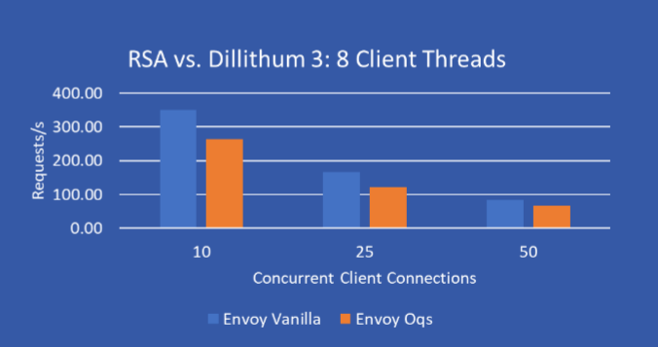
Worker Connections | Client Connections | 100 | 1000 | 10000 |  | Worker Connections | Client Connections | 100 | 1000 | 10000
1024 | 10 | 285.40 | 353.40 | 268.80 |  | 1024 | 10 | 245.60 | 289.00 | 268.80
 | 25 | 116.80 | 155.80 | 106.80 |  |  | 25 | 103.80 | 128.30 | 121.20
 | 50 | 62.00 | 84.40 | 61.40 |  |  | 50 | 52.80 | 65.50 | 62.80

 |  |  |  |  |  |  |  |  | Client Connections | Envoy Vanilla | Envoy Oqs
 |  |  |  |  |  |  |  |  | 1 | 481.80 | 408.30 | 0.15255292653
 |  |  |  |  |  |  |  |  | 5 | 456.40 | 350.50 | 0.23203330412
Envoy RSA vs. Dillithum 3: 1 Client Thread
 |  |  |  |  |  |  |  |  | 10 | 325.60 | 236.90 | 0.27242014742
 |  |  | Client Connections | Envoy Vanilla | Envoy Oqs |  |  |  | 25 | 154.40 | 110.30 | 0.28562176166
 |  |  | 10 | 350.60 | 263.80 |  |  |  | 50 | 83.40 | 56.00 | 0.32853717026
 |  |  | 25 | 165.80 | 122.80
 |  |  | 50 | 84.00 | 67.30

