User selection
ROBOT TOOLS

Apply loads to Robot
CASES
Apply combinations to Robot
COMBS


Import load cases & combinations from Robot

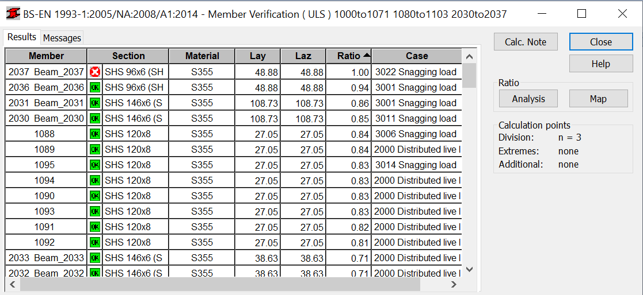
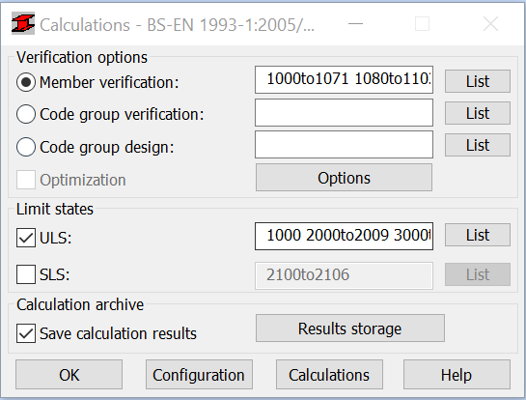
Run calculations & compute steel / aluminium design ULS utilisations

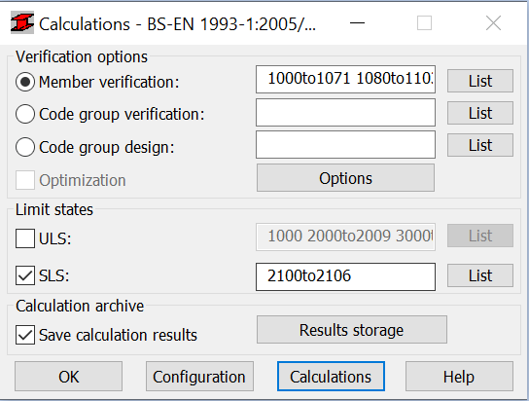
Run Calculations & Compute Steel / Aluminium Design SLS Deflections
COMING SOON

 | x

Apply loads & combinations to Robot

LaTeX REPORTING TOOLS

Platform | ERROR - Please check file naming convention on the 'Info' worksheet
Text folder | C:\Users\mwo\OneDrive - WoodThilsted Partners\Professional\4_ROBOT VBA\Master loads tool update\Figures
Appendices folder | C:\Users\mwo\OneDrive - WoodThilsted Partners\Professional\4_ROBOT VBA\Master loads tool update\Figures
Figures folder | C:\Users\mwo\OneDrive - WoodThilsted Partners\Professional\4_ROBOT VBA\Master loads tool update\Figures

Generate / Update Deflection Results
COMING SOON
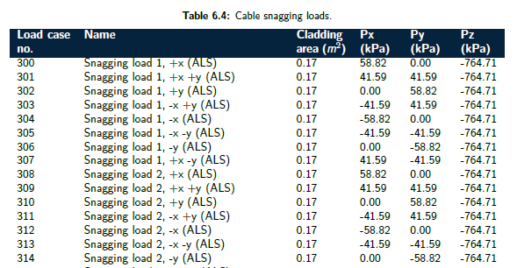
Generate load cases tables
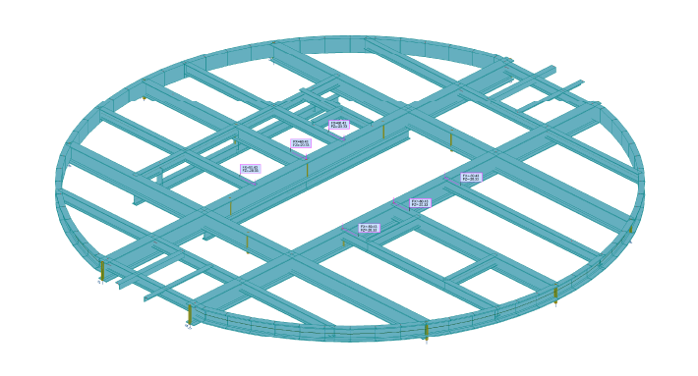
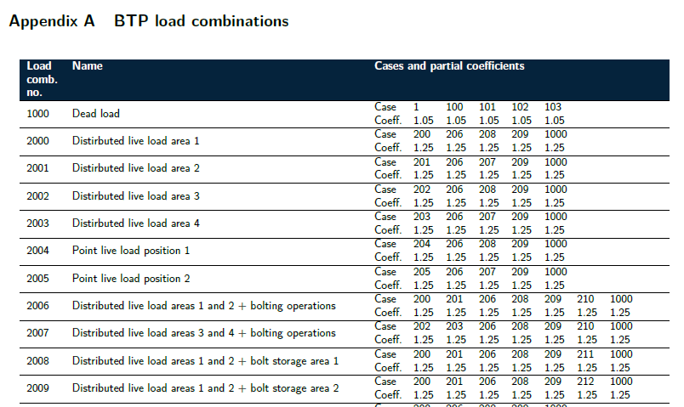
Generate screen capture table
Generate load combinations table
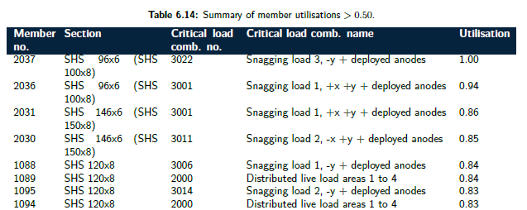
Generate utilisations table

Load case definition
CLICK ON COLUMN HEADINGS TO SEE MORE INFORMATION |  |  |  |  |  |  |  |  |  |  |  |  |  |  |  |  |  |  |  |  |  |  | LATEX REPORTING TOOLS |  |  |  | Non-linear solver parameters and settings
Basic case no. | Case name | Nature |  | Case name | Load type | Node or element numbers | Parameters |  |  |  |  |  |  |  |  |  |  |  |  |  |  | Load value / references / notes | Cladding area | Table no. | Figure no. | Table / figure caption | Non-linear solver parameters on | Non-linear solver input solver number | K-matrix update | P-delta
 |  |  |  |  |  |  | FX FY FZ PX PY PZ AX AY AZ |  |  | CX CY CZ objects/masses |  |  | AL BE GA |  |  | X DY DZ |  |  | Generate calc node | global absolute / local / relative

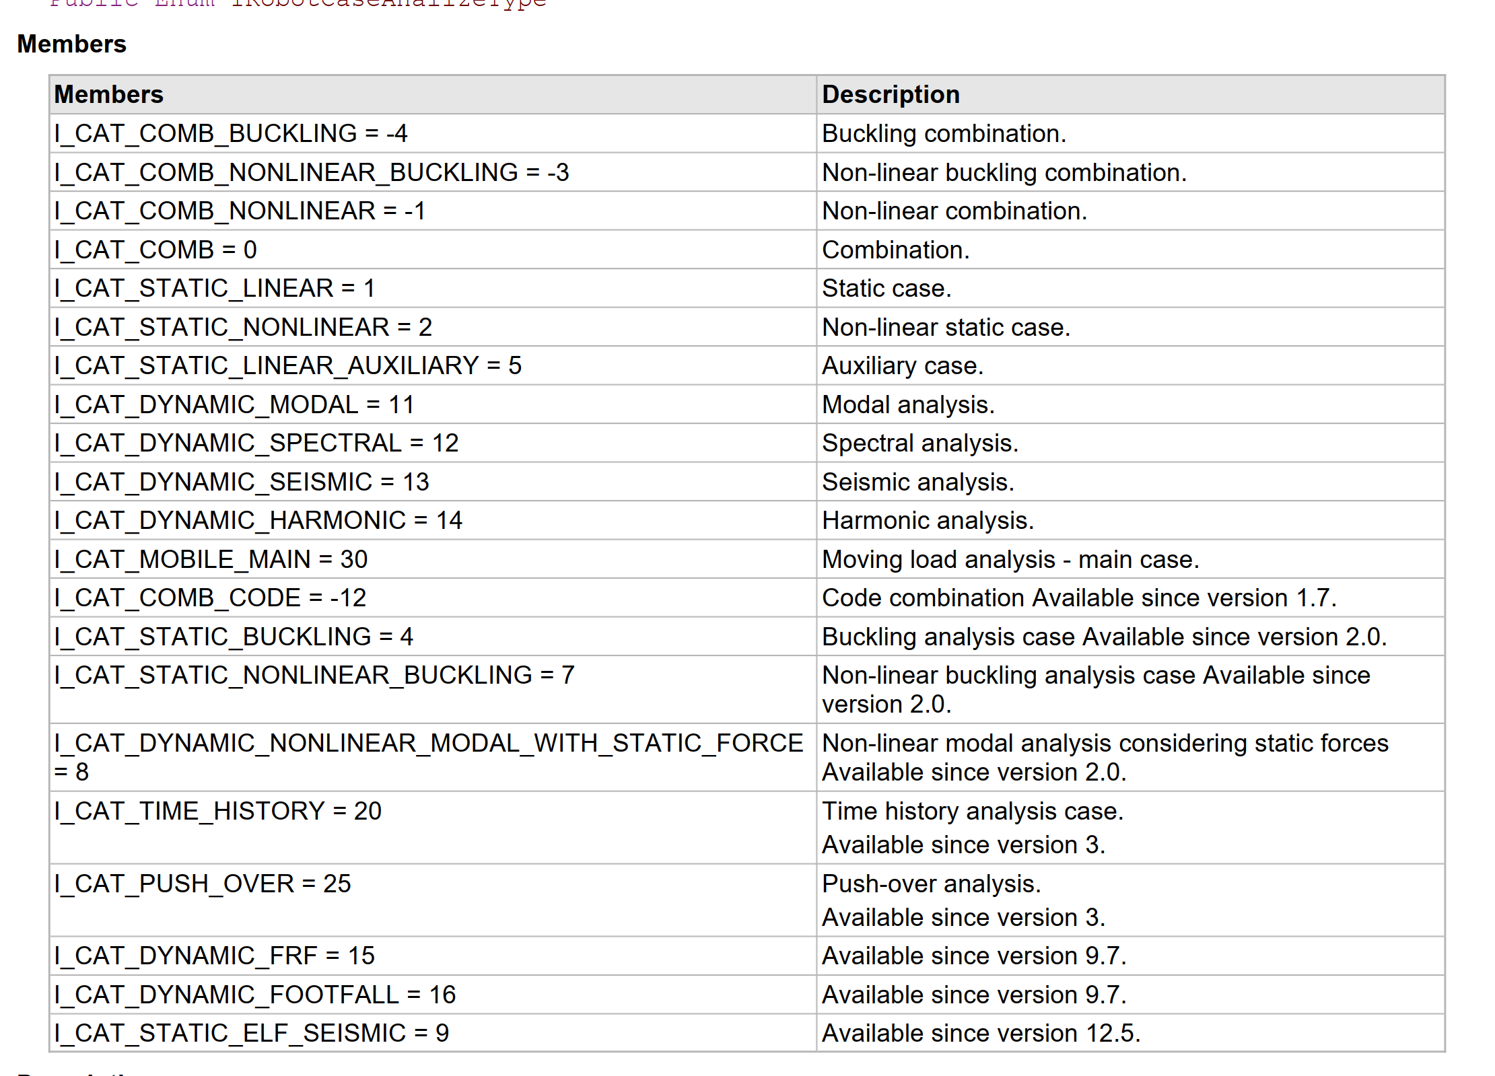
 |  |  |  |  |  |  | PX2 PY2 PZ2 |  |  | PX1 PY1 PZ1 |  |  |  |  |  | X2 X1
1 | DL1 | STRC | STRC | 1:DL1 | self-weight |  |  |  |  |  |  |  |  |  |  |  |  |  |  |  |  |  |  |  |  | table 1
2 | LL1 | STRC | NSTR | 2:LL1 | member force | MISSING | 0.00 | 0.00 | -4.78 | 0 | 0 | 0 | 0 | 0 | 0 | 0.5 | 0 | 0 | Node | global | absolute |  |  |  |  | table 1
 |  |  | CAT_B |  |  |  |  |  |  |  |  |  |  |  |  |  |  |  |  |  |  |  |  |  |  | table 1
 |  |  | CAT_C |  |  |  |  |  |  |  |  |  |  |  |  |  |  |  |  |  |  |  |  |  |  | table 1
 |  |  | CAT_D
 |  |  | CAT_E
 |  |  | CAT_F

