Load definition
CLICK ON COLUMN HEADINGS TO SEE MORE INFORMATION |  |  |  |  |  |  |  |  |  |  |  |  |  |  |  |  |  |  |  |  |  |  |  | LATEX REPORTING TOOLS
Basic case no. | Case name | Nature |  | Case name | Load type | Node or element numbers | Parameters |  |  |  |  |  |  |  |  |  |  |  |  |  |  |  | Load value / references / notes | Cladding area | Table no. | Figure no. | Table / figure caption
 |  |  |  |  |  |  | FX FY FZ PX PY PZ AX AY AZ |  |  | CX CY CZ objects/masses |  |  | AL BE GA |  |  | X DY DZ |  |  | Generate calc node | global absolute / local / relative |  | Projected

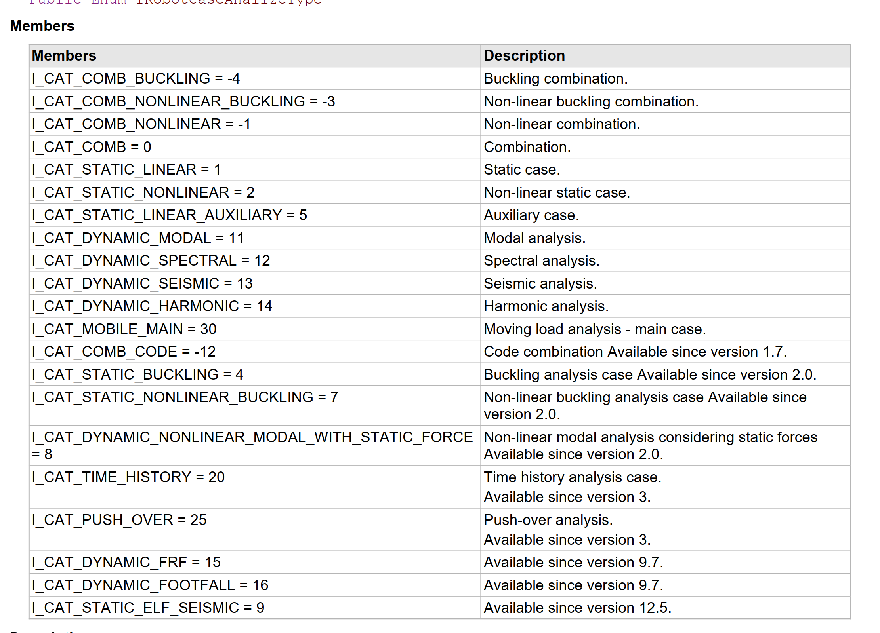
 |  |  |  |  |  |  | PX2 PY2 PZ2 |  |  | PX1 PY1 PZ1 |  |  |  |  |  | X2 X1
1 | Stale | dead | STRC | 1:Stale | self-weight | all |  |  |  |  |  |  |  |  |  |  |  |  |  |  |  |  |  |  |  |  | table 1
1 | Stale | dead | NSTR | 1:Stale | uniform load | 1 | 0.00 | 0.00 | -1.00 | 0 | 0 | 0 | 0 | 0 | 45 | 0 | 0 | 0 |  | global | absolute |  |  |  |  |  | table 1
2 | Zmienne | live | CAT_B | 2:Zmienne | member force | 1 | 1.00 | 0.00 | 0.00 | 0 | 0 | 0 | 0 | 0 | 25 | 0 | 0 | 0 | 0 | global | absolute |  |  |  |  |  | table 1
 | #N/A | #N/A | CAT_C |  |  |  |  |  |  |  |  |  |  |  |  |  |  |  |  |  |  |  |  |  |  |  | table 1
 | #N/A | #N/A | CAT_D
 | #N/A | #N/A | CAT_E
 | #N/A | #N/A | CAT_F
 | #N/A | #N/A
 | #N/A | #N/A
 | #N/A | #N/A
 | #N/A | #N/A
 | #N/A | #N/A
 | #N/A | #N/A
 | #N/A | #N/A
 | #N/A | #N/A
 | #N/A | #N/A
 | #N/A | #N/A
 | #N/A | #N/A
 | #N/A | #N/A
 | #N/A | #N/A
 | #N/A | #N/A
 | #N/A | #N/A
 | #N/A | #N/A
 | #N/A | #N/A
 | #N/A | #N/A
 | #N/A | #N/A
 | #N/A | #N/A
 | #N/A | #N/A
 | #N/A | #N/A
 | #N/A | #N/A
 | #N/A | #N/A
 | #N/A | #N/A
 | #N/A | #N/A
 | #N/A | #N/A
 | #N/A | #N/A
 | #N/A | #N/A
 | #N/A | #N/A
 | #N/A | #N/A
 | #N/A | #N/A
 | #N/A | #N/A
 | #N/A | #N/A
 | #N/A | #N/A
 | #N/A | #N/A
 | #N/A | #N/A
 | #N/A | #N/A
 | #N/A | #N/A
 | #N/A | #N/A
 | #N/A | #N/A
 | #N/A | #N/A
 | #N/A | #N/A
 | #N/A | #N/A
 | #N/A | #N/A
 | #N/A | #N/A
 | #N/A | #N/A
 | #N/A | #N/A
 | #N/A | #N/A
 | #N/A | #N/A
 | #N/A | #N/A
 | #N/A | #N/A
 | #N/A | #N/A
 | #N/A | #N/A
 | #N/A | #N/A
 | #N/A | #N/A
 | #N/A | #N/A
 | #N/A | #N/A
 | #N/A | #N/A
 | #N/A | #N/A
 | #N/A | #N/A
 | #N/A | #N/A
 | #N/A | #N/A
 | #N/A | #N/A
 | #N/A | #N/A
 | #N/A | #N/A
 | #N/A | #N/A
 | #N/A | #N/A
 | #N/A | #N/A
 | #N/A | #N/A
 | #N/A | #N/A
 | #N/A | #N/A
 | #N/A | #N/A
 | #N/A | #N/A
 | #N/A | #N/A
 | #N/A | #N/A
 | #N/A | #N/A
 | #N/A | #N/A
 | #N/A | #N/A
 | #N/A | #N/A
 | #N/A | #N/A
 | #N/A | #N/A
 | #N/A | #N/A
 | #N/A | #N/A
 | #N/A | #N/A
 | #N/A | #N/A
 | #N/A | #N/A
 | #N/A | #N/A
 | #N/A | #N/A
 | #N/A | #N/A
 | #N/A | #N/A
 | #N/A | #N/A
 | #N/A | #N/A
 | #N/A | #N/A
 | #N/A | #N/A
 | #N/A | #N/A
 | #N/A | #N/A
 | #N/A | #N/A
 | #N/A | #N/A
 | #N/A | #N/A
 | #N/A | #N/A
 | #N/A | #N/A
 | #N/A | #N/A
 | #N/A | #N/A
 | #N/A | #N/A
 | #N/A | #N/A
 | #N/A | #N/A
 | #N/A | #N/A
 | #N/A | #N/A
 | #N/A | #N/A
 | #N/A | #N/A
 | #N/A | #N/A
 | #N/A | #N/A
 | #N/A | #N/A
 | #N/A | #N/A
 | #N/A | #N/A
 | #N/A | #N/A
 | #N/A | #N/A
 | #N/A | #N/A
 | #N/A | #N/A
 | #N/A | #N/A
 | #N/A | #N/A
 | #N/A | #N/A
 | #N/A | #N/A
 | #N/A | #N/A
 | #N/A | #N/A
 | #N/A | #N/A
 | #N/A | #N/A
 | #N/A | #N/A
 | #N/A | #N/A
 | #N/A | #N/A
 | #N/A | #N/A
 | #N/A | #N/A
 | #N/A | #N/A
 | #N/A | #N/A
 | #N/A | #N/A
 | #N/A | #N/A
 | #N/A | #N/A
 | #N/A | #N/A
 | #N/A | #N/A
 | #N/A | #N/A
 | #N/A | #N/A
 | #N/A | #N/A
 | #N/A | #N/A
 | #N/A | #N/A
 | #N/A | #N/A
 | #N/A | #N/A
 | #N/A | #N/A
 | #N/A | #N/A
 | #N/A | #N/A
 | #N/A | #N/A
 | #N/A | #N/A
 | #N/A | #N/A
 | #N/A | #N/A
 | #N/A | #N/A
 | #N/A | #N/A
 | #N/A | #N/A
 | #N/A | #N/A
 | #N/A | #N/A
 | #N/A | #N/A
 | #N/A | #N/A
 | #N/A | #N/A
 | #N/A | #N/A

