Load case definition
CLICK ON COLUMN HEADINGS TO SEE MORE INFORMATION |  |  |  |  |  |  |  |  |  |  |  |  |  |  |  |  |  |  | LATEX REPORTING TOOLS |  |  |  | Non-linear solver parameters and settings
Basic case no. | Case name | Nature |  | Case name | Load type | Node or element numbers | Parameters |  |  |  |  |  |  |  |  |  |  | Load value / references / notes | Cladding area | Table no. | Figure no. | Table / figure caption | Non-linear solver parameters on | Non-linear solver input solver number | K-matrix update | P-delta
 |  |  |  |  |  |  | FX FY FZ PX PY PZ AX AY AZ |  |  | CX CY CZ objects/masses |  |  | AL BE GA |  | X DY DZ | Generate calc node | global absolute / local / relative

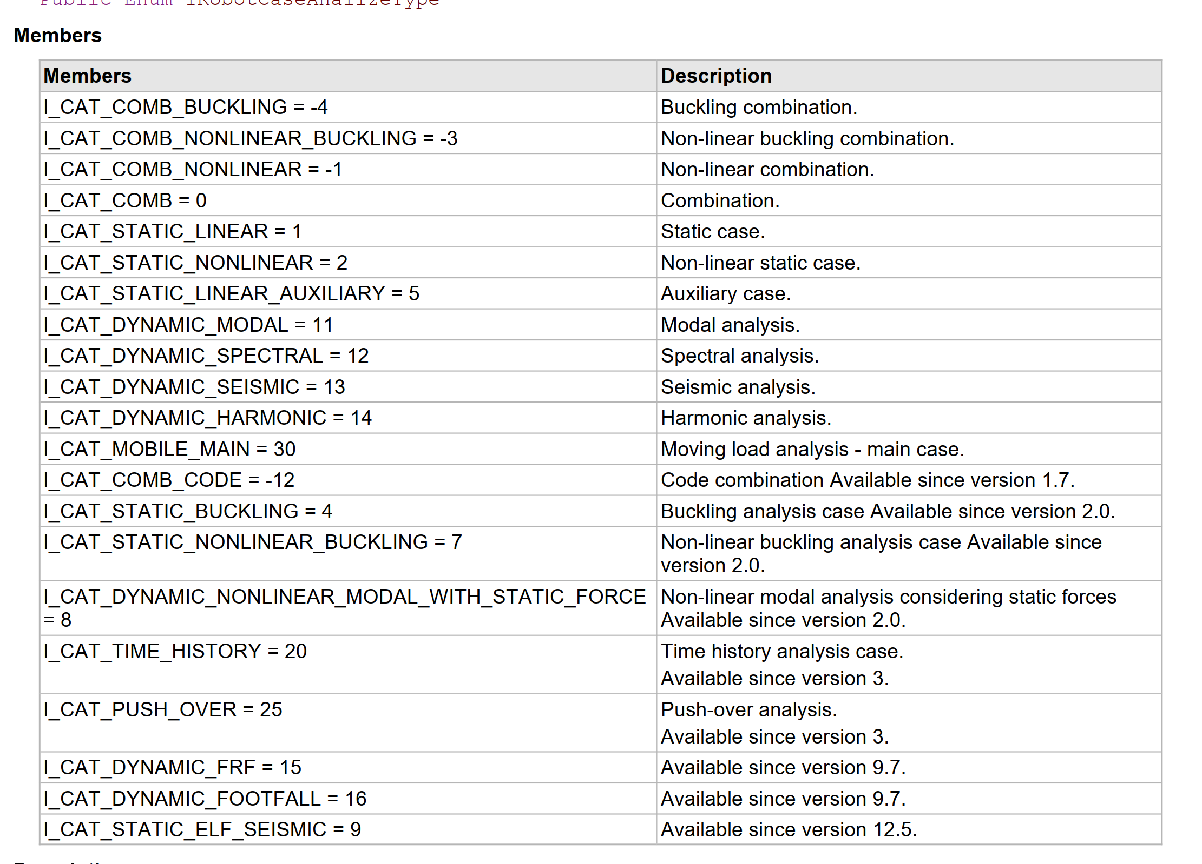
 |  |  |  |  |  |  | PX2 PY2 PZ2 |  |  | PX1 PY1 PZ1 |  |  |  |  | X2 X1
1 | Self-weight | STRC | STRC | 1:Self-weight | self-weight |  |  |  |  |  |  |  |  |  |  |  |  |  |  |  |  | table 1
100 | Grating self-weight | STRC | NSTR | 100:Grating self-weight | (FE) linear load on edges | 1001 | 1.00 | 0.00 | 0.00 | 0 | 0 | 0 |  | 45 |  |  | global |  |  |  |  | table 1
 |  |  | CAT_B |  |  |  |  |  |  |  |  |  |  |  |  |  |  |  |  |  |  | table 1
 |  |  | CAT_C |  |  |  |  |  |  |  |  |  |  |  |  |  |  |  |  |  |  | table 1
 |  |  | CAT_D
 |  |  | CAT_E
 |  |  | CAT_F

