Crew Arr.
 | IMO CREW LIST

 |  |  |  |  |  |  |  |  | Page No.
 |  |  |  | x | Arrival |  |  | Departure | 1
 | 1. Name of ship |  |  | 2. Port of arrival / departure |  |  | 3. Date of arrival / departure
 | HANNA |  |  | Napoli |  |  | 25/05/2026
 | 4. Nationality of Ship |  |  | 5. Port arrived from / Sailing to |  |  |  |  | 6. Nature und No. of identity documents
 | Cyprus |  |  | Alger |  |  | / | La Spezia
 | 7. No. | 8. Family names, given names | 9. Rank or rating | 10. Nationality |  | 11. Date and place of birth
 |  |  |  |  |  |  |  |  | Passport
IMO Convention on Facilitation of International Maritime Traffic | 1 | ZHYKHARIEV, Dmytro | Master | Ukraine |  | 1986-11-15 | Ukraine, Kherson |  | FH557277
 | 2 | LAURENTE, Artemio Belza | Ch.Off | Philippines |  | 1987-05-23 | Barugo, Leyte |  | P3901669B
 | 3 | MAKAR, Maksym | 2nd Off | Ukraine |  | 1990-11-09 | Ukraine, Odessa |  | FK832567
 | 4 | ZADOROZHNY, Sergiy | Ch.Eng | Ukraine |  | 1959-08-26 | Ukraine, Odessa |  | FU050737
 | 5 | HONCHAR, Yurii | 2nd Eng | Ukraine |  | 1985-04-14 | Ukraine |  | GJ014077
 | 6 | CORCINO, Renand Aparece | A/B | Philippines |  | 1992-07-22 | Inabanga, Bohol |  | P3970180B
 | 7 | BANEZ, John Kenneth Rebundas | O/S | Philippines |  | 1999-09-26 | Malolos, Bulacan |  | P1370110C
 | 8 | PERNIA, James Malitao | O/S | Philippines |  | 1998-11-01 | Buenavista, Marinduque |  | P7743571B
 | 9 | CANTOS, Philip Justin Perez | O/S | Philippines |  | 2000-08-05 | Batangas City |  | P5075641C
 | 10 | ROMULO, Roland Bong Rosal | O/S | Philippines |  | 1999-12-23 | Manila |  | P7652618B
 | 11 | MATALUBOS, Gerald Maniapao | Wiper | Philippines |  | 2000-03-29 | Navotas, Metro Manila |  | P0009456C
 | 12 | BERNABE, Brian Malaluan | Cook | Philippines |  | 1987-04-27 | Koronadal So. Cot. |  | P8802413B
 | 13 | SISON, Jan Randell Rollo | Dcad | Philippines |  | 2002-05-31 | Alaminos City |  | P5175257C

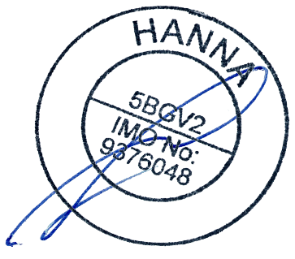
IMO FAL Form 5
 | 12. Date and signature by master, authorised agent or officer

