Sheet1
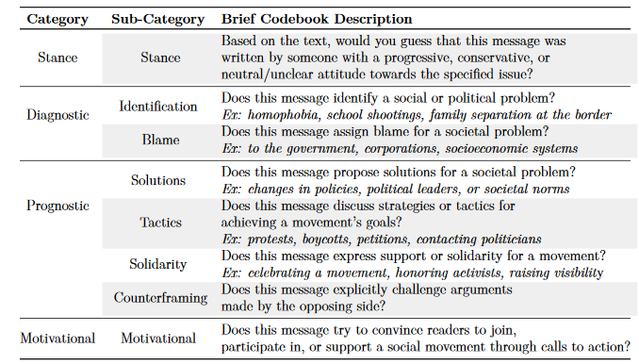
types of frames
per text:
1. | issue frames
 | Economic | Financial Implications of an issue
 | Capacity & Resources | The availability or lack of time, physical, human, or financial resources
 | Morality & Ethics | Perspectives compelled by religion or secular sense of ethics or social responsibility
 | Fairness & Equality | The (in)equality with which laws, punishments, rewards, resources are distributed
 | Legality, Constitutionality & Jurisdiction | Court cases and existing laws that regulate policies; constitutional interpretation; legal processes such as seeking asylum or obtaining citizenship; jurisdiction
 | Crime & Punishment | The violation of policies in practice and the consequences of those violations
 | Security & Defense | Any threat to a person, group, or nation and defenses taken to avoid that threat
 | Health & Safety | Health and safety outcoes of a policy issue, discussions of healthcare
 | Quality Of Life | Effects on people's weath, mobility, daily routines, community life, happiness, etc.
 | Cultural Identity | Social norms, trends, values, and customs; integration/assimilatioin efforts
 | Public Sentiment | General social attitudes, protests, polling, interest groups, public passage of laws
 | Political Factors & Implications | Focus on politicians, political parties, governing bodies, political campaigns and debates; discussions of elections and voting
 | Policy Prescription & Evaluation | Discussions of existing or proposed policies and their effectiveness
 | External Regulation & Reputation | Relations between nations or states/provinces; agreements between governments; perceptions of one nation/state by another

2. | message frames
 | Diagnostic | Identification
 |  | Blame | https://dx.doi.org/10.7302/23911 | https://journalqd.org/article/view/5896/4515

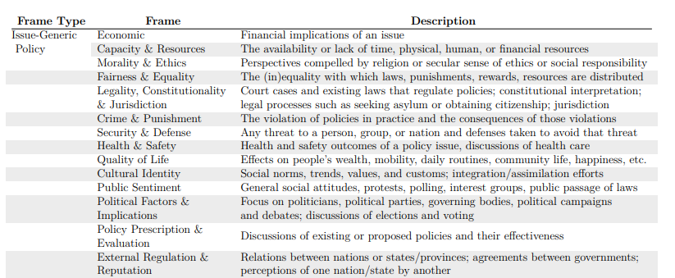
 | Prognostic | Solutions
 |  | Tactics
 |  | Solidarity
 |  | Counterframing

 | Motivational | Motivational

 | issue frames
 | Economic | Financial Implications of an issue
 | Capacity & Resources | The availability or lack of time, physical, human, or financial resources
 | Fairness & Equality | The (in)equality with which laws, punishments, rewards, resources are distributed
 | Legality & Constitutionality | Court cases and existing laws that regulate policies; constitutional interpretation; legal processes such as seeking asylum or obtaining citizenship
 | Defence | Any external threat to a person, group, or nation and defenses taken to avoid that threat
 | Health, Safety and Security | Health, security and safety impacts of an issue; discussions relating to internal law-and-order or healthcare threats
 | Quality Of Life | Effects on people's weath, mobility, daily routines, community life, happiness, etc.
 | Environmental | Environmental impacts of an issue, discussions about effects on the natural environment
 | Cultural Identity | Social norms, trends, values, and customs; integration/assimilatioin efforts
 | Politics and Policy Issues | Focus on politics, politicians or political parties; discussions on existing policies and their effectiveness
 | External Regulation & Reputation | Relations between nations or states/provinces; agreements between governments; perceptions of one nation/state by another
 | Conspiracy | Any post that spreads false but non-politicised descriptive stories

