Head
システム名 1.0
レビューシート

Review
№ | レビュー日 | ステータス | 部分 | エラー タイプ | 箇所 | レビュー内容 | レビュー者 | 対応内容 | 対応日 | 対応者 | 備考
1 | 2021-12-30 | Open | Others | Careless | quickstart_SCM_Frame | 1) Please read and follow Coding Standards for Laravel. 2) Use an indent of 2 spaces for *.blade.php 3) Put one line space after one function another to clear functions. 4) Please careful to write @return @param and descriptions for functions 5) Please write function doc comment , class doc comment properly | PyaePyaeHan | complete | 2022-01-03 | WaiLinOo
2 | 2022-01-05 | Open | Others | Improvement | assignment_01 | 1) Use Form Request validation and custom messages 2) Keep old value of already filled fields when validate ( for create & edit form page ) 3) Please use soft delete in delete process to remain deleted data in db | PyaePyaeHan | complete | 2022-01-05 | WaiLinOo
3 | 2022-01-10 | Open | Others | Improvement | assignment_01 | 1) Delete confirmation in delete process. | PyaePyaeHan | complete | 2022-01-10 | WaiLinOo
4 | 2022-01-10 | Open | Others | Improvement | assignment_02 | 1) Export PDF , no mojar name data 2) Export Excel , instead of major_id , export with major_name 3) Export Csv , instead of major_id , export with major_name | PyaePyaeHan | complete | 2022-01-10 | WaiLinOo
5 | 2022-01-10 | Open | Others | Improvement | assignment_04 | 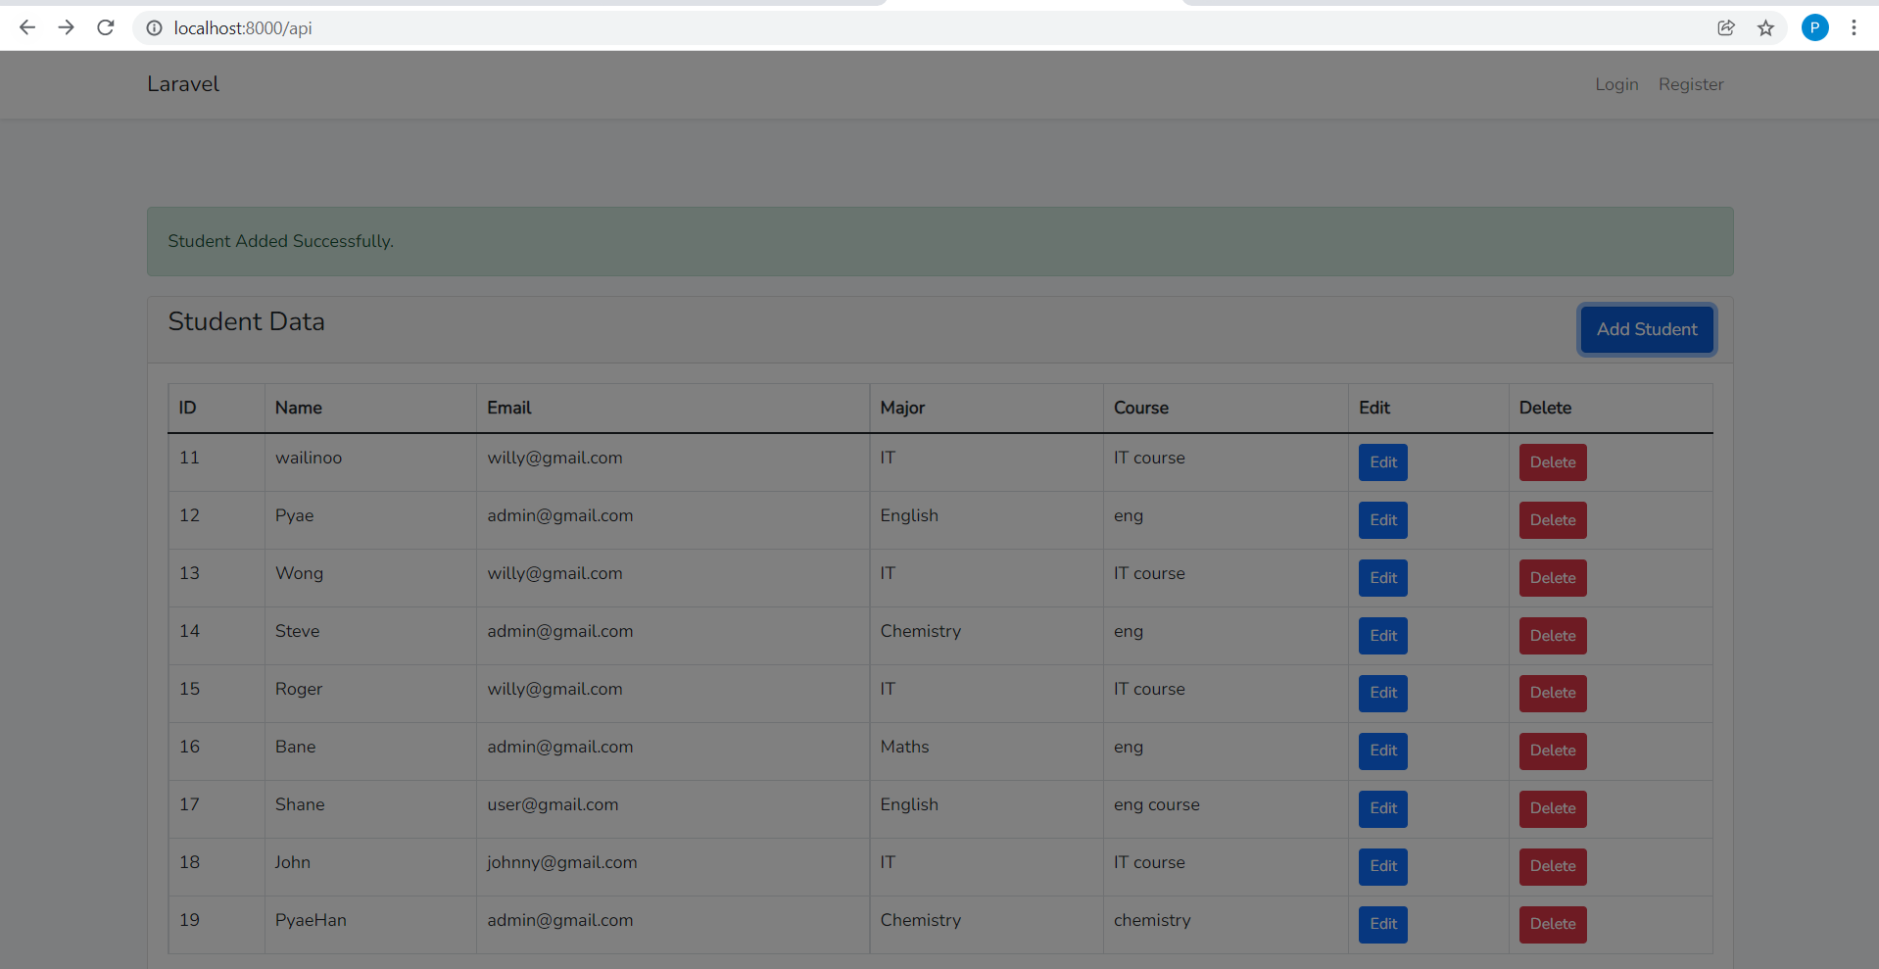 1) After create process , click save , page is covered by modal | PyaePyaeHan | complete | 2022-01-10 | WaiLinOo
6 | 2022-01-10 | Open | Others | Improvement | assignment_04 | 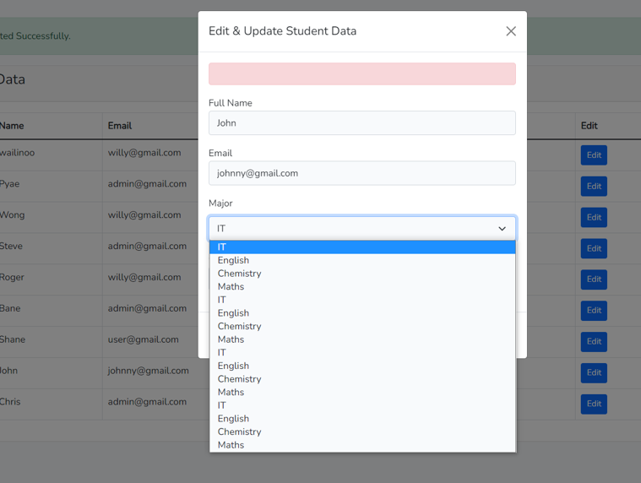 1) After update again and again , major name data are duplicated again and again. | PyaePyaeHan | complete | 2022-01-10 | WaiLinOo
7 | 2022-01-10 | Open | Others | Careless | assignment_04 | 1) When edit , major name data should be selected (data of student's major name from db). | PyaePyaeHan | complete | 2022-01-10 | WaiLinOo
8 | 2022-01-11 | Open | Others | Careless | assignment_05 and all | 1)use laravel with() 2)write function doc 3)write db code in DAO 4)use form request 5)use DB transaction 6)add else condition | PyaePyaeHan | complete | 2022-01-11 | WaiLinOo

