Stats explained - t test
 | height | gender |  | height | gender
 | 167 | female |  | 175 | male
 | 164 | female |  | 181 | male
 | 166 | female |  | 180 | male
 | 162 | female |  | 177 | male
 | 158 | female |  | 173 | male
mean
sd
N

t statistics
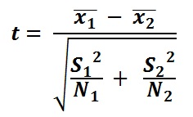
 |  |  | t= | #DIV/0!
 |  |  | df= | -2

Anova_clean
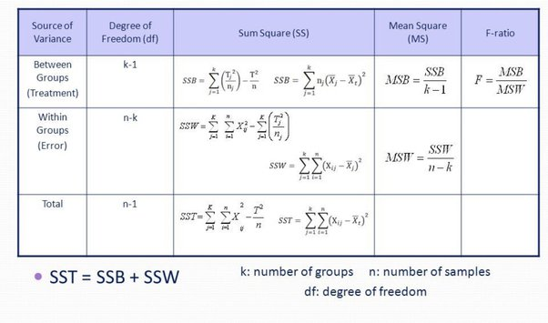
Shoesize data
Factor A - Gender
Group 1 -female | Group 2 - male
38 | 42 |  |  |  | CHECK (Data > Data Analysis)
39 | 44
38 | 43 |  |  |  | Anova: Single Factor
37 | 43
36 | 41 |  |  |  | SUMMARY
 |  |  |  |  | Groups | Count | Sum | Average | Variance
Mean - Group 1 | Mean - Group 1 |  | Overall Mean |  | Column 1 | 5 | 188 | 37.6 | 1.3
37.6 | 42.6 |  | 40.1 |  | Column 2 | 5 | 213 | 42.6 | 1.3

Between Group Variance |  |  |  |  | ANOVA
 |  | SSB | with df = k - 1 | MSB | Source of Variation | SS | df | MS | F | P-value | F crit
31.25 | 31.25 | 62.5 | 1 | 62.5 | Between Groups | 62.5 | 1 | 62.5 | 48.076923077 | 0.00012036668127 | 5.3176550716
 |  |  |  |  | Within Groups | 10.4 | 8 | 1.3
Within Group Variance
 |  |  |  |  | Total | 72.9 | 9
0.16 | 0.36
1.96 | 1.96
0.16 | 0.16
0.36 | 0.16 | SSW | with df = n - k | MSW
2.56 | 2.56 | 10.4 | 8 | 1.3

Total Variance

4.41 | 3.61
1.21 | 15.21
4.41 | 8.41
9.61 | 8.41 | SST | with df = n - 1
16.81 | 0.81 | 72.9 | 9

 |  | (62.5 + 10.4)
 |  |  |  | F
 |  |  |  | 48.076923077

