Sheet4
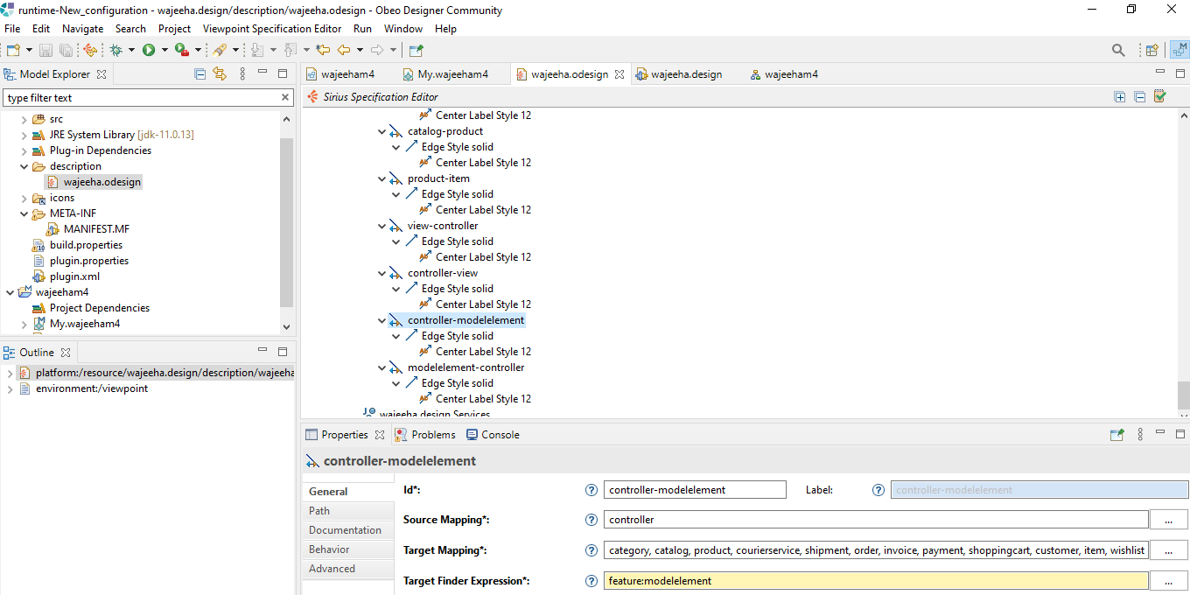
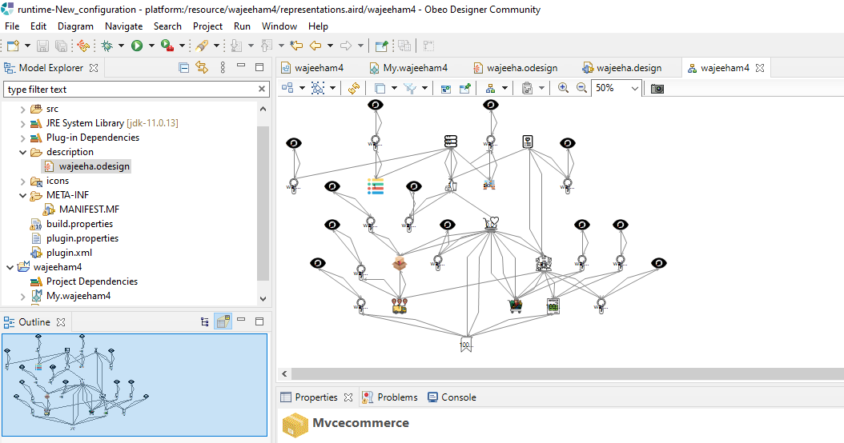
Task | Description | Time | Error | Solution
Task1 | After again creating model and following all previous steps now model was showing up in representation tab | 2 hours
Task2 | now our model was being shown on sirus | 5 minutes | none
Task3 | now for sirus pallete creation again came back to design view and creation section. In section again created nodes and gave properties to nodes | 20minutes | none
Task5 | created all relation based edges and gave them prperties | 20minutes | none
Task6 | Final pallete was generated with model so that user can just drag and drop for creation | 15minutes
Task7 | Intsalled MPS | created new project with a sandbox
Task8 | Created concepts of each category of store | 10minutes each
Task 9 | After creating concepts gave properties to each concept | 15minutes
Task10 | added childs to each concept | 15minutes
Task11 | created editor of view, controller and mvcecommerce | 10minutes each
Task12 | After this opened the tab of tree view and added a class there is a problem all the classes are not showing up | 10minutes each | Instance of abstract class detected | No solution left MPS till here, not creating full tree view
 | Overall as far as I think MPS takes 2 hours to complete after you learn it where as sirus takes atleast one day

