Sheet1
 |  |  |  |  |  |  |  |  | FCFS |  | max[w]
 | 0 |  |  | 5 |  |  |  |  |  |  | 10 |  |  |  |  | 15 |  |  |  |  |  | 20
A
B
C
D
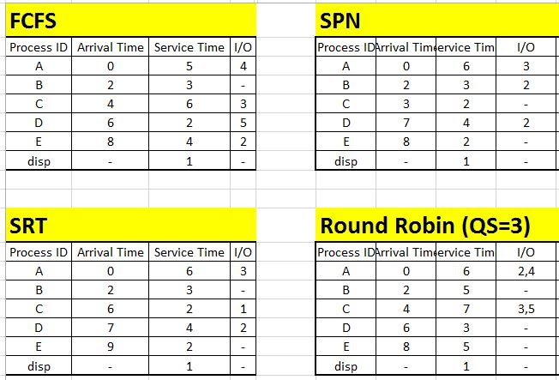
E
DISP
 |  |  |  |  |  |  |  | C
 | A |  |  | B |  |  |  | D |  |  |  | D |  | E |  |  | A |  | C |  |  |  | D
 |  |  |  | C |  |  |  | E |  |  |  | E |  | A |  |  | C
 |  |  | D |  |  |  | A |  |  |  | A
 |  |  |  |  |  |  |  |  | SRT |  | min[s-e]
 | 0 |  |  | 5 |  |  |  |  |  |  | 10 |  |  |  |  | 15 |  |  |  |  |  | 20
A
B
C
D
E
DISP

 | A | A |  |  | A | 5 |  | A | 5 |  | A | 5 |  |  | A | 5 |  | C | 1 | D | 4 | A | 3
 |  | B |  |  | B | 1 |  | C | 2 |  | C | 2
 |  |  |  |  | C | 2 |  | D | 4 |  | D | 4
 |  |  |  |  | D | 4 |  | E | 2

 |  |  |  |  |  |  |  |  | SPN |  | min[s]
 | 0 |  |  | 5 |  |  |  |  |  |  | 10 |  |  |  |  | 15 |  |  |  |  |  | 20
A
B
C
D
E
DISP

 |  |  | B | 3 |  | B | 3 |  | A | 6 | A | 6 | A | 6 | A | 6 |  |  | D
 |  |  | C | 2 |  | D | 4 |  | D | 4 | D | 4 | B | 3
 |  |  |  |  |  |  |  |  | E | 2
 |  |  |  |  |  |  |  |  | RR |  | (QS=3)
 | 0 |  |  | 5 |  |  |  |  |  |  | 10 |  |  |  |  | 15 |  |  |  |  |  | 20
A
B
C
D
E
DISP

 | A |  | B |  |  |  | C |  |  |  | A |  |  | B |  |  |  | C |  |  |  | D |  | E | C | A
 |  |  | C |  |  |  | A |  |  |  | D |  |  | E |  |  |  | D |  |  |  | A |  | C | A
 |  |  |  |  |  |  | D |  |  |  | B |  |  | C |  |  |  | A |  |  |  | E |  | A | E
 |  |  |  |  |  |  | B |  |  |  | E |  |  | D |  |  |  | E |  |  |  | C
 |  |  |  |  |  |  |  |  |  |  | C

