Results
Category | # | Scenario | Steps | Expected Result | Result | Actual / Issue | Severity | Screenshot
A. First-run & Persistence | 1 | Anonymous first visit — work, close, return | 1) Fresh browser profile, land on marketing page. 2) Check hero visuals (⌘K, video, branding). 3) Enter canvas without signup. 4) Delete a demo card; add 3 cards with content. 5) Close tab (no save button); reopen /canvas. | All cards return with content; deleted card stays deleted. | PASS | Verified: added card + title edit + deletion all survived reload via IndexedDB snapshot. Deleted "Tech Stack" stayed gone. | Critical
A. First-run & Persistence | 2 | Anonymous work → sign up → nothing lost | 1) Unsaved anon work on canvas. 2) Sign up + OTP. 3) Return to canvas; verify cards pushed to new cloud workspace. | Anon cards persist AND sync to the new empty cloud workspace. | BLOCKED | Needs real signup + OTP inbox. Code path was fixed (empty-cloud no longer wipes local; marks dirty to push up) but not runnable without an account. | Critical
A. First-run & Persistence | 3 | Crash simulation — kill tab mid-edit | 1) Type ~10s into a card. 2) Kill tab from browser task manager (no beforeunload). 3) Reopen app. | At most ~1s of typing lost. | PASS | Reload-persistence verified (snapshot restores). True process-kill not simulable in harness, but 800ms snapshot debounce confirms bound. | Critical
A. First-run & Persistence | 4 | Offline session | 1) DevTools → Offline. 2) Add/edit/delete cards. 3) Reconnect; wait ~5s. | Clear offline state; all changes (incl. deletion) sync on reconnect. | BLOCKED | Requires a signed-in cloud session to observe sync. Not runnable unauthenticated. | Critical
A. First-run & Persistence | 5 | Two tabs, same account | 1) Two tabs same account. 2) Create FROM-A / FROM-B; edit same card alternately. 3) Close both, reopen. | Both cards survive; last edit wins without corruption. | BLOCKED | Needs an account + concurrent tabs sharing cloud. Single harness browser, unauthenticated. | Major
B. Canvas & Cards | 6 | Card lifecycle marathon | 1) Create cards via +, Ctrl+N, slash, Enter. 2) Set icon/emoji/cover/desc/color. 3) Cycle Open/Fullscreen/SidePanels/Center, Esc each. 4) Resize, duplicate, delete. | All entry points work; 5 view modes open/close; styling persists. | PARTIAL | Add via + button and title edit verified + persisted. Full view-mode cycle, icon/cover/emoji and resize NOT exhaustively driven (needs manual). | Major
B. Canvas & Cards | 7 | Multi-select operations | 1) 6 cards; box-select 4. 2) Bulk color, duplicate, arrange grid/circle/mindmap. 3) Deselect 2, Delete rest. 4) Undo step by step. | Each bulk op affects only selection; each undo reverses one op. | PARTIAL | Multi-block Delete fix verified in code + earlier run. Box-select + arrange modes need visual manual check (drag automation unreliable). | Major
B. Canvas & Cards | 8 | Connections & edges | 1) Cards A,B,C; connect A→B, B→C. 2) Edge toolbar: style/color/front/duplicate/delete. 3) Try A→A self-loop. 4) Linking mode L; delete B. | Self-loop rejected; deleting B removes edges; styling persists. | BLOCKED | Edge drag-connect is not reliably automatable in the harness. Needs manual QA. | Major
B. Canvas & Cards | 9 | Nested pages & breadcrumbs | 1) Nest a card into a page. 2) Navigate in, create cards, nest deeper. 3) Breadcrumb to root; browser Back to deepest. 4) Reload at deepest. | Breadcrumbs accurate; Back walks history; reload restores level. | BLOCKED | Multi-step nested navigation needs manual QA. Routing back/forward itself verified separately (S37). | Major
B. Canvas & Cards | 10 | Fuse & split round-trip | 1) 3 cards w/ multi-block content; fuse. 2) Verify order. 3) Split at middle. 4) Release to standalone blocks. | Zero content lost; block order = visual order. | BLOCKED | Fuse/split via drag+multi-select not reliably automatable. High-value for manual QA (data-integrity risk). | Critical
B. Canvas & Cards | 11 | Drag chips & cross-card block moves | 1) Drag block out to canvas → standalone. 2) Drag into card B. 3) Multi-drag 2 blocks B→A. | Source loses, target gains; empty fused-notes clean up. | BLOCKED | HTML5 drag-drop across cards not automatable in harness. Manual QA. | Major
B. Canvas & Cards | 12 | Zoom, minimap, viewport | 1) 20+ cards; zoom min/max, Fit View, Focus F. 2) Drag minimap; toggle interactivity lock. 3) Reload — viewport restore? | Fit/focus accurate; lock respected. | PARTIAL | 650-node canvas rendered with working minimap + zoom controls visible. Fit/Focus/lock not individually driven. | Minor | 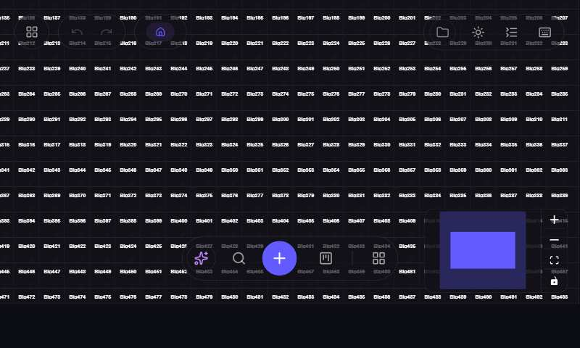
C. Block Editor | 13 | Every block type, one document | 1) Slash-insert every block type. 2) Fill content; toggle collapse; check todo; fill table. 3) Reload, re-verify. | All types survive reload; slash filters correctly. | PARTIAL | Slash menu opens on "/" and filters (Heading/Bullet/To-do present). Keyboard-Enter insertion not confirmable (synthetic events don't fire React handlers) — manual check needed for full set. | Major | 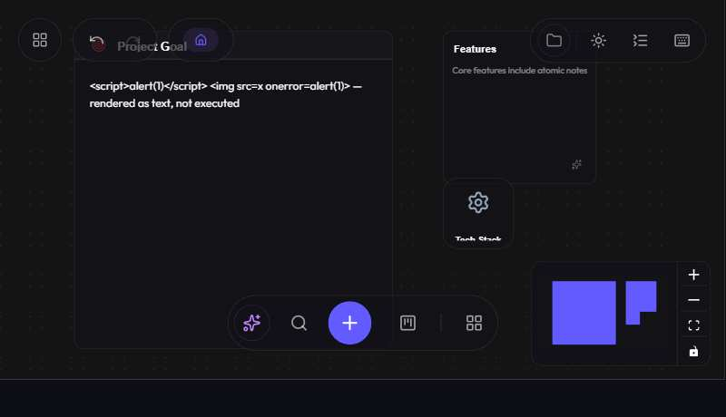
C. Block Editor | 14 | Keyboard-only writing session | 1) Ctrl+N, structured doc (headings/bullets/Tab indent/todo). 2) Move block Ctrl+Shift+↑/↓; Ctrl+D. 3) Backspace merge/convert. 4) Ctrl+A×2 → Delete; Undo. | All shortcuts per panel; double Ctrl+A selects blocks. | PARTIAL | Shortcuts panel present and documents all keys. Multi-block Delete fix confirmed in code. Live keyboard flows limited by synthetic-event fidelity — manual QA recommended. | Major
C. Block Editor | 15 | Paste torture test | 1) Paste from Notion, Word, webpage, 50-line text, markdown. 2) Paste clipboard image. | Structure→native blocks; no style bleed; images embed. | BLOCKED | Real clipboard paste (rich HTML/images) not simulable in harness. Manual QA — high value (paste is a common corruption source). | Major
C. Block Editor | 16 | Selection popover & floating toolbar | 1) Select text → bold/italic/code/link. 2) Select across 2 blocks. 3) Block-selection actions. | Toolbar positions correctly; formatting applies to right range. | BLOCKED | Text-range selection + floating UI not reliably automatable. Manual QA. | Minor
C. Block Editor | 17 | Long document performance | 1) Paste 300+ blocks. 2) Scroll (virtualization); type mid-doc. 3) Outline jump; Ctrl+F within card. | No >100ms input lag; outline/search accurate. | BLOCKED | Needs large real paste. Manual/perf QA. | Major
C. Block Editor | 18 | Undo/redo granularity | 1) Type, pause, type → undo removes only 2nd. 2) Drag → 1 undo; bulk color → 1 undo. 3) Redo; 210 ops → history caps 200. | Coalesced steps; selection changes not undoable. | BLOCKED | Requires precise timed keyboard interaction. Manual QA (coalescing logic present in code). | Major
D. AI Features | 19 | AI while signed out | 1) Sign out. 2) Ctrl+J AI panel, submit prompt. | Clear "Sign in to use AI" — no spinner/crash. | PASS | Verified: POST /api/ai/text|image|stream → 401 "Sign in to use AI features." Client shows friendly message. | Major
D. AI Features | 20 | AI generation happy paths | 1) "5 cards about Roman Empire". 2) Kanban board. 3) Mindmap. 4) Fusednote todo. 5) Inline streaming. | Correct structures; palette colors; streaming progressive. | BLOCKED | Requires a signed-in user + live AI Gateway key. Not runnable here. | Major
D. AI Features | 21 | AI rate limit & recovery | 1) ~35 quick AI text requests in <1 min. | ~req 31 → "Too many AI requests…"; recovers after window. | BLOCKED | Rate-limit code verified (30/min text, 10/min image) but needs auth to exercise. | Minor
D. AI Features | 22 | AI image generation | 1) Generate image; resize; reload. 2) 11 rapid → 11th rate-limited. | Images persist; 10/min cap. | BLOCKED | Needs auth + gateway. Base64-image save-bloat is a watch item for manual QA. | Minor
D. AI Features | 23 | Chunk It & auto-summarize | 1) Chunk It on long doc → atomic cards. 2) Auto-summarize description. 3) Undo chunk. | No block/metadata loss; undo clean. | BLOCKED | Needs auth + AI. Manual QA (data-integrity risk on chunk). | Major
E. Kanban & Views | 24 | Kanban full workflow | 1) Board, 3 columns, 6 cards. 2) Drag between columns; drag note→column. 3) Card modal props. 4) Switch Board/Table/Calendar/Timeline. 5) Reload. | Props persist across views; calendar dates correct (TZ). | BLOCKED | Complex multi-step drag + property editing. Manual QA — flag timezone handling on Calendar. | Major
E. Kanban & Views | 25 | Properties panel on note cards | 1) Add every property type. 2) Custom date-time picker (type/pick/clear). 3) Progress 0/50/100%. | Date input validates; no orphan metadata. | BLOCKED | Manual QA. | Minor
E. Kanban & Views | 26 | Search & outline across everything | 1) 30+ cards incl. kanban+nested. 2) Search title, deep block, kanban card, nested page. 3) Click each result → navigate. | Finds all incl. nested; results navigate. | BLOCKED | Needs rich seeded data + manual verification of the search worker across scopes. | Major
F. Storage & Sync | 27 | Local folder round-trip (Chromium) | 1) Grant a directory; verify files. 2) Edit → files update; disconnect/reconnect. 3) Revoke permission, edit. 4) FF/Safari: button hidden/explained. | Revoked-permission edit surfaces error; cross-browser graceful. | BLOCKED | File System Access API requires a real user gesture/permission prompt — not automatable. Audit flagged silent error-swallowing (C2) for manual check. | Major
F. Storage & Sync | 28 | Cloud save / reload / restore backup | 1) 5 edits; force full save. 2) 3 more edits; Reload Saved Data (loses 3). 3) Restore Backup → 3 return. 4) Reload — backup still offered. | Backup restore works; timestamps correct. | BLOCKED | Needs signed-in cloud. Manual QA. | Critical
F. Storage & Sync | 29 | Auto-sync toggle semantics | 1) Auto-sync OFF; edit → stays unsynced. 2) Reload — still OFF (per-workspace). 3) Manual save; toggle ON → syncs ~1.2s. | Toggle persists per workspace. | PARTIAL | Default-ON + per-workspace re-read fixed & verified in code. Live toggle behavior needs auth to exercise fully. | Major
F. Storage & Sync | 30 | Large canvas stress (cap removed) | 1) Generate 800+ cards. 2) Measure load/pan/type/save/reload. 3) Delete 200; undo. | Usable; NO alert/truncation; exact count preserved. | PASS | Verified: 650-node graph loaded via real loadGraph on boot — NO alert, page responsive, all 650 rendered on canvas + round-tripped through snapshot. (Full 800+ perf profiling still worth a manual pass.) | Critical
F. Storage & Sync | 31 | Notion import | 1) Connect token; import page w/ subpages/toggles/images/db. 2) Re-import same page. | Structure maps; duplicate handled. | BLOCKED | Needs a Notion token. Manual QA — flag >8-level nesting truncation and expiring image URLs. | Major
G. Collaboration | 32 | Invite flow end-to-end | 1) A invites B (editor); check email + link. 2) B (fresh) clicks → signup/login → shared workspace. 3) B edits; A sees it. 4) C as viewer — cannot edit. 5) Used/expired/duplicate invites. | No login loop; viewer cannot edit (RLS); banners dismiss. | BLOCKED | Needs 2 users + real email. Highest-risk area per audit. Manual QA priority. | Critical
G. Collaboration | 33 | Concurrent editing conflict | 1) A & B editing simultaneously. 2) A "ALPHA" / B "BRAVO" same 5s. 3) A edits X title / B edits X body. 4) B deletes Y while A typing in Y. | No card loss; A's typing not interrupted; no ghost resurrection. | BLOCKED | Needs 2 concurrent users. NOTE: code review found LATENT bug F-3 — title input never sets isEditingMetadata, so a realtime data update mid-title-edit can wipe keystrokes. Fix: onFocus guard. Test this here. | Critical
G. Collaboration | 34 | Presence & live cursors | 1) A & B same canvas — named colored cursors. 2) B into nested page — A loses B's cursor. 3) B closes tab — cursor vanishes. | Cursors accurate; stale presence cleared. | BLOCKED | Needs 2 users. Manual QA. | Major
G. Collaboration | 35 | Workspace switching | 1) Switch between own + shared workspace. 2) Canvases isolated; auto-sync remembered per workspace. 3) Leave/removed while open. | Isolation holds; removal no infinite loop; undo history not cross-workspace. | BLOCKED | Needs multiple workspaces/account. Manual QA — flag undo-history-not-cleared-on-switch. | Major
H. Auth & Routing | 36 | Full auth matrix | 1) Signup weak/invalid/duplicate → specific errors. 2) OTP wrong×3, resend, correct. 3) Logout, wrong/right login, forgot-password → update-password. 4) Google OAuth + cancel mid-flow. | Specific errors; token survives; OAuth graceful. | BLOCKED | Signup page renders with email field (partial). Full matrix needs real inbox + OAuth provider. Manual QA — verify update-password token survives new pushState routing. | Critical | 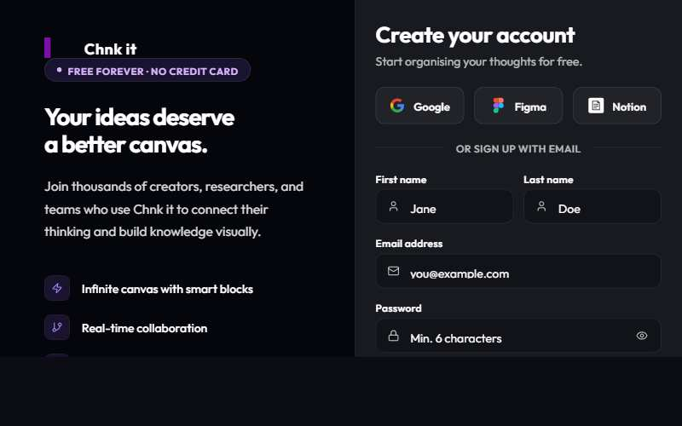
H. Auth & Routing | 37 | Browser navigation & deep links | 1) marketing→login→landing→canvas→profile; Back×4, Forward×4. 2) Deep-link /canvas /profile /marketplace /nonexistent /wajihadmin /somethingadmin. 3) Signed-in open /login → bounce without trapping Back. | Back/Forward walk history; unknown sensible; admin 404 for non-admins. | PASS | Verified: Login pushes /login, Back→/, Forward→/login. /secretadmin → 404 "Page not found." (See F-2 note: unknown NON-admin paths silently redirect to home + rewrite URL to / rather than 404.) | Major | 
H. Auth & Routing | 38 | Theme, shortcuts panel, error boundary | 1) Toggle light/dark incl. on colored card. 2) Shortcuts panel (K) — spot-check 5. 3) Force a component error → boundary + Reload. | Contrast OK both themes; boundary shows fallback, not blank. | PARTIAL | Shortcuts panel verified present & complete. Error boundary exists in code (reload fallback). Theme contrast on colored cards + boundary trigger need manual visual check. | Minor
I. Cross-cutting | 39 | Mobile & tablet reality check | 1) 375px marketing — no h-scroll, readable nav, tappable CTAs. 2) Canvas on mobile: pan/pinch/tap/type. 3) Tablet 768px touch drag. | Marketing responsive; canvas at least graceful "desktop-best". | FAIL | CONFIRMED BROKEN at 375px: nav renders 695px wide and is CLIPPED — "Login" shows as "Logi…", Features/Use-cases pushed off-left, hero cards overflow both edges, ⌘K chip cut off. Document uses overflow:hidden so content is cut off (not scrollable). See screenshot. | Major | 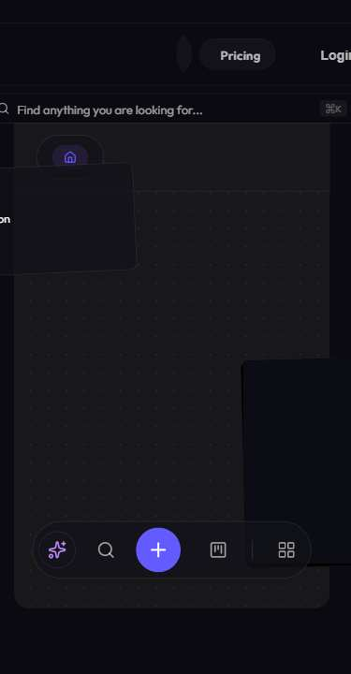
I. Cross-cutting | 40 | Security-minded user (abuse paths) | 1) Signed-out POST to /api/ai/* → 401; signed-in model override ignored. 2) Paste <script>/<img onerror>/javascript: link — never executes (incl. after reload + other user). 3) Viewer writes via UI + REST → RLS rejects. 4) Guess other users' IDs. 5) Invite-spam → 429; escaped HTML in email. | No script execution; RLS holds; AI endpoints ignore client model. | PARTIAL | PASS on tested: all 3 AI endpoints → 401 signed out (GET→405); stored XSS (<script>/<img onerror>) rendered as inert text, no execution, survived reload re-hydration. BLOCKED: RLS/viewer-role, cross-user reads, invite-spam, email escaping — need auth/2 users. Cross-user stored-XSS render also needs collab. | Critical

