Gun Sales
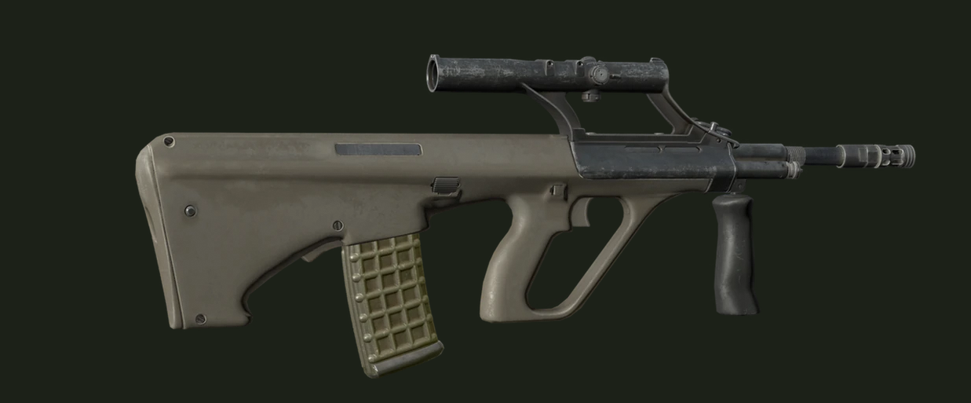

$150,000 | 2025-12-20

