Purchase Reciept
LIVONIA TRADER - RECIEPT

LIVONIA TRADER - RECIEPT
LIVONIA TRADER - RECIEPT
 | Item |  | Sales | Total Value |  |  |  |  |  |  |  |  | Total
 |  |  |  | 1
 |  |  |  | 1
 |  |  |  | 1 |  | Chest 1 | Chest 2 | Chest 3 | Chest 4 | Chest 5 | Chest 6 | Chest 7
 | Bear Pelt | - X | 0 | $- |  |  |  |  |  |  |  |  | 0 | Hare Pelt | - X | 6 | $39,600
 | Worn Bear Pelt | - X | 0 | $- |  |  |  |  |  |  |  |  | 0 | Bud | - X | 22 | $11,000
 | Reinder Pelt | - X | 0 | $- |  |  |  |  |  |  |  |  | 0 | Bible | - X | 1 | $6,000
 | Worn Reindeer Pelt | - X | 0 | $- |  |  |  |  |  |  |  |  | 0 | Cigarettes | - X | 12 | $12,000
 | Deer Pelt | - X | 0 | $- |  |  |  |  |  |  |  |  | 0 | - | - | TOTAL: | $68,600
 | Worn Deer Pelt Pelt | - X | 0 | $- |  |  |  |  |  |  |  |  | 0 | - | - | 3 Way Split | $22,867
 | Hare Pelt | - X | 6 | $39,600 |  | 6 |  |  |  |  |  |  | 6
 | Worn Hare Pelt | - X | 0 | $- |  |  |  |  |  |  |  |  | 0
 | Leather Full Stack | - X | 0 | $- |  |  |  |  |  |  |  |  | 0
 | Bud | - X | 22 | $11,000 |  | 22 |  |  |  |  |  |  | 22
 | PRG WarHead | - X | 0 | $- |  |  |  |  |  |  |  |  | 0
 | Motor Oil | - X | 0 | $- |  |  |  |  |  |  |  |  | 0
 | Break Fluid | - X | 0 | $- |  |  |  |  |  |  |  |  | 0
 | Mess Tin | - X | 0 | $- |  |  |  |  |  |  |  |  | 0
 | Butane Can | - X | 0 | $- |  |  |  |  |  |  |  |  | 0
 | Radio | - X | 0 | $- |  |  |  |  |  |  |  |  | 0
 | Spray Can | - X | 0 | $- |  |  |  |  |  |  |  |  | 0
 | Cassette | - X | 0 | $- |  |  |  |  |  |  |  |  | 0
 | Call of the Wild | - X | 0 | $- |  |  |  |  |  |  |  |  | 0
 | Bible | - X | 1 | $6,000 |  | 1 |  |  |  |  |  |  | 1
 | Cigarettes | - X | 12 | $12,000 |  | 12 |  |  |  |  |  |  | 12
 |  | - X | 0 |  |  |  |  |  |  |  |  |  | 0
 |  |  | 0
 | - | - | TOTAL: | $68,600 | Split | 3
 | - | - | 3 Way Split | $22,867

 | 2026-04-09

Gun Sales
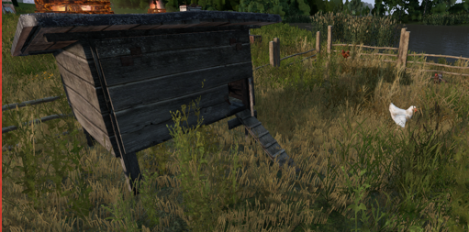
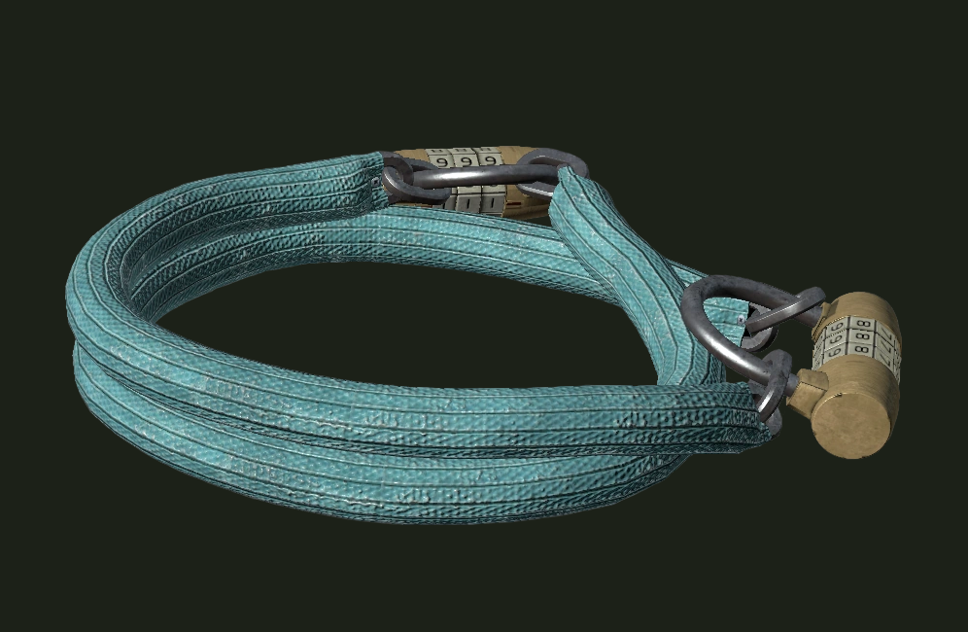
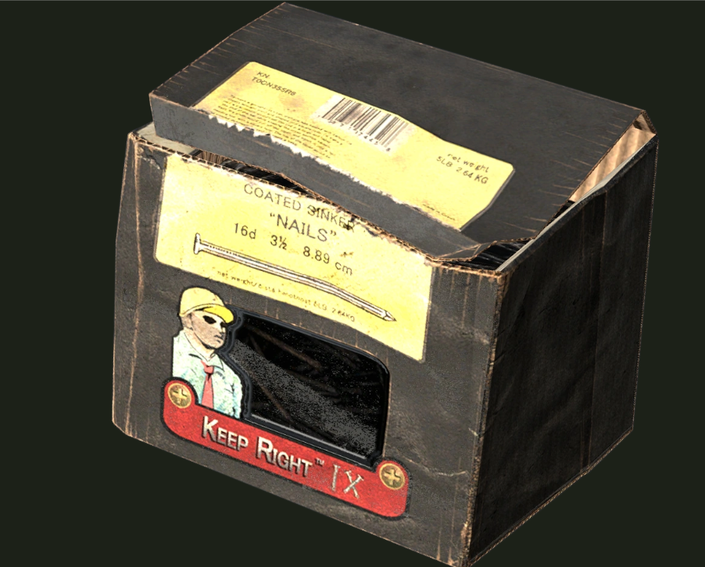


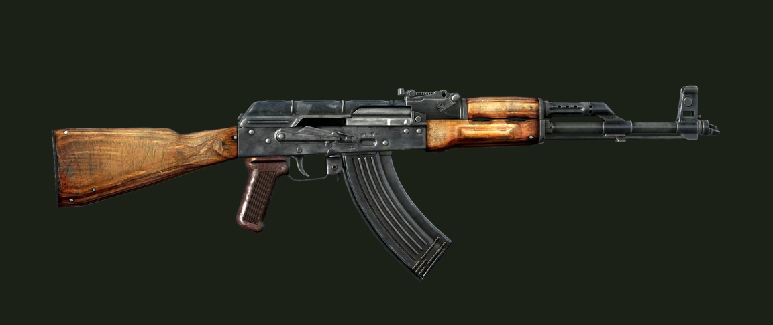
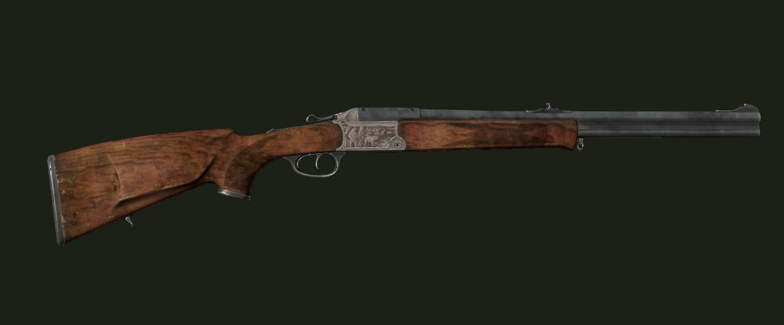

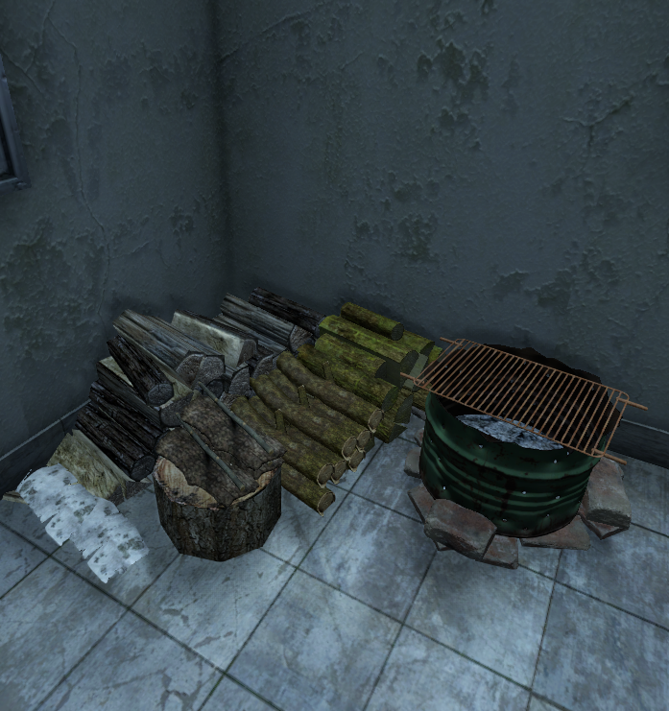

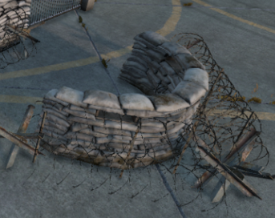
$100,000 | 2026-04-09

Trader Prices - Public
WE BUY!
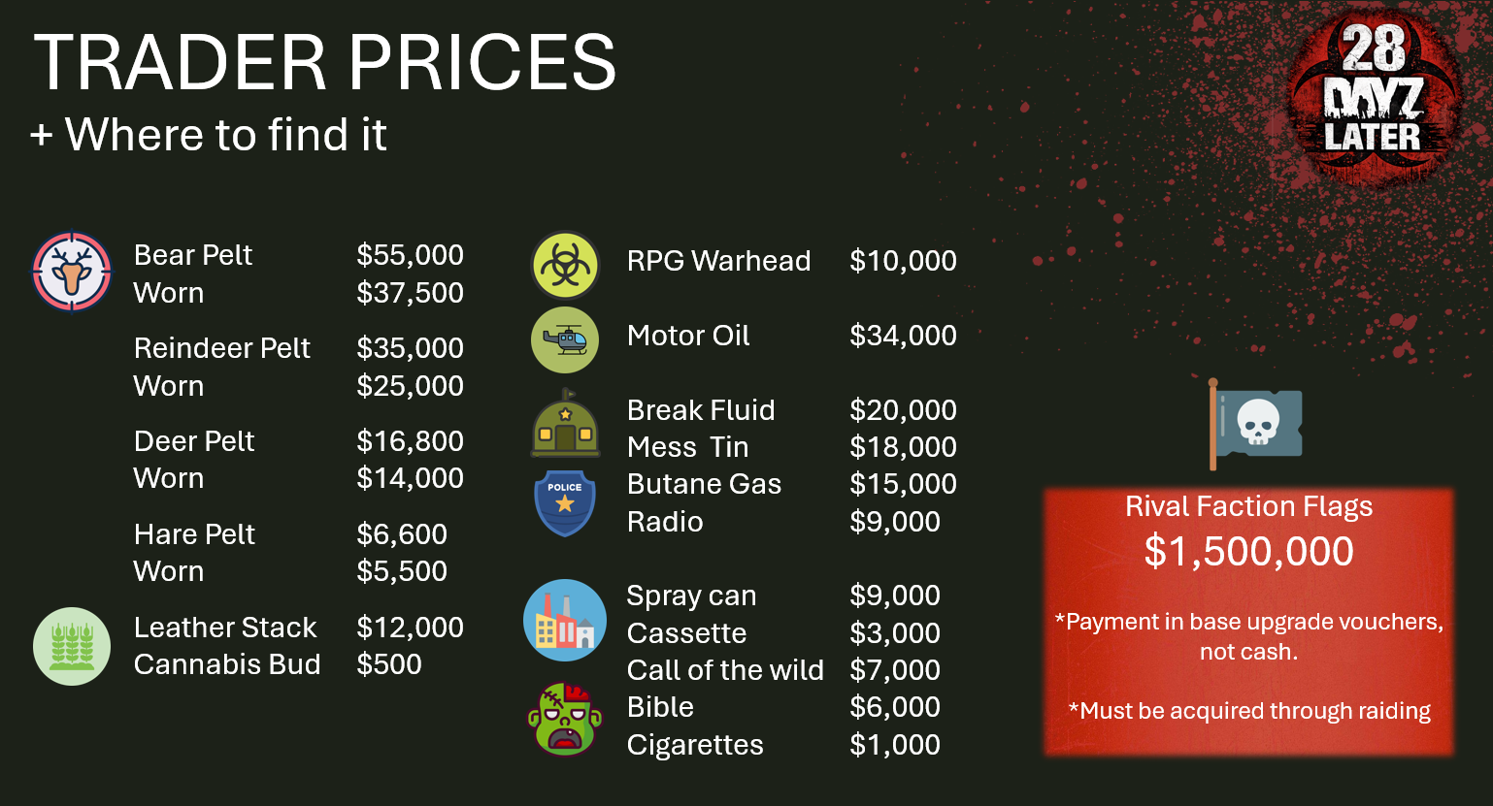
 | We Buy: |  | Price | We Buy: |  | Price |  | 2025-11-25 | 2025-12-01 | 2025-12-08
 | Bear Pelt | - | $55,000 | PRG WarHead | - | $10,000 | *All Infected |  | $3,600.0 | $3,600.0
 | Worn Bear Pelt | - | $37,500 | Motor Oil | - | $34,000 |  |  | $3,000 | $3,000
 | Reinder Pelt | - | $35,000 | Break Fluid | - | $20,000 | * Towns / villages / Police |  | $10,800.0 | $10,800.0
 | Worn Reindeer Pelt | - | $25,000 | Mess Tin | - | $18,000 | * Tier 3 Military |  | $9,000 | $9,000
 | Deer Pelt | - | $16,800 | Butane Can | - | $15,000 | * Industrial sites / Farms |  | $18,600.0 | $18,600.0
 | Worn Deer Pelt Pelt | - | $14,000 | Radio | - | $9,000 | * Hunting locations and on hunter zombies |  | $15,500 | $15,500
 | Hare Pelt | - | $6,600 | Spray Can | - | $9,000 | * Priest Zombies / churches and the Prison |  | $8,000 | $8,000
 | Worn Hare Pelt | - | $5,500 | Cassette | - | $3,000 | * Tier 3 Military |  | $1,000 | $1,000
 | Leather Full Stack | - | $12,000 | Call of the Wild | - | $7,000 | * Poilice Incidents |  | $7,000 | $7,000
 | Bud | - | $500 | Bible | - | $6,000 | * HeliCrashes / Convoys |  | $500 | $500
 | PRG WarHead | - | $10,000 | Cigarettes | - | $1,000 | * Tier 3 Military / Police locations |  | $2,500 | $2,500
 | Motor Oil | - | $34,000 |  |  |  |  |  | $35,000 | $35,000
 | Break Fluid | - | $20,000 | Rival Faction Flags - $1,500,000 |  |  |  |  | $13,500 | $13,500
 | Mess Tin | - | $18,000 | *Payment made in base upgrade vouchers, not cash |  |  |  |  | $11,000 | $11,000
 | Butane Can | - | $15,000 | *Must be acquired through raiding |  |  |  |  | $6,000 | $6,000
 | Radio | - | $9,000
 | Spray Can | - | $9,000
 | Cassette | - | $3,000
 | Call of the Wild | - | $7,000
 | Bible | - | $6,000
 | Cigarettes | - | $1,000

Trader Prices - Sell
We Sell!
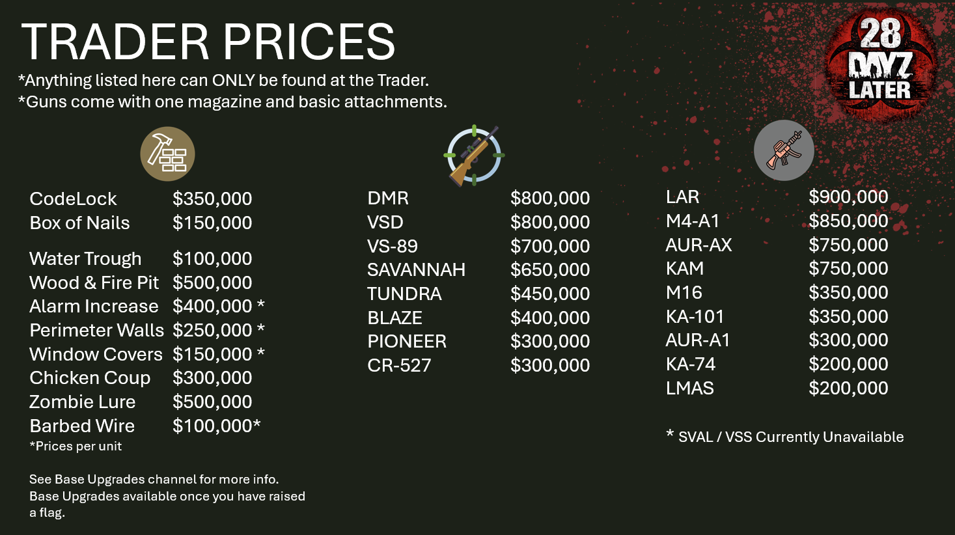
 | Base Supplies |  | Price | Assault Rifels |  | Price
 | Combination Lock | - | $300,000 | LAR | - | $900,000
 | Box of nails | - | $100,000 | AUR-AX | - | $700,000
 |  |  |  | M4-A1 | - | $700,000
 | Sniper Rifels |  | Price | KAM | - | $600,000
 | DMR | - | $700,000 | S-VAL | - | $600,000
 | VSD | - | $700,000 | VSS | - | $500,000
 | CR-550 Savanna | - | $500,000 | KA-101 | - | $300,000
 | PIONEER | - | $450,000 | M16-A2 | - | $300,000
 | VS-89 | - | $400,000 | AUR-A1 | - | $250,000
 | TUNDRA | - | $350,000 | KA-74 | - | $150,000
 | BLAZE | - | $250,000 | VIKHR | - | $150,000
 | CR-527 | - | $250,000

Sheet1
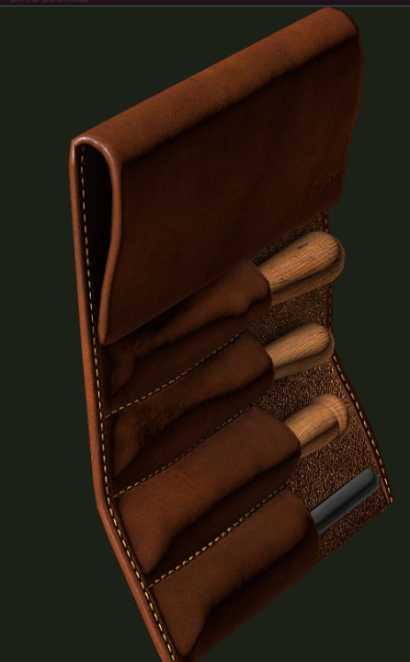

Contract reward | 2026-04-09

