Sheet1
 | Company to be valued: | Comparator Companies
Company | A | B | C | D | E | F
EBITDA | 5,000 | 11,000 | 17,352 | 6,238 | 4,819 | 7,000
less depreciation and amortization | 1,000 | 3,300 | 3,001 | 826 | 500 | 1,231
EBIT | 4,000 | 7,700 | 14,351 | 5,412 | 4,319 | 5,769
less interest | 500 | 1,000 | 3,000 | 700 | 200 | 100
Profit before tax | 3,500 | 6,700 | 11,351 | 4,712 | 4,119 | 5,669
Tax | 900 | 2,000 | 2,760 | 1,100 | 1,111 | 1,567
Profit after tax (net income) | 2,600 | 4,700 | 8,591 | 3,612 | 3,008 | 4,102

Market capitalization | To be calculated | 43,126 | 82,650 | 45,975 | 58,452 | 46,108
Value of debt (or use book value as a proxy) | 6,192 | 16,350 | 40,000 | 10,153 | 2,875 | 1,450
Enterprise value | To be calculated | 59,476 | 122,650 | 56,128 | 61,327 | 47,558

EV/EBITDA multiple |  | 5.4 | 7.1 | 9.0 | 12.7 | 6.8
EV/EBIT multiple |  | 7.7 | 8.5 | 10.4 | 14.2 | 8.2
P/E multiple |  | 9.2 | 9.6 | 12.7 | 19.4 | 11.2

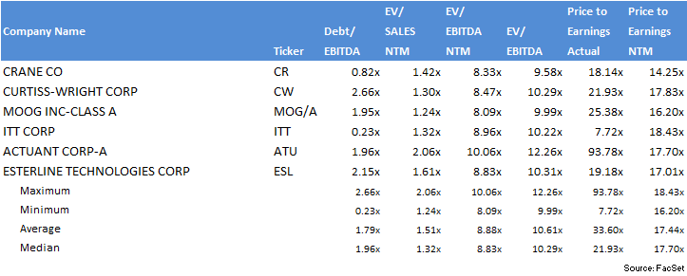

 |  |  |  |  |  |  | 18.14 | 14.25
 |  |  |  |  |  |  | 21.93 | 17.83
 |  |  |  |  |  |  | 25.38 | 16.2
 |  |  |  |  |  |  | 7.72 | 18.43
 |  |  |  |  |  |  | 93.78 | 17.7
 |  |  |  |  |  |  | 19.18 | 17.01
 |  |  |  |  |  |  | 33.598 | 17.434

 |  |  |  |  |  |  | 67.62

