all
 |  | avg | Spacing |  |  |  |  | Phase |  |  |  |  |  | Amplitude
30deg | -4.7837463247 |  | 0.5 | 0.509 | 0.479 | 0.509 | 0.5 | 183.6 | 100.9 | 25 | 298.8 | 221.9 | 117.5 | 0.54133706658 | 0.947 | 0.86304856946 | 0.976 | 0.953 | 1
30deg | -4.5609574409 |  | 0.549 | 0.43 | 0.46 | 0.43 | 0.549 | 38.6 | 276.5 | 177.9 | 101.1 | 39 | 316.3 | 0.714 | 0.937 | 0.959 | 0.865 | 0.945 | 1
30deg | -3.7116442731 | -4.3521160129 | 0.952 | 0.319 | 0.376 | 0.319 | 0.952 | 49.2 | 212.4 | 136.2 | 77.5 | 37 | 248.5 | 0.832 | 0.897 | 0.901 | 0.873 | 0.937 | 1
45deg | -4.3752818042 |  | 0.406 | 0.502 | 0.641 | 0.502 | 0.406 | 327.7 | 227.3 | 82.6 | 300 | 183.4 | 45.8 | 0.589 | 0.857 | 0.927 | 0.471 | 0.832 | 1
45deg | -3.7752138815 |  | 0.981 | 0.388 | 0.839 | 0.388 | 0.981 | 93.1 | 187.7 | 65.1 | 209.1 | 136.7 | 233.1 | 0.823 | 0.931 | 0.934 | 0.599 | 0.943 | 1
45deg | -4.0476846462 | -4.0660601106 | 0.417 | 0.469 | 0.591 | 0.469 | 0.417 | 34.8 | 239.5 | 112.8 | 313.7 | 218.7 | 106.7 | 0.734 | 0.981 | 0.988 | 0.595 | 0.938 | 1
60deg | -2.8923507354 |  | 0.342 | 0.472 | 0.322 | 0.472 | 0.342 | 248.4 | 103.1 | 324.5 | 210.7 | 69.7 | 324.3 | 0.613 | 0.928 | 0.944 | 0.999 | 0.944 | 1
60deg | -3.4506990425 |  | 0.175 | 0.917 | 0.922 | 0.917 | 0.175 | 195.8 | 84.1 | 151.4 | 215.1 | 61.2 | 264.5 | 0.216 | 0.983 | 0.608 | 0.403 | 0.341 | 1
60deg | -3.1515534087 | -3.1648677288 | 0.341 | 0.512 | 0.371 | 0.512 | 0.341 | 68.5 | 281.2 | 145.5 | 18.5 | 212.1 | 85.1 | 0.611 | 0.732 | 0.783 | 0.954 | 0.852 | 1

 | Average |  | 0.42583333333 | 0.48233333333 | 0.47733333333 | 0.48233333333 | 0.42583333333

Fitness

30deg
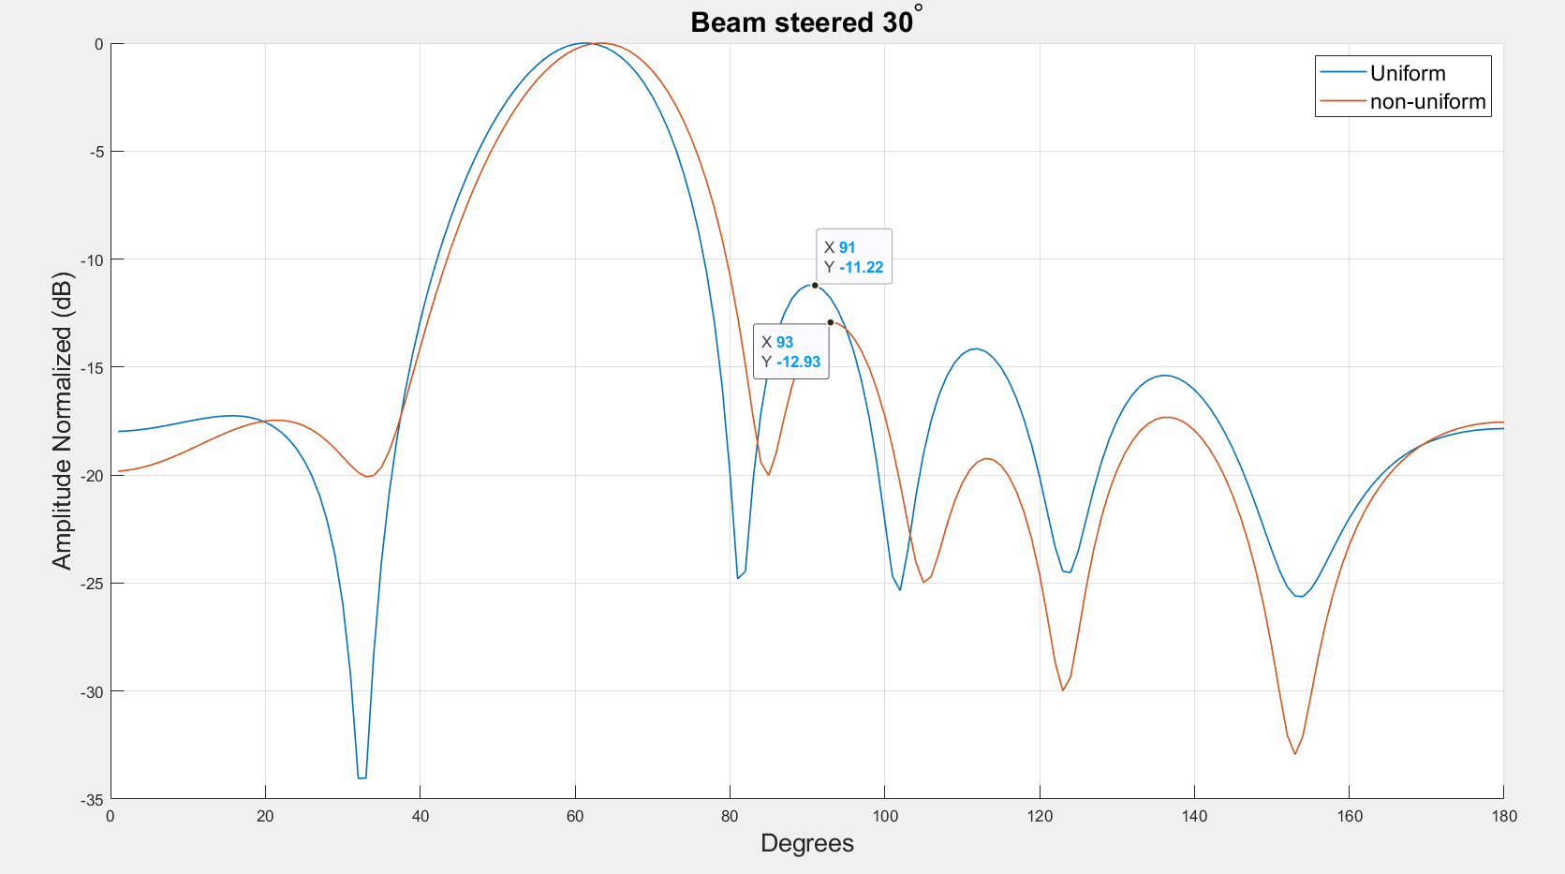
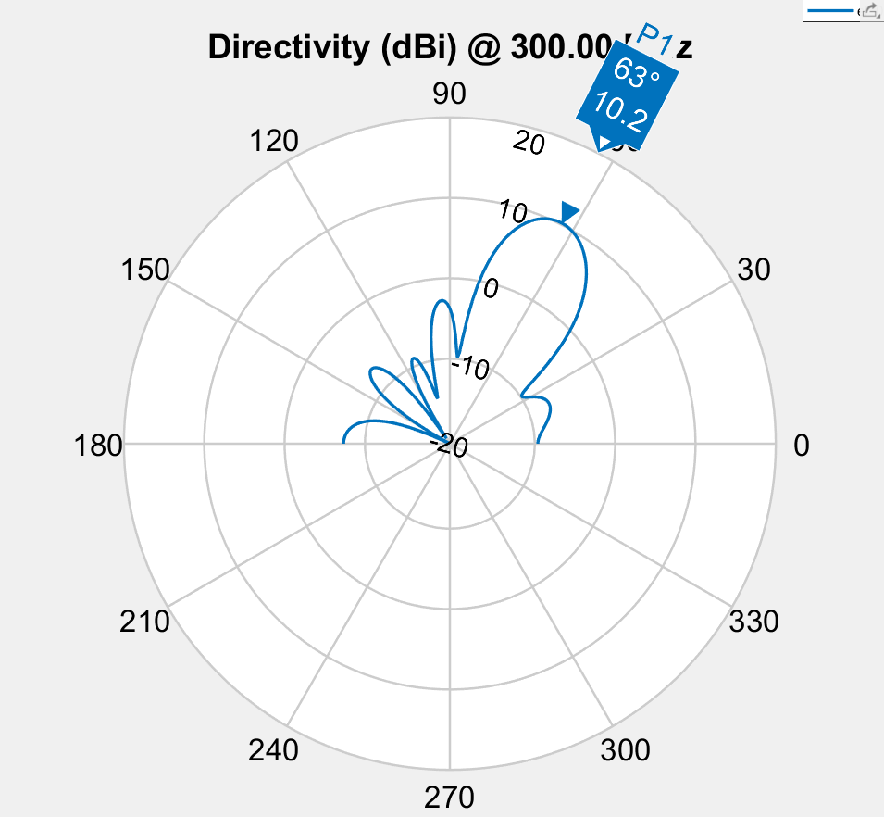
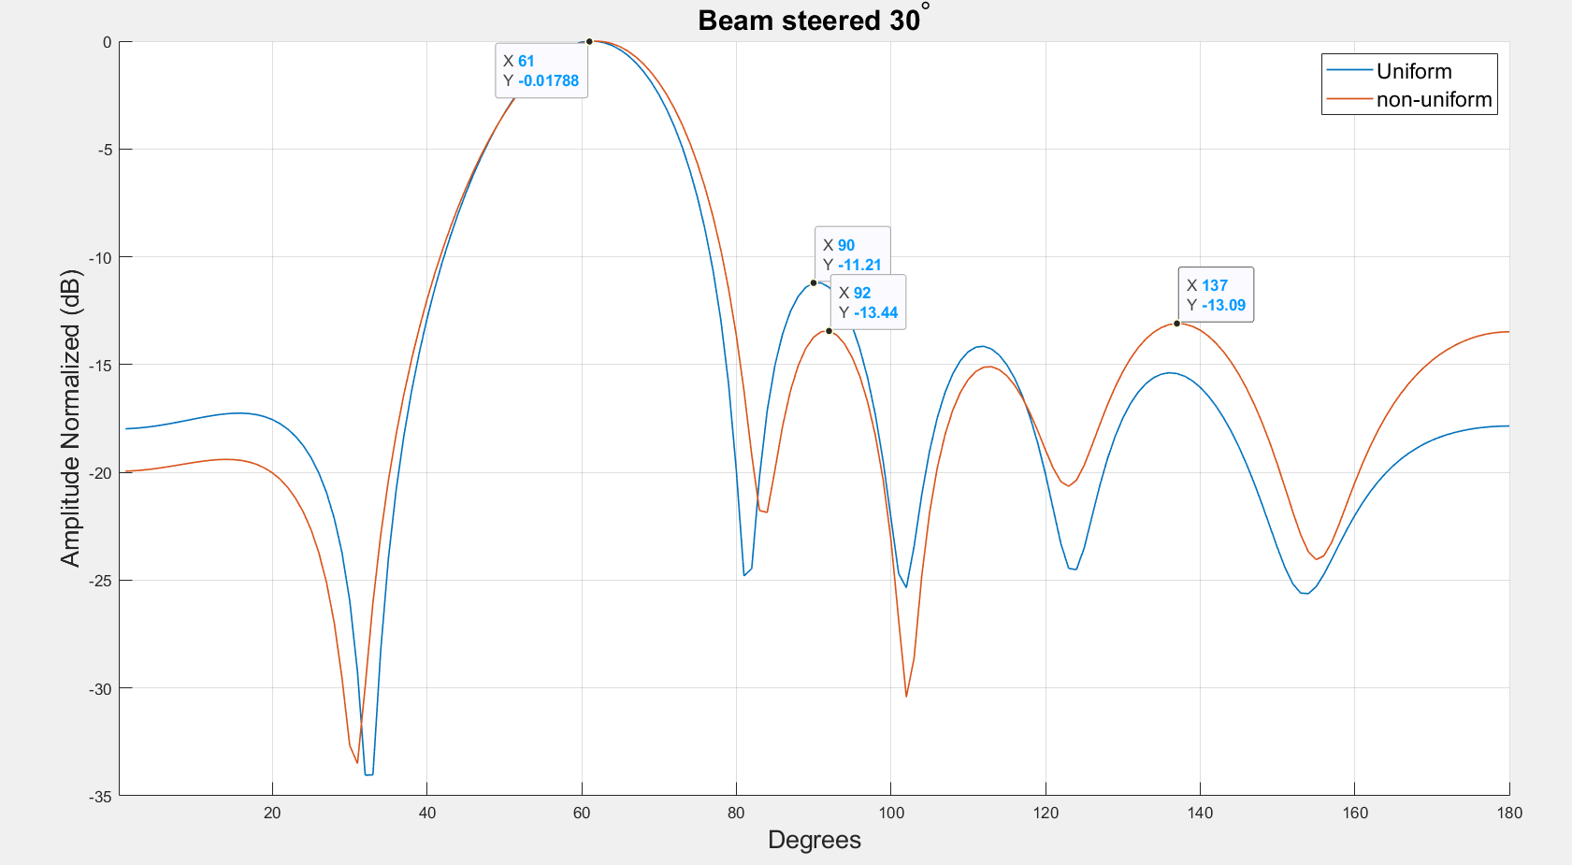
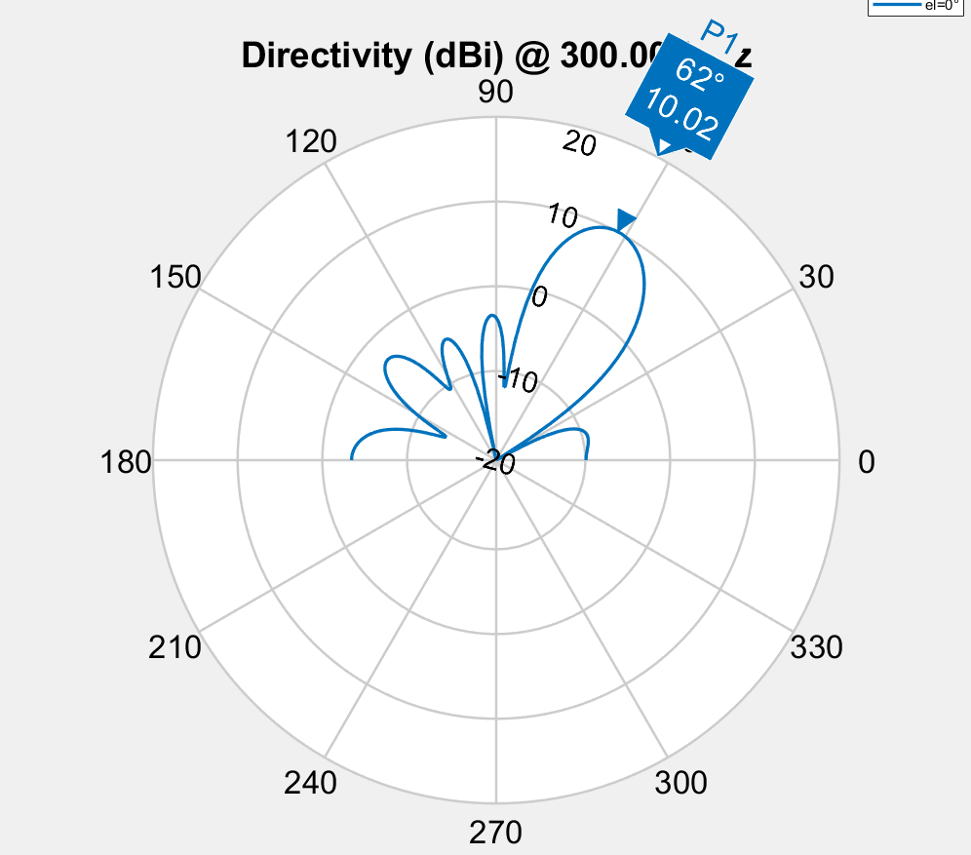
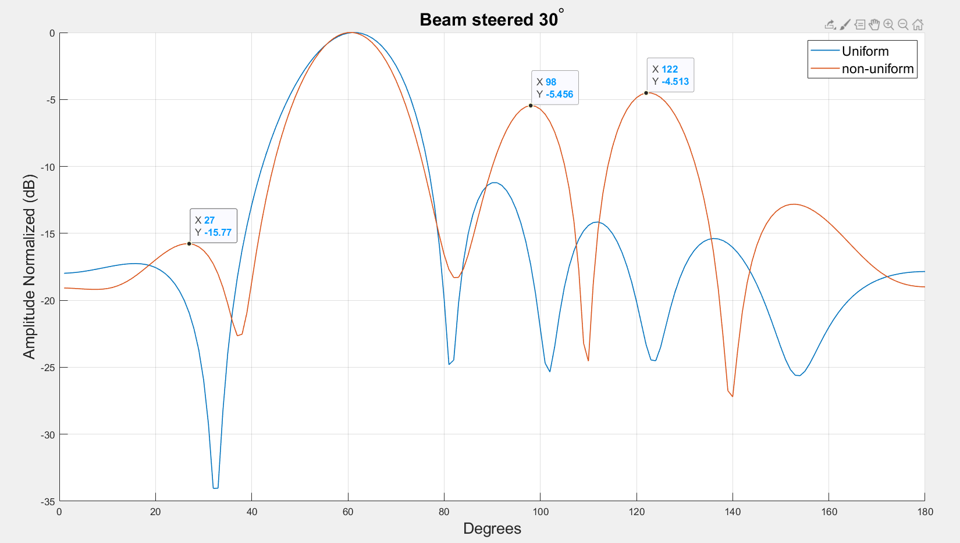
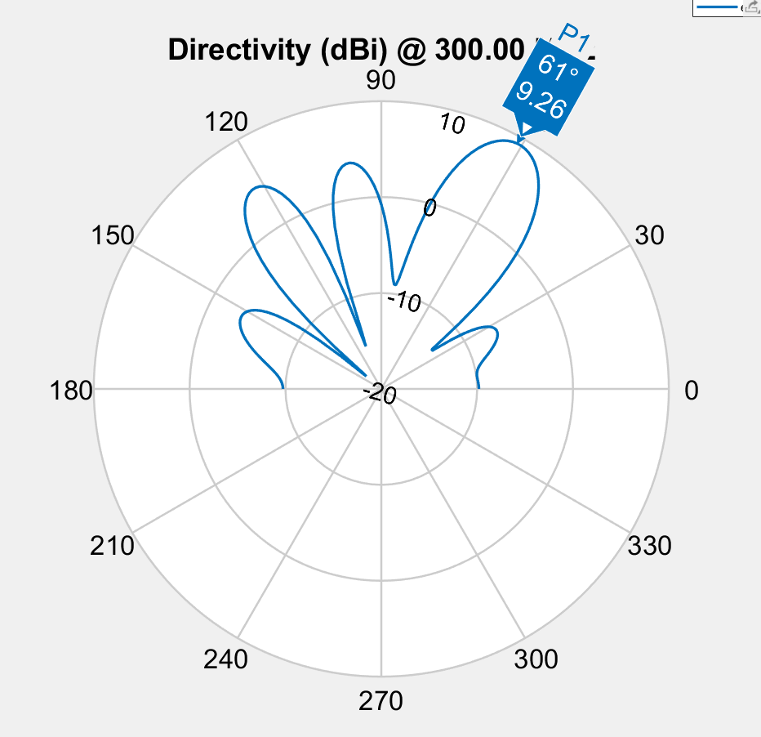
 |  | Spacing |  |  |  |  | Phase |  |  |  |  |  | Amplitude
run1 | -4.7837463247 | 0.5 | 0.509 | 0.479 | 0.509 | 0.5 | 183.6 | 100.9 | 25 | 298.8 | 221.9 | 117.5 | 0.54133706658 | 0.947 | 0.86304856946 | 0.976 | 0.953 | 1
run2 | -4.5609574409 | 0.549 | 0.43 | 0.46 | 0.43 | 0.549 | 38.6 | 276.5 | 177.9 | 101.1 | 39 | 316.3 | 0.714 | 0.937 | 0.959 | 0.865 | 0.945 | 1
run3 | -3.7116442731 | 0.952 | 0.319 | 0.376 | 0.319 | 0.952 | 49.2 | 212.4 | 136.2 | 77.5 | 37 | 248.5 | 0.832 | 0.897 | 0.901 | 0.873 | 0.937 | 1

 |  |  |  |  |  |  | 86.4 | 169.1 | 115 | -28.8 | 48.1 | 152.5

 | 0 | 0.5 | 0.549 | 0.952
 |  | 0.509 | 0.43 | 0.319
 |  | 0.479 | 0.46 | 0.376
 |  | 0.509 | 0.43 | 0.319
 |  | 0.5 | 0.549 | 0.952
 | 0 | 183.6 | 38.6 | 49.2
 |  | 100.9 | 276.5 | 212.4
 |  | 25 | 177.9 | 136.2
 |  | 298.8 | 101.1 | 77.5
 |  | 221.9 | 39 | 37
 |  | 117.5 | 316.3 | 248.5
 | 0 | 0.54133706658 | 0.714 | 0.832
 |  | 0.947 | 0.937 | 0.897
 |  | 0.86304856946 | 0.959 | 0.901
 |  | 0.976 | 0.865 | 0.873
 |  | 0.953 | 0.945 | 0.937
 |  | 1 | 1 | 1

45deg
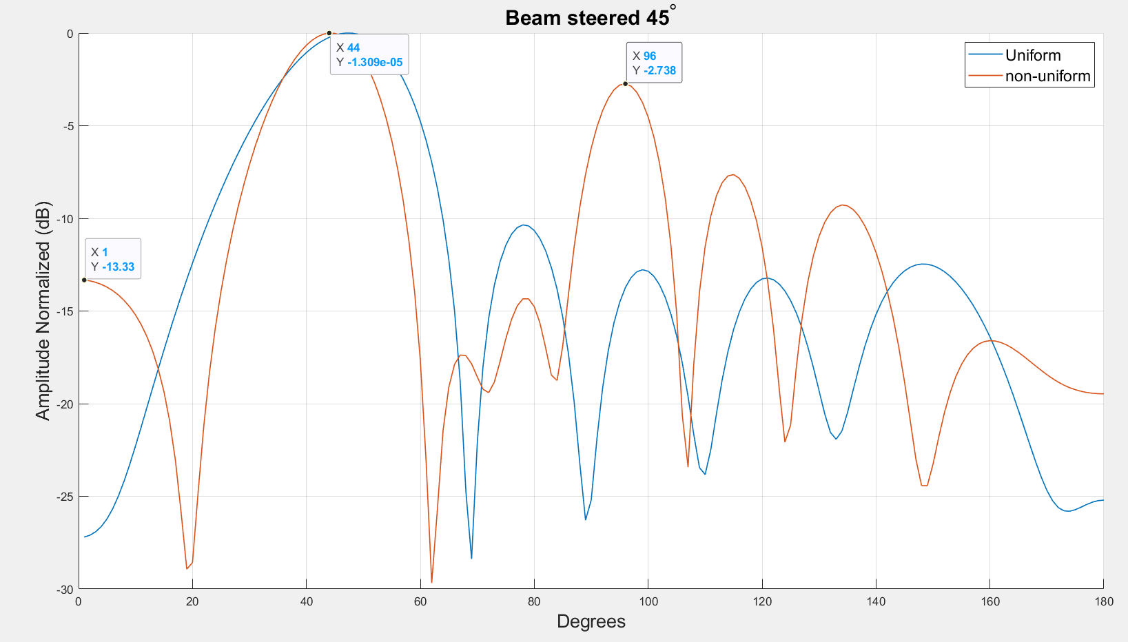
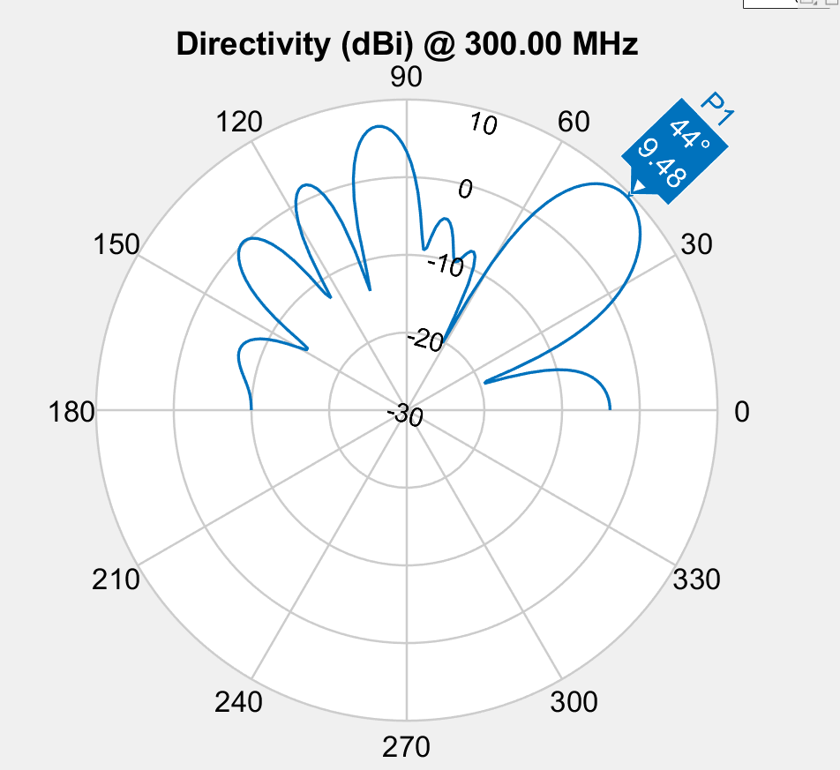
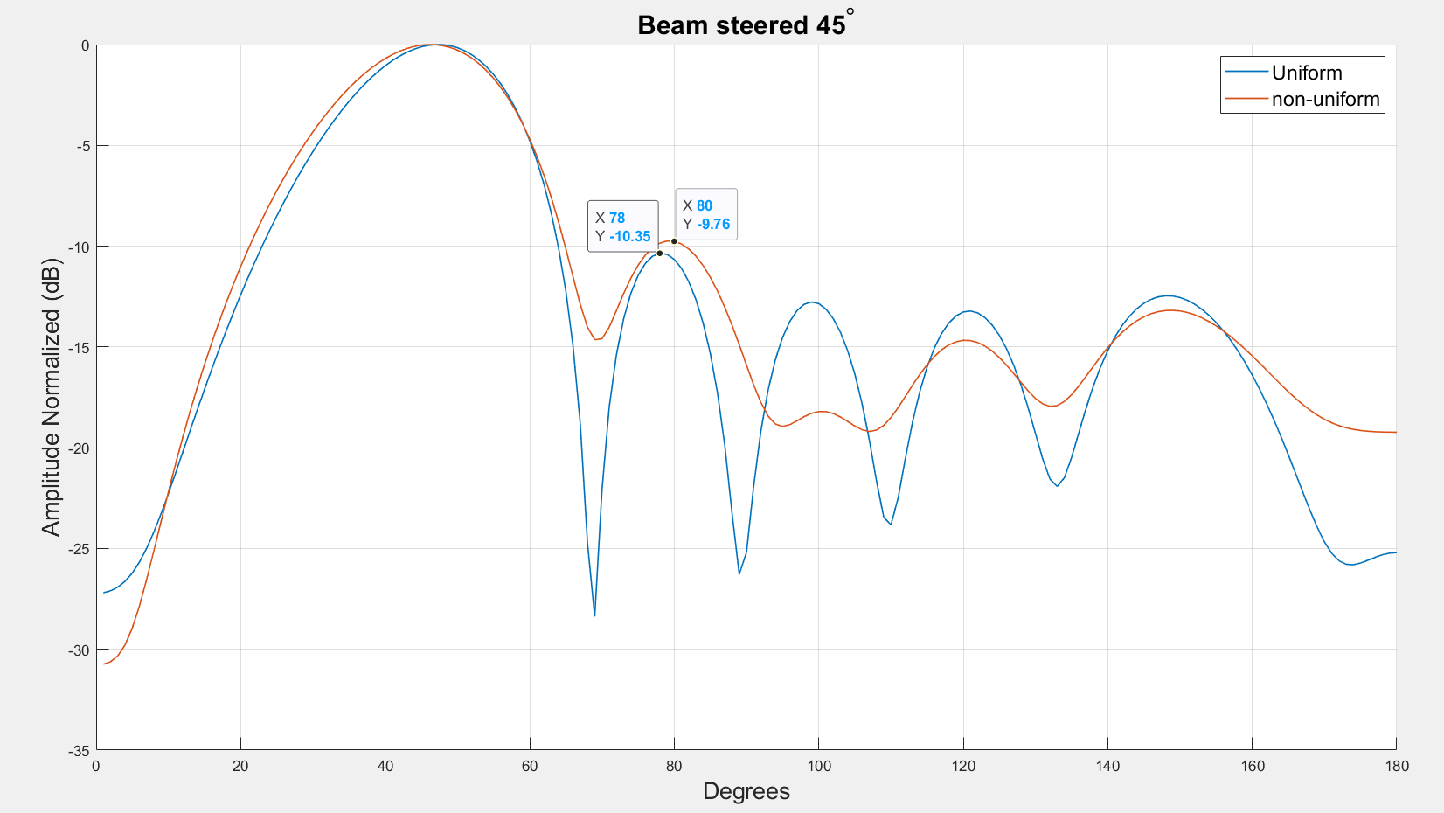
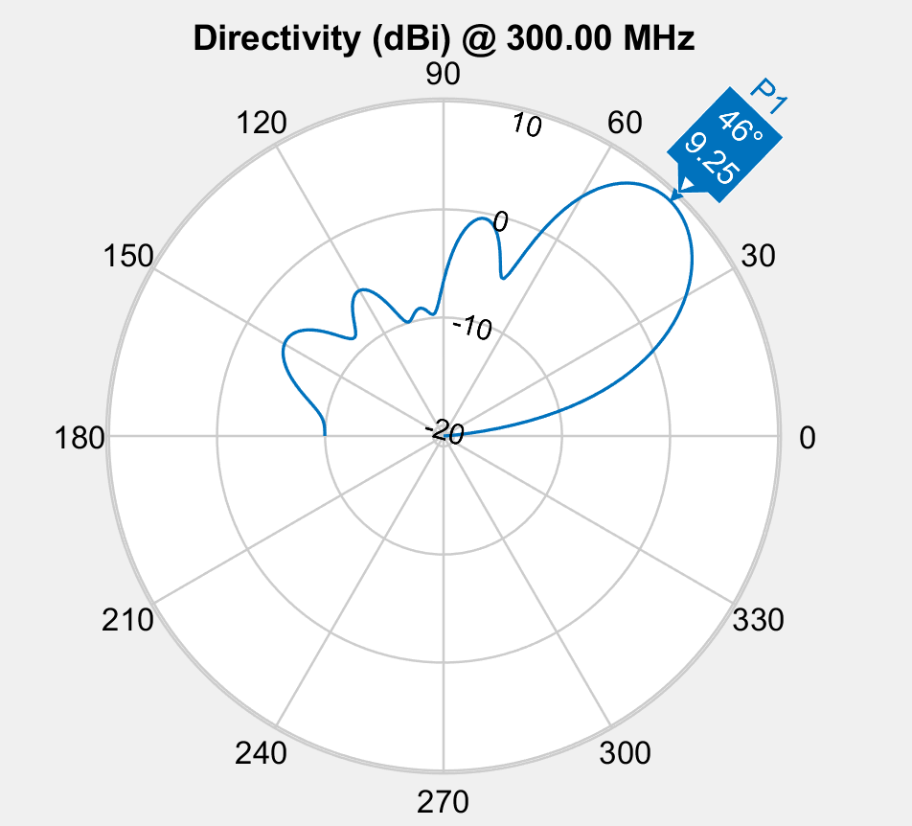
 |  | Spacing |  |  |  |  | Phase |  |  |  |  |  | Amplitude
run1 | -4.3752818042 | 0.406 | 0.502 | 0.641 | 0.502 | 0.406 | 327.7 | 227.3 | 82.6 | 300 | 183.4 | 45.8 | 0.589 | 0.857 | 0.927 | 0.471 | 0.832 | 1
run2 | -3.7752138815 | 0.981 | 0.388 | 0.839 | 0.388 | 0.981 | 93.1 | 187.7 | 65.1 | 209.1 | 136.7 | 233.1 | 0.823 | 0.931 | 0.934 | 0.599 | 0.943 | 1
run3 | -4.0476846462 | 0.417 | 0.469 | 0.591 | 0.469 | 0.417 | 34.8 | 239.5 | 112.8 | 313.7 | 218.7 | 106.7 | 0.734 | 0.981 | 0.988 | 0.595 | 0.938 | 1
Spacing
Phase
Amplitude

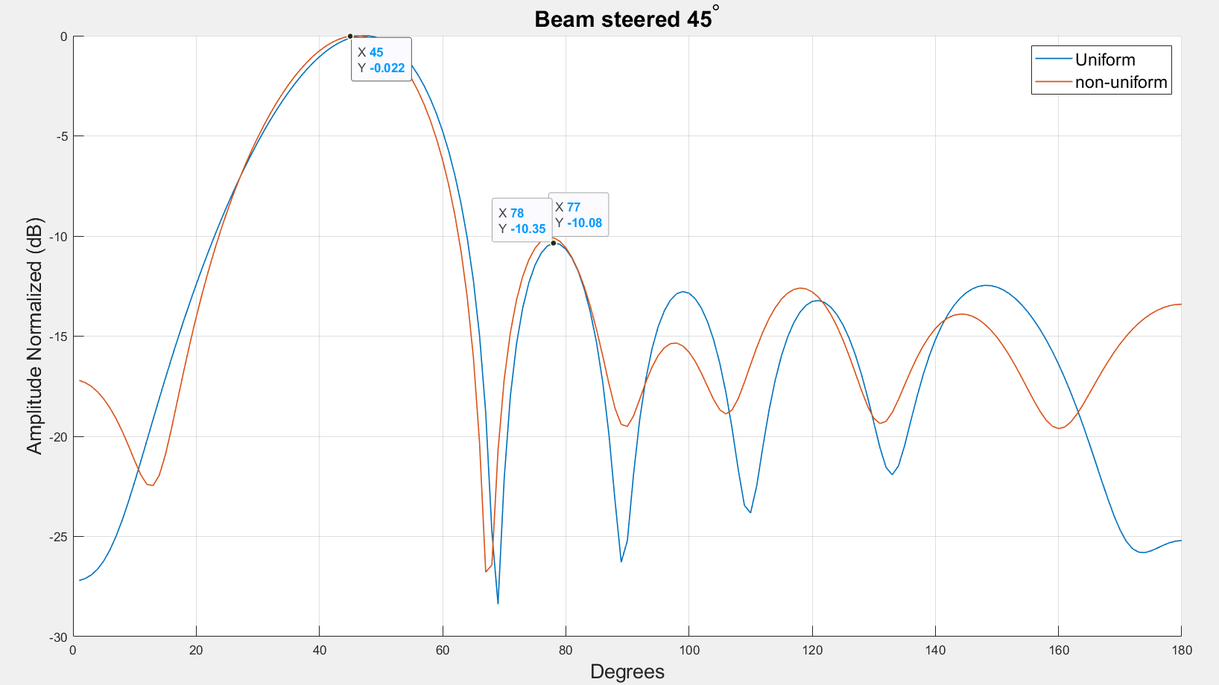
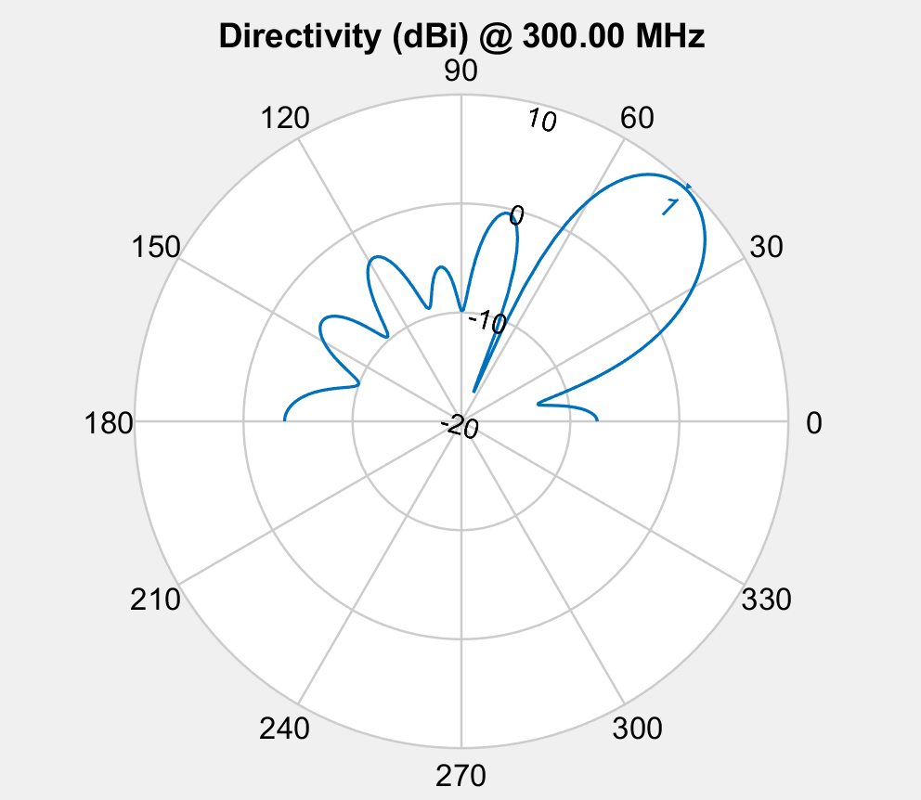
population_total = 500;
crossover_rate = 0.5;
mutation_rate = 0.1;
simulations = 50;
steer = 45;
-10db inner circle
5db outer circle
10 deg from target

60deg
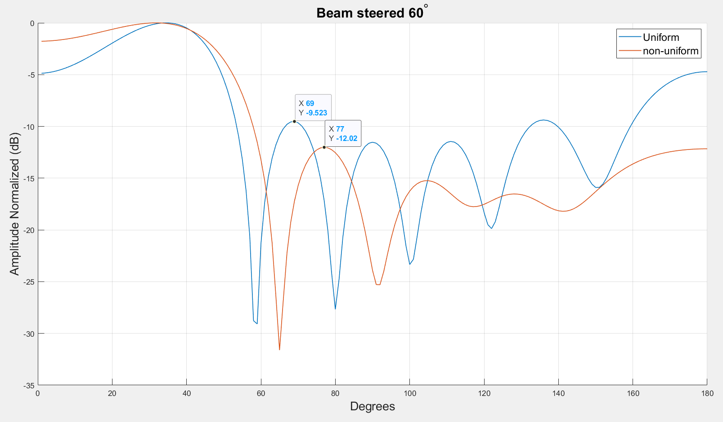
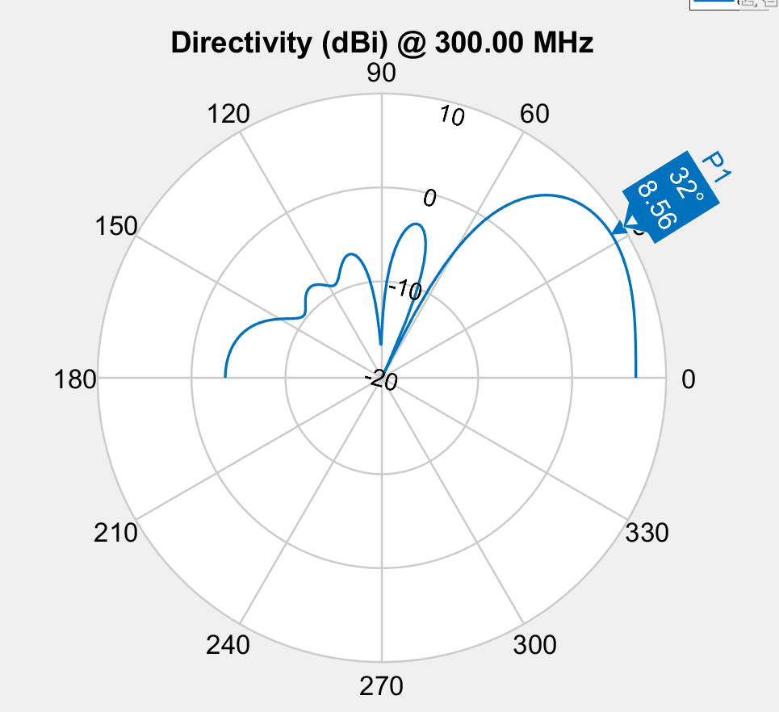
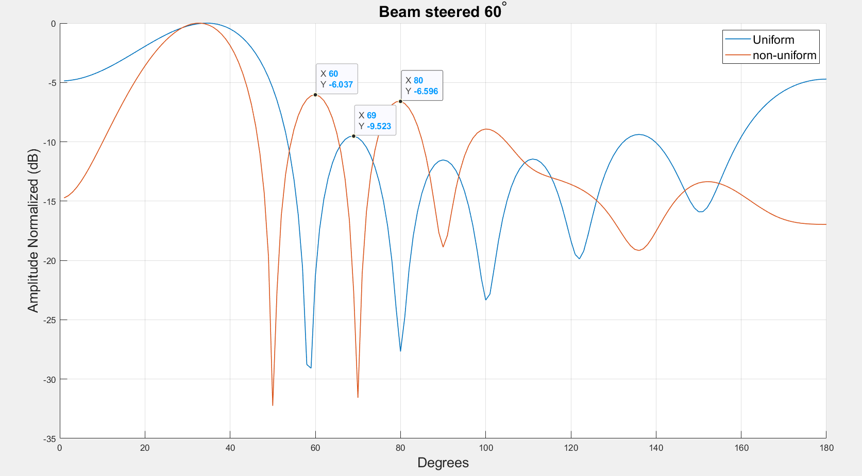
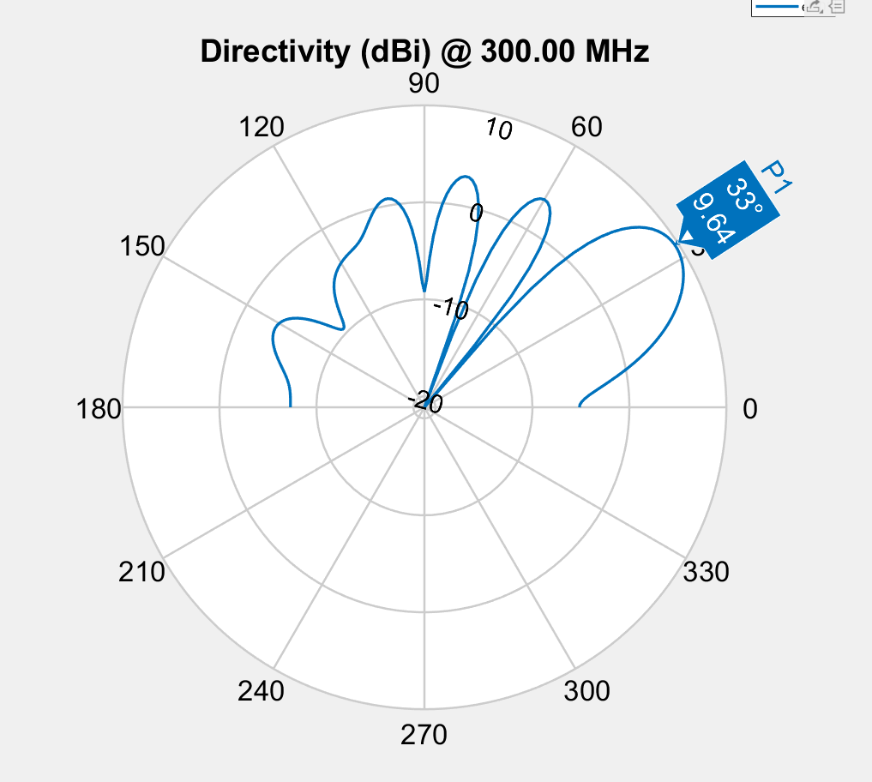
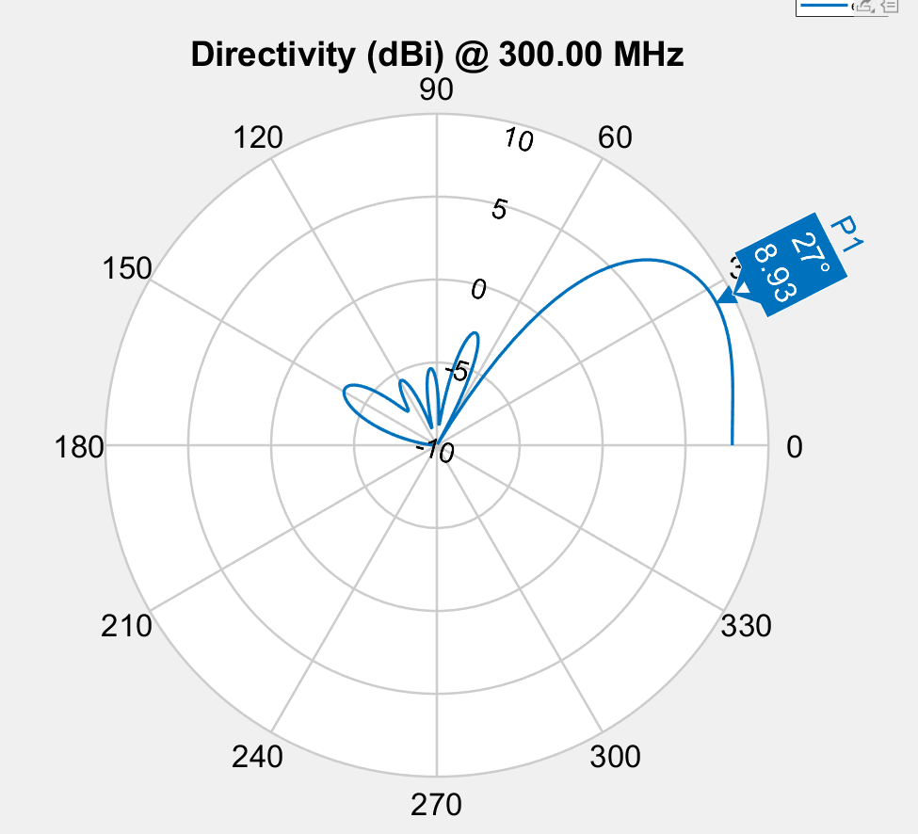
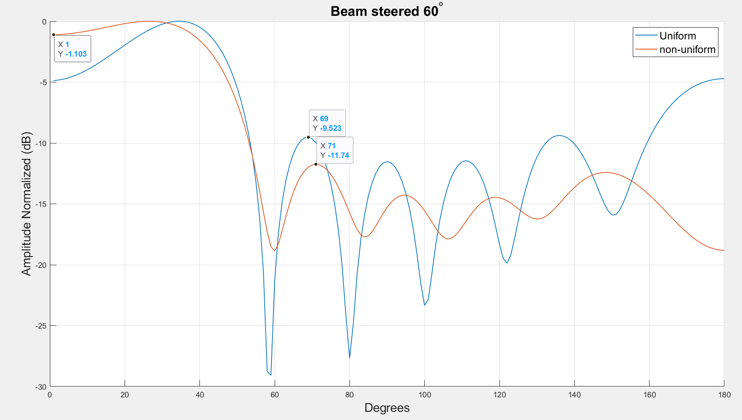
 |  | Spacing |  |  |  |  | Phase |  |  |  |  |  | Amplitude
Spacing | -2.8923507354 | 0.342 | 0.472 | 0.322 | 0.472 | 0.342 | 248.4 | 103.1 | 324.5 | 210.7 | 69.7 | 324.3 | 0.613 | 0.928 | 0.944 | 0.999 | 0.944 | 1
Phase | -3.4506990425 | 0.175 | 0.917 | 0.922 | 0.917 | 0.175 | 195.8 | 84.1 | 151.4 | 215.1 | 61.2 | 264.5 | 0.216 | 0.983 | 0.608 | 0.403 | 0.341 | 1
Amplitude | -3.1515534087 | 0.341 | 0.512 | 0.371 | 0.512 | 0.341 | 68.5 | 281.2 | 145.5 | 18.5 | 212.1 | 85.1 | 0.611 | 0.732 | 0.783 | 0.954 | 0.852 | 1

Spacing
Phase
Amplitude

