Sheet1
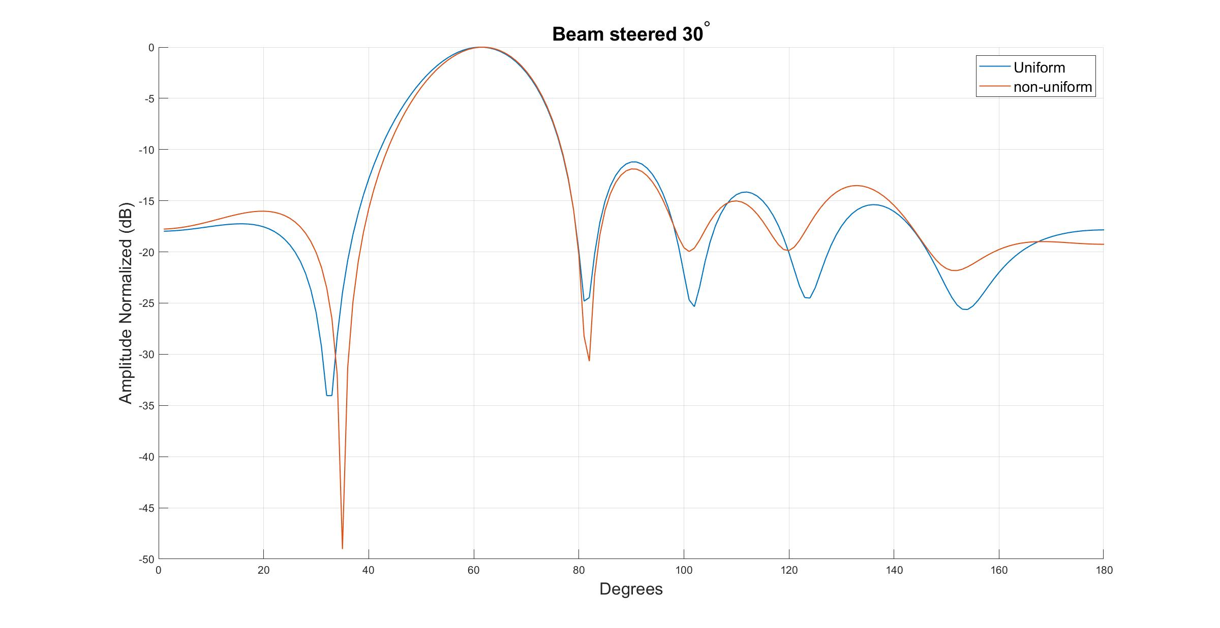
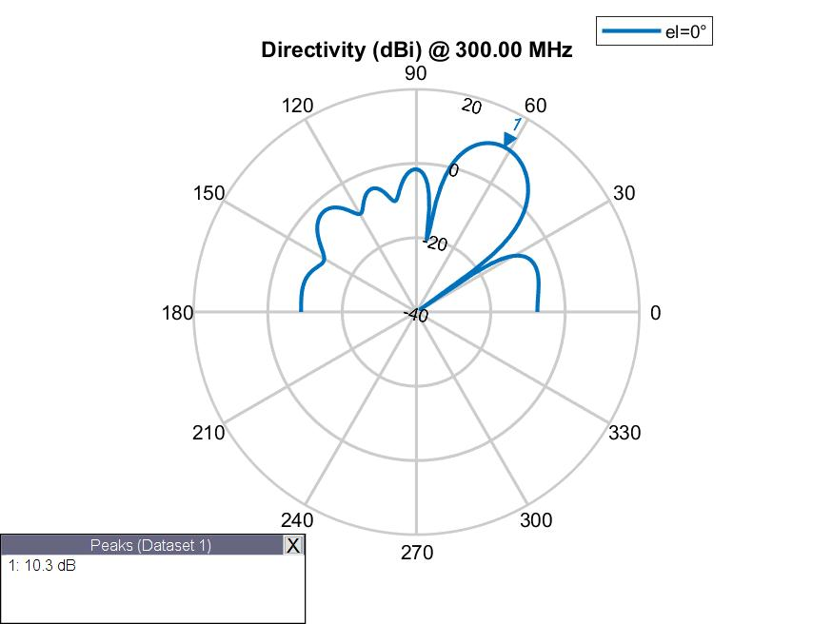

Spacing | 0.497 | 0.537 | 0.509 | 0.537 | 0.497
Phase | 225.6 | 107.9 | 40 | 299.5 | 200.6 | 117.4
Amplitude | 1 | 1 | 1 | 1 | 1 | 1
Fitness | -4.46089937

