all
 | Fitness | Spacing |  |  |  |  | Phase |  |  |  |  |  | Amplitude
 |  | S1 | S2 | S3 |  |  | E1 | E2 | E3 | E4 | E5 | E6 | E1 | E2 | E3 | E4 | E5 | E6
30deg | -4.3698691429 | 0.492 | 0.577 | 0.472 | 0.577 | 0.492 | 245 | 136.3 | 53.8 | 311.5 | 210.3 | 123.9 | 1 | 1 | 1 | 1 | 1 | 1
30deg | -4.1643237749 | 0.507 | 0.52 | 0.461 | 0.52 | 0.507 | 266.2 | 186 | 84.4 | 17.4 | 296 | 185.8 | 1 | 1 | 1 | 1 | 1 | 1
30deg | -4.46089937 | 0.497 | 0.537 | 0.509 | 0.537 | 0.497 | 225.6 | 107.9 | 40 | 299.5 | 200.6 | 117.4 | 1 | 1 | 1 | 1 | 1 | 1
45deg | -3.0036871506 | 0.423 | 0.462 | 0.603 | 0.462 | 0.423 | 81.9 | 297.7 | 174 | 14.2 | 267.8 | 162.9 | 1 | 1 | 1 | 1 | 1 | 1
45deg | -3.2383584084 | 0.408 | 0.426 | 0.393 | 0.426 | 0.408 | 186.7 | 78.4 | 313.2 | 214.3 | 123.8 | 31.6 | 1 | 1 | 1 | 1 | 1 | 1
45deg | -3.5126919867 | 0.434 | 0.5 | 0.501 | 0.5 | 0.434 | 176.5 | 51.7 | 276.4 | 162.3 | 45 | 274.9 | 1 | 1 | 1 | 1 | 1 | 1
60deg | -2.4199343432 | 0.202 | 0.56 | 0.417 | 0.56 | 0.202 | 105.1 | 327 | 168.3 | 24.1 | 239.5 | 144.6 | 1 | 1 | 1 | 1 | 1 | 1
60deg | -2.1661666971 | 0.178 | 0.761 | 0.331 | 0.761 | 0.178 | 191.3 | 89.8 | 221 | 132.9 | 291.5 | 191 | 1 | 1 | 1 | 1 | 1 | 1
60deg | -2.476825051 | 0.371 | 0.417 | 0.343 | 0.417 | 0.371 | 199.7 | 70.3 | 306.4 | 195.3 | 77.4 | 306.6 | 1 | 1 | 1 | 1 | 1 | 1
70deg | -1.7996238099 | 0.166 | 0.728 | 0.222 | 0.728 | 0.166 | 55 | 302 | 79 | 15 | 208.5 | 76 | 1 | 1 | 1 | 1 | 1 | 1
70deg | -1.6659459103 | 0.701 | 0.784 | 0.429 | 0.784 | 0.701 | 280 | 38.5 | 231 | 87 | 107 | 221 | 1 | 1 | 1 | 1 | 1 | 1
70deg | -1.8150536263 | 0.136 | 0.805 | 0.445 | 0.805 | 0.136 | 216 | 109.5 | 224.5 | 117 | 155 | 132.8 | 1 | 1 | 1 | 1 | 1 | 1
80deg | -2.9423417789 | 0.114 | 0.504 | 0.44 | 0.504 | 0.114 | 209.4 | 80.9 | 244.7 | 108.3 | 286.2 | 180.5 | 1 | 1 | 1 | 1 | 1 | 1
80deg | -2.7829781864 | 0.14 | 0.746 | 0.273 | 0.746 | 0.14 | 244.1 | 150.6 | 260.5 | 139.8 | 263.3 | 151.4 | 1 | 1 | 1 | 1 | 1 | 1
80deg | -2.7612286024 | 0.811 | 0.219 | 0.824 | 0.219 | 0.811 | 157.1 | 257.8 | 150.4 | 221.1 | 129.4 | 183.6 | 1 | 1 | 1 | 1 | 1 | 1
Spacing for each solution
Fitness vs Xdeg

Spacing S1 S2 S3

Phase for each solution

30deg
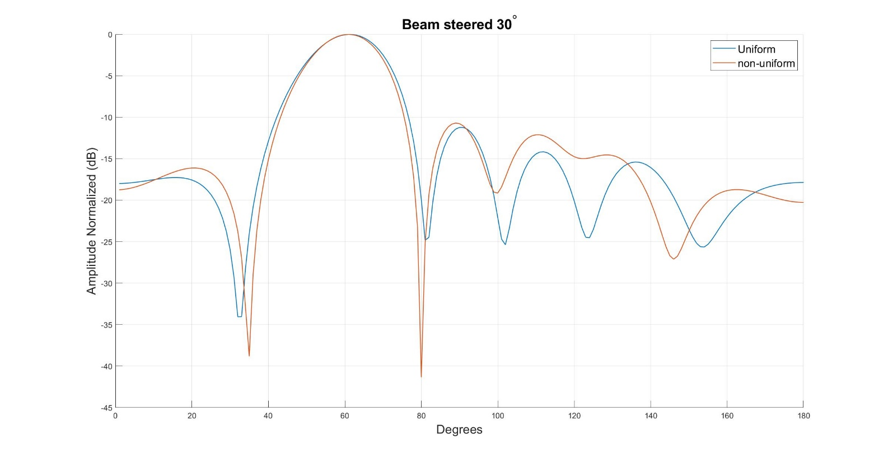
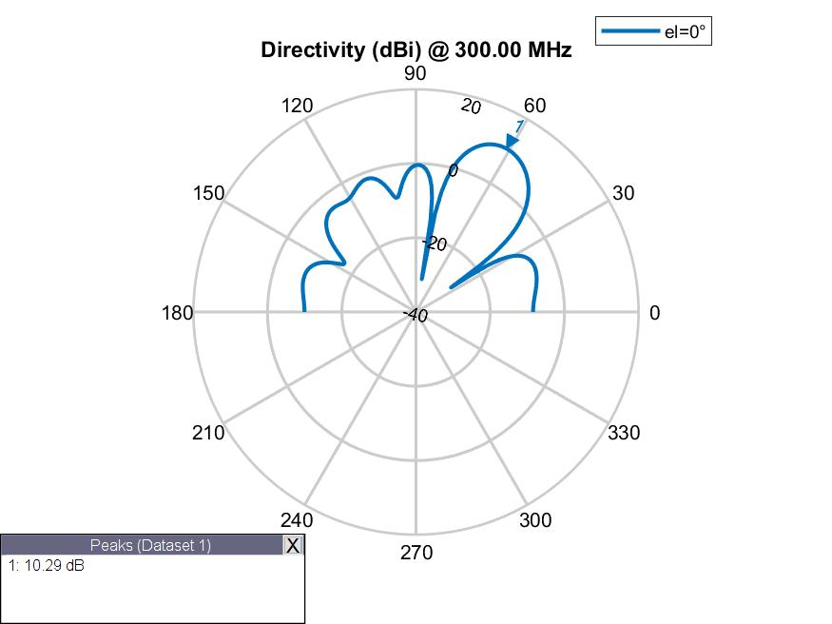
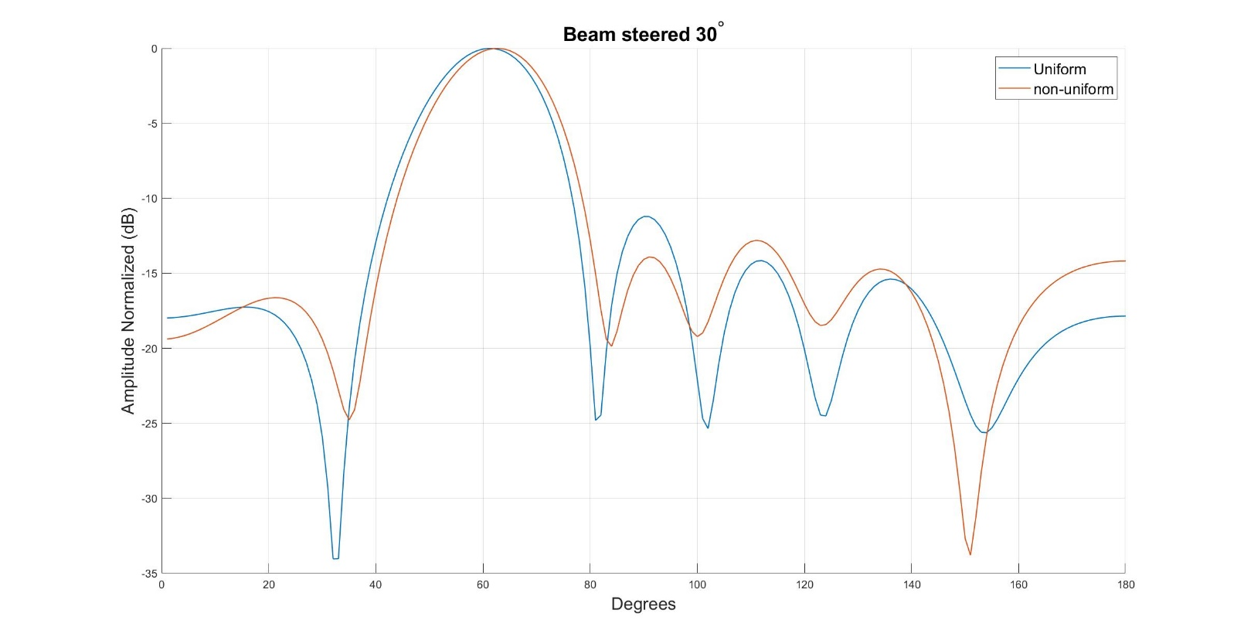
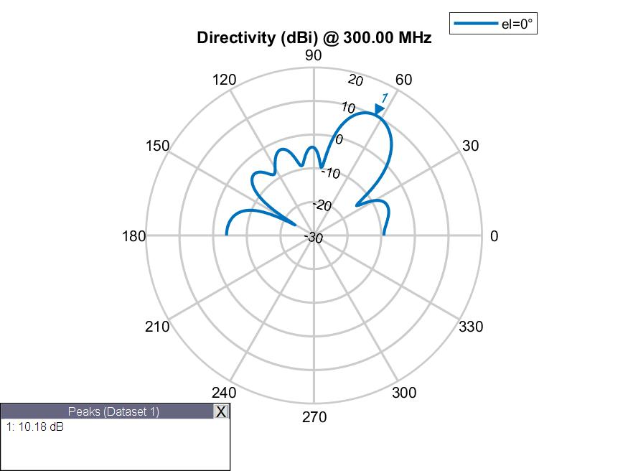
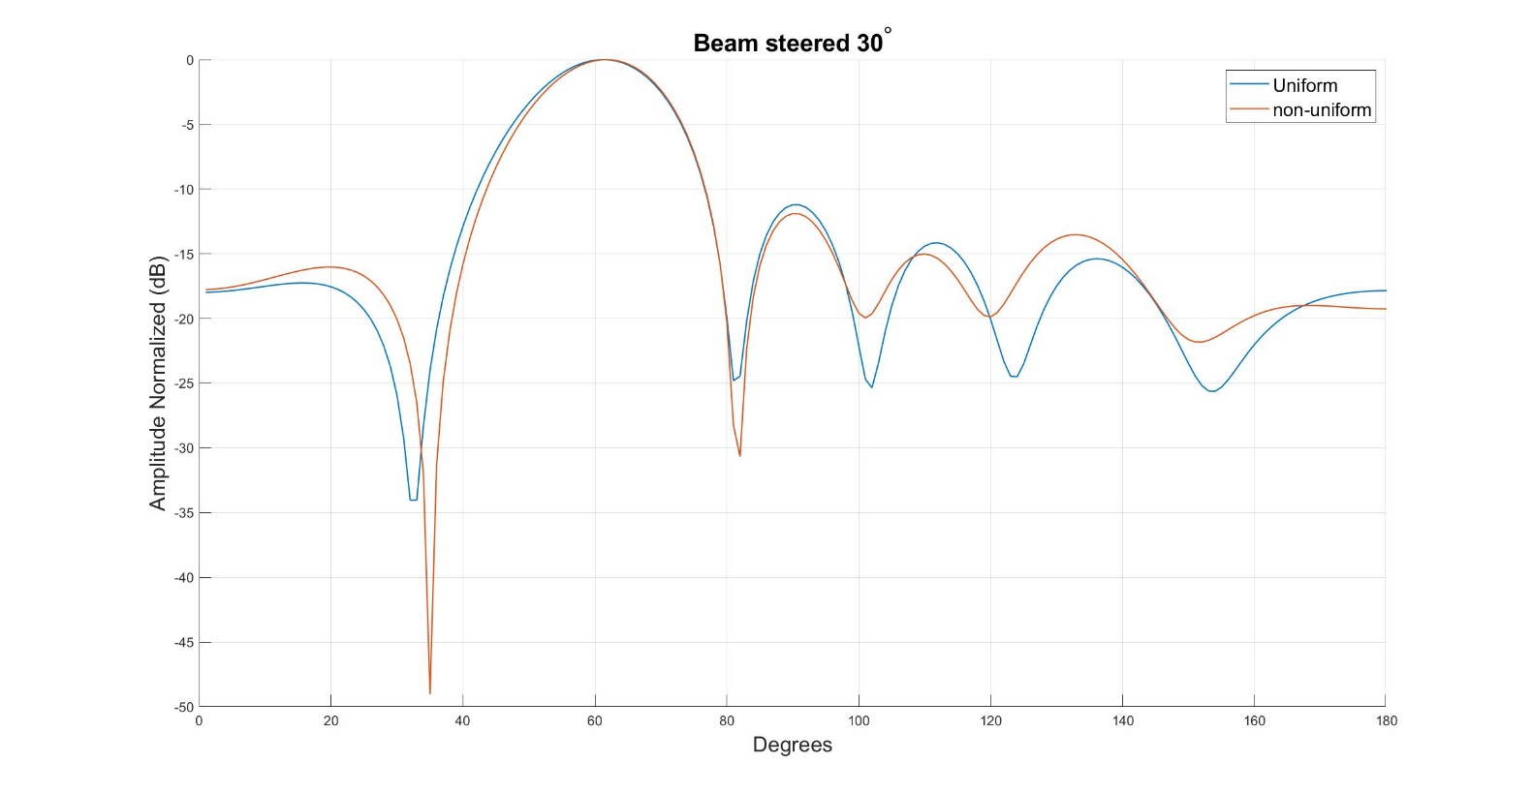
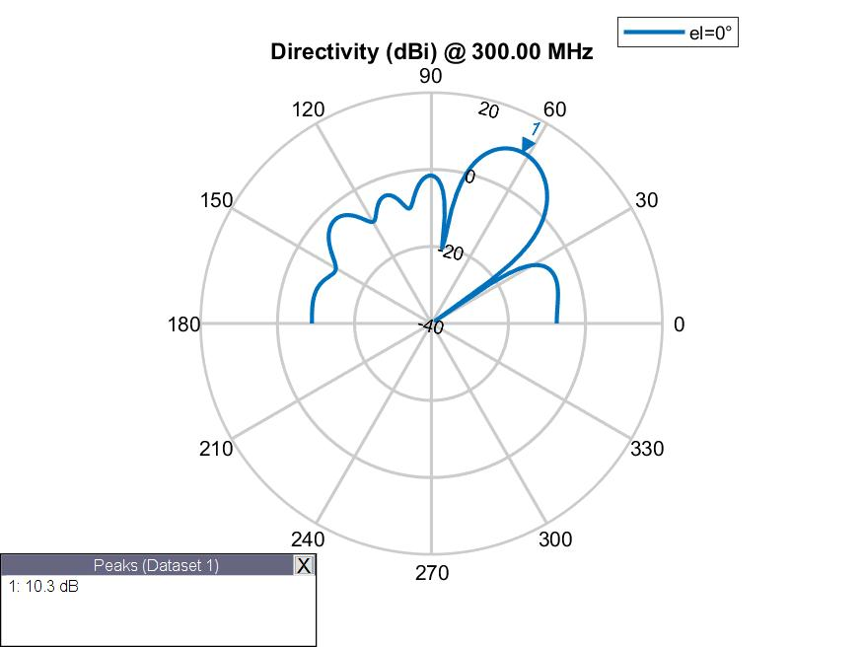
 | Fitness | Spacing |  |  |  |  | Phase |  |  |  |  |  | Amplitude
Run1 | -4.3698691429 | 0.492 | 0.577 | 0.472 | 0.577 | 0.492 | 245 | 136.3 | 53.8 | 311.5 | 210.3 | 123.9 | 1 | 1 | 1 | 1 | 1 | 1
Run2 | -4.1643237749 | 0.507 | 0.52 | 0.461 | 0.52 | 0.507 | 266.2 | 186 | 84.4 | 17.4 | 296 | 185.8 | 1 | 1 | 1 | 1 | 1 | 1
Run3 | -4.46089937 | 0.497 | 0.537 | 0.509 | 0.537 | 0.497 | 225.6 | 107.9 | 40 | 299.5 | 200.6 | 117.4 | 1 | 1 | 1 | 1 | 1 | 1

45deg
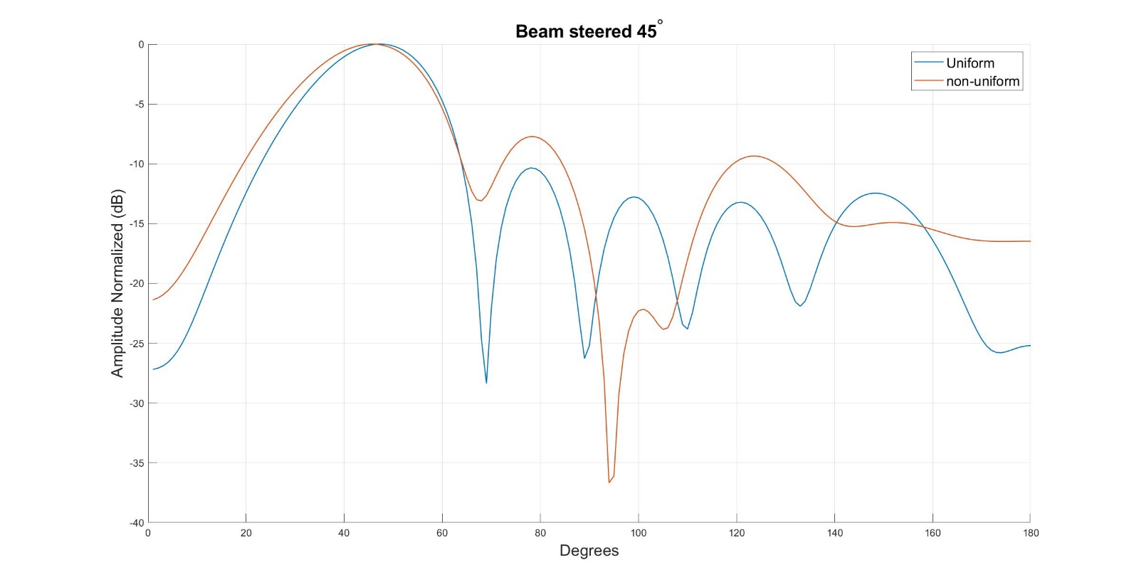
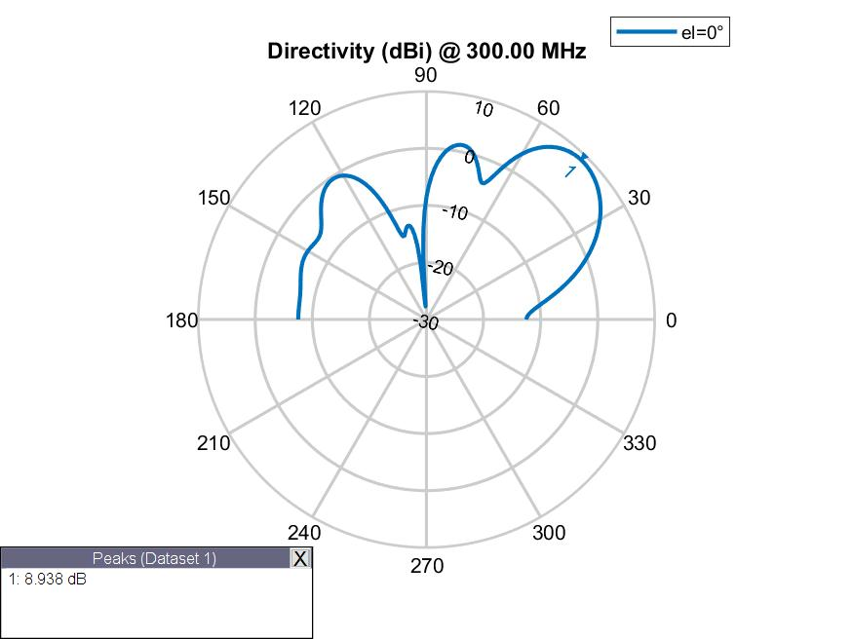
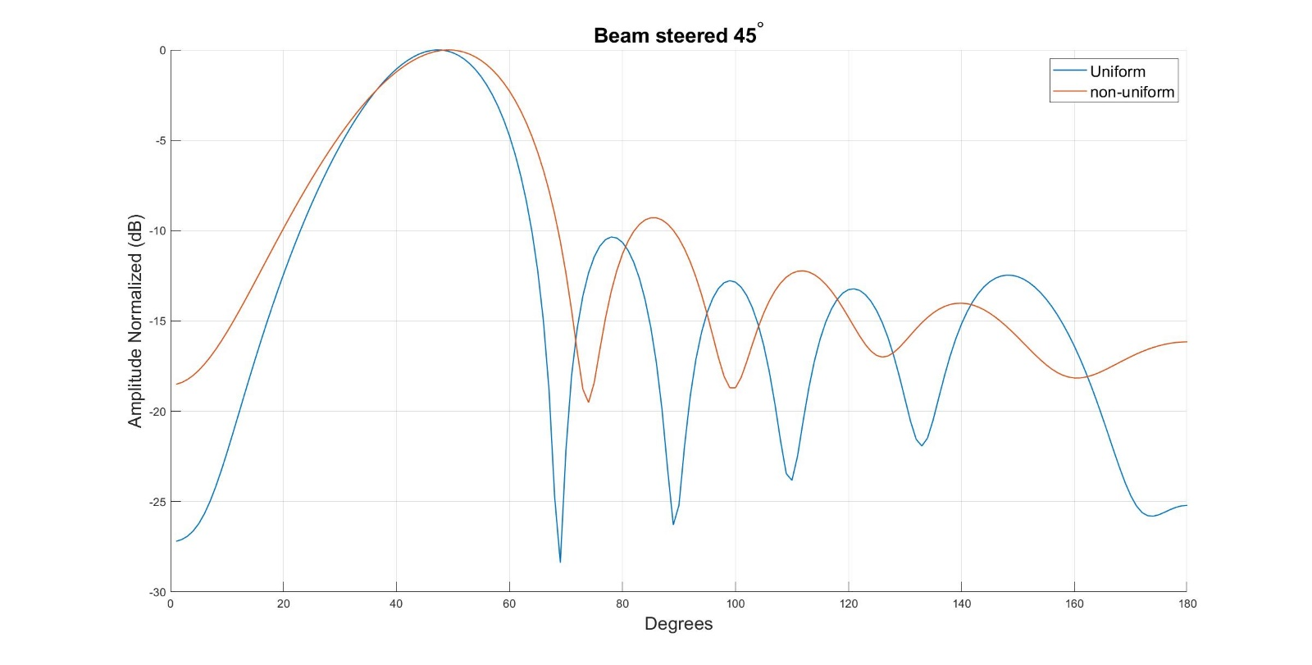
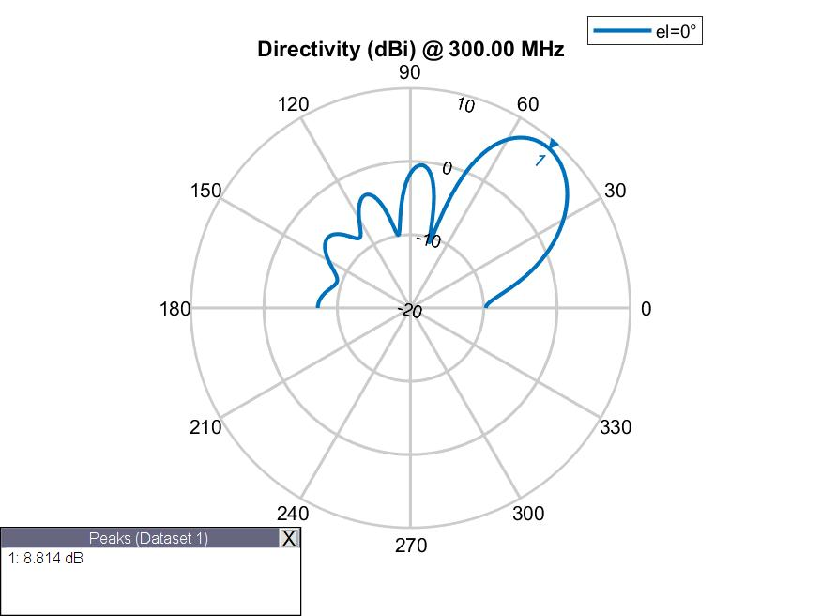
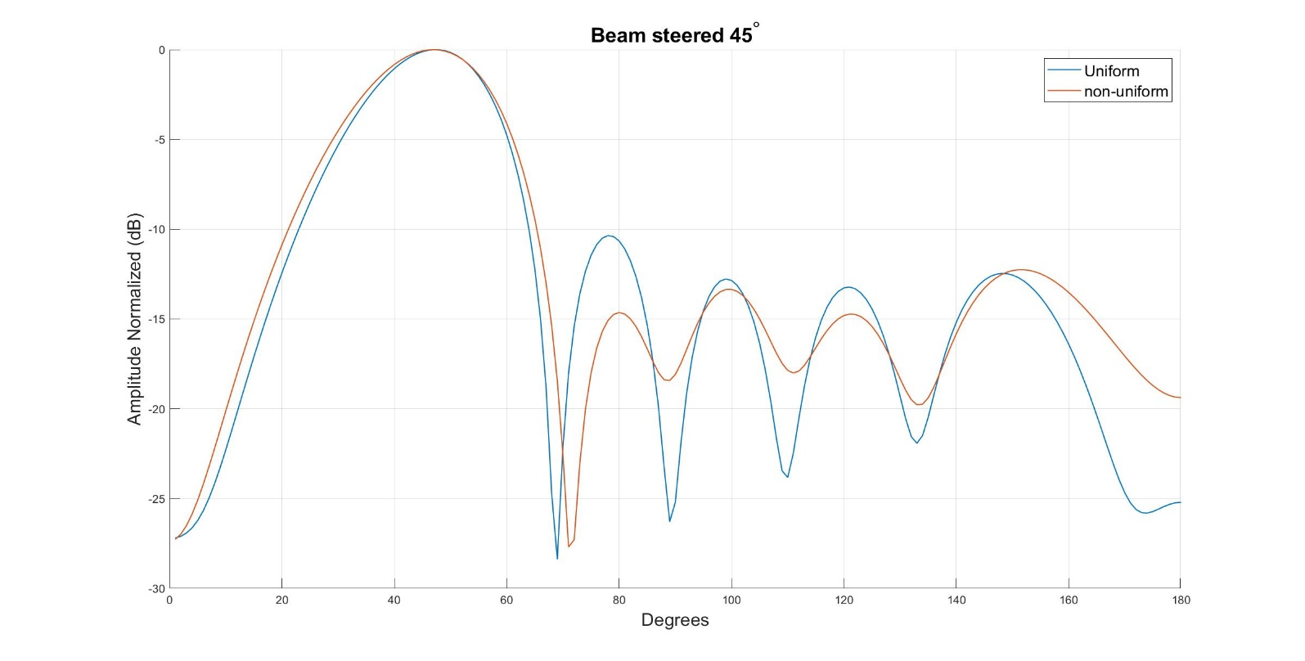
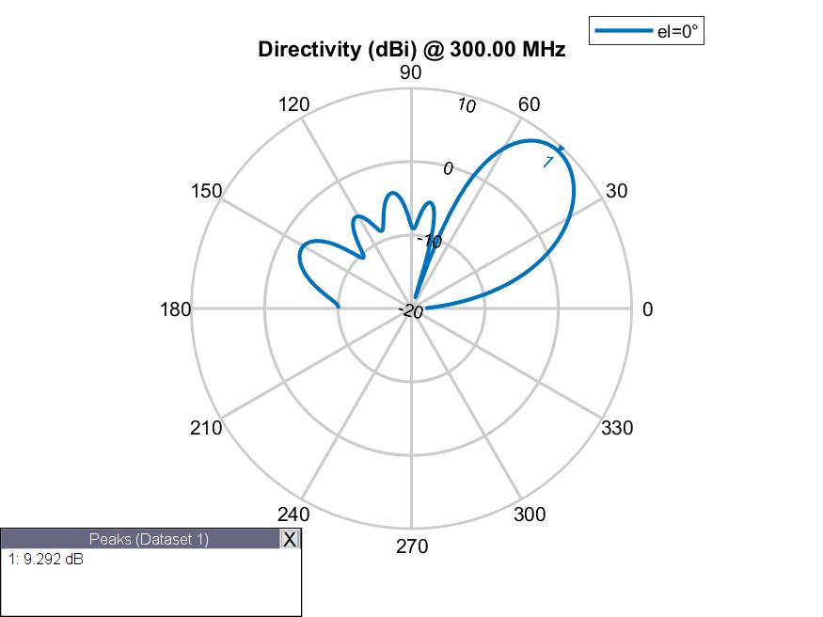
 | Fitness | Spacing |  |  |  |  | Phase |  |  |  |  |  | Amplitude
Run1 | -3.0036871506 | 0.423 | 0.462 | 0.603 | 0.462 | 0.423 | 81.9 | 297.7 | 174 | 14.2 | 267.8 | 162.9 | 1 | 1 | 1 | 1 | 1 | 1
Run2 | -3.2383584084 | 0.408 | 0.426 | 0.393 | 0.426 | 0.408 | 186.7 | 78.4 | 313.2 | 214.3 | 123.8 | 31.6 | 1 | 1 | 1 | 1 | 1 | 1
Run3 | -3.5126919867 | 0.434 | 0.5 | 0.501 | 0.5 | 0.434 | 176.5 | 51.7 | 276.4 | 162.3 | 45 | 274.9 | 1 | 1 | 1 | 1 | 1 | 1

60deg
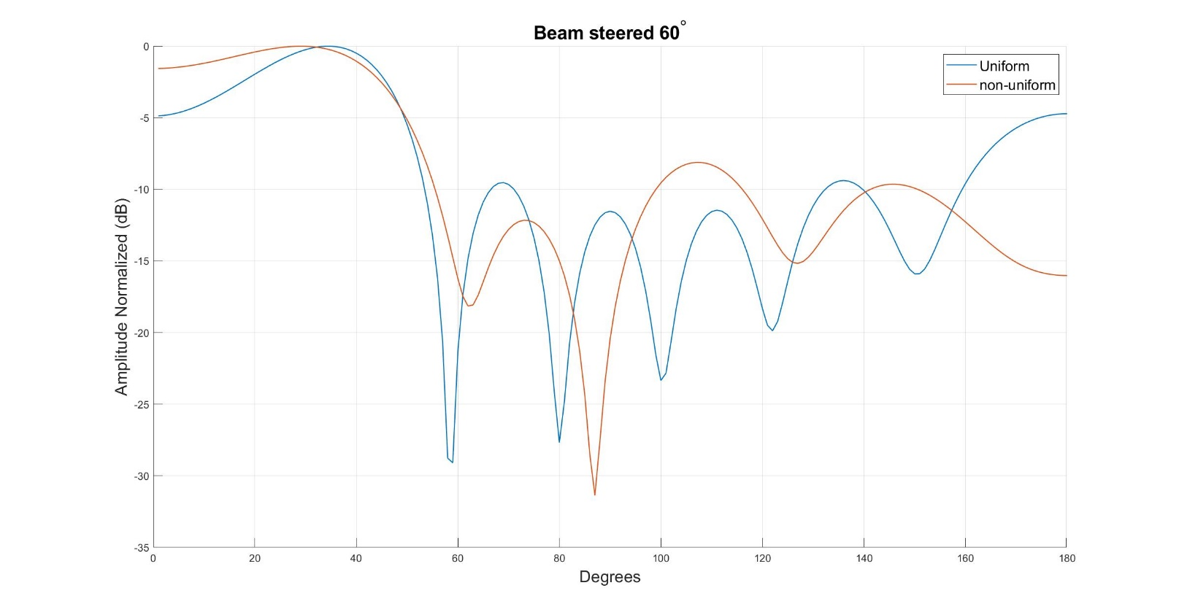
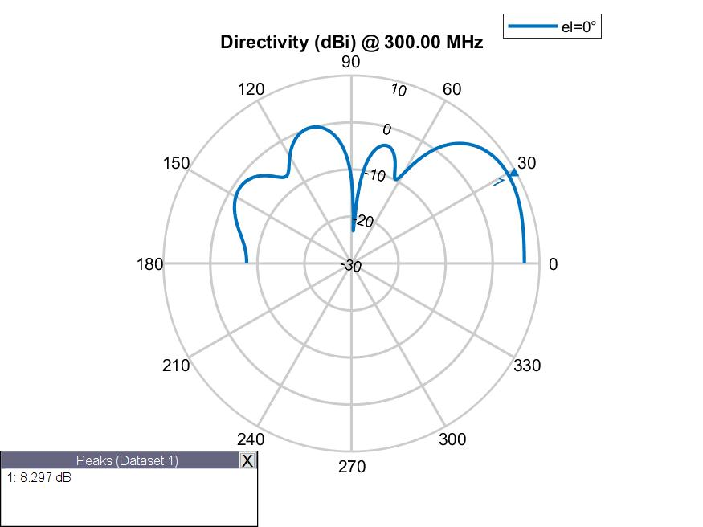
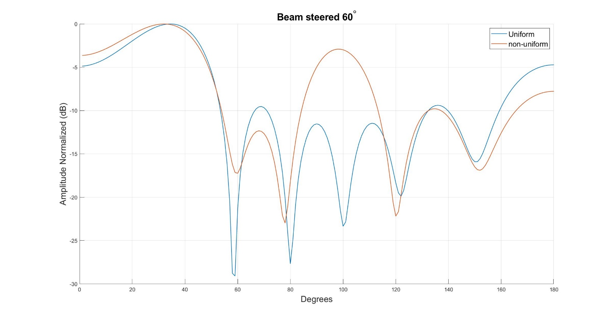
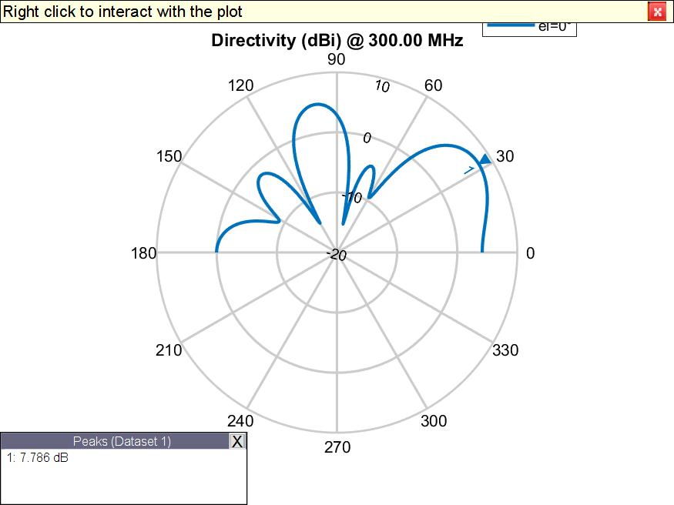
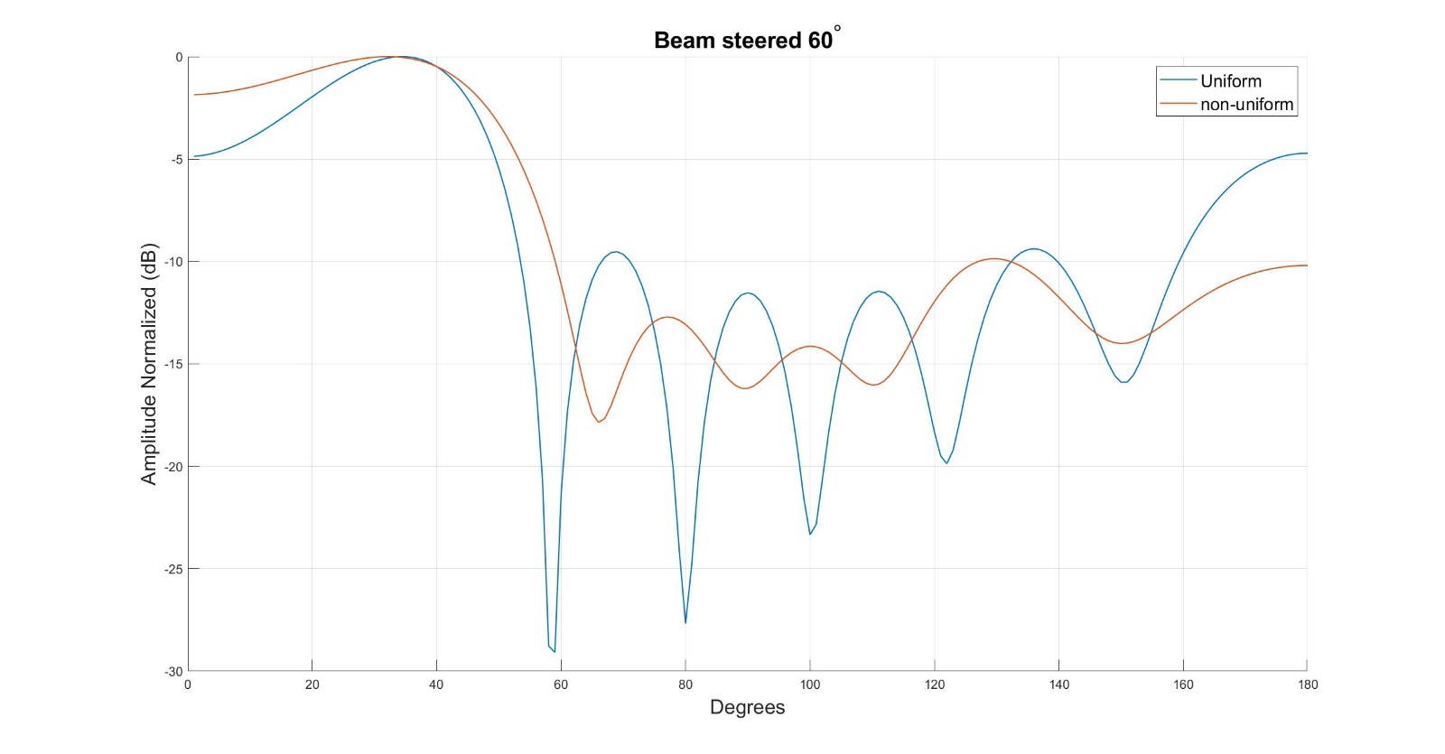
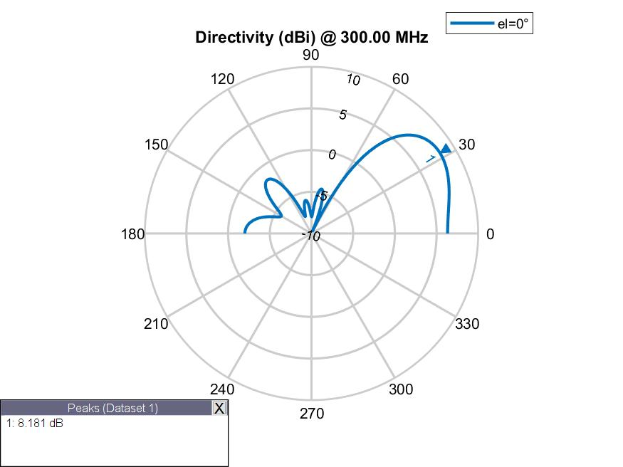
 | Fitness | Spacing |  |  |  |  | Phase |  |  |  |  |  | Amplitude
Run1 | -2.4199343432 | 0.202 | 0.56 | 0.417 | 0.56 | 0.202 | 105.1 | 327 | 168.3 | 24.1 | 239.5 | 144.6 | 1 | 1 | 1 | 1 | 1 | 1
Run2 | -2.1661666971 | 0.178 | 0.761 | 0.331 | 0.761 | 0.178 | 191.3 | 89.8 | 221 | 132.9 | 291.5 | 191 | 1 | 1 | 1 | 1 | 1 | 1
Run3 | -2.476825051 | 0.371 | 0.417 | 0.343 | 0.417 | 0.371 | 199.7 | 70.3 | 306.4 | 195.3 | 77.4 | 306.6 | 1 | 1 | 1 | 1 | 1 | 1

70deg
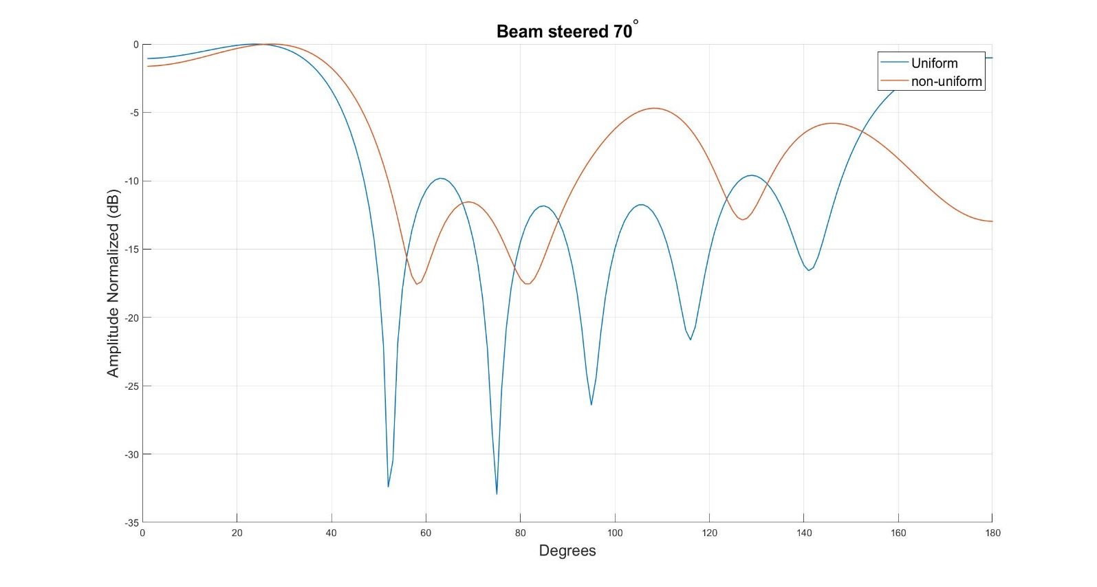
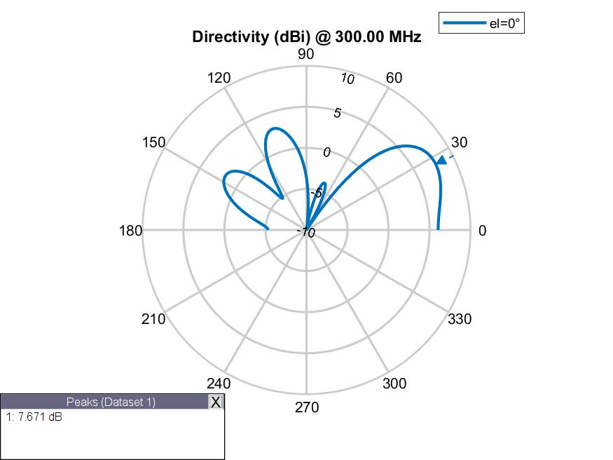
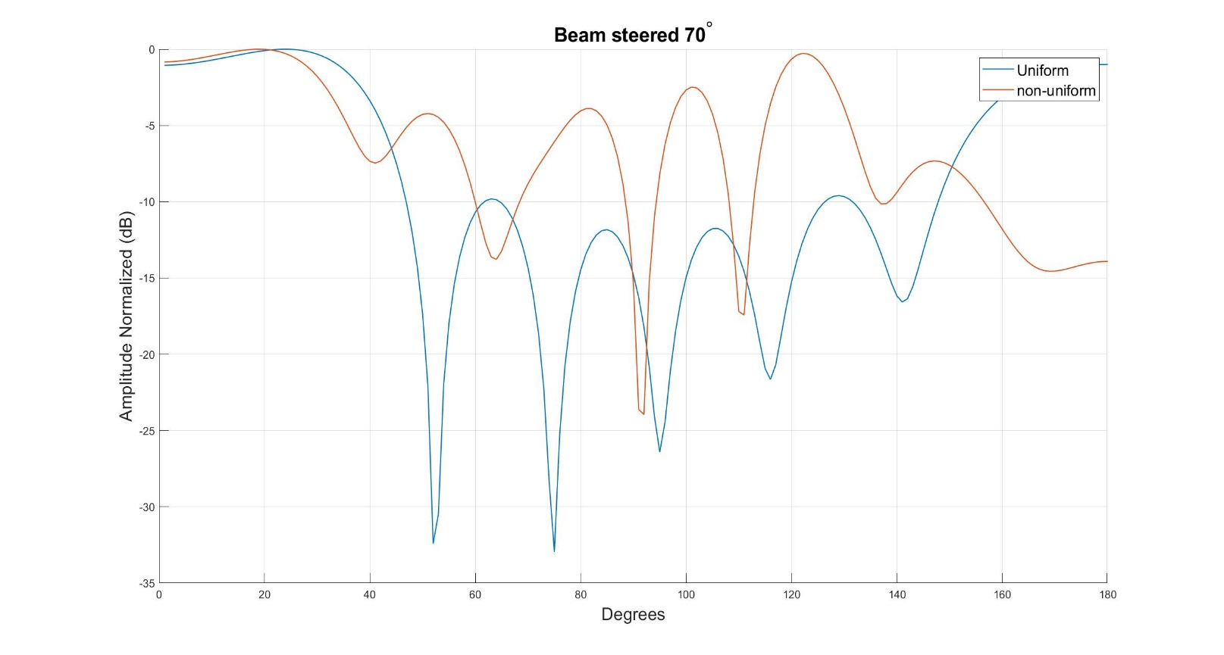
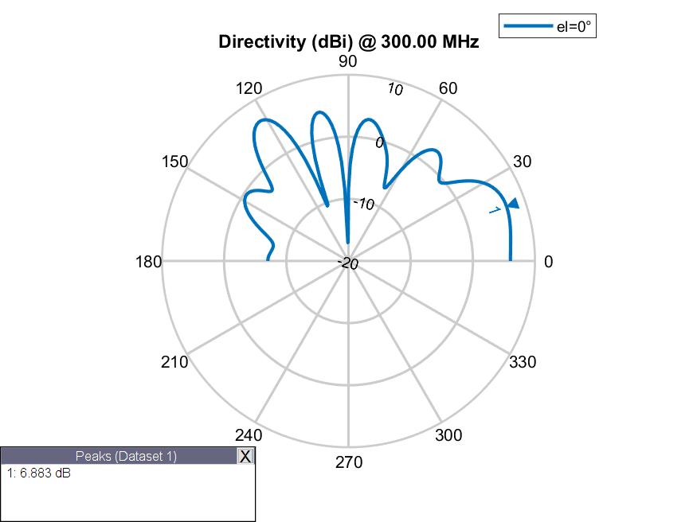
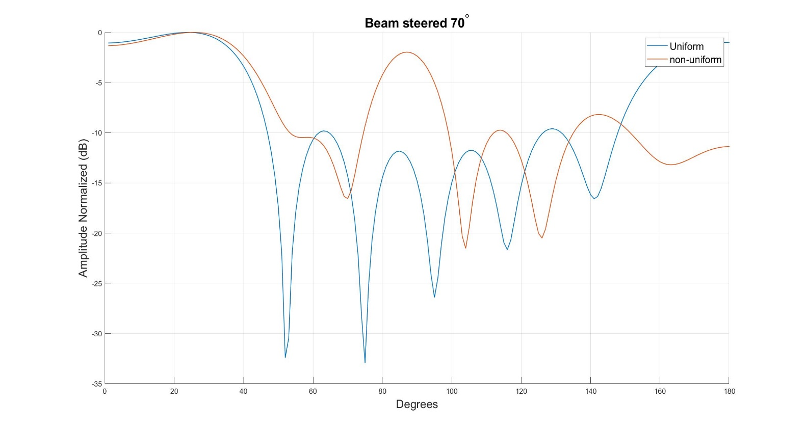
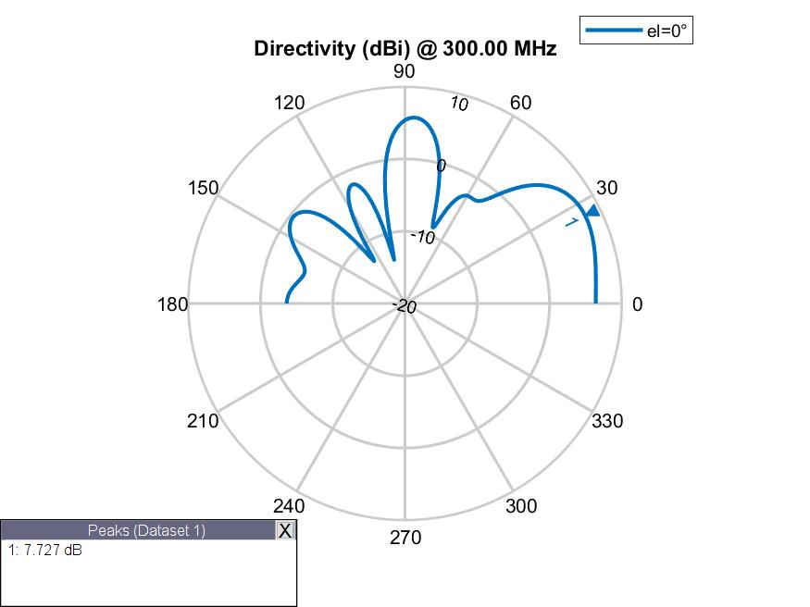
 | Fitness | Spacing |  |  |  |  | Phase |  |  |  |  |  | Amplitude
Run1 | -1.7996238099 | 0.16551482301 | 0.728 | 0.222 | 0.728 | 0.16551482301 | 55 | 302 | 79 | 15 | 208.5 | 76 | 1 | 1 | 1 | 1 | 1 | 1
Run2 | -1.6659459103 | 0.70108680399 | 0.784 | 0.429 | 0.784 | 0.70108680399 | 280 | 38.5 | 231 | 87 | 107 | 221 | 1 | 1 | 1 | 1 | 1 | 1
Run3 | -1.8150536263 | 0.136 | 0.805 | 0.445 | 0.805 | 0.136 | 216 | 109.5 | 224.5 | 117 | 155 | 132.8 | 1 | 1 | 1 | 1 | 1 | 1

80deg
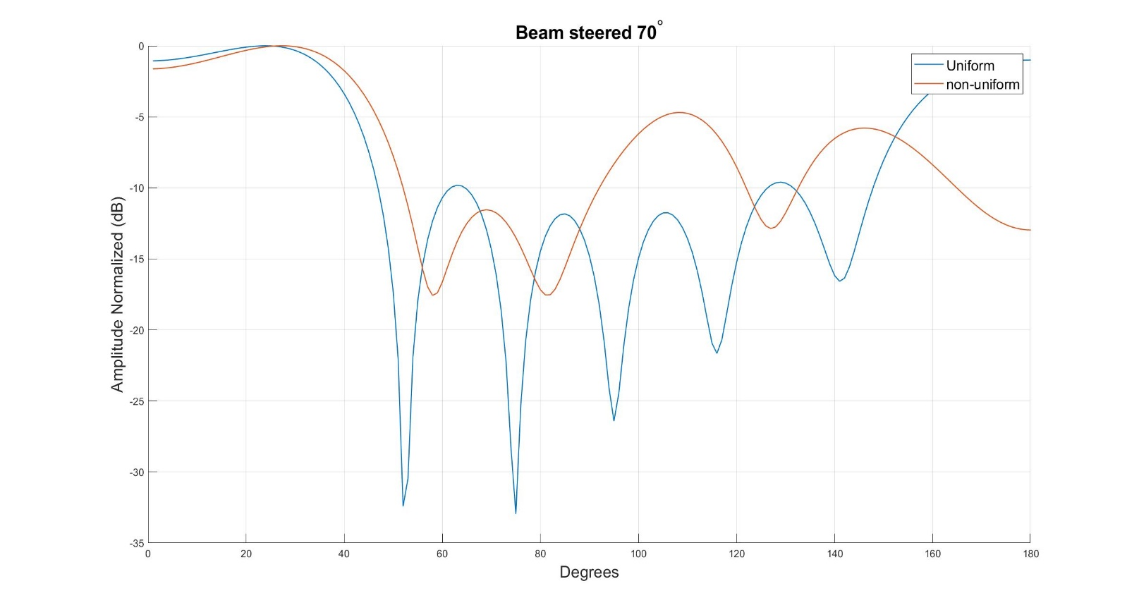
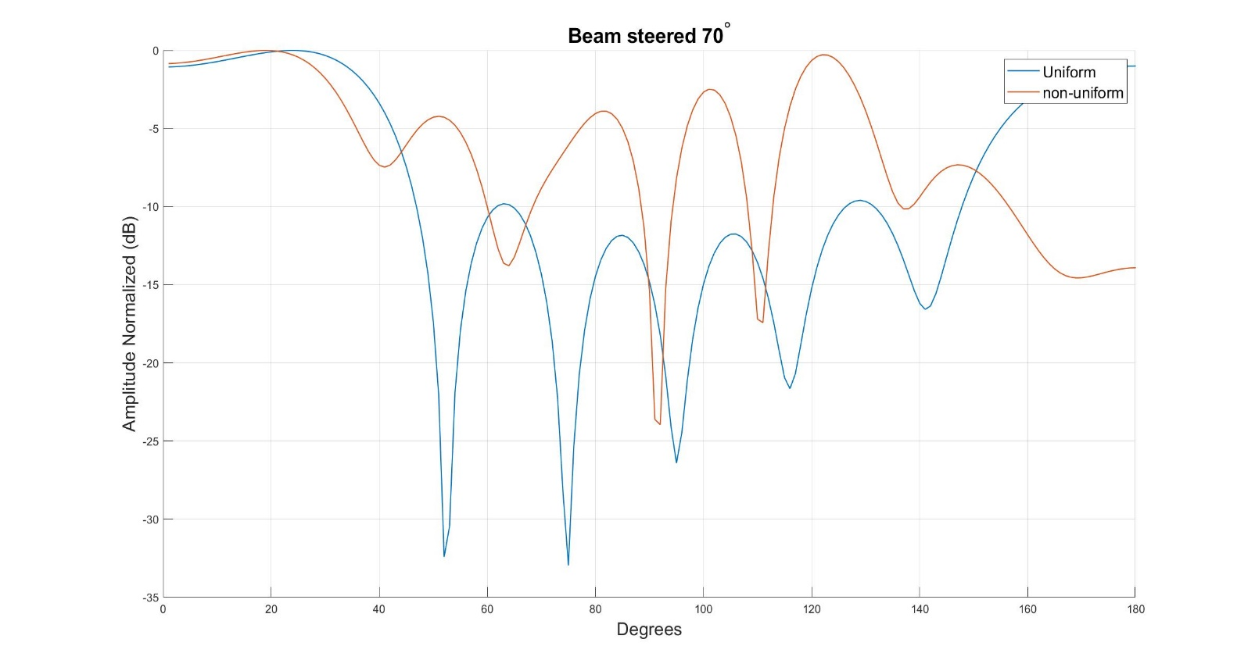
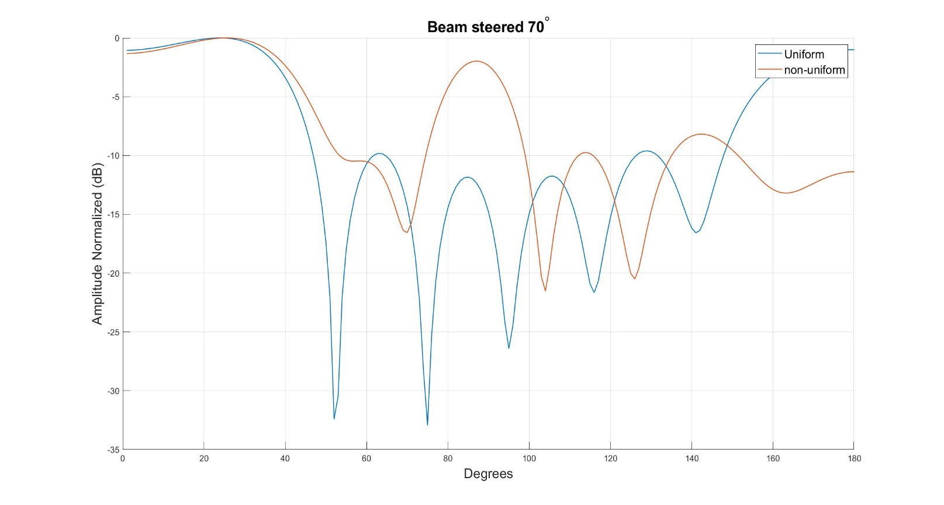
 | Fitness | Spacing |  |  |  |  | Phase |  |  |  |  |  | Amplitude
Run1 | -2.9423417789 | 0.114 | 0.504 | 0.44 | 0.504 | 0.114 | 209.4 | 80.9 | 244.7 | 108.3 | 286.2 | 180.5 | 1 | 1 | 1 | 1 | 1 | 1
Run2 | -2.7829781864 | 0.14 | 0.746 | 0.273 | 0.746 | 0.14 | 244.1 | 150.6 | 260.5 | 139.8 | 263.3 | 151.4 | 1 | 1 | 1 | 1 | 1 | 1
Run3 | -2.7612286024 | 0.811 | 0.219 | 0.824 | 0.219 | 0.811 | 157.1 | 257.8 | 150.4 | 221.1 | 129.4 | 183.6 | 1 | 1 | 1 | 1 | 1 | 1
Spacing
Phase

