graphs
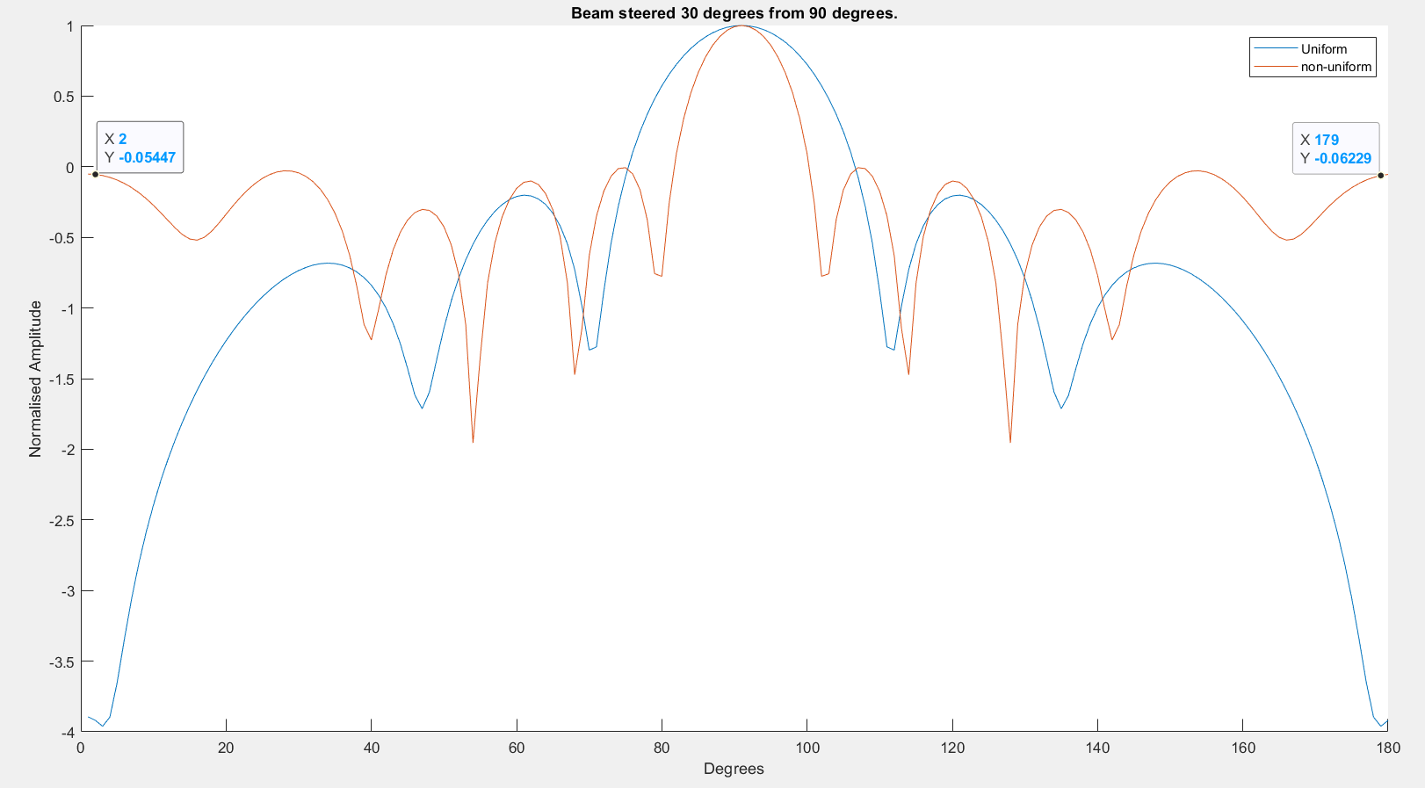
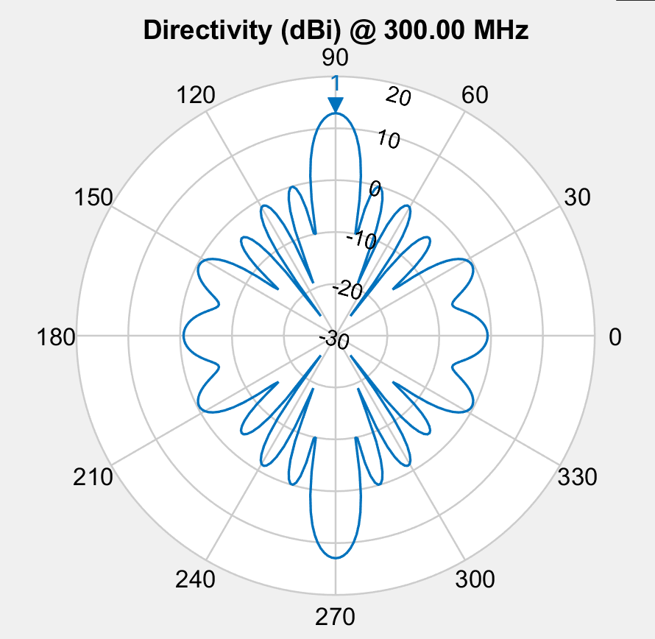

 | fit
 | -4.0591056176
 | -4.0591056176
 | -4.0591056176
 | -4.0591056176
 | -4.0591056176
 | -4.0591056176
 | -4.1780541869
 | -4.1780541869
 | -4.2116610766
 | -4.2459974768
 | -4.2459974768
 | -4.2459974768
 | -4.2993143715
 | -4.3197789177
 | -4.3197789177
 | -4.3957679919
 | -4.3957679919
 | -4.3957679919
 | -4.3957679919
 | -4.3957679919
 | -4.3957679919
 | -4.3957679919
 | -4.3957679919
 | -4.3957679919
 | -4.3957679919
 | -4.3957679919
 | -4.3957679919
 | -4.3957679919
 | -4.3957679919
 | -4.3957679919
 | -4.3957679919
 | -4.3957679919
 | -4.3957679919
 | -4.3957679919
 | -4.3957679919
 | -4.3957679919
 | -4.4040843347
 | -4.4040843347
 | -4.4040843347
 | -4.4040843347
 | -4.4040843347
 | -4.4040843347
 | -4.4040843347
 | -4.4040843347
 | -4.4040843347
 | -4.4040843347
 | -4.4227542838
 | -4.4227542838
 | -4.4227542838
 | -4.4227542838
...

Element Spacing wavelength
 | m2 | m1 | mid
 | 0.79907463306 | 0.91224509908 | 0.77288444308
 | 0.79907463306 | 0.91224509908 | 0.77288444308
 | 0.79907463306 | 0.91224509908 | 0.77288444308
 | 0.79907463306 | 0.91224509908 | 0.77288444308
 | 0.79907463306 | 0.91224509908 | 0.77288444308
 | 0.79907463306 | 0.91224509908 | 0.77288444308
 | 0.82937584788 | 0.89696649387 | 0.78776321
 | 0.82937584788 | 0.89696649387 | 0.78776321
 | 0.86591372039 | 0.81440944178 | 0.90039924861
 | 0.81945505984 | 0.87583280809 | 0.82207506994
 | 0.81945505984 | 0.87583280809 | 0.82207506994
 | 0.81945505984 | 0.87583280809 | 0.82207506994
 | 0.81809888504 | 0.88404532736 | 0.81679522008
 | 0.838436228 | 0.85909996192 | 0.85082245507
 | 0.838436228 | 0.85909996192 | 0.85082245507
 | 0.83077341661 | 0.87969228779 | 0.83107760469
 | 0.83077341661 | 0.87969228779 | 0.83107760469
 | 0.83077341661 | 0.87969228779 | 0.83107760469
 | 0.83077341661 | 0.87969228779 | 0.83107760469
 | 0.83077341661 | 0.87969228779 | 0.83107760469
 | 0.83077341661 | 0.87969228779 | 0.83107760469
 | 0.83077341661 | 0.87969228779 | 0.83107760469
 | 0.83077341661 | 0.87969228779 | 0.83107760469
 | 0.83077341661 | 0.87969228779 | 0.83107760469
 | 0.83077341661 | 0.87969228779 | 0.83107760469
 | 0.83077341661 | 0.87969228779 | 0.83107760469
 | 0.83077341661 | 0.87969228779 | 0.83107760469
 | 0.83077341661 | 0.87969228779 | 0.83107760469
 | 0.83077341661 | 0.87969228779 | 0.83107760469
 | 0.83077341661 | 0.87969228779 | 0.83107760469
 | 0.83077341661 | 0.87969228779 | 0.83107760469
 | 0.83077341661 | 0.87969228779 | 0.83107760469
 | 0.83077341661 | 0.87969228779 | 0.83107760469
 | 0.83077341661 | 0.87969228779 | 0.83107760469
 | 0.83077341661 | 0.87969228779 | 0.83107760469
 | 0.83077341661 | 0.87969228779 | 0.83107760469
 | 0.84189814346 | 0.87969228779 | 0.83107760469
 | 0.84189814346 | 0.87969228779 | 0.83107760469
 | 0.84189814346 | 0.87969228779 | 0.83107760469
 | 0.84189814346 | 0.87969228779 | 0.83107760469
 | 0.84189814346 | 0.87969228779 | 0.83107760469
 | 0.84189814346 | 0.87969228779 | 0.83107760469
 | 0.84189814346 | 0.87969228779 | 0.83107760469
 | 0.84189814346 | 0.87969228779 | 0.83107760469
 | 0.84189814346 | 0.87969228779 | 0.83107760469
 | 0.84189814346 | 0.87969228779 | 0.83107760469
 | 0.83520902036 | 0.88144811372 | 0.83097868368
 | 0.83520902036 | 0.88144811372 | 0.83097868368
 | 0.83520902036 | 0.88144811372 | 0.83097868368
 | 0.83520902036 | 0.88144811372 | 0.83097868368
...

