results
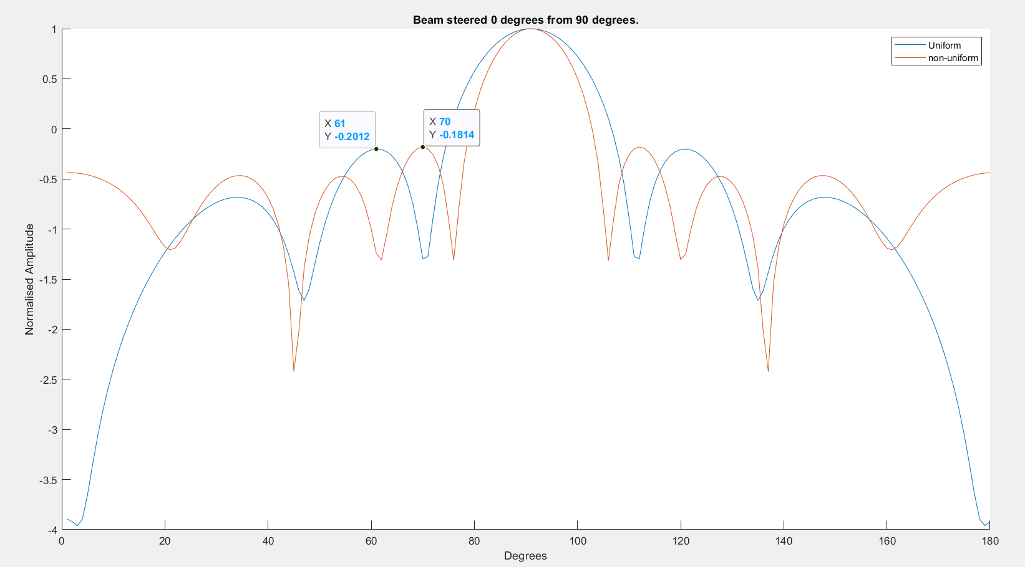
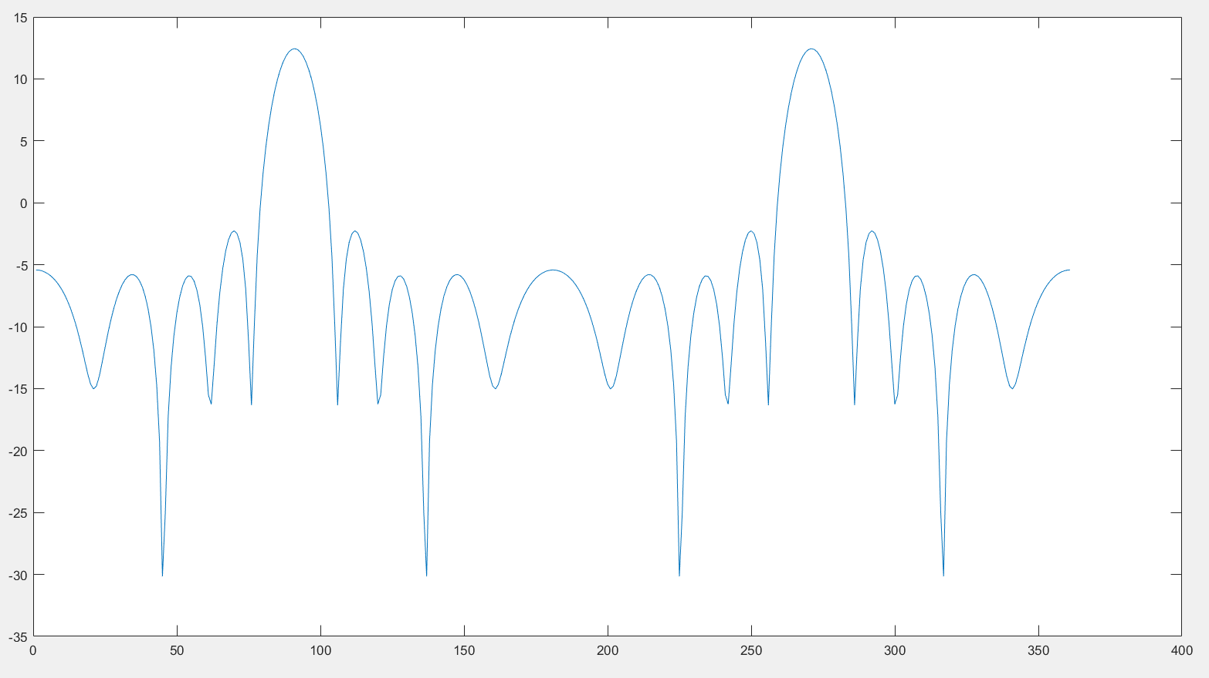

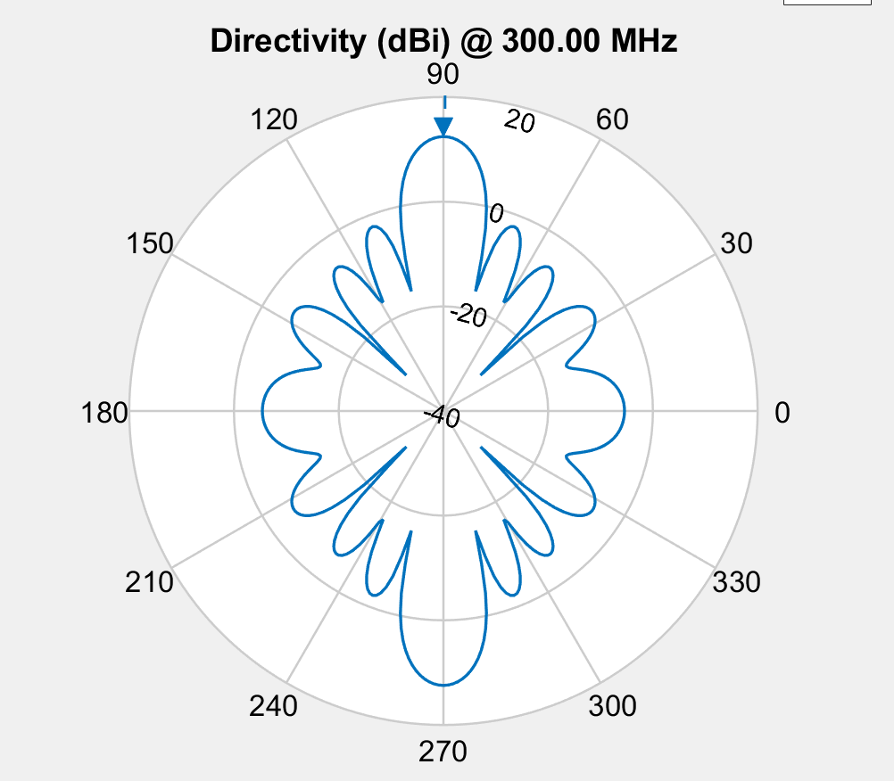
Element spacing
 | 0.71656697106 | 0.69596347319 | 0.87903869122
 | 0.73007834136 | 0.68884866625 | 0.20694575142
 | 0.77535357918 | 0.84989377842 | 0.77876342281
 | 0.80122636719 | 0.77664619125 | 0.90175348757
 | 0.80122636719 | 0.77664619125 | 0.90175348757
 | 0.70739670584 | 0.68342990555 | 0.64432972672
 | 0.70164153742 | 0.68995750008 | 0.68452515874
 | 0.70164153742 | 0.68995750008 | 0.68452515874
 | 0.70164153742 | 0.68995750008 | 0.68452515874
 | 0.69359645858 | 0.71115295154 | 0.71654247065
 | 0.69359645858 | 0.71115295154 | 0.71654247065
 | 0.69359645858 | 0.71115295154 | 0.71654247065
 | 0.69359645858 | 0.71115295154 | 0.71654247065
 | 0.69359645858 | 0.71115295154 | 0.71654247065
 | 0.696732718 | 0.70641041453 | 0.70743327087
 | 0.69955785146 | 0.69506442534 | 0.67947480885
 | 0.69359858163 | 0.70489863533 | 0.6995536031
 | 0.69359858163 | 0.70489863533 | 0.6995536031
 | 0.69359858163 | 0.70489863533 | 0.6995536031
 | 0.70332038908 | 0.69528644327 | 0.68875016951
 | 0.70332038908 | 0.69528644327 | 0.68875016951
 | 0.70332038908 | 0.69528644327 | 0.68875016951
 | 0.70332038908 | 0.69528644327 | 0.68875016951
 | 0.70332038908 | 0.69528644327 | 0.68875016951
 | 0.70332038908 | 0.69528644327 | 0.68875016951
 | 0.70332038908 | 0.69528644327 | 0.68875016951
 | 0.70332038908 | 0.69528644327 | 0.68875016951
 | 0.70332038908 | 0.69528644327 | 0.68875016951
 | 0.70332038908 | 0.69528644327 | 0.68875016951
 | 0.70332038908 | 0.69528644327 | 0.68875016951
 | 0.70332038908 | 0.69528644327 | 0.68875016951
 | 0.70332038908 | 0.69528644327 | 0.68875016951
 | 0.70332038908 | 0.69528644327 | 0.68875016951
 | 0.70332038908 | 0.69528644327 | 0.68875016951
 | 0.70332038908 | 0.69528644327 | 0.68875016951
 | 0.70332038908 | 0.69528644327 | 0.68875016951
 | 0.70332038908 | 0.69528644327 | 0.68875016951
 | 0.70332038908 | 0.69528644327 | 0.68875016951
 | 0.70332038908 | 0.69528644327 | 0.68875016951
 | 0.70332038908 | 0.69528644327 | 0.68875016951
 | 0.70332038908 | 0.69528644327 | 0.68875016951
 | 0.70332038908 | 0.69528644327 | 0.68875016951
 | 0.70332038908 | 0.69528644327 | 0.68875016951
 | 0.70332038908 | 0.69528644327 | 0.68875016951
 | 0.70332038908 | 0.69528644327 | 0.68875016951
 | 0.70332038908 | 0.69528644327 | 0.68875016951
 | 0.70332038908 | 0.69528644327 | 0.68875016951
 | 0.70332038908 | 0.69528644327 | 0.68875016951
 | 0.70332038908 | 0.69528644327 | 0.68875016951
 | 0.70332038908 | 0.69528644327 | 0.68875016951

HPBW
 | 12
 | 16
 | 12
 | 12
 | 12
 | 14
 | 14
 | 14
 | 14
 | 14
 | 14
 | 14
 | 14
 | 14
 | 14
 | 14
 | 14
 | 14
 | 14
 | 14
 | 14
 | 14
 | 14
 | 14
 | 14
 | 14
 | 14
 | 14
 | 14
 | 14
 | 14
 | 14
 | 14
 | 14
 | 14
 | 14
 | 14
 | 14
 | 14
 | 14
 | 14
 | 14
 | 14
 | 14
 | 14
 | 14
 | 14
 | 14
 | 14
 | 14

population_total = 500;
crossover_rate = 0.5;
mutation_rate = 0.1;
simulations = 50;
Target 90deg from horizontal.
-10db circle.

Fitness
 | -6.0977586829
 | -6.2051520792
 | -6.6168360731
 | -6.8461115615
 | -6.8461115615
 | -6.9817178864
 | -7.0705062662
 | -7.0705062662
 | -7.0705062662
 | -7.0776930874
 | -7.0776930874
 | -7.0776930874
 | -7.0776930874
 | -7.0776930874
 | -7.0854707901
 | -7.1029046752
 | -7.1268727702
 | -7.1268727702
 | -7.1268727702
 | -7.1339656906
 | -7.1339656906
 | -7.1339656906
 | -7.1339656906
 | -7.1339656906
 | -7.1339656906
 | -7.1339656906
 | -7.1339656906
 | -7.1339656906
 | -7.1339656906
 | -7.1339656906
 | -7.1339656906
 | -7.1339656906
 | -7.1339656906
 | -7.1339656906
 | -7.1339656906
 | -7.1339656906
 | -7.1339656906
 | -7.1339656906
 | -7.1339656906
 | -7.1339656906
 | -7.1339656906
 | -7.1339656906
 | -7.1339656906
 | -7.1339656906
 | -7.1339656906
 | -7.1339656906
 | -7.1339656906
 | -7.1339656906
 | -7.1339656906
 | -7.1339656906

