Sheet6
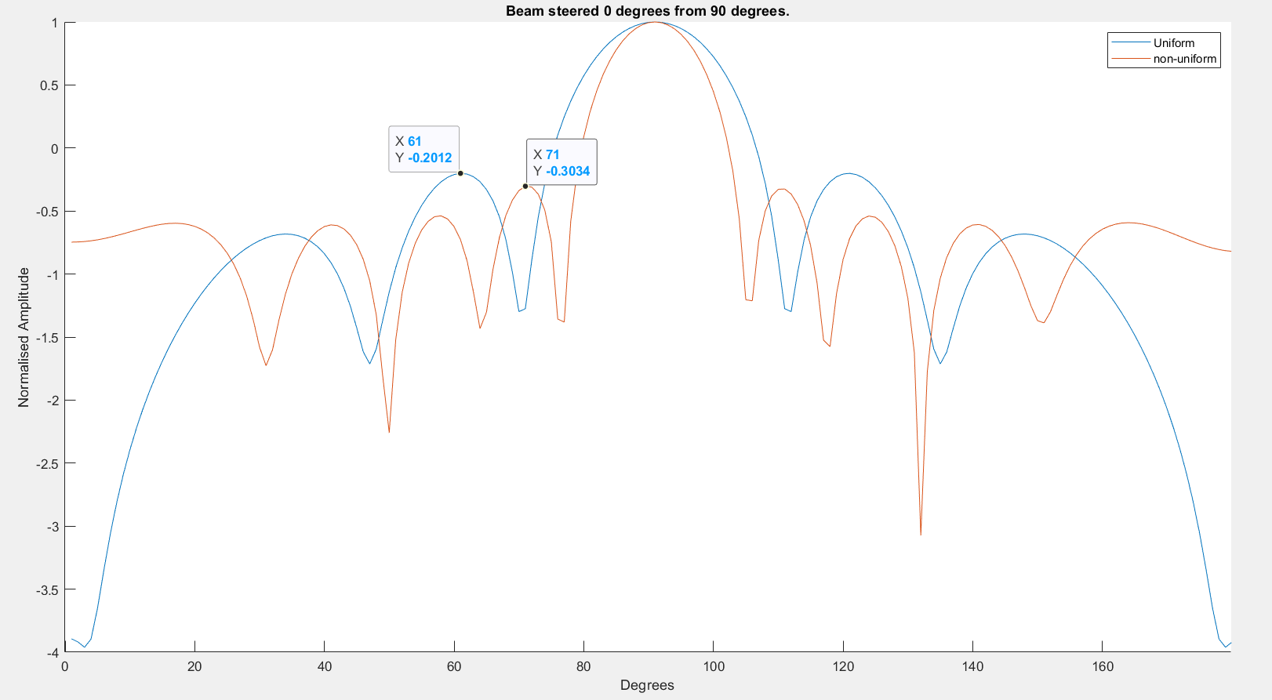
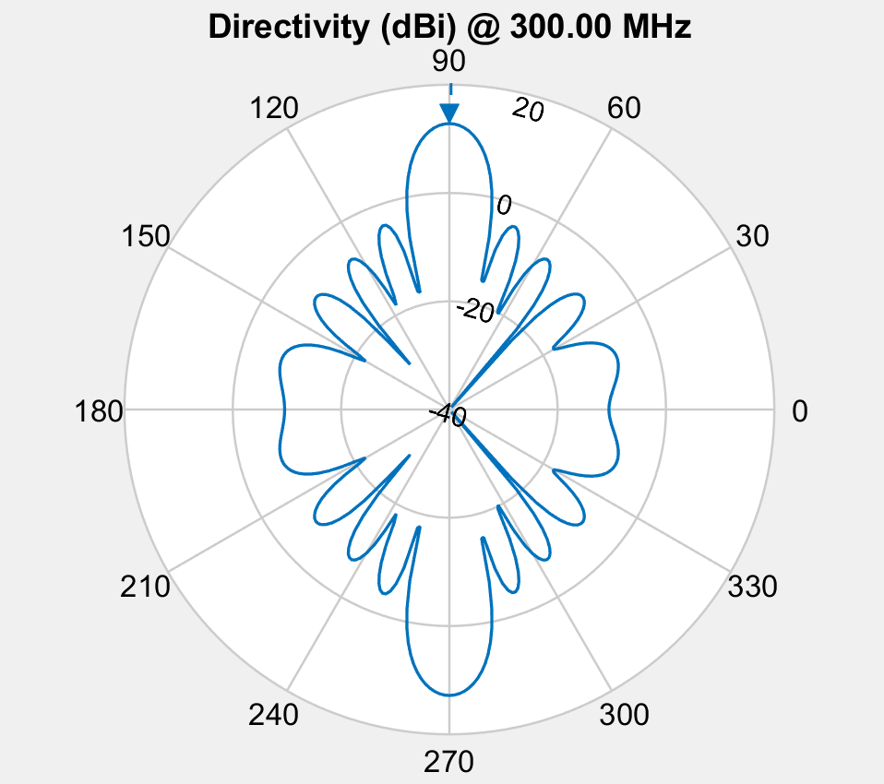

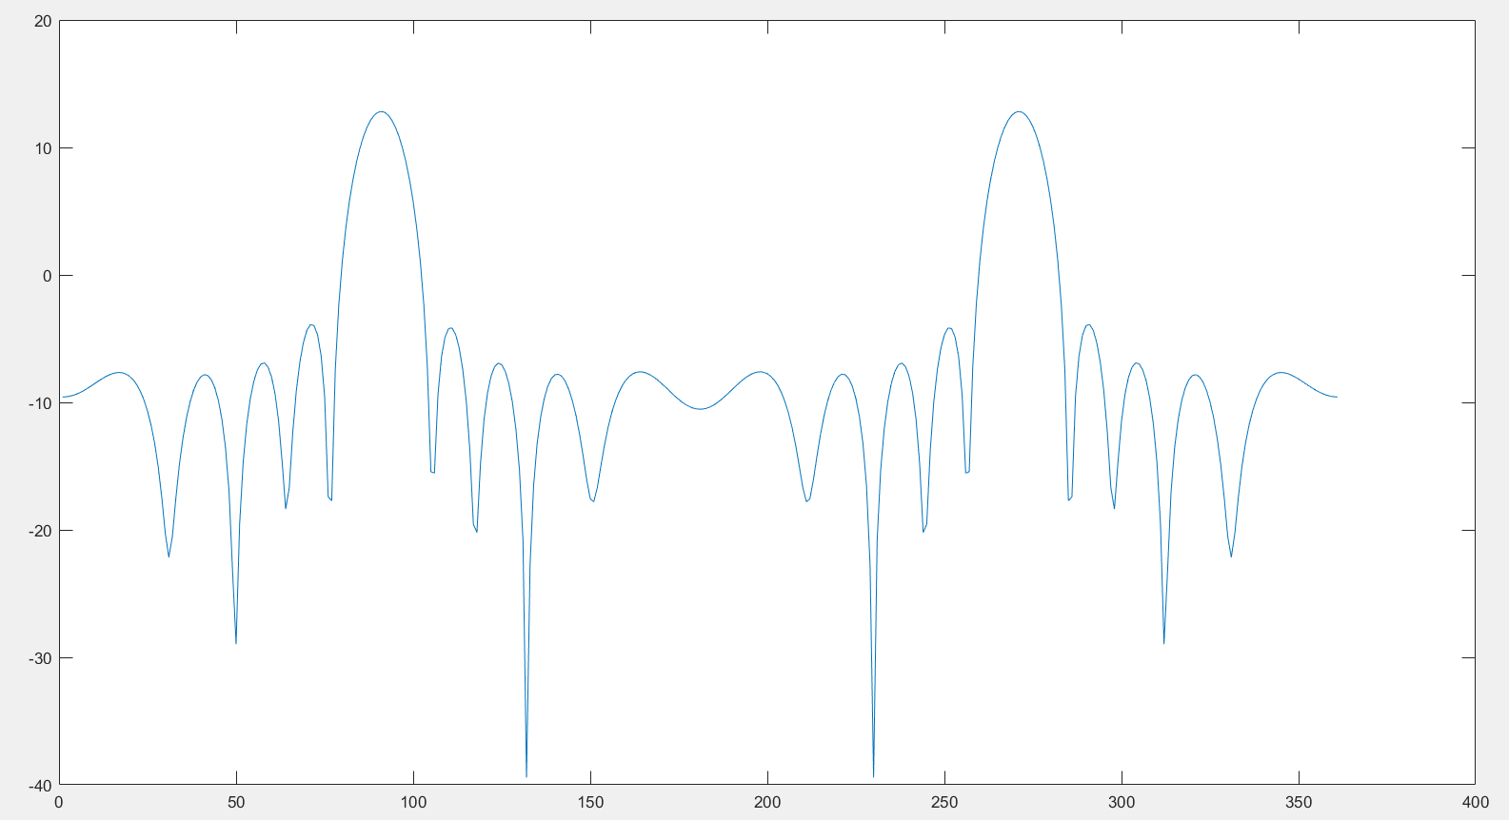

Element spacing
 | 0.7614471449 | 0.80021936825 | 0.80342670125
 | 0.7614471449 | 0.80021936825 | 0.80342670125
 | 0.7614471449 | 0.80021936825 | 0.80342670125
 | 0.7614471449 | 0.80021936825 | 0.80342670125
 | 0.7614471449 | 0.80021936825 | 0.80342670125
 | 0.7614471449 | 0.80021936825 | 0.80342670125
 | 0.7614471449 | 0.80021936825 | 0.80342670125
 | 0.7614471449 | 0.80021936825 | 0.80342670125
 | 0.7614471449 | 0.80021936825 | 0.80342670125
 | 0.7614471449 | 0.80021936825 | 0.80342670125
 | 0.7614471449 | 0.80021936825 | 0.80342670125
 | 0.7614471449 | 0.80021936825 | 0.80342670125
 | 0.7614471449 | 0.80021936825 | 0.80342670125
 | 0.7614471449 | 0.80021936825 | 0.80342670125
 | 0.77797345358 | 0.79362432015 | 0.79880951909
 | 0.77797345358 | 0.79362432015 | 0.79880951909
 | 0.76644900905 | 0.79822660572 | 0.79850949537
 | 0.75928925359 | 0.77777928718 | 0.79710174602
 | 0.75064120391 | 0.78129438234 | 0.77956387249
 | 0.76051232406 | 0.78942146313 | 0.80099522934
 | 0.76980454599 | 0.79477081365 | 0.80603437184
 | 0.76284999478 | 0.79658745627 | 0.80347964171
 | 0.76284999478 | 0.79658745627 | 0.80347964171
 | 0.75928925359 | 0.77777928718 | 0.79710174602
 | 0.75928925359 | 0.77777928718 | 0.79710174602
 | 0.75928925359 | 0.77777928718 | 0.79710174602
 | 0.76095190628 | 0.78585862932 | 0.79817836751
 | 0.76095190628 | 0.78585862932 | 0.79817836751
 | 0.76095190628 | 0.78585862932 | 0.79817836751
 | 0.76095190628 | 0.78585862932 | 0.79817836751
 | 0.76095190628 | 0.78585862932 | 0.79817836751
 | 0.76095190628 | 0.78585862932 | 0.79817836751
 | 0.76095190628 | 0.78585862932 | 0.79817836751
 | 0.76095190628 | 0.78585862932 | 0.79817836751
 | 0.76095190628 | 0.78585862932 | 0.79817836751
 | 0.76095190628 | 0.78585862932 | 0.79817836751
 | 0.76095190628 | 0.78585862932 | 0.79817836751
 | 0.76095190628 | 0.78585862932 | 0.79817836751
 | 0.76095190628 | 0.78585862932 | 0.79817836751
 | 0.76095190628 | 0.78585862932 | 0.79817836751
 | 0.75127480512 | 0.78017722295 | 0.78482561064
 | 0.75127480512 | 0.78017722295 | 0.78482561064
 | 0.75127480512 | 0.78017722295 | 0.78482561064
 | 0.75127480512 | 0.78017722295 | 0.78482561064
 | 0.75127480512 | 0.78017722295 | 0.78482561064
 | 0.75127480512 | 0.78017722295 | 0.78482561064
 | 0.75127480512 | 0.78017722295 | 0.78482561064
 | 0.75127480512 | 0.78017722295 | 0.78482561064
 | 0.75127480512 | 0.78017722295 | 0.78482561064
 | 0.75127480512 | 0.78017722295 | 0.78482561064
Amplitude Taper
 | 0.40749527193 | 0.81254954059 | 1.9209780984 | 1.9209780984 | 0.81254954059 | 0.40749527193
 | 0.40749527193 | 0.81254954059 | 1.9209780984 | 1.9209780984 | 0.81254954059 | 0.40749527193
 | 0.57376121669 | 0.94625301555 | 1.1924812026 | 1.1924812026 | 0.94625301555 | 0.95454489413
 | 0.57376121669 | 0.94625301555 | 1.1924812026 | 1.1924812026 | 0.94625301555 | 0.95454489413
 | 0.57376121669 | 0.94625301555 | 1.1924812026 | 1.1924812026 | 0.94625301555 | 0.95454489413
 | 0.57376121669 | 0.94625301555 | 1.1924812026 | 1.1924812026 | 0.94625301555 | 0.95454489413
 | 0.91678554396 | 1.2106544571 | 1.3966595059 | 1.3966595059 | 1.0371210507 | 0.91678554396
 | 0.81621072479 | 1.1036665472 | 1.3149674966 | 1.3149674966 | 0.90964968753 | 0.81621072479
 | 0.81621072479 | 1.1036665472 | 1.3149674966 | 1.3149674966 | 0.90964968753 | 0.81621072479
 | 0.81621072479 | 1.1036665472 | 1.3149674966 | 1.3149674966 | 0.90964968753 | 0.81621072479
 | 0.81621072479 | 1.1036665472 | 1.3149674966 | 1.3149674966 | 0.90964968753 | 0.81621072479
 | 0.73873938207 | 1.0207909586 | 1.3723602173 | 1.1776864849 | 0.96430339309 | 0.75807605319
 | 0.73873938207 | 1.0207909586 | 1.3723602173 | 1.1776864849 | 0.96430339309 | 0.75807605319
 | 0.73873938207 | 1.0207909586 | 1.3723602173 | 1.1776864849 | 0.96430339309 | 0.75807605319
 | 0.81621072479 | 1.1036665472 | 1.3149674966 | 1.3149674966 | 0.90964968753 | 0.81621072479
 | 0.81621072479 | 1.1036665472 | 1.3149674966 | 1.3149674966 | 0.90964968753 | 0.81621072479
 | 0.8029312962 | 1.1360146716 | 1.3967358627 | 1.2512345858 | 1.010762459 | 0.82673027604
 | 0.8221652112 | 1.1386494769 | 1.3189194437 | 1.2925149343 | 1.1132484228 | 0.90894175201
 | 0.81450693153 | 1.1067389217 | 1.2939975044 | 1.2746262469 | 1.0864784895 | 0.83277823443
 | 0.77592489441 | 1.1145089992 | 1.3179710631 | 1.2206341969 | 0.9985023732 | 0.79154297493
 | 0.80672047111 | 1.1019303693 | 1.3142027867 | 1.2799214738 | 0.97016067904 | 0.81997422625
 | 0.78599830146 | 1.1037116555 | 1.3495292108 | 1.2281101392 | 1.0098947753 | 0.81054099942
 | 0.78599830146 | 1.1037116555 | 1.3495292108 | 1.2281101392 | 1.0098947753 | 0.81054099942
 | 0.78415172173 | 1.078743507 | 1.2690310807 | 1.2256449201 | 1.062051832 | 0.85176708902
 | 0.78415172173 | 1.078743507 | 1.2690310807 | 1.2256449201 | 1.062051832 | 0.85176708902
 | 0.78415172173 | 1.078743507 | 1.2690310807 | 1.2256449201 | 1.062051832 | 0.85176708902
 | 0.77592489441 | 1.1145089992 | 1.3179710631 | 1.2206341969 | 0.9985023732 | 0.79154297493
 | 0.77592489441 | 1.1145089992 | 1.3179710631 | 1.2206341969 | 0.9985023732 | 0.79154297493
 | 0.77592489441 | 1.1145089992 | 1.3179710631 | 1.2206341969 | 0.9985023732 | 0.79154297493
 | 0.77592489441 | 1.1145089992 | 1.3179710631 | 1.2206341969 | 0.9985023732 | 0.79154297493
 | 0.77592489441 | 1.1145089992 | 1.3179710631 | 1.2206341969 | 0.9985023732 | 0.79154297493
 | 0.77592489441 | 1.1145089992 | 1.3179710631 | 1.2206341969 | 0.9985023732 | 0.79154297493
 | 0.77592489441 | 1.1145089992 | 1.3179710631 | 1.2206341969 | 0.9985023732 | 0.79154297493
 | 0.77592489441 | 1.1145089992 | 1.3179710631 | 1.2206341969 | 0.9985023732 | 0.79154297493
 | 0.77592489441 | 1.1145089992 | 1.3179710631 | 1.2206341969 | 0.9985023732 | 0.79154297493
 | 0.77592489441 | 1.1145089992 | 1.3179710631 | 1.2206341969 | 0.9985023732 | 0.79154297493
 | 0.77592489441 | 1.1145089992 | 1.3179710631 | 1.2206341969 | 0.9985023732 | 0.79154297493
 | 0.77592489441 | 1.1145089992 | 1.3179710631 | 1.2206341969 | 0.9985023732 | 0.79154297493
 | 0.77592489441 | 1.1145089992 | 1.3179710631 | 1.2206341969 | 0.9985023732 | 0.79154297493
 | 0.77592489441 | 1.1145089992 | 1.3179710631 | 1.2206341969 | 0.9985023732 | 0.79154297493
 | 0.80350487939 | 1.0982595383 | 1.2919037374 | 1.2579181437 | 1.0402419179 | 0.84236621535
 | 0.80350487939 | 1.0982595383 | 1.2919037374 | 1.2579181437 | 1.0402419179 | 0.84236621535
 | 0.79242733705 | 1.0945091883 | 1.2926256019 | 1.2437465167 | 1.0295788123 | 0.83483278015
 | 0.79242733705 | 1.0945091883 | 1.2926256019 | 1.2437465167 | 1.0295788123 | 0.83483278015
 | 0.80113345586 | 1.1040874136 | 1.2978309277 | 1.2540536596 | 1.0361209183 | 0.83610992988
 | 0.80113345586 | 1.1040874136 | 1.2978309277 | 1.2540536596 | 1.0361209183 | 0.83610992988
 | 0.80113345586 | 1.1040874136 | 1.2978309277 | 1.2540536596 | 1.0361209183 | 0.83610992988
 | 0.80113345586 | 1.1040874136 | 1.2978309277 | 1.2540536596 | 1.0361209183 | 0.83610992988
 | 0.79723044025 | 1.0985513834 | 1.2945900131 | 1.2490070582 | 1.0319719942 | 0.83427847522
 | 0.79723044025 | 1.0985513834 | 1.2945900131 | 1.2490070582 | 1.0319719942 | 0.83427847522

Fitness
 | -6.5054832874
 | -6.5054832874
 | -8.2749844349
 | -8.2749844349
 | -8.2749844349
 | -8.2749844349
 | -8.4504275935
 | -8.5117159718
 | -8.5117159718
 | -8.5117159718
 | -8.5117159718
 | -8.5780878315
 | -8.5780878315
 | -8.5780878315
 | -8.6072766105
 | -8.6072766105
 | -8.6252017028
 | -8.6276426481
 | -8.6375692856
 | -8.6443040363
 | -8.6444674944
 | -8.6847282606
 | -8.6847282606
 | -8.6455922346
 | -8.6455922346
 | -8.6455922346
 | -8.6653830225
 | -8.6653830225
 | -8.6653830225
 | -8.6653830225
 | -8.6653830225
 | -8.6653830225
 | -8.6653830225
 | -8.6653830225
 | -8.6653830225
 | -8.6653830225
 | -8.6653830225
 | -8.6653830225
 | -8.6653830225
 | -8.6653830225
 | -8.6657381567
 | -8.6657381567
 | -8.668009355
 | -8.668009355
 | -8.6689223723
 | -8.6689223723
 | -8.6689223723
 | -8.6689223723
 | -8.6706612512
 | -8.6706612512
population_total = 500;
crossover_rate = 0.5;
mutation_rate = 0.1;
simulations = 50;
Adjusting amplitude and spacing
Both are random no between 0 and 2 wave lengths
-10 db circle.

