Sheet1
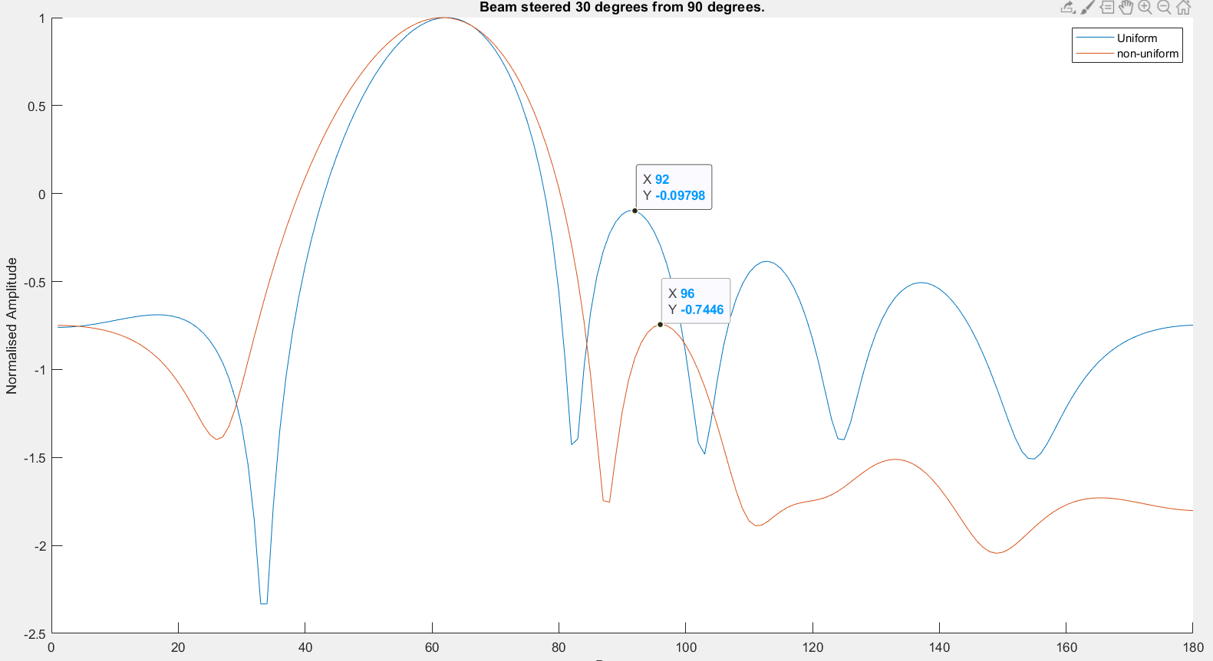
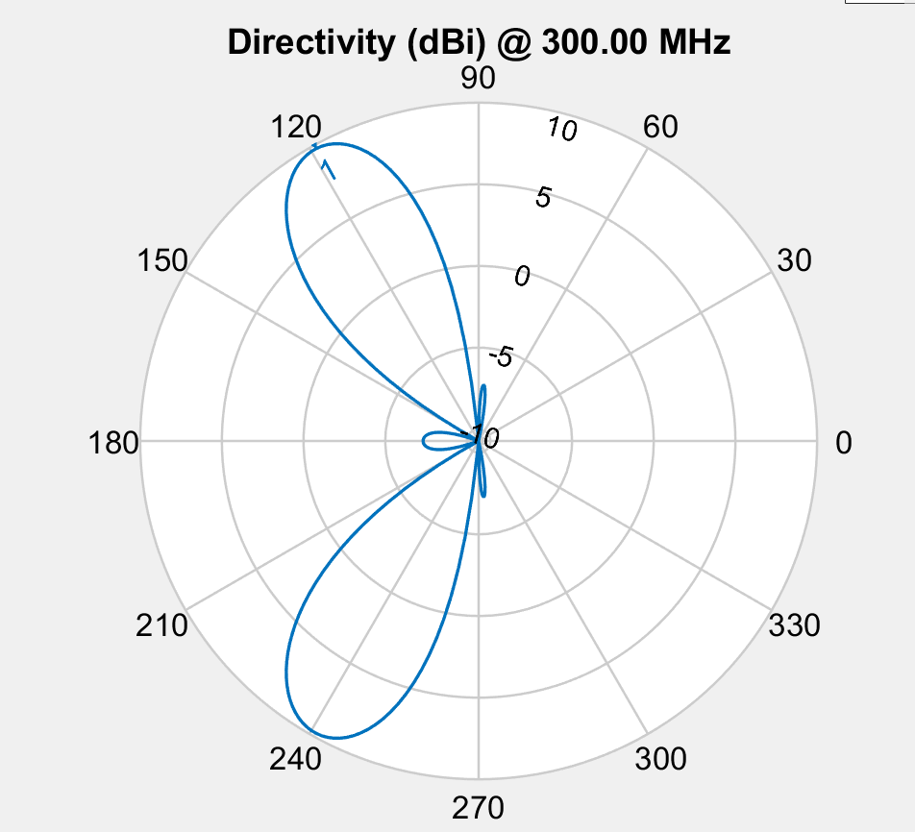

Amplitude
 | 0.5414541656 | 12 | 1.1005488557 | 1.1005488557 | 0.57689189039 | 0.5414541656
 | 0.97066807901 | 1.743919502 | 1.8666939758 | 1.8666939758 | 1.5524339353 | 0.97066807901
 | 0.97066807901 | 1.743919502 | 1.8666939758 | 1.8666939758 | 1.5524339353 | 0.97066807901
 | 0.97066807901 | 1.743919502 | 1.8666939758 | 1.8666939758 | 1.5524339353 | 0.97066807901
 | 0.97066807901 | 1.5621387162 | 1.8666939758 | 1.8666939758 | 1.5524339353 | 0.97066807901
 | 0.97066807901 | 1.5621387162 | 1.8666939758 | 1.8666939758 | 1.5524339353 | 0.97066807901
 | 0.97066807901 | 1.5621387162 | 1.8666939758 | 1.8666939758 | 1.5524339353 | 0.97066807901
 | 0.97066807901 | 1.5621387162 | 1.8666939758 | 1.8666939758 | 1.5524339353 | 0.97066807901
 | 0.97066807901 | 1.5621387162 | 1.8666939758 | 1.8666939758 | 1.5524339353 | 0.97066807901
 | 0.97066807901 | 1.5621387162 | 1.8666939758 | 1.8666939758 | 1.5524339353 | 0.97066807901
 | 3.2175505108 | 4.246361609 | 4.2544055657 | 4.0208174174 | 3.9857012444 | 0.98022142438
 | 3.2175505108 | 4.246361609 | 4.2544055657 | 4.0208174174 | 3.9857012444 | 0.98022142438
 | 3.2175505108 | 4.246361609 | 4.2544055657 | 4.0208174174 | 3.9857012444 | 0.98022142438
 | 3.2175505108 | 4.246361609 | 4.2544055657 | 4.0208174174 | 3.9857012444 | 0.98022142438
 | 3.2175505108 | 4.246361609 | 4.2544055657 | 4.0208174174 | 3.9857012444 | 0.98022142438
 | 3.2175505108 | 4.246361609 | 4.2544055657 | 4.0208174174 | 3.9857012444 | 0.98022142438
 | 3.2175505108 | 4.246361609 | 4.2544055657 | 4.0208174174 | 3.9857012444 | 0.98022142438
 | 3.2175505108 | 4.246361609 | 4.2544055657 | 4.0208174174 | 3.9857012444 | 0.98022142438
 | 3.2175505108 | 4.246361609 | 4.2544055657 | 4.0208174174 | 3.9857012444 | 0.98022142438
 | 3.7455998092 | 3.7960189731 | 4.5165147943 | 4.1771259282 | 2.9090808122 | 0.8810753978
 | 3.7455998092 | 3.7960189731 | 4.5165147943 | 4.1771259282 | 2.9090808122 | 0.8810753978
 | 3.7455998092 | 3.7960189731 | 4.5165147943 | 4.1771259282 | 2.9090808122 | 0.8810753978
 | 3.7455998092 | 3.7960189731 | 4.5165147943 | 4.1771259282 | 2.9090808122 | 0.8810753978
 | 3.7455998092 | 3.7960189731 | 4.5165147943 | 4.1771259282 | 2.9090808122 | 0.8810753978
 | 3.7455998092 | 3.7960189731 | 4.5165147943 | 4.1771259282 | 2.9090808122 | 0.8810753978
 | 3.683432832 | 4.1131514628 | 4.3904057057 | 4.144156102 | 3.4902218156 | 0.94612547378
 | 3.683432832 | 4.1131514628 | 4.3904057057 | 4.144156102 | 3.4902218156 | 0.94612547378
 | 3.683432832 | 4.1131514628 | 4.3904057057 | 4.144156102 | 3.4902218156 | 0.94612547378
 | 3.5311740798 | 4.0314050103 | 4.3256383516 | 4.2241659504 | 3.7496441475 | 0.96993185931
 | 3.5311740798 | 4.0314050103 | 4.3256383516 | 4.2241659504 | 3.7496441475 | 0.96993185931
Fitness
 | -5.1318538316
 | -5.1318538316
 | -5.1318538316
 | -5.3086421276
 | -5.3086421276
 | -5.3086421276
 | -5.3086421276
 | -5.3086421276
 | -5.3086421276
 | -5.8091035898
 | -5.8091035898
 | -5.8091035898
 | -5.8091035898
 | -5.8091035898
 | -5.8091035898
 | -5.8091035898
 | -5.8091035898
 | -5.8091035898
 | -5.9246755913
 | -5.9246755913
 | -5.9246755913
 | -5.9246755913
 | -5.9246755913
 | -5.9246755913
 | -5.9352447247
 | -5.9352447247
 | -5.9352447247
 | -5.9429392487
 | -5.9429392487

