Sheet1
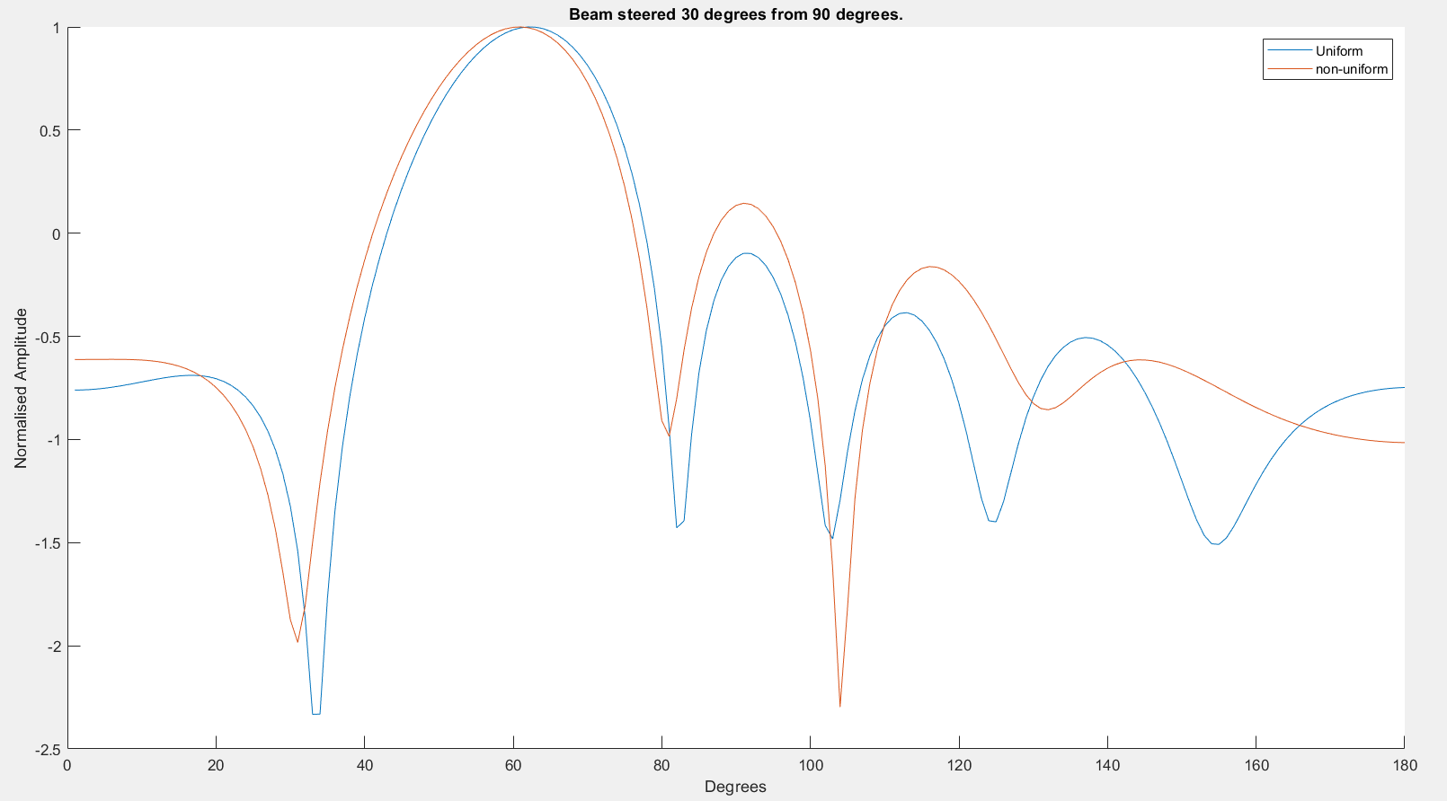
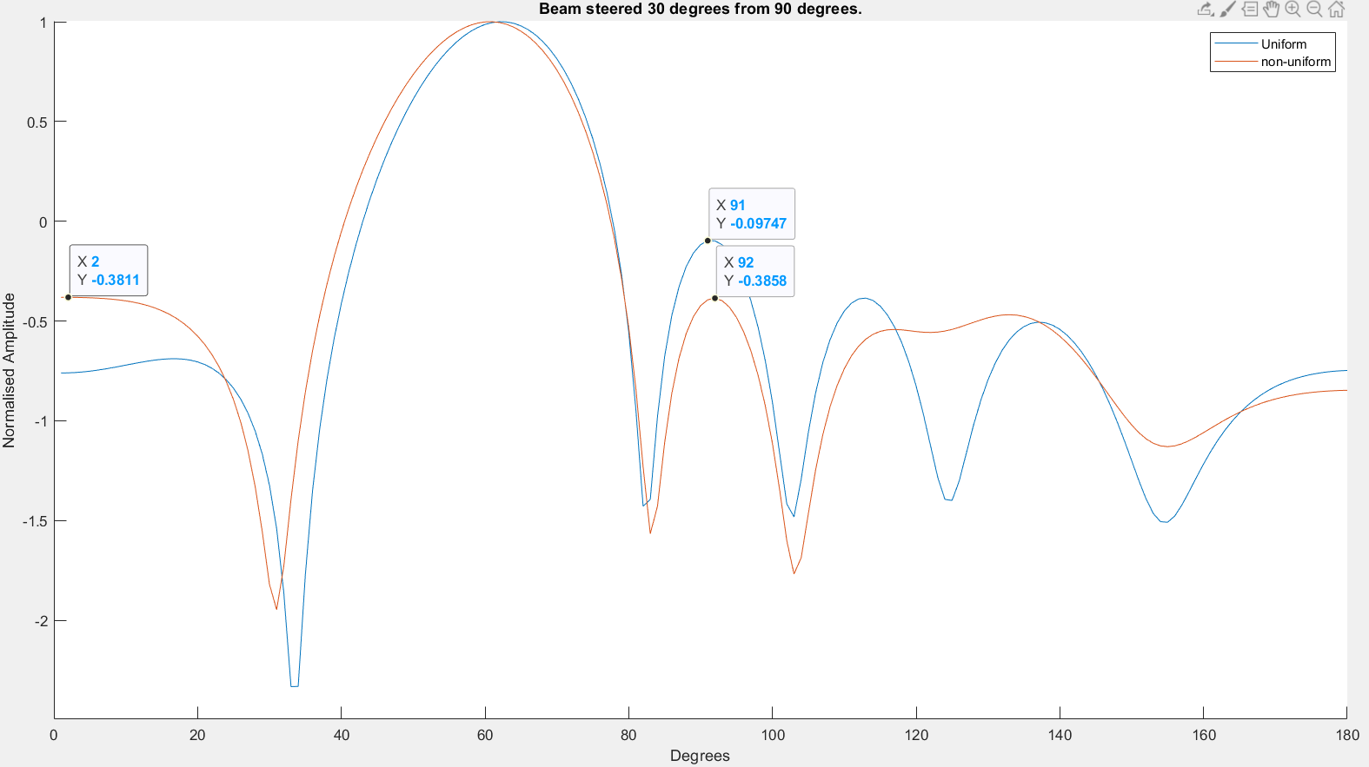
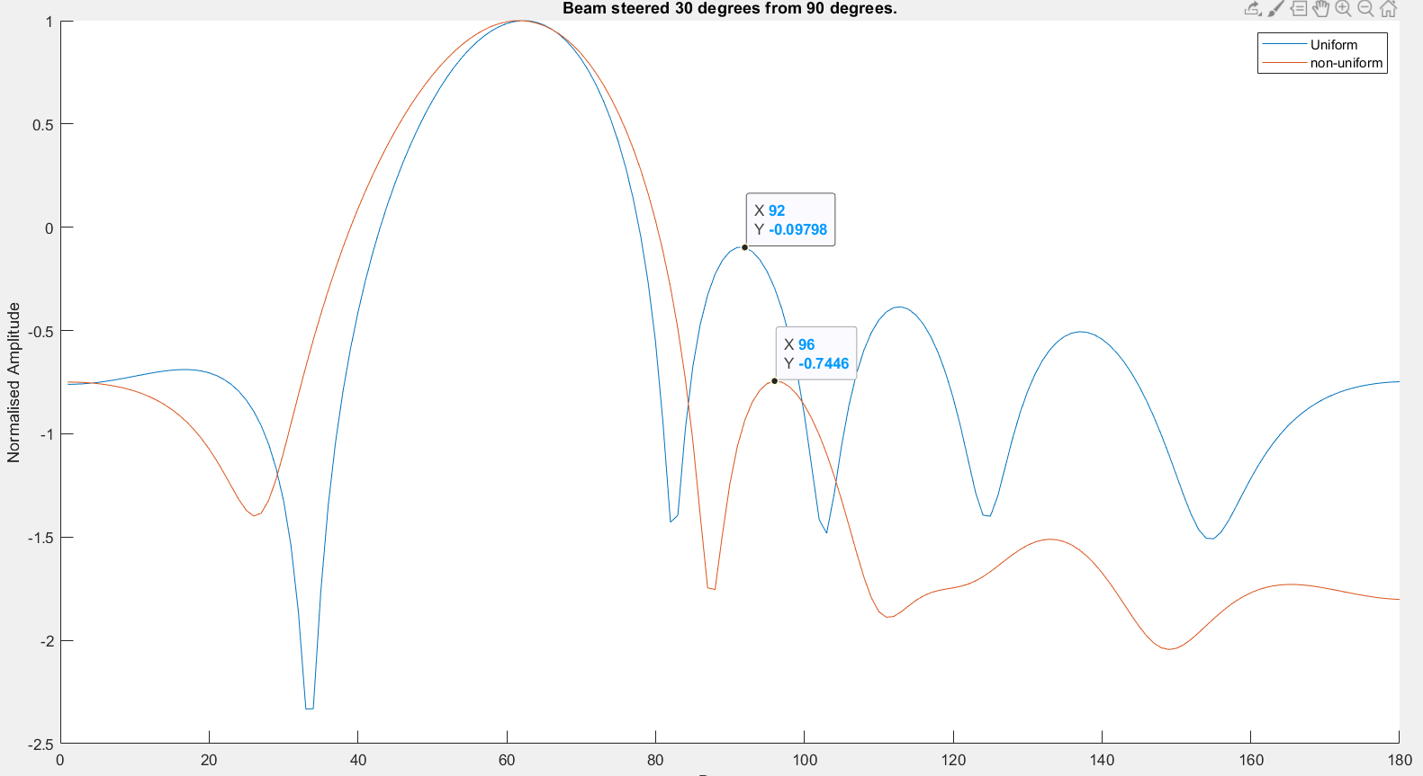
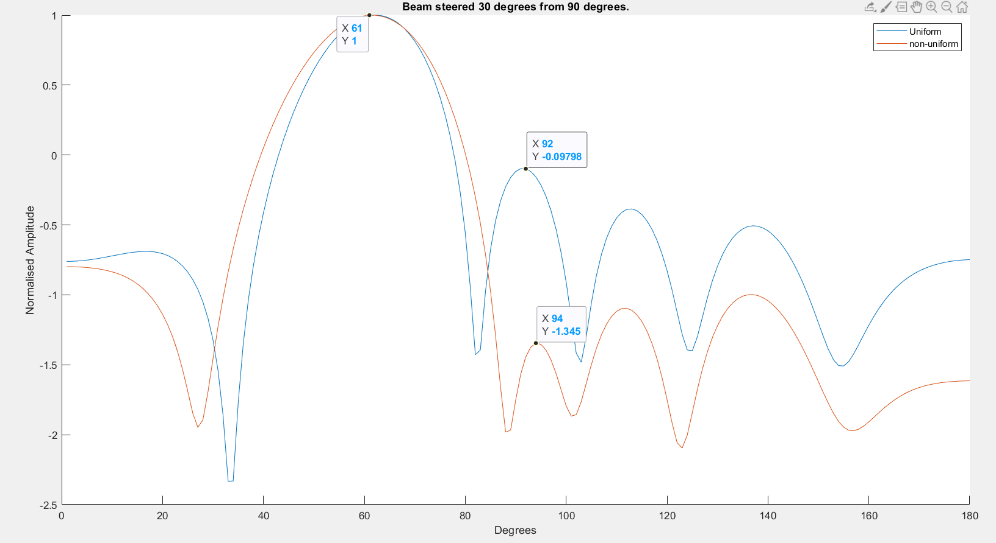

Phase optimization
Amplitude optimization
 |  |  |  |  |  |  |  |  |  |  |  |  |  |  |  |  |  |  |  |  |  |  |  |  |  |  |  | convert to db scale

Spacing | 0.43303902816 | 0.53470551544 | 0.47693291853 | 0.53470551544 | 0.43303902816 |  | Spacing | 0.4342 | 0.5253 | 0.4777 | 0.5253 | 0.4342 |  | Spacing | 0.4342 | 0.5253 | 0.4777 | 0.5253 | 0.4342 | 0.4342 | Spacing | 0.4342 | 0.5253 | 0.4777 | 0.5253 | 0.4342
phase | 46.679170515 | 117.25028692 | 233.59718796 | 332.6792258 | 63.355800942 | 122.98556203 | phase | 312.17675781 | 53.4453125 | 143.92868042 | 233.61474609 | 324.08868408 | 53.77041626 | phase | 312.18 | 53.45 | 143.93 | 233.61 | 324.09 | 53.77 | phase | 312.18 | 53.45 | 143.93 | 233.61 | 324.09 | 53.77
Amplitude | 1 | 1 | 1 | 1 | 1 | 1 | Amplitude | 1 | 1 | 1 | 1 | 1 | 1 | Amplitude | 3.5311740798 | 4.0314050103 | 4.3256383516 | 4.2241659504 | 3.7496441475 | 0.96993185931 | Amplitude | 1.1572825168 | 1.1475381336 | 1.7642311145 | 1.4006244419 | 1.2890519779 | 0.72608371618
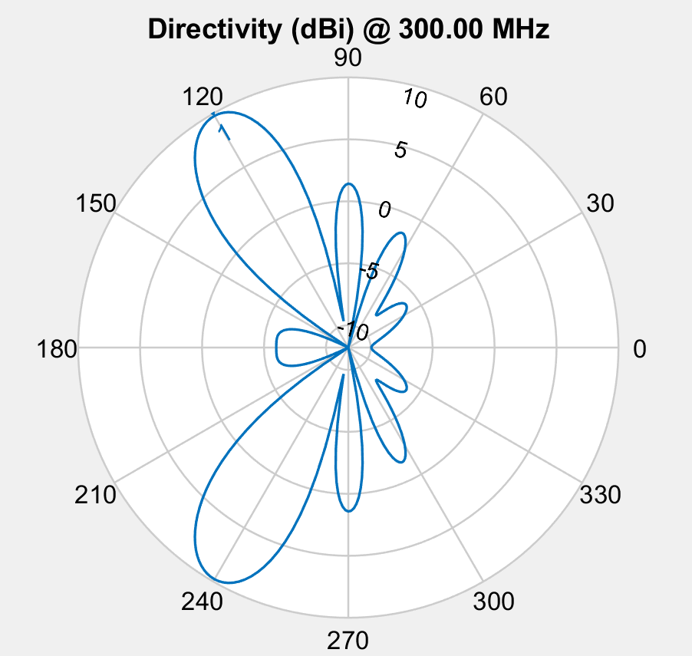
population_total = 500;
crossover_rate = 0.5;
mutation_rate = 0.1;
simulations = 50;
steer = 60; % from horizontal
+-8 deg from target
5 db outer circle
-10 db inner circle
<- Main results
7 db outer circle
-20 db inner circle
Optimized phase with same element spacing as before ->
HPBW slightly thicker at 21-23 deg
+-5 db from target
2x amplitude optimization->>
HPBW slightly thicker at 23-25 deg
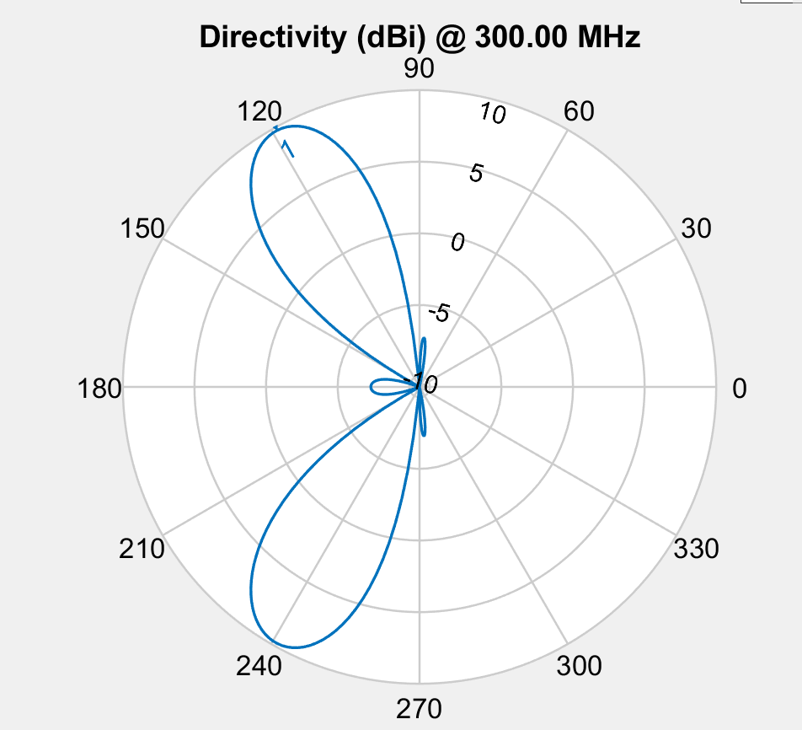
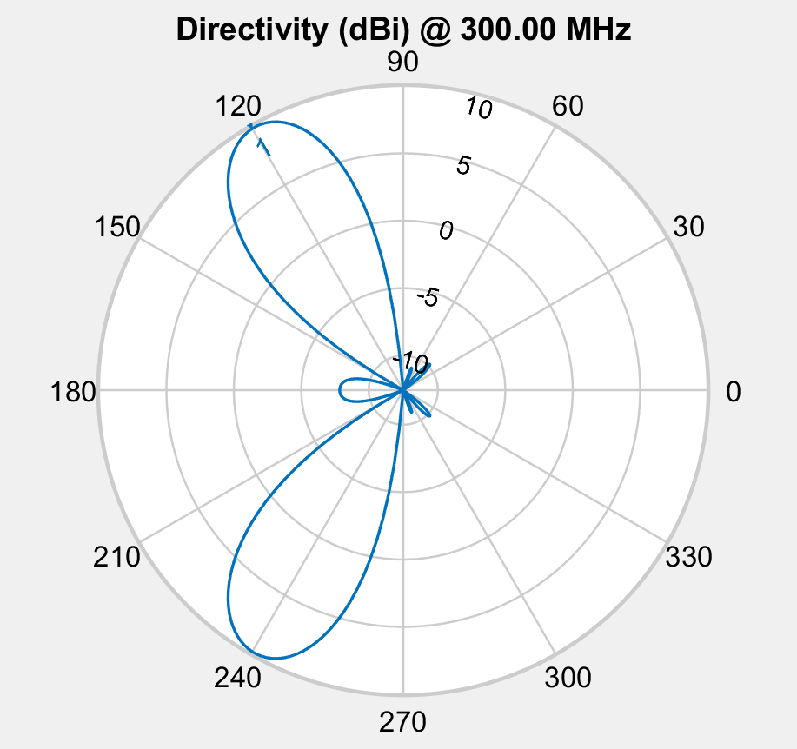
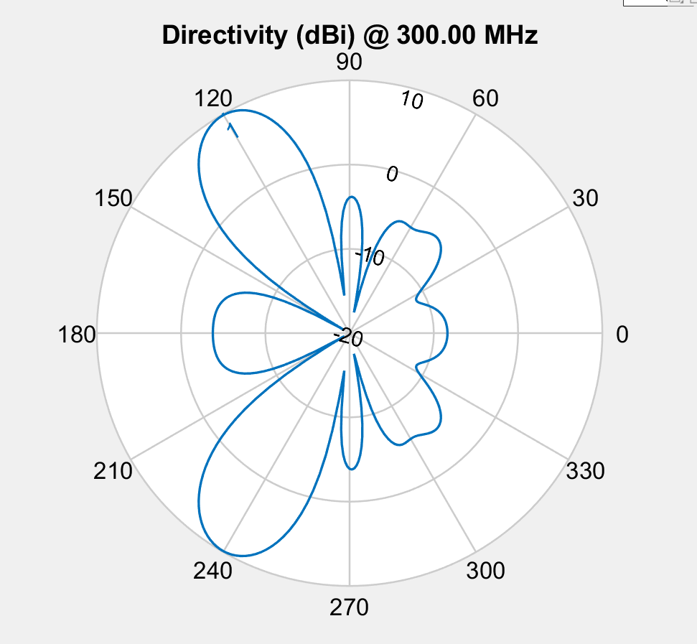

Phase
 | 288 | 51 | 235 | 206 | 69 | 313
 | 288 | 51 | 235 | 206 | 69 | 313
 | 288 | 51 | 235 | 206 | 69 | 313
 | 82 | 91 | 243 | 316 | 55 | 122
 | 82 | 91 | 243 | 316 | 55 | 122
 | 236.5 | 260.5 | 74.5 | 250 | 57.5 | 172.5
 | 236.5 | 260.5 | 74.5 | 250 | 57.5 | 172.5
 | 236.5 | 260.5 | 74.5 | 250 | 57.5 | 172.5
 | 82 | 91 | 243 | 316 | 55 | 122
 | 82 | 91 | 243 | 316 | 55 | 122
 | 8 | 91 | 243 | 316 | 55 | 122
 | 8 | 91 | 243 | 316 | 55 | 122
 | 82 | 91 | 243 | 316 | 55 | 122
 | 82 | 91 | 243 | 316 | 55 | 122
 | 82 | 91 | 222 | 316 | 55 | 122
 | 82 | 91 | 222 | 316 | 55 | 122
 | 82 | 91 | 222 | 316 | 55 | 122
 | 82 | 91 | 222 | 316 | 55 | 122
 | 82 | 91 | 222 | 316 | 55 | 122
 | 82 | 91 | 222 | 316 | 55 | 122
 | 82 | 91 | 222 | 316 | 55 | 122
 | 82 | 91 | 222 | 316 | 55 | 122
 | 82 | 91 | 222 | 316 | 55 | 122
 | 82 | 91 | 222 | 316 | 55 | 122
 | 75.285858154 | 99.961624146 | 238.61965942 | 315.35817719 | 59.505218506 | 122.54180908
 | 44.055053711 | 108.67633057 | 233.24230957 | 334 | 69.440307617 | 122.90649414
 | 44.055053711 | 108.67633057 | 233.24230957 | 334 | 69.440307617 | 122.90649414
 | 44.055053711 | 108.67633057 | 233.24230957 | 334 | 69.440307617 | 122.90649414
 | 44.055053711 | 108.67633057 | 233.24230957 | 334 | 69.440307617 | 122.90649414
 | 44.055053711 | 108.67633057 | 233.24230957 | 334 | 69.440307617 | 122.90649414
 | 44.055053711 | 108.67633057 | 233.24230957 | 334 | 69.440307617 | 122.90649414
 | 44.055053711 | 108.67633057 | 233.24230957 | 334 | 69.440307617 | 122.90649414
 | 44.055053711 | 108.67633057 | 233.24230957 | 334 | 69.440307617 | 122.90649414
 | 44.055053711 | 108.67633057 | 233.24230957 | 334 | 69.440307617 | 122.90649414
 | 44.055053711 | 108.67633057 | 233.24230957 | 334 | 69.440307617 | 122.90649414
 | 44.055053711 | 108.67633057 | 233.24230957 | 334 | 69.440307617 | 122.90649414
 | 44.055053711 | 108.67633057 | 233.24230957 | 334 | 69.440307617 | 122.90649414
 | 44.055053711 | 108.67633057 | 233.24230957 | 334 | 69.440307617 | 122.90649414
 | 44.055053711 | 108.67633057 | 233.24230957 | 334 | 69.440307617 | 122.90649414
 | 44.055053711 | 108.67633057 | 233.24230957 | 334 | 69.440307617 | 122.90649414
 | 44.055053711 | 108.67633057 | 233.24230957 | 334 | 69.440307617 | 122.90649414
 | 44.055053711 | 108.67633057 | 233.24230957 | 334 | 69.440307617 | 122.90649414
 | 44.055053711 | 108.67633057 | 233.24230957 | 334 | 69.440307617 | 122.90649414
 | 44.055053711 | 108.67633057 | 233.24230957 | 334 | 69.440307617 | 122.90649414
 | 44.055053711 | 122 | 233.24230957 | 334 | 69.440307617 | 122.90649414
 | 47.943851969 | 118.97440669 | 233.63056275 | 332.09822756 | 58 | 123.04282816
 | 47.943851969 | 118.97440669 | 233.63056275 | 332.09822756 | 58 | 123.04282816
 | 45.99945284 | 113.82536863 | 233.43643616 | 333.04911378 | 63.720153809 | 122.97466115
 | 46.679170515 | 117.25028692 | 233.59718796 | 332.6792258 | 63.355800942 | 122.98556203
 | 46.679170515 | 117.25028692 | 233.59718796 | 332.6792258 | 63.355800942 | 122.98556203
Element Spacing
 | 1.2173503462 | 1.0071079251 | 1.660176537
 | 1.2173503462 | 1.0071079251 | 1.660176537
 | 1.2173503462 | 1.0071079251 | 1.660176537
 | 0.59355378996 | 0.47318408109 | 0.63524255263
 | 0.59355378996 | 0.47318408109 | 0.63524255263
 | 0.37927345785 | 1.0016838981 | 0.83680129517
 | 0.37927345785 | 1.0016838981 | 0.83680129517
 | 0.37927345785 | 1.0016838981 | 0.83680129517
 | 0.54946348626 | 0.32118550132 | 0.57201181979
 | 0.54946348626 | 0.32118550132 | 0.57201181979
 | 0.59355378996 | 0.47318408109 | 0.63524255263
 | 0.59355378996 | 0.47318408109 | 0.63524255263
 | 0.43362262367 | 0.51260861307 | 0.47004045418
 | 0.43362262367 | 0.51260861307 | 0.47004045418
 | 0.43362262367 | 0.51260861307 | 0.47004045418
 | 0.43362262367 | 0.51260861307 | 0.47004045418
 | 0.43362262367 | 0.51260861307 | 0.47004045418
 | 0.43362262367 | 0.51260861307 | 0.47004045418
 | 0.43362262367 | 0.51260861307 | 0.47004045418
 | 0.43362262367 | 0.51260861307 | 0.47004045418
 | 0.43362262367 | 0.51260861307 | 0.47004045418
 | 0.43362262367 | 0.51260861307 | 0.47004045418
 | 0.43362262367 | 0.51260861307 | 0.47004045418
 | 0.43362262367 | 0.51260861307 | 0.47004045418
 | 0.43362262367 | 0.51260861307 | 0.47004045418
 | 0.43362262367 | 0.51260861307 | 0.47004045418
 | 0.43362262367 | 0.51260861307 | 0.47004045418
 | 0.43362262367 | 0.51260861307 | 0.47004045418
 | 0.43362262367 | 0.51260861307 | 0.47004045418
 | 0.43362262367 | 0.51260861307 | 0.47004045418
 | 0.43362262367 | 0.51260861307 | 0.47004045418
 | 0.43362262367 | 0.54514154111 | 0.47004045418
 | 0.43362262367 | 0.54514154111 | 0.47004045418
 | 0.43362262367 | 0.54514154111 | 0.47004045418
 | 0.43351044045 | 0.55508470274 | 0.48077401834
 | 0.43351044045 | 0.55508470274 | 0.48077401834
 | 0.43351044045 | 0.55508470274 | 0.48077401834
 | 0.43351044045 | 0.55508470274 | 0.48077401834
 | 0.43590732232 | 0.55200957685 | 0.48072379556
 | 0.43590732232 | 0.55200957685 | 0.48072379556
 | 0.43590732232 | 0.55200957685 | 0.48072379556
 | 0.43590732232 | 0.55200957685 | 0.48072379556
 | 0.43539758545 | 0.55342370342 | 0.47997123615
 | 0.43539758545 | 0.55342370342 | 0.47997123615
 | 0.43414837678 | 0.53000308462 | 0.47794296789
 | 0.43418596627 | 0.52527095413 | 0.47770171754
 | 0.43418596627 | 0.52527095413 | 0.47770171754
 | 0.43493250537 | 0.53783301954 | 0.4791227839
 | 0.43303902816 | 0.53470551544 | 0.47693291853
 | 0.43303902816 | 0.53470551544 | 0.47693291853

HPBW
 | 10
 | 10
 | 10
 | 20
 | 20
 | 14
 | 14
 | 14
 | 21
 | 21
 | 19
 | 19
 | 21
 | 21
 | 22
 | 22
 | 22
 | 22
 | 22
 | 22
 | 22
 | 22
 | 22
 | 22
 | 22
 | 23
 | 23
 | 23
 | 23
 | 23
 | 23
 | 21
 | 21
 | 21
 | 21
 | 21
 | 21
 | 21
 | 21
 | 21
 | 21
 | 21
 | 21
 | 21
 | 22
 | 22
 | 22
 | 22
 | 22
 | 22
Fitness
 | -2.8203017712
 | -2.8203017712
 | -2.8203017712
 | -2.8577458512
 | -2.8577458512
 | -2.8817078119
 | -2.8817078119
 | -2.8817078119
 | -2.9898263675
 | -2.9898263675
 | -3.5329191032
 | -3.5329191032
 | -3.5402675582
 | -3.5402675582
 | -3.751429844
 | -3.751429844
 | -3.751429844
 | -3.751429844
 | -3.751429844
 | -3.751429844
 | -3.751429844
 | -3.751429844
 | -3.751429844
 | -3.751429844
 | -3.7050246545
 | -3.8783013562
 | -3.8783013562
 | -3.8783013562
 | -3.8783013562
 | -3.8783013562
 | -3.8783013562
 | -4.0236947818
 | -4.0236947818
 | -4.0236947818
 | -4.1223456538
 | -4.1223456538
 | -4.1223456538
 | -4.1223456538
 | -4.1312075579
 | -4.1312075579
 | -4.1312075579
 | -4.1312075579
 | -4.1406401821
 | -4.1406401821
 | -4.2185090799
 | -4.2503322335
 | -4.2503322335
 | -4.1858819359
 | -4.2086620472
 | -4.2086620472

