Sheet1
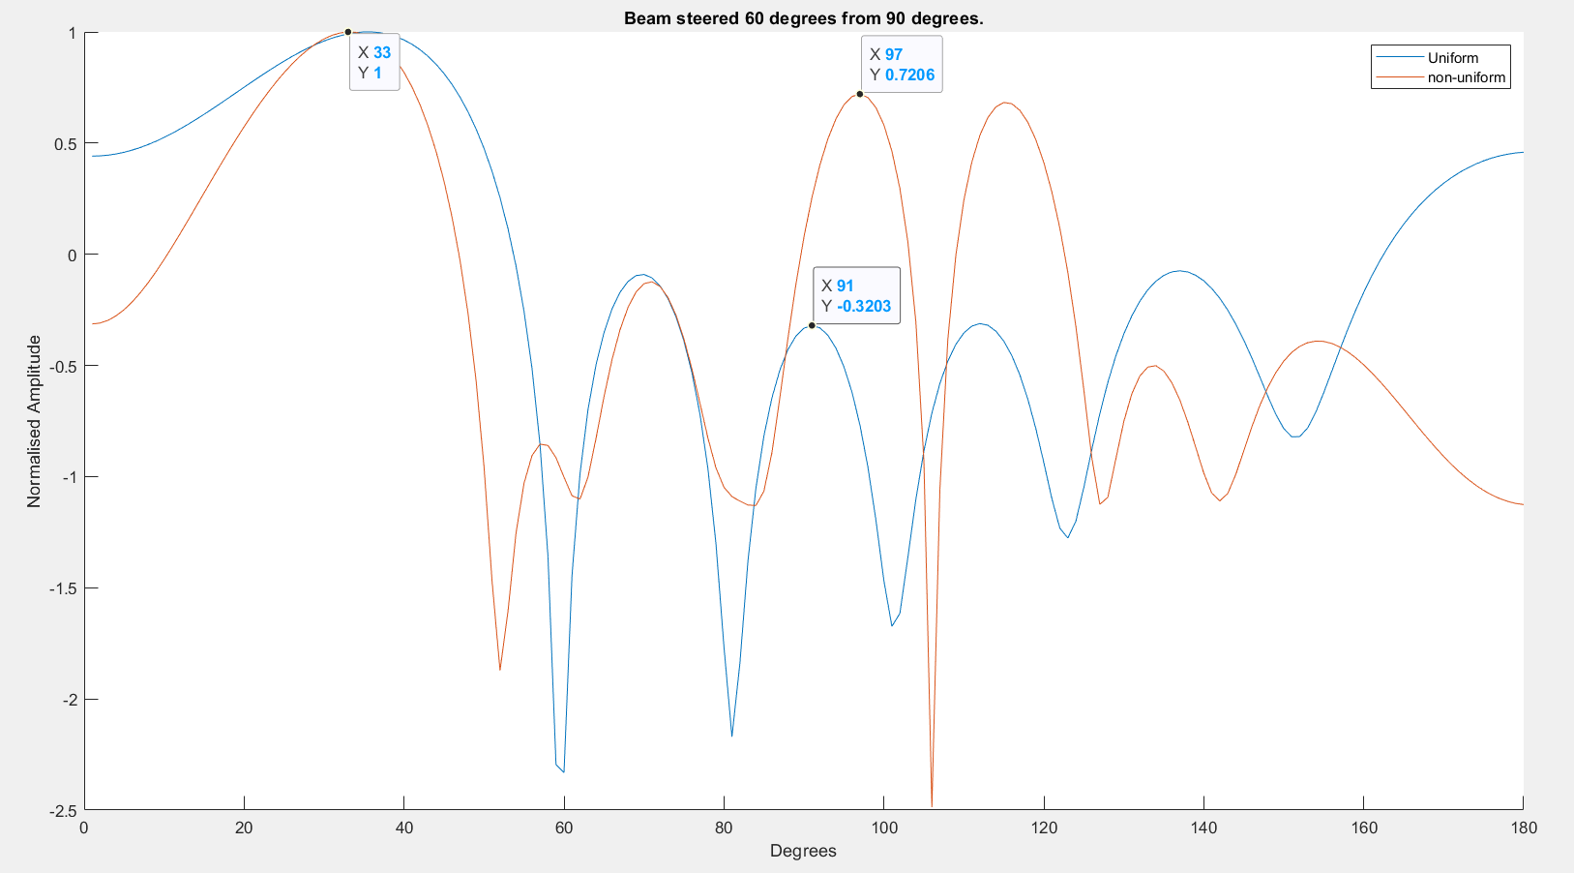
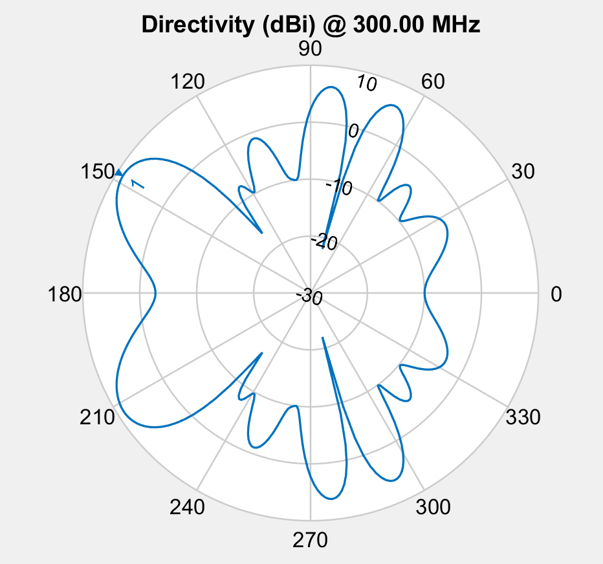

Spacing
 | 0.86013663866 | 1.332022365 | 1.646076248
 | 0.86013663866 | 1.332022365 | 1.646076248
 | 0.79377734036 | 0.86290355161 | 0.50441110823
 | 0.79377734036 | 0.86290355161 | 0.50441110823
 | 0.79377734036 | 0.86290355161 | 0.50441110823
 | 0.79377734036 | 0.86290355161 | 0.50441110823
 | 0.79377734036 | 0.86290355161 | 0.50441110823
 | 0.79377734036 | 0.86290355161 | 0.50441110823
 | 0.79377734036 | 0.86290355161 | 0.50441110823
 | 0.79377734036 | 0.86290355161 | 0.50441110823
 | 0.79377734036 | 0.86290355161 | 0.50441110823
 | 0.79377734036 | 0.86290355161 | 0.50441110823
 | 0.79377734036 | 0.86290355161 | 0.50441110823
 | 0.79377734036 | 0.86290355161 | 0.50441110823
 | 0.88285832152 | 0.86290355161 | 0.50441110823
 | 0.88285832152 | 0.86290355161 | 0.50441110823
 | 0.88285832152 | 0.86290355161 | 0.50441110823
 | 0.88285832152 | 0.86290355161 | 0.50441110823
 | 0.90034312604 | 0.92543448647 | 0.37174329821
 | 0.90034312604 | 0.92543448647 | 0.37174329821
 | 0.90034312604 | 0.92543448647 | 0.37174329821
 | 0.90034312604 | 0.92543448647 | 0.37174329821
 | 0.90034312604 | 0.92543448647 | 0.37174329821
 | 0.88285832152 | 0.86290355161 | 0.50441110823
 | 0.88285832152 | 0.86290355161 | 0.50441110823
 | 0.85800748949 | 0.88629460495 | 0.46076268741
 | 0.90034312604 | 0.92543448647 | 0.37174329821
 | 0.90034312604 | 0.92543448647 | 0.37174329821
 | 0.90034312604 | 0.92543448647 | 0.37174329821
 | 0.83603898734 | 0.90921962157 | 0.5291659942
 | 0.83603898734 | 0.90921962157 | 0.5291659942
 | 0.83603898734 | 0.90921962157 | 0.5291659942
 | 0.83603898734 | 0.90921962157 | 0.5291659942
 | 0.89422562258 | 0.9397867311 | 0.39044615984
 | 0.89422562258 | 0.9397867311 | 0.39044615984
 | 0.83603898734 | 0.90921962157 | 0.5291659942
 | 0.86517292072 | 0.89192898767 | 0.49682075557
 | 0.86517292072 | 0.89192898767 | 0.49682075557
 | 0.85438451124 | 0.89821719991 | 0.51163495526
 | 0.83603898734 | 0.90921962157 | 0.5291659942
 | 0.83603898734 | 0.90921962157 | 0.5291659942
 | 0.83603898734 | 0.90921962157 | 0.5291659942
 | 0.83970692351 | 0.90317109135 | 0.52164231245
 | 0.83603898734 | 0.90921962157 | 0.5291659942
 | 0.83603898734 | 0.90921962157 | 0.5291659942
 | 0.83603898734 | 0.90921962157 | 0.5291659942
 | 0.83603898734 | 0.90921962157 | 0.5291659942
 | 0.83603898734 | 0.90921962157 | 0.5291659942
 | 0.83603898734 | 0.90921962157 | 0.5291659942
 | 0.83603898734 | 0.90921962157 | 0.5291659942
-10db inner circle
5db outer circle
8 degrees from target

Phase
 | 148 | 78 | 117 | 313 | 35 | 268
 | 148 | 78 | 117 | 313 | 35 | 268
 | 355 | 243 | 162 | 310 | 241 | 126
 | 355 | 243 | 162 | 310 | 241 | 126
 | 355 | 243 | 162 | 310 | 241 | 126
 | 355 | 243 | 162 | 310 | 241 | 126
 | 355 | 243 | 162 | 310 | 241 | 126
 | 355 | 243 | 162 | 310 | 241 | 126
 | 355 | 243 | 162 | 310 | 241 | 126
 | 355 | 243 | 162 | 310 | 241 | 126
 | 355 | 243 | 162 | 310 | 241 | 126
 | 355 | 243 | 162 | 310 | 241 | 126
 | 355 | 243 | 162 | 310 | 241 | 126
 | 355 | 243 | 162 | 310 | 241 | 126
 | 355 | 243 | 162 | 310 | 241 | 126
 | 355 | 243 | 162 | 310 | 241 | 126
 | 355 | 243 | 162 | 310 | 241 | 126
 | 355 | 243 | 162 | 310 | 241 | 126
 | 307.125 | 201.38183594 | 160.80371094 | 264.31835938 | 181.88085938 | 135.33398438
 | 307.125 | 201.38183594 | 160.80371094 | 264.31835938 | 181.88085938 | 135.33398438
 | 307.125 | 201.38183594 | 160.80371094 | 264.31835938 | 181.88085938 | 135.33398438
 | 307.125 | 201.38183594 | 160.80371094 | 264.31835938 | 181.88085938 | 135.33398438
 | 307.125 | 201.38183594 | 160.80371094 | 264.31835938 | 181.88085938 | 135.33398438
 | 323 | 243 | 162 | 310 | 241 | 126
 | 323 | 243 | 162 | 310 | 241 | 126
 | 355 | 243 | 162 | 310 | 241 | 126
 | 305.05163193 | 206.69688416 | 163.67162323 | 264.67324066 | 202.25867462 | 137.19546127
 | 303.21191406 | 203.78601074 | 163.62097168 | 265.74243164 | 198.39404297 | 129.57983398
 | 318.71898542 | 211.29277593 | 160.46236768 | 274.81121007 | 199.4462958 | 133.7269408
 | 325.015625 | 237.79772949 | 161.85046387 | 304.28979492 | 233.61010742 | 127.16674805
 | 325.015625 | 237.79772949 | 161.85046387 | 304.28979492 | 233.61010742 | 127.16674805
 | 325.015625 | 237.79772949 | 161.85046387 | 304.28979492 | 233.61010742 | 127.16674805
 | 325.015625 | 237.79772949 | 161.85046387 | 304.28979492 | 233.61010742 | 127.16674805
 | 312.87294793 | 207.98064709 | 162.97912741 | 270.99252653 | 198.15885735 | 133.60637212
 | 312.87294793 | 207.98064709 | 162.97912741 | 270.99252653 | 198.15885735 | 133.60637212
 | 325.015625 | 237.79772949 | 161.85046387 | 304.28979492 | 233.61010742 | 127.16674805
 | 323 | 243 | 162 | 310 | 241 | 126
 | 323 | 243 | 162 | 310 | 241 | 126
 | 323 | 243 | 162 | 310 | 241 | 126
 | 332.2716447 | 240.7642616 | 162.0296219 | 306.5278005 | 244.93563843 | 126.63583
 | 332.2716447 | 240.7642616 | 162.0296219 | 306.5278005 | 244.93563843 | 126.63583
 | 332.2716447 | 240.7642616 | 162.0296219 | 306.5278005 | 244.93563843 | 126.63583
 | 327.82164206 | 242.13625378 | 161.92026905 | 308.87943114 | 240.45325292 | 126.16983472
 | 328.95349423 | 242.03619841 | 161.97055487 | 308.79874249 | 241.60996306 | 126.11397061
 | 328.95349423 | 242.03619841 | 161.97055487 | 308.79874249 | 241.60996306 | 126.11397061
 | 328.95349423 | 242.03619841 | 161.97055487 | 308.79874249 | 241.60996306 | 126.11397061
 | 329.76179891 | 241.55698889 | 162.00546494 | 307.90701243 | 242.50595093 | 126.39083675
 | 329.76179891 | 241.55698889 | 162.00546494 | 307.90701243 | 242.50595093 | 126.39083675
 | 329.76179891 | 241.55698889 | 162.00546494 | 307.90701243 | 242.50595093 | 126.39083675
 | 329.76179891 | 241.55698889 | 162.00546494 | 307.90701243 | 242.50595093 | 126.39083675

 | -2.5411414879
 | -2.5411414879
 | -2.5663064775
 | -2.5663064775
 | -2.5663064775
 | -2.5663064775
 | -2.5663064775
 | -2.5663064775
 | -2.5663064775
 | -2.5663064775
 | -2.5663064775
 | -2.5663064775
 | -2.5663064775
 | -2.5663064775
 | -2.6634589499
 | -2.6634589499
 | -2.6634589499
 | -2.6634589499
 | -2.691795443
 | -2.691795443
 | -2.691795443
 | -2.691795443
 | -2.691795443
 | -2.708367211
 | -2.708367211
 | -2.7105269332
 | -2.7359129421
 | -2.7552930308
 | -2.7674835405
 | -2.8085569151
 | -2.8085569151
 | -2.8085569151
 | -2.8085569151
 | -2.8200486068
 | -2.8200486068
 | -2.8085569151
 | -2.8124468038
 | -2.8124468038
 | -2.8397886413
 | -2.8497005398
 | -2.8497005398
 | -2.8497005398
 | -2.877265985
 | -2.9438178806
 | -2.9438178806
 | -2.9438178806
 | -2.9476258895
 | -2.9476258895
 | -2.9476258895
 | -2.9476258895

