Sheet1
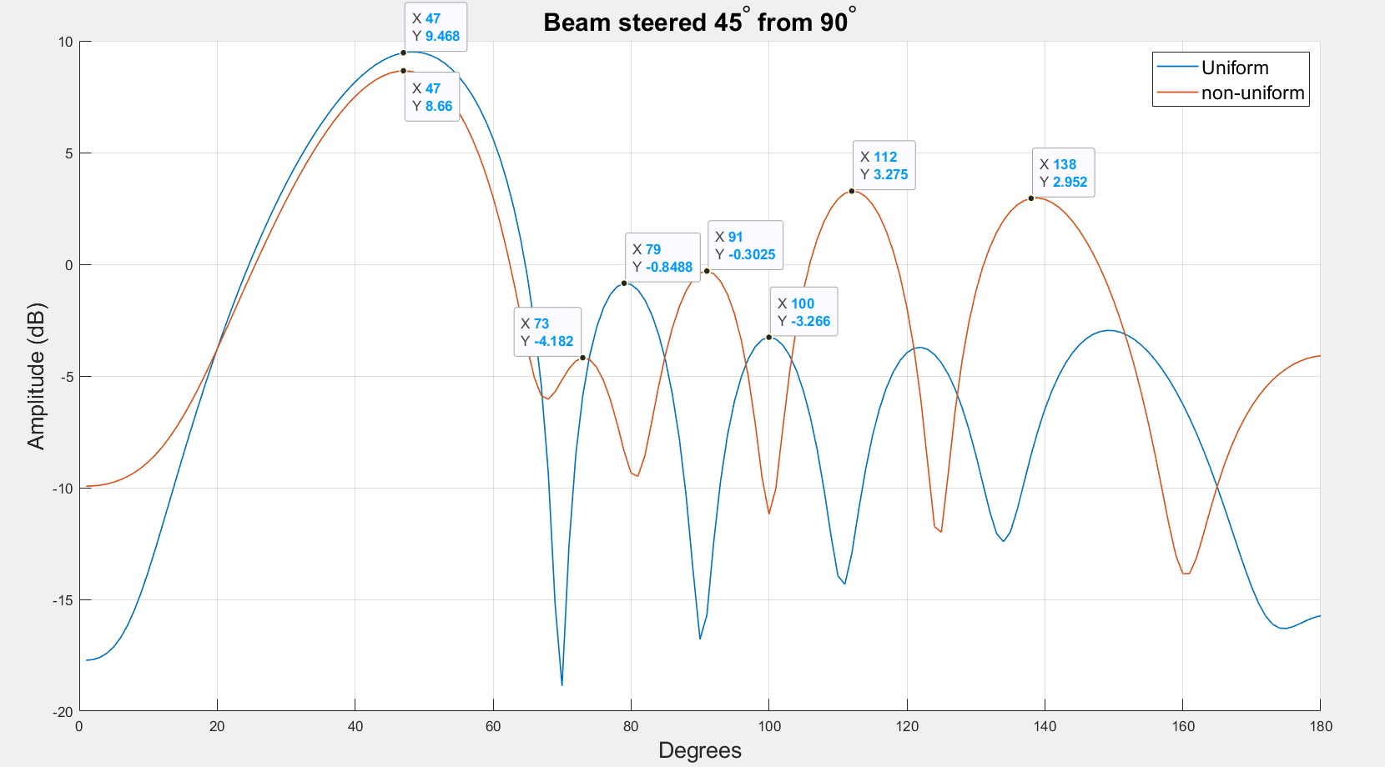
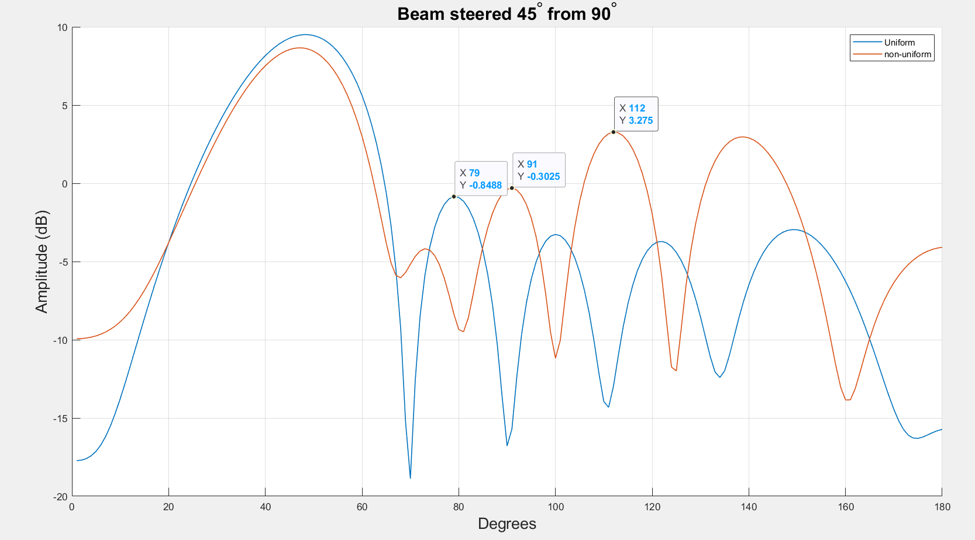
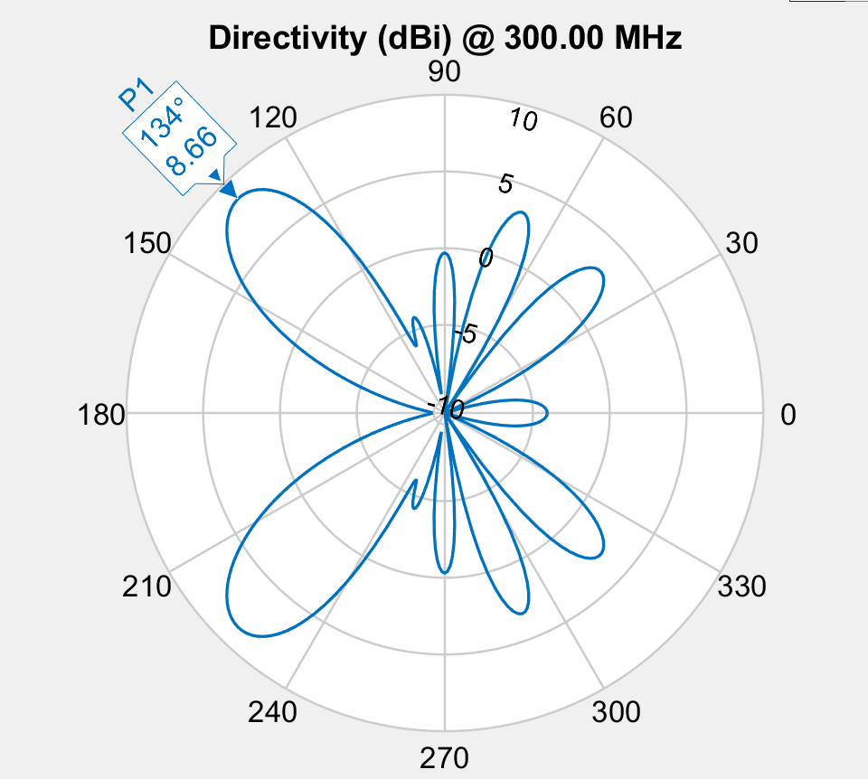

Mutate amplitude was on for evey mutation.
Fitness function:
8 deg from target
-10db inner circle
5db out circle
population_total = 500;
crossover_rate = 0.5;
mutation_rate = 0.1;
simulations = 50;
steer = 45;

