Sheet1
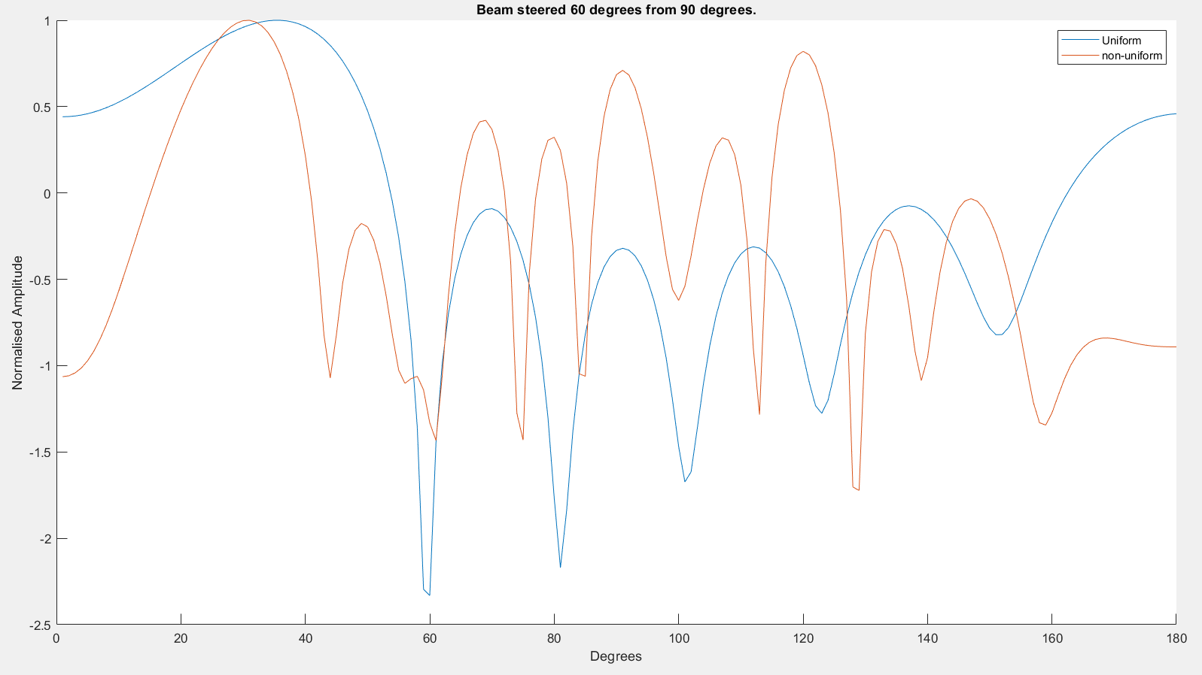
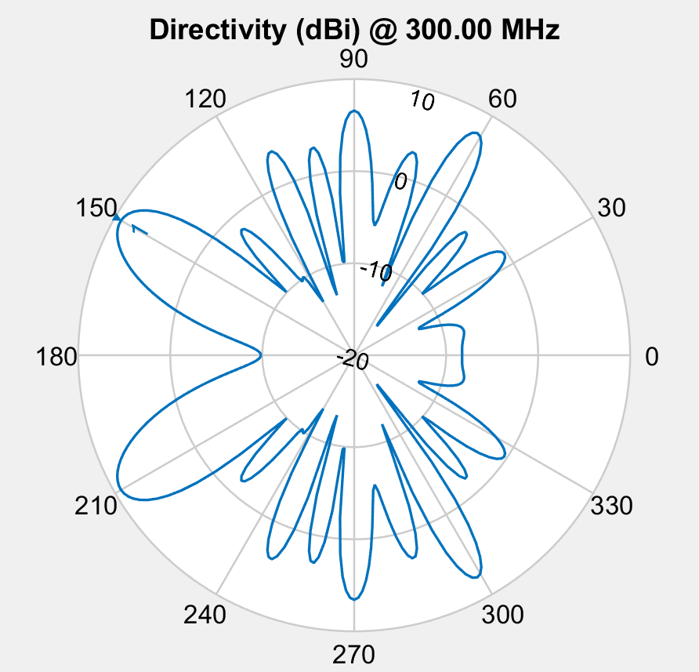

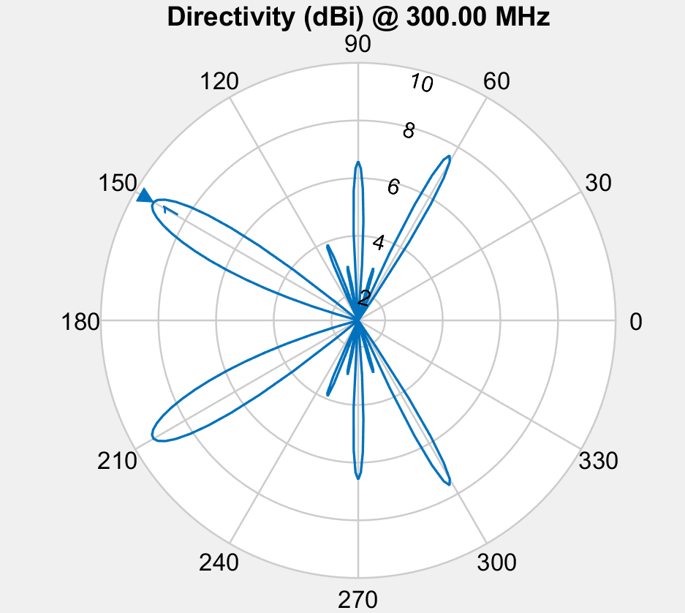

 | 172 | 326 | 229 | 280 | 140 | 329
 | 249 | 316 | 267 | 172 | 82 | 141
 | 249 | 316 | 267 | 172 | 82 | 141
 | 168 | 254 | 208 | 152 | 93 | 235
 | 168 | 254 | 208 | 152 | 93 | 235
 | 168 | 254 | 208 | 152 | 93 | 235
 | 168 | 254 | 208 | 152 | 93 | 235
 | 168 | 254 | 208 | 152 | 93 | 235
 | 188 | 255.875 | 164.125 | 245.375 | 134.25 | 203.375
 | 168 | 254 | 208 | 152 | 93 | 235
 | 168 | 254 | 208 | 152 | 93 | 235
 | 168 | 254 | 208 | 152 | 93 | 235
 | 168 | 254 | 208 | 152 | 93 | 235
 | 168 | 254 | 208 | 152 | 93 | 235
 | 168 | 254 | 208 | 152 | 93 | 235
 | 131.47265625 | 225.03125 | 189.765625 | 176.6640625 | 136.2109375 | 182.9609375
 | 131.47265625 | 225.03125 | 189.765625 | 176.6640625 | 136.2109375 | 182.9609375
 | 131.47265625 | 225.03125 | 189.765625 | 176.6640625 | 136.2109375 | 182.9609375
 | 131.47265625 | 225.03125 | 189.765625 | 176.6640625 | 136.2109375 | 182.9609375
 | 131.47265625 | 225.03125 | 189.765625 | 176.6640625 | 136.2109375 | 182.9609375
 | 131.47265625 | 225.03125 | 189.765625 | 176.6640625 | 136.2109375 | 182.9609375
 | 131.47265625 | 225.03125 | 189.765625 | 176.6640625 | 136.2109375 | 182.9609375
 | 168 | 254 | 208 | 152 | 93 | 235
 | 151.6015625 | 222.734375 | 177.953125 | 209.703125 | 175.9140625 | 202.9140625
 | 151.6015625 | 222.734375 | 177.953125 | 209.703125 | 175.9140625 | 202.9140625
 | 168 | 254 | 208 | 152 | 93 | 235
 | 168 | 254 | 208 | 152 | 93 | 235
 | 168 | 254 | 208 | 152 | 93 | 235
 | 168 | 254 | 208 | 152 | 93 | 235
 | 168 | 254 | 208 | 152 | 93 | 235
 | 155.48966742 | 201.49892759 | 181.52719164 | 185.23315763 | 179.72763729 | 205.90119076
 | 149.73632812 | 239.515625 | 144 | 164.33203125 | 114.60546875 | 208.98046875
 | 149.73632812 | 239.515625 | 144 | 164.33203125 | 114.60546875 | 208.98046875
 | 149.73632812 | 239.515625 | 144 | 164.33203125 | 114.60546875 | 208.98046875
 | 1 | 1 | 1 | 1 | 1 | 1
 | 1 | 1 | 1 | 1 | 1 | 1
 | 1 | 1 | 1 | 1 | 1 | 1
 | 1.2186281133 | 1 | 1 | 1 | 1 | 1
 | 1.2186281133 | 1 | 1 | 1 | 1 | 1
 | 1.2186281133 | 1 | 1 | 1 | 1 | 1
 | 1.0546570283 | 0.97370592755 | 1.0186993105 | 1 | 1 | 1
 | 1.0546570283 | 0.97370592755 | 1.0186993105 | 1 | 1 | 1
 | 0.89809694109 | 0.94817227789 | 1.0162161805 | 0.94201317456 | 1.011268535 | 1
 | 0.99617290719 | 1.069402232 | 1.052275729 | 1.0016346436 | 1 | 1
 | 0.99617290719 | 1.069402232 | 1.052275729 | 1.0016346436 | 1 | 1
 | 0.99617290719 | 1.069402232 | 1.052275729 | 1.0016346436 | 1 | 1
 | 0.99617290719 | 1.069402232 | 1.052275729 | 1.0016346436 | 1 | 1
 | 0.99617290719 | 1.069402232 | 1.052275729 | 1.0016346436 | 1 | 1
 | 0.99617290719 | 1.069402232 | 1.052275729 | 1.0016346436 | 1 | 1
 | 1.3543386784 | 1.0018413072 | 0.93135851134 | 0.96837266409 | 0.92581431979 | 1
 | 1.3543386784 | 1.0018413072 | 0.93135851134 | 0.96837266409 | 0.92581431979 | 1
 | 1.1800088494 | 1.0059882187 | 0.51880673628 | 0.95707033628 | 0.9892913725 | 1
 | 1.1800088494 | 1.0059882187 | 0.51880673628 | 0.95707033628 | 0.9892913725 | 1
 | 1.1800088494 | 1.0059882187 | 0.51880673628 | 0.95707033628 | 0.9892913725 | 1
 | 1.1785954813 | 1.0029941093 | 0.75371879574 | 0.97853516814 | 0.87444068448 | 1
 | 1.1785954813 | 1.0029941093 | 0.75371879574 | 0.97853516814 | 0.87444068448 | 1
 | 0.97732196732 | 0.9197088497 | 0.92063884153 | 0.93518117296 | 1.032917417 | 1
 | 1.0827472055 | 0.94955134644 | 1.0902905349 | 1.1339101392 | 1.0444393343 | 1
 | 1.0827472055 | 0.94955134644 | 1.0902905349 | 1.1339101392 | 1.0444393343 | 1
 | 0.97732196732 | 0.9197088497 | 0.92063884153 | 0.93518117296 | 1.032917417 | 1
 | 0.97732196732 | 0.9197088497 | 0.92063884153 | 0.93518117296 | 1.032917417 | 1
 | 1.0453899737 | 1.1712072491 | 1.0361612556 | 0.82534456888 | 1.0259448468 | 1
 | 1.0453899737 | 1.1712072491 | 1.0361612556 | 0.82534456888 | 1.0259448468 | 1
 | 1.0453899737 | 1.1712072491 | 1.0361612556 | 0.82534456888 | 1.0259448468 | 1
 | 1.3592380563 | 0.7975449616 | 1.0361813726 | 1.1057488739 | 1.1961387974 | 1
 | 1.1379838262 | 1.1116596954 | 1.0325385508 | 1.0914350344 | 1.0812904302 | 1
 | 1.1379838262 | 1.1116596954 | 1.0325385508 | 1.0914350344 | 1.0812904302 | 1
 | 1.1379838262 | 1.1116596954 | 1.0325385508 | 1.0914350344 | 1.0812904302 | 1
 | 1.7444838694 | 1.8516135467 | 0.24669623945 | 1.8516135467 | 1.7444838694
 | 1.3355195897 | 0.99854166386 | 0.87624751589 | 0.99854166386 | 1.3355195897
 | 1.3355195897 | 0.99854166386 | 0.87624751589 | 0.99854166386 | 1.3355195897
 | 1.5269234221 | 0.90073065009 | 1.0497299209 | 0.90073065009 | 1.5269234221
 | 1.5269234221 | 0.90073065009 | 1.0497299209 | 0.90073065009 | 1.5269234221
 | 1.5269234221 | 0.90073065009 | 1.0497299209 | 0.90073065009 | 1.5269234221
 | 1.5269234221 | 0.90073065009 | 1.0497299209 | 0.90073065009 | 1.5269234221
 | 1.5269234221 | 0.90073065009 | 1.0497299209 | 0.90073065009 | 1.5269234221
 | 1.3725228368 | 0.81022965669 | 1.3933545738 | 0.81022965669 | 1.3725228368
 | 1.5269234221 | 0.90073065009 | 1.0497299209 | 0.90073065009 | 1.5269234221
 | 1.5269234221 | 0.90073065009 | 1.0497299209 | 0.90073065009 | 1.5269234221
 | 1.5269234221 | 0.90073065009 | 1.0497299209 | 0.90073065009 | 1.5269234221
 | 1.5269234221 | 0.90073065009 | 1.0497299209 | 0.90073065009 | 1.5269234221
 | 1.5269234221 | 0.90073065009 | 1.0497299209 | 0.90073065009 | 1.5269234221
 | 1.5269234221 | 0.90073065009 | 1.0497299209 | 0.90073065009 | 1.5269234221
 | 1.4750146757 | 0.91653400376 | 1.2670865923 | 0.91653400376 | 1.4750146757
 | 1.4750146757 | 0.91653400376 | 1.2670865923 | 0.91653400376 | 1.4750146757
 | 1.4750146757 | 0.91653400376 | 1.2670865923 | 0.91653400376 | 1.4750146757
 | 1.4750146757 | 0.91653400376 | 1.2670865923 | 0.91653400376 | 1.4750146757
 | 1.4750146757 | 0.91653400376 | 1.2670865923 | 0.91653400376 | 1.4750146757
 | 1.4750146757 | 0.91653400376 | 1.2670865923 | 0.91653400376 | 1.4750146757
 | 1.4750146757 | 0.91653400376 | 1.2670865923 | 0.91653400376 | 1.4750146757
 | 1.5269234221 | 0.90073065009 | 1.0497299209 | 0.90073065009 | 1.5269234221
 | 1.3434343901 | 1.0173236545 | 1.2595318771 | 1.0173236545 | 1.3434343901
 | 1.3434343901 | 1.0173236545 | 1.2595318771 | 1.0173236545 | 1.3434343901
 | 1.5269234221 | 0.90073065009 | 1.0497299209 | 0.90073065009 | 1.5269234221
 | 1.5269234221 | 0.90073065009 | 1.0497299209 | 0.90073065009 | 1.5269234221
 | 1.5269234221 | 0.90073065009 | 1.0497299209 | 0.90073065009 | 1.5269234221
 | 1.5269234221 | 0.90073065009 | 1.0497299209 | 0.90073065009 | 1.5269234221
 | 1.5269234221 | 0.90073065009 | 1.0497299209 | 0.90073065009 | 1.5269234221
 | 0.0022443782584 | 1.192424226 | 1.0704785763 | 1.192424226 | 0.0022443782584
 | 1.4457090533 | 0.95287255007 | 1.1153687623 | 0.95287255007 | 1.4457090533
 | 1.4457090533 | 0.95287255007 | 1.1153687623 | 0.95287255007 | 1.4457090533
 | 1.4457090533 | 0.95287255007 | 1.1153687623 | 0.95287255007 | 1.4457090533

 | 13
 | 18
 | 18
 | 16
 | 16
 | 16
 | 17
 | 17
 | 17
 | 17
 | 17
 | 17
 | 17
 | 17
 | 17
 | 15
 | 15
 | 15
 | 15
 | 15
 | 15
 | 15
 | 17
 | 16
 | 16
 | 17
 | 17
 | 17
 | 17
 | 17
 | 23
 | 16
 | 16
 | 16
 | -2.4999791299
 | -2.5485060204
 | -2.5485060204
 | -2.7614363135
 | -2.7614363135
 | -2.7614363135
 | -2.7642256469
 | -2.7642256469
 | -2.7553119289
 | -2.8129968535
 | -2.8129968535
 | -2.8129968535
 | -2.8129968535
 | -2.8129968535
 | -2.8129968535
 | -2.7279190322
 | -2.7279190322
 | -2.8057985375
 | -2.8057985375
 | -2.8057985375
 | -2.74423013
 | -2.74423013
 | -2.7390797273
 | -2.8012751851
 | -2.8012751851
 | -2.7390797273
 | -2.7390797273
 | -2.7814110613
 | -2.7814110613
 | -2.7814110613
 | -2.7443340226
 | -2.9373920803
 | -2.9373920803
 | -2.9373920803
Did not plan to chanhe amplitude. Mutation must have accored.

