Sheet1
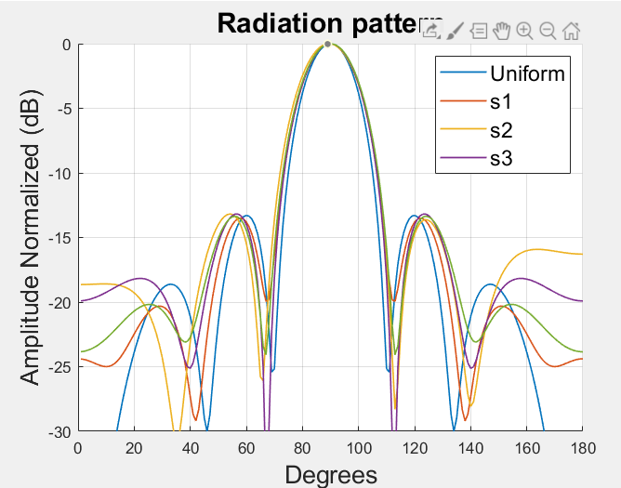

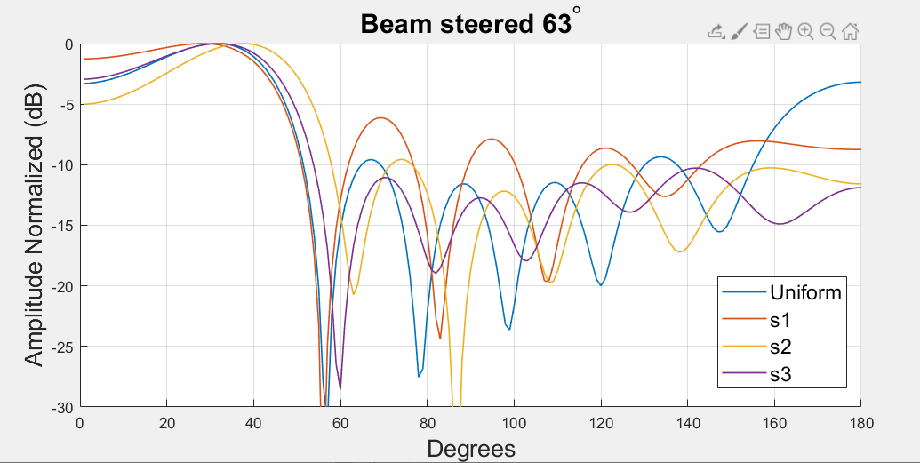

CA27DEG
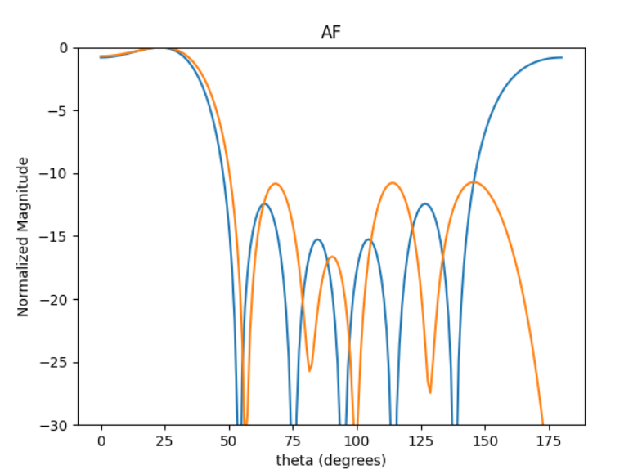
27DEG | 0 | 1 | 2 | 3 | 4 | 5 | HPBW | SLL | SLL2 | DIR
0 | 4.8581381717 | 2.5290744993 | 0.021362820958 | 3.5540572475 | 1.1376118592 | 4.8656145541 | 43 | -0.69213236718 | -9.9006448483 | 2.8122164178
1 | 2.1668173117 | 5.3868785927 | 3.2724866756 | 0.49434371502 | 4.3462192378 | 1.9872392612 | 43 | -0.68287573188 | -9.4883363656 | 2.6960571686
2 | 5.5344791963 | 2.3961017993 | 0.4046429794 | 3.9150823632 | 1.9387274644 | 5.0379049969 | 43 | -0.69363614008 | -7.2712498052 | 2.6406872349
3 | 3.0764710836 | 0.46229809196 | 4.4553514758 | 1.6275914823 | 5.6558954483 | 2.9343521751 | 43 | -0.68624319391 | -9.7803156608 | 2.7673834571
4 | 3.4374653835 | 0.80055959059 | 4.7186091084 | 2.0877996862 | 5.9277561706 | 3.2808741111 | 43 | -0.68517213155 | -10.083696439 | 2.7886315726
5 | 1.7766280527 | 5.3118633205 | 3.005701586 | 0.2853396292 | 4.0683472729 | 1.7033143617 | 43 | -0.69631732725 | -10.708975875 | 2.7768736713
6 | 3.5110674334 | 1.1095390026 | 4.8929131827 | 2.1210611899 | 5.9469464103 | 3.5568194911 | 43 | -0.69682042487 | -9.5276018382 | 2.8258475217
7 | 3.630139967 | 0.50941767145 | 4.5477454764 | 2.0361396694 | 6.0888539806 | 3.2093785694 | 43 | -0.69620890453 | -8.7262129184 | 2.6841445529
8 | 3.7581813883 | 0.92565857554 | 5.0581125974 | 2.3055344424 | 0.3653581058 | 3.3131379907 | 43 | -0.6912288139 | -7.7095816435 | 2.6259093136
9 | 2.4080117795 | 0.038315872347 | 3.8632930448 | 1.0355140313 | 4.9627177497 | 2.4220310208 | 43 | -0.69649459792 | -9.7383383456 | 2.8078151415

 | 101.79328919 | 304.34734962 | 172.21401535 | 16.348756481 | 233.09912833 | 97.592724108

 | 0.525 | 0.35 | 0.5 | 0.35 | 0.525

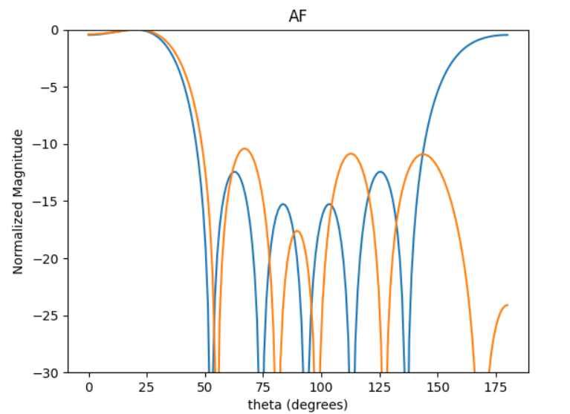
20DEG
0 | 5.6967700108 | 3.0920627925 | 0.65382923177 | 4.1064653838 | 1.6610342467 | 5.3638157286 |  |  | -10.403326833
1 | 4.3631043598 | 1.3441812519 | 5.4220523003 | 2.6869411193 | 0.56820647554 | 3.6538957726 |  |  | -8.2698392746
2 | 1.5173520036 | 4.4598577459 | 2.4605444987 | 5.9476897921 | 3.4617061953 | 0.95303171759 |  |  | -8.7744780144
3 | 1.8248577381 | 5.34623592 | 3.0151286505 | 0.17994976354 | 4.0506878004 | 1.4206495967 |  |  | -10.23173495
4 | 6.2412804158 | 3.6062936068 | 1.1968869301 | 4.6605062425 | 2.338352205 | 5.8250481393 |  |  | -10.178434328
5 | 2.7759583603 | 5.9023719794 | 3.732031235 | 0.97512717504 | 4.843573691 | 2.2334160515 |  |  | -9.3537970403
6 | 3.5408903547 | 0.93839188339 | 4.5979852723 | 2.0811733008 | 5.8535587063 | 3.0993227515 |  |  | -9.7230589005
7 | 4.5542423824 | 1.829502695 | 5.7125733419 | 2.9739575625 | 0.58559611761 | 4.0939217018 |  |  | -10.052885685
8 | 2.3258450525 | 5.2855282188 | 3.3243608928 | 0.5260500744 | 4.8951434821 | 1.4263665014 |  |  | -6.4903237752
9 | 4.3760872496 | 1.8631301359 | 5.6959684862 | 2.7930593447 | 0.37365212917 | 4.1214814909 |  |  | -9.722532493

 | 326.40087847 | 177.162148 | 37.461655503 | 235.28313521 | 95.170251962 | 307.32400333

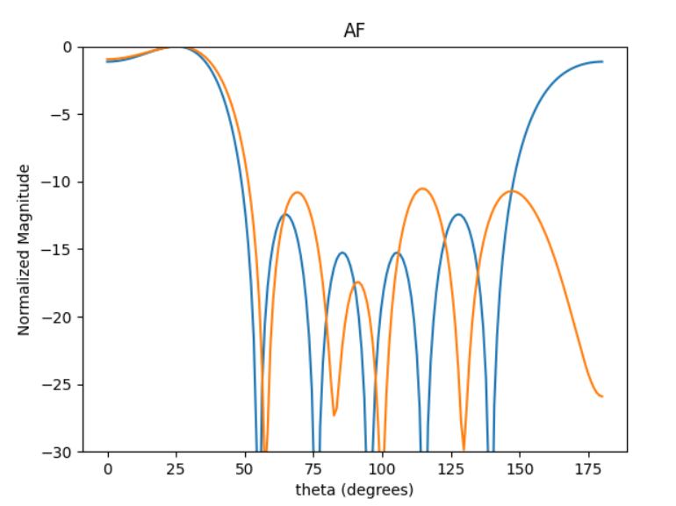

 | 0 | 1 | 2 | 3 | 4 | 5
0 | 4.3250666935 | 1.4100015486 | 5.573135913 | 2.8474600575 | 0.65771322943 | 4.2558270748 |  |  | -8.9828193038
1 | 3.7439654478 | 1.3381728624 | 5.3022942019 | 2.5251008846 | 0.23126924453 | 3.8954424402 |  |  | -10.341032833
2 | 5.5759635333 | 3.2862346823 | 0.85307425106 | 4.3561546348 | 2.11860368 | 5.7304575858 |  |  | -10.251650544
3 | 4.1403556034 | 1.0172190562 | 5.348208463 | 2.6759068081 | 0.79770212795 | 3.7739240843 |  |  | -6.8957541581
4 | 6.1267753526 | 3.7591508515 | 1.3502112459 | 4.9160412465 | 2.6485993922 | 6.2434932967 |  |  | -10.517808396
5 | 2.6982569018 | 0.4910158586 | 4.2641772057 | 1.4886083007 | 5.2817607849 | 3.0244007513 |  |  | -8.70031656
6 | 0.79477443603 | 4.0140508427 | 1.9795629925 | 5.5441522013 | 3.3318985916 | 0.68532913528 |  |  | -8.6685796801
7 | 3.9551784299 | 1.6891981858 | 5.4778727862 | 2.8414164339 | 0.38235143245 | 4.1716021135 |  |  | -10.013170162
8 | 3.1999090944 | 0.99656733837 | 4.8367276378 | 1.8995145582 | 5.7443220808 | 3.5964086802 |  |  | -7.9229582064
9 | 4.5320534359 | 1.6699554219 | 5.8009376659 | 3.2764585445 | 0.96525615792 | 4.3957019383 |  |  | -9.0704424254

 | 319.47917717 | 188.28737779 | 48.877554197 | 249.58927548 | 121.38704932 | 328.33103435

CA27DEG2
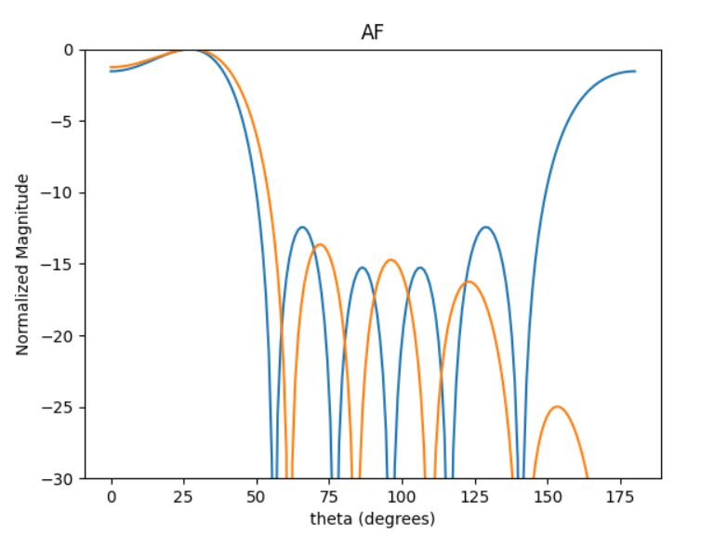
 | 0 | 1 | 2 | 3 | 4 | 5 | HPBW | SLL | SLL2 | DIR
0 | 1.9560591896 | 5.9170802035 | 3.5429970712 | 1.1043793484 | 5.0279779162 | 2.6921611739 | 46 | -1.2582281907 | -13.655396932 | 3.1259520529
1 | 4.0121356099 | 1.8276076972 | 5.5041979603 | 3.3672753583 | 0.70927993781 | 4.8292094756 | 46 | -1.2578512558 | -11.366456232 | 3.0941466952
2 | 4.0083246064 | 1.799781591 | 5.5629909851 | 3.2957185926 | 0.75192323738 | 4.8251447737 | 46 | -1.2756954508 | -12.469094918 | 3.1082847583
3 | 2.6478249626 | 0.38878328204 | 4.2462156201 | 1.808048077 | 5.7166322014 | 3.4187242369 | 46 | -1.2460145567 | -13.166715137 | 3.1208064025
4 | 4.1265330348 | 1.8692588093 | 5.6971462422 | 3.3673554877 | 0.84332196528 | 4.9178012074 | 46 | -1.2442567763 | -13.035562856 | 3.1136602313
5 | 1.3142391877 | 5.355242492 | 2.9361930562 | 0.49844718661 | 4.3599401658 | 2.1110933037 | 46 | -1.2445129523 | -12.874136496 | 3.114692115
6 | 3.1271002355 | 0.94856900261 | 4.6977431177 | 2.3873149224 | 6.1733627781 | 4.0024395716 | 46 | -1.3240987321 | -12.547299959 | 3.0896356195
7 | 1.0794031719 | 5.1822571219 | 2.641779875 | 0.37468943528 | 4.1071277293 | 1.9439671832 | 46 | -1.310369323 | -12.220389574 | 3.0943346229
8 | 2.4767489396 | 0.20446510818 | 4.1024128634 | 1.6396249151 | 5.5315282291 | 3.2551443118 | 46 | -1.2473203575 | -13.015613804 | 3.1199566336
9 | 4.2168773146 | 2.0061547657 | 5.7898259034 | 3.459588254 | 0.9590748713 | 5.0278829913 | 46 | -1.2503552547 | -12.883521332 | 3.1105316224

 | 112.07393604 | 339.0237227 | 202.99877901 | 63.276275643 | 288.08191408 | 154.24947304
 | 229.87843728 | 104.71420765 | 315.36731273 | 192.93066649 | 40.63874693 | 276.69332134
 | 229.66008287 | 103.11988921 | 318.73590492 | 188.83076582 | 43.08202802 | 276.46043108 | 0.325 | 0.475 | 0.45 | 0.475 | 0.475
 | 151.70919525 | 22.275641206 | 243.29023394 | 103.59352397 | 327.53889817 | 195.87847009
 | 236.43292691 | 107.10064059 | 326.42243495 | 192.93525757 | 48.318789381 | 281.76925367
 | 75.300358729 | 306.83279306 | 168.23146996 | 28.558920103 | 249.80617043 | 120.95673646
 | 179.16964561 | 54.349000427 | 269.16085388 | 136.78306942 | 353.70763259 | 229.32289521
 | 61.845246143 | 296.92146144 | 151.36283724 | 21.468123269 | 235.32108481 | 111.38111511
 | 141.90726115 | 11.714987756 | 235.05094289 | 93.943587622 | 316.93322179 | 186.50603077
 | 241.60927285 | 114.94420112 | 331.73258838 | 198.21980581 | 54.950942362 | 288.07647528

20deg | 274.49421953 | 129.43910044 | 351.85482131 | 198.23209243 | 61.523697306 | 275.22780755
25deg | 255.26385868 | 120.03504347 | 337.07261541 | 194.39017088 | 50.365400531 | 277.15355812

CA27DEG3
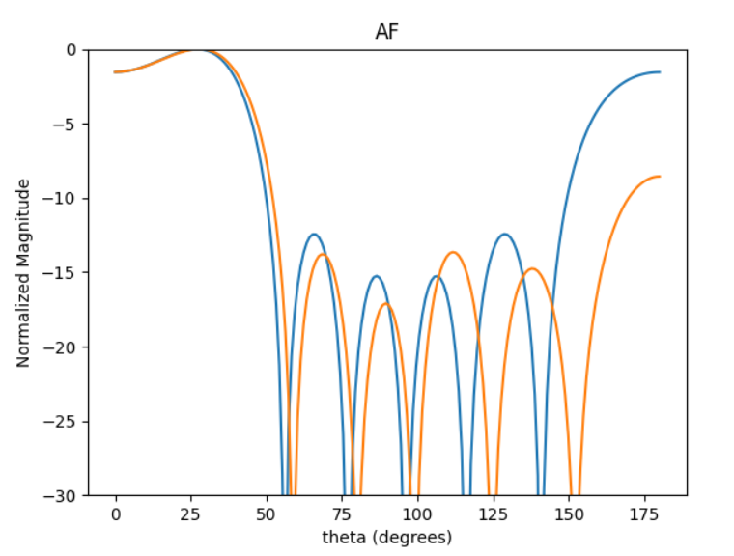
 | 0 | 1 | 2 | 3 | 4 | 5 | HPBW | SLL | SLL2 | DIR
0 | 2.127061809 | 5.9408124834 | 3.3492296244 | 0.66251544464 | 4.3552717032 | 1.8823683555 | 45 | -1.6755604869 | -12.179609645 | 2.8568664826
1 | 2.925602033 | 0.57569876604 | 4.2424909285 | 1.5218766503 | 5.1704456187 | 2.77011852 | 45 | -1.6897683672 | -11.323231474 | 2.8453297554
2 | 3.2422738598 | 0.76043920228 | 4.4159364406 | 1.7755645207 | 5.4100014737 | 2.9515969618 | 45 | -1.5866417445 | -12.321121662 | 2.8523073476
3 | 3.6537311743 | 1.1915327372 | 4.8218371551 | 2.2225385093 | 5.8729138399 | 3.3645458031 | 45 | -1.6311884543 | -12.624635292 | 2.855107584
4 | 0.47035847724 | 4.3129866926 | 1.692940565 | 5.2710602243 | 2.6825772979 | 0.26284850242 | 45 | -1.6784295973 | -11.782523753 | 2.8526367693
5 | 3.6557849128 | 1.2285135787 | 4.8855086611 | 2.2054707435 | 5.8693199756 | 3.4340060171 | 45 | -1.6570181249 | -11.890726174 | 2.8532995109
6 | 5.2921111767 | 2.87814042 | 0.24772716902 | 3.8441818149 | 1.2439369871 | 5.0837457939 | 45 | -1.6800027413 | -11.847133395 | 2.8538526261
7 | 4.5292271334 | 2.1053499538 | 5.7490410313 | 3.1264671229 | 0.45829692427 | 4.3314460754 | 45 | -1.7043647654 | -12.008004175 | 2.8550824686
8 | 4.5942181358 | 2.1299292571 | 5.8839667911 | 3.0750265925 | 0.5417920412 | 4.3637443987 | 45 | -1.6521555135 | -11.60877676 | 2.8505916778
9 | 2.8732294071 | 0.42089047281 | 4.0968370923 | 1.3733465945 | 5.0728493159 | 2.5972710445 | 45 | -1.5806804668 | -11.951284188 | 2.8496669191
 | 4.1383189464 | 1.6065828929 | 5.4196861661 | 2.5936662849 | 0.085777846661 | 3.8779302813 | 45 | -1.66755693 | -11.913803834 | 2.8513767166
 | 1.6279377101 | 5.15765706 | 2.7110962165 | 6.2597477131 | 3.7620322907 | 1.1627998796 | 45 | -1.5337423144 | -13.64422808 | 2.8352107056
 | 5.3047071202 | 2.852320018 | 0.24312425292 | 3.8430784802 | 1.255491033 | 5.0684305497 | 45 | -1.6777697411 | -12.114951397 | 2.8563922295
 | 1.3572192678 | 5.1372405082 | 2.571721272 | 6.1256257966 | 3.5599651079 | 1.0793150405 | 45 | -1.6245216359 | -12.16385228 | 2.8538019477
 | 4.3467314637 | 1.8195634176 | 5.5139508263 | 2.8283413513 | 0.25516879646 | 4.0384988699 | 45 | -1.6100782217 | -12.511589664 | 2.8542103693
 | 3.6294839566 | 1.1846151127 | 4.8528787804 | 2.2361513811 | 5.8612492512 | 3.4175727916 | 45 | -1.7243379003 | -12.245612864 | 2.8576476982
 | 2.1327450428 | 5.9326033909 | 3.3872280186 | 0.60632119384 | 4.3700133223 | 1.843194771 | 45 | -1.6053959103 | -12.049316481 | 2.8506543888
 | 1.9629749267 | 5.7854239446 | 3.1765625614 | 0.51962922976 | 4.177238428 | 1.7238269719 | 45 | -1.6725647081 | -12.185935881 | 2.8564333574
 | 5.2410938482 | 2.7870002613 | 0.27089212982 | 3.7079000181 | 1.1746700428 | 4.9597454829 | 45 | -1.5512349184 | -11.539165135 | 2.8409170287
 | 6.2622553299 | 3.7647911458 | 1.1887186318 | 4.7758683285 | 2.2242840686 | 6.0025165142 | 45 | -1.6930722453 | -12.388970484 | 2.8586521208

 | 249.04936755 | 104.25330439 | 315.92611079 | 162.05202245 | 14.620095101 | 231.38894082

 | 0.425 | 0.475 | 0.5 | 0.475 | 0.425

CA27DEG4
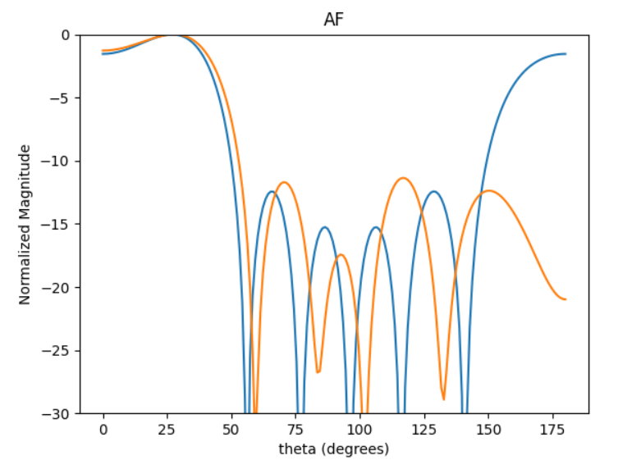
 | 0 | 1 | 2 | 3 | 4 | 5 | HPBW | SLL | SLL2 | DIR
0 | 3.0161788869 | 0.39203867167 | 4.4734115072 | 1.8319325229 | 5.7479814422 | 3.4583197552 | 45 | -1.278035024 | -11.362050204 | 2.7582594603
1 | 3.1111220044 | 0.78213333576 | 4.7069972501 | 2.0308942913 | 5.8506312989 | 3.7161096907 | 45 | -1.2551487143 | -9.9761226314 | 2.8289140345
2 | 0.21323746746 | 3.974558052 | 1.6682471774 | 5.4098356303 | 2.9298491085 | 0.73027023599 | 46 | -1.3158827638 | -11.330784875 | 2.7828065877
3 | 5.0852981162 | 2.3083674546 | 0.21951877028 | 3.8841744252 | 1.8182423912 | 5.2669984632 | 46 | -1.2931455397 | -9.3737867976 | 2.6678555036
4 | 3.3577451922 | 1.2484195954 | 5.0987114471 | 2.404569975 | 0.16228820655 | 3.9075800769 | 45 | -1.2728760789 | -10.558849123 | 2.7779658599
5 | 4.3039964741 | 2.1471130916 | 6.0560473645 | 3.3500119134 | 1.0645346583 | 4.8455047963 | 45 | -1.2617381653 | -10.519521239 | 2.7865905033
6 | 1.6139394469 | 5.2628302152 | 2.9605866532 | 0.55483772075 | 4.4608321716 | 1.925519161 | 46 | -1.291083812 | -10.879854656 | 2.7444730924
7 | 0.6830748069 | 4.553107312 | 2.2509046691 | 5.8597400279 | 3.4379957988 | 1.2362644444 | 45 | -1.2653489845 | -10.47245065 | 2.808928031
8 | 2.0181224166 | 6.1113533705 | 3.7191533614 | 0.95500448513 | 4.724946847 | 2.7478005113 | 45 | -1.2533819206 | -8.8663721592 | 2.8460886371
9 | 4.3824175883 | 2.1392900942 | 5.9865723585 | 3.35644871 | 0.995436305 | 4.9364541007 | 45 | -1.2604547794 | -10.503972634 | 2.8231314617

 | 12.217606919 | 227.72540181 | 95.583522452 | 309.96074947 | 167.86798853 | 41.841402426

 | 0.475 | 0.375 | 0.5 | 0.375 | 0.475

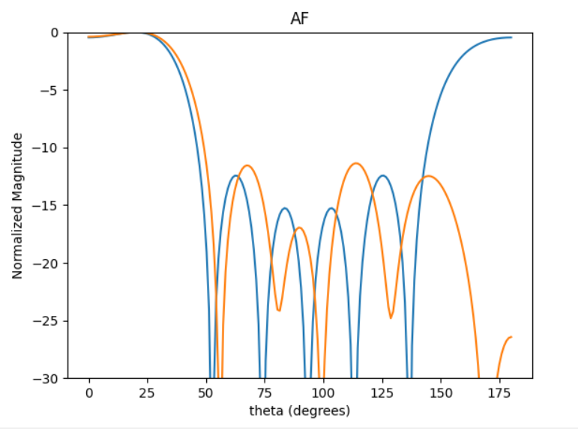
20DEG | 0 | 1 | 2 | 3 | 4 | 5
0 | 1.1669212432 | 5.0532269865 | 2.5023328079 | 6.050484021 | 3.4965259278 | 1.0264598116 |  |  | -10.608564398
1 | 2.684846304 | 0.39247904391 | 4.1474206173 | 1.244937777 | 5.3399492785 | 2.5467481907 |  |  | -10.85847216
2 | 3.4930378053 | 0.70741732733 | 4.7377932089 | 1.9402869683 | 5.6455876378 | 3.2530827822 |  |  | -11.364935998
3 | 1.4778929062 | 4.718300174 | 2.5776683609 | 6.1027884687 | 3.6033917962 | 1.1854362617 |  |  | -10.417281001
4 | 4.2123370181 | 1.3299331583 | 5.1581901609 | 2.6506762334 | 0.37972527278 | 3.6790445723 |  |  | -9.7133695304
5 | 4.139447021 | 1.7665365273 | 5.5230381473 | 2.7361441759 | 0.29127179181 | 3.9676402379 |  |  | -10.843232422
6 | 3.9172980933 | 1.2795549005 | 5.1766729103 | 2.3766771937 | 0.065398624804 | 3.5993481352 |  |  | -10.945501798
7 | 5.5641336549 | 2.7952824694 | 0.49132463059 | 3.9941295542 | 1.7643167848 | 5.1366763057 |  |  | -10.098145737
8 | 1.4549675704 | 5.204164604 | 2.8130654952 | 6.1854527651 | 3.7313997727 | 1.3098293889 |  |  | -10.329330998
9 | 0.59070352227 | 4.4656292312 | 1.8711551127 | 5.4357459365 | 2.8248045462 | 0.51751420333 |  |  | -10.183655066

 | 200.13632392 | 40.532027211 | 271.45555508 | 111.17025433 | 323.46834452 | 186.38791383

25DEG | 0 | 1 | 2 | 3 | 4 | 5
0 | 0.73622203412 | 4.5261708002 | 2.1973226237 | 5.7408526891 | 3.2437562337 | 1.1135192812 |  |  | -10.178420011
1 | 1.6152463399 | 5.7091937834 | 3.2113492623 | 0.49302348195 | 4.2374245627 | 2.1123719811 |  |  | -9.3003179559
2 | 2.0900522025 | 5.8552610341 | 3.3176441798 | 0.93937686355 | 4.6882781926 | 2.3025271684 |  |  | -11.712014659
3 | 2.9201133356 | 0.66521201389 | 4.46809981 | 1.7537431602 | 5.5405316712 | 3.3439479038 |  |  | -9.6825064031
4 | 1.7267173626 | 5.2434605558 | 3.1086507536 | 0.39570622901 | 4.5558371825 | 1.7529227024 |  |  | -9.6115688618
5 | 3.029492902 | 0.93432398232 | 4.698349375 | 1.9199359173 | 5.6852921419 | 3.5847512165 |  |  | -8.7971870866
6 | 0.72710541701 | 4.5820068099 | 2.239811527 | 5.7596048756 | 3.2829560269 | 1.1397303858 |  |  | -9.9328974791
7 | 0.87526905604 | 4.7529771078 | 2.419507733 | 5.9854851518 | 3.8379640005 | 1.0268920038 |  |  | -10.582984561
8 | 1.9323045904 | 5.6521181324 | 3.3723433593 | 0.61996497554 | 4.4574283966 | 2.2443152227 |  |  | -10.625122617
9 | 2.0862660984 | 5.5519230309 | 3.4171019965 | 0.70992253967 | 4.7290718608 | 2.1789004162 |  |  | -10.236615355

 | 119.75117017 | 335.4817452 | 190.08700943 | 53.822329654 | 268.61855362 | 131.92508896

CA27DEG5
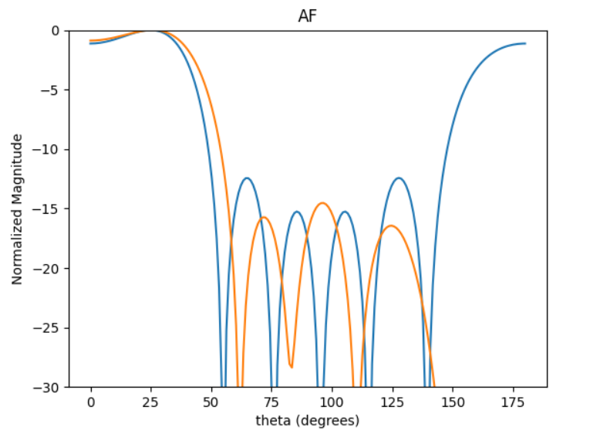
25DEG | 0 | 1 | 2 | 3 | 4 | 5
0 | 3.5899449678 | 1.2605752121 | 5.0701305858 | 2.8152590964 | 0.3632401683 | 4.3158001379 | -12.75697879
1 | 4.1037790431 | 1.7942524115 | 5.6655417975 | 3.2631521012 | 1.0347284368 | 4.768061644 | -14.536510428
2 | 3.7024712734 | 1.3816024746 | 5.1375891245 | 2.911620226 | 0.50834991271 | 4.3997051484 | -12.737762131
3 | 1.7048620319 | 5.8479309519 | 3.0820307012 | 1.1595624534 | 4.7355813239 | 2.5211010191 | -9.8153095327
4 | 5.8420480319 | 3.5068864178 | 1.0538404599 | 5.0474682044 | 2.6574206265 | 0.25785328643 | -13.280672134
5 | 5.1714798619 | 2.8124101281 | 0.36519493986 | 4.4263869257 | 1.9298800288 | 5.8728175625 | -12.67436956
6 | 0.75610240644 | 4.8157339527 | 2.1278695771 | 0.16186092136 | 3.7735278144 | 1.5174051078 | -10.409104295
7 | 1.3777490102 | 5.3468272444 | 2.7759136373 | 0.6340870577 | 4.3085822449 | 2.1746913563 | -11.256265131
8 | 0.51339086609 | 4.3944067488 | 2.0406318849 | 5.9621177688 | 3.5367943355 | 1.2299772756 | -13.703847659
9 | 1.1132453275 | 5.0856614971 | 2.603708055 | 0.33950483663 | 4.1556441578 | 1.8605641679 | -12.602417447

 | 235.12921922 | 102.80309056 | 324.61163365 | 186.96484331 | 59.285572371 | 273.18980866

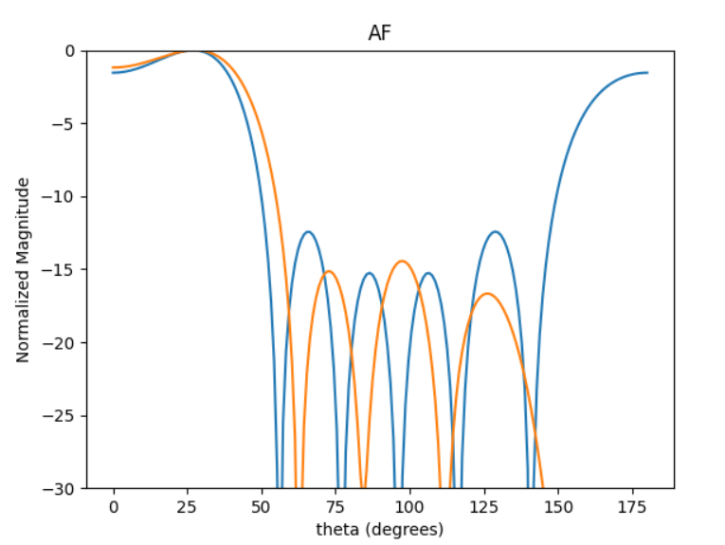
27DEG | 0 | 1 | 2 | 3 | 4 | 5
0 | 1.2339793996 | 5.1877837059 | 2.826612259 | 0.56361105341 | 4.4569284066 | 2.136432743 | -13.263815126
1 | 2.9758029646 | 0.77779120118 | 4.4752560058 | 2.4520324239 | 6.1938783912 | 3.9521190068 | -11.019090815
2 | 2.1182137601 | 6.1259674446 | 3.6371420371 | 1.5037871156 | 5.3190064443 | 3.0458738765 | -12.003550318
3 | 0.074128834239 | 4.1038440298 | 1.5647191295 | 5.8270717628 | 3.3054338476 | 1.0025203913 | -11.392212585
4 | 5.9093478963 | 3.703141024 | 1.1565811521 | 5.3802046894 | 2.8512492946 | 0.58686954879 | -11.309010497
5 | 3.248697104 | 0.80736672536 | 4.8861571356 | 2.5115576958 | 0.14429441902 | 4.1318878991 | -14.435281374
6 | 2.171520504 | 6.1401153513 | 3.7036653474 | 1.5238373236 | 5.3889029129 | 3.0694225757 | -12.622600811
7 | 0.47219416352 | 4.5071908365 | 2.0150914891 | 6.1804873587 | 3.6789182308 | 1.4152073905 | -11.780322559
8 | 3.9800258895 | 1.592055201 | 5.5020932774 | 3.3029426009 | 0.86696669452 | 4.8846782642 | -12.836997439
9 | 4.0770067851 | 1.7443511776 | 5.612077228 | 3.4083273893 | 1.01937329 | 4.9667047422 | -12.918767253

 | 186.13663298 | 46.258705882 | 279.95618191 | 143.90165597 | 8.2674612169 | 236.73973804

pha
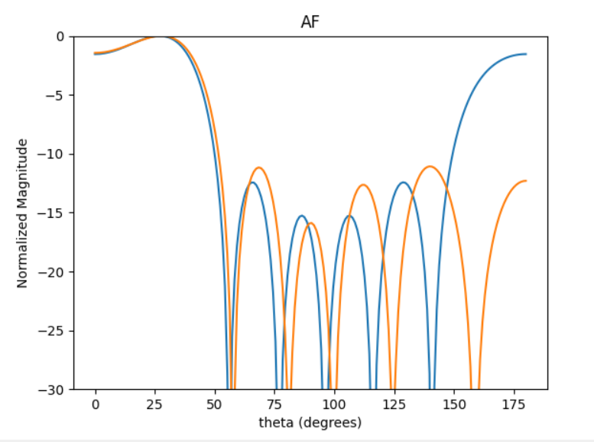
 | 0 | 1 | 2 | 3 | 4 | 5 | 0
0 | 3.8282569424 | 1.0906434293 | 4.9195442112 | 2.3063854749 | 6.1564915679 | 3.4337056476 | -10.131351786
1 | 0.60266693748 | 4.0469682083 | 1.6872722028 | 5.3418902906 | 2.9492690169 | 0.1437033159 | -9.7860275771
2 | 5.5626739664 | 2.8147276093 | 0.40879980519 | 4.0367676332 | 1.6328327207 | 5.1792318211 | -10.191227679
3 | 2.0385865775 | 5.5793109531 | 3.153309395 | 0.51468306137 | 4.3865195283 | 1.6603137136 | -10.179574092
4 | 1.742923797 | 5.4033382977 | 2.9452419388 | 0.28876042413 | 3.9849030904 | 1.4792454567 | -11.077642849
5 | 2.354278673 | 5.8770444015 | 3.4507364501 | 0.81568176989 | 4.6827586989 | 1.9514859351 | -10.124049271
6 | 4.3362147783 | 1.4318603292 | 5.3663826695 | 2.798416454 | 0.39329605635 | 3.8300014236 | -9.4162255776
7 | 0.99791808679 | 4.3281090714 | 2.0998350689 | 5.668964106 | 3.3460125811 | 0.51665125713 | -9.7369959618
8 | 2.6863157976 | 6.2485431262 | 3.7936310667 | 1.2176209482 | 5.0315595762 | 2.2906986475 | -10.020558562
9 | 0.015665223975 | 3.2492205606 | 1.0846838389 | 4.5896563425 | 2.4292235507 | 5.7419102435 | -9.0529207703

 | 99.86217758 | 309.58847974 | 168.74993274 | 16.544753593 | 228.31812885 | 84.754521533

